Table 1
For official use only Government of India Ministry of Water Resources Central Ground Water Board
GROUND WATER BROCHURE OF BASTAR DISTRICT CHHATTISGARH 2012-13
 Keshkal |  |  |  |  |  |  |  |  |  |  |  |  |  |  Baderajpur

Pharasgaon |  |  |  |  |  |  |  |  |  |  |  |  |  |  |  |  Makri
 Kondagaon
Lohandiguda |  |  |  |  |  |  |  |  |  |  |  |  |  |  |  | Bastar  |  |  |  | Bakawand 
 Tokapal 
 Bastanar |  |  |  |  |  |  |  |  |  |  |  |  |  |  |  |  |  Jagdalpur
 Darbha
Regional Director North Central Chhattisgarh Region Reena Apartment, II Floor, NH-43 Pachpedi Naka, Raipur (C.G.) 492001
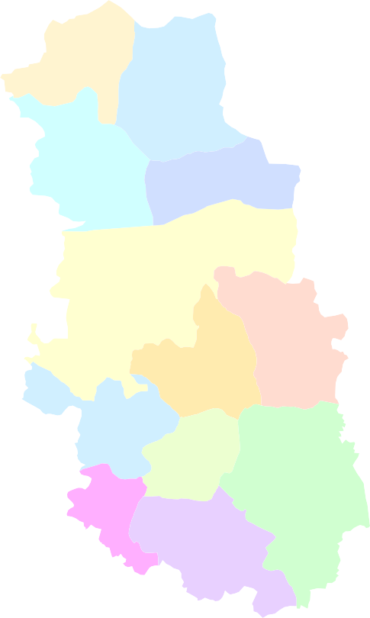
Ph No. 0771-2413903, 2413689 Email- rdnccr-cgwb@nic.in

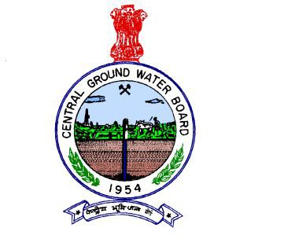
GROUND WATER BROCHURE OF BASTAR DISTRICT DISTRICT AT A GLANCE I Location 1. Location : Located in the SSE part of Chhattisgarh State Latitude : 18°38’04”- 20°11’40” N Longitude : 81°17’35”- 82°14’50” E II General 1. Geographical area : 10577.7 sq.km 2. Villages : 1087 nos 3. Development blocks : 12 nos 4. Population : 1411644 Male : 697359 Female : 714285 5. Average annual rainfall : 1386.77mm 6. Major Physiographic unit : Predominantly Bastar plateau 7. Major Drainage : Indravati , Kotri and Narangi rivers 8. Forest area : 1997.68 sq. km ( Reserved) 390.38 sq. km ( Protected) 2588.75 sq. km (Revenue ) Total – 4976.77 sq.km.
III Major Soil 1) Alfisols : Red gravelly, red sandy &red loamy 2) Ultisols : Lateritic,Red & yellow soil IV Principal crops 1) Rice : 2024 ha 2) Wheat : 667ha 3) Maize : 2250 ha V Irrigation 1) Net area sown : 315657 sq. km 2) Net and gross irrigated area : 9592 ha a) By dug wells : 2460 no (758 ha) b By tube wells : 1973 no (2184ha) c) By tank/Ponds : 102 no (1442ha) d) By canals : 15 no ( 421 ha) e) By other sources : 4391 ha VI Monitoring wells (by CGWB) 1) Dug wells : 28 no 2) Piezometers : 09 no
VII Geology |  |  |  |  |  |  |  |  |  |  |  |  |  |  |  | : Bengpal and Dongargarh group (granites and gneisses)Abujhmar
sedimentaries and Volcanics , arenaceous, Calcareous and Argillaceous rocks of Indravati Group VIII Hydrogeology 1) Water bearing formation : Weathered & fractured Granites
and Gneisses, Fractured shales, Cavernous Limestone and Dolomite 2) Water level
a) Pre monsoon water level depth (2006) : 1.70m to 10.37 mbgl b) Post monsoon water level depth : 0.43m to 4.08 mbgl c) Water level trend (1997-2006) : No significant rise and fall IX. Ground water exploration ( By CGWB) 1) Wells drilled : 63 no a) Exploration : 52no b) Observation : 11 no c) Piezometer : 12 no 2) Depth range : 20 to 160 m 3) Discharge : 0.5 to 40 lps 4) Transmissivity : 17 to 219 m2/day (For Granites) 5 to 395 m2/day( For Limestone and Dolomite) X Ground water quality : Useful for all purposes XI Ground water resources(2009) 1) Annual available resource : 115639.21 ham 2) Annual available resource : 109857.24 ha.m 3) Ground water draft : 11667.17 ha.m 4) Available resource for future use : 97847.75 ham 5) Stage of ground water development : 10.62 % XII Awareness and training activity : MAP at Jagdalpur (04-05) : Training at Jagdalpur (05-06) XIII Artificial recharge and rain water harvesting 1) Projects by CGWB : Nil 2) Projects under technical guidance : Nil XIV Ground water control and regulation : Nil (No over exploited, critical

and notified areas) XV Major ground water problems and issues : Nil
1. General |  |  |  |  |  |  | Ground Water Brochure of Bastar District, Chhattisgarh By K.B.N.Soni, Assistant Hydrogeologist
The Bastar district covers an area of 10577.7 sq. km. It consists of 1087 no of villages. For administrative convenience these villages are grouped into 12 no of development blocks. Jagdalpur is the district headquarter. The block head quarters are Keshkal, Baderajpur, Pharasgaon, Makri, Kondagaon, Bastar, Bakawand, Lohandiguda, Tokapal, Bastanar, Darbha and Jagdalpur. The district is known for its forest produce and mineral wealth. Fig.1 shows the location of the area along with the drainage, block head quarters, location of NHS and location of exploratory wells drilled in the district. Nearly 97 % of the area is drained by Indravati River and Sabari River, which are tributary to Godavari River. The tributaries for Indravati are Kotri, Narangi ,Nibra and Bavardhig whereas kanger and Kolab are tributaries for Sabari. The remaining 3 % of the area is drained by Mahanadi River in the extreme northern part of the district with Hatkul tributary. The normal annual rainfall for the district is 1386.77 mm. The annual temperature varies from 10.6oC in winter to 46oC in summer. The relative humidity varies from 90% in rainy season to 30-40% during winter. Physiographyically the district is predominantly a part of Bastar plateau. The maximum altitude is 956 m amsl and is near the village Ghatakala lying in the extreme western part of the district( in Abujhmarh protected forest area)and the minimum altitude is 563 m amsl which is on the SSE part of the district near Pulsa village, existing near Kolab river . The average elevation is around 600 m amsl. The general slope is towards south and southwest in central part of the district and is towards south and south east in the southern part of the district. The northern part of the district, falling under Mahanadi River basin is having the slope towards north. The soils in the district are having wide va

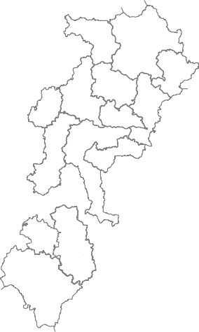
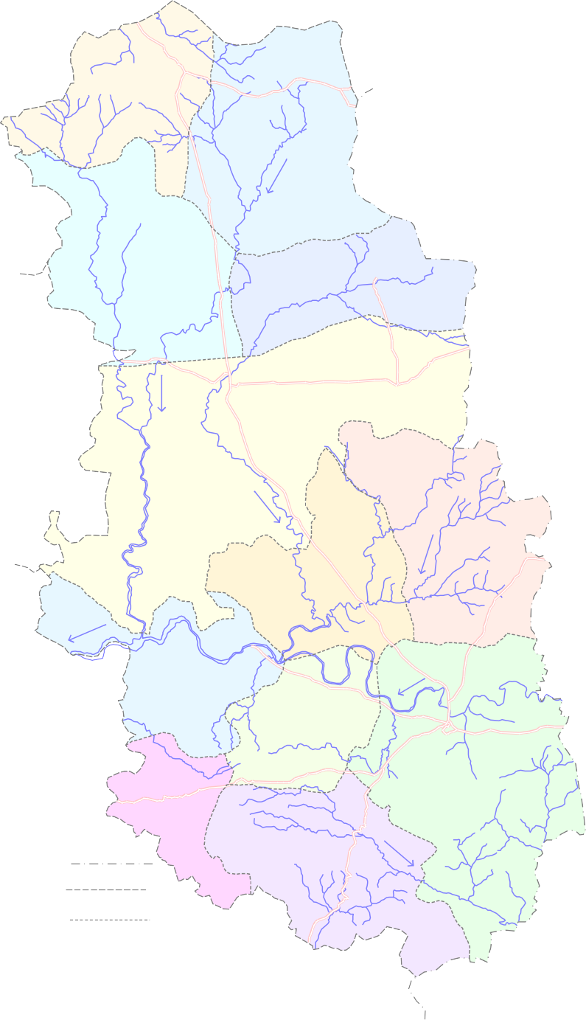
Fig. - 1
20° | Administrative map of Bastar District Key Map 
 | Chhattisgarh State |  |  |  |  |  |  | Keshkal Baderajpur 15  18   27 0 16 ·  · · kilometers Pharasgaon 26 1  ·  ·  Makri  20 · 21 ·   Kondagaon 2   9  · · 17 · |  |  |  |  |  |  |  |  |  |  |  |  |  |  |  |  |  |  |  |  |  |  |  |  |  |  |  | 32
00'
 | 11 ·  14 ·     8 ·  Bakawand    4 10 B  ar · · ast   Lohandiguda  6 22  3 · ·  ·   Jagdalpur  19  ·        Tokapal       13 · 5  Bastanar  · · 23  16  · 25  L e g e n d ·  State Boundary Darbha   ·12 District Boundary Block Boundary District Headquarter   Block Headquarter  National Hydrograph Station · 9 Exploratory Well  Road River
30' 9°
00'
30'
81° |  |  | 00' |  |  |  |  |  |  |  | 30' 82° |  |  |  |  |  |  |  |  |  |  |  |  |  |  |  | 00'
1
district are occurring as hills rather than plateaus and consequently the trap slopes developed light soils rather than the deep black cotton soil. 2. Geology and Hydrogeology Geologically the district is covered by metasediments and crystallines of Precambrians constituting Bengpal, Bailadila, Dongargarh and Abujhamar group of rocks. The formations include Gneisses, Granites and matasediments, Basalt and Gabbroic rocks, acid and basic intrusives. The south eastern part of the district is covered by the areanaceous-argillaceous-calcarious sequence of sediments of Indravati Group. The ground water mainly occurs in phreatic (water table) conditions and at places under semi-confined conditions. In granites/gneisses the weathered thickness varies from 13 to 29 m. and the weathered and fractured formation constitute the aquifers. Invariably the fractures are limited to a depth of 21 to 142 m. In sedimentary formations the weathered thickness varies from 10.75 to 45 meters where as the fractured and cavernous formation constitute the aquifers. Invariably the fractures/caverns are limited to a depth of 67m . The hydrogeological map prepared for the district is presented in Fig .6. In all 28 no of observation wells ( National Hydrograph Network Stations) and 9 no piezometers were established in the district to monitor water levels 4 times a year and water quality once a year. The pre-monsoon ground water level in the district (Fig. 2) varies from 1.70 to 10.37mbgl and the post monsoon water level ( Fig.3)varies from 0.43 to 4.08 mbgl. The water level fluctuation varies from 0.43 to 7.22 m.( Fig.4). The water level trend (for 10 years)for premonsoon period indicates a rising trend in 46% of the stations with significant rise in 2 stations and in the remaining 54% of stations a falling trend is recorded with significant fa

Table 1 Hydrogeological charateristics of different formations
S.No . |  | Geological formation |  |  | Approxi- mate thick- ness in mts |  |  | No of EW drilled |  | Drilled depth (mbgl) |  |  | Potential zone encountere d (mbgl) |  |  |  |  |  | Discharg e range (lps) |  |  |  |  | Average discharge of wells (lps) |  |  |  |  |  |  |  |  | Transmissivity m2/day
1 |  | Jagdalpur |  |  | 180 |  |  | 29 |  | 47- 251 |  |  | 13-16, 20-26, 28- 30, 37-47, 95-99 ,120 |  |  |  |  |  | 1-20 |  |  |  |  | < 7.0 |  |  |  |  |  |  |  |  | 36 -395
2 |  | Kanger |  |  | 670 |  |  | 4 |  | 52- 300 |  |  | 17-25, 30- 39, 67-70, 80- 83, 159- 162,169- 172 |  |  |  |  |  | 0.5-14 |  |  |  |  | < 5.00 |  |  |  |  |  |  |  |  | 5 - 331
3 |  | Cherakur |  |  | 430 |  |  | 5 |  | 50- 300 |  |  | 21-37, 64-66 |  |  |  |  |  | 0.1-3 |  |  |  |  | < 1.0 |  |  |  |  |  |  |  |  | -
4 |  | Tirathgarh |  |  | 490 |  |  | 1 |  | 54 |  |  | 12-15 |  |  |  |  |  | 1 |  |  |  |  | 1 |  |  |  |  |  |  |  |  | 29 - 63
5 |  | Crystalline s/ Plutonic |  |  |  |  |  | 11 |  | 50- 157 |  |  | 25-30, 32-43, 60-62 |  |  |  |  |  | 0.5-18 |  |  |  |  | < 4.0 |  |  |  |  |  |  |  |  | 1 - 44
 |  |  |  |  |  |  |  | 50
intruded by dykes and pegmatite veins. The rocks of Lower Proterozoic Dongargarh Super Group, Comprising mainly of fine to medium grained Potash rich Dongargarh Granite and its equivalents are distributed in northern and central parts of the district. The area comes under plateau and hilly region. General elevation of the area is between 550 and 750 m. amsl. Big Granite boulders on hills, formed due to the differential weathering, are a common sight in granitic terrain. Well-developed wide joints can also be seen in various areas. Effect of weathering through joints down to 40 metrs can be very well observed during drilling in this formation. Intrusives of pegmatite /quartz vein can be often seen in this granites, So far 11 no of exploratory borewells have been drilled in granites and gneisses down to a maximum depth of 157 meters. Based on the drilling data it can be inferred that the weathered thickness varies from 13 meters to 29 meters .Weathered mantle is the main aquifer which holds considerable potential of ground water. Generally the weathered zone is immediately followed by a fracture. In granite and gneisses the yield of well depends upon structure, lithology and landform. Of these, structure controlled by lineament plays a major role in controlling the yield. Generally the site located along the lineaments or in close vicinity of lineaments have given high yields where as sites away from the lineaments have yielded poorly. Felsic rocks (Pink granite) have more fractures compared to mafic and mafelsic rocks. The depth of wells ranges between 60 and 135 m.bgl. Based on the exploration data it can be inferred that the weathered thickness in granites ranges between 16 and 40 mbgl.Weathered granite followed by a fracture at bottom is the only aquifer which posses good quantity of water. In general the shallow fractured zone lies within 80 m.depth. The yi
Fig. - 2
1

20° | 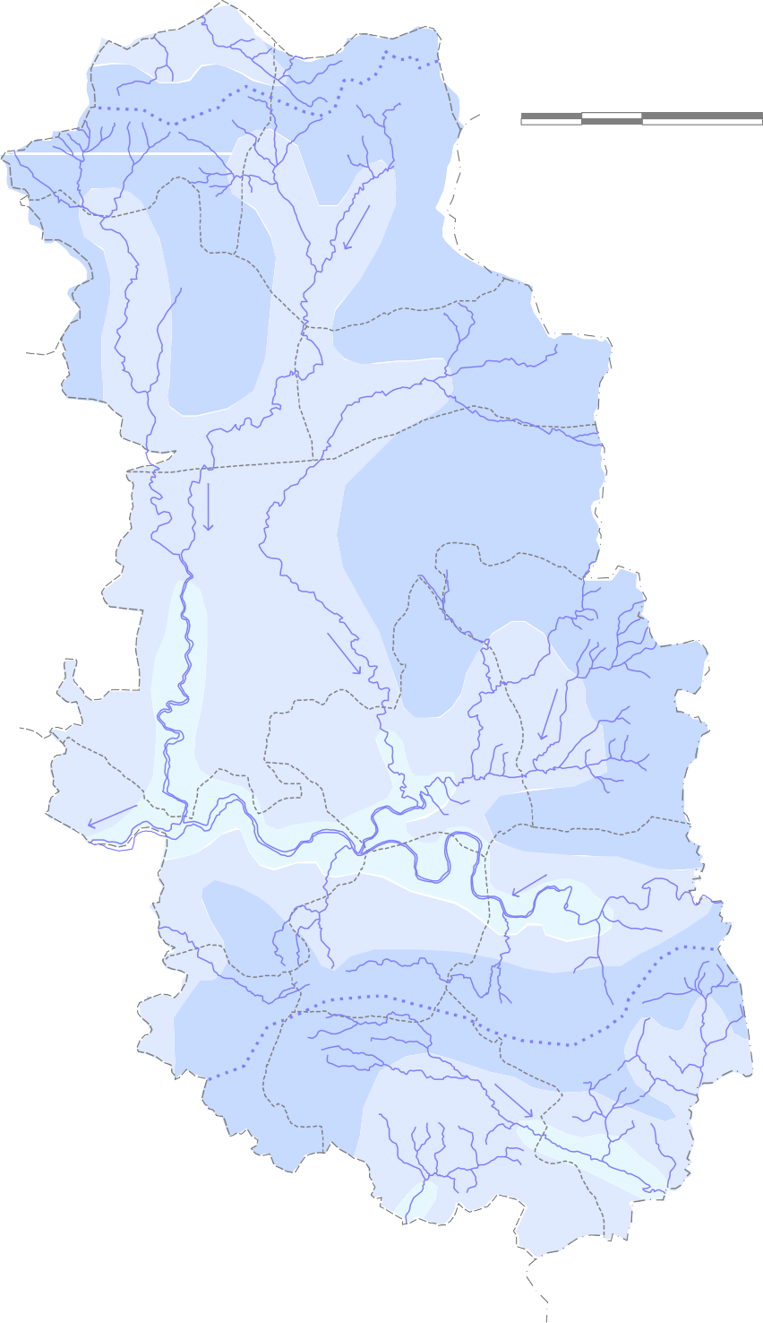 Premonsoon ( May 2012 )Depth to Water Level in Bastar District  Keshkal Baderajpur 15  18  27 0 16 32 · · · kilometers Pharasgaon 26 1  · · Makri  20 · 21 · Kondagaon 2  9 · · 17 · 11 · 14 · 8 · Bakawand  4 10 Bastar · ·  Lohandiguda 6 22  3 · · · Jagdalpur 19 ·   Tokapal 5  13 · L e g e n d Bastanar 23  16 ( Depth to Water Level in m bgl ) · 25· 0 - 5 Darbha ·12  5 - 10 > 10 Drainage  12 National Hydrograph Stations Surface divide  Block HQ
00'
30' 9°
00'
30'
81° |  |  | 00' |  |  |  |  |  |  |  |  | 30' 82° |  |  |  |  |  |  |  |  |  |  |  |  |  |  |  |  |  | 00'

Fig. - 3
20° | 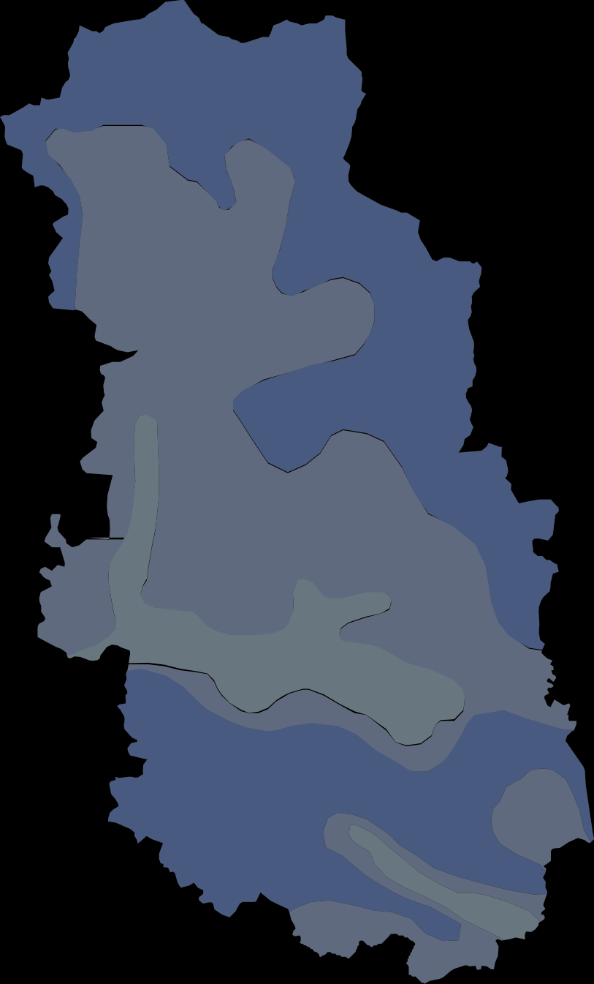 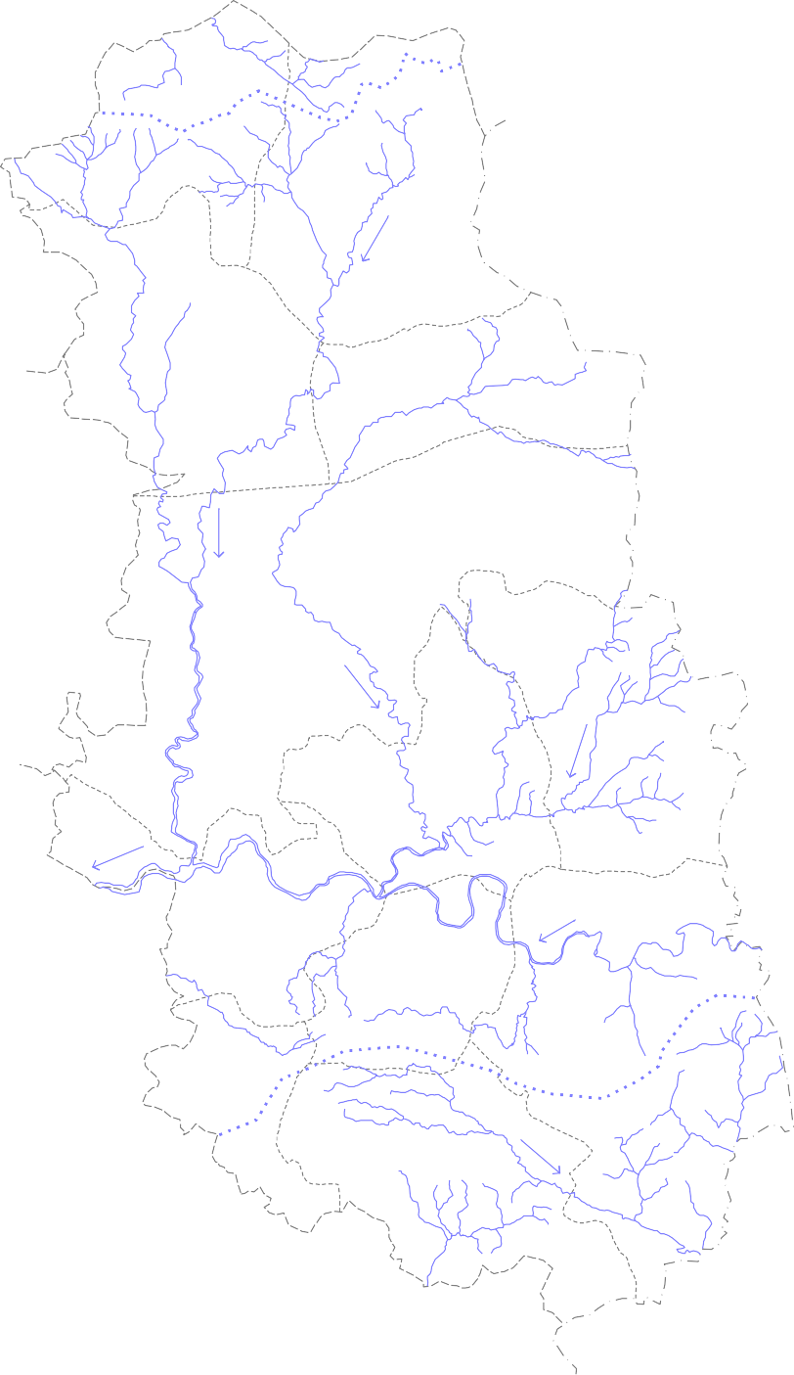 Postmonsoon (Nov 2012) Depth to Water Level in Bastar District  Keshkal Baderajpur 15  18  27 0 16 32 · · · kilometers Pharasgaon 26 1  · · Makri  20 · 21 · Kondagaon 2  9 · · 17 · 11 · 14 · 8 · Bakawand  4 10 Bastar · ·  Lohandiguda 6 22  3 · · · 19 Jagdalpur ·   Tokapal 5  13 · Bastanar 23 L e g e n d  ·16 25 · ( Depth to Water Level in m bgl ) Darbha 0 - 3  12 · 3 - 6 6 - 9 Drainage  12 National Hydrograph Stations Surface divide  Block HQ
00'
30' 9°
00'
30'
81° |  |  | 00' |  |  |  |  |  |  |  | 30' 82° |  |  |  |  |  |  |  |  |  |  |  |  |  |  |  |  |  | 00'
1

Analysis of the data of 11 wells reveal that the average discharge of wells range between 1 and 5 lps.(Table 1) The specific capacity of the wells tested is of the order of 1.5lpm/m to 0.61lpm/m. The transmissivity varies from 1-m2/day to 44- m2/day. 3. Ground water resource The ground water resources for Bastar district were estimated based on the GEC 1997 methodology and were projected to the year 2009. The estimates indicate that the annual replenishable ground water resource for the district was 1156.39. mcm. The net annual ground water availability was 1098.57 mcm. The gross annual draft was estimated as 116.67 mcm, out of which draft for irrigation was 86.26 mcm and for domestic purpose was 30.40 mcm. The ground water resources for Bastar district is tabulated below table 2 and presented in fig 4
Table 2 Ground water resources for Bastar district
Assessment Unit / Block |  |  |  | Total Annual Recharge in Ham |  | Net Ground Water Availability in Ham |  |  |  | Existing Gross Ground Water Draft for Irrigation in Ham |  |  |  |  | Existing Gross Ground Water Draft for Domestic & Industrial Water Supply in Ham |  |  |  |  | Existing Gross Ground Water Draft for All Uses in Ham |  |  |  |  |  | Allocation For Domestic & Industrial Water Supply in Ham |  |  |  |  |  |  |  |  | Net Ground Water Availability for Future Irrigation Developme nt in Ham |  |  | Stage of Ground Water Develop ment in %
Baderajpur |  |  |  | 7351.59 |  | 6984.01 |  |  |  | 1034.06 |  |  |  |  | 185.43 |  |  |  |  | 1219.49 |  |  |  |  |  | 244.83 |  |  |  |  |  |  |  |  | 5705.12 |  |  | 17.46
Bakawand |  |  |  | 6622.75 |  | 6291.61 |  |  |  | 576.04634 |  |  |  |  | 313.74 |  |  |  |  | 889.78634 |  |  |  |  |  | 414.22 |  |  |  |  |  |  |  |  | 5301.3437 |  |  | 14.14
Bastanar |  |  |  | 5179.02 |  | 4920.07 |  |  |  | 36.52 |  |  |  |  | 103.2 |  |  |  |  | 139.72 |  |  |  |  |  | 119.78 |  |  |  |  |  |  |  |  | 4763.77 |  |  | 2.84
Bastar |  |  |  | 8581.52 |  | 8152.44 |  |  |  | 1319.2621 |  |  |  |  | 337.33 |  |  |  |  | 1656.5921 |  |  |  |  |  | 433.91 |  |  |  |  |  |  |  |  | 6399.2679 |  |  | 20.32
Darbha |  |  |  | 7285.55 |  | 6921.27 |  |  |  | 112.83453 |  |  |  |  | 164.15 |  |  |  |  | 276.98453 |  |  |  |  |  | 199.44 |  |  |  |  |  |  |  |  | 6608.9955 |  |  | 4
Jagdalpur |  |  |  | 10373.98 |  | 9855.28 |  |  |  | 779.1 |  |  |  |  | 669.74 |  |  |  |  | 1448.84 |  |  |  |  |  | 300.64 |  |  |  |  |  |  |  |  | 8775.54 |  |  | 14.7
Keskal |  |  |  | 12006.61 |  | 11406.28 |  |  |  | 646.26 |  |  |  |  | 182.09 |  |  |  |  | 828.35 |  |  |  |  |  | 240.42 |  |  |  |  |  |  |  |  | 10519.6 |  |  | 7.26
Kondagaon |  |  |  | 20846.62 |  | 19804.29 |  |  |  | 536.05 |  |  |  |  | 360.08 |  |  |  |  | 896.13 |  |  |  |  |  | 505.04 |  |  |  |  |  |  |  |  | 18763.2 |  |  | 4.52
Lohangiguda |  |  |  | 8534.39 |  | 8107.67 |  |  |  | 166.055 |  |  |  |  | 149.05 |  |  |  |  | 315.105 |  |  |  |  |  | 174.94 |  |  |  |  |  |  |  |  | 7766.675 |  |  | 3.89
Makdi |  |  |  | 13381.32 |  | 12712.25 |  |  |  | 1532.5 |  |  |  |  | 207.2 |  |  |  |  | 1739.7 |  |  |  |  |  | 273.53 |  |  |  |  |  |  |  |  | 10906.22 |  |  | 13.69
Pharasgaon |  |  |  | 9355.64 |  | 8887.86 |  |  |  | 1011.75 |  |  |  |  | 209.59 |  |  |  |  | 1221.34 |  |  |  |  |  | 276.68 |  |  |  |  |  |  |  |  | 7599.43 |  |  | 13.74
Tokpal |  |  |  | 6120.22 |  | 5814.21 |  |  |  | 876 |  |  |  |  | 159.14 |  |  |  |  | 1035.14 |  |  |  |  |  | 199.62 |  |  |  |  |  |  |  |  | 4738.59 |  |  | 17.8
District |  |  |  | 115639.21 |  | 109857.24 |  |  |  | 8626.438 |  |  |  |  | 3040.74 |  |  |  |  | 11667.178 |  |  |  |  |  | 3383.05 |  |  |  |  |  |  |  |  | 97847.752 |  |  | 10.62
4. Ground water development The stage of ground water development estimated for Baderajpur block is 17.46 %, for Bakawand block is 14.14 %, for Bastanar block is 2.84%, for Bastar block is 20.32 %, for Darbha block is 4.00%, for Jagdalpur blocks is 14.7 %, for Keskal block is 7.26 %, for Kondagaon block is 4.52 %, for Lohandiguda block is 3.89 %, for Makri
Fig. - 4
20° |  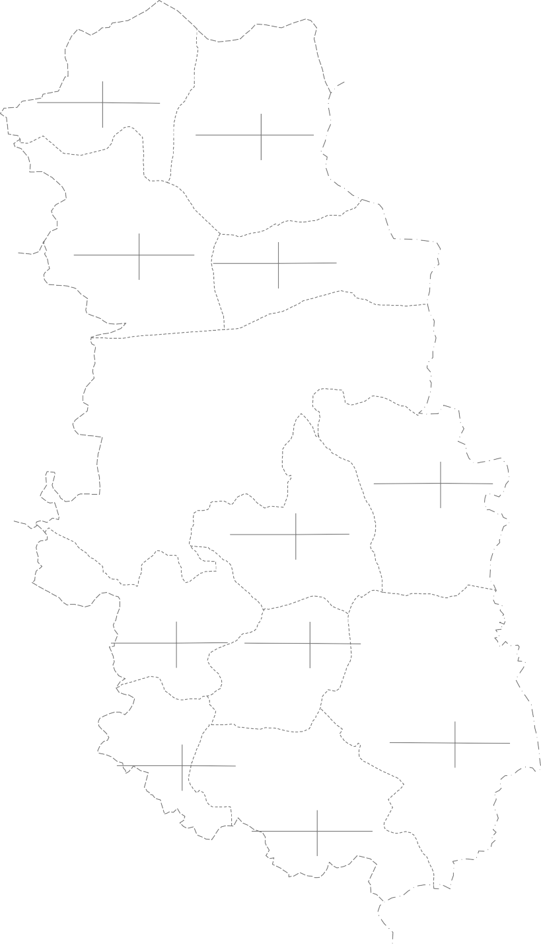 Ground Water Resource (as on March 2009) Map of Bastar District  Keshkal Baderajpur   0 16 32 11406.28 828.35 kilometers 10519.6 7.26 6984.01 1219.49 5705.12 17.46 Pharasgaon  8887.86 1221.34 12712.25 1739.7 Makri  7599.43 13.74 10906.22 13.69 Kondagaon  19804.29 896.13 18763.2 4.52 6291.61 889.78 5301.34 14.14 8152.44 1656.59 6399.26 20.32 Bakawand  Bastar  Lohandiguda  8107.67 315.105 5814.21 1035.14 7766.67 3.89 4738.59 17.8 Jagdalpur   Tokapal  Bastanar  9855.28 1448.84 4920.07 139.72 8775.54 14.7 4763.77 2.84 Darbha  6921.27 276.98 6608.99 4.00 L e g e n d Net Ground water Ground Water Draft availability (ham) (ha.m) Ground Water Resource Stage of Ground water for Further use ( hs.m) Development (%)
00'
30' 9°
00'
30'
81° |  |  | 00' |  |  |  |  |  |  |  | 30' 82° |  |  |  |  |  |  |  |  |  |  |  |  |  |  |  |  |  | 00'

1

block is 13.69%, for Pharasgaon block is 13.74% and for Tokapal block is 17.8 %. The over all stage of ground water development for the district is 10.62 %.The block wise stage of ground water development in the district is depicted in Fig .4. The yield potential and the recommended suitable abstraction structures for the area are shown in Fig.6 . The dug well depth varies from 6 to 15 m and the dia varies form 2.4 to 3.1 m. The bore wells drilled in the area are 60 to 90 m deep with dia varying from 0.10 to 0.15 mm. Diesel or electric operated pumps of 0.50 to 1HP or traditional teda is used to lift the water from dug wells for the irrigation purposes. The electrical pump or rope and bucket are used to lift the water for domestic purpose. Submersible electrical pumps of 3 to 5 HP are used for irrigation purpose in case of bore wells in the area. The bore wells in granitic terrain can irrigate an area of 0.5 to1.5 ha for paddy crops. Ground water is the main sources of drinking water in the district covering 1087 no of villages. In all 1923 no of bore wells and 2460 no of dug wells exist in the district. Together they irrigate around 2942 ha. The contribution of ground water for irrigation comes to nearly 30.67% in the district. The use of ground water in non-command area is maximum. 5. Ground water quality The water samples collected from NHS stations during the month of May 2006 (premonsoon) were analysed to determine the quality of ground water in the district. The analysis shows that the major ions are as per BIS standard and the ground water in the district is suitable for all purposes. The plot of Piper tri linear diagram and US salinity diagram indicates that the ground water in the district is suitable for drinking, irrigation and all other purposes. The EC values are comparatively high(>750) in the central part of the district . The EC values particularly in granitic terrain ran

Fig. - 6
20° | 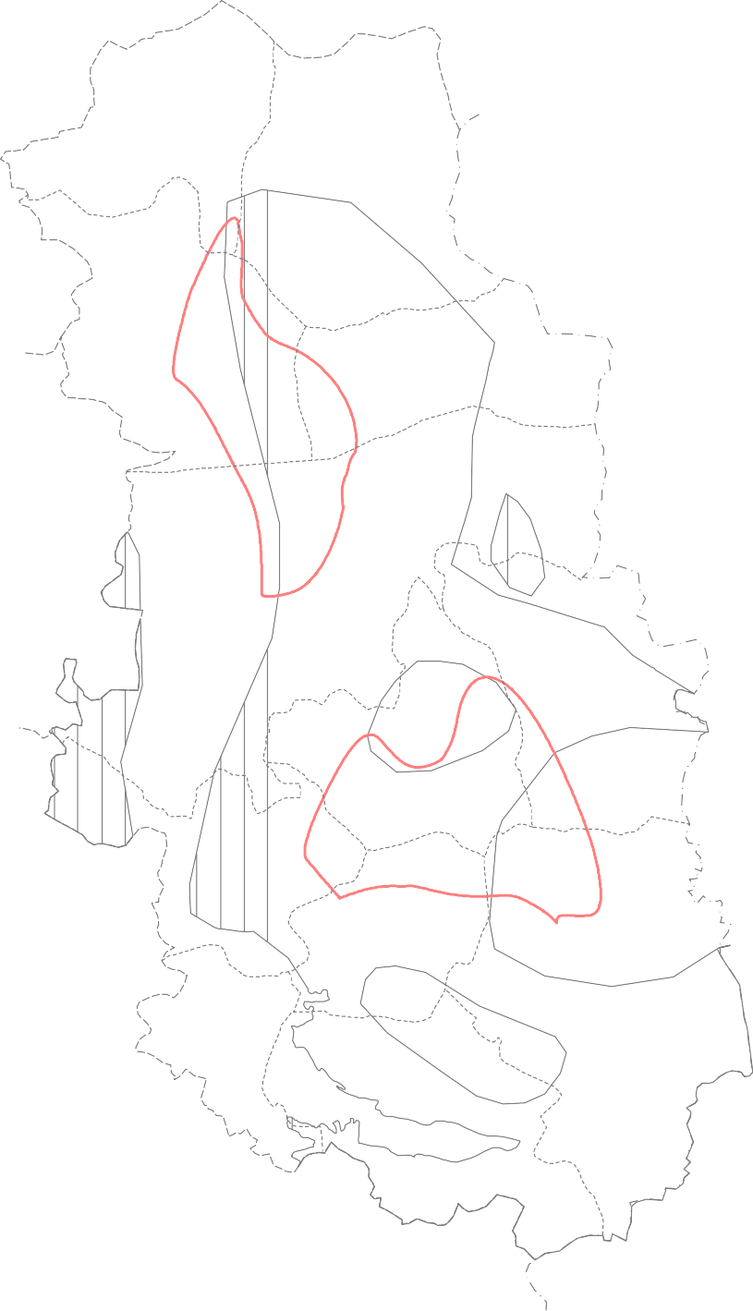 Ground Water Development Potential & Artificial Recharge Prospects in Bastar District  Keshkal Baderajpur   0 16 32 kilometers Pharasgaon  Makri  Kondagaon  Bakawand  Bastar  Lohandiguda  Jagdalpur   L e g e n d Tokapal  Area suitable for Dug well Bastanar  Area suitable for Dug cum bore well Darbha  Area suitable for bore well Area Suitable for Artificial Ground Water Recharge Ground Water Potential ( Yield litre / sec.) 1 - 3 1 - 10 10 - 20
00'
30' 9°
00'
30'
81° |  |  | 00' |  |  |  |  |  |  |  | 30' 82° |  |  |  |  |  |  |  |  |  |  |  |  |  |  |  |  |  | 00'

1

There exists a wide scope for ground water development in the district. The available ground water resources for the district are of the order of 1098.57 mcm and the ground water draft is 116.67 mcm. The stage of ground water development is only 10.62 %. It is estimated that with the available ground water resources, a total of 42,204 no. of dug wells and 45,018 no. of bore wells can be constructed in the district. By adopting suitable developmental strategies, the less developed blocks of Bastanar, Darbha and Lohandiguda can be further developed by way of increased irrigation. 7. Water Conservation and Artificial Recharge The normal annual rainfall for the district is 1386.77 mm. There exist a huge surplus non-committed run off in the district. Rain water harvesting and artificial recharge structures at suitable locations can be constructed to improve the storage capacity of the surface and subsurface reservoirs. 8. Awareness and Training activity: So far two training programs on ground water conservation, and artificial recharge. in 2004-05 and 2005-06 and one mass awareness program in 2004-05,were conducted by the department at Jagdalpur. Representatives from PHED, State Ground Water Survey dept. and Forest department, NGO’s and ground water professionals were trained during these programs.
ACKNOWLEDGEMENT I express my sincere gratitude to Shri K.C.Naik, Regional Director for giving valuable guidance, encouragement and suggestions giving during the preparation of this report. I feel immensely thankful to Shri SKVerma, Sc ‘C’ for providing the National Hydrograph data and valuable suggestions and help during preparation of this report. I am also thankful to Shri J.R.Verma, Sc’B’ for providing historical data of drilling and data of earlier studies carried out by Central Ground Water Board, NCCR,Raipur in the district and for extending help in preparation of various maps. My thanks are also due to all of colleagues for cooperation, efforts and suggestions without which this report would have not been completed.The author is very much thankful to Shri T.S. Chauhan, Senior Draftsman for his help in digitization of the maps. K.B.N.Soni, Assistant Hydrogeologist
Figure - 5 |  |  |  |  |  |  |  |  | 824 |  |  |  | Keshkal |  |  |  |  | 728 |  |  | 802 Baderajpur |  |  |  |  |  |  |  |  |  |  | Hydrogeological map of Bastar district L e g e n d
742 |  |  |  |  |  |  |  |  |  |  | 15  · 790 |  |  |  |  |  |  |  |  | 18 · 705 |  |  |  |  27 · |  |  |  |  |  |  |  |  |  |  |  |  |  |  | Group Formation |  |  |  |  |  |  |  |  |  |  |  |  |  |  |  |  |  | Lithology
694 |  |  |  |  |  |  |  |  |  |  |  |  |  |  |  |  |  698   |  |  |  |  |  |  |  |  |  |  |  |  |  |  |  |  |  |  |  |  |  |  |  |  |  |  |  |  |  |  |  |  | Unconsolidated Formation Machkot Dolomite |  |  |  |  |  |  |  | Laterite Stromatolitic Dolomite

Pharasgaon 26
1  ·   ·    |  |  |  |  |  |  |  |  |  |  |  |  |  |  |  |  |  |  |  |  |  |  |  |  |  |  |  |  |  |  |  | Makri  |  |  |  |  |  |  |  |  | I n d r a v a t i |  |  |  |  |  |  |  |  | Jagdalpur Formation Kanger Formation |  |  |  |  |  |  |  |  | Shale, Lime stone and Pockets of Dolomite Bedded Limestone,micritic Limestone

20 · 21 |  |  |  |  |  |  |  |  |  |  |  |  |  |  |  |  |  |  |  |  |  |  |  |  |  |  |  |  |  |  |  |  |  |  |  |  |  |  |  | g r o u p |  |  |  |  |  |  |  |  |  | Intrusives |  |  |  | Kimberlite
·    |  |  |  |  |  |  |  |  |  |  |  |  |  |  |  |  |  |  |  |  |  |  |  |  |  |  |  |  |  |  |  |  |  |  |  |  |  |  |  |  |  |  |  |  |  |  |  |  |  | Cherakur Formation |  |  |  |  |  |  |  | Sandstone and Siltstone Shale

 Kondagaon  |  |  |  |  |  |  |  |  |  |  |  |  |  |  |  |  |  |  |  |  |  |  |  |  |  |  |  |  2 9625 · |  |  |  |  |  |  |  |  |  |  |  |  |  |  |  |  |  |  |  |  |  | Tirathgarh Formation |  |  |  |  |  |  |  |  | Basal Conglomerate and Ortho quartzite
· 17 |  |  |  |  |  |  |  |  |  |  |  |  |  |  |  |  |  |  |  |  |  |  |    |  |  |  |  |  |  |  |  |  |  |  |  |  |  |  |  |  |  |  |  |  |  |  |  |  |  | Intrusives |  |  |  | Quartz veins / Dolerite Dykes
  
581  |  |  |  |  |  |  |  |  |  |  |  |  |  |  |  |  |  |  |  |  |   11 · 14 · 5918 · |  |  |  |  |  |  |  |  |  |   Ba5k8a0 wand  4 |  |  |  |  |  |  |  |  |  |  |  | A b u j h m a r g r o u p D o n g a r g a r h g r o u p B a i l a d i l a g r o u p B e n g p a l g r o u p |  |  |  |  |  |  |  |         | Maspur trap Gundul Formation Dongargarh Granite Loa Formation Ultramafic |  |  |  |  |  |  |  | Basaltic and Gabbroic Rocks Polymictic conglomerate and sand Stones Granite and Granitic rocks Shale,Sandstone and Conglomerate Granite,Gneiss and meta sediments
             

10 ·  Lohandiguda |  |  |  |  |  |  |  |  |  |  |  |  |  |  |  |  |  |  |  |  |  |  |  |  |  |  |  |  |  | · Bastar  6 |  |  |  |  |  |  |  |  |  |  |  |  |  |  | 450  |  |  |  |  | Triangulation Point Exploratory Well |  |  |  |  | 1500 |  |  |  |  |  |  | Fault Isohyet (mm)
550 600 700 |  |  |  |  |  |  |  |  |  |  |  |  |  |  |  | 22  · 802 |  |  |  |  |  |  |  |  | 3 · Tokapal |  |  |  |  |  |  |  |  | · 579 19 Jagdalpur ·   13 |  |  |  |  |  |  |  |  |  | · 7 National Hydrograph Station  Block Head Quarter District Boundary |  |  |  |  |  |  |  |  |  |  |  | 500 |  |  |  |  | Ground Water Contour (m amsl) Drainage

 ·  Bas8t2a5nar · · 23 |  |  |  |  |  |  |  |  |  |  |  |  |  |  |  |  |  |  |  |  |  |  |  |  |  |  |  |  |  |  |  |  |  |  |  |  |  |  |  |  |  |  |  |  |  | Block Boundary |  |  |  |  |  |  |  |  |  |  |  |  |  |  | Ground Water Flow

 · 16  |  |  |  |  |  |  |  |  |  |  |  |  |  |  |  |  |  |  |  |  |  | 813 |  |  |  |  |  |  | 66525 · |  |  |  |  |  |  |  |  |  |  |  |  |  |  |  |  |  | State Boundary |  |  |  |  |  |  |  |  | Direction Surface Water Divide

848   700  |  |  |  |  |  |  |  |  |  |  |  |  |  |  |  |  |  |  |  |  |  |  |  |  |  |  |  | Darbha  12 ·    |  |  |  |  |  |  |  |  | 575 563 |  |  |  |  | 600 |  |  |  |  |  |  | Ground Water Potential ( Yield litre / sec.)
  |  |  |  |  |  |  |  |  |  |  |  |  |  |  |  |  |  |  |  |  |  |  |  |  |  |  |  |  |  |  | 859   |  |  |  |  |  |  |  |  |  |  |  |  |  |  |  |  | 1 - 3 |  |  |  |  | 1 - 10 |  |  |  |  |  | 10 - 20
❑     
700    700
❑

