Table 1
For official use GOVERNMENT OF INDIA MINISTY OF WATER RESOURCES CENTRAL GROUND WATER BOARD
GROUND WATER BROCHURE OF DHAMTARI DISTRICT, CHHATTISGARH 2012-2013
Regional Director North Central Chhattisgarh Region, Reena Apartment, IInd Floor, NH-43, Pachpedi Naka, Raipur-492001 (C.G.) Ph. No. 0771-2413903, 2413689 E-mail: rdnccr- cgwb@nic.in
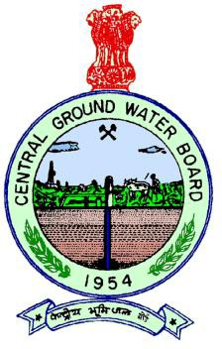
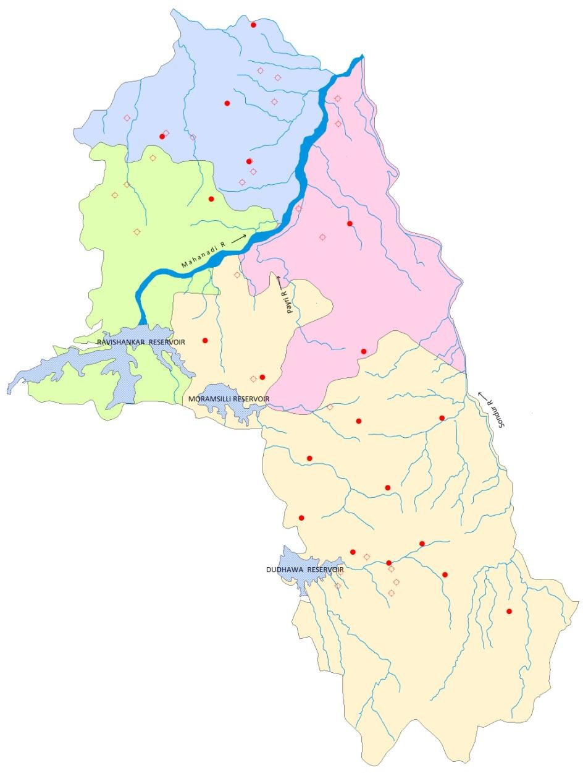
GROUND WATER BROCHURE OF DHAMTARI DISTRICT DISTRICT AT A GLANCE
1 |  |  | GENERAL INFORMATION
 |  |  | i) Geographical area (Sq. km) |  |  |  |  |  |  |  |  |  |  |  |  |  |  |  |  |  |  | 4082
 |  |  | ii) Administrative Divisions a) Number of Block b) Number of Villages |  |  |  |  |  |  |  |  |  |  |  |  |  |  |  |  |  |  | 05 no.s 554 no.s
 |  |  | iii) Population 2011 Census (provisional) |  |  |  |  |  |  |  |  |  |  |  |  |  |  |  |  |  |  | 799199
 |  |  | iv) Normal Annual Rainfall (IMD) |  |  |  |  |  |  |  |  |  |  |  |  |  |  |  |  |  |  | 1302 mm
 |  |  | v) Annual Rainfall (IMD, 2011) |  |  |  |  |  |  |  |  |  |  |  |  |  |  |  |  |  |  | 1061 mm
2 |  |  | GEOMORPHOLOGY
 |  |  | i) Major Physiographic Units |  |  |  |  |  |  |  |  |  |  |  |  |  |  |  |  |  |  | Central Chhattisharh Plain and Part of Bastar Plateau
 |  |  | ii) River Basin and Major Drainages |  |  |  |  |  |  |  |  |  |  |  |  |  |  |  |  |  |  | Mahanadi, Sondhur, Pairi and Kharun rivers
3 |  |  | LAND USE (Sq. km)
 |  |  | i) Forest Area |  |  |  |  |  |  |  |  |  |  |  |  |  |  |  |  |  |  | 2126
 |  |  | ii) Net Area Sown |  |  |  |  |  |  |  |  |  |  |  |  |  |  |  |  |  |  | 1342
4 |  |  | MAJOR SOIL TYPES |  |  |  |  |  |  |  |  |  |  |  |  |  |  |  |  |  |  | Red gravelly, red sandy and red loamy (Alfisols), Dark grey black soil (Vertisols), Lateritic soil, Red and yellow soil (Ultisols)
5 |  |  | AREA UNDER PRINCIPAL CROPS, in Sq. km (As on 2012) |  |  |  |  |  |  |  |  |  |  |  |  |  |  |  |  |  |  | Rice: 1262 Pulses: 36.83 Wheat: 10.62
6. IRRIGATION (GRO (Areas in Ha and N |  |  |  |  |  |  |  |  |  |  |  |  | SS) BY DIFFERENT SOURCES (2012) umbers of Structures)

7. NUMBERS OF GR 31.3.2012) |  |  |  |  |  |  |  |  |  |  |  |  | OUND WATER MONITORING WELLS OF CGWB (As on
i) No of Dugwells |  |  |  |  |  |  |  |  |  |  |  |  | 19
ii) No of Piezometer |  |  |  |  |  |  |  |  |  |  |  |  | s 11
8. PREDOMINANT G Archaeans: Proterozoics: |  |  |  |  |  |  |  |  |  |  |  |  | EOLOGICAL FORMATIONS Dongargarh group (Granite and Granitic rocks) Arenaceous, calcarious & argillaceous rocks of Raipur Group, Chhattisgarh Super Group
9. HYDROGEOLOGY
i) Major Water Bear |  |  |  |  |  |  |  |  |  |  |  |  | ing Formation Weathered & fractured granite, Fractured shale and sandstones, Cavernous Limestone
ii) Pre-monsoon De During 2012 (mbgl) |  |  |  |  |  |  |  |  |  |  |  |  | pth to Water Level 1.72 to 10.92, Avg.: 6.84
iii) Post-monsoon D During 2012 (mbgl) |  |  |  |  |  |  |  |  |  |  |  |  | epth to Water Level 0.71 to 5.29, Avg.: 2.78
10. GROUND WATER |  |  |  |  |  |  |  |  |  |  |  |  | EXPLORATION BY CGWB (As on 31.3.2012)
i) No of Wells Drille |  |  |  |  |  |  |  |  |  |  |  |  | d EW: 64, OW: 17, PZ: 11 Total: 92
ii) Depth Range (m) |  |  |  |  |  |  |  |  |  |  |  |  | 17 to 300
iii) Discharge (litres |  |  |  |  |  |  |  |  |  |  |  |  | per second) 0.1 to 16
i) Dug wells |  |  |  |  |  |  |  |  |  |  |  |  |  |  |  |  | 350/ 1189
ii) Tube wells/Bore wells |  |  |  |  |  |  |  |  |  |  |  |  |  |  |  |  | 37046/ 15972
iii) Canals |  |  |  |  |  |  |  |  |  |  |  |  |  |  |  |  | 94398/ 11
iv) Ponds |  |  |  |  |  |  |  |  |  |  |  |  |  |  |  |  | 236/22
v) Other sources |  |  |  |  |  |  |  |  |  |  |  |  |  |  |  |  | 3034
vi) Net Irrigated Area |  |  |  |  |  |  |  |  |  |  |  |  |  |  |  |  | 104656
vii) Gross Irrigated Area |  |  |  |  |  |  |  |  |  |  |  |  |  |  |  |  | 135064
 |  |  | iv) Transmissivity (m2/day) |  |  |  |  |  |  |  |  |  |  |  |  |  |  |  |  |  |  |  | 2.51 to 335.96
11 |  |  | GROUND WATER QUALITY
 |  |  | Type of Water |  |  |  |  |  |  |  |  |  |  |  |  |  |  |  |  |  |  |  | Water is potable and fit for irrigation purpose.
12 |  |  | DYNAMIC GROUND WATER RESOURCES (As on March 2009)- in ham
 |  |  | i) Annual Available Ground Water Resources |  |  |  |  |  |  |  |  |  |  |  |  |  |  |  |  |  |  |  | 36969.73
 |  |  | ii) Grass Annual Ground Water Draft |  |  |  |  |  |  |  |  |  |  |  |  |  |  |  |  |  |  |  | 24915.31
 |  |  | iii) Stage of Ground Water Development (%) |  |  |  |  |  |  |  |  |  |  |  |  |  |  |  |  |  |  |  | 67.39
 |  |  | iv) Available Ground Water Resources for future use |  |  |  |  |  |  |  |  |  |  |  |  |  |  |  |  |  |  |  | 9253.8
13 |  |  | AWARENESS AND TRAINING ACTIVITY
Mass Awareness Programmes Organised i) Year 2006-07, Place: Dhamtari ii) Year 2008-09, Place: Dhamtari iii) Year 2010-11, Place: Dhamtari
Water Management Training Programmes Organised i) Year 2007-08, Place: Dhamtari
14 |  |  | EFFORTS OF ARTIFICIAL RECHARGE & RAIN WATER HARVESTING
 |  |  | i) Projects Completed by CGWB (No & Amount spent) |  |  |  |  |  |  |  |  |  |  |  |  |  |  |  |  |  |  |  | Nil
15 |  |  | GROUND WATER CONTROL AND REGULATION
 |  |  | i) Number of Over Exploited Blocks (Stage of Development > 100%) |  |  |  |  |  |  |  |  |  |  |  |  |  |  |  |  |  |  |  | Nil
 |  |  | ii) Number of Critical Blocks (Stage of Development > 90%) |  |  |  |  |  |  |  |  |  |  |  |  |  |  |  |  |  |  |  | Nil
 |  |  | iii) Number of Blocks Notified |  |  |  |  |  |  |  |  |  |  |  |  |  |  |  |  |  |  |  | Nil
16 |  |  | MAJOR GROUND WATER PROBLEMS AND ISSUES: Nil
1.0INTRODUCTION Dhamtari district is situated in the fertile plains of Chhattisgarh Region. It is located in the southern part of the Chhattisgarh state and is bounded by East longitudes 81°24’43” & 82°10’29” and by North latitudes 20°02’45” & 21°01’33” falling in the Survey of India topo-sheets nos 64G, 64H and 64L. It covers an area of 4082 sq.km. Dhamtari town is the district headquarters of the district. The District is surrounded by District Raipur in North & East, District Durg in North-West, Kanker as well as Bastar in South-West and part of Odisha state in the South (Fig-1). For the convenience of administration, the district is divided into 3 no. of tehsils, 4 no. of Community Development blocks and 554 no. of revenue villages. The block head quarters are Dhamtari, Kurud, Magarlod and Nagri. The district is known mainly for its rice production and forest produce. The district is well connected by all weathered roads.
The Dhamtari town which is the district headquarters, is covered by Municipal Corporation. According to the 2001 census the total population of the district is 706591, out of which rural population is 613007 (86.75%) and remaining is urban population of 93584 (13.25 %). As per 2011 provisional census figure, the population of the district is 799199. The decadal growth of population is 13.10%. Mahanadi is the principal river of this district. Its tributaries are Pairy, Sondur and Kharun rivers. The fertility of lands of Dhamtari district can be attributed to the presence of these rivers. Mahanadi originating in the hills of Sihava flows in the direction of north east throughout its length in the district. River Kharun forms part of western boundary of Dhamtari district with Durg district. The tributaries for Sondhur are Sita Nala, Kajal Nala, Bindra Nala and Sukha Nala whereas Sefari, Ama Nala, Pawai and Bagbura Nala directly join with River Mahanadi. The drainage pattern is typically dendritic and is controlled by initial slope. The drainage density is very high in the hilly areas of south and southeast indicating that the infiltration is low. A major irrigation project, named Mahanadi Reservoir Complex Project is constructed on River Mahanadi, 10 kms away from the district headquarter, Dhamtari. The main reservoir, named as Ravishankar Sagar, is spread over an area of 86.52 sq.kms and the gross catchment area of the reservoir is 3700 sq.kms. The live storage capacity of the reservoir is 905 mcm and it caters the irrigation requirement of the district. A well distributed canal network is spread in Dhamtari, Kurud and parts of Magarlod blocks of the district. The major source of irrigation in the district is through canals. Ravishankar Sagar dam irrigates almost 57000 Hectare of land and also acts as a main supply unit of safe drinking water resource for state capital Raipur as well as supply to Bhilai Steel
Fig. 1: Index Map of Dhamtari District
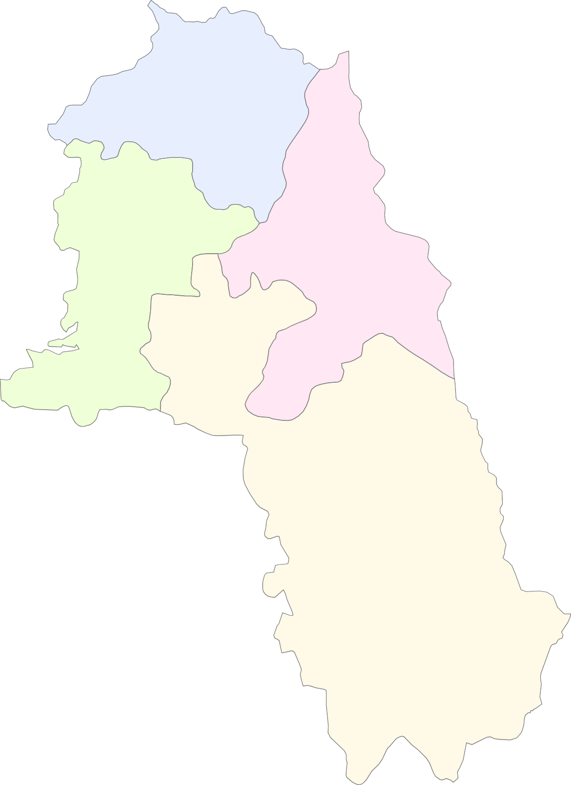 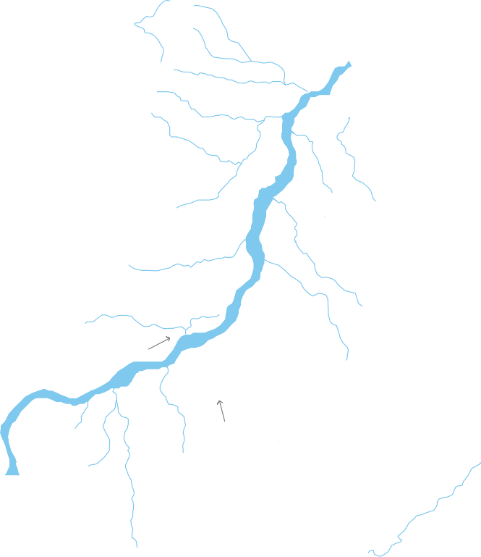 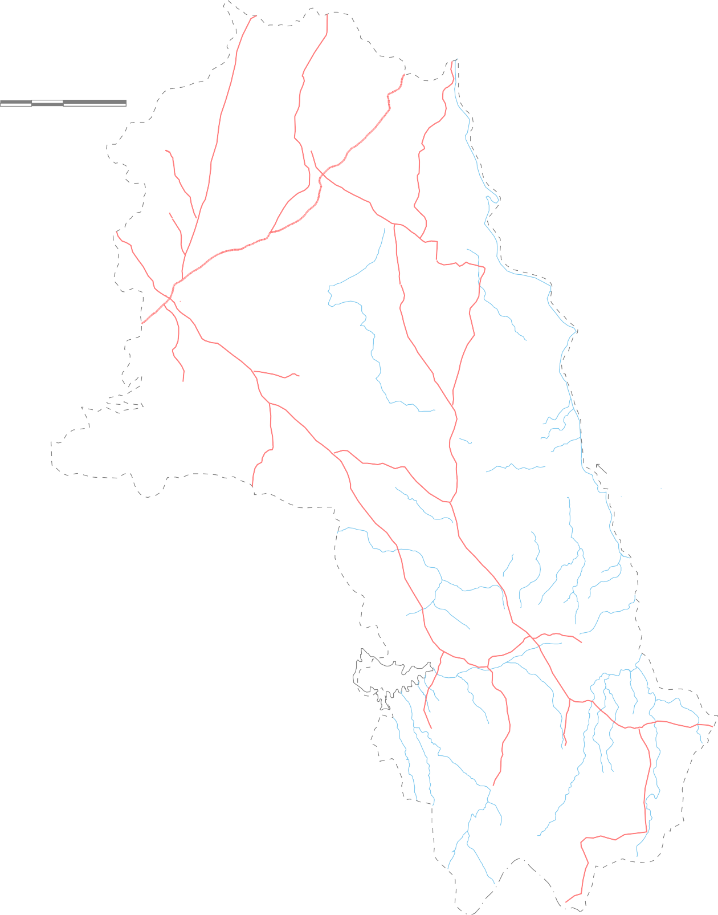 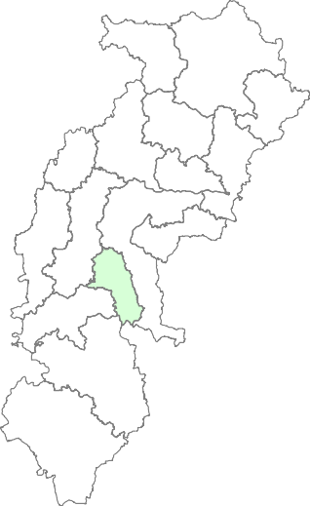 L E G E N D   State Boundary District Boundary   Block Boundary 0 7.5 15 kilometres    District Headquarters   Block Headquarters     National Hydrograph Station    Exploratory Well  Kurud    Road   River    Magarlod  Water Body Dhamtari  RAVISHANKAR RESERVOIR    MORAMSILLI RESERVOIR     

C H H A T T I S G A R H |  |  |  |  |  |  |  |  |  |  |  |  |  |  Nagri    DUDHAWA RESERVOIR       ODISHA STATE
Around 212554 hectares (52.07%) of the total area is covered by forest. The rest of the land is very fertile and is mostly used for the agriculture purposes with surface irrigation facilities. The net area sown during the year 2012 is around 33% of the total geographical area. Paddy is the main crop (126200 ha) followed by wheat (1062 ha) and then by pulses (3683 ha). The net sown area in the district in the year 2012 is 134175 hectares. By all the sources the net irrigated area is 104656 ha & gross irrigated area is 135064 ha. The contribution of ground water for irrigation comes to nearly 16.45% of the net irrigated area and 27.68% of the gross irrigated area in the district. 1.0 RAINFALL AND CLIMATE Dhamtari is endowed with high rainfall. Areas of chronic shortfall are few and localized. The district receives its rainfall mainly from the south-west monsoon which usually sets in the third/fourth week of June and spread over a period from late June to early October with heaviest shower in the months of July and August. The annual average (2004-11) rainfall in the district is 1084mm with 55-65 rainy days and the rainfall is 1061 mm in the year 2011. Dhamtari district has a sub-tropical wet and dry climate; temperatures remain moderate throughout the year, except from March to June, which can be extremely hot. The highest temperature goes up to 46oC and observed in the months of May and June. Winters last from November to January and are mild and the lowest falls up to 10 °C and observed in the months of December and January. The relative humidity varies from 86 % in rainy season to 30-35 % during winter. 2.0 GEOMORPHOLOGY & SOIL TYPES Geomorphologically the district is having matured type of land forms and can be broadly divided into two prominent geomorphic units. These are 1. Chhattisgarh plains in the northern part of the district. 2. Bastar plateau in the southern part of the district. The northern part of

As per the US soil taxonomy three soil types namely Alfisols, Vertisol and Ultisol have been found in the district. The soil orders in US soil taxonomy and their Indian equivalents, which are found in the district, are:
Sl. No. |  |  |  |  |  | US soil taxonomy |  |  |  |  |  |  | Indian equivalents
1 |  |  |  |  |  | Vertisol |  |  |  |  |  |  | Deep black soil
 |  |  |  |  |  |  |  |  |  |  |  |  | Light to dark grey soil
2 |  |  |  |  |  | Ultisol |  |  |  |  |  |  | Lateritic soil
 |  |  |  |  |  |  |  |  |  |  |  |  | Red and yellow soil
3 |  |  |  |  |  | Alfisols |  |  |  |  |  |  | Yellowish to reddish
Vertisols: They are characterised by a high content of expanding and shrinking clay known as montmorillonite that forms deep cracks in certain seasons. The indian equivalent of Vertisols which are available in the district are deep and medium black & light to dark grey soils. These soils cover maximum parts of Dhamtari and Kurud blocks. These soils are produced through long continued weathering and disintegration of limestone and shales and due to its moderate moisture retention capacity and fertility, suitable for taking double crops. Ultisols: The word "Ultisol" is derived from "ultimate", because Ultisols were seen as the ultimate product of continuous weathering of minerals in a humid temperate climate. This is a highly weathered and leached acid soil with high levels of clay below the top layer. They are characterized by a humus-rich surface horizon (the uppermost layer) and by a layer of clay that has migrated below the surface horizon. The indian equivalent of Ultisols which are available in the district are Lateritic soil and covers mostly northeastern & northwestern parts of the district. Alfisols About 54% of the district area, mostly in central and southern parts, is covered by yellowish to reddish Alfisols, locally known as 'Dorsa'. These soils are derived from weathering of crystallines and metamorphic rocks. 3.0 GEOLOGY & HYDROGEOLOGY The district is underlain mainly by three distinct geological formations ranging in age from Achaean to recent. The crystalline basement, occupy major parts of the

district, comprising of granite and granitic rocks belonging to Dongargarh group, severally intruded by the quartz veins and basic dykes. The rocks of Chhattisgarh Super group are unconformably overlying the basement crystalline and are represented by the sandstone, limestone and shale sequence occupying the north central and central part of the district. A thin layer of alluvium / laterite belonging to the Quaternary age occur along the flood planes of major rivers and its tributaries. The ground water mainly occurs in phreatic (water table) conditions and at places under semi-confined conditions. In granites the weathered thickness varies from 18 to 40 m. and the weathered and fractured formation constitutes the aquifers. Invariably the fractures are limited to a depth of 18 to 170 m. In sedimentary formations the weathered thickness varies from 9 to 33 meters where as the fractured and cavernous formation constitute the aquifers. Invariably the fractures/caverns are limited to a depth of 102-106 m. The hydrogeological map prepared for the district is presented in Fig.5. There are 30 no. of permanent observation wells (National Hydrograph Network Stations); out of which 19 nos are dug wells and 11 no.s are piezometers. These are established in the district to monitor the water levels four times a year and water quality once in a year. The pre-monsoon ground water level in the district (Fig 2) varies from 1.72 to 10.92 mbgl with an average value of 6.84 mbgl and the post- monsoon water level (Fig 3) varies from 0.71 to 5.29 mbgl with an average of 2.78 mbgl. The water level trend (for 10 years) for pre-monsoon and post-monsoon period have been analyzed and show significant change. The long term water level trend in pre-monsoon period shows significant fall (0.10 to 0.20m/year) in 6.6% of the wells

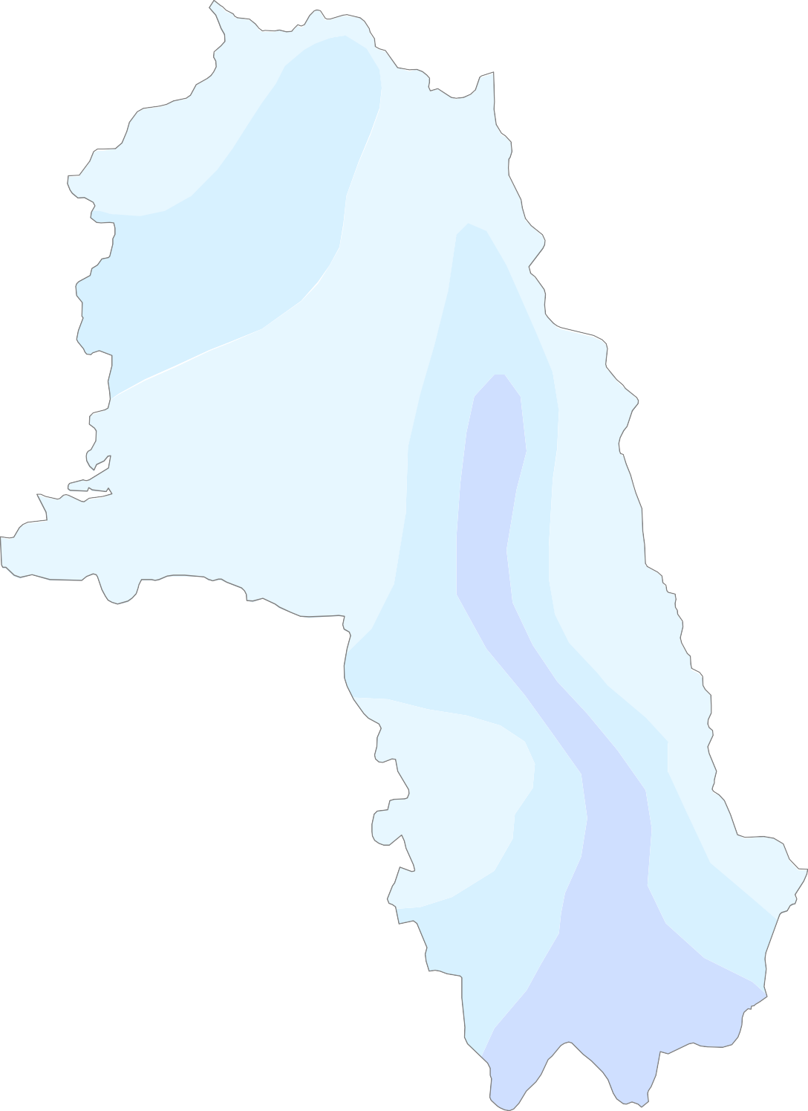

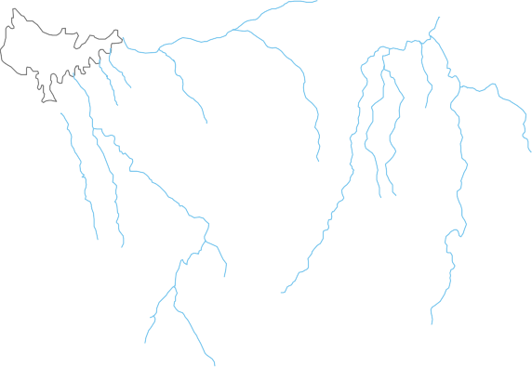
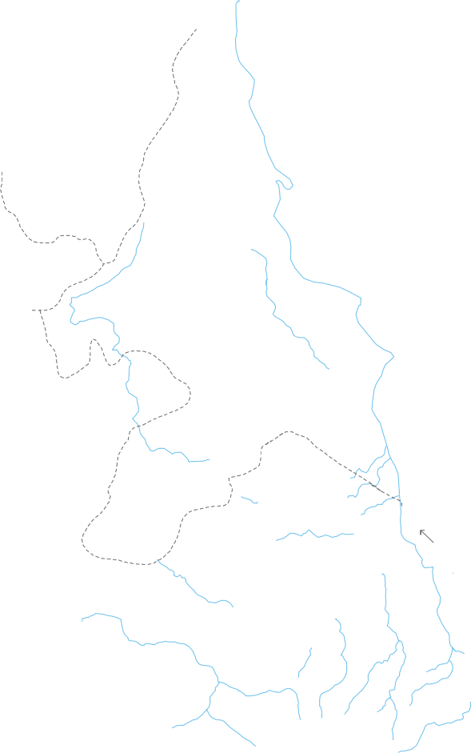
Fig. 2: Pre-monsoon (May 2012) Depth to Water Level in Dhamtari District
 | 0 7.5 |  |  |  |  |  |  1 | Kondapar 5
 | kilom DTW |  |  |  |  |  | etres L E G (m bgl) < 5 5 t > 1 Blo Dis Blo Na Riv Wa |  Marod Kosmarra  Kurud  Chhati  Magarlod Dhamtari RAVISHANKAR RESERVOIR Banraud Singhpur Keregaon MORAMSILLI RESERVOIR  Dugli Jabarra Gattasilli E N D  Dorgardula
 |  |  |    |  |  |  |  | Banspani o 10 Nagri 0 Birgudi Sihawa DUDHAWA RESERVOIR ck Boundary Sankra trict Headquarters  Arsi-kanhar ck Headquarters tional Hydrograph Satation er ter Body ODISHA STATE
Fig. 3: Post-monsoon (Nov 2012) Depth to Water Level in Dhamtari District
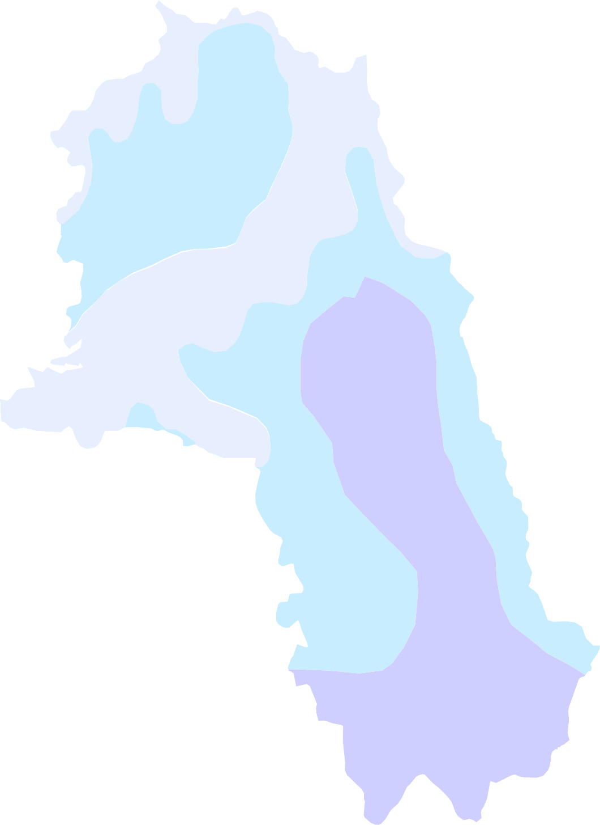 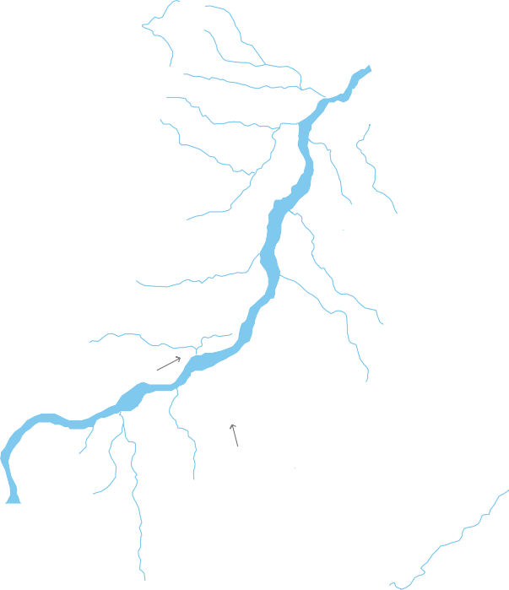 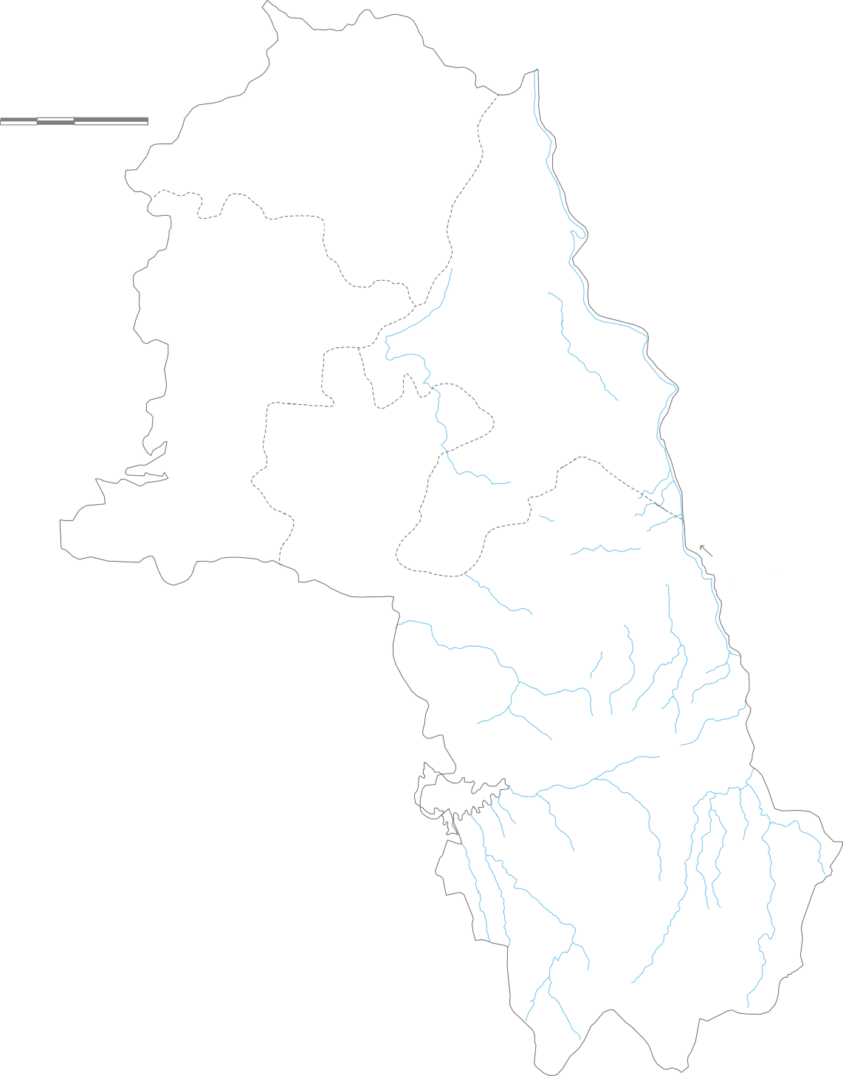 0 |  | kilo DTW    |  |  |  Kondapar 7.5 15 metres Marod Kosmarra  Kurud  Chhati  Magarlod Dhamtari RAVISHANKAR RESERVOIR Banraud Singhpur Keregaon MORAMSILLI RESERVOIR Dugli Jabarra Gattasilli  Dorgardula L E G E N D Banspani (m bgl) Nagri Birgudi < 2 Sihawa DUDHAWA RESERVOIR Sankra 2 to 5 5 to 8 Arsi-kanhar Block Boundary District Headquarters Block Headquarters National Hydrograph Satation River Water Body ODISHA STATE

4.0 GROUND WATER RESOURCES Estimation of Ground Water Resources has been carried out based on the methodology recommended by the Groundwater Estimation Committee (GEC’97). A ground water resource of the entire state has been computed by CGWB (CGWB, NCCR, 2010) for the year 2008-2009. Salient features of the estimation of ground water resources are described below. The present computations pertain to the ground water year 2008-09. The resources have been computed block wise. Areas having slope more than 20 % were excluded from recharge computations. Ground water recharge and draft were computed separately for command and non- command areas. Annual replenishable resource and net ground water availability of the district have been estimated to be 38915 ha m and 36969 ham respectively. Gross ground water draft for all uses in the district is 24915 ham. Average stage of ground water development in the district is 67.39%. Stages of development in the blocks vary from 49.92% in Magarlod to 80.51% in Nagri block. Three out of 4 blocks in the district have been categorised as ‘semi-critical’. These are Dhamtari, Kurud and Nagari block. The remaining Magarlod block has been categorised as ‘safe’. The stage of ground water development is 80.51% in Nagari, 75.76% in Dhamtari and 73.07% in Kurud block. 5.0 STATUS OF GROUND WATER DEVELOPMENT Average stage of ground water development in the district is 67.39%. Stages of development in the blocks vary from 49.92% in Magarlod to 80.51% in Nagari block. Three out of 4 blocks in the district have been categorised as ‘semi-critical’. These are Dhamtari, Kurud and Nagari block. The remaining Magarlod block has been categorised as ‘safe’. The stage of ground water development is 80.51% in Nagari, 75.76% in .Dhamtari and 73.07% in Kurud block. Potential deeper aquifers exist in the district. Central Ground Water Board has drilled 29

Fig. 4: Ground Water Resource Map of Dhamtari District
0 |  7.5 1 |  |  |  |  |  |  | Kurud 5
 | kilometres |  |  |  |  |  |  | L E G Water Ham) Water Ham) |  | 9577 7256 Dhamt E N D Groun Availa Future Stage Groun Develo |  | 1957 75.76 ari d Water bility for Use (H of d Water pment |  |  | a ( | 10 7 m) %) |  | 060 351 |  | 2588 73.07 | Maga |  |  | rlod 11919 5950 Nagri OD |  | 5874 49.92 5413 4358 HA ST | 909 80.51 ATE
 |  |  | Ground Availability ( Ground Draft (

IS
Ground water is the main source of drinking in the district covering 554 no. of revenue villages. In all 15972 no. of tube wells and 1189 no. of dug wells exist in the district (2011-12). Together they irrigate around 37396 ha. The contribution of ground water for irrigation comes to nearly 16.45% of the net irrigated area and 27.68% of the gross irrigated area in the district. The contribution of ground water for irrigation comes to nearly 27.87% of the net sown area. The use of ground water for irrigation purpose in non-command area is maximum. The ground water development in the district is mainly for domestic and irrigation purposes. The stage of ground water development in the district is of the order of 67.39%. The ground water development is maximum in Nagari block. The gross and net irrigated area by the ground water resources is 37396 ha and 17216 ha respectively. The stage of ground water development of blocks of Dhamtari district in different assessment years is given in following figure.
1990 1998 2001 2004 2009
90 80 70 60 50 40 30 20 10 0 Dhamtari Kurud Magarlod Nagri Dhamtari District
7.0 GROUND WATER QUALITY The ground water quality of the samples collected from the National Hydrograph Network Stations (NHNS) has been taken into consideration for assessing the general quality of ground water in the phreatic zone. The average concentration of different parameters analysed for samples collected during the month of May from the year 2000 to 2008 from the NHNS were taken into consideration for the purpose. No quality problem was reported from the district. All the analysed parameters, in all stations fall well within safe limits for drinking as well as irrigation purpose as prescribed by the BIS. The pH value ranges from 6.7 to 8.6 and is within the prescribed limit by BIS. The Electrical Conductivity (EC) value ranges from 66 to 1430 micro siemens/cm (Fig. 5). All of the samples have EC value well within the range. The northern part of the district has marginally higher value of EC. The Cl- varies from 4 mg/l to 220mg/l. The Ca+2 values vary from 8 mg/l to 126 mg/l and Mg+2 values vary from 2.45 mg/l to 50 mg/l. Almost all the values of the analysed parameters fall under the safe category for both drinking and irrigation purpose. The
overall composition of ground water indicates that it is moderately alkaline and predominantly CaHC03 type (Calcium bicarbonate type). 8.0 GROUND WATER MANAGEMENT STRATEGY The ground water in the district is developed mainly for irrigation and domestic needs. The agricultural sector is consuming most of the ground water and since 94% of the net sown area is under paddy, ground water is being used at present mainly to grow paddy. Paddy needs flood irrigation with high crop water requirement. Change in cropping pattern in the district and further efficient use of ground water resource can enhance the productivity as well as area of irrigation. One out of four blocks in the district have been categorised as ‘semi-critical’. i.e Dhamtari blocks. The remaining Kurud ,Nagari and Magarlod block has been categorised as ‘safe’. Dhamtari blocks require a proper management of surface and ground water resources. The alluvium covered hard rock areas of the district need suitable techniques to construct ground water abstraction structures so as to increase the yield and sustainability of the structures. 9.0 GROUND WATER RELATED ISSUES & PROBLEMS Ground water level in the district was monitored in both dug wells and piezometers. As can be seen from the depth to water level map during pre-monsoon period, the water level is found to be deepest in southern parts of the district in and around Sankra. Similarly during post-monsoon period deeper water level is observed in south-eastern & southern parts of the district in and around Singhpur, Jabbara, Birgudi, Sihawa, sankra and Arsi-kanhar area. The deeper water level is occurring in areas where the ground water is being exploited heavily by construction of bore wells for irrigation purpose. Such irrigation bore wells are found in large numbers in the northern and south eastern parts of the district. 10.0 WATER CONSERVATION & ARTIFICIAL RECHARGE Long term water level trend

Fig. 6: Ground Water Development Potential and Artificial Recharge Prospects in Dhamtari District
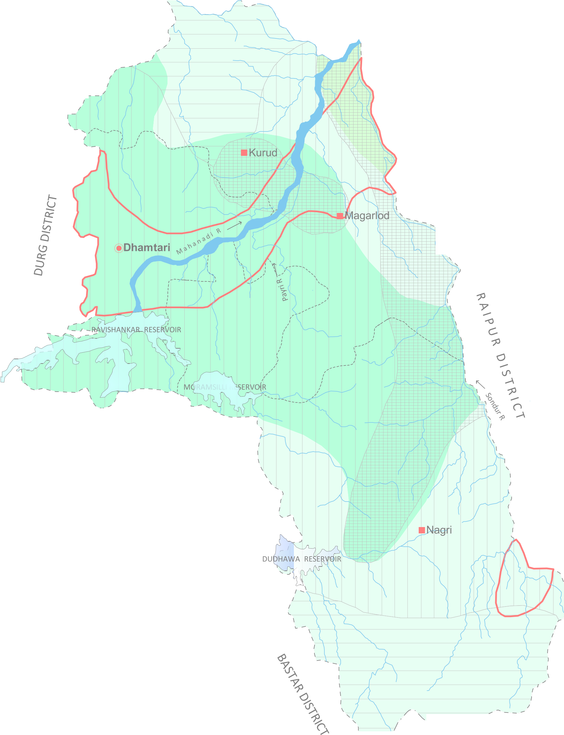 0 7.5 15 kilometres ·, ,z,, ,f--<.<',1> L E G E N D 6<r,r; -1>/(' § Area suitable for dug well (upto 20 m) l' [IJ Area suitable for shallow bore well (upto 60 m) m Area suitable for deeper bore well (upto 150 m) D Area prioritised for artificial recharge @ District Headquarters ' ■ Block Headquarters River Water Body Ground Water Potential Yield (litres/sec) "-; - - ,' 1 - 3 1 - 5 1 - 8 :- - / ,- . -,.i ' · -../ ODISHA STATE

6 to 9 m below ground level. A total 2049 mcm volume of unsaturated zone was estimated to be available for recharge. The suitable artificial recharge structures in the area are gully plugs, gabion structures, percolation tanks, nala bunds in the runoff zones and recharge shafts, gravity head wells in downstream areas. There are two Urban Areas in Dhamtari district, where the roof top rain water harvesting can be adopted for augmenting the ground water resources (Fig. 6). 11.0 AWARENESS & TRAINING ACTIVITY 11.1 Mass Awareness Progremme (MAP) & Water Management Training Programme (WMTP) by CGWB So far only one training programs on ground water conservation and artificial recharge has been organized during 2007-08,by Central Ground Water board at district Head Quarter, Dhamtari. Representatives from PHED, State Ground Water Survey dept. and Forest department, NGO's and ground water professionals were trained during this program . Three mass awareness programme and one water management training programmes were conducted in the district. The details of the programmes are as follows.
Sl. No. |  |  |  | Year |  |  |  |  |  |  | Programme |  |  |  |  |  |  |  | Venue
1 |  |  |  | 2007-08 |  |  |  |  |  |  | WMTP |  |  |  |  |  |  |  | Dhamtari
2 |  |  |  | 2006-07 |  |  |  |  |  |  | MAP |  |  |  |  |  |  |  | Raipur
3 |  |  |  | 2008-09 |  |  |  |  |  |  | MAP |  |  |  |  |  |  |  | Raipur
4 |  |  |  | 2010-11 |  |  |  |  |  |  | MAP |  |  |  |  |  |  |  | Raipur
12.0 AREAS NOTIFIED BY CGWA/SGWA Three of the blocks in the district are categorized as semi-critical from ground water abstraction point of view and none of these blocks of the district has been notified by the CGWA/SGWA for regulation of ground water.
REFERENCE: 1. Ingle V. K.; CGWB, NCCR, Raipur; Ground Water Brochure of Dhamtari District (2008-09); Unpublished Report. 2. CGWB, NCCR, Raipur; Dynamic Ground Water Resource of Chhattisgarh (As on March 2009); Unpublished Report. 3. CGWB, NCCR, Raipur; Dynamic Ground Water Resource of Chhattisgarh (As on March 2004); Unpublished Report. 4. CGWB, NCCR, Raipur; Hydroheology of Chhattisgarh-State Report, 2006; Unpublished Report. 5. CGWB, NCCR, Raipur; Ground Water Exploration of Chhattisgarh-State Report, 2011; Unpublished Report. 6. CGWB, NCCR, Raipur; Master Plan for Artificial Recharge in Chhattsigarh State, 2010, Unpublished Report. 7. Commissioner, Land Records, Chhattisgarh; Agriculture Statistical Tables, 2012, Unpublished Report. 8. http://www.imd.gov.in/section/hydro/distrainfall/chhattisgarh.html ACKNOWLEDGEMENT
The author is grateful to Shri Sushil Gupta , Chairman, Central Ground Water Board for giving this opportunity for preparation of the 'Ground Water Brochure of Dhamtari district, Chhattisgarh’. The author is thankful to Shri K. C. Naik, Regional Director, Central Ground Water Board, NCCR, Raipur for his guidance and constant encouragement for the preparation of this brochure. The author is also thankful to Shri S. K. Verma, Sr. Hydrogeologist (Scientist 'C') for his valuable comments and guidance. The help rendered by Shri V K Ingle Scientist 'B’, (RGNGWT&RI, Raipur) in preparing the brochure is duly acknowledged. The author is also thankful to Shri B. K. Sahoo, Sr. Hydrogeologist (Scientist 'C ‘, RGNGWT&RI, Raipur) for his valuable guidance and help in preparation of the brochure. Mausumi Sahoo Scientist ‘B’
Fig. 5: Hydrogeological Map of Dhamtari District   |  |  |  |  |  |  |  |  |  |  |  |  |  |  |  |  |  |  |  |  |  |  |  |  |  |  |  |  |  |  | L E G E N D State Boundary District Boundary
  0 7.5 15  |  |  |  |  |  |  |  |  |  |  |  |  |  |  |  |  |  |  |  |  |  |  |  |  |  |  |  |  |  |  |  |  |  | Block Boundary District Headquarters 
kilometres 750 |  |  |  |  |  |  |  |  |  |  |  |  |  |  | 300       |  |  |  |  |  |  |  |  |  |  |  |  |  |  |  |  | Block Headquarters  National Hydrograph Station  Exploratory Well 
 325   |  |  |  |  |  |  |  |  |  |  |  |  |  |  |  |  |  |  |  |  |  |  |  Kurud     |  |  |  |  |  |  | 300 |  |  |  |  |  |  | Ground Water Potential Yield (litres/sec) 1 - 3 1 - 5 > 5
  Magarlod  |  |  |  |  |  |  |  |  |  |  |  |  |  |  |  |  |  |  |  |  |  |  |  |  |  |  |  |  |  |  |  |  |  |  | 325
Dhamtari 
RAVISHANKAR RESERVOIR  |  |  |  |  |  |  |  |  |  |  |  |  |  |  |  |  |  |  |  |  |  |  |  |  |  |  |  |  |  350
  375
MORAMSILLI RESERVOIR   

400 
L E G E N D Gunderdehi Formation (Shale) Charmuria Formation (Limestone and Shale) Chandrapur Group (Ortho-Quartzite & Basal Conglomerate) Dongargarh Granite (Granite & Granitic Rocks) |  |  |  |  |  |  |  |  |  |  |  |  |  |  |  |  |  |  |  |  |  |  |  |  |  |  |  |  Nagri    DUDHAWA RESERVOIR      |  |  |  |  |  |  |  | 425 450 
Water Body
1200 250 500 |  |  |  |  |  |  |  |  | River Isohyete (mm) Ground Water Contour (m amsl) Electrical Conductivity (micro siemens/cm) Surface Water Divide Ground Water Flow Direction |  |  |  |  |  |  |  |  |  |  |  |  |  |  |  |  |  |  |  |  |  |  |  | ODISHA STATE
Fig. 6: Ground Water Development Potential and Artificial Recharge Prospects in Dhamtari District 

0 7.5 15 kilometres

 Ku ari ERVOIR MORAMSILLI RESERVOI
rud
 Magarlod

Dhamt
RAVISHANKAR RES
R
L E G E N D

Area suitable for dug well (upto 20 m) Area suitable for shallow bore well (upto 60 m)

Area suitable for deeper bore well (upto 150 m) Area prioritised for artificial recharge |  |  |  |  |  |  |  |  |  |  |  |  |  |  |  |  |  |  |  |  |  |  | DUDHA |  | Nagri
WA RESERVOIR

 District Headquarters  Block Headquarters River
Water Body
Ground Water Potential Yield (litres/sec) 1 - 3 1 - 5 1 - 8

ODISHA STATE

