Table 1
GOVT. OF INDIA MINISTRY OF WATER RESOURCES CENTRAL GROUND WATER BOARD GROUND WATER BROCHURE JASHPUR DISTRICT, CHHATTISGARH 2012-13
Bagicha Manora
Jashpur
Kunuri
Pathalgaon |  |  |  |  |  |  |  |  |  |  |  |  |  |  |  |  |  |  |  |  | Kansabel Pharsabahar |  |  |  |  |  |  |  |  |  |  | Duldula
Regional Director North Central Chhattisgarh Region, Reena Apartment, IInd Floor, NH-43, Pachpedi Naka, Raipur-492001 (C.G.) Ph. No. 0771-2413903, 2413689 E-mail: rdnccr- cgwb@nic.in
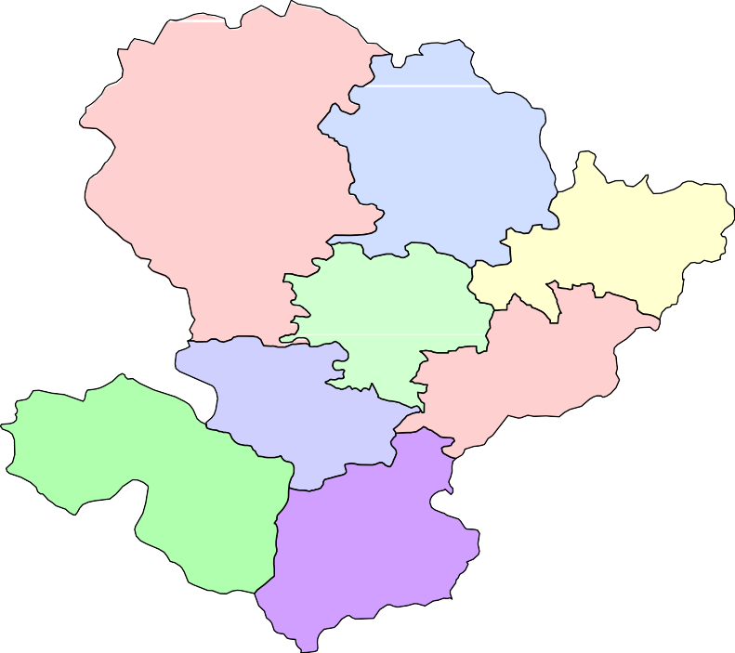

GROUND WATER BROCHURE OF JASHPUR DISTRICT DISTRICT AT A GLANCE
1 |  |  | GENERAL INFORMATION
 |  |  | i) Geographical area |  |  |  |  |  |  |  |  |  |  |  |  |  |  |  |  |  |  |  |  |  |  |  |  |  |  |  |  |  | 6701 Km2
 |  |  | ii) Administrative Divisions (As on 2005) a. Number of Tehsil/ Block b. Number of gram panchayats c. Number of villages |  |  |  |  |  |  |  |  |  |  |  |  |  |  |  |  |  |  |  |  |  |  |  |  |  |  |  |  |  | 8 414 764
 |  |  | iii) Population as per 2011 Census |  |  |  |  |  |  |  |  |  |  |  |  |  |  |  |  |  |  |  |  |  |  |  |  |  |  |  |  |  | 852043
 |  |  | iv) Average Annual Rainfall |  |  |  |  |  |  |  |  |  |  |  |  |  |  |  |  |  |  |  |  |  |  |  |  |  |  |  |  |  | 1487 mm
2 |  |  | GEOMORPHOLOGY
 |  |  | i) Major Physiographic Units |  |  |  |  |  |  |  |  |  |  |  |  |  |  |  |  |  |  |  |  |  |  |  |  |  |  |  |  |  | The northern hilly areas can be categorised as structural hills and the relatively plain areas in the southern part can be categorised as pediplains.
 |  |  | ii) Major Drainages |  |  |  |  |  |  |  |  |  |  |  |  |  |  |  |  |  |  |  |  |  |  |  |  |  |  |  |  |  | Mahanadi basin occupies nearly 71% area in the central part, Bramhani basin covers 21% area in the eastern part and Lower Ganges basin spreads over an area of 8% in the northern part of the district.
3 |  |  | LAND USE As on 2005
 |  |  | i) Forest Area a. Reserved forest: b. Protected forest: |  |  |  |  |  |  |  |  |  |  |  |  |  |  |  |  |  |  |  |  |  |  |  |  |  |  |  |  |  | 1147 588 |  |  |  | Km2 Km2
 |  |  | ii) Net Area Sown |  |  |  |  |  |  |  |  |  |  |  |  |  |  |  |  |  |  |  |  |  |  |  |  |  |  |  |  |  | 2520 |  |  |  | Km2
 |  |  | iii) Double Crop Area |  |  |  |  |  |  |  |  |  |  |  |  |  |  |  |  |  |  |  |  |  |  |  |  |  |  |  |  |  | 150 |  |  |  | Km2
4 |  |  | MAJOR SOIL TYPES |  |  |  |  |  |  |  |  |  |  |  |  |  |  |  |  |  |  |  |  |  |  |  |  |  |  |  |  |  | Red and yellow soils (Ultisols) and red soils (Alfisols) developed over the granitoids occupy most part of the district Black soils (Inceptisols) have formed over the deccan traps in small patches
5 |  |  | AREA UNDER PRINCIPAL CROPS |  |  |  |  |  |  |  |  |  |  |  |  |  |  |  |  |  |  |  |  |  |  |  |  |  |  |  |  |  | Paddy: 82% of sown area Non Paddy :18% of sown area
6 |  |  | IRRIGATION BY DIFFERENT SOURCES (2010)
 |  |  | i) Dugwells |  |  |  |  |  |  |  |  |  |  |  |  |  |  |  |  |  |  |  |  |  |  |  |  |  |  |  |  |  | 19.60 Km2 (no. of dugwells: 12774)
 |  |  | ii) Tubewells/Borewells |  |  |  |  |  |  |  |  |  |  |  |  |  |  |  |  |  |  |  |  |  |  |  |  |  |  |  |  |  | 2 Km2
 |  |  |  |  |  |  |  |  |  |  |  |  |  |  |  |  |  |  |  |  |  |  |  |  |  |  |  |  |  |  |  |  |  | (no. of borewells: 203)
 |  |  |  | iii) Canals |  |  |  |  |  |  |  |  |  |  |  |  |  |  |  |  |  |  |  |  |  |  |  |  |  |  |  |  |  | 41.54 Km2
 |  |  |  | iv) Ponds |  |  |  |  |  |  |  |  |  |  |  |  |  |  |  |  |  |  |  |  |  |  |  |  |  |  |  |  |  | 1.52 Km2 (no. of ponds: 274)
 |  |  |  | v) Other sources |  |  |  |  |  |  |  |  |  |  |  |  |  |  |  |  |  |  |  |  |  |  |  |  |  |  |  |  |  | 23.06 Km2
 |  |  |  | vii) Gross Irrigated Area |  |  |  |  |  |  |  |  |  |  |  |  |  |  |  |  |  |  |  |  |  |  |  |  |  |  |  |  |  | 85.33 Km2
7 |  |  |  | NUMBER OF GROUND WATER MONITORING WELLS OF CGWB (As on 31.3.2012)
 |  |  |  | i) No of Dugwells |  |  |  |  |  |  |  |  |  |  |  |  |  |  |  |  |  |  |  |  |  |  |  |  |  |  |  |  |  | 34
 |  |  |  | ii) No of Piezometers |  |  |  |  |  |  |  |  |  |  |  |  |  |  |  |  |  |  |  |  |  |  |  |  |  |  |  |  |  | 11
8 |  |  |  | PREDOMINANT GEOLOGICAL FORMATIONS Most part of the District is covered by granitiods. A small portion in the northwestern part is occupied by the Deccan Traps and Lametas. Almost the entire area has a thick laterite cover.
9 |  |  |  | HYDROGEOLOGY
 |  |  |  | i) Major Water Bearing Formation |  |  |  |  |  |  |  |  |  |  |  |  |  |  |  |  |  |  |  |  |  |  |  |  |  |  |  |  |  | Weathered and fractured granitoids
 |  |  |  | ii) Pre-monsoon Depth to Water Level During 2012 (mbgl) |  |  |  |  |  |  |  |  |  |  |  |  |  |  |  |  |  |  |  |  |  |  |  |  |  |  |  |  |  | Pre-monsoon water levels mostly remain within 5 to 10 m bgl. There are some patches of shallow (less than 3m bgl) water table conditions, which are observed in the inter- montanne valleys.
 |  |  |  | iii) Post-monsoon Depth to Water Level During 2012 (mbgl) |  |  |  |  |  |  |  |  |  |  |  |  |  |  |  |  |  |  |  |  |  |  |  |  |  |  |  |  |  | During post monsoon periods, water levels remain within 0 to 3 m bgl. One case of auto flow condition was encountered in Ghughri near Bagicha.
 |  |  |  | iv) Long Term Water Level Trend in 10 yrs (2003-2012) in m/yr |  |  |  |  |  |  |  |  |  |  |  |  |  |  |  |  |  |  |  |  |  |  |  |  |  |  |  |  |  | In general, decadal water level trends do not show any significant falling trends. Only one well in Pathalgaon urban area shows falling trend in pre monsoon water levels.
10 |  |  |  | GROUND WATER EXPLORATION BY CGWB (As on 31.3.2012)
 |  |  |  | i) No of Wells Drilled (EW, OW, PZ, Total) |  |  |  |  |  |  |  |  |  |  |  |  |  |  |  |  |  |  |  |  |  |  |  |  |  |  |  |  |  | EW(Exploratory Wells): 54 OW (Observation Wells): 5 PZ (Piezometers): 5 Total: 64
 |  |  |  | ii) Depth Range |  |  |  |  |  |  |  |  |  |  |  |  |  |  |  |  |  |  |  |  |  |  |  |  |  |  |  |  |  | 15-152 m
 |  |  |  | iii) Discharge |  |  |  |  |  |  |  |  |  |  |  |  |  |  |  |  |  |  |  |  |  |  |  |  |  |  |  |  |  | 0.5-7.7 litres per second (lps)
 |  |  |  | v) Transmissivity (m2/day) |  |  |  |  |  |  |  |  |  |  |  |  |  |  |  |  |  |  |  |  |  |  |  |  |  |  |  |  |  | 2 to 30 (m2/day)
11 |  |  |  | GROUND WATER QUALITY
 |  |  |  | i) Presence of chemical constituents more |  |  |  |  |  |  |  |  |  |  |  |  |  |  |  |  |  |  |  |  |  |  |  |  |  |  |  |  |  | Nearly 10% of the samples
 |  |  |  | than permissible limit (e.g. EC, F, As, Fe) |  |  |  |  |  |  |  |  |  |  |  |  |  |  |  |  |  |  |  |  |  |  |  |  |  |  |  |  |  | have NO3 content more than the desirable limit. In one sample (Chharia) F was found to be marginally beyond permissible limit.
 |  |  |  | ii) Type of Water |  |  |  |  |  |  |  |  |  |  |  |  |  |  |  |  |  |  |  |  |  |  |  |  |  |  |  |  |  | Mostly it is Ca-HCO3 type
12 |  |  |  | DYNAMIC GROUND WATER RESOURCES (2009)
 |  |  |  | i) Annual Available Ground Water Resources |  |  |  |  |  |  |  |  |  |  |  |  |  |  |  |  |  |  |  |  |  |  |  |  |  |  |  |  |  | 53675.37 ha m
 |  |  |  | ii) Net Annual Ground Water Draft |  |  |  |  |  |  |  |  |  |  |  |  |  |  |  |  |  |  |  |  |  |  |  |  |  |  |  |  |  | 17009.71 ha m
 |  |  |  | iii) Projected Demands for Domestic and Industrial Uses upto 2025 |  |  |  |  |  |  |  |  |  |  |  |  |  |  |  |  |  |  |  |  |  |  |  |  |  |  |  |  |  | 2113.95ha m
 |  |  |  | iv) Stage of Ground Water Development |  |  |  |  |  |  |  |  |  |  |  |  |  |  |  |  |  |  |  |  |  |  |  |  |  |  |  |  |  | 33.37%
13 |  |  |  | AWARENESS AND TRAINING ACTIVITY
 |  |  |  | Mass Awareness Programmes Organised Date: 25th March 2004 Place: Kunkuri
Water Management Training Programmes Organised Date: 29th March 2004 Place: Jashpur Nagar
14 |  |  |  | EFFORTS OF ARTIFICIAL RECHARGE & RAIN WATER HARVESTING
 |  |  |  | i) Projects Completed by CGWB (No & Amount spent) |  |  |  |  |  |  |  |  |  |  |  |  |  |  |  |  |  |  |  |  |  |  |  |  |  |  |  |  |  | Nil
 |  |  |  | ii) Projects Under Technical Guidance of CGWB (Numbers) |  |  |  |  |  |  |  |  |  |  |  |  |  |  |  |  |  |  |  |  |  |  |  |  |  |  |  |  |  | Nil
15 |  |  |  | GROUND WATER CONTROL AND REGULATION
 |  |  |  | i) Number of OE Blocks |  |  |  |  |  |  |  |  |  |  |  |  |  |  |  |  |  |  |  |  |  |  |  |  |  |  |  |  |  | Nil
 |  |  |  | ii) Number of Critical Blocks |  |  |  |  |  |  |  |  |  |  |  |  |  |  |  |  |  |  |  |  |  |  |  |  |  |  |  |  |  | Nil
 |  |  |  | iii) Number of Blocks Notified |  |  |  |  |  |  |  |  |  |  |  |  |  |  |  |  |  |  |  |  |  |  |  |  |  |  |  |  |  | Nil
16 |  |  |  | MAJOR GROUND WATER PROBLEMS AND ISSUES Nil
GROUND WATER BROCHURE OF JASHPUR DISTRICT, CHHATTISGARH BY Dr. O.N.Tiwari, Scientist ‘D
1.0 General Jashpur district is situated in the northeastern corner of Chhattisgarh (Fig.1). On NWW and Southern part it is bordered by Surguja and Raigarh Districts of Chhattisgarh. On the northeastern and southeastern part it has common boundaries with Jharkhand and Orissa respectively. It covers an area of 6710 Km2. There are 4 Tehsils, 8 blocks, 414 gram panchayats and 764 villages in the district. Total population in the district is 852043 (census report 2011) of which, more than 95% accounts for rural population. There are only 2 urban centres viz. Jashpurnagar (population 20239) and Pathalgaon (population 13956). People belonging to scheduled castes and scheduled tribes together constitute nearly 70% of the entire population. Out of the total geographical area of 6710 Km2, 898 Km2 area is covered by reserve forests. Net sown area is only 2520.16 Km2, Double cropped area is a mere 149.49 Km2. Agriculture is mostly rainfed. Principal crop taken in the study area is paddy. Rabi crop wherever taken is also mostly paddy. Besides paddy, a few legumes and oilseeds are also cultivated but in negligible area. The most important oil seed taken in the hilly area is „sarguja‟. Red and yellow soils (Ultisols) and red soils (Alfisols) developed over the granitoids occupy most part of the district. Black soils (Inceptisols) are formed over the Deccan traps in small patches Jashpur district forms a part of the northern hilly region. The district is characterised by a highly undulating hilly terrain. Elevation in the area ranges from 300 to 1100 m amsl. Average slope is towards southeast. The Deccan traps occurring in the northwestern part form a well-defined plateau. The northern hilly areas can be categorised as structural hills and the relatively plain areas in the southern part can be categorised as pediplains. Entire district can be divided into 3 major river ba

Fig. - 1
15' |  |  |  |  |  |  |  |  |  |  |  |  |  |  | Location map of Jashpurnagar District · |  |  |  |  |  |  |  |  |  |  |  |  |  |  |  |  |  |  |  |  |  |  |  |  |  |  |  |  |  |  |  |  |  |  |  0 14 28 kilometers
23° 00' |  |  |  |  |  |  |  |  |  |  |  |  |  | · Bagicha ·  · ·   |  |  |  |  |  |  |  |  |  |  |  |  |  |  |  |  |  |  |  |  |  |  | Manora  ·  ·
45' |  |  |  |  |  |  |  |  |  |  |  |  |  |  |  |  ·    ·      Kunkuri  · · |  |  |  |  |  |  |  |  |  |  |  |  |  |  |  |  |  |  |  |  |  |  |  |  |  | · Jashpurnagar  ·   S i r i N 
   ·  |  |  |  |  |  |  |  |  |  |  |  |  |  |  |  |  |  |  |  |  |  |  |  |  |  |  |  |  |  |  |  |  |  |  |  |  |  |  |  |  |  |  |  |  |  |  | Duldula
Kansabel    
 Pathalgaon  · |  |  |  |  |  |  |  |  |  |  |  |  |  |  |  |  |  |  |  |  |  |  |  |  |  ·  ·  ·    
·   |  |  |  |  |  |  |  |  |  |  |  |  |  |  |  |  |  |  |  |  |  |  |  |  |  | ·    ·
30' |  |  |  |  |  |  |  |  |  |  |  |  |  |  |  |  |  |  |  |  | Pharsabahar 
·    ·
15' |  |  |  |  |  |  |  | K e y M a p |  |  |  |  |  |  |  |  |  |  |  |  |  |  |  |  |  |  | State Boundary District Boundary |  |  |  |  |  |  |  |  |  |  |  |  |  |  |  |  |  |  |  |  |  | L e g e n d
22° 00' |  |  |  |  |  |  | Chhattisgarh State |  |  |  |  |  |  |  |  |  |  |  |  |  |  |  | Block Boundary Place National Hydrograph Station Exploratory Well Road Railway Line Drainage |  |  |  |  |  |  |  |  |  |  |  |  |  |  |  |  |  |  |  |  |  |  |  |  |  |  |  |  |  | Tamnar  · 
30' 45' 84° 00' 15'
flow in the Brahmani basin. Lower Ganges part is mainly drained by Geor and Kanhar rivers. Drainage pattern is dendritic and is highly irregular, which is reflective of the topography. Irregular topography results in huge base flow through the streams and less recharge. 2.0 Geology and Hydrogeology Nearly 90% of the area in the district is covered with granitoids, which include granite gneiss, chlorite-biotite gneiss, muscovite granite, granodiorite etc. Remaining area is occupied by Deccan Traps and Lametas. The entire has a thick carapace of laterite. Thickness of laterite cover varies from a few metres to more than 30m. at several places. Broadly the area can be divided into 4 hydro-stratigraphic units viz. Laterite, Granitoids, Deccan Traps and Lametas. Laterites make the phreatic aquifer. Dug wells in the area covered by laterites are taped by construction of dug wells. Laterite is in-situ in nature and gradually grades to the bedrock. Specific capacities of the dug wells (tapping laterites) tested ranged from 0.005 to 0.1 m2/min. Granitoids make poor aquifers. Fractures in granite are rare and are highly irregular in nature. Transmissivity of fractured granite varies from 2 to 30 m2/day. There is a no. of springs in the district especially in the Jhimki reserve forest area and around the Deccan plateau in the northern part. Discharge of the spring is low and in a lot of cases they are diffused. All the springs encountered have topographic control. Out of 54 bore wells constructed by CGWB in the granitic terrain, 34 are either dry or has nominal (less than 1 lps) drill time discharge. Potential fractures are rare and wherever present are mostly within 100m bgl. Only 2 fracture zones were encountered beyond 100m. Ground Water Potentials of the Deccan Traps and Lametas have not been explored properly. Pre-monsoon water levels mostly remain within 5 to 10 m

Fig. - 2
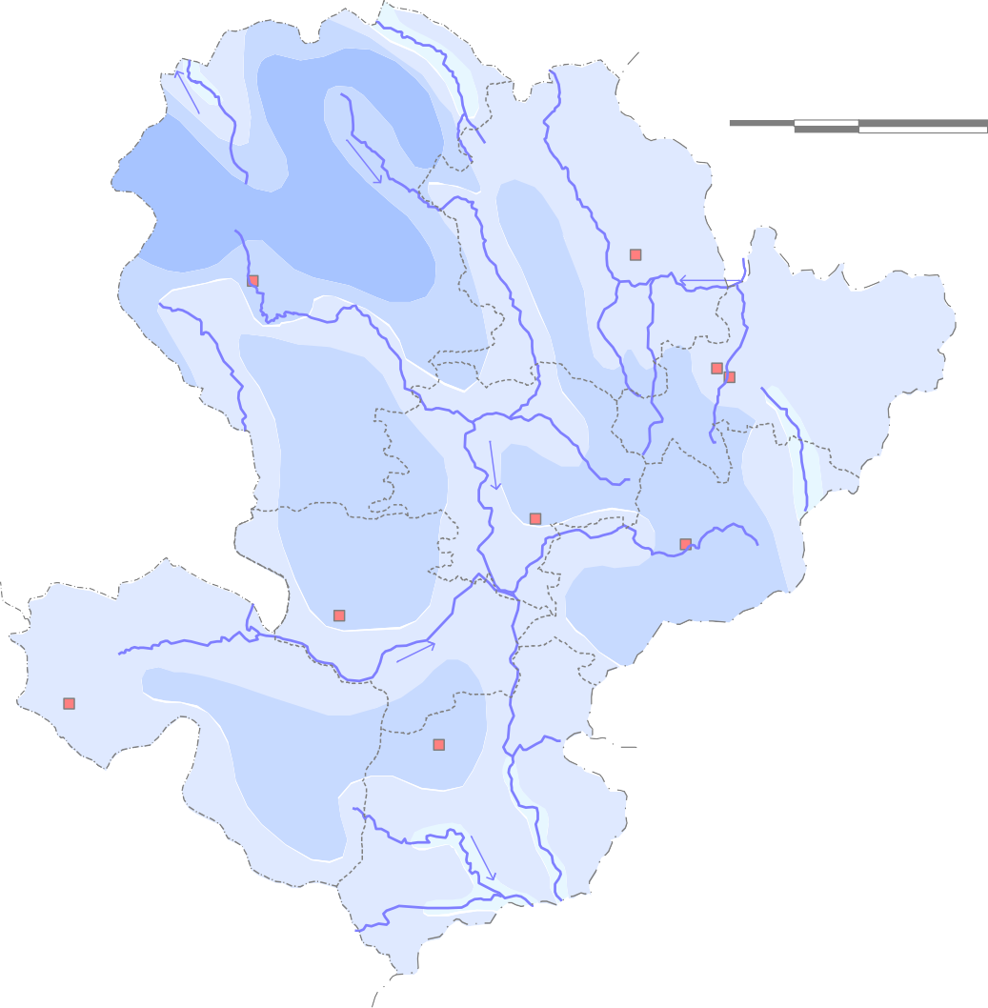 Premonsoon Depth to Water Level ( May 2012) in Jashpur District  0 14 28 kilometers · Manora · Bagicha · · · · · · Jashpurnagar · · Kunkuri ·
Pathalgaon · · Depth to Water Level ( m bgl ) 0 - 5 |  |  |  |  |  |  |  |  |  |  |  |  |  |  |  |  |  |  |  | · · Duldula · Kansabel · · · · · · Pharsabahar · · L e g e n d · National Hydrograph Stations Block boundary

 |  |  |  |  |  |  |  |  |  | 5 - 10

 |  |  |  |  |  |  |  |  |  | 10 - 15
 |  |  |  |  |  |  |  |  |  |  |  |  |  |  |  |  |  |  |  | Drainage
 |  |  |  |  |  |  |  |  |  | 15 - 20

15'
23° 00'
45'
30'
15'
22° 00' |  |  |  |  |  |  |  |  |  |  |  |  |  |  |  |  |  |  |  |  |  | District HQ Block HQ |  |  |  |  |  |  |  |  |  |  |  |  |  |  |  |  |  |  |  |  |  |  | District boundary State boundary
30' 45' |  |  |  |  |  |  |  |  |  |  |  |  |  |  |  |  |  |  |  |  |  |  |  |  |  |  |  |  |  |  |  |  |  |  |  |  |  |  | 84° |  |  |  |  | 00' 15'
15' |  |  |  |  |  |  |  |  |  |  |  |  | Fig. - 3 |  |  |  |  | Postmonsoon Depth to Water Level ( Nov. 2012 ) in Jashpur District  0 14 28 kilometers
·
23° 00' |  |  |  |  |  |  |  |  |  |  |  |  |  |  |  |  |  |  | · Bagicha · · · · |  |  |  |  |  |  |  |  |  |  |  |  |  |  |  |  |  |  |  |  | Manora · · |  |  |  |  |  |  |  |  |  |  | · Jashpurnagar
45' |  |  |  |  |  |  |  |  |  |  |  |  |  |  |  |  |  |  |  |  |  | · · · Kansabel |  |  |  |  |  |  |  |  |  |  |  |  |  |  |  |  |  | Kunkuri · · · |  |  |  |  |  |  |  | Duldula
30' |  |  |  |  |  |  |  |  |  |  |  |  | Pathalgaon · · |  |  |  |  |  |  |  |  |  |  |  |  |  |  | · · · · · Pharsabahar
·
·
15' |  |  |  |  |  |  |  |  |  |  |  |  |  |  |  |  |  |  |  |  |  |  | L e g e n d
22° 00' |  |  |  |  |  |  |  |  |  |  |  |  |  |  | Depth to Water Level ( m bgl ) · 0 - 3 3 - 6 6 - 9 |  |  |  |  |  |  |  |  |  |  |  |  |  |  |  |  |  | National Hydrograph Stations District HQ Block HQ Drainage |  |  |  |  |  |  |  |  |  |  |  |  |  |  |  | Block boundary District boundary State boundary

30' 45' 84° 00' 15'
3.0 Ground Water Resources Ground water resources were estimated by CGWB and State Ground Water Department following the recommendations of GEC‟97 in 2009. The categorisation was made based on the stages of development and decadal water level trends. All the blocks in the district are classified as „safe‟. There is no „semi-critical‟, „critical‟ or „over-exploited‟ blocks. A brief account of block wise ground water resources is given below and presented in fig 4.
Ground water resources of Jashpur district (As on 2009)
Assessment Unit / Block |  |  |  |  |  | Command / Non Command |  |  |  |  |  |  |  |  |  | Total Annual echarge in Ham |  |  |  |  |  | Net Ground Water Availability in Ham |  |  |  |  | Existing Gross Ground Water Draft for Irrigation in Ham |  |  |  |  |  |  |  | Existing Gross Ground Water Draft for Domestic & Industrial Water Supply in Ham |  |  |  |  |  | Existing Gross Ground Water Draft for All Uses in Ham |  |  |  |  | Allocation For Domestic & Industrial Water Supply in Ham |  |  |  |  |  | Net Ground Water Availability for Future Irrigation Development in Ham |  | Stage of Ground Water Develop ment in %
Bagicha |  |  |  |  |  | Command |  |  |  |  |  |  |  |  |  | 538.58 |  |  |  |  |  | 511.65 |  |  |  |  | 151.5 |  |  |  |  |  |  |  | 9.39 |  |  |  |  |  | 160.89 |  |  |  |  | 11.5 |  |  |  |  |  | 348.65 |  | 31.45
 |  |  |  |  |  | Non Command |  |  |  |  |  |  |  |  |  | 11558.04 |  |  |  |  |  | 10980.14 |  |  |  |  | 964.7 |  |  |  |  |  |  |  | 344.51 |  |  |  |  |  | 1309.21 |  |  |  |  | 422 |  |  |  |  |  | 9593.44 |  | 11.92
 |  |  |  |  |  | Block Total |  |  |  |  |  |  |  |  |  | 12096.62 |  |  |  |  |  | 11491.79 |  |  |  |  | 1116.2 |  |  |  |  |  |  |  | 353.9 |  |  |  |  |  | 1470.1 |  |  |  |  | 433.5 |  |  |  |  |  | 9942.09 |  | 12.79
Duldula |  |  |  |  |  | Command |  |  |  |  |  |  |  |  |  | 98.95 |  |  |  |  |  | 94 |  |  |  |  | 35 |  |  |  |  |  |  |  | 0.94 |  |  |  |  |  | 35.94 |  |  |  |  | 1.18 |  |  |  |  |  | 57.82 |  | 38.23
 |  |  |  |  |  | Non Command |  |  |  |  |  |  |  |  |  | 6366.97 |  |  |  |  |  | 6048.62 |  |  |  |  | 1373.5 |  |  |  |  |  |  |  | 108.99 |  |  |  |  |  | 1482.49 |  |  |  |  | 136.47 |  |  |  |  |  | 4538.65 |  | 24.51
 |  |  |  |  |  | Block Total |  |  |  |  |  |  |  |  |  | 6465.92 |  |  |  |  |  | 6142.62 |  |  |  |  | 1408.5 |  |  |  |  |  |  |  | 109.93 |  |  |  |  |  | 1518.43 |  |  |  |  | 137.65 |  |  |  |  |  | 4596.47 |  | 24.72
Jashpur |  |  |  |  |  | Command |  |  |  |  |  |  |  |  |  | 90.83 |  |  |  |  |  | 81.75 |  |  |  |  | 56.75 |  |  |  |  |  |  |  | 0.83 |  |  |  |  |  | 57.58 |  |  |  |  | 1.02 |  |  |  |  |  | 23.98 |  | 70.43
 |  |  |  |  |  | Non Command |  |  |  |  |  |  |  |  |  | 5840.57 |  |  |  |  |  | 5548.54 |  |  |  |  | 3667 |  |  |  |  |  |  |  | 145.15 |  |  |  |  |  | 3812.15 |  |  |  |  | 177.8 |  |  |  |  |  | 1703.74 |  | 68.71
 |  |  |  |  |  | Block Total |  |  |  |  |  |  |  |  |  | 5931.4 |  |  |  |  |  | 5630.29 |  |  |  |  | 3723.75 |  |  |  |  |  |  |  | 145.98 |  |  |  |  |  | 3869.73 |  |  |  |  | 178.82 |  |  |  |  |  | 1727.72 |  | 68.73
Kansabel |  |  |  |  |  | Command |  |  |  |  |  |  |  |  |  | 194.14 |  |  |  |  |  | 174.73 |  |  |  |  | 60.5 |  |  |  |  |  |  |  | 2.77 |  |  |  |  |  | 63.27 |  |  |  |  | 3.39 |  |  |  |  |  | 110.84 |  | 36.21
 |  |  |  |  |  | Non Command |  |  |  |  |  |  |  |  |  | 5060.34 |  |  |  |  |  | 4807.32 |  |  |  |  | 985.25 |  |  |  |  |  |  |  | 162.84 |  |  |  |  |  | 1148.09 |  |  |  |  | 199.46 |  |  |  |  |  | 3622.61 |  | 23.88
 |  |  |  |  |  | Block Total |  |  |  |  |  |  |  |  |  | 5254.48 |  |  |  |  |  | 4982.05 |  |  |  |  | 1045.75 |  |  |  |  |  |  |  | 165.61 |  |  |  |  |  | 1211.36 |  |  |  |  | 202.85 |  |  |  |  |  | 3733.45 |  | 24.31
Kunkuri |  |  |  |  |  | Command |  |  |  |  |  |  |  |  |  | 485.24 |  |  |  |  |  | 460.98 |  |  |  |  | 99.75 |  |  |  |  |  |  |  | 10.88 |  |  |  |  |  | 110.63 |  |  |  |  | 13.32 |  |  |  |  |  | 347.91 |  | 24
 |  |  |  |  |  | Non Command |  |  |  |  |  |  |  |  |  | 4181.54 |  |  |  |  |  | 3972.46 |  |  |  |  | 1398 |  |  |  |  |  |  |  | 186.42 |  |  |  |  |  | 1584.42 |  |  |  |  | 228.35 |  |  |  |  |  | 2346.11 |  | 39.89
 |  |  |  |  |  | Block Total |  |  |  |  |  |  |  |  |  | 4666.78 |  |  |  |  |  | 4433.44 |  |  |  |  | 1497.75 |  |  |  |  |  |  |  | 197.3 |  |  |  |  |  | 1695.05 |  |  |  |  | 241.67 |  |  |  |  |  | 2694.02 |  | 38.23
Manora |  |  |  |  |  | Command |  |  |  |  |  |  |  |  |  | 91.81 |  |  |  |  |  | 87.22 |  |  |  |  | 12.357143 |  |  |  |  |  |  |  | 1.56 |  |  |  |  |  | 13.917143 |  |  |  |  | 1.92 |  |  |  |  |  | 72.942857 |  | 15.96
 |  |  |  |  |  | Non Command |  |  |  |  |  |  |  |  |  | 5892.65 |  |  |  |  |  | 5598.02 |  |  |  |  | 1414.7524 |  |  |  |  |  |  |  | 126.99 |  |  |  |  |  | 1541.7424 |  |  |  |  | 155.56 |  |  |  |  |  | 4027.7076 |  | 27.54
 |  |  |  |  |  | Block Total |  |  |  |  |  |  |  |  |  | 5984.46 |  |  |  |  |  | 5685.24 |  |  |  |  | 1427.1095 |  |  |  |  |  |  |  | 128.55 |  |  |  |  |  | 1555.6595 |  |  |  |  | 157.48 |  |  |  |  |  | 4100.6505 |  | 27.36
Pathalgaon |  |  |  |  |  | Command |  |  |  |  |  |  |  |  |  | 238.93 |  |  |  |  |  | 226.98 |  |  |  |  | 115.9 |  |  |  |  |  |  |  | 8.16 |  |  |  |  |  | 124.06 |  |  |  |  | 9.99 |  |  |  |  |  | 101.09 |  | 54.66
 |  |  |  |  |  | Non Command |  |  |  |  |  |  |  |  |  | 6282.2 |  |  |  |  |  | 5968.09 |  |  |  |  | 3256.4 |  |  |  |  |  |  |  | 378.59 |  |  |  |  |  | 3634.99 |  |  |  |  | 463.73 |  |  |  |  |  | 2247.96 |  | 60.91
 |  |  |  |  |  | Block Total |  |  |  |  |  |  |  |  |  | 6521.13 |  |  |  |  |  | 6195.07 |  |  |  |  | 3372.3 |  |  |  |  |  |  |  | 386.75 |  |  |  |  |  | 3759.05 |  |  |  |  | 473.72 |  |  |  |  |  | 2349.05 |  | 60.68
Tapkara |  |  |  |  |  | Command |  |  |  |  |  |  |  |  |  | 161.43 |  |  |  |  |  | 153.36 |  |  |  |  | 49.7 |  |  |  |  |  |  |  | 3.23 |  |  |  |  |  | 52.93 |  |  |  |  | 3.96 |  |  |  |  |  | 99.7 |  | 34.51
 |  |  |  |  |  | Non Command |  |  |  |  |  |  |  |  |  | 6593.15 |  |  |  |  |  | 6263.49 |  |  |  |  | 1645.3 |  |  |  |  |  |  |  | 232.1 |  |  |  |  |  | 1877.4 |  |  |  |  | 284.3 |  |  |  |  |  | 4333.89 |  | 29.97
 |  |  |  |  |  | Block Total |  |  |  |  |  |  |  |  |  | 6754.58 |  |  |  |  |  | 6416.85 |  |  |  |  | 1695 |  |  |  |  |  |  |  | 235.33 |  |  |  |  |  | 1930.33 |  |  |  |  | 288.26 |  |  |  |  |  | 4433.59 |  | 30.08
DISTRICT TOTAL |  |  |  |  |  |  |  |  |  |  |  |  |  |  |  | 53675.37 |  |  |  |  |  | 50977.35 |  |  |  |  | 15286.36 |  |  |  |  |  |  |  | 1723.35 |  |  |  |  |  | 17009.71 |  |  |  |  | 2113.95 |  |  |  |  |  | 33577.04 |  | 33.37
15' |  |  |  |  |  |  |  |  | Fig. No.- 4 |  |  |  |  |  |  |  |  | Ground Water Resource (as on 2009) Map of Jashpur District  0 14 28 kilometers
23° |  |  |  |  |  |  |  |  |  |  |  |  |  |  |  |  |  | 11491.79 9942.09 |  |  |  |  |  |  |  |  |  |  |  | 1470.1 12.79 |  |  |  |  |  |  |  |  |  |  | Manora
00' |  |  |  |  |  |  |  |  | Bagicha
5619.34 |  |  |  | 1556.35
4036.65 |  |  |  | 27.70
5630.29 |  |  |  | 3869.73
1727.72 |  |  |  | 68.73
Jashpurnagar
4433.44 |  |  |  | 1695.05
2694.02 |  |  |  | 38.23
45' |  |  |  |  |  |  |  |  |  |  |  |  |  |  |  |  |  |  |  | Kansabel |  |  |  |  |  |  |  |  |  |  |  |  |  |  |  |  | Kunkuri |  |  |  |  |  |  |  |  |  | Duldula
6142.62 |  |  |  | 1518.43
4596.47 |  |  |  | 24.72
4982.05 1211.36
30' |  |  |  |  |  |  |  |  |  |  |  |  |  | Pathalgaon |  |  |  |  |  |  |  |  |  | 6195.07 2349.05 |  |  |  |  | 3733.45 24.31 3759.05 60.68 Pharsabahar
6416.85 4433.59 |  |  |  |  |  |  |  |  |  |  |  |  |  |  |  |  |  |  |  |  |  |  |  |  |  |  |  |  |  |  |  |  |  |  |  |  |  | 1930.33 30.08
15'
L e g en d
Net Ground Water avilability ( ha m) |  |  |  |  |  |  |  |  |  |  |  | Annual Ground Water Draft (ham)
Ground Water Resources for Future Use (ha m) |  |  |  |  |  |  |  |  |  |  |  | Stage of Ground Water Development (%)
22° 00'
30' 45' |  |  |  |  |  |  |  |  |  |  |  |  |  |  |  |  |  |  |  |  |  |  |  |  |  |  |  |  |  |  |  |  |  |  |  |  |  | 84° 00' 15'
4.0 Ground Water Development Ground water development is mostly through dug wells. Borewells are comparatively less popular. Thick laterite cover results in problems during drilling with DTH rigs. Shallow (mostly less than 5m) dug wells in the intermontane valleys known in the local language as „dadhi‟ are popular abstraction structures. They are mostly used for small scale irrigation. Optimum depth of bore wells should be 100m as potential fractures beyond 100m are extremely rare in this area. DTH rigs can be used for construction of wells in most part of the district. However, in the northeastern part (Jashpur Block), weathered thickness is very high, which causes problems during drilling with DTH rigs. Rotary rigs are suitable for these areas (Fig.6). For domestic purposes, large diameter dug wells should be preferred as they support higher storage of water. Ground water potential of the Deccan Traps in the northwestern part has not been explored properly. Thickness of the trap varies from a few metres to nearly 25m. The infratrappeans (Lametas) are expected to be potential aquifers. However, combination rigs are required for well construction in these areas. Stage of ground water development in the district is a little more than 33.37%. Bagicha (12.79%) and Kasabel (24.31%) have the lowest stages of development and Jahspur block (68.73%) has the highest stage of development. Stage of ground water development in the district has increased from 9.12% during 1998 to 18.63 % during 2004 & 33.37% in the year 2009. Other factors such as increase in the no. of abstraction structures, diesel pumps and electric pumps over the years also reveal that ground water development in the district is the almost the same as the whole Chhattisgarh state. 5.0 Ground Water Quality Chemical analyses of ground water samples show that ground water is not much evolved. More

samples have NO3 content more than the desirable limit, the cause of which can be attributed to the practices of disposing wastewater nearer to the abstraction structures. In one sample (Chharia) F was found to be marginally beyond permissible limit. 6. 0 Ground Water management strategy Ground water yield potential in the district is limited and it is not possible to plan for irrigation using ground water in large scale. The Deccan Traps and the Infratrappeans on the northwestern part of the district as mentioned earlier are not explored yet. There are a number of springs in the district especially in the hilly areas. Chemical quality of these stream waters is excellent (EC= less than 100  mhos per cm). The spring water can be used for providing drinking water in these areas. However, the discharges of the springs are not that high that they can be used for irrigation purposes. There are several villages, where spring waters are being used for drinking purposes locally. Some urban centres like Pathalgaon face acute shortage of ground water during summer period. Boreholes in this area are mostly unsuccessful. Alternative water sources are necessary to meet the water demands. 7.0 Water Conservation and artificial recharge Average annual rainfall in the district varies from 1250mm to 1600mm. The district has a highly undulating topography. Drainage is intensely developed, which is indicative of low infiltration and high run off. Construction of Rain Water Harvesting structures such as gully plugs, gabion structures, check dams and stop dams would increase the storage and retention time in the nala, which would directly recharge the ground water around it. Water stored in these structures can be used for irrigation also. Further, the inter montanne valleys can be converted to surface water reservoirs with relatively small investments. They can act as effective rainwater harvesting structures

15' |  |  |  |  |  |  |  |  |  |  | Fig. - 6 |  |  |  |  |  | Ground water potential, feasibility of abstraction structures and priority areas for artificial recharge 

0 14 28 kilometers
Manora

Bagicha

Jas
23° 00'

 | hpurnag

ar
45' |  |  |  |  |  |  |  |  |  |  |  |  |  |  |  |  |  |  |  |  |  |  |  |  |  |  |  |  |  |  | Kunkuri |  |  |  |  |  |  |  |  |  |  |  |  |  |  | Duldula
Kansabel
Pathalgaon
30' |  |  |  |  |  |  |  |  |  |  |  |  |  |  |  |  |  | Pharsabahar
15' |  |  |  |  |  |  |  |  |  |  |  |  |  |  |  |  |  |  |  |  | L E G E N D
22° 00' |  |  |  |  |  |  |  |  |  |  |  |  | Area suitable for artificial ground water recharge Ground Water Potential ( YIELD, liter / sec. ) 0 - 2 2 - 4 3 - 8 Aquifer with Secondary Porosity and Fractured |  |  |  |  |  |  |  |  |  |  |  |  |  |  |  |  |  |  |  |  |  |  | FEASIBILITY OF ABSTRACT STRUCTURES Borewells ( Drilling using Combination Rigs ) Borewells ( Drilling using DTH rigs ) Shallow Borewells ( DTH ) / Dugwells Tubewells ( Drilling with rotary rigs )
30' 45' |  |  |  |  |  |  |  |  |  |  |  |  |  |  |  |  |  |  |  |  |  |  |  |  |  |  |  |  |  |  |  |  |  |  |  |  |  | 84° |  |  |  |  | 00' 15'
8.0 Awareness and training activities Till date, one training programme on “rainwater harvesting and artificial recharge” and one mass awareness programme on “water conservation” have been conducted in Jashpur District (table2).
Table 2: Summary of Mass Awareness Programmes and Training Programmes organised in Jashpur District.
Sl. No. |  |  |  |  | Year |  |  |  |  |  |  |  |  | Date |  |  |  |  |  |  |  |  | Place |  |  |  |  |  |  |  |  |  |  |  |  | Programme
1 |  |  |  |  | 2003-04 |  |  |  |  |  |  |  |  | 25th March 2004 |  |  |  |  |  |  |  |  | Kunkuri |  |  |  |  |  |  |  |  |  |  |  |  | Mass Awareness Programme on ground water conservation
2 |  |  |  |  | 2003-04 |  |  |  |  |  |  |  |  | 29th March 2004 |  |  |  |  |  |  |  |  | Jashpurnagar |  |  |  |  |  |  |  |  |  |  |  |  | Training programme on rainwater harvesting and artificial recharge
ACKNOWLEDGEMENT
The author is grateful to Shri Sushil Gupta, Chairman, Central Ground Water Board for giving this opportunity for preparation of the 'Ground Water Brochure of Dhamtari district, Chhattisgarh‟. The author is thankful to Shri K. C. Naik, Regional Director, Central Ground Water Board, NCCR, Raipur for his guidance and constant encouragement for the preparation of this brochure. The author is also thankful to Shri S. K. Verma, Sr. Hydrogeologist (Scientist 'C') for his valuable comments and guidance. The help rendered by Shri J.R.Verma Scientist 'B‟ in preparing the brochure is duly acknowledged. The author is also thankful to Shri T.S.Chauhan, Drafs man help in preparation of the map. Dr O.N. Tiwari Scientist ‘D’
Fig. No. - 5

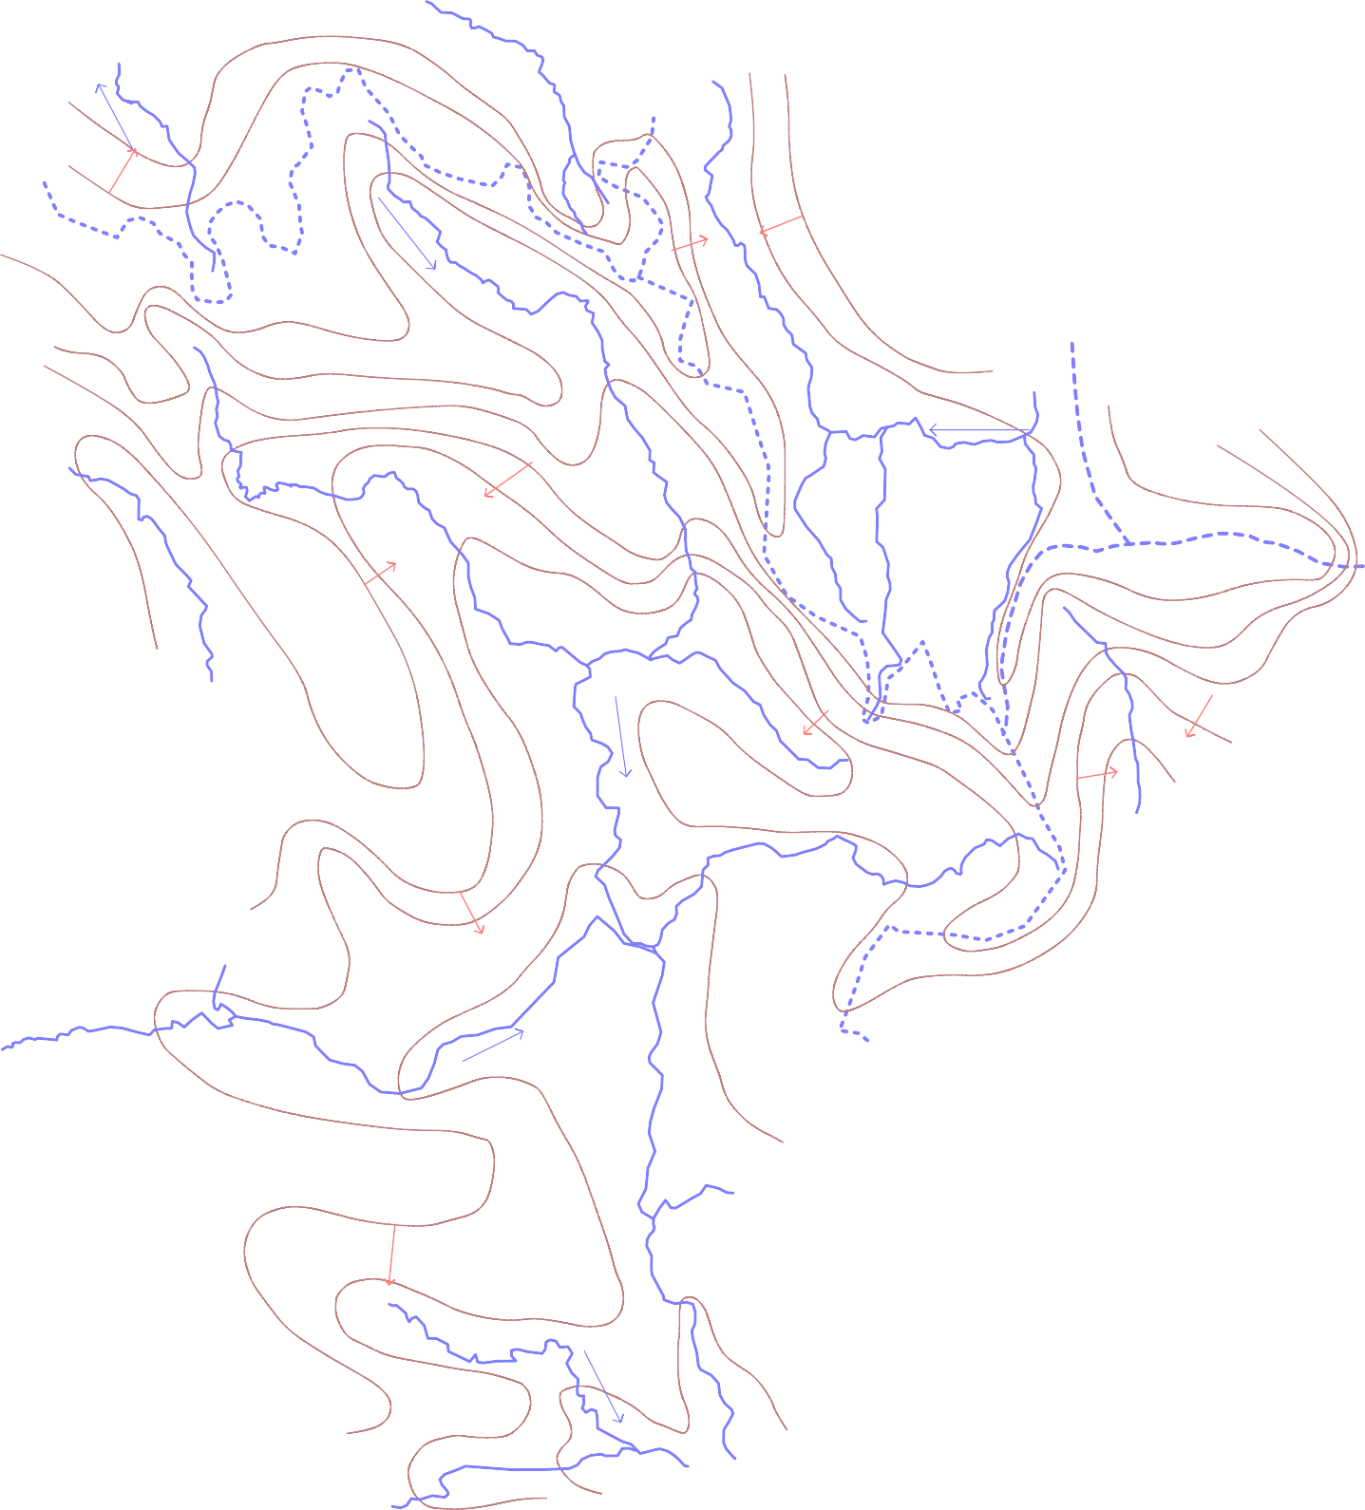
 |  | HYDROGEOLOGICAL MAP OF JASHPURNAGAR DISTRICT                 1000    0 10 20     kilometers      ·                              800 Manora   Bagicha     900 ·             · ·            
15' 3°
0'
45'
30'
15' 2°
00'
 |  |  |  |  |  |  |  |  |  |  |  |  |  |  |  |  |  |  |  |  | 30' |  |  |  |  |  |  |  |  |  |  |  |  |  |  |  |  |  |  | 45' 84° |  |  |  |  |  |  |  |  |  |  |  |  |  | 00' | 15'
2 0

2

