Table 1
GOVT. OF INDIA MINISTRY OF WATER RESOURCES CENTRAL GROUND WATER BOARD GROUND WATER BROCHURE KANKER DISTRICT CHHATTISGARH 2012-13

CHARAMA 
NARHARPUR

DURGKONDAL  |  |  |  |  |  |  |  |  |  |  |  |  |  |  | BHANUPRATAPPUR |  |  |  |  |  |  |  |  |  |  |  KANKER

ANTAGARH KOYLIBEDA

Regional Director North Central Chhattisgarh Region, Reena Apartment, IInd Floor, NH-43, Pachpedi Naka, Raipur-492001 (C.G.) Ph. No. 0771-2413903, 2413689 E-mail: rdnccr- cgwb@nic.in
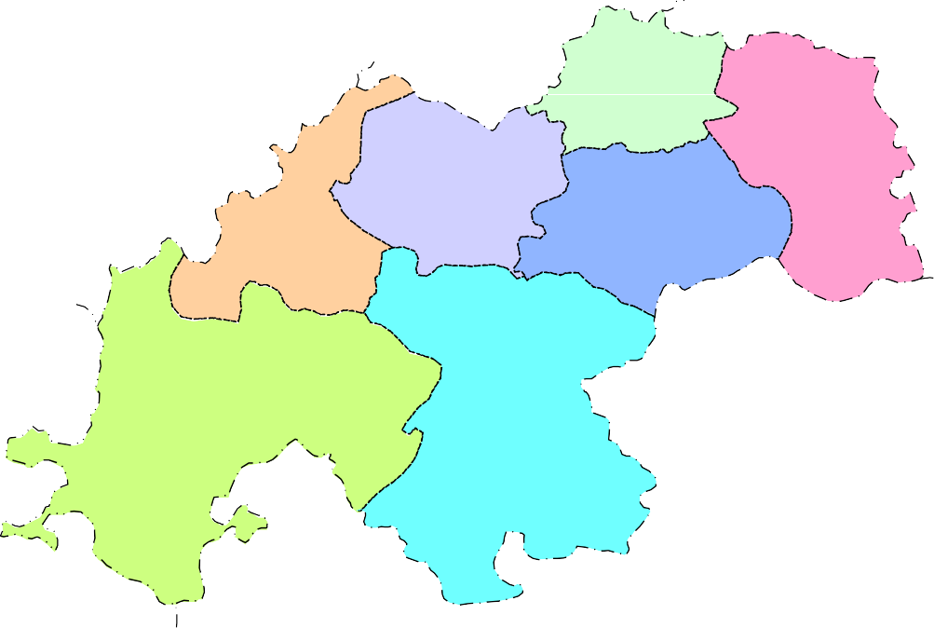

GROUND WATER BROCHURE OF KANKER DISTRICT DISTRICT AT A GLANCE
I. General
1. Location |  |  |  |  |  |  |  |  |  |  |  |  |  |  |  |  |  | : Located in the south-western corner of the State.
Long (East) |  |  |  |  |  |  |  |  |  |  |  |  |  |  |  |  |  | : 80°24’’06’ to 81°49’’00’
Lat (North) |  |  |  |  |  |  |  |  |  |  |  |  |  |  |  |  |  | : 19°41’’41’ to 20°33’’20’
2. Geographical area |  |  |  |  |  |  |  |  |  |  |  |  |  |  |  |  |  | : 6432.68 sq.km.
3. Community Development blocks |  |  |  |  |  |  |  |  |  |  |  |  |  |  |  |  |  | : 7 no.s
4. Villages |  |  |  |  |  |  |  |  |  |  |  |  |  |  |  |  |  | : 1003 no.s
5. Population |  |  |  |  |  |  |  |  |  |  |  |  |  |  |  |  |  | : 7,48,593 (As per Census 2011)
6. Average annual rainfall(Last five years i.e. 2007-2012) |  |  |  |  |  |  |  |  |  |  |  |  |  |  |  |  |  | : 1090 mm
7. Major physiographic unit |  |  |  |  |  |  |  |  |  |  |  |  |  |  |  |  |  | : Chhattisgarh Plain & Bastar Plateau
8. River Basins and major drainage |  |  |  |  |  |  |  |  |  |  |  |  |  |  |  |  |  | : Mahanadi Basin(covers 35% area)
 |  |  |  |  |  |  |  |  |  |  |  |  |  |  |  |  |  | Major rivers and streams:
 |  |  |  |  |  |  |  |  |  |  |  |  |  |  |  |  |  | (Duth, hatkal Turi,Kukari etc.)
 |  |  |  |  |  |  |  |  |  |  |  |  |  |  |  |  |  | Godavari Basin(covers 65% area)
 |  |  |  |  |  |  |  |  |  |  |  |  |  |  |  |  |  | Major rivers and streams:
 |  |  |  |  |  |  |  |  |  |  |  |  |  |  |  |  |  | (Kotri, Jemri, Karakasa, Bharke etc)
8. Forest area |  |  |  |  |  |  |  |  |  |  |  |  |  |  |  |  |  | : Nearly 44% of geographical area
II. Major Soils
1. Alfisols |  |  |  |  |  |  |  |  |  |  |  |  |  |  |  |  |  | : Red loamy/sandy
2. Ultisols |  |  |  |  |  |  |  |  |  |  |  |  |  |  |  |  |  | : Yellow and Red brown
III. Principal crops (2011)
Crop seasons |  |  |  |  |  |  |  |  |  |  |  |  |  |  |  |  |  | : Two (Kharif and Rabi)
1. Rice |  |  |  |  |  |  |  |  |  |  |  |  |  |  |  |  |  | : 173596 ha
2. Pulses |  |  |  |  |  |  |  |  |  |  |  |  |  |  |  |  |  | : 19081 ha
3. Jowar & Maize |  |  |  |  |  |  |  |  |  |  |  |  |  |  |  |  |  | : 9551 ha
4. Wheat |  |  |  |  |  |  |  |  |  |  |  |  |  |  |  |  |  | : 832 ha
IV. Irrigation (2011)
1. Net sown area |  |  |  |  |  |  |  |  |  |  |  |  |  |  |  |  |  | :211135 ha
2. Gross irrigated area |  |  |  |  |  |  |  |  |  |  |  |  |  |  |  |  |  | :26850 ha
a) By dug wells |  |  |  |  |  |  |  |  |  |  |  |  |  |  |  |  |  | :4481 no.s (706 ha)
b) By tube wells |  |  |  |  |  |  |  |  |  |  |  |  |  |  |  |  |  | :5119 no.s (6515 ha)
c) By tanks/ponds |  |  |  |  |  |  |  |  |  |  |  |  |  |  |  |  |  | :649 no.s (3693 ha)
d) By canals |  |  |  |  |  |  |  |  |  |  |  |  |  |  |  |  |  | :17 no.s (7039 ha)
e) By other sources |  |  |  |  |  |  |  |  |  |  |  |  |  |  |  |  |  | :8897 ha
V. Geology |  |  |  |  |  |  |  |  |  |  |  |  |  |  |  |  |  | :Bengpal and Dongargarh Group (Granite gneisses, Rhyolite, basalt, BHQ, Acid & Basic Intrusives )
VI. Hydrogeology
Water bearing formations |  |  |  |  |  |  |  |  |  |  |  |  |  |  |  |  |  | :Major formations are weathered & fractured Granite gneisses
VII. Ground water monitoring (by CGWB)
1. No. of monitoring stations |  |  |  |  |  |  |  |  |  |  |  |  |  |  |  |  |  | :22 no.s
a) Dug wells |  |  |  |  |  |  |  |  |  |  |  |  |  |  |  |  |  | :19 no.s
b) Piezometers |  |  |  |  |  |  |  |  |  |  |  |  |  |  |  |  |  | :03 no.s
2. Water levels
a) Pre-monsoon water level (2012) |  |  |  |  |  |  |  |  |  |  |  |  |  |  |  |  |  | :3.46 to 16.23 mbgl(average-4 to 9 mbgl)
b) Post-monsoon water level (2012) |  |  |  |  |  |  |  |  |  |  |  |  |  |  |  |  |  | :1.83 to 9.15 mbgl(average- 3 to 6 mbgl)
c) Water level fluctuation |  |  |  |  |  |  |  |  |  |  |  |  |  |  |  |  |  | : 0.32 to 14.19 m (average- 2 to 6 m)
d) Water level trend (2002-2012) |  |  |  |  |  |  |  |  |  |  |  |  |  |  |  |  |  | :On average no significant rise and fall
VIII. Ground water exploration (by CGWB)
1. Total no. of wells drilled |  |  |  |  |  |  |  |  |  |  |  |  |  |  |  |  |  | :82 no.s
a) Exploratory wells |  |  |  |  |  |  |  |  |  |  |  |  |  |  |  |  |  | :63 no.s
b) Observation wells |  |  |  |  |  |  |  |  |  |  |  |  |  |  |  |  |  | :13 no.s
c) Piezometers |  |  |  |  |  |  |  |  |  |  |  |  |  |  |  |  |  | :6 no.s
2. Depth range |  |  |  |  |  |  |  |  |  |  |  |  |  |  |  |  |  | :60 to 202 mbgl
3. Discharge |  |  |  |  |  |  |  |  |  |  |  |  |  |  |  |  |  | :0.4 to 23lps
4. Transmissivity |  |  |  |  |  |  |  |  |  |  |  |  |  |  |  |  |  | :14 to 194 m2/day
IX. Ground water quality |  |  |  |  |  |  |  |  |  |  |  |  |  |  |  |  |  | :Fit for all purposes
X. Ground water resources(AsonMarch2009)
1. Annual available resources |  |  |  |  |  |  |  |  |  |  |  |  |  |  |  |  |  | :87764.34 ham
2. Ground water draft |  |  |  |  |  |  |  |  |  |  |  |  |  |  |  |  |  | :17349.74 ham
3. Stage of ground water development |  |  |  |  |  |  |  |  |  |  |  |  |  |  |  |  |  | :20.81%
XI. Awareness and Training activity |  |  |  |  |  |  |  |  |  |  |  |  |  |  |  |  |  | :Training programme at District headquar ters in the year 2008.
XII. Artificial recharge and rain water harvesting
1. Projects by CGWB |  |  |  |  |  |  |  |  |  |  |  |  |  |  |  |  |  | :Nil
2. Projects under technical guidance |  |  |  |  |  |  |  |  |  |  |  |  |  |  |  |  |  | :Nil
XIII. Ground water control and regulation |  |  |  |  |  |  |  |  |  |  |  |  |  |  |  |  |  | :Nil (No critical/ notified/Over exploited areas)
XIV. Major ground water problems and issues |  |  |  |  |  |  |  |  |  |  |  |  |  |  |  |  |  | :Nil
Ground Water Brochure of Kanker district, Chhattisgarh By M.M. Sonkusare, Scientist ‘C’
1. General The Kanker district covers an area of 6432.68 sq. km. It consists of 1003 no of villages. For administrative convenience these villages are grouped into 7 no of development blocks. Kanker is the district headquarters. The block head quarters are Kanker, Charama, Narharpur, Bhanupratappur, Koylibeda, Durgkondal and Antagarh. The district is known for its forest produce. Fig.1 shows the location of the area along with the drainage, block head quarters, location of NHS and location of exploratory wells drilled in the district. Nearly 75 % of the area is drained by Kotri River, which is tributary to Godavari River. The tributaries for Kotri River are waler, Jemri, Karakassa, Bharke, Belengar, Mendaki, Dondri and Khandi. The remaining 25% of the area is drained by Mahanadi River in the east with the tributaries of Duth, Hatkal, Turi, Kukari, Nani, Jura and Baroda. The normal annual rainfall for the district is 1090 mm. The annual temperature varies from 10°C in winter to 42°C in summer. The relative humidity varies from 87% in rainy season to 32% during winter. Physiographyically, the district can be divided into two regions, namely the Chhattisgarh plains and the Bastar plateau. The maximum altitude is 917 m amsl at Matla reserve forest area near Temargaon Pahar ranges and the minimum is 300 m amsl on the western parts of the district. The average elevation is around 343.84 m amsl. The general slope is towards north in the northwest part of the district and is towards south in the remaining part. The soils in the district are having wide variations. In all two types of soils are existing in the district and are mostly insitu in nature. Most of the area is covered by Red loamy/sandy Alfisols & Yellow /Red Brown Ultisols. 2. Geology and Hydrogeology Geologically the district is covered by metasediments and crystallines of Precambr

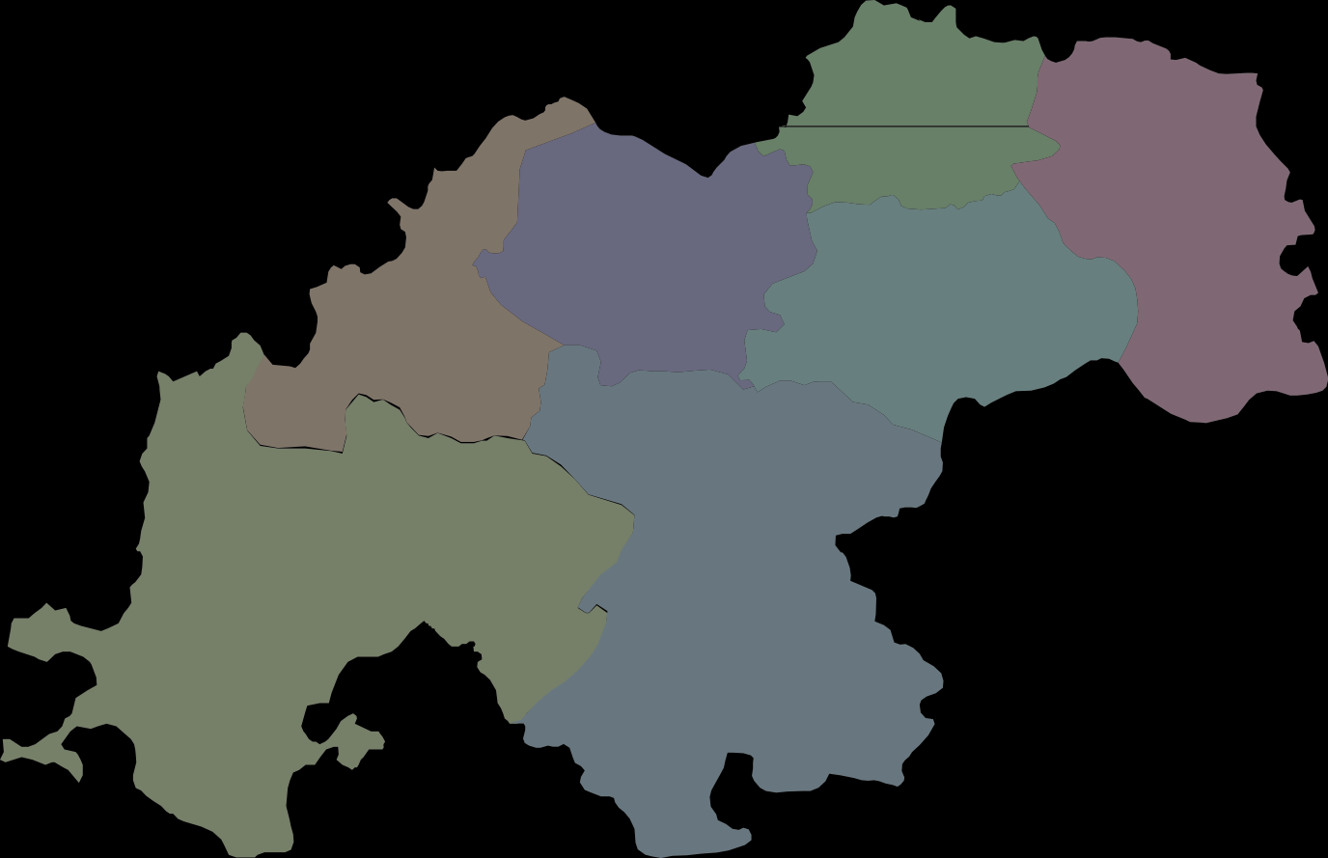

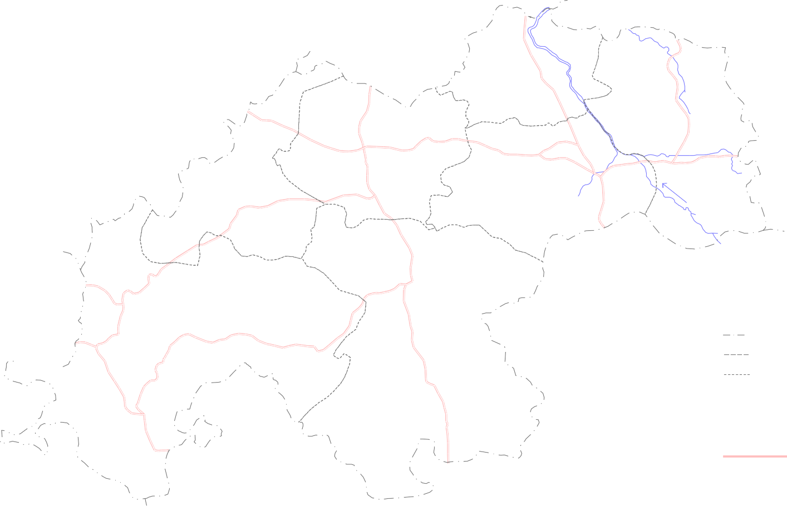
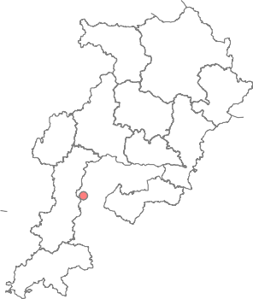
Fig. - 1
0° | K e y M a P Chhattisgarh |  |  |  |  | Administrative map of Kanker district  0 14  kilometres  ·   D u r g D i s t r i c t Charama Narharpur      · ·    ·   Bhanupratappur     · ·  Sendur N      · · ·        ·  · · Khandi N Kanker   Durgukondal · ·       ·  · Antagarh · ·  · L e g e n d Koylibera State Boundary  ·  District Boundary Block Boundary Charama Place |  |  |  |  |  |  |  |  |  |  |  |  |  |  |  |  |  |  |  |  |  |  |  |  |  |  |  |  |  |  |  |  |  |  |  |  |  |  |  |  |  |  |  |  |  |  |  |  |  |  |  | Raipur |  |  | 28
30'
15'
20°
00'
45'
80° |  |  | 30' |  |  |  |  |  |  | 45' 81° |  |  |  |  |  |  |  |  |  | 00' |  |  |  |  |  |  |  |  |  | 15' |  |  |  |  |  |  |  |  |  |  |  |  |  |  | 30' |  |  |  |  |  | 45'
2
Fig. - 2
0° | 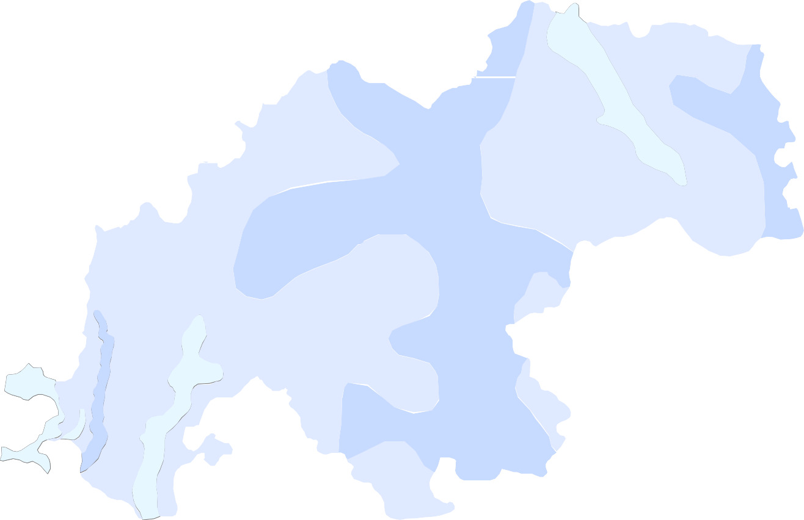  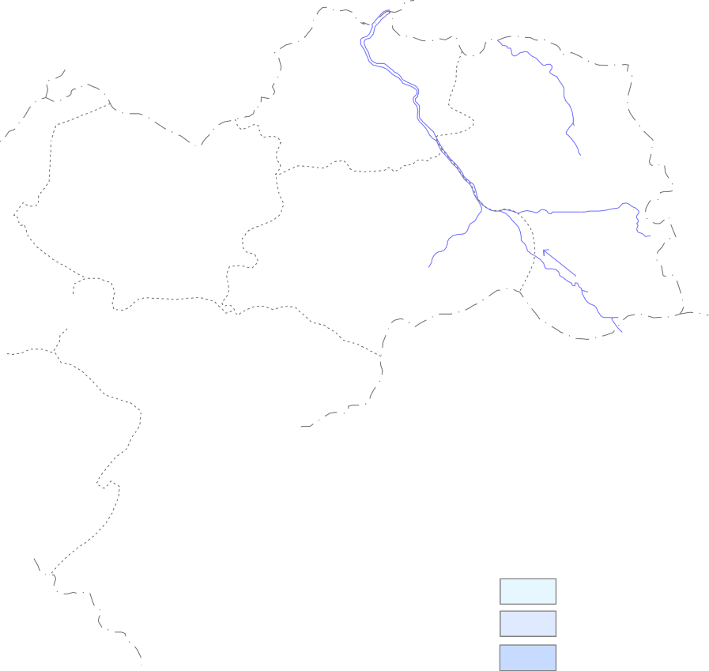 |  | · |  |  |  | Premonsoon (May 2012) Depth to Water Level in Kanker District  0 14 kilometres · D u r g D i s t r i c t Charama Narharpur  · · · Bhanupratappur Sendur N · · ·  · · · · · Khandi N Kanker  Durgukondal · ·  · · Antagarh · · Koylibera  · L e g e n d Depth to Water Level ( m bgl ) 0 - 5 5 - 10 10 - 15 · 7 National Hydrograph Stations |  |  |  |  |  |  |  |  |  |  |  |  |  |  |  |  |  |  |  |  |  |  |  |  |  |  |  |  |  |  |  |  |  |  |  |  |  |  |  |  |  |  |  |  |  |  |  |  |  | 28
30'
15'
20°
00'
45'
80° |  |  | 30' |  |  |  |  |  | 45' 81° |  |  |  |  |  |  |  |  | 00' |  |  |  |  |  |  |  |  |  | 15' |  |  |  |  |  |  |  |  |  |  |  |  |  | 30' |  |  |  |  |  |  | 45'
2
Fig. - 3
0° | 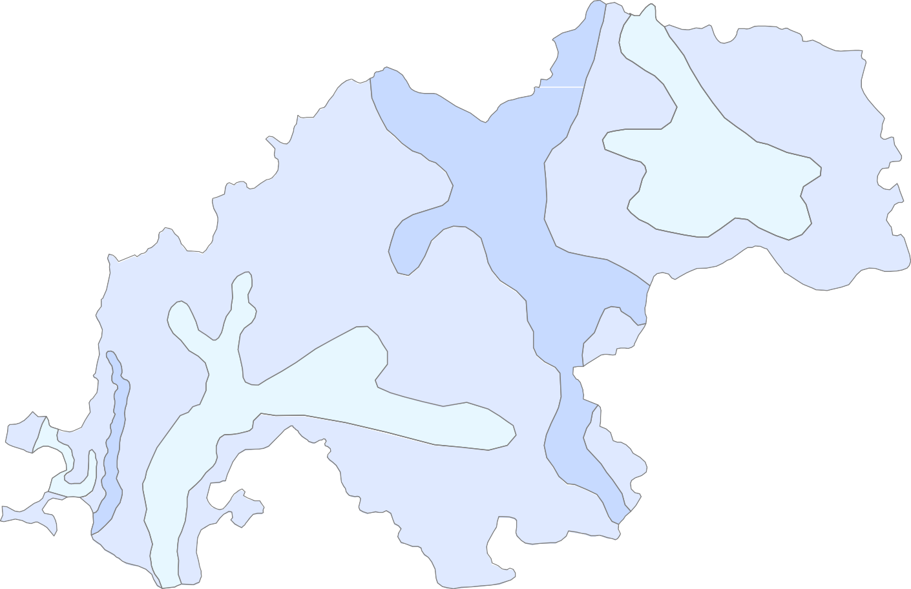 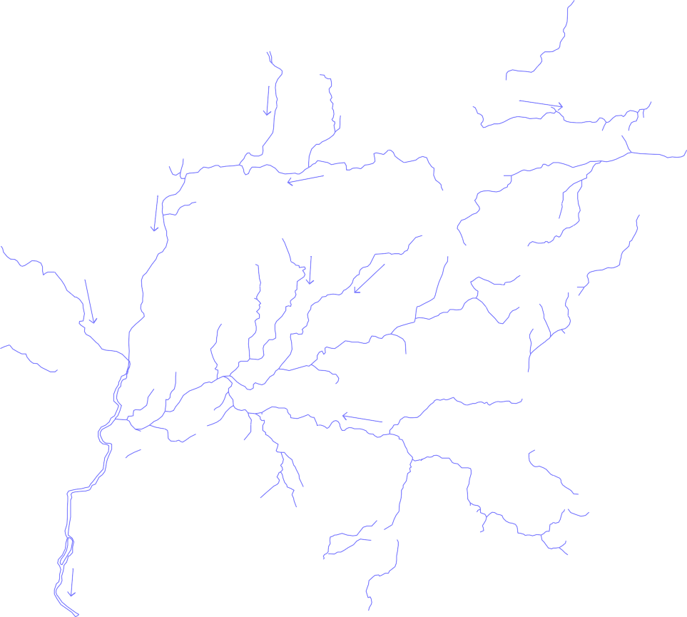 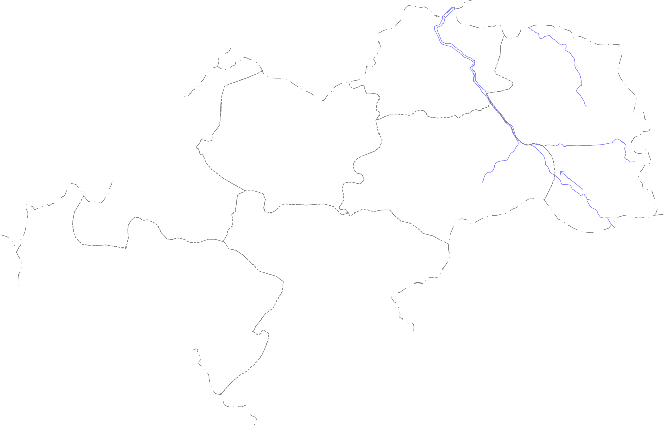 Postmonsoon (Nov2012) Depth to Water Level in Kanker District  0 14 28 kilometres · D u r g D i s t r i c t Charama Narharpur  · · · Bhanupratappur Sendur N · · ·  · · · · · Khandi N Kanker  Durgukondal ·  · · · Antagarh · · · Koylibera  · L e g e n d Depth to Water Level ( m bgl ) 0 - 3 3 - 5 5 - 10 · 8 National Hydrograph Stations
30'
15' 20°
00'
45'
80° |  |  | 30' |  |  |  |  |  |  |  | 45' 81° |  |  |  |  |  |  |  |  |  | 00' |  |  |  |  |  |  |  |  |  | 15' |  |  |  |  |  |  |  |  |  |  |  |  |  |  | 30' |  |  |  |  |  | 45'
2

raising trend in 8 no of stations and a falling trend in 11 no of stations. The discharge in granites varies from 1 to 23 lps. Nearly 21% of the exploratory wells drilled by the department yielded less than 1 lps. About 65 % wells recorded yield in the range of 1 to 5 lps and in the remaining 14% it was more than 5 lps. The Transmissivity value for granites varies from 14 to 194 m2/day. 3. Ground water resource (As on March 2009) The ground water resources for Kanker district has been estimated based on the GEC.1997 methodology. The estimates indicate that the annual replenishable ground water resource for the district is 87764.34 Ham. The net annual ground water availability is 83376.11 Ham. The gross annual draft has been estimated as 17349.74 Ham and out of which, the draft for irrigation is 15797.06 Ham and for domestic & industrial water supply purpose is 1552.68. The ground water resources for Kanker district is given below and presented in fig 4
Ground water resources for Kanker district
Command / Non Command |  |  |  |  | Total Annual Recharge in Ham |  |  | Net Ground Water Availability in Ham |  |  |  |  | Existing Gross Ground Water Draft for Irrigation in Ham |  |  |  | Existing Gross GW Draft for Domestic & Industrial Water Supply in Ham |  |  |  |  |  | Existing Gross Ground Water Draft for All Uses in Ham |  |  |  |  | Allocatio n For Domestic & Industrial Water Supply in Ham |  |  |  |  |  | Net Ground Water Availability for Future Irrigation Developme nt in Ham |  |  |  |  |  |  |  |  |  | Stage of Ground Water Developmen t in %
Antagarh
Command |  |  |  |  | 253.63 |  |  | 240.95 |  |  |  |  | 69.06 |  |  |  | 1.89 |  |  |  |  |  | 70.95 |  |  |  |  | 2.5 |  |  |  |  |  | 169.39 |  |  |  |  |  |  |  |  |  | 29.44
Non Command |  |  |  |  | 12046.34 |  |  | 11444.02 |  |  |  |  | 779.5 |  |  |  | 161.08 |  |  |  |  |  | 940.58 |  |  |  |  | 212.62 |  |  |  |  |  | 10451.9 |  |  |  |  |  |  |  |  |  | 8.22
Block Total |  |  |  |  | 12299.97 |  |  | 11684.97 |  |  |  |  | 848.56 |  |  |  | 162.97 |  |  |  |  |  | 1011.53 |  |  |  |  | 215.12 |  |  |  |  |  | 10621.29 |  |  |  |  |  |  |  |  |  | 8.66
Bhanupratappur
Command |  |  |  |  | 139.86 |  |  | 132.87 |  |  |  |  | 52 |  |  |  | 2.83 |  |  |  |  |  | 54.83 |  |  |  |  | 3.74 |  |  |  |  |  | 77.13 |  |  |  |  |  |  |  |  |  | 41.27
Non Command |  |  |  |  | 9327.74 |  |  | 8861.35 |  |  |  |  | 1473.2 |  |  |  | 198.47 |  |  |  |  |  | 1671.67 |  |  |  |  | 261.96 |  |  |  |  |  | 7126.19 |  |  |  |  |  |  |  |  |  | 18.86
Block Total |  |  |  |  | 9467.6 |  |  | 8994.22 |  |  |  |  | 1525.2 |  |  |  | 201.3 |  |  |  |  |  | 1726.5 |  |  |  |  | 265.7 |  |  |  |  |  | 7203.32 |  |  |  |  |  |  |  |  |  | 19.2
Charama
Command |  |  |  |  | 311.86 |  |  | 296.27 |  |  |  |  | 243.4 |  |  |  | 7.44 |  |  |  |  |  | 250.84 |  |  |  |  | 9.82 |  |  |  |  |  | 43.05 |  |  |  |  |  |  |  |  |  | 84.67
Non Command |  |  |  |  | 8845.52 |  |  | 8403.24 |  |  |  |  | 4421.8 |  |  |  | 233.42 |  |  |  |  |  | 4655.22 |  |  |  |  | 308.1 |  |  |  |  |  | 3673.34 |  |  |  |  |  |  |  |  |  | 55.4
Block Total |  |  |  |  | 9157.38 |  |  | 8699.51 |  |  |  |  | 4665.2 |  |  |  | 240.86 |  |  |  |  |  | 4906.06 |  |  |  |  | 317.92 |  |  |  |  |  | 3716.39 |  |  |  |  |  |  |  |  |  | 56.39
Durgkondal
Command |  |  |  |  | 232.61 |  |  | 220.98 |  |  |  |  | 171.2 |  |  |  | 2.67 |  |  |  |  |  | 173.87 |  |  |  |  | 3.53 |  |  |  |  |  | 46.25 |  |  |  |  |  |  |  |  |  | 78.68
Non Command |  |  |  |  | 10874.39 |  |  | 10330.67 |  |  |  |  | 411.56 |  |  |  | 135.57 |  |  |  |  |  | 547.13 |  |  |  |  | 178.95 |  |  |  |  |  | 9740.16 |  |  |  |  |  |  |  |  |  | 5.3
Block Total |  |  |  |  | 11107 |  |  | 10551.65 |  |  |  |  | 582.76 |  |  |  | 138.24 |  |  |  |  |  | 721 |  |  |  |  | 182.48 |  |  |  |  |  | 9786.41 |  |  |  |  |  |  |  |  |  | 6.83
Kanker
Command |  |  |  |  | 195.1 |  |  | 185.34 |  |  |  |  | 153.8 |  |  |  | 3.77 |  |  |  |  |  | 157.57 |  |  |  |  | 4.98 |  |  |  |  |  | 26.56 |  |  |  |  |  |  |  |  |  | 85.01
Non Command |  |  |  |  | 9326.11 |  |  | 8859.8 |  |  |  |  | 3584.16 |  |  |  | 203.98 |  |  |  |  |  | 3788.14 |  |  |  |  | 269.24 |  |  |  |  |  | 5006.4 |  |  |  |  |  |  |  |  |  | 42.76
Block Total |  |  |  |  | 9521.21 |  |  | 9045.14 |  |  |  |  | 3737.96 |  |  |  | 207.75 |  |  |  |  |  | 3945.71 |  |  |  |  | 274.22 |  |  |  |  |  | 5032.96 |  |  |  |  |  |  |  |  |  | 43.62
Koilibeda
Command |  |  |  |  | 1452 |  |  | 1379.4 |  |  |  |  | 97.46 |  |  |  | 21.86 |  |  |  |  |  | 119.32 |  |  |  |  | 28.85 |  |  |  |  |  | 1253.09 |  |  |  |  |  |  |  |  |  | 8.65
Non Command |  |  |  |  | 23895.74 |  |  | 22700.95 |  |  |  |  | 1579.16 |  |  |  | 330.69 |  |  |  |  |  | 1909.85 |  |  |  |  | 436.48 |  |  |  |  |  | 20685.31 |  |  |  |  |  |  |  |  |  | 8.41
Block Total |  |  |  |  | 25347.74 |  |  | 24080.35 |  |  |  |  | 1676.62 |  |  |  | 352.55 |  |  |  |  |  | 2029.17 |  |  |  |  | 465.33 |  |  |  |  |  | 21938.4 |  |  |  |  |  |  |  |  |  | 8.43
Narharpur
Command |  |  |  |  | 274.83 |  |  | 261.09 |  |  |  |  | 220.2 |  |  |  | 5.32 |  |  |  |  |  | 225.52 |  |  |  |  | 7.01 |  |  |  |  |  | 33.88 |  |  |  |  |  |  |  |  |  | 86.38
Non Command |  |  |  |  | 10588.61 |  |  | 10059.18 |  |  |  |  | 2540.56 |  |  |  | 243.69 |  |  |  |  |  | 2784.25 |  |  |  |  | 321.65 |  |  |  |  |  | 7196.97 |  |  |  |  |  |  |  |  |  | 27.68
Block Total |  |  |  |  | 10863.44 |  |  | 10320.27 |  |  |  |  | 2760.76 |  |  |  | 249.01 |  |  |  |  |  | 3009.77 |  |  |  |  | 328.66 |  |  |  |  |  | 7230.85 |  |  |  |  |  |  |  |  |  | 29.16
DISTRICT TOTAL |  |  |  |  | 87764.34 |  |  | 83376.11 |  |  |  |  | 15797.06 |  |  |  | 1552.68 |  |  |  |  |  | 17349.74 |  |  |  |  | 2049.43 |  |  |  |  |  | 65529.62 |  |  |  |  |  |  |  |  |  | 20.81
4. Ground water development The ground water development estimated for Kanker block is 43.62%, for Charama block is 56.39%, for Narharpur block is 29.16%, for Bhanupratappur block is 19.20%, for Koylibeda block is 8.43%, for Durgkondal blocks is 6.83% and for Antagarh block is 8.66%. The overall stage of ground water development for the district is 20.81%. Fig.4 shows the stage of ground water development in the district and Fig.5 shows the yield potential and suitable abstraction structures for the area . The dug well depth varies from 6 to 15 m and the dia varies from 2.4 to 3.1 m. The bore wells drilled in the area are 60 to 90m deep with dia varying from 0.1 to 0.15 m. Diesel or electric operated pumps of 0.25 to 1HP or traditional teda is used to lift the water from dug wells for the irrigation purposes. The electrical pump or rope and bucket is used to lift the water for domestic purpose. Submersible electical pumps of 3 to 5 HP are used for irrigation purpose in case of bore wells in the area. The bore wells in granitic terrain can irrigate an area of 0.5 to1.5 ha paddy crop The ground water is the main sources of drinking water in the district covering 1003 no of villages. In all 5119 no of bore wells and 4481 no of dug wells are existing in the district. Together they irrigate around 7221 ha. The contribution of ground water for irrigation comes to nearly 48% in the district. The use of ground water in non-command area is maximum. 5. Ground water quality The water samples collected from NHS stations during the month of May (pre- monsoon) were analysed to determine the quality of ground water in the district. The EC and pH values were measured at the site during the Reappraisal Hydrogeological Surveys in the year 2011. The major ions as per BIS standard indicates that ground water in the district is suitable for all purposes. The plot of Piper tri linear diagram and US salinity diagra

Fig. No.- 4
0° | 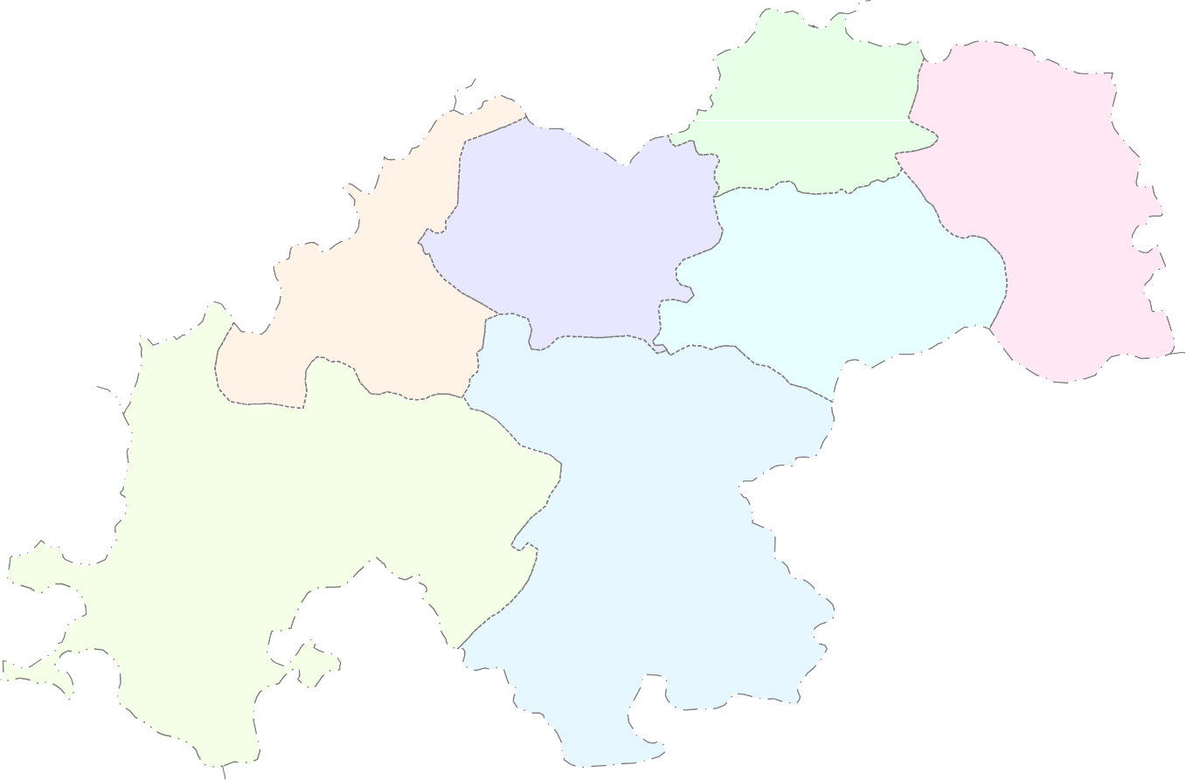 Ground Water Resource (as on March 2009) Map of Kanker District  0 14 28 kilometres D u r g D i s t r i c t Charama Narharpur  8699.51 4906.06 3716.39 56.39 10320.27 3009.77 Bhanupratappur 7230.85 29.16  8994.22 1726.5  Kanker Durgukondal 7203.32 19.2  9045.14 3945.71 10652.23 777.27 5032.96 43.62 9835.22 7.30 Antagarh  24080.35 2029.17 21938.4 8.43 Koylibera 11684.97 1011.53  10621.29 8.66 L e g e n d Net Ground water Ground water draft availability (ham) (ham) Ground water resources Stage of ground water for future use (ham) development (%)
30'
15' 20°
00'
45'
80° |  |  | 30' |  |  |  |  |  |  | 45' 81° |  |  |  |  |  |  |  |  | 00' |  |  |  |  |  |  |  |  |  | 15' |  |  |  |  |  |  |  |  |  |  |  |  |  | 30' |  |  |  |  |  |  | 45'
2

Fig. - 6
20° |  Yield Potential and Suitable Abstraction Structures in Kanker District  0 14 28 kilometres D u r g D i s t r i c t Charama Narharpur  Bhanupratappur   Kanker  Durgukondal  Antagarh  L e g e n d Koylibera  Area sutaible for Dug well Area suitable for bore well Area suitable for Dug-cum bore well Ground Water Potential ( YIELD, Litres / Sec. ) 0 - 3 1 - 5 1 - 8 Aquifers with Secondary Intergranular Porosity and Fractured
30'
15' 20°
00'
45'
80° |  | 30' |  |  |  |  |  | 45' 81° |  |  |  |  |  |  | 00' |  |  |  |  |  |  |  | 15' |  |  |  |  |  |  |  |  |  | 30' |  |  |  |  |  |  |  |  |  |  |  |  | 45'

7. Water conservation and Artificial Recharge The average annual rainfall for the district is 1090mm. There exist a huge surplus non-committed run off in the district. Rain water harvesting and artificial recharge structures at suitable locations can be constructed to improve the storage capacity of the surface and subsurface reservoirs. Fig 6 is presented to show the area suitable for artificial recharge and future ground water development. 8. Awareness and Training activity So far one no. of Training programme on ground water conservation and artificial recharge in the year 2008 were conducted by the department at Kanker. Representatives from PHED, State Ground Water Survey Department, Forest department, NGO.s, Farmers and Ground Water Professionals were awared during these programmes. Acknowledgement The author is grateful to Shri Sushil Gupta, Chairman, Central Ground Water Board for giving this opportunity for preparation of the .Ground water Brochure. of Koriya district, Chhattisgarh. The author is thankful to Shri K.C. Naik, Regional Director, Central Ground Water Board, NCCR, Raipur for his guidance and constant encouragement for the preparation of this brochure. Help extended by Shri J.R. Verma, Scientist .B. And Shri T.S. Chauhan, Draftsman, Grade-II in preparation of the maps is thankfully acknowledged. MAHESH M. SONKUSARE Scientist ‘C’

Fig. - 5
20° 30' |  |  |  |  | Hydrogeological map of Kanker District |  |  |  |  |  |  |  |  |  |  |  |  |  |  |  |  |  |  |  |  |  |  |  |  |  |  |  |  |  |  |  |  |  |  |  |  |  |  |  |  |  |  |  |  |  |  |  |  |  |  |  |  |  |  |  |  |  | 3 1400 |  |  |  |  |  | 3 3 3  3 3 3· 3  |  |  |  |  |  |  |  |  |  |  |  | 3 3 3 |  |  |  |  |  | 3 3 3  470
 3 3 |  |  |  |  |  |  |  |  |  |  |  |  |  |  |  |  |  |  |  |  |  |  |  |  |  |  |  |  |  |  |  |  |  |  |  |  |  |  |  |  |  |  |  |  |  |  |  |  |  |  |  |  |  |  |  |  |  |  |  |  |  |  |  |  |  |  |  |  |  |  | 3 C3har3ama 3 |  |  |  |  |  |  |  |  |  |  |  | 3 3 3 3 3 |  |  |  |  |  |  |  |  |  | 3 3 3 3 3
    538 |  |  |  |  |  |  |  |  |  |  |  |  |  |  |  |  |  |  |  |  |  |  |  |  |  |  |  |  |  |  |  |  |  |  |  |  |  |  |  |  |  |  |  |  |  |  |  |  |  |  |  |  | 3 3 3 3 3 |  |  |  |  |  |  |  |  |  |  |  |  |  |  |  |  |  | 3 3 3 3 3  3 3 3 3 3 |  |  |  |  |  |  |  |  |  |  |  | 3 3 3 3 3 492  3 |  |  |  |  |  |  |  |  |  | 3 3 3 3 3  3 3 3 3 · 
0 10 20 |  |  |  |  |  |  |  |  |  |  |  |  |  |  |  |  |  |  |  |  |  |  |  |  |  |  |  |  |  |  |  |  |  |  |  |  |  |  |    |  |  |  |  |  |  |  |  |  |  ·  |  |  |  |  |  |  |  |  |  | 3 3 3 3 3 3 3 3 3 570  · |  |  |  |  |  |  |  |  |  |  |  |  |  |  |  |  |  |  |  |  |  |  |  |  | 3 3 3 3 3 3  |  |  |  |  |  |  |  |  |  |  |  |  |  | 400
kilometers |  |  |  |  |  |  |  |  |  |  |  |  |  |  |  |  |  |  |  |  |  |  |  |  |  |  |  |  |  |  |  |  |  |  |  |  | 400 |  |  |  |  |  |  |  |    |  |  |  |     3 3 3 |  |  |  |  |  |  |  |  |  |  |  |  |  |  |  |  | 3 3 3 3 3  |  |  |  |  |  |  |  |  |  | 3 3 3 3 3  |  |  |  |  |  |  |  |  |  |  | 3 3 3  |  |  |  |  |  | 3 3 3 |  |  |  | 3 3 3
   |  |  |  |  |  |  |  |  |  |  |  |  |  |  |  |  |  |  |  |  |  |  |  |  |  |  |  |  |  |  |  |  |  |  |  |  |  |  |  |  |  |  |  |  |  |  |  |  |      |  |  |  |  |  |  |  |  |  |  |  |  |  | 3 3 3 |  |  |  |  | Se3 ndu3r N 3 |  |  |  |  |  |  |  |  3 3 3 3 3 |  |  |  |  |  |  |  |  |  |  | 3 3 3 |  |  |  |  |  | 3 3 3 |  |  |  | 3 3 3
· ·    
   |  |  |  |  |  |  |  |  |  |  |  |  |  |  |  |  |  |  |  |  |  |  |  |  |  |  |  |  |  |  |  |  |  |  |  |  |  |  |  |  |  |  |  |  |  |  |  |   |  |  |    |  |  |  |  |  |  |  |  3 |  |  |  |  | 3 718 3 3 3 |  |  |  |  |  |  | 3 3 3 |  |  |  |  |  |  | · 3 K3ank3 er3 3 |  |  |  |  |  |  |  |  |  |  | 3 3 3 3 |  |  |  |  |  |  | 3 3 43 05 3
 Bha |  |  |  |  |  |  |  |  |  |  |  |  |  |  |  |  |  |  |  |  |  |  |  |  |  |  |  |  |  |  |  |  |  |  |  |  |  |  |  |  |  |  |  |  |  |  |  |  |  |  |  |  | tappur |  |  |  |  |  |  |  |  |  |  |  |  |  | · ·   
. .    |  |  |  |  |  |  |  |  |  |  |  |  |  |  |  |  |  |  |  |  |  |  |  |  |  |  |  |  |  |  |  |  |  |  |  |  |  |  |  |  |  |  |  |  |  |  |    |  |  |  | nupra  526 |  |  |  |  |  |  |   3 3 3 3 |  |  |  |  |  |  |  |  |  |  |  |  | 3 3 3 |  |  |  |  |  |  |  |  |   · 3   3 3 3 3  |  |  |  |  |  |  |  |  |  |  |  |  | 3 3 · 3
15' |  |  |  |  |  |  |  |  |  | . .     |  |  |  |  |  |  |  |  |  |  |  |  |  |  |  |  |  |  |  |  |  |  |  |  |  |  |  |  |  |  |  |  |  |  |  |  |  |     |  |  |  |  |  |  |     3 3 |  |  |  |  |  |  |  |  |  |  |  |  |  | 3 3 3 3 3 3 |  |  |  |  |  |  |  |  |  |  |  |  | 3 3 3 |  |  |  |  |  |  | 3 3 3 |  |  |  |  | 3 3 3 688 |  |  |  |  | 3 3 3 
. . 644 |  |  |  |  |  |  |  |  |  |  |  |  |  |  |  |  |  |  |  |  |  |  |  |  |  |  |  |  |  |  |  |  |  |  |  |  |  |  |  |  |  |  |  |     |  |  |  |  | ·    |  |  |  |  |  |  |  |  |  |    |  |  |  |  |  |  |  | 3 3 3 |  |  |  |  |  |  |  |  |  |  |  | 3 6983 |  |  |  | 3 3 3 3 3 |  |  |  |  |  |  |  |  |  | 3 3 3 |  |  |  | 3 3 3
402 |  |  |  |  |  |  |  |  |  |  |  |  |  |  |  |  |  |  |  |  |  |  |  |  |  |  |  |  |  |  |  |  |  |   ·  |  |  |  |  |  |  |  |  |  |  |  |  |  |  |  |  |  |  |  |  |  |  |  |  |  |  |  |  |  |  |  |  |  
 . . . |  |  |  |  |  |  |  |  |  |  |  |  |  |  |  |  |  |  |  |  |  |  |  |  |  |  |  |  |  |  |  |  |  | Durgukondal   |  |  |  |  |  |  |  |  |  |  |  |  |  |  |    |  |  |  |  |  |  |  |      3 3 |  |  |  |  |  |  |  |  |  |  |  |  |  |  | 3 3 3 |  |  |  |  |  |  |  |  | 3 3 3 |  |  |  |  |  | 3 3 3 |  |  |  |  |  | 3 3 3 |  |  |  | 3 3 3 |  |  |  |  |  | 3 500
   |  |  |  |  |  |  |  |  |  |  |  |  |  |  |  |  |  |  |  |  |  | & & . & |  |  |  |  | .  . · |  |  |  |  |  |  |  |  |  |  |  |         |  |  |  |  |  |  |  |  |  |  |  |  |  |  |  |  |  |  |  |  |    |  |  |  |  |  |   3 3 3 |  |  |  |  |  |  |  |  |  |  | 3 3 3 3 3 |  |  |  |  |  |  |  |  |  |  |  |  | 3 3 3 |  |  |  |  |  |  | 3 3 3 3
3     & & |  |  |  |  |  |  |  |  |  |  |  |  |  |  |  |  |  |  |  |  |  |  |  |  |  | . . . |  |  |  |  |  |  |  |  |  |  |  |  |  |     |  |  |  |  |  |  |  |    |  |  |  |  |      · |  |  |  |  |  |  |  |  |  |  |  |  |    3 3 3 3 |  |  |  |  |  |  |  |  |  |  |  |  |  |  |  |  |  |  |  |  |  | 3 3 3
3 537 |  |  |  |  |  |  |  |  |  |  |  |  |  |  |  |  |  |  |  |  |    &  . . |  |  |  |  |  |  |  |  |  |  |  |  | .    |  |  |  |  |  |  |  |  |  |  |  |  |  | 431   |  |  |  |    |  |  |  |  |  |  |  |  |  |  |  |     3 |  |  |  |  |  |  |  |  | 500
&  Antagarh
3    |  |  |  |  |  |  |  |  |  |  |  |  |  |  |  |  |  |  |  |  |   & . . . |  |  |  |  |  |  |  |  |  |  |  |  | .   |  |  |  |  |  |  |  |  |  |  |  |  |      |  |  |  |  |  |  |  |    |  |  |  |  |  |  |  |  |    3 3 3 |  |  |  |  |  |  |  |  |  |  |  |  |  |  |  |  |  |  |  |  |  |  | L e g e n d
· &  |  |  |  |  |  |  |  |  |  |  |  |  |  |  |  |  |  |  |  |  |  |  |  |  |  |  |  |  |  |  |  |  |  |  |  |  |  |  |  |  |  |  |  |  |  |  |  |  |   ·
     & . & |  |  |  |  |  |  |  |  |  |  |  |  |  |  |  |  |  |  |  |  |  |  |  |  |  |  |  |  | . . 499 |  |  |  |  |  |  |  |  |  |  |  |  .   |  |  |  |  |     |  |  |    |  |  |  |  |  |   674 |  |  |  |  |  |   687   3 3 3 |  |  |  |  |  |  |  |  |  |  |  |  |  |  |  |  |  |  |  |  |  |  |  | Formation |  |  |  |  |  |  |  |  |  |  |  |  |  |  |  |  | Lithology
   |  |  |  |  |  |  |  |  |  |  |  |  |  |  |  |  |  |  |  |  |   & . . . |  |  |  |  |  |  |  |  |  |  |  |  |  |  | .    |  |  |  |  |  |  |  |  |  |  |  |     |  |  |  |  |  |  |  |  |       3
   · |  |  |  |  |  |  |  |  |  |  |  |  |  |  |  |  |  |  |  |  |  |  |  |  |  |  |  |  |  |  |  |  |  |  |  |  |  |  |  |  |  |  |  |  |  |  |  |  |    |  |  |  |  |  |  |  |  |  |  |  |  |  |  |  |  |  |  |  |  |  |  |  |  |  |  |  |  |  |  |  |  |  |  |  |  | Unconsolidated formation Laterite
20° 00' |  |  |  |  |  |  |  |  |  | 3 415  3   |  |  |  |  |  |  |  |   378    |  |  |  |  |  |  | & . . . &  & . . . |  |  |  |  |  |  |  |  |  |  |   .  |  |  |  |  |  |  |  |  |  |         |  |  |  |  |          |  |  |  |  |  |  |  |  |  |        |  |  |  |  |  |  |  |  |  |  |  |  |  |  |  |  |  |  |  |  |  |  |  |  |  |  |  |  |  | Intrusive Maspur trap |  |  |  |  |  |  |  |  | Quartz vein /Dolerite dyke Basalt and gabbro
& Koylibera   
3 3 3   |  |  |  |  |  |  |  |  |  |  |  |  |  |  |  |  |  |  |  |  |  |   . .  |  |  |  |  |  |  |  |  |  |  |  |  |  |  |      |  |  |  |  |  |  |  |  |  |  |  |    |  |  |  |  |  ·  |  |  |  |  |  |  |  |  |  |      |  |  |  |  |  |  |  |  |  |  |  |  |  |  |  |  |  |  |  |  |  |  |  |  |  |  | Gundul formation
& |  |  |  |  |  |  |  |  |  |  |  |  |  |  |  |  |  |  |  |  |  |  |  |  |  |  |  |  |  |  |  |  |  |  |  |  |  |  |  |  |  |  |  |  |  |    |  |  |  |  |  |  |  |  |  |  |  |     |  |  |  |  |  |  |  |  |  |  |  |  |  |  |  |  |  |  |  |  |  |  |  |  |  |  |  |  |  | Shale, Sandstone and conglomerate
3 3  3 3 3 |  |  |  |  |  |  |  |  |  |  |  |  |  |  |  |  |  |  |  |    . . |  |  |  |  |  |  |  |  |  |  |  | & & & |  |  |  |  |  |  |  |  |  |  |         |  |  |  |  |  |  |  |  |  |  |  |  |  |  |  |  |  |  |  |  692  |  |  |  |  |  |  |  |  |  |  | Dongargarh |  |  |  |  |  |  |  |  |  |  |  |  |  |  | Dongargarh granite |  |  |  |  |  |  |  |  |  |  |  |  | Granite and gneiss
394 |  |  |  |  |  |  |  |  |  | & |  |  |  |  |  |  |  |  |  |  |  |  |  |  |  |  |  |  |  |  |  |  |  |  |  |  |  |  |  |  |  |  |  |  |  |  |  |  |      |  |  |  |  |  |  |  |  |  |  |  |  |  |  |  |  |  |  |  |  |  |  |  |  | group
3 3 3 |  |  |  |  |  |  |  |  |  | 3 3 3 3 |  |  |  |  |  |  |  | 3   . |  |  |  |  |  |  |  |  | . 673 & |  |  |  |  |  |  |  |  |  |  |     |  |  |  |  |  |  |  |  |  |  |    |  |  |  |  |  |  |  |  |  |  |  |    |  |  |  |  |  |    |  |  |  |  |  |  |  | Rajnandgaon |  |  |  |  |  |  |  |  |  |  |  |  |  | Pitepani andesite |  |  |  |  |  |  |  |  |  |  |  | Andesite, basalt and gabbro
3 3 3 3 |  |  |  |  |  |  |  |  |  |  |  |  |  |  |  |  |  | & 3  3 . |  |  |  |  |  |  |  |  |  |  |  |  |  |  |  |  |  |  |  |    |  |  |  |  |  |  |  |  |  |  |      |  |  |  |  |  |  |  |  |    |  |  |  |  |  |  |  |    3 3 |  |  |  |  |  |  |  |  |  | Group 3 |  |  |  |  |  |  |  |     |  |  |  |  |  |  |  | Bijli rhyolite |  |  |  |  |  |  |  | Rhyolite and its variants
3 340 |  |  |  |  |  |  |  |  |  |  |  |  3 |  | 3    3 . |  |  |  |  |  |  |  |  |  |  |  |  |  |  |  |  |  |  |  |  |      |  |  |  |  |  |  |  |  |  |  |  |  |  |  |     |  |  |  |  |  |  |  |  |  |  |  |       |  |  |  |  |  |  |  | 735 3 3 |  |  |  |  |  |  |  |  |  |  |    |  |  |  |  |  |  |  |  |  |  | Iron ore formation Loa formation |  |  |  |  |  |  |  |  |  | BHQ, shale and phyllite Tuffeceous shale and felspathic quartzite
3 3  |  |  |  |  |  |  |  |  |  |  |  |  |  |  |  |   441 |  |  |  |  |   300 . . . . |  |  |  |  |  |  |  |  |  |  |  |  |  |  |  |  |  |  |  |  |     |  |  |  |  |  |  |  |  |  |  |  |  |  |    |  |  |  |  |  |  |  |  |    3 3 3 |  |  |  |  |  |  |  |  |  |  |  |  |  |  |  |  |    |  |  |  |  |  |  |  |  | Bengpal gneissic complex Granite, gneiss and migmetite
45' |  |  |  | 3 3 3 |  |  |  |  |  | 3     3 . 3  3 3 . 3 3 3  |  |  |  |  |  |  |  |  |  |  |  |  |  |  |  |  |  |  |  |  |  |  |  |  |  |  |  |  |  |  |  |  |  |  |  |  |  |  |      3      3  |  |  |  |  |  |  |  |  |  |  |  |  |  |  |  |  |  |  |  |  |  |  |  |  |  |  |  |  |  |  |  |  |  | Ultramafic Water table countour ( m amsl ) |  |  |  |  |  |  |  |  |  |  |  |  |  |  |  |  |  |  |  | Ultramafic Lineament
3 3 . . |  |  |  |  |  |  |  |  |  |  |  |  |  |  |  |  |  |  |  |  |  |  |  | 300 |  |  |  |  |  |  |  |  |  |  |  |  |  |  |  |  |  |  |  |  |  |  |  |  |    |  |  |  |  |  |  |  |  |  |  |  |  |  |  |  |  |  | Ground Water Flow Direction · |  |  |  |  |  |  |  |  |  |  |  |  |  |  |  |  |  |  |  |  |  |  |  |  |  |  |  |  |  |  |  |  |  |  |  |  | National Hydrograph Station
Ground Water Potential ( YIELD, Litres / Sec. ) |  |  |  |  |  |  |  |  |  |  |  |  |  |  |  |  |  |  |  |  |  |  |  |  |  |  |  |  |  |  |  |  |  |  |  |  |  |  |  |  |  |  |  |  |  |  |  |  |  |  |  |  |  |  |  |  |  |  |  |  |  |  |  |  |  |  |  |  |  |  |  |  |  |  |  |  |  |  |  | Drainage |  |  |  |  |  |  |  |  |  |  |  |  |  |  |  |  |  Exploratory Well
0 -3 |  |  |  |  |  |  |  |  |  |  |  |  |  |  |  |  |  |  |  |  |  |  |  |  |  |  |  |  |  |  |  |  |  |  |  |  |  |  |  |  |  |  |  |  |  |  |  |  |  |  |  |  |  |  |  |  |  |  |  | 1 - 5 |  |  |  |  |  |  | 1 - 8 |  |  |  |  |  |  |  |  | 1100 |  |  |  |  |  |  |  |  |  | Surface Water Divide Isohyet (mm) |  |  |  |  |  |  |  |  |  |  |  |  |  Block Headquarter  District Headquarter
Aquifer with Secondary Porosity & Fractured |  |  |  |  |  |  |  |  |  |  |  |  |  |  |  |  |  |  |  |  |  |  |  |  |  |  |  |  |  |  |  |  |  |  |  |  |  |  |  |  |  |  |  |  |  |  |  |  |  |  |  |  |  |  |  |  |  |  |  |  |  |  |  |  |  |  |  |  |  |  |  |  |  |  |  |  |  | 431 |  |  |  |  |  |  |  Triangulation height in m amsl
80° |  |  |  |  |  |  |  |  |  | 30' |  |  |  |  |  |  |  |  |  | 45' |  |  |  |  |  |  |  |  |  |  |  |  |  |  |  |  |  |  |  | 81° |  |  |  |  |  |  |  | 00' | 15' 30' |  |  |  |  |  |  |  |  |  |  |  |  |  |  |  |  |  |  |  |  |  |  |  |  |  |  |  |  |  |  |  |  |  |  |  |  |  |  |  |  |  |  |  |  |  | 45'

