Table 1
For Official use
GOVERNMENT OF INDIA MINISTY OF WATER RESOURCES CENTRAL GROUND WATER BOARD GROUND WATER BROCHURE OF KAWARDHA DISTRICT, CHHATTISGARH 2012-2013
Pandariya Bodla
Kawardha Sahaspur Lohara
Regional Director North Central Chhattisgarh Region, Reena Apartment, IInd Floor, NH-43, Pachpedi Naka, Raipur-492001 (C.G.) Ph. No. 0771-2413903, 2413689 E-mail: rdnccr- cgwb@nic.in
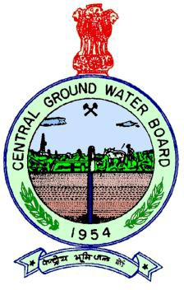

GROUND WATER BROCHURE OF KAWARDHA DISTRICT DISTRICT AT A GLANCE
I |  | General
 |  | Geographical area |  |  |  |  |  |  |  |  |  |  |  |  |  | 3416 Km2
 |  | Villages |  |  |  |  |  |  |  |  |  |  |  |  |  | 1003
 |  | Development blocks |  |  |  |  |  |  |  |  |  |  |  |  |  | 4
 |  | Population Male Female |  |  |  |  |  |  |  |  |  |  |  |  |  | 1620632 816057 804575
 |  | Average annual rainfall |  |  |  |  |  |  |  |  |  |  |  |  |  | 1232 mm
 |  | Major physiographic units |  |  |  |  |  |  |  |  |  |  |  |  |  | Chhattisgarh plain
 |  | Major Drainage |  |  |  |  |  |  |  |  |  |  |  |  |  | Seonath ,Mahanadi basin Banjara sub-basin,Narmada basin
 |  | Forest area |  |  |  |  |  |  |  |  |  |  |  |  |  | Reserved: 710.58 Km2 Protected: 927.74 Km2
II |  | Major Soil types
 |  | Black soils (Inceptisols and vertisols) |  |  |  |  |  |  |  |  |  |  |  |  |  | 70 % area
 |  | Red and yellow soils (Ultisols) |  |  |  |  |  |  |  |  |  |  |  |  |  | 10 % area
 |  | Red soils (Alfisols) |  |  |  |  |  |  |  |  |  |  |  |  |  | 20% area
III |  | Principal Crops(2012)
 |  | Paddy |  |  |  |  |  |  |  |  |  |  |  |  |  | 304.20 Km2
 |  | Wheat |  |  |  |  |  |  |  |  |  |  |  |  |  | 29.10 Km2
 |  | Pulses |  |  |  |  |  |  |  |  |  |  |  |  |  | 127.86 Km2
IV |  | Irrigation (2012)
 |  | Net sown area |  |  |  |  |  |  |  |  |  |  |  |  |  | 1849.75 Km2
 |  | Gross sown area |  |  |  |  |  |  |  |  |  |  |  |  |  | 2419.27 Km2
 |  | Gross irrigated area
 |  | By Dugwell |  |  |  |  |  |  |  |  |  |  |  |  |  | 5.10 Km2
 |  | By tubewells |  |  |  |  |  |  |  |  |  |  |  |  |  | 304.52 Km2
 |  | By tanks and ponds |  |  |  |  |  |  |  |  |  |  |  |  |  | 29.23 Km2
 |  | By Canals |  |  |  |  |  |  |  |  |  |  |  |  |  | 187.42 Km2
 |  | By other sources |  |  |  |  |  |  |  |  |  |  |  |  |  | 29.78 Km2
V |  | Monitoring wells (by CGWB)
 |  | Dug wells |  |  |  |  |  |  |  |  |  |  |  |  |  | 10
 |  | Piezometers |  |  |  |  |  |  |  |  |  |  |  |  |  | 4
VI |  | Geology
Granitoids, Metasedimets and Proterpzoic sedimentaries
VII |  | Hydrogeology
 |  | Water bearing formation |  |  |  |  |  |  |  |  |  |  |  |  |  | Weathered and fractured hard rocks (metasediments; granites and
 |  |  |  |  |  |  |  |  |  |  |  |  |  |  |  | gneisses; Proterozoic sedimentaries)
 |  | Water level
 |  | Premonsoon water level depth |  |  |  |  |  |  |  |  |  |  |  |  |  | 4 to 12 m major 5 to 10m
 |  | Post monsoon water level depth |  |  |  |  |  |  |  |  |  |  |  |  |  | 2 to 5 Major part 3 to 5m
 |  | Water level trend |  |  |  |  |  |  |  |  |  |  |  |  |  | No falling trends recorded
VIII |  | Ground water exploration
 |  | 1.Wells drilled (as on 31st march 2012)
 |  | Exploration |  |  |  |  |  |  |  |  |  |  |  |  |  | 18
 |  | Observation |  |  |  |  |  |  |  |  |  |  |  |  |  | 3
 |  | Piezometer |  |  |  |  |  |  |  |  |  |  |  |  |  | 5
 |  | 2. Depth range |  |  |  |  |  |  |  |  |  |  |  |  |  | 21-274
 |  | 3. Discharge |  |  |  |  |  |  |  |  |  |  |  |  |  | 1-14.5
 |  | 4. Transmissivity |  |  |  |  |  |  |  |  |  |  |  |  |  | 28.66 to 933.14 m2/day
IX |  | Ground water quality
Ground water, in general is potable in nature. There are no reported case of ground water pollution except a few instances of iron and suphate pollution.
X |  | Ground water resources(2009)
 |  | Annual available resource |  |  |  |  |  |  |  |  |  |  |  |  |  | 28013.73 ham
 |  | Ground water draft |  |  |  |  |  |  |  |  |  |  |  |  |  | 18523.82 ham
 |  | Stage of ground water development |  |  |  |  |  |  |  |  |  |  |  |  |  | 66.12%
XI |  | Awareness and training activities
One training programme on rainwater harvesting and artificial recharge was organized by CGWB, NCCR at Kawardha on 21st February 2007.
XII |  | Artificial recharge and rainwater harvesting
 |  | Projects by CGWB |  |  |  |  |  |  |  |  |  |  |  |  |  | NIL
 |  | Projects under the technical guidance of CGWB |  |  |  |  |  |  |  |  |  |  |  |  |  | NIL
XIII |  | Ground water control and regulation |  |  |  |  |  |  |  |  |  |  |  |  |  | NIL
XIV |  | Major ground water problems and issues |  |  |  |  |  |  |  |  |  |  |  |  |  | NIL
GROUND WATER BROCHURE OF KAWARDHA DISTRICT, CHHATTISGARH By B N WARKE Scientist “C”
1. General Kawardha district is situated in the western part of Chhattisgarh State. The district is bounded by 80°49' E and 81°34' E longitudes; 21°42' N and 22°32' N latitudes. It covers an area of 3416 Km2. The district headquarters is at Kawardha town. There are four blocks in the district. Total population in the district is 1620632 (census report 2011). Out of the total geographical area of 3416 Km2, 127 Km2 area is covered by reserve forests. Net sown area is 1845 Sq. Km. Double cropped area is 475 Sq. Km. Principal crops taken in the study area is paddy. Rabi crop wherever taken is also mostly paddy. Besides paddy, a few legumes and oilseeds are also cultivated but in negligible area. Black soils (Inceptisols and vertisols) cover the most (70%) of the area. Red and yellow soils (Ultisols) and red soils (Alfisols) combinedly cover nearly 30% area. In general, the water holding capacity of alfisol and ultisols are poor though they have good infiltration capacity. Similarly the black soils have moderate infiltration capacity and moderate water holding capacity. The district receives nearly 1232 mm of rainfall caused by SW monsoon. Monsoon strikes during the second week of June and continues upto mid September. A rain fall data is presented in fig 2 Geomorphologically, the central and southern parts of district exhibit landforms of structural hills, valleys and plains with denudational plateaux, pediment/pediplain and flood plains (including in-filled river beds). The northern part of district exhibits landforms of pediment/pediplain with denudational plateaus. Western part is occupied mostly by hills and forests. The district forms mostly a part of Seonath sub basin, with the area in western part forming part of Banjara sub-basin. The tributaries of Seonath and Banjara rivers constitute the surface drainage system of the area. The general

 | 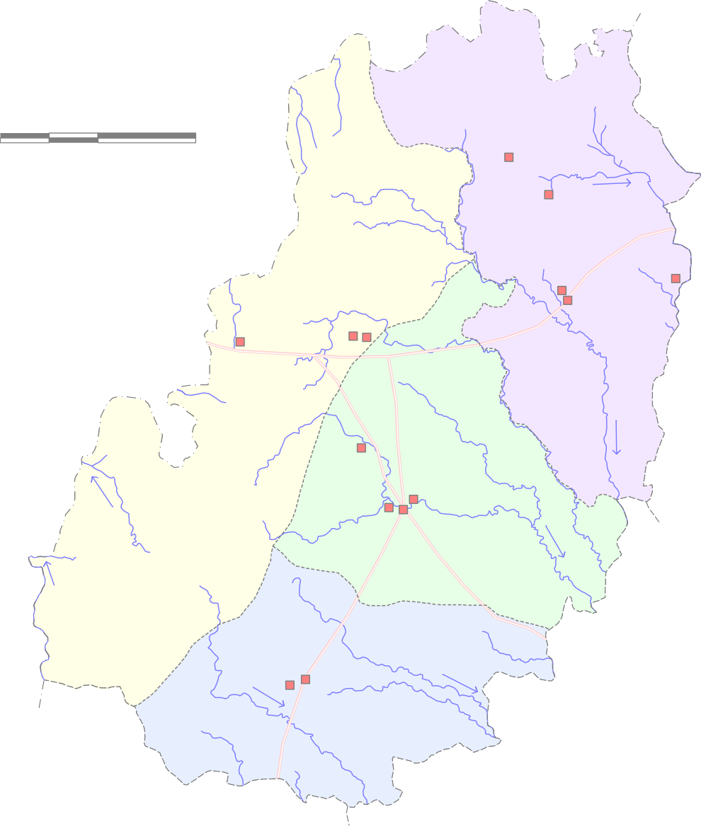 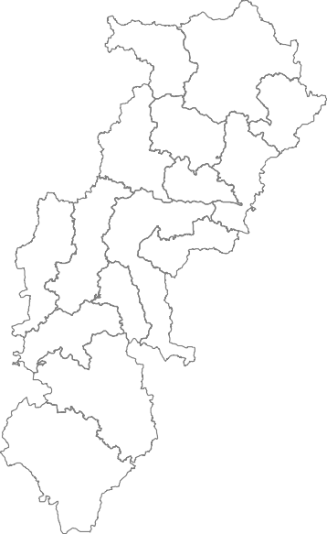 Fig. - 1 Administrative map of Kawardha district  0 11 22 kilometres Pandariya   Bodla         Kawardha S a k r i N    Sahaspur Lohara    
30' 2°
00' 1°
 | L e g e n d State Boundary District Boundary Block Boundary Bodla Place  N.H.S. Exploratory Well  Road Drainage |  |  |  |  |  |  |  |  |  |  |  |  |  |  |  |  |  |  | Key Map Chhattisgarh State
30'
81° |  |  |  |  |  |  |  |  |  | 00' 81° 30'
22°
2
2
most part bearing Banjara sub-basin showing gradient towards west. The maximum elevation in the area is 931 m above mean sea level as recorded in the northwestern part while the minimum elevation of 300 m above mean sea level in the southeastern part. Total canal length of the completed projects in the district is 290 Km. Total catchment area of the projects is 1314 Km2. Gross command area is 305 Km2. Canals in most of the cases run during the monsoon period only. Total canal running days are around 90 during August to October. 2. Geology and Hydrogeology District is underlain by Volcanic rocks of Nandgaon group,Dondargarh granite ,Chipi formation belonging to middle proterozoic age, overlain unconformably by Chattisgarh Super group belonging to upper proterozoic age. Recent to subrecent age alluvial deposits comprising gravel, sand, clay and laterite also occur at places in the area The oldest rocks in the area are represented by Bilaspur-Raigarh-Surguja Group of Archaean Age (4000-2500 m.y.) and are equivalent to Bengpal Group. Nandgaon Group of Palaeo to Meso
Proterozoic Age comprising metabasalt is exposed in the south western part of the district. Malanjkhand Granitoids are also exposed in the southwestern part of the district. Undeformed and unmetamorphosed sedimentary sequence of rocks belonging to Chhattisgarh Supergroup occupy the southeastern and eastcentral part of the district. Chhattisgarh Supergroup is represented by Chandarpur Group and Raipur Group. Central Ground Water Board, till date has drilled a total of 18 exploratory wells, 3 observation wells and 5 piezometers in the district. The area explored formed eastern part of the district which falls under Kawardha,Pandaria and Lohara blocks. The depth of exploration of ground water through drilling was down to depth of 300 mbgl. Most of the wells drilled ended either in Maniyari formation . The yield of these exploratory wells range between 1.0 to 10.85 litres per second for a drawdown ranging between 4.2 and 15 mts, static water level ranged between 2.00 to 8.00 m.b.g.l. The status of exploratory borewells drilled in each formation and their depth range, zone encountered and discharge variation is tabulated in Table
Table 1: Formation wise status of the exploratory borewells
Formation |  |  |  |  | No.of borewell drilled |  | Depth range m bgl |  |  |  |  |  | Casing piped lowered in m | Zone encountered m bgl |  |  |  |  | Discharge in lps in number of wells |  |  |  |  |  |  |  |  |  |  |  |  |  |  | Draw down (m) |  |  |  | T m2/ day |  | S
 |  |  |  |  |  |  |  |  |  |  |  |  |  |  |  |  |  |  | <1 |  |  | 1-3 |  |  |  | 3-5 |  | 5-10 |  |  | >10 |  |  | m |  |  |  | m2/da y
Maniyari fm |  |  |  |  | 4 |  | 250-300 |  |  |  |  |  | 9-30 | 22-30,46- 49,60-65, |  |  |  |  | 1 |  |  | 2 |  |  |  | 1 |  | 1 |  |  |  |  |  | 19 |  |  |  | 33 |  | 0.00006
Hirri fm / Tarenga fm |  |  |  |  | 1 |  | 120 |  |  |  |  |  | 14 | 20-25,30-32 |  |  |  |  | 1 |  |  |  |  |  |  |  |  |  |  |  |  |  |  | 19
Chandi |  |  |  |  | 1 |  | 140 |  |  |  |  |  | 12 | 20-25,40- 45,60-62 |  |  |  |  |  |  |  |  |  |  |  |  |  | 1 |  |  |  |  |  | 15
Gunderdehi |  |  |  |  | 1 |  | 297 |  |  |  |  |  | 12 | 27-30 |  |  |  |  |  |  |  | 1
Pandaria fm |  |  |  |  | 9 |  | 21-137 |  |  |  |  |  | 12-25 | 30-35,45- 50,63-65,70- 71,97-98 |  |  |  |  |  |  |  |  |  |  |  | 2 |  | 6 |  |  | 1 |  |  | 15 |  |  |  | 8-21
Chilpi/cryataline / Andesite |  |  |  |  | 2 |  | 150 |  |  |  |  |  | 14 | 30-35,45- 50,63-65,70- 71 |  |  |  |  |  |  |  |  |  |  |  |  |  | 1 |  |  | 1 |  |  | 35 |  |  |  | 1-14
Ground water potential is variable with average drill time discharges of the borewells ranging from 0 to 15 lps Rocks belonging to Chhattisgarh Supergroup are relatively better aquifers and are exposed in the eastern part. Aquifer parameters have been estimated from preliminary yield tests and aquifer performance tests conducted in the exploratory bore wells of CGWB (Table 1). Transmissivity of shale and limestone ranges from 29 to 107 m2/day. Storativity values of these formations range from 5.69x10 –5 to 1.02 x 10 –3 . One well drilled in the metasediments has yielded nearly 11 lps. Transmissivity value in this well has been estimated to be 993 m2/day and the storativity has been estimated as 2.25x 10 –5. In Chilpi formation , two exploratory borewells have been drilled to a maximum depth of 150 m bgl, a discharge of more than 3 lps has been recorded. The salient features of the exploratory borewells are given in Table 1, with the drilled depth, casing, zone encountered, discharge, drawdown and SWL (mbgl). From the exploratory drilling it is revealed that the water bearing fractures are very common between the depth of 30 and 70 m bgl and these fractures have very good potential CGWB carries out water level monitoring in the district with the help of network comprising 14 hydrograph network stations. Out of these 14 hydrograph stations, 13 represent the metasedimentaries and one represents the basal crystallines and intrusives. All the stations represent phreatic aquifers. Pre- monsoon water levels (May 22012) vary from 4 to 12, with majority of the wells showing water levels in the range of 5 to 10 m bgl. Water levels during post monsoon period (November 2012) vary from 2 to 5 m bgl. Premonsoon to postmonsoon water levels fluctuations vary from 0.82 to 9.7m. 37.5% of the wells show fluctuation within the range of 0 to 2 m and 37.5% show fluctuation with

Fig. - 2 Premonsoon( May 2012) Depth to Water Level in Kawardha District

22° 30' |  |  |  |  |  |  |  |  0 11 22 kilometres ·
·
· · Pandariya
· · Bodla
22° 00' |  |  |  |  |  |  |  |  |  |  |  |  |  | · Kawardha · S a k r i N
· Sahaspur Lohara
21° 30' |  |  |  |  |  |  |  |  | Depth to Water Level ( m bgl ) 3 - 5 5 - 10 10 - 12 |  |  |  |  |  |  |  |  |  |  |  | L e g e n d |  |  |  |  |  |  |  |  |  | State boundary District boundary Block boundary Drainage Surface divide
· National Hydrograph Stations Block HQ 81° 00' |  |  |  |  |  |  |  |  |  |  |  |  |  |  |  |  |  |  |  |  |  |  |  |  |  |  |  |  |  |  |  |  |  | 81° |  |  |  |  |  |  |  | 30'
Fig. - 3 m
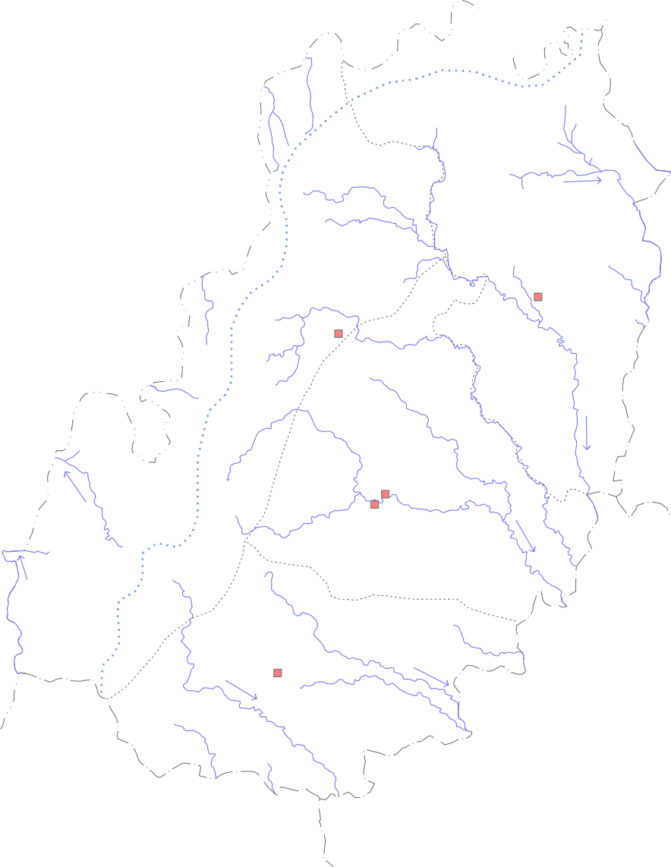
2° | Post |  |  | onso |  | on (Nov 2012) Depth to Water Level in Kawardha District
30' 2° 0' | 0 De |  |  | 11 kilomet pth to |  |  22 res · · · · Pandariya · · Bodla · Kawardha · S a k r i N · Sahaspur Lohara L e g e n d Water Level ( m bgl ) State boundary

1° |  |  |  |  |  | 2 - 3 District boundary

 |  |  |  |  |  | Block boundary 3 - 5

 |  |  |  |  |  | 3 - 5 Surface divide
 |  |  |  | · |  | National Hydrograph Stations Block HQ
2
2 0
2 30' |  |  |  |  |  |  |  |  |  |  |  |  |  |  |  |  |  |  |  |  |  |  |  |  |  |  |  |  |  |  | Drainage
81° 00' 81° 30'
3. Ground water resources Annual replenishable resource and net ground water availability of the district have been estimated to be 36588.89 ha m and 26310 ha m respectively. gross ground water draft for all uses in the district is only 22720.11 ha m. Stage of ground water development in the district is only 66.28 %, which very high in comparison to the state average of 34.87 %. The stage of the ground water development in the district is 66.28 %. The Pandaria block (89.58 %) has the highest stage of ground water development followed by Kawardha (74.48%) and Sahaspur Lohara (68.15%) blocks. Except Pandaria (Semicritical) remaining blocks are safe for future groundwater development. At present the total irrigated area by groundwater in the district is 30962 ha. The block wise resource is presented in Plate-IV and table 3.
Table 3 Block wise resource
Assessm ent Unit / Block |  |  | Command / Non Command |  |  |  | Total Annual Rechar ge in Ham |  |  |  |  | Net Ground Water Availabil ity in Ham |  | Existing Gross Ground Water Draft for Irrigation in Ham |  |  | Existing Gross Ground Water Draft for Domestic & Industrial Water Supply in Ham |  |  |  |  |  |  |  | Existing Gross Ground Water Draft for All Uses in Ham |  |  |  |  | Allocation For Domestic & Industrial Water Supply in Ham |  |  |  |  |  | Net Ground Water Availability for Future Irrigation Developmen t in Ham |  |  |  |  |  | Stage of Ground Water Developm ent in %
Bodla |  |  | Command |  |  |  | 2430.22 |  |  |  |  | 2308.71 |  | 242.82 |  |  | 72.45 |  |  |  |  |  |  |  | 315.27 |  |  |  |  | 95.99 |  |  |  |  |  | 1969.9 |  |  |  |  |  | 13.66
 |  |  | Non Command |  |  |  | 3863.68 |  |  |  |  | 3670.5 |  | 1617.71 |  |  | 104.62 |  |  |  |  |  |  |  | 1722.33 |  |  |  |  | 138.61 |  |  |  |  |  | 1914.18 |  |  |  |  |  | 46.92
 |  |  | Block Total |  |  |  | 6293.9 |  |  |  |  | 5979.21 |  | 1860.53 |  |  | 177.07 |  |  |  |  |  |  |  | 2037.6 |  |  |  |  | 234.6 |  |  |  |  |  | 3884.08 |  |  |  |  |  | 34.08
Kawardha |  |  | Command |  |  |  | 1275.99 |  |  |  |  | 1212.19 |  | 800.63 |  |  | 52.05 |  |  |  |  |  |  |  | 852.68 |  |  |  |  | 60.74 |  |  |  |  |  | 350.82 |  |  |  |  |  | 70.34
 |  |  | Non Command |  |  |  | 5465.4 |  |  |  |  | 5192.13 |  | 3335.83 |  |  | 238.19 |  |  |  |  |  |  |  | 3574.02 |  |  |  |  | 277.96 |  |  |  |  |  | 1578.34 |  |  |  |  |  | 68.84
 |  |  | Block Total |  |  |  | 6741.39 |  |  |  |  | 6404.32 |  | 4136.46 |  |  | 290.24 |  |  |  |  |  |  |  | 4426.7 |  |  |  |  | 338.7 |  |  |  |  |  | 1929.16 |  |  |  |  |  | 69.12
Pandaria |  |  | Command |  |  |  | 136.46 |  |  |  |  | 129.64 |  | 71.51 |  |  | 4.87 |  |  |  |  |  |  |  | 76.38 |  |  |  |  | 5.81 |  |  |  |  |  | 52.32 |  |  |  |  |  | 58.92
 |  |  | Non Command |  |  |  | 9081.47 |  |  |  |  | 8627.4 |  | 7286.39 |  |  | 395 |  |  |  |  |  |  |  | 7681.39 |  |  |  |  | 470.35 |  |  |  |  |  | 870.66 |  |  |  |  |  | 89.03
 |  |  | Block Total |  |  |  | 9217.93 |  |  |  |  | 8757.04 |  | 7357.9 |  |  | 399.87 |  |  |  |  |  |  |  | 7757.77 |  |  |  |  | 476.16 |  |  |  |  |  | 922.98 |  |  |  |  |  | 88.59
Sahaspur Lohara |  |  | Command |  |  |  | 448.91 |  |  |  |  | 426.46 |  | 132.28 |  |  | 7.58 |  |  |  |  |  |  |  | 139.86 |  |  |  |  | 8.91 |  |  |  |  |  | 285.27 |  |  |  |  |  | 32.8
 |  |  | Non Command |  |  |  | 6786 |  |  |  |  | 6446.7 |  | 4044.33 |  |  | 117.56 |  |  |  |  |  |  |  | 4161.89 |  |  |  |  | 138.11 |  |  |  |  |  | 2264.26 |  |  |  |  |  | 64.56
 |  |  | Block Total |  |  |  | 7234.91 |  |  |  |  | 6873.16 |  | 4176.61 |  |  | 125.14 |  |  |  |  |  |  |  | 4301.75 |  |  |  |  | 147.02 |  |  |  |  |  | 2549.53 |  |  |  |  |  | 62.59
DISTRICT TOTAL |  |  |  |  |  |  | 29488.13 |  |  |  |  | 28013.73 |  | 17531.5 |  |  | 992.32 |  |  |  |  |  |  |  | 18523.82 |  |  |  |  | 1196.48 |  |  |  |  |  | 9285.75 |  |  |  |  |  | 66.12
Plate .- 4 |  |  |  |  |  |  |  |  |  | Ground Water Resource (ason March2009) Map of Kawardha District

22° 30' |  |  |  |  |  |  |  0 11 22 kilometres |  |  |  |  |  |  |  |  |  |  |  |  |  |  |  |  |  |  |  | 8757.04 7757.77
922.98 88.59
Pandariya
Bodla
22° 00' |  |  |  |  |  |  |  |  |  | 5979.21 3884.08 |  |  |  | 2037.6 34.08 |  |  |  |  |  |  |  |  |  |  |  |  | Kawardha 6404.32 4426.7
1929.16 69.12
Sahaspur Lohara
6873.16 2549.53 |  |  |  |  |  |  |  |  |  |  |  |  |  |  |  |  |  |  |  |  |  |  | 4301.75 62.59
Legend
21° 30' |  |  |  |  |  |  |  |  |  |  | Net Ground Water availability ( ha m) Ground Water Resources for Future Irrigation Use (ha m) |  |  |  |  |  |  |  |  |  |  |  |  |  |  |  | Annual Ground Water Draft (ham) Stage of Ground Water Development (%)
81° 00' |  |  |  |  |  |  |  |  |  |  |  |  |  |  |  |  |  |  |  |  |  |  |  |  |  |  | 81° |  |  |  |  |  |  |  |  |  |  |  |  |  |  | 30'
4. Ground water development Ground water in the study area is mostly developed for domestic needs and to a limited extent for irrigation. Western part of the district is mostly occupied with hills and forests. Ground water abstraction in this part is almost negligible. According to the estimations carried out by CGWB and ground water survey (govt. of Chhattisgarh, gross ground water daft for domestic uses is 992.32 ham and that for irrigation purposes is 17531.5 ham. District average of stage of ground wa ter development is 66.12 %. Lowest stages of development are in Bodla (34.08%). Pandariya block has the highest (88.59%) stage of development. Ground water is extracted through shallow borewells and dugwells. The borewells mostly range in depth from 60 to 70m and the dugwells range in depth from 12 to 15m. Ground water potential is variable with average drilltime discharges of the borewells ranging from 0 to 15 lps (Fig.6). In the plain areas in the eastern part mostly in Pandariya block, borewells are used for irrigation. 5. Ground water quality Ground water in Kawardha district, in general is potable in nature. All the parameters lie within permissible lmits for drinking purposes as set by the BIS. Total hardness of ground water in the region is relatively high. In Us Salinity plot, almost all the samples plot within the area of low sodium harzard and low to medium salinity hazard. Thus ground water, in general, is suitable for drinking as well as irrigation use. There is no reported ground water pollution in the district except a few instances of iron pollution. 6. Ground water management strategy As discussed above ground water potential is limited in most part of the district. The western part is mostly occupied by hills and forests. However, in the

22° |  |  |  |  |  |  | Fig. - 6 Ground Water Potential, Feasibility of Ground Water Abstraction Structures and Priority Areas for Artificial Recharge

30' 
0 11 22 kilometres
Pandariya
Bodla
Kawardha 22° 00'
Sahaspur Lohara
L e g e n d
21° |  |  |  |  |  |  |  |  | Feasibility of Ground Water Abstraction Structures Dugwells and borewells up to 100 m ( DTH Rig ) |  |  |  |  |  |  |  |  |  |  |  |  |  |  |  |  |  |  |  |  |  |  |  |  |  |  |  | Ground Water Potential ( YIELD, Litres / Sec. )
30' |  |  |  |  |  |  |  |  |  |  | Dugwells and borewells upto 100 m |  |  |  |  |  |  |  |  |  |  |  |  |  |  |  |  |  |  |  |  |  | 0 - 1 |  |  |  |  |  | 1 - 3 |  | 3 - 5 |  | 5 -10
( Combination Rig ) Priority areas for Artificial recharge |  |  |  |  |  |  |  |  |  |  |  |  |  |  |  |  |  |  |  |  |  |  |  |  |  |  |  |  |  |  |  | Aquifer with Secondary Porosity & Fractured
81° 00' |  |  |  |  |  |  |  |  |  |  |  |  |  |  |  |  |  |  |  |  |  |  |  |  |  |  |  |  | 81° |  |  |  |  |  |  |  |  |  |  |  |  | 30'
eastern part mostly the areas occupied by rocks of Chhattisgarh Super Group (except Gunderdehi shale and chandarpur sandstone) are potential areas for ground water development. There is scope for ground water development in parts of Pandariya, Kawardha and Sahaspur Lohara blocks. Ground water based irrigation can be planned in these areas. Ground water abstraction for irrigation is common in some parts. Pandariya block has already reached a stage of ground water development of 88.59%, which is on the higher side. To summarise a two thronged ground water management strategy should be adopted in the district. In Kawardha and Sahaspur Lohara blocks, ground water development should be encouraged as stages of ground water development in these blocks in low and there is good potential of ground water in this part. On the otherhand proper water conservation measures to be encouraged in high ground water development areas, especially in parts of Pandariya and Kawardha districts (Fig.6). 7. Water conservation and artificial recharge Ground water development in most part of the district is low. However, in some parts like in Pandariya block, stage of grund water development has reached 88.59 %. Artificial recharge measures should taken in the parts as indicated in Fig.6The hilly and forested tracts in the western parts and the low ground water potential areas (mostly those covered by Gunderdehi Shale and Chandarpur Sandstone) in the eastern part require rainwater harvesting measures. As such rainfall in the district is low in comparison to other parts of the state as it forms a rain shadow area. However, there is ample scope for rainwater harvesting and utlisation of harvested water for irrigation purposes. 8.0 Awareness and training activities One training programme on rainwater harvesting and artificial recharge was organiz

ACKNOWLEDGEMENT I express my sincere gratitude to Shri K.C.Naik, Regional Director for giving valuable guidance, encouragement and suggestions giving during the preparation of this report. I feel immensely thankful to Shri SKVerma, Sc ‘C’ for providing the National Hydrograph data and valuable suggestions and help during preparation of this report. I am also thankful to Shri J.R.Verma, Sc’B’ for providing historical data of drilling and data of earlier studies carried out by Central Ground Water Board, NCCR,Raipur in the district and for extending help in preparation of various maps.
. My thanks are also due to all of colleagues for cooperation, efforts and suggestions without which this report would have not been completed. The author is very much thankful to Shri T.S. Chauhan, Senior Draftsman for his help in digitization of the maps. B N WARKE Scientist “C”
Plate. - 5 |  |  |  |  |  |  |  |  |  |  | Hydrogeological map of Kawardha District 

600 |  |  |  |  |  |  |  |  |  |  |  |  |  |  |  |  |  |  |  |  |  |  |  |  |  |  |  |  |  |  |  |  |  |  |                  |  |  |  |  |  |  |  |  |  |  |  |  | 0 7.5 15 kilometres 600 500 450 400
   |  |  |  |  |  |  |  |  |  |  |  |  |  |  |  |  |  |  |  |  |  |  |  |  |  |  |  |  |  |  |  |  |  |  |  |  |  |  |  |  |  |  |  |  |  |   
     ·  
      ·   
600 |  |  |  |  |  |  |  |  |  |  |  |  |  |  |  |  |  |  |  |  |  |  |  |  |       |  |  |  |  |  |  |  |  |  |  |  |  |  |             · ·
    Bodla  ·   ·     |  |  |  |  |  |  |  |  |  |  |  |  |  |  |  |  |  |  |  |  |  |  |  |  |  |  |  |  |  |  |  |  |  |  |  |  |       |  |  |  |  |  |  |  |   Pandariya 
 600    |  |  |  |  |  |  |  |  |  |  |  |  |  |  |  |  |  |          
     600   |  |  |  |  |  |  |  |  |  |  |  |  |  |  |  |  |  |  |  |  |  |  |  |    Kawardha  S a k r i N  
     
      |  |  |  |  |  |  |  |  |  |  |  |  |  |  |  |  |  |  |  |  |      
    |  |  |  |  |  |  |  |  |  |  |  |  |  |  |      |  |  |  |  |  |  |  |  |  | Sahaspur Lohara    ·
   

 
Ground Water Potential ( YIELD, Litres / Sec. ) 0-1 1- 3 3- 5 5 - 10 Aquifer with Secondary Porosity & Fractured |  |  |  |  |  |  |  |  |  |  |  |  |  |  |  |  |  |  |  |  |  |  |  | L e g e n d |  |  |  |  |  |  |  |  |  |  |  |  |  |  |  |  | Water table countour ( m amsl ) Ground Water Flow - Direction Drainage
Laterite Maniari Formation Hirri Formation Tarenga Formation Chandi Limestone Pandaria Formation |  |  |  |  |  |  |  |  |  |  |  |  |  |  |  |  |  |             |  |  |  |  |  |  |  |  |  | Gunderdehi Formation Chandrapur Group Chilpi Group Bijli Rhyolite PitepaniVolcanics Bastar Gneiss |  |  |  |  |  |  |  |  |  |  |  |  |  |  |  | 1100 500 ·     |  |  | Surface Water Divide Isohyet (mm) EC microsiemens/cm National Hydrograph - Station Exploratory Well Block Headquarter District Headquarter

