Table 1
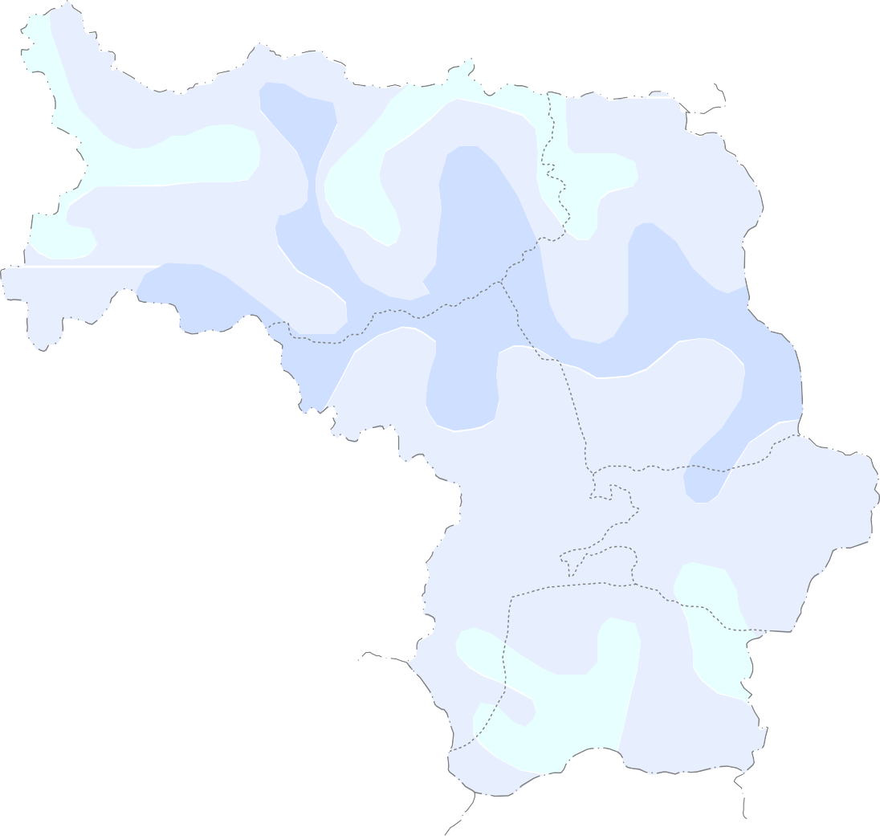

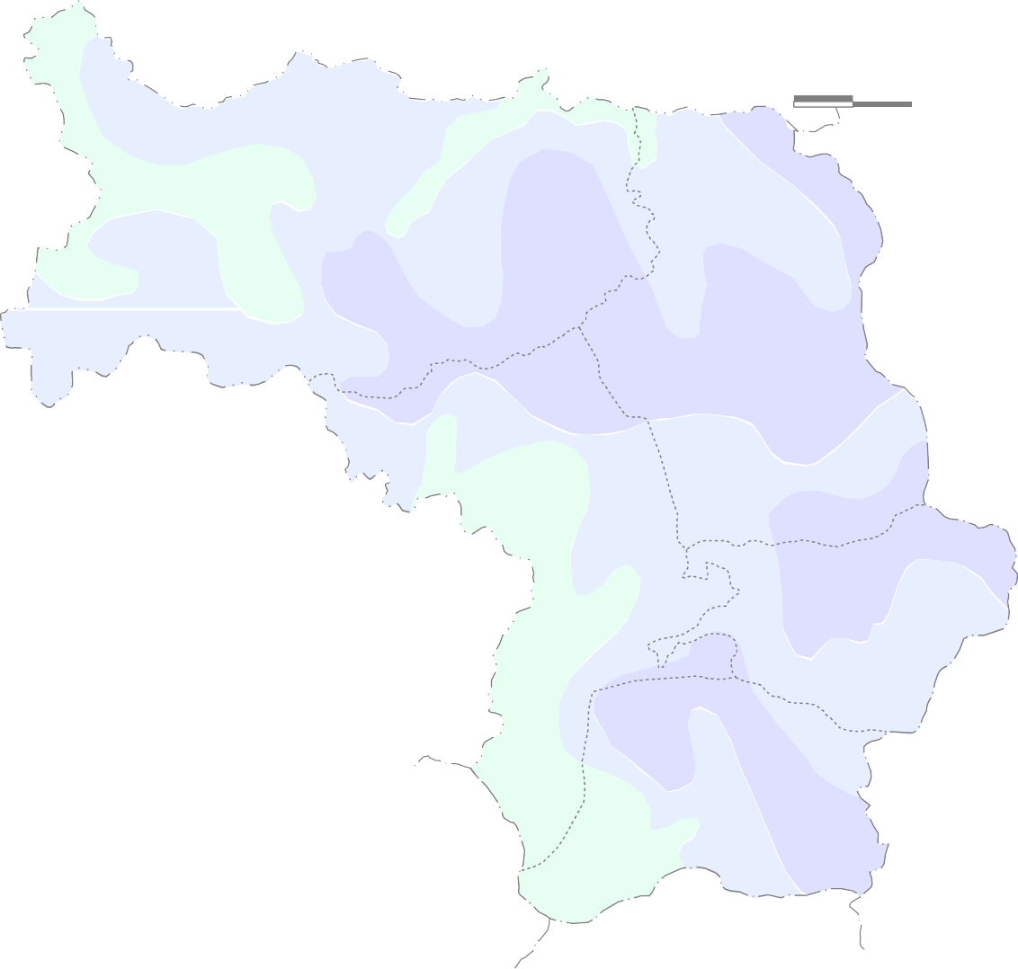

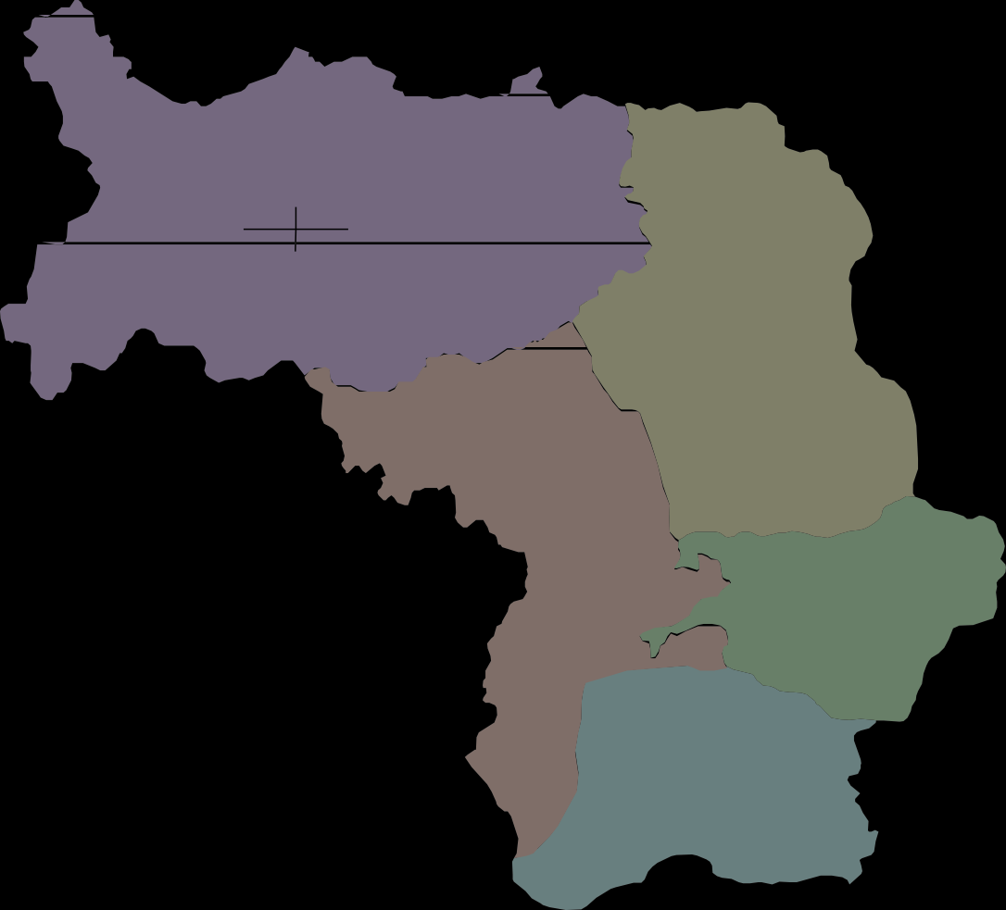
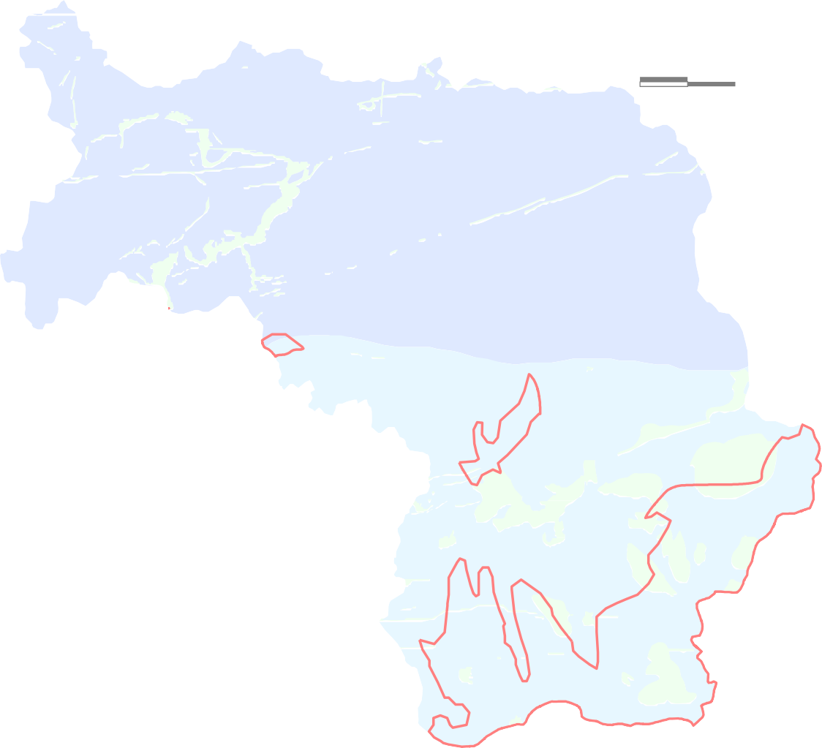
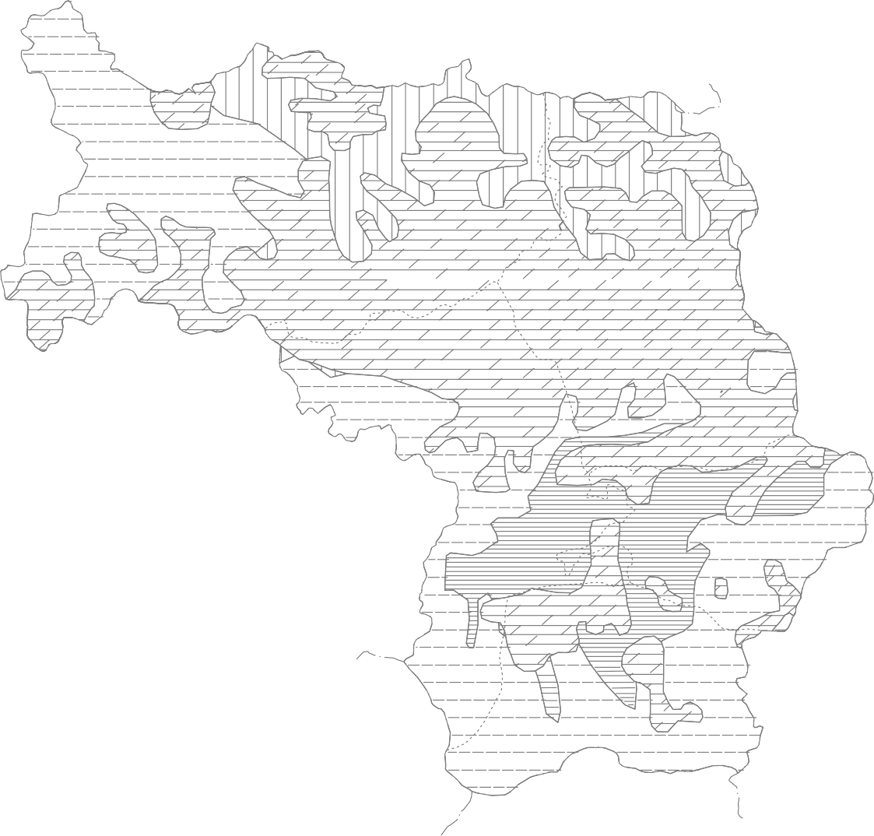

GOVT. OF INDIA MINISTRY OF WATER RESOURCES CENTRAL GROUND WATER BOARD
GROUND WATER BROCHURE KORIYA DISTRICT CHHATTISGARH
Janakpur  |  |  |  |  |  |  |  |  |  |  |  |  |  |  | 2012-13
 Sonhat
Manendragarh   Khadgawan |  |  |  |  |  |  |  |  |  |  |  |  |  |  |  |  |  |  |  |  |  |  |  |  |  |  |  |   Baikunthpur
Regional Director North Central Chhattisgarh Region, Reena Apartment, IInd Floor, NH-43, Pachpedi Naka, Raipur-492001 (C.G.) Ph. No. 0771-2413903, 2413689 E-mail: rdnccr- cgwb@nic.in
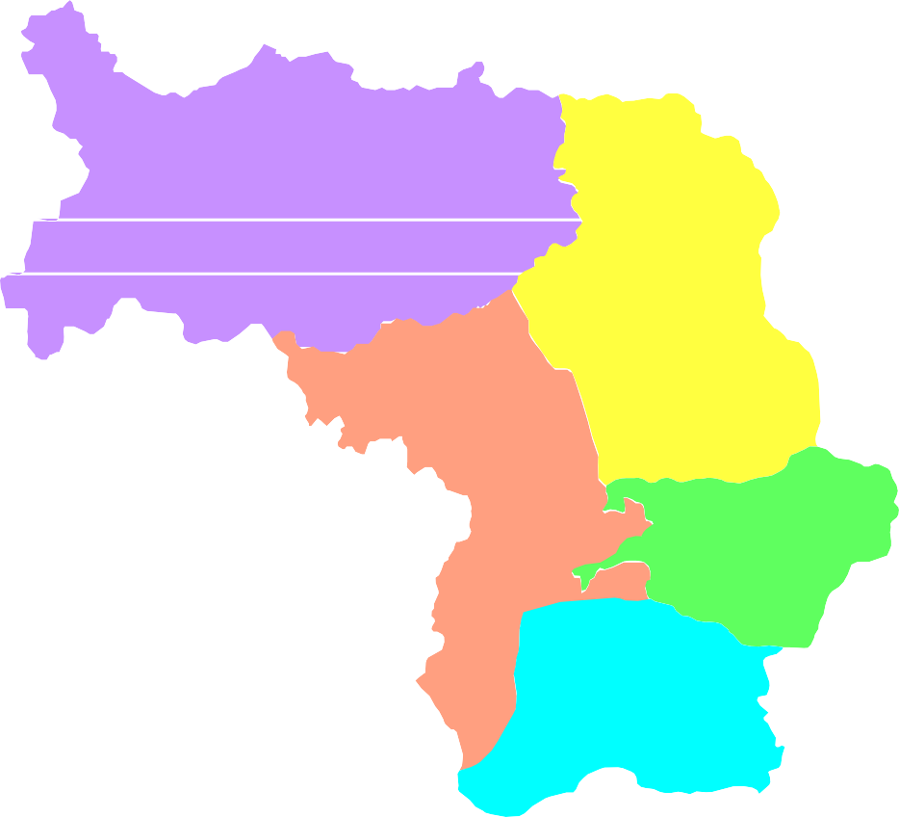

GROUND WATER BROCHURE OF KORIYA DISTRICT DISTRICT AT A GLANCE
I. General
1. Location |  |  |  |  |  |  |  |  |  |  |  |  | : Located in the extreme north-western corner of the State.
Long (East) |  |  |  |  |  |  |  |  |  |  |  |  | : 81°34’’45’ to 82°45’’30’
Lat (North) |  |  |  |  |  |  |  |  |  |  |  |  | : 22°56’’45’ to 23°55’’30’
2. Geographical area |  |  |  |  |  |  |  |  |  |  |  |  | : 5977.70 sq.km.
3. Community Development blocks |  |  |  |  |  |  |  |  |  |  |  |  | : 5 no.s
4. Villages |  |  |  |  |  |  |  |  |  |  |  |  | : 650 no.s
5. Population |  |  |  |  |  |  |  |  |  |  |  |  | : 6,59,039 (As per Census 2011)
6. Average annual rainfall(Last five years i.e. 2007-2012) |  |  |  |  |  |  |  |  |  |  |  |  | : 1130 mm
7. Major physiographic unit |  |  |  |  |  |  |  |  |  |  |  |  | : Northern Hilly Region
8. River Basins and major drainage |  |  |  |  |  |  |  |  |  |  |  |  | : Ganga Basin(covers 60% area)
 |  |  |  |  |  |  |  |  |  |  |  |  | Major rivers and streams:
 |  |  |  |  |  |  |  |  |  |  |  |  | (Banas, Gopad, Singhore, Gaini etc.)
 |  |  |  |  |  |  |  |  |  |  |  |  | Mahanadi Basin(covers 40% area)
 |  |  |  |  |  |  |  |  |  |  |  |  | Major rivers and streams:
 |  |  |  |  |  |  |  |  |  |  |  |  | (Hasdeo, Gej, Neor, Junka, Soi etc)
8. Forest area |  |  |  |  |  |  |  |  |  |  |  |  | : Nearly 75% of geographical area
II. Major Soils
1. Alfisols |  |  |  |  |  |  |  |  |  |  |  |  | : Red gravelly/sandy
2. Inceptisols |  |  |  |  |  |  |  |  |  |  |  |  | : Shallow black
3. Ultisols |  |  |  |  |  |  |  |  |  |  |  |  | : Red and yellow, lateritic
III. Principal crops (2011)
Crop seasons |  |  |  |  |  |  |  |  |  |  |  |  | : Two (Kharif and Rabi)
1. Rice |  |  |  |  |  |  |  |  |  |  |  |  | : 67867 ha
2. Pulses |  |  |  |  |  |  |  |  |  |  |  |  | : 11674 ha
3. Jowar & Maize |  |  |  |  |  |  |  |  |  |  |  |  | : 8780 ha
4. Wheat |  |  |  |  |  |  |  |  |  |  |  |  | : 3583 ha
IV. Irrigation (2011)
1. Net sown area |  |  |  |  |  |  |  |  |  |  |  |  | :101615 ha
2. Gross irrigated area |  |  |  |  |  |  |  |  |  |  |  |  | :8341 ha
a) By dug wells |  |  |  |  |  |  |  |  |  |  |  |  | :5747 no.s (894 ha)
b) By tube wells |  |  |  |  |  |  |  |  |  |  |  |  | :586 no.s (367 ha)
c) By tanks/ponds |  |  |  |  |  |  |  |  |  |  |  |  | :929 no.s (178 ha)
d) By canals |  |  |  |  |  |  |  |  |  |  |  |  | :77 no.s (4529 ha)
e) By other sources |  |  |  |  |  |  |  |  |  |  |  |  | :2278 ha
V. Geology |  |  |  |  |  |  |  |  |  |  |  |  | :Gondwana Supergroup (Sandstone, Shale, clay, siltstone, coal seam) Chhota Nagpur Complex (Granite gneiss, Quartzite & Calc-Silicaterocks) Deccan
 |  |  |  |  |  |  |  |  |  |  |  |  | Trap (Dykes, Sills & Basalt flows)
VI. Hydrogeology
Water bearing formations |  |  |  |  |  |  |  |  |  |  |  |  | :Major formations are porous & fractured Sandstones, Granite gneisses, vesicular Basalts etc.
VII. Ground water monitoring (by CGWB)
1. No. of monitoring stations |  |  |  |  |  |  |  |  |  |  |  |  | :22 no.s
a) Dug wells |  |  |  |  |  |  |  |  |  |  |  |  | :19 no.s
b) Piezometers |  |  |  |  |  |  |  |  |  |  |  |  | :03 no.s
2. Water levels
a) Pre-monsoon water level (2012) |  |  |  |  |  |  |  |  |  |  |  |  | :0.4 to 11.74 mbgl(average-4 to 9 mbgl)
b) Post-monsoon water level (2012) |  |  |  |  |  |  |  |  |  |  |  |  | :1.4 to 6.4 mbgl(average- 3 to 6 mbgl)
c) Water level fluctuation |  |  |  |  |  |  |  |  |  |  |  |  | : 1.2 to 8.4 m (average- 2 to 4 m)
d) Water level trend (2002-2012) |  |  |  |  |  |  |  |  |  |  |  |  | :On average no significant rise and fall
VIII. Ground water exploration (by CGWB)
1. Total no. of wells drilled |  |  |  |  |  |  |  |  |  |  |  |  | :18 no.s
a) Exploratory wells |  |  |  |  |  |  |  |  |  |  |  |  | :9 no.s
b) Observation wells |  |  |  |  |  |  |  |  |  |  |  |  | :4 no.s
c) Piezometers |  |  |  |  |  |  |  |  |  |  |  |  | :5 no.s
2. Depth range |  |  |  |  |  |  |  |  |  |  |  |  | :50 to 397 mbgl
3. Discharge |  |  |  |  |  |  |  |  |  |  |  |  | :0.14 to 4.21 lps
4. Transmissivity |  |  |  |  |  |  |  |  |  |  |  |  | :11.3 to 36.8 m2/day
5. Storativity |  |  |  |  |  |  |  |  |  |  |  |  | :0.00078 to 0.0017
IX. Ground water quality |  |  |  |  |  |  |  |  |  |  |  |  | :Fit for all purposes
X. Ground water resources(AsonMarch2009)
1. Annual available resources |  |  |  |  |  |  |  |  |  |  |  |  | :44583.07 ham
2. Ground water draft |  |  |  |  |  |  |  |  |  |  |  |  | :9769.57 ham
3. Stage of ground water development |  |  |  |  |  |  |  |  |  |  |  |  | :23.07%
XI. Awareness and Training activity |  |  |  |  |  |  |  |  |  |  |  |  | :Mass awareness at District headquar ters Baikunthpur in the year 2006-07 and 2007- 08.
XII. Artificial recharge and rain water harvesting
1. Projects by CGWB |  |  |  |  |  |  |  |  |  |  |  |  | :Nil
2. Projects under technical guidance |  |  |  |  |  |  |  |  |  |  |  |  | :Nil
XIII. Ground water control and regulation |  |  |  |  |  |  |  |  |  |  |  |  | :Nil (No critical/ notified/Over exploited areas)
XIV. Major ground water problems and issues |  |  |  |  |  |  |  |  |  |  |  |  | :Nil
Ground Water Brochure of Koriya district, Chhattisgarh By M.M. Sonkusare, Scientist ‘C’
1. General The Koriya district covers an area of 5977.70 sq.km. It consists of 650 no. of villages. For administrative convenience these villages are grouped into 5 no. of community development blocks. Baikunthpur is the districts headquarters. The block headquarters are Janakpur, Sonhat, Manendragarh, Khadgaon and Baikunthpur. Nearly 75% of the total geographical area of the district is covered by forest. The district is known for its forest product and coal mining. Fig 1 shows the location of the area along with drainage, block headquarters, Network Hydrograph Stations and location of exploratory wells established and drilled by Central Ground Water Board in the district respectively. The district can be broadly divided into 2 major river basins; Ganga basin and Mahanadi basin. The Ganga basin covers 60% of the area however the remaining area is drained by the Mahanadi basin. The Banas, Singhore, Gaini, Gopad, etc. are the major tributaries to Ganga river. The Hasdeo, Neor, Soi, Gej, Haldhali, Jhunka, etc. are the major tributaries to the Mahanadi river. The drainage pattern in the district is dendritic to sub-dendritic and the drainage density is high in central and southern parts. The average annual rainfall for the district is 1130 mm. The annual temperature varies from 10°C in winter to 40°C in summer. The relative humidity varies from 75% in rainy season to 30-40% during winter. Physiographically, the district is a part of Northern Hills and characterized by undulating topography with high hills, dissected plateaus, steep slopes and scarps. The Basaltic terrain is characterized by highly undulating topography with steep hills and plateau tops. The plateaus and ridges in the area are of 600 m amsl. The maximum elevation observed for hilly areas is 1025 m amsl and is at the central part of the district namely the Devgarh peak. The lowest elevatio

24° |  |  | Fig. - 1
 | Administrative map of Koriya district  0 14 28  kilometers  Janakpur  9 ·  11 · · 1  · 16 Sonhat ·14 5 · 15   ·   7 10 · · KEY MAP · 3 · 12 · 17 13 2 ·  ·  Baikunthpur Manendragarh · 9  8 · Khadgawan  ·6 Raipur L e g e n d State Boundary DKisotrirctbBaounDdairys t r i c t Block Boundary Tamnar Place  National Hydrograph Station · 10 Chhattisgarh Exploratory Well  State Road Railway Line Drainage
00'
30' 3°
00'
82° |  |  |  |  |  |  |  |  |  | 00' |  |  |  |  |  |  |  |  |  | 30'

2
24° |  |  |  | Fig. - 2
 | Premonsoon (May 2012 ) Depth to Water Level in Koriya District M a d h y a P r a d e s h S t a t e  0 14 28 kilometers Janakpur  9 · 11 · · 1 · 16 Sonhat ·14 5 15 · · 7 10 · · · 3 · 12 · 17 13 2 ·  ·  Baikunthpur Manendragarh · 9  8 · Khadgawan  ·6 K o r b a D i s t r i c t L e g e n d Depth to Water Level ( m bgl ) 1 - 5 5 - 10 > 10 7 · National Hydrograph Stations
00'
30' 3°
00'
82° |  |  |  |  |  |  |  |  | 00' |  |  |  |  |  |  |  |  | 30'
2

24° |  |  |  | Fig. - 3
 | Post-monsoon (Nov 2012 ) Depth to Water Level in Koriya District M a d h y a P r a d e s h S t a t e  0 14 28 kilometers Janakpur  9 · 11 · · 1 · 16 Sonhat  ·14 5 15 · · 7 10 · · · 3 · 12 · 17 13 2 ·  ·  Baikunthpur Manendragarh · 9  8 · Khadgawan  ·6 K o r b a D i s t r i c t L e g e n d Depth to Water Level ( m bgl ) 0 - 3 3 - 6 > 6 7 · National Hydrograph Stations
00'
30' 3°
00'
82° |  |  |  |  |  |  |  |  |  | 00' |  |  |  |  |  |  |  |  |  |  | 30'
2

district. The Gondwana Supergroup includes Talchir, Barakar, Barren Measure, Upper and Middle Pali, Raniganj, Undifferentiated Coal measures, Panchet, Mahadeva/Supra Panchet/Parsora (Suprabarakar) Formations. The Gondwana Supergroup of rocks mainly consists of sandstone, shale, clay, siltstone and coal seams. The Deccan traps of Cretaceous to Palaeogene age occur on the northwestern part of the district. The Dolerite and Gabbro occurs as dykes trending E-W and NNE-SSW directions in Gondwana formations. The ground water in these formations occurs under water table conditions in the porous media and under confined to semi-confined conditions in the fractured part of the rock. In Chhota Nagpur Gneissic Complex, the weathered thickness varies from negligible to 15m with average thickness around 10 to 12 m. The weathered and fractured part constitutes the aquifers. In Gondwana formations, the porous, permeable and fractured part constitutes the aquifers. The ground water movement is controlled by the intergranular pore spaces, joints and fractures. At places auto-flow conditions are also encountered in this formation. The depth range of the aquifer zones tapped in Gondwana formation was from 30 to 233 m and in a well the no. of zones encountered varies from 2 to 8 in number. In Deccan Traps, the weathered thickness varies from negligible to 25 m with an average around 12 to 15m. The weathered and the vesicular part of the formation constitute the aquifers. The hydrogeological map prepared for the district is presented in Fig 5. In all there are 22 no. of observation wells (i.e. National Hydrograph Network Stations); out of which 19 no.s are dug wells and 3 no.s are piezometers were established in the district to monitor the water levels four times a year and water quality once a year. The pre-monsoon ground water level in the district (Fig 2) varies f

The ground water resources for Koriya district
Assessment Unit / Block /Command / Non Command |  | Total Annual Recharge in Ham |  |  |  |  |  | Net Ground Water Availability in Ham | Existing Gross Ground Water Draft for Irrigation in Ham |  |  | Existing Gross Ground Water Draft for Domestic & Industrial Water Supply in Ham |  | Existing Gross Ground Water Draft for All Uses in Ham |  | Allocation For Domestic & Industrial Water Supply in Ham |  |  |  |  |  | Net Ground Water Availability for Future Irrigation Development in Ham |  |  |  |  |  |  | Stage of Ground Water Development in %
Baikunthpur
Command |  | 1913.14 |  |  |  |  |  | 1817.48 | 122.80032 |  |  | 94.91 |  | 217.71032 |  | 73.31 |  |  |  |  |  | 1621.3697 |  |  |  |  |  |  | 11.98
Non Command |  | 4478.62 |  |  |  |  |  | 4254.69 | 2257.91 |  |  | 332.24 |  | 2590.15 |  | 355.08 |  |  |  |  |  | 1641.7 |  |  |  |  |  |  | 60.88
Block Total |  | 6391.76 |  |  |  |  |  | 6072.17 | 2380.7103 |  |  | 427.15 |  | 2807.8603 |  | 428.39 |  |  |  |  |  | 3263.0697 |  |  |  |  |  |  | 46.24
Bharatpur
Command |  | 1209.19 |  |  |  |  |  | 1148.73 | 140 |  |  | 11.7 |  | 151.7 |  | 15.06 |  |  |  |  |  | 993.67 |  |  |  |  |  |  | 13.21
Non Command |  | 21707.41 |  |  |  |  |  | 20622.04 | 1895 |  |  | 355.66 |  | 2250.66 |  | 457.84 |  |  |  |  |  | 18269.2 |  |  |  |  |  |  | 10.91
Block Total |  | 22916.6 |  |  |  |  |  | 21770.77 | 2035 |  |  | 367.36 |  | 2402.36 |  | 472.9 |  |  |  |  |  | 19262.87 |  |  |  |  |  |  | 11.03
Khadgaon
Command |  | 208.39 |  |  |  |  |  | 197.97 | 45 |  |  | 4.16 |  | 49.16 |  | 5.35 |  |  |  |  |  | 147.62 |  |  |  |  |  |  | 24.83
Non Command |  | 7122.23 |  |  |  |  |  | 6766.12 | 1218.9 |  |  | 211.25 |  | 1430.15 |  | 271.95 |  |  |  |  |  | 5275.27 |  |  |  |  |  |  | 21.14
Block Total |  | 7330.62 |  |  |  |  |  | 6964.09 | 1263.9 |  |  | 215.41 |  | 1479.31 |  | 277.3 |  |  |  |  |  | 5422.89 |  |  |  |  |  |  | 21.24
Manendragarh
Command |  | 639.25 |  |  |  |  |  | 607.29 | 77.8 |  |  | 21.35 |  | 99.15 |  | 27.48 |  |  |  |  |  | 502.01 |  |  |  |  |  |  | 16.33
Non Command |  | 3638.78 |  |  |  |  |  | 3456.84 | 1918 |  |  | 228.92 |  | 2146.92 |  | 211.99 |  |  |  |  |  | 1326.85 |  |  |  |  |  |  | 62.11
Block Total |  | 4278.03 |  |  |  |  |  | 4064.13 | 1995.8 |  |  | 250.27 |  | 2246.07 |  | 239.47 |  |  |  |  |  | 1828.86 |  |  |  |  |  |  | 55.27
Sonhat
Command |  | 513.83 |  |  |  |  |  | 488.14 | 51.5 |  |  | 11.48 |  | 62.98 |  | 14.78 |  |  |  |  |  | 421.86 |  |  |  |  |  |  | 12.9
Non Command |  | 3152.23 |  |  |  |  |  | 2994.62 | 685.4 |  |  | 85.59 |  | 770.99 |  | 110.18 |  |  |  |  |  | 2199.04 |  |  |  |  |  |  | 25.75
Block Total |  | 3666.06 |  |  |  |  |  | 3482.76 | 736.9 |  |  | 97.07 |  | 833.97 |  | 124.96 |  |  |  |  |  | 2620.9 |  |  |  |  |  |  | 23.95
DISTRICT TOTAL |  | 44583.07 |  |  |  |  |  | 42353.92 | 8412.3103 |  |  | 1357.26 |  | 9769.5703 |  | 1543.02 |  |  |  |  |  | 32398.59 |  |  |  |  |  |  | 23.07
4. Ground water development The ground water development in the district is being done by dug wells and bore wells. The dug well depth varies from 5 to 14 m and the diameter varies from 1 to 4 m. The bore wells drilled in the area are 60 to 75m deep with diameter of 100 to 150 mm. Diesel or electric operated pumps of 0.25 to 1 HP or traditional teda is used to lift the water from dug wells for irrigation purposes. The electric pump or rope and bucket are used to lift the water for domestic purpose. Submersible electrical pumps of 3 to 5 HP are used for irrigation purpose in case of bore wells in the area. The bore wells in the area can irrigate an area of 0.5 to 1.5 ha for paddy. Ground water is the main source of drinking in the district covering 650 no. of villages. In all 586 no. of tube wells and 5747 no. of dug wells exist in the district (2011). Together they irrigate around 1211 ha. The contribution of ground water for irrigation comes to nearly 14.51% in the district. The use of ground water in non-command area is maximum.
24° |  |  |  |  | Fig. No.- 4
 | Ground Water Resource (as on March 2009) Map of Koriya District M a d h y a P r a d e s h S t a t e  0 14 28 kilometers Janakpur  21770.77 2402.36 19262.87 11.03 3482.76 833.97 2620.9 23.95 Sonhat  4064.13 2246.07 1828.86 55.27 6072.17 2807.86  Baikunthpur Manendragarh 3263.07 46.24  Khadgawan  6964.04 1479.31 5422.89 21.24 K o r b a D i s t r i c t L e g e n d Net Ground water Ground water draft avilability (ham) (ham) Ground water resources Stage of ground water for future use (ham) development (%)
00'
30' 3°
00'
82° |  |  |  |  |  |  |  |  | 00' |  |  |  |  |  |  |  |  | 30'

2

The stage of ground water development estimated for Janakpur block is 11.03%, for Sonhat block is 23.95%, for Manendragarh block is 55.27%, for Khadgaon block is 21.24% and for Baikunthpur block is 46.24%.The overall stage of development in the district is 23.07%. The district as well as all the blocks fall within the Safe category.The block wise stage of ground water development in the district is depicted in Fig 4. The yield potential and the recommended suitable abstraction structures for the area are shown in Fig 6. 5. Ground water quality The water samples collected from NHNS during the month of May.2009 (Pre- monsoon) were analyzed to determine the quality of ground water in the district. The analysis shows that the concentrations of the major ions are within limit as per BIS Standards and the ground water in the district is suitable for all puposes. The plot of Piper Trilinear Diagram and US Salinity Diagram indicates that the ground water in the district is suitable for drinking, irrigation and all other purposes. The EC values ranges between 63 to 770 micro siemens/cm at 25°C (Fig 5) and the pH values ranges between 7.7 to 8.2. The overall composition of ground water indicates that it is moderately alkaline and predominantly CaHCO3 type (calcium bicarbonate). 6. Ground water management strategy There exists a wide scope for ground water development in the district. The available ground water resources for the district are of order of 32398.59 Ham and the ground water draft is 9769.57 Ham. The stage of ground water development is only 23.07%. It is estimated that with the available ground water resources a total of 16199 no.s of bore wells can be constructed in the district. By adapting suitable developmental strategies, the less developed blocks like Janakpur, Sonhat, and khadgaon can be further developed by way of increased irrigation. The no

Fig. - 6
 | Ground Water Development,Potential and Artificial Recharge Prospects in Koria District M a d h y a P r a d e s h S t a t e  0 14 28 kilometers Janakpur  Sonhat    Baikunthpur Manendragarh  Khadgawan  K o r b a D i s t r i c t L e g e n d Area suitable for Ground water potential Dug well (Yield- liter/sec) Dug well/ bore well Soft rock Hard rock Deep tube well 1 - 3 1 - 5 1 - 3 Hilly area Area suitable for Artificial ground water recharge  Bolck Head Quarter
00'
30' 3°
00'
82° |  |  |  |  |  |  |  |  |  | 00' |  |  |  |  |  |  |  |  |  | 30'
24°
2

Acknowledgement The author is grateful to Shri Sushil Gupta, Chairman, Central Ground Water Board for giving this opportunity for preparation of the .Ground water Brochure. of Koriya district, Chhattisgarh. The author is thankful to Shri K.C. Naik, Regional Director, Central Ground Water Board, NCCR, Raipur for his guidance and constant encouragement for the preparation of this brochure. Help extended by Shri J.R. Verma, Scientist .B. And Shri T.S. Chauhan, Draftsman, Grade-II in preparation of the maps is thankfully acknowledged. MAHESH M. SONKUSARE Scientist ‘C’
Plate - 5 |  |  |  |  |  | Hydrogeological Map of the Koriya District M a d h y a P r a d e s h S t a t e |  |  |  |  |  |  |  |  |  |  |  |  |  |  |  |  |  |  |  |  |  |  |  |  |  |  |  |  |  |  |  |  |  |  |  |  |  |  |  |  0 10 20
498 |  |  |  |  |  |  |  |  |  |  |   757 |  |  |  |  |  |  |  |  |  |  |  |  |  |  |  |  |  |  |  |  |  |  |  |  |  |  |  |  |  |  |  |  |  |  |  | kilometres
Janakpur
 505 ·  11 ·
788 |  |  |  |  |  |  |  |  |  |  | 1 · 
1024
· 16 |  |  |  |  |  |  |  |  |  |  |  |  |  |  |  |  |  |  |  |  |  |  |  |  |  |  |  |  |  |  |  | Sonhat 
L e g e n d 5 15 · |  |  |  |  |  |  |  |  |  |  |  |  |  |  |  |  |  |  |  |  |  |  |  |  |  |  |  |  |  |  | ·14 700 
 |  |  |  |  |  |  |  |  |  |  |  |  |  |  |  |  |  |  |  |  |  |  |  |  |  | · 
Formation |  |  |  |  |  |  |  |  |  |  |  |  |  |  |  |  |  |  |  |  |  |  | 
 |  |  |  |  |  |  |  |  |  |  |  |  |  |  |  |  |  |  |  |  |  |  |  |  |  |  |  |  |  |  | 61400 |  |  |  |  |  |  |  | 7 ·
Deccan Trap -Dykes,sills,Basalt flow ·
Mahadeva / Suprapanchet /Porsa formation- |  |  |  |  |  |  |  |  |  |  |  |  |  |  |  |  |  |  |  |  |  |  |  |  |  |  |  |  |  |  |  |  |  |  |  |  |  |  |  |  |  |  |  |  |  |  |  | .. .. | .. .. .. .. .. ..
700 · 3 |  |  |  |  |  |  |  |  |  |  |  |  |  |  |  |  |  |  |  |  |  |  |  |  |  |  |  |  |  |  |  |  |  |  |  |  | .. .. .. .. .. |  |  |  |  |  |  |  |  |  |  |  |  |  | ..
Sandstone,Shale,Clay & Siltstone |  |  |  |  |  |  |  |  |  |  |  |  |  |  |  |  |  |  |  |  |  |  |  |  |  |  |  |  |  |  |  |  |  |  |  | · 17 |  |  |  |  |  |  | .. .. .. .. .. · 12 .. .. .. .. .. .. .. ..
Panchet-Shale,Shale & Clay |  |  |  |  |  |  |  |  |  |  |  |  |  |  |  |  |  |  |  |  |  |  |  |  |  |  | 13 |  |  |  |  |  |  |  |  |  |  | .. 2 |  |  |  |  |  |  |  |  .. ..
Manendragarh |  |  |  |  |  |  |  |  |  |  |  |  |  |  |  |  |  |  |  |  |  |  |  |  |  |  |  |  |  |  |  |  | · .. .. ·.. .. .. |  |  |  |  |  |  |  |  |  |  |  | ·  Baikunthpur
 |  |  |  |  |  |  |  |  |  |  |  |  |  |  |  |  |  |  |  |  |  |  |  |  |  |  |  |  |  |  |  |  |  |  |  |  |  |  | .. .. 9
 |  |  |  |  |  |  |  |  |  |  |  |  |  |  |  |  |  |  |  |  |  |  |  |  |  |  |  |  |  |  |  |  |  | ..
Upper Pali-Sansstone,Shale & Clay .. .. .. ..


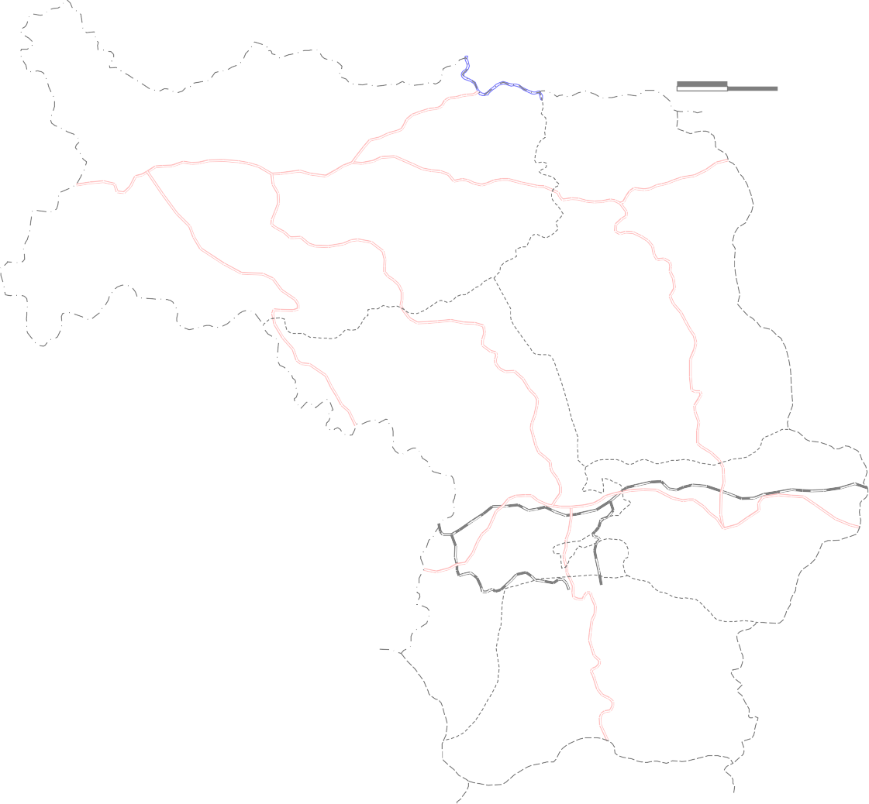
· 873 |  |  |  |  |  |  |  |  |  |  |  |  |  |  |  |  |  |  |  |  |  |  |  |  |  |  |  |  |  |  |  |  |  |  |  |  |  |  |  |  | .. .. .. .. .. |  |  |  |  |  |  |  |  | 500
Undifferentiated Coal Measure-- |  |  |  |  |  |  |  |  |  |  |  |  |  |  |  |  |  |  |  |  |  |  |  |  |  |  |  |  |  |  |  |  |  |  |  |  |  |  |  |  |  | .. ..
Sandstone, Sand, Clay with thin Coal Seams K.. had .. .. .. |  |  |  |  |  |  |  |  |  |  |  |  |  |  |  |  |  |  |  |  |  |  |  |  |  |  |  |  |  |  |  |  |  |  | gawan |  |  |  |  | ..
.. .. .. .. ..
Raniganj- Sandstone, Siltstone, |  |  |  |  |  |  |  |  |  |  |  |  |  |  |  |  |  |  |  |  |  |  |  | .. · .. .. .. ..
Shale with Coal Streaks ..
.. .. .. ..
Middle Pali-Sandstone, Siltstone |  |  |  |  |  |  |  |  |  |  |  |  |  |  |  |  |  |  |  |  |  |  |  |  |  |  | ..
with Intercalations of Shale |  |  |  |  |  |  |  |  |  |  |  |  |  |  |  |  |  |  | .. .. .. ..
.. Barren Measure- Sandstone, Shale, Carbonaceous Shale with Coal Band
Barakar -Sandstone, Shale, Carbonaceous Shale with Coal Seam Talchir -Shale, Sandstone and Tillite |  |  |  |  |  |  |  |  |  |  |  |  |  |  |  |  |  |  |  |  |  |  |  |  | K o r b a D i s t r i c t
.. .. |  |  |  |  |  |  | Chhota Nagpur Compalex - Granite, Gneiss and Biotite Gneiss Chhota Nagpur Compalex - |  |  |  |  |  |  |  |  |  |  | 300 |  |  |  |  |  |  |  |  | Tringulation Height (mamsl) |  |  |  |  |  |  |  |  |  |  |  |  |  |  |  |  | EC (µ s / cm at 25 ° C )
Quartzite, Mica Schist, Calc Silicate Rocks Ground Water Contour (mamsl) |  |  |  |  |  |  |  |  |  |  |  |  |  |  |  |  |  |  |  |  |  |  |  |  |  |  |  | Lineament High Iron Area 4.5 to 9.5 ppm Surface Water Divide
Ground Water Flow Direction Drainage Place Name |  |  |  |  |  |  |  |  |  |  |  |  |  |  |  |  | i  5 · 1500 |  |  |  |  |  |  |  |  |  |  |  |  | Mining Area Exploratory Borewell National Hydrograph Station and its Number Isohyet ( mm ) |  |  |  |  |  |  |  |  |  |  | High Fluoride Area 2.7 ppm Ground Water Potential ( YIELD, Litres / Sec. ) 1 - 3 1 - 8 1 - 3
Aquifers with Primary Intergranular Porosity |  |  |  |  |  |  |  |  |  |  |  |  |  |  |  |  |  |  |  |  |  |  |  |  |  |  |  |  |  |  |  |  |  |  |  |  |  |  |  |  |  |  |  |  |  |  |  |  |  |  |  | Aquifers with Secondary Intergranular Porosity & Fractured

