Table 1
GOVT. OF INDIA MINISTRY OF WATER RESOURCES CENTRAL GROUND WATER BOARD GROUND WATER BROCHURE RAJNANDGAON DISTRICT CHHATTISGARH 2012-13  Chuikhadan
 Khairagarh
 Dongargarh
 Rajnandgaon
 Chhuria  Dongargaon
 A. Chowki
 Mohala
 Manpur
Regional Director North Central Chhattisgarh Region, Reena Apartment, IInd Floor, NH-43, Pachpedi Naka, Raipur-492001 (C.G.) Ph. No. 0771-2413903, 2413689 E-mail: rdnccr- cgwb@nic.in
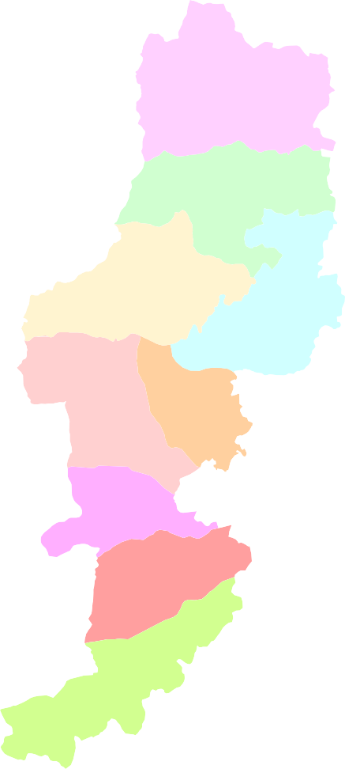

RAJNANDGAON DISTRICT ATA GLANCE
1. Location i) Longitude (East): 80°23‟ to 81°29‟” ii) Latitude (North): 20°70‟- 22°29‟” iii) Altitude: 281 to 801 m amsl 2. Administrative Set up (As on 2011) i) Tehsil: 8 no ii) Blocks: 9 no iii) District Headquarter: Rajnandgaon iv) Gram Panchayat: 692 no v) Janpad Panchyat: 9 no vi) Total villages: 1690 no 3. Land use/ Land cover (As on 2010) i) Geographical area: 817233 (ha) ii) Forest Area 290724 (ha) iii) Barren land: 42236 (ha) iv) Area not available for cultivation: 60891 (ha) v) Net sown area: 376125 (ha) 4. Population (As on 2011) i) Population (2001 census): 1283224 ii) Rural: 1051577 iii) Urban: 231647 iv) Density of population: 159 per sq km iv) Literacy: 77.2 % v) STs : 341688 vi) SCs: 127424 5. Climate (as on 2011) i) Normal 1252 mm ii) Maximum temperature: 46°C iii) Minimum temperature: 10°C iii) Humidity: 35 to 86 % 6. Agriculture and Irrigation (2010) i) Net sown area (ha): 376125 ii) Double cropped area (ha): 84982 iii) Net irrigated area (ha): 69857

iv) Gross irrigated area (ha): 77119 v) Medium irrigation project: 7 nos. vi) Minor irrigation schemes: 304 nos. 7. Surface water sources (2010) i) Major rivers: Seonath, Kotri, and therir tributaries, ii) Basins: 8. Geology i) Alluvium and Laterite ii) Chhattisgarh Supergroup: Limestone ,sandstone, Shale iii) Dongargarh Supergroup: Dolomite, shale & Sandstone iv) Basement Crysatalline : Granite gneiss, Quartzite, Mica schist, 9. Exploration by CGWB as on March 2012 i) No.of borewells drilled by CGWB: 83 10. Ground water regime monitoring (2012) i) No. of NHS : 25 ii) Depth range of wells (NHS) : 8 to 22 mbgl iii) Depth to water table Pre-monsoon (Decadal mean) : 2.70 to 11.24 mbgl Post-monsoon (Decadal mean) : 0.70 to 10.24 mbgl iv) Chemical quality: EC μS/cm : 217 – 2490 Cl in (mg/l) : 14 - 610 11. Ground water resources (As on March’2009) i) Total annual replenishable resource : 45130.11 ham ii) Net groundwater resources :42873.59 ham iii) Gross ground water draft :23105.24 ham iv) Allocation for domestic and industrial use in the year 2025 :2600.36 ham v) Irrigation potential created at 70% :32814.05 ha vi) Stage of development :53.89% vii) 12. Future scope of ground water development i) Balance ground water resources for future irrigation use: 19688.43 ham ii) Additional structure feasible (borewell): 6563 iii) Additional structure feasible (dugwell): 18574

Narmada |  |  |  |  | 84.3 (sq. Kms)
Mahanadi |  |  |  |  | 5867.85(sq. Kms)
Godavari |  |  |  |  | 2220.18(sq. Kms)
GROUND WATER BROCHURE OF RAJNANDGAON DISTRICT, CHHATTISGARH By S.K.Verma, Scientist ‘C’ 1. INTRODUCTION The District Rajnandgaon came into existence on 26th Jan' 1973, by way of division of District Durg. The Rajnandgaon was originally named as Nandgram. The Palaces in the town of Rajnandgaon reveals its own tale of the rulers, their society & culture and the splendid tradition during that time. The District Kawardha was later bifurcated from the District on 1st July 1998. Rajnandgaon district is situated in the western part of newly created Chhattisgarh state, the district lies between latitude 20°70‟- 22°29‟ North latitude and 80°23‟ to 81°29‟ East longitude covering an area of 8172.33 sq.kms (Plate 1). Its greatest length in the north-south is about 185 kms, while its width in the east-west extends about 80 kms. It is surrounded by Kawardha district in north, Durg district in the east; Bastar district is the in south and Garchiroli, Bhandara (Maharashtra) and Balaghat (Madhya Prasesh) districts in the west.The District headquarter Rajnandgaon is on the Mumbay - Howrah line of southeastern railways. The National Highway no. 6 (Great Eastern Road) also passes through the town of Rajnandgaon. The nearest airport to the District is at Mana (Raipur), about 80 kms away. All important places within the district are well connected by a network of the state highways and all weather roads. The district is divided into 8 tehsils and 9 blocks for its administrative functioning and revenue collections. It is further divided in 1 Nagar Palik Nigam , 2 Nagar Palika , 5 Nagar Panchayat , 9 Janpad Panchayat , 692 Gram Panchayat. Rajnandgaon town (N 21°5’ E 81°2’) is the district Headquarters. Besides Rajnandgaon there are others towns namely Gandai, Chhuhikahan, Khairagarh, Dongargarh, Dongargaon, and Ambagarh Chowki. There are in total 1685 villages. Out o

 | 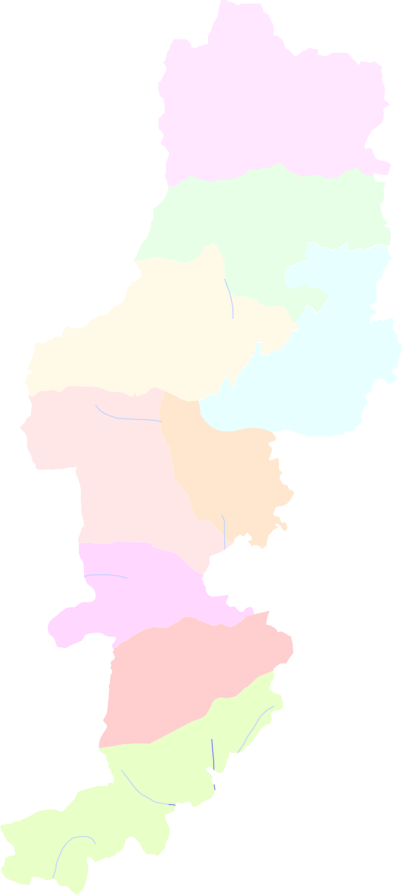 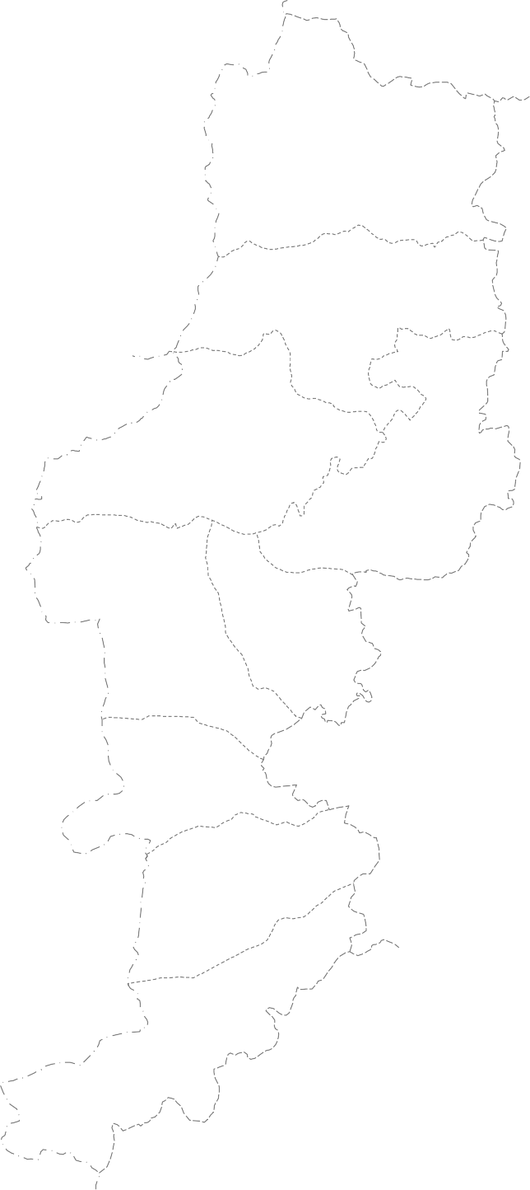 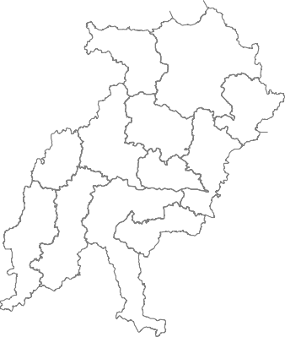 Plate . - 1 Location Map of Rajnandgaon District  · 0 20 40  · kilometres  Chhuikhadan   ·  Khairagarh    · ·  I n d e x  · State Boundary  · District Boundary ·  · · Block Boundary  Dongargarh  Mohla Place     ·  ·  National Hydrograph Station  Rajnandgaon ·     · ·   ·  Exploratory Well  ·   Chhuria    ·  Road     · · ·  River / Distributaries  ·  Dongargaon Reservoir ·   ·  ·    ·     Chouki  · 
30' 1°
00'
 |   Mohla  ·   ·    · Manpur   ·  |  |  |  |  |  |  |  |  |  |  |  |  |  |  |  | PRADESH Key map Chhattisgarh State
30'
 |  |  |  | 30' 81° |  |  |  |  |  |  |  |  | 00' |  |  |  |  |  |  |  |  | 30'
2 UTTAR

Chhuhikhadan block (27.72%) and lowest in Manpur (3.28%). The percentage of net irrigated area to net sown area in Khairagarh, Dongargarh, Rajnandgaon, Chhuria, Dongargaon, Ambagarh & Mohla is 25.15, 24.92, 22.83, 10.84, 21.2, 11.15 and 4.19 respectively . Though the district is not too far from Bhilai & Raipur industrial belts the district is still industrially backward. There are only 5 large / medium and about 100 small scale industries in the district. The Bangal – Nagpur Cotton Mills established in the year 1956 at Rajnandgaon was run by National Textile Corporation for manufacturing cotton cloth and yarn but now it is closed. Other medium scale industries are (1) Maharashtra Minerals (2) Rajaram Maize Products (3) Oil Extraction Plant (4) Jyoti Stone Industries and (5) M/s. Recon Steel & Power Pvt. Ltd Joratarai, Rajnadgaon etc. In the small sacale Industries sector, agro based indusreies such as Poha, Mumurra manufacturing units, Dal mills, Flour mills, Engineering Industries, Rolling Shutters, Steal Furnuture, Mild Steal Section, Cooler Manufacting etc constitutes more than 80% of industries. The othert small industries such as poultry, livestock and forest products are dominanent and based on demand. There are number of poultry farms and dairy farms present in and around village Tumribod. In Rajnandgaon town there is a small industrial estate over an area of 7.44 ha. Most of the industries are engineering industries. Systematic Hydrigeological studies were taken up in 1990-91 to generate a scientific data base for planning and successful implementation of ground water development and management. Exploratory drilling was commenced from AAP 1988- 99 by deplying DTH rig. Upto March‟ 2007, 83 exploratory bore wells are drilled in different formations in the distr

2.0 RAINFALL AND CLIMATE:- Rajnandgaon district comprises sub-tropical climate, characterized by extreme summer and extreme winter. The cold season is delightful while it is unpleasantly hot in the summer season. The summer extends from March to May. April and May are the hottest month and the dust storms and heat waves are common during this period. The rainy season extends from June to September with well- distributed rainfall during southwest monsoon. Monsoon generally breaks in the second week of June and rainfall is highest in July and August months. Winter season in the area is marked by dry and cold weather with intermittent showers during the month of December to February. The block wise distribution of rainfall has been presented in Fig 2 3.0 GEOMORPHOLOGY, DRAINAGE & SOIL TYPES:- 3.1 Geomorphology:-he main geomorphologic features and landforms in the district are as follows 1. Unit of Fluvial Origin:- Alluvial plain (AP). 2. Unit of Structural Origin:- (A) Structural plain on Proterozoics rocks (SC) (B) Structural Hills & Valleys (SD) 3. Unit of Denudation Origin (A) Denudation plateau on Proterozoics rocks (DA) (B) Pediment/ Pediplain (DC) (C) Denudation Hills &Valleys (DD) 3.2 Drainage:- The general slope of the district is towards east. All the rivers of the district flow in eastern direction. Seonath is the most important river. The important tributaries of the river are Amner, Jonk, Ghumriya, Pairi Zura and Hanf. Nearly 71.8 percent area of the district falls under Mahanadi river basin. The river Seonath which is a tributary of Mahanadi, originates near village Kotgul, Garh-Chiroli district (Maharashtra) on the border of Chowki block and is the principal river of this district and is a fifth order river. 3.3 Soil : There are mainly 4 soil types in the study area. The formations soil in an area depends on parent material,

Ultisol- Red Lateritic Soil: The lateritic soil is formed in areas of tropical and sub- tropical climate with alternate wet and dry seasons. This type of soil is found over the areas occupied by sandstones, limestones & granite. Alluvial Soil:- The alluvium in restricted to the flood plains & river banks of of Seonath and its tributaries mainly along Ammer River in Khairagarh block. It consists of clay, sand and gravel and is very fertile and its depth varies from 2 to 10 m. Vertisol- Black Soil:- This type of soil is produced through long continued weathering and disintegration of basalt, Rhyolite, limestone and shale. The color varies from light to dark grey and black. It is heavy soil with clay content of 40 to 50 percent. The organic matter content is usually high. The permeability is generally low and therefore, this type of soil is sticky in nature and depth of soil is generally between 0.3 to 2.5 m. This soil is locally known as Kanhar. Affisol- Red Loamy & Sandy soil:- The soil is derived from variety of rocks such as mica schist, quartzite, granites and granite gneisses, The colour of the soil ranges from yellowish red to brown. The texture varies from clay loam at places to loam at depth. Its organic matter content, permeability and moisture retention capacity are moderate. The depth of soil cover varies from 0.5 to 2.5 m. 4.0 GROUND WATER SCENARIO 4.1 Hydrogeology The groundwater occurs under water table condition in laterite and alluvium and weathered mantle and semi confined to confined conditions in fracture crystalline rocks and sedimentary at depth. The ground water development in the study area is mainly through dug wells and tube wells. The ground water conditions in different rock formations are discussed below: (A) Aquifer systems in different formations 1) Groundwater conditions in Basement granite ; In the case of weathered crystal

2) Groundwater conditions in Dongargarh Granite:- In the case of weathered granites the depth and intensity of weathering control the occurrence and movement of groundwater but at deeper levels in hard granite rocks controlling factor are occurrence of fractures and joints below the weathered zone and lineaments.In Dongargarh Granite 14 exploratory borewells have been drilled to a maximum depth of 150 m. It is observed that occurrence of shallow fractures are more common in case of granite, It is also observed that wells located in the topographic low areas are generally having better yield. 3) Groundwater conditions in Andesite:-In the case of weathered Andesite the depth and intensity of weathering control the occurrence and movement of groundwater but at deeper levels controlling factor are occurrence of fractures and joints and lineaments.In Andesite 13 wells have been drilled up to the depth of 152 m. The depth of the weathering ranges from 10.3 to 32 m with an average depth of wreathing 18 m. It is observed that the deep seated fractures have been encountered only in Mandirpara Bhagwantola – III and Bholapur. In general the water bearing zones are encountered up to the depth of less than 60 m. 4) Groundwater conditions in Chilpi Formation:- In Chilpi formation 2 wells have been drilled the depth of the wells ranges from 160.22 – 167.77 m. The weathering is ranges from 16.15 – 19.6 m. As compared to the above mentioned formations the yield in this is fairly good as the yield of the two wells is 7 and 11.8 lps. The occurrence of ground water in this formation is mainly in the weathered zone and in the fractures zones. 5) Groundwater conditions in Chandarpur Formation:- Chandrapur Group in the district consists of Orthoquartzitic to subarkosic sandstone and black shale. These sandstones are dominantly orthoquartzite in composition and are highly silicified. Primary sedimentary structures like Ripple marks

Somni and Surgi exploratory borewells at the depth of 85 and 98-99m respectively where fractures have been recorded. In 7 wells drilled in the formation the maximum yield, is 2.1 at Somni. The average yield of the borewells drilled in this is 0.77 lps.The average depth of casing lowered is 10.64 m. The weathed zone in the area covered by this formation is productive. 8) Groundwater conditions in Chandi Formation:- Chandi-formation occupying the central- eastern part of the district covers about 790 sq.km of the area in parts of Khairagarh and Chhuikhadan blocks. It comprises a thick sequence of Stromatolitic limestone , dolomite & shale has a gradational contact with the underlying Gunderdehi shale. The limestone is pink to light grey in color. fine grained with extensive development of stromotalitic structure and is thickly bedded. Minor shale partings are present. Stromalities are grey to brown in colour with intercolumnar space filled with argillaceous carbonate material. In middle horizon of this formation, stromatilitic limestone and flaggy limestone are associated with green calcareous shale. The green shale is friable and splintery, calcareous and at places itself contains columnar stromatalitic structure inclined to bedding plane. Upper horizon is predominantly pink to purple, medium to coarse grained dolomitic limestone with characteristic development of stromatalities. The rock has a mottled appearance due to dolomite crystals. It is generally massive in look and is associated with purple to grey shale intercalations. Towards upper part, the rock gradually changes and devoid of stromatalitic structure. The rock is also gypsiferous containing gypsum in cavities .
In this formation wells 6 bore wells have been drilled. The depth of wells in this formation ranges from 56.75 – 228.62. The discharge is ranges from 2.68 – 18 lps. The averge discharge is 7.06 lps. The exploratory bore well drilled at Udaipur reveals that the Gunderdehi formation is missing and Chandi formation directly overlies the Charmuria limestone. 9) Groundwater conditions in Tarenga Formation: The chandi formation is conformably overlain by Tarenga formation. Tarenga formation occupies very small area in Lohara block .Tarenga formation consist of cherty shale, calcareous shale, argillaceous dolomite and splintery violet- coloured shale and at places intraformational flat pebble conglomerates occur.The topmost unit of this formation is dolomitc argilite. The rock is medium to fine grained. Purple coloured and bedded in character. It is predominantly composed of argillaceous material with considerable amount of dolomite. 10) Alluvium:- Alluvium along the major rivers Seonath, Amner, Limti, Moti, Teleri, Narpada & Ghumariya etc occurs in isolated patches with maximum depth of 32 m (Gandai). Ground Water in this occurs under phreatic condition. At places this aquifer is highly productive and is being extensively for irrigation of both Kharif & Rabi crops. (B) Aquifer Parameter:- The aquifer parameters like Transmissivity, Storativity and Specific Capacity determined for various formation based on pumping test results has been compiled and
presented in table no. 1. The interpretation of the results shows that the Transmissivity, Storativity and Specific capacity are ranges from 0.4 to 922.9 m2/day, 9X10-7 to 2.5X10-5 and 2.85 to 173.55 lpm/m respectively. It is observed that Charmuria limestone has the highest value of Transmissivity and sp. Capacity which may be due to the having good aquifer in this formation. The Gunserdehi formation and Andesite rocks are having lowest value of trasmissivity may be due to not having good potential aquifer system.The other formation like Chandi, Charmuria, Chilpi, Dongargarh are having moderately potential aquifer system as the Transmissivity is of moderate range. It is also observed that at some places which are located in favourable condition in these formation are yileld good amount of water.
Table no. 1 Aquifer Parameters
Formation |  |  |  |  |  |  |  |  |  | Transmissivity (m2/day) |  |  |  |  |  | Storativity |  |  |  |  |  |  |  | Specific Capacity (lpm/m)
Chandi Formation |  |  |  |  |  |  |  |  |  | 8.5 - 396 |  |  |  |  |  | 2.5X10-5 |  |  |  |  |  |  |  | 17.4 - 134.24
Gunderdehi Formation |  |  |  |  |  |  |  |  |  | 0.4 - 0.92
Charmuria Formation |  |  |  |  |  |  |  |  |  | 37.14 - 132.35 |  |  |  |  |  | 9X10-7 - 1.8X10-5 |  |  |  |  |  |  |  | 37.3 -76.35
Chandrapur Formation |  |  |  |  |  |  |  |  |  | 15.1 - 922.9 |  |  |  |  |  |  |  |  |  |  |  |  |  | 3.33 -173.55
Chilpi Formation |  |  |  |  |  |  |  |  |  | 63.28 - 266.34 |  |  |  |  |  |  |  |  |  |  |  |  |  | 25.51 - 4.56
Andesite |  |  |  |  |  |  |  |  |  | 3.08 - 5.21 |  |  |  |  |  |  |  |  |  |  |  |  |  | 5.21- 9.24
Dongargarh Formation |  |  |  |  |  |  |  |  |  |  |  |  |  |  |  |  |  |  |  |  |  |  |  | 2.85 - 81.45
Bijli Rhyolite |  |  |  |  |  |  |  |  |  |  |  |  |  |  |  |  |  |  |  |  |  |  |  | 2.6134.67
(C) Water Level Scenario: Based on the national hydrograph stations water level data of May‟12 a depth to water level map for the pre monsoon period has been prepared and presented as Plate no 2. The depth to water level map reveals that the major portion of the district falls in the range of 5 – 10 mbgl. and the area of the range > 5 is represent the least. Water level varies from 2.70 to 11.24 mbgl. Based on the NHS data post monsoon map has been prepared and presented in Plate no 3 The perusal of long term fluctuation shows that rise in water level ranges from 0.02 (Somni) to 0.19 (Ambagarh Chowki) m/year, and decline ranges from 0.02 Gandai pz to 0.39 Dongargarh M/year. The interpretation of the map reveals that:- 1. The rise in water level is noticed in north & eastern parts of the district. 2. The percentage of area covered by water level rise & water level fall is almost equal. 3. The percentage of the area covered by the range 0 to +0.1 and +0.1 to +0.2 is almost equal. 4. The maximum fall in the range of the more than 0.2 m/year is observed in Rajnandgaon block which is categorised as Semi Critical block also. 5. The fall in water level is noticed in south & western parts of the district. 6. It is also noticed that high fluctuation more than + 0.3 m/year is due to the local hydro-geological conditions only and does not represent the regional area.
The perusal of long term fluctuation data postmonsoon (2001 to 2010) shows that rise in water level ranges from 0.01 (Salgapat) to 0.13 (Rajnandgaon m/year, and decline ranges from 0.01 Chhuria to 0.43 Manpur m/year.
1. The rise in water level is noticed in western parts of the Rajnandgaon block.. 2. About 95% of the area shows decline in water level in the range of 0 to -1 m/year. 3. Decline in the water level in the range of 0.1 to 0.2 and >0.2 are occurring in isolated patches. 4. Rise in water level is also occurring in isolated patches which are mainly due to the local hydro-geological conditions and canal water. .
4.0 Ground Water Resources The total ground water recharge from all the sources is 45130.11ham. The net ground water is 42873.59 ham. Existing gross ground water draft for all purposes is 23105.24 ham out of which 20584.80 ham is for irrigation and 2520.44 ham is for domestic and industrial water supply. The stage of the ground water development in the district is 53.89 %. The Rajnandgaon block 72.64 %) has the highest stage of ground water development followed by the Khairagarh (67.68 %) and the Dongargaon (66.94 %) blocks. Rajnandgaon block has been categorized as semi-critical and all other blocks are safe for future groundwater development as per ground water resource estimation 2009. The block wise resource is presented in Plate- 6 and block wise salient features is given in table no. 2
Table 2: Ground water resource of Rajnandgaon district as on March 2009
Assessment Unit / Block |  |  | Total Annual Recharge in Ham |  |  |  |  | Net Ground Water Availability in Ham |  |  | Existing Gross Ground Water Draft for Irrigation in Ham |  |  | Existing Gross Ground Water Draft for Domestic & Industrial Water Supply in Ham | Existing Gross Ground Water Draft for All Uses in Ham |  |  | Allocation For Domestic & Industrial Water Supply in Ham |  |  |  |  | Net Ground Water Availability for Future Irrigation Development in Ham |  | Stage of Ground Water Develop ment in %
Chowki |  |  | 4638.53 |  |  |  |  | 4406.61 |  |  | 2318.51 |  |  | 210.39 | 2528.9 |  |  | 217.07 |  |  |  |  | 1871.03 |  | 57.39
Chhuikhadan |  |  | 4521.53 |  |  |  |  | 4295.45 |  |  | 2310.72 |  |  | 309.3 | 2620.02 |  |  | 319.11 |  |  |  |  | 1665.62 |  | 61
Chhuria |  |  | 6526.86 |  |  |  |  | 6200.52 |  |  | 3149.15 |  |  | 320.61 | 3469.76 |  |  | 330.77 |  |  |  |  | 2720.6 |  | 55.96
Dongargaon |  |  | 3637.83 |  |  |  |  | 3455.93 |  |  | 2067.66 |  |  | 245.59 | 2313.25 |  |  | 253.37 |  |  |  |  | 1134.9 |  | 66.94
Dongargarh |  |  | 6842.81 |  |  |  |  | 6500.66 |  |  | 2154.63 |  |  | 378.86 | 2533.49 |  |  | 390.87 |  |  |  |  | 3955.16 |  | 38.97
Khairagarh |  |  | 6156.89 |  |  |  |  | 5849.04 |  |  | 3612.01 |  |  | 346.82 | 3958.83 |  |  | 357.83 |  |  |  |  | 1879.2 |  | 67.68
Manpur |  |  | 3820.78 |  |  |  |  | 3629.74 |  |  | 910.11 |  |  | 171.24 | 1081.35 |  |  | 176.65 |  |  |  |  | 2542.98 |  | 29.79
Mohla |  |  | 3633.6 |  |  |  |  | 3451.92 |  |  | 738.13 |  |  | 168.8 | 906.93 |  |  | 174.16 |  |  |  |  | 2539.63 |  | 26.27
Rajnandgaon |  |  | 5351.28 |  |  |  |  | 5083.72 |  |  | 3323.88 |  |  | 368.83 | 3692.71 |  |  | 380.53 |  |  |  |  | 1379.31 |  | 72.64
District |  |  | 45130.11 |  |  |  |  | 42873.59 |  |  | 20584.8 |  |  | 2520.44 | 23105.24 |  |  | 2600.36 |  |  |  |  | 19688.43 |  | 53.89
6.0 Ground Water Quality:- The quality of ground water is suitable for both domestic and irrigation purposes. But arsenic contamination in ground water has been reported from 11 villages in Chowki block. The Arsenic level in order of 0.06 to 1.6 ppm against the permissible limit of 0.05 ppm is observed in the Chowki block. The occurrence of excess fluoride is reported from the villages surrounding mine pit at Chandi Dongri and occurrence of iron is quite prevalent in the bore wells in hilly and plateau regions 7.0 GROUND WATER MANAGEMENT STRATEGY Based on conceptual frame work the detailed feasible artificial recharge in the district has been worked out. The management plan to recharge the ground water by construction of artificial recharge structures is prepared on the basis of hydrological parameters and hydrological data. The identification of feasible areas for artificial recharge to ground water has been made on the basis of depth and declining trend of ground water levels. The decadal average depth to water level for post monsoon period has been used to estimate the sub surface storage space for recharge and volume of water needed to saturate the vadose zone to 3 m below ground level. The computation for surface water available to harness in each indentified areas has been made to plan the feasibility of different artificial recharge structures. Based on the hydro-geological situations of each area a total number of 1800 artificial recharge structures, including 98 percolation tanks, 327 Nalas bunding cement plug/ check dam, 589 Gravity head /Dug well/ tube well/ recharge shaft and 786 Gully plugs Gabbion structures in the entire district has been proposed. The total available water from roof top rainwater harvesting works out to 0.362 mcm.
 | 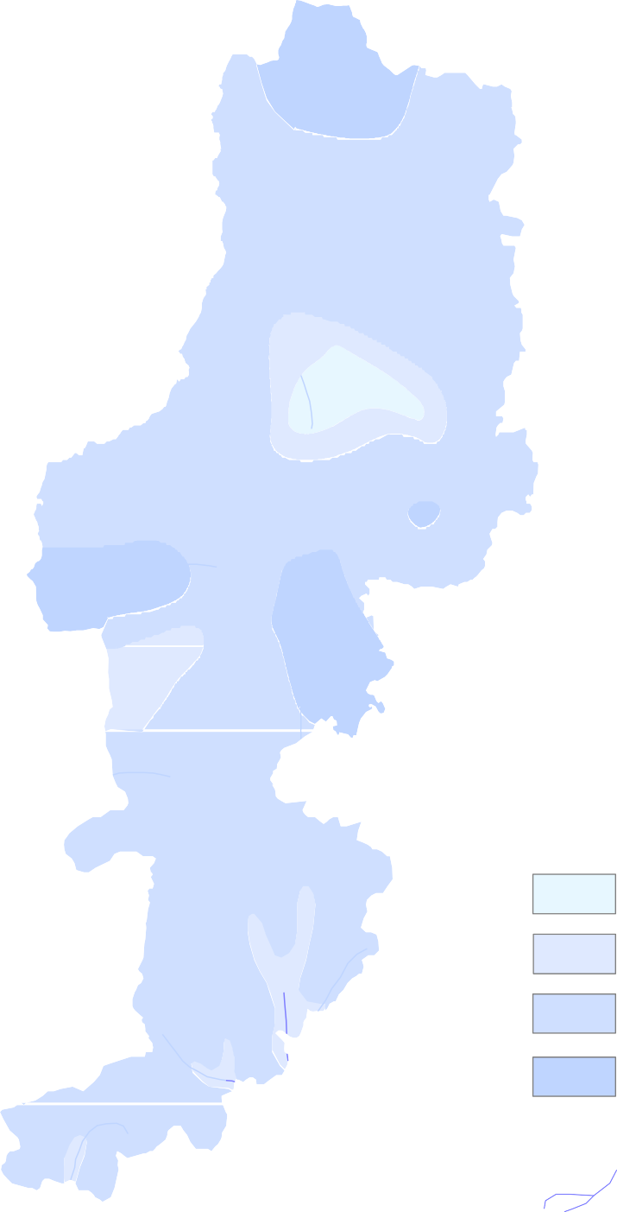  Plate - 2 Premonsoon Depth to Water Level ( May - 2012 ) in Rajnandgaon District  · 0 20 40 · kilometres Chhuikhadan  · Khairagarh  · · · · · · · Dongargarh  · · Rajnandgaon ·  · ·  Chh · a · uri  · · ·  · Dongargaon · · · ·  Chouki · L e g e n d Depth to Water Level ( mbgl ) Mohla  · · 0 - 3 · 3 - 5 Manpur  5 - 10 · > 10  National hydrograph stations Drainage Block boundary  Block HQ
30' 1°
00'
30'
 |  |  |  | 30' 81° |  |  |  |  |  |  |  |  | 00' |  |  |  |  |  |  |  |  | 30'
2
 | 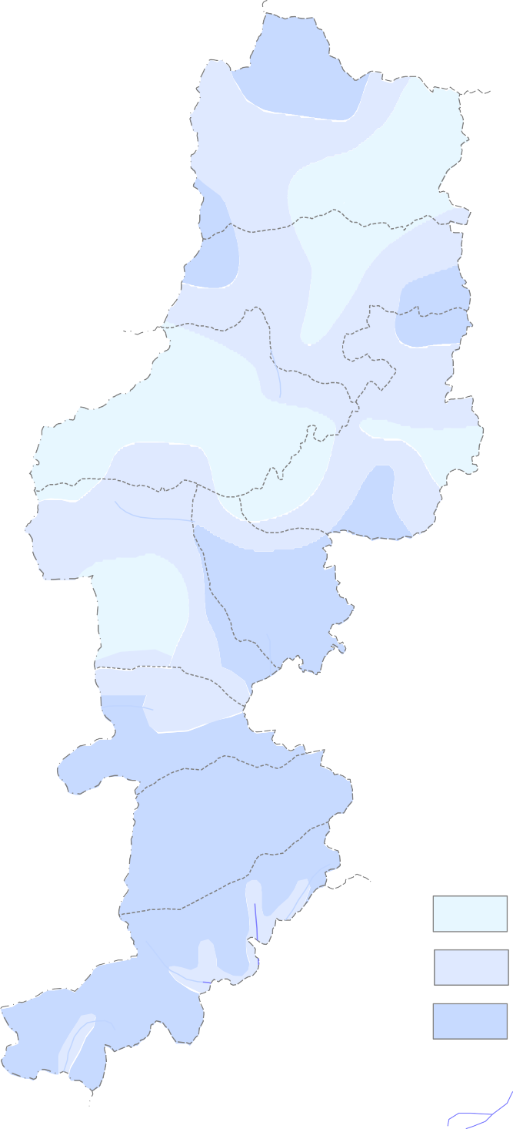 Plate. - 3 Postmonsoon Depth to Water Level ( Nov. - 2012 ) in Rajnandgaon District  · 0 20 40 · kilometres Chhuikhadan  · Khairagarh  · · · · · · · Dongargarh  · · Rajnandgaon ·  · ·  Chh · a · uri  · · ·  · Dongargaon · · · ·  Chouki · Mohla  · · L e g e n d · Depth to Water Level ( mbgl ) Manpur 0 - 2  · 2 - 5 5 - 8  National hydrograph stations Drainage Block boundary  Block HQ
30' 1°
00'
30'
 |  |  |  | 30' 81° |  |  |  |  |  |  |  |  | 00' |  |  |  |  |  |  |  |  | 30'
2
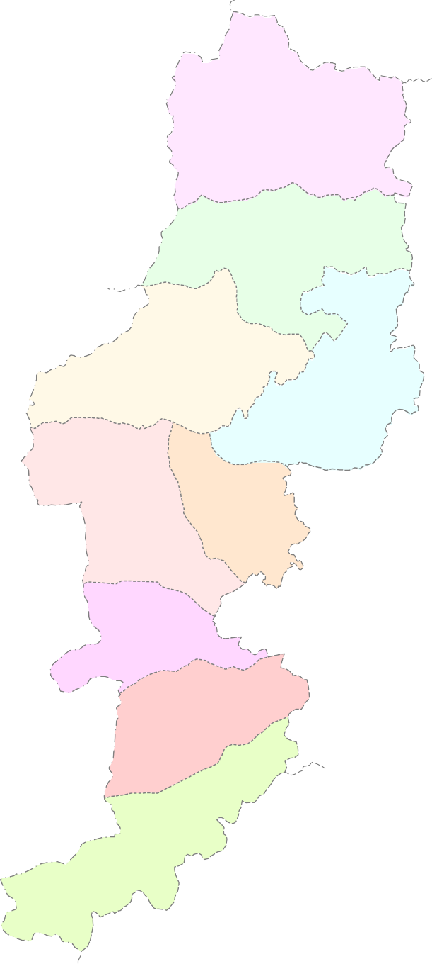
2
30' 1° | Plate . - 4 Ground Water Resource(as on March 2009) Map of Rajnandgaon District  4295.45 2620.02 0 20 40 1665.62 61.00 kilometres Chhuikhadan  Khairagarh  5849.04 3958.83 1879.2 67.68 Dongargarh  5083.72 3692.71 6500.66 2533.49 1379.31 72.64 Rajnandgaon 3955.16 38.97   Chhuria   6200.52 3469.76 Dongargaon 2720.6 55.96 3455.93 2313.25 1134.9 66.94  Chouki 4406.61 2528.9 1871.03 57.39 Mohla  3451.92 906.93 2539.63 26.27 Manpur L e g e n d  Net Annual Ground Water Ground Water 3629.74 1081.35 Availability(ham) Draft (ham) 2542.98 29.79 Ground Water Resource Stage of Ground Water for Future Use (ham) Development (%)
00'
30'
 |  |  | 30' 81° |  |  |  |  |  |  |  |  | 00' |  |  |  |  |  |  |  | 30'

 | 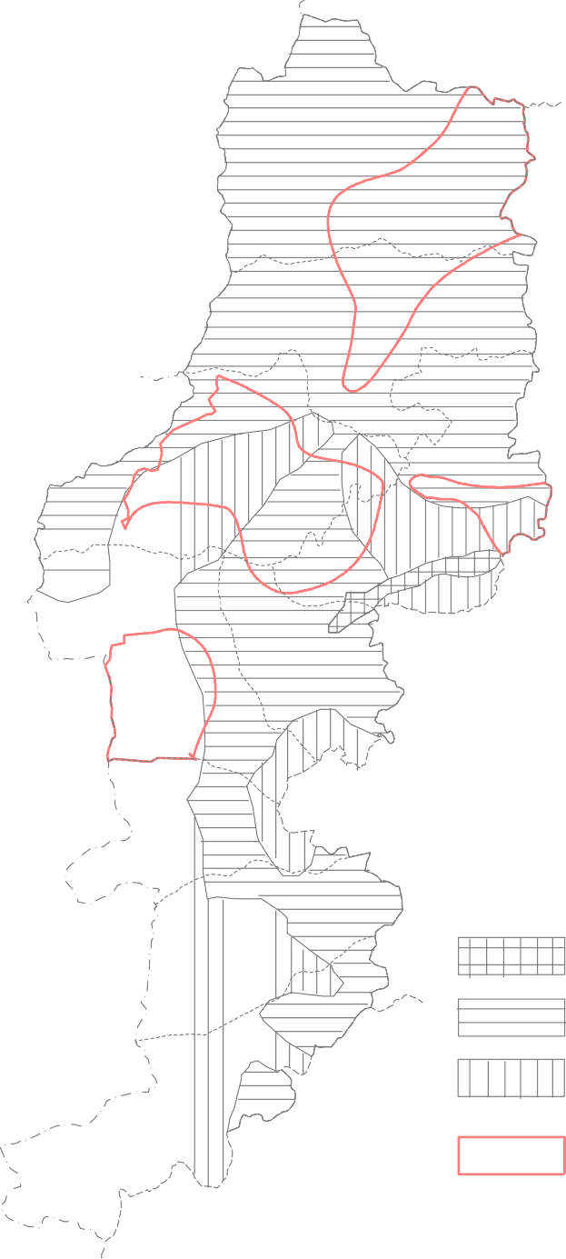 Plate - 6 Ground Water Development Potential & Artificial Recharge Prospects in Rajnandgaon district  0 20 40 kilometres Chhuikhadan  Khairagarh  Dongargarh  Rajnandgaon   Chhuria   Dongargaon  Chouki L e g e n d Mohla  Recommended Type of Structure Shallow Filterpoint Wells Dugwells & Borewells of 150 m Depth Manpur  Dugwells, Dug-cum Borewells and Borewells of 60 to 75 m Depth Priority Areas for Artificial Rechaege Ground Water Potential Yield ,liter/sec. 1 - 3 5 -10 Limited Ground Water Potential Aquifer with Secondary Porosity & Fractured
30' 1°
00'
30'
 |  |  | 30' 81° |  |  |  |  |  |  |  |  | 00' |  |  |  |  |  |  |  |  | 30'

2

7.1 Feasible Ground Water Structures: Based on the ground water availability for future irrigation the feasible ground water structures have been worked out. The 50% of the resource has been assigned to dug wells and 50% to tube wells respectively. The unit draft of a dug well is 0.53 ham; and that of a shallow tube well is 1.5 Ham. Total number of ground water abstraction feasible in the district by using 100% of the annual recharge is worked out to be 18574 dug wells and tube wells 6563. On basis of Hydrogeological behavior of the various formations of the district an attempt has been made to highlight the the propect for future ground water development in the district in suitable areas. The area covered by alluvium along the major rivers and streams, Seonath, Amner, Surhi, Lumiti, Moti and Kotri Nala is suitable for filter point wells or shallow bore wells. The area of Chhuhikhandan, Khairagarh, Dongargarh, Rajnandgaon Dongargaon & Chhuria covered by limestone and sandstones is suitable for construction of bore wells of 150 m depth by DTH rigs. However, at some places because of repeated cavernous zones and fractures the construction of bore wells is very difficult bu DTH rig. At such places combination rig is need to be deployed for construction of gravel packed bore wells with proper screen assembly. The areas covered by granites, rhyolites and meta sediments in western hilly and pleatu tracts of the district are suitable for large diameter dug wells dug cum bore wells and shallow tube wells of 60 to 75 m depth for tapping weathered residuum and shallow fractured zones. In rhyolite areas at few places along the lineaments and shear zones, deep fractures beyond 60 m depth are encountered which can be tapped by construction of bore wells of 100 to 140 m deep wells by DTH rig. Recommendations:- 1. The main source of ground water recharge in the district is through

conjunctive use of surface and ground water and to recharge to ground water. The state government authorities should ensure the construction of small water bodies for better water management. These water bodies are also useful for various other perspectives:- • The soil carried with the runoff, is arrested in the tanks and ponds as silt at the bottom of the reservoirs, which is very fertile and can be recovered from the base. This silt containing organic material can be added to the soil of the agriculture fields to improve the fertility. • The seepage from these tanks and ponds helps to maintain the soil moisture of the fields. • These tanks and ponds recharge to ground water aquifer system. • The runoff which would normally flow uncontrolled and would go unutilized would be captured and would be useful for various needs as well as for ground water recharge. 5. The farmers should be encouraged to grow the crops as per the water availability in the area. They are also suggested to use the advance irrigation techniques such as drip and sprinkler irrigation system to save water for irrigation as the water are being used for this purpose is maximum. 6. As discussed in exploratory drilling chapter, the occurrence and movement of ground water differ from place to place. It is also observed that in due to non adoption of suitable drilling techniques, The yield of the wells particularly in the granitic terrain where ground water occurs under phreatic condition in top 30 m in weathered and fractured zones and there is occasional chances of getting water in deep., Therefore construction of large diameter dug wells and/ or dug cum bore wells is suggested for area covered by granite. Similarly in areas where fractured and cavernous zones with multilayered cavernous zones are encountered the odex drilling techniques is suggested. And in the areas where the aquifer is occurring in between

• Tapping of arsenic free water at deeper aquifers and sealing of the aquifer contain higher concentration of arsenic. ACKNOWLEDGEMENTS The author is thankful to the Regional Director Shri K.C.Naik for assigning the work of preparation of this report. Acknowledgements are due for Shri A.K.Patre, Sc „C‟, and Shri J R.Verma, Sc „B‟ for their suggestions during preparation of the report. Lastly, I thank Shri M.M.Sonkusare, Scientist „C‟ & In-charge of Report Processing Section and Shri T. S. Chouhan, Draftsman (Gr. I) for processing the report and maps. S.K.Verma Scientist „ C ‟ CGWB,NCCR, Raipur
Plate . - 5
22° |  |  |  |  |  |  |  |  | Hydrogeological map of Rajnandgaon district 360  340 · 0 14 28 kilometers · Chhuikhadan L e g e n d  · Laterite Khairagarh  · Chandi Sandstone · · Chandi Limestone · Gunderdehi Formation · Charmuria Formation   ·  · Chandrapur Group  Dongargarh 500  Chilpi Group ·   ·      Rajnandgaon Khairagarh Group ·  · ·  Bijli Rhyolite ·   · Chhuria
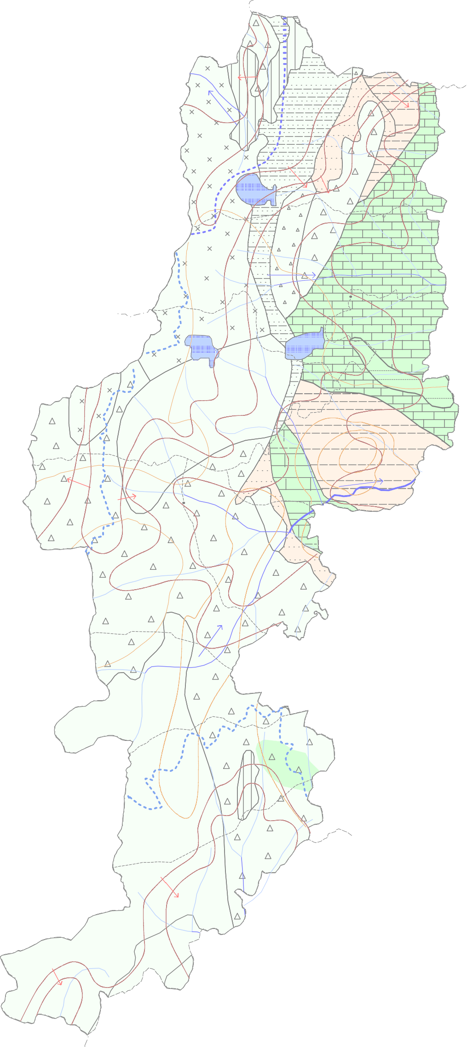
00'
30'
21°
00'
 |  |  |  |  |  | 1000
 |  |  |  |  |  | 
30'
 |  |  |  |  |  | 
 |  |  |  |  | 
 |  |  |  |  |  | 
 |  |  |  |  |  | 
 |  | 340 |  |  |  |  320
 |  |  |  |  |  |  | 30' |  | 81° |  |  |  |  |  |  |  |  |  | 00' |  |  |  |  |  |  | 30'

