Table 1
GOVT. OF INDIA MINISTRY OF WATER RESOURCES CENTRAL GROUND WATER BOARD GROUND WATER BROCHURE SURGUJA DISTRICT, CHHATTISGARH 2012-13
Ramanujganj

Odgi  Bhaiyathan  |  |  |  |  |  |  |  |  |  |  |  |  |  |  |  |  |  |  |  |  |  |  |  Wadrafnagar Partappur |  |  |  |  |  |  |  |  |  |  |  |  |   Balrampur
Surajpur   |  |  |  |  |  |  |  |  |  |  |  |  |  |  |  |  |  |  |  |  |  |  |  |  |  |  |  Rajpur |  |  |  |  |  |  |  |  |  | Shankargarh  |  |  |  |  |  |  |  |  Kusmi
Ramanujnagar |  |  |  |  |  |  |  |  |  |  |  |  |  |  |  |  |  |  |  |  |  |  | Ambikapur |  |  |  |  |  |  |  |  |  |  | Lu ndra
Premnagar  |  |  |  |  |  |  |  |  |  |  |  |  |  |  |  |  |  |  |  Udayapur |  |  |  |  |  Lakhanpur  Mainpat |  |  |  |  |  |  |  |  |  Batauli  Sitapur
Regional Director North Central Chhattisgarh Region, Reena Apartment, IInd Floor, NH-43, Pachpedi Naka, Raipur-492001 (C.G.) Ph. No. 0771-2413903, 2413689 E-mail: rdnccr- cgwb@nic.in
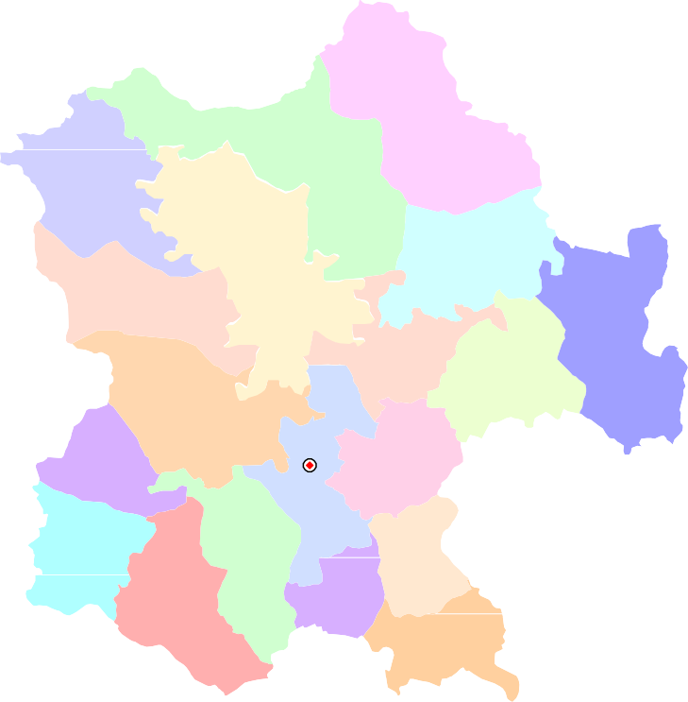

GROUND WATER BROCHURE OF SURGUJA ,CHHATTISGARH By Dr. O.N.Tiwari, Scientist “D” AT A GLANCE I. General 1. Location :Located in the extreme north-western corner of the State. :Long (East): 82°30‟10” and 84°04‟13” :Lat (North): 22°38‟30”and 24°06‟13” 2. Geographical area :16034.4 sq.km. 3. Community Development blocks : 19 no.s 4. Villages :1758 no.s 5. Population :2361329 As per Census 2011) 6. Average annual rainfall :1300 mm 7. Major physiographic unit : Northern Hilly Region, 8. River Basins and major drainage : Ganga Basin(covers 82% area) Major rivers: Kanhar and Rehar Mahanadi Basin(covers 18% area) Major rivers :Jhink and Mand 8. Forest area :Nearly 45.35 % of geographical area II. Major Soils 1. Alfisols :Red gravelly/sandy 2. Inceptisols :Shallow black 3. Ultisols :Red and yellow, lateritic III. Principal crops Crop seasons : Two (Kharif and Rabi) 1. Rice : 311000 ha 2. Pulses : 15000 ha 3. Gram : 20000 ha 4. Wheat : 20000 ha IV. Irrigation(2010) 1. Net sown area :480000 ha 2. Gross irrigated area :39000 ha a) Net irrigated are : 37000 ha a) By dug wells : 55806 no.s (5849 ha) b) By tube wells : 938 no.s (1821 ha) c) By tanks/ponds

V. Geology : Deccan Trap:(Dykes, Sills & Basalt flows) : Gondwana Supergroup:(Sandstone Shale, clay, siltstone coal seam) : Chhota Nagpur Complex : (Granite gneiss, Quartzite & Calc-Silicate rocks) VI. Hydrogeology Water bearing formations : Major formations are porous & fractured Sandstones, Granite gneisses, vesicular Basalts etc. VII. Ground water monitoring (by CGWB) 1. No. of monitoring stations : 93 no.s a) Dug wells : 73 no.s b) Piezometers : 20 no.s VIII. Ground water exploration (by CGWB) 1. Total no. of wells drilled : 106 no.s a) Exploratory wells : 67 no.s b) Observation wells : 24 no.s c) Piezometers : 15 no.s 2. Depth range : 60 to 320 mbgl 3. Discharge : 0.45 to 12 lps 4. Transmissivity : 11.0 to 159 m2/day 5. Storativity : 0.007 to 2.25 x 10‾6 IX. Ground water quality : potable X. Ground water resources (As on March 2009) 1. Annual available resources : 156932.37 ham 2. Ground water draft : 40166.28ham 3. Stage of ground water development : 25.59% XI. Ground water control and regulation: Nil (No critical/ notified/ Overexploited area) XII. Major ground water problems and issues : Nil

GROUND WATER BROCHURE OF SURGUJA, CHHATTISGARH By Dr. O.N.Tiwari,Scientist “D” 1.0 INTRODUCTION: The Surguja District covers an area of 16034.4 sq.km. It consists of 1758 no, of villages. For administrative convenience these villages are grouped into 19 no. of community development blocks. Ambikakur is the district headquarters. The block headquarters are Ambikapur, Lakhanpur Udaipur, Rajpur, Lundra,Sitapur, Batauli, Mainpat,Surajpur,Premnagar,Ramanujnagar,Bhaiyathan,Odagi,Wadrafnagar,Pratappur, Ramchandrapur, Balrampur,Kusami and Shankargarh. Nearly 45.35 % of the total geographical area of the District is covered by forest. The District is known for its forest product and coal mining. Fig 1 shows the location of the area along with drainage, block headquarters, Network Hydrograph Stations and location of exploratory wells established and drilled by Central Ground Water Board in the District respectively. Physiographycally the District is a part of Northern Hills and characterized by undulating topography with high hills, dissected plateaues, steep slopes and scarps. The Basaltic terrain is characterized by highly undulating topography with steep hills and plateau tops. The plateaues and ridges in the area are of 600 m amsl. The maximum elevation observed for hilly areas is 1025 m amsl and is at the central part of the District namely the Devgarh peak. The lowest elevation is 380 m amsl and is along the Banas river, which is on the northwestern part of the District.The District can be broadly divided into two major river basins. The Ganga basin and the Mahanadi basin. The Ganga basin covers 82 % of the area however the remaining area is drained by the Mahanadi basin. The Hasdeo, Gej and Miand flow towards South and their valleys occupy small areas in the south and southeastern parts of the District. The northward flowing ri

24° 00' |  |  |  |  |  | Fig 1 Index map of the Surguja district. Uttar Pradesh Wadrafnagar |  |  |  |  |  |  |  |  |  |  |  |  |  |  |  |  |  |  |  |  |  |  |  |  |  |  |  |  |  |  |  |  |  |  |  |  |  |  0 20 40 kilometers
       |  |  |  |  |  |  |  |  |  |  |  |  |  |  |  |  |  |  |  |  |  |  |  |  |  |  |  |  |  |  |  |  |  |   |  |  |  |  |  |  |  |  |  | − Ramchndrapur 
−  Odgi    
23° 30' |  |  |  |  |  |  |  |  Bhaithan  |  |  |  |  |  |  |  |  |  |  |  |  |  |  |    Pratappur    |  |  |  |  |  |  |  |  |  |  |  |  |  |  |  |  |  |  |  |  | Balrampur 
           |  |  |  |  |  |  |  |  |  |  |  |  |  |  |  |  |  |  |  |  |  |  |  |  |  |  |  |  |  |  |  |  |  |  |  Rajpur |  |  |  |  |  |  |  |  |  |   Shankargarh |  |  |  |  |  |  |  |  |  |  |  Kusmi
− Surajpur     
Ramanujnagar          |  |  |  |  |  |  |  |  |  |  |  |  |  |  |  |  |  |  |  |  |  |  |  |  |  |  |  |  |  |  |  Ambikapur  |  |  |  |  |  |  |  |  |  |  |  Lundra
23° 00'  |  |  |  |  |  |  |  |  |  |  |  |  |  |  |  |  |  | −     Batauli
   Laxmanpur 
 Premnagar   |  |  |  |  |  |  |  |  |  |  |  |  |  |  |  |  |  |  |  |   Udaipur |  |  |  |  |  |  |  | −  Mainpat 
  Sitapur
KORIYA BILASPU KORBA R |  |  |  |  |  |  |  |  |  |  |  |  | SURGUJA JASHPUR |  |  |  |  |  Raigarh District
22° 30' |  |  |  |  |  | KAWARDHA DURG RAJNANDGAON |  |  |  | JANJGIR - C RAIGARH RAIPUR MAHASAMU |  |  |  |  |  |  |  | L E G E N D
D A RI KANKER NARAYANPUR BASTAR BIJAPUR DANTEWAD |  |  |  |  |  |  |  |  |  |  |  |  |  |  |  |  |  |  |  |  |  |  |  |  |  |  |  |  |  |  |  |  |  |  | State Boundary District Boundary Block Boundary Major Drainage Surface divide |  |  |  |  |  |  |  |  |  |  |  |  Exploratory well  Monitoring well  District HQ  Block HQ
82° 30' |  |  |  |  |  |  |  |  |  |  |  |  |  |  |  |  |  | 83° 00' |  |  |  |  |  |  |  |  |  |  |  |  |  |  |  | 83° |  |  |  |  |  |  |  |  |  | 30' 84° 00'
from 1344.4 mm at Ramanjnagar to 1657.6 m.m. at Ambikapur. About 87% of the annual rainfall is received during June to September, July and August are the months of maximum precipitation, some rainfall is received in June, mostly in the form of thunder showers and during the cold season in association with passing western disturbances. There are on an average 73 rainy days in a year in the District. This number varies from 64 at Ramanjnagar to 78 at Ambikapur . The heaviest rainfall in 24 years recorded at any station in the District was 341.6 m.m at Ambikapur on 27.6.1948. The annual temperature varies from 10°C in winter to 40°C in summer. The relative humidity varies from 75% in rainy season to 30-40% during winter. The soils in the District are having wide variations. In all three types of soils exist in the District and are mostly insitu in nature. Most of the area is covered by Red gravely/ sandy Alfisols. It occurs over the Suprabarakars (Mahadeva/ Suprapanchet/ Parsora formation) in the area. The Shallow black Inceptisols are present over the Panchet and the Barakar formations. The Red and yellow Ultisols rich in iron oxide occur on the Upper Pali and the Mahadeva/ Suprapanchet/ Parsora formations. 2.0 GEOLOGY 2.1 Basement crystalline: The Archean rocks mainly comprising of gneisses, granite, schist and quartzite occupying the northern portion of the District The porphyritic gneiss is pink in coloured and contains phynocrysts in the area. The gneisses exhibit banded structure. The granite of the area comprise of quartz, felspar and biotite. The weathering of these rocks shows biotite altering to chlorite. It is observed that the weathering of these rocks varies to a depth range of 5 to 30 mbgl. So far a total of 37 no.of exploratory wells have been drilled in this group of rocks. The depth of bore wells drilled in this rock types varies from 106-151 mbgl. The casing length inse

ii) Barakars: The formation comprises sandstone which are bedded massive, highly feldspathic and interbedded with shales and coal seams. The Barakars are also found at places and to rest directly over the Archaeans. The rocks cover a large area in the District in Ramgopala and Bishrampur Coal field south west of Bulga near Chandra. The formation also covers large areas around Songara (23o17‟: 83o6‟), Markadand (23o22‟: 83o18‟), Barthi (23o40‟: 83o14‟), Giddi (23o47‟: 83o34‟) etc. A few outliers of hard bedded sandstones overlie the Barakars comprising hard gritty arkosic sandstone and pebbles of quartizitic these formation are known as supra Baraker formation are exposed in Ramgarh hill (975 mts. amsl). Exploratory drilling has brought out the fact that the lower unit of Barakar and suprabarakar formations is more productive, potential aquifer encountered below 150 mbgl. iii) Kamthi: the Kamthi formation comprises feldspathic sandstone with ferruginous and argillaceous matter and has great thickness in Karanjia Pahar (820 mts amsl). Because of the similarly in lithology it is difficult to separate the Kamthis from the Supra Barakars of Barakars. The Kamthis are also found on the western and North -western part of Mainpat. Kamthi formations are more productive aquifer. iv) Raniganj: This formation occurs over a small area near Bapatia (23o37‟: 83o2‟) Narola (23o39‟‟: 83o9‟) and Thurkunda (23o50‟: 83o22) of felspar and biotite. Biotite gneiss hornblnde gneiss, Augean gneiss are mostly exposed v) Mahadeva: Highly ferruginous and reddish brown and yellowish, hard and compact medium grained, bedded sandstone is the characteristic of this formation. This formation is exposed at Jobepahar 692 m). Mahadevas extends over large areas in Surajpur tehsil. The formation is exposed around Chatonda (23o46‟: 82o08‟). Ramgarh (23o40‟ : 30o31‟), Wadrafnagar (23o45‟ : 83o13‟) etc.A large area

2.4 Deccan Traps: The Deccan Traps are younger than lametas (infratrappeans) and at places directly overlie the Archaean granite gneisses. These comprise layered basaltic lava flows, which are known as Deccan Trap, due to their step like structure. These basalts are melanocratic, dense hard, medium grained composed of feldspar augite hornblned, quartz, etc. These rocks occur near and at Jaranpat, Jamurapat, Lahsunpat and hillocks south of Rehra (23o16‟: 83o48‟). Basic intrusives or dykes of dolerite, etc are seen exposed at a number of places in Gondwana formation. They are exposed near Bonga and Mahewa area. A 115 metres to 136 m thick basic sill popularly known as Korea sill occurs in Sonhat, Jhilmilli cole basins. The lower parts of the flows are sandstones form prominent hill ranges viz Bijlimana Pahar (583 mt). Barpahar (549 m) generally massive, hard and compact in nature. The upper part of each flow is vesicular and comprises rounded to oval shaped vesicles, which are generally filled with zeolities, calcites or quartz. Pleistocene to Recent Formations: Laterites of Pleistocene and Recent age occur over large areas of this District as capping on formations like Gondwana, Traps, Lametas and Archaenas. They are seen in high areas of Mainpat, Jaranpat, Lahsumpat, Jainira-pat etc. They are mostly ferruginous in nature (at places aluminous) and due to concentration of aluminous material deposits of Bauxite are formed at localised places. Thickness of laterite over archean is upto 30 meters around Askala (23o40‟ : 83o23‟), Bargidih etc.Alluvium as patches occur along river course at a number of places comprising gravels, sands, calc-tufa, and fine silty deposits with layers of pebbles derived from the neighbouring rocks. At places the alluvium is 25 to 30 meters thick. 3.0 HYDROGEOLOGY 3.1 Aquifer System: Ground water in the district occurs under ph

jointed and fractured zones, ranging thickness from 10-40 meters. Archaeans exposed in large parts of Ambikapur, Semri and Ramanujganj blocks are hard and compact and poorly permeable rocks. Gneisses and granodiorites are susceptible to weathering and have weathered, jointed and fractured zones extending about 15 to 25 mbgl. The phyllites and schists are moderately permeable and the occurrence of groundwater in them is dependent on the intensity of fractures and development of weathered zone. Impervious bands of siliceous phyllites with vertical foliation at places acts as sub- surface barrier for ground water movements. Sites having such disposition are suitable for ground water development on its upstream side. (b) Gondwans : Gondwanas rock occur about 7650 Sq.km area of the district and comprise thick beds of sandstone, shale‟s, clays and coal seams. Sandstones having felsdpathic composition and medium to coarse grained, it is then porous and permeable and forms good aquifers. Sandstone having siliceous matrix behave like impervious hard rocks. Shales are fine grained, compact and though porous lack in permeability and so do not form good aquifers. Among Gondwana formation the Barakar and Suprabarakar sandstones are the most important water bearing formations. They occupy about 4600-sqkm areas in the district and occur in western half in central, northern and southern parts of the district. These sandstones are medium to coarse-grained felsdpathic and highly porous and permeable. The intergranular pore spaces, joints and fractures control ground water movement in them. Shale beds behave as confining layers and help to form different aquifer systems. The ground water occurs under phreatic, semi confined and confined conditions. Talchir sandstone which is very fine- grained and compact yield comparatively less ground water. Ground water is extracted by dug

conditions are observed in the interflow zones at deeper depth. The bottom of each flow is massive, hard and compact in nature and the overlying vesicular basalt comprise rounded to oval shaped vesicles which are filled in by secondary minerals like quartz, calcite and zeolites. Thickness of vesicular horizon is limited. It is observed that ground water in Deccan Traps occur in (i). Weathered loose morrum like material in upper weathered zone. (ii). Weathered ambygadaliodal basalts in each flow. (iii). Exfoliated weathered zones covered by flows with columnar joints. (iv) Fractured massive basalt, dykes etc. The shallow aquifers are tapped by open wells of depth range of 8 to 25 mbgl. in which depth to water level range from1.5 to 21.0 mbgl The yield of shallow dug wells ranges from 20 to 100 m3/day, while those wells located in topographic lows near the confluences of streams or at intersection of fractures often yields from 50 to 150 m3/day. The borewells tapping interflow zones between 60 to 100 mbgl have piezometric head ranges from 15 to 25 mbgl. The yield of shallow/ deep boreholes depends on the thickness of vesicular and jointed horizons and it‟s inter connection with the overlying recharge zone and ranges from 5-to 35 m3/per hour. (e ) Alluvium and Laterite : The soft unconsolided and semi consolidated sediments comprising gravel, sand, silt and clay occur in proximity of the drainage channels which include the major and minor rivers and streams. The thickness of alluvium ranges from 20 to 30 meters. Laterites capping on the top of Deccan trap and basement crystalline are seen in plateau areas. The capping are porous, permeable and thickness ranges from 1-5 meters. Laterite forms good and high yielding aquifers in low-lying areas. The depth of dug wells range from 5 to 21 mbgl. The yield of shallow dugwells in laterite varies from 40 to 60-m3/ da

3.3 Depth to Water Level: Water levels of representative dugwells (NHS) are being monitored in the district. The distribution of these NHS in district is given in fig 1. The depth of these dugwells varies from 7 to 22 mbgl and their diameter varies from 1.8 m to 4.94 m . The frequency of monitoring of water level is four times in a year i.e. January, May, August and November.The depth to water level in Pre-monsoon has been monitored during May-12 for the area. Pre-monsoon DTW map of phreatic aquifer (fig 2) show maximum area falls under 5-10 mbgl followed by 3-5 mbgl, 0-3mbgl. Water level > 10 mbgl, has been observed in few wells and are distributed in isolated manner in Mainpur,Sitapur , Premnagar and Surajpur blocks.The post monsoon levels of dug wells were collected during November12. Post monsoon DTW map of phreatic aquifer (Fig 3) shows that during this period maximum area falls under 3-5 mbgl followed by 0-3 mbgl and >5 mbgl 3.4. Water Level Fluctuation: Magnitude of water level fluctuations between pre and post monsoon periods is shown that fluctuation of water level was recorded in Kamleshwarpur (18.0 m), which is located at surface water divide between Mahanadi and Ganga basin in Deccan trap formation. Lowest fluctuation value was of 0.9 m. recorded at Laxmanpur which is situated in Barakar formation. 3.5 Long term Trend Analysis of Water Level : The CGWB is maintaining water level data since 1976, to study the changes in resources and trend of rise or fall in water levels of phreatic aquifer. Average water level fluctuation in the existing network of hydrograph stations for a period of 10 years from 2003 – 2012 were considered in this report. The long-term average water table fluctuation (2003 – 2012) in the district .The data shows that there is a fall in water level except in the north western and south eastern parts of the district in Ganga and mahanadi

Surguja District, like some other District of Chhattisgarh, experienced a moderate drought situation in the year 2000 because of poor monsoon which was less than 27% of the normal rainfall. The Central Government under the scheme of “Assistance to Drought Affected States” drew a contingency plan for drought proofing by construction of Sanctuary wells that could be used during the period of drought as crisis management measure, mainly for drinking needs. 20 numbers of exploratory borewells were drilled through outsourcing in 2001-2002 for providing drinking water to the rural population of Surguja District under the 'accelerated exploration drilling programme' during AAP 2001- 2002. For determination of a aquifer parameters of deeper aquifer system of the hard rock Central Ground Water Board again took up exploratory drilling programme under F.S.P. 2008-09 and 2009-10 and 17 exploratory wells and 12 observation wells have been constructed. So far 106 bore wells (67 exploratory wells, 24 observation wells under exploratory drilling programme and 15 piezometers under „Hydrology Project)‟have been drilled in Surguja District (Fig-1). The status of borewells drilled in each block of the District is shown in Table 1. Based on the information collected during exploration a potential map has been prepared for the District. (Fig 6).
Table-1 The status of borewells drilled in each block of the District
S.No |  | Block |  |  |  |  |  |  |  | Gondwana fm |  |  |  |  |  |  |  |  |  |  |  |  | Basement crystalline |  |  |  |  |  |  |  |  |  |  |  |  |  |  |  |  |  |  |  | Total
1 |  | Ambikapur |  |  |  |  |  |  |  | 3 |  |  |  |  |  |  |  |  |  |  |  |  | 3 |  |  |  |  |  |  |  |  |  |  |  |  |  |  |  |  |  |  |  | 6
2 |  | Lakhanpur |  |  |  |  |  |  |  | 2 |  |  |  |  |  |  |  |  |  |  |  |  | 3 |  |  |  |  |  |  |  |  |  |  |  |  |  |  |  |  |  |  |  | 5
3 |  | Udaipur |  |  |  |  |  |  |  | 2 |  |  |  |  |  |  |  |  |  |  |  |  | 2 |  |  |  |  |  |  |  |  |  |  |  |  |  |  |  |  |  |  |  | 4
4 |  | Ramchandrapur |  |  |  |  |  |  |  |  |  |  |  |  |  |  |  |  |  |  |  |  | 2 |  |  |  |  |  |  |  |  |  |  |  |  |  |  |  |  |  |  |  | 2
5 |  | Balrampur |  |  |  |  |  |  |  |  |  |  |  |  |  |  |  |  |  |  |  |  | 2 |  |  |  |  |  |  |  |  |  |  |  |  |  |  |  |  |  |  |  | 2
6 |  | Kushmi
7 |  | Shankargarh |  |  |  |  |  |  |  |  |  |  |  |  |  |  |  |  |  |  |  |  | 2 |  |  |  |  |  |  |  |  |  |  |  |  |  |  |  |  |  |  |  | 2
8 |  | Surajpur |  |  |  |  |  |  |  | 10 |  |  |  |  |  |  |  |  |  |  |  |  | 4 |  |  |  |  |  |  |  |  |  |  |  |  |  |  |  |  |  |  |  | 14
9 |  | Odgi |  |  |  |  |  |  |  |  |  |  |  |  |  |  |  |  |  |  |  |  | 2 |  |  |  |  |  |  |  |  |  |  |  |  |  |  |  |  |  |  |  | 2
10 |  | Bhaiyathan |  |  |  |  |  |  |  | 1 |  |  |  |  |  |  |  |  |  |  |  |  | 1 |  |  |  |  |  |  |  |  |  |  |  |  |  |  |  |  |  |  |  | 2
11 |  | Ramanujnagar |  |  |  |  |  |  |  | 1 |  |  |  |  |  |  |  |  |  |  |  |  |  |  |  |  |  |  |  |  |  |  |  |  |  |  |  |  |  |  |  |  | 1
12 |  | Premnagar
13 |  | Sitapur |  |  |  |  |  |  |  |  |  |  |  |  |  |  |  |  |  |  |  |  | 3 |  |  |  |  |  |  |  |  |  |  |  |  |  |  |  |  |  |  |  | 3
14 |  | Batauli |  |  |  |  |  |  |  |  |  |  |  |  |  |  |  |  |  |  |  |  | 6 |  |  |  |  |  |  |  |  |  |  |  |  |  |  |  |  |  |  |  | 6
15 |  | Mainpat
16 |  | Pratappur |  |  |  |  |  |  |  | 5 |  |  |  |  |  |  |  |  |  |  |  |  |  |  |  |  |  |  |  |  |  |  |  |  |  |  |  |  |  |  |  |  | 5
17 |  | Lundra |  |  |  |  |  |  |  |  |  |  |  |  |  |  |  |  |  |  |  |  | 3 |  |  |  |  |  |  |  |  |  |  |  |  |  |  |  |  |  |  |  | 3
18 |  | Wadrafnagar |  |  |  |  |  |  |  | 6 |  |  |  |  |  |  |  |  |  |  |  |  |  |  |  |  |  |  |  |  |  |  |  |  |  |  |  |  |  |  |  |  | 6
19 |  | Rajpur |  |  |  |  |  |  |  |  |  |  |  |  |  |  |  |  |  |  |  |  | 4 |  |  |  |  |  |  |  |  |  |  |  |  |  |  |  |  |  |  |  | 4
 |  | Total |  |  |  |  |  |  |  | 30 |  |  |  |  |  |  |  |  |  |  |  |  | 37 |  |  |  |  |  |  |  |  |  |  |  |  |  |  |  |  |  |  |  | 67
4.1 Salient features of exploratory drilling The status of exploratory borewells drilled in each formation and their depth range, zone encountered and discharge variation is tabulated in Table 2 and is discussed below in detail. The Geology of the District and yield potential is shown in Figure.5 . 5.0 GROUND WATER RESOURCE The ground water resources for Surguja District has been estimated based on the GEC‟1997 methodology as on March year 2009. The estimates indicate that the annual replenishable ground water resource for the District is 165191.96 ham. The net annual ground water availability is 156932.37 ham. The gross annual draft has been estimated as 40166.28 ham and out of which, the draft for irrigation is 35282.58 ham and for domestic purpose is 4883.7 ham.Ground water resources given in table 3
Table 2 Salient Features of Exploratory well
Formation |  |  |  |  | No of Bore wells drilled |  |  |  |  | Depth Range (m.bgl) |  |  |  |  |  | Casing pipe lowered in m |  |  |  |  |  |  | Discharge in lps |  |  |  |  |  |  |  |  |  | Draw down m |  |  |  |  |  |  | Transmissivity m2/day |  |  |  |  |  |  |  |  |  |  | Specific Capacity lpm/m
Gondwana fm |  |  |  |  | 30 |  |  |  |  | 56.75 – 228.62 |  |  |  |  |  | 9.32 – 50.75 |  |  |  |  |  |  | 2.68 - 18 |  |  |  |  |  |  |  |  |  | 5.97 – 26.55 |  |  |  |  |  |  | 8.5 - 396 |  |  |  |  |  |  |  |  |  |  | 17.40 – 134.24
Basement Granite |  |  |  |  | 37 |  |  |  |  | 152 – 300.62 |  |  |  |  |  | 6 – 16.5 |  |  |  |  |  |  | 0.5 – 2.1 |  |  |  |  |  |  |  |  |  |  |  |  |  |  |  |  | 0.4 – 5 |  |  |  |  |  |  |  |  |  |  | -
Table 3 Ground water resources (as on 2009) for Surguja District
Assessment |  |  |  | Total |  |  |  |  |  |  | Net Ground |  |  |  |  |  | Existing |  |  |  |  |  | Existing |  |  |  |  |  |  | Existing |  |  |  |  |  |  |  | Allocation |  |  |  |  |  |  | Net Ground |  |  |  |  |  |  |  |  | Stage of
Unit / Block |  |  |  | Annual |  |  |  |  |  |  | Water |  |  |  |  |  | Gross |  |  |  |  |  | Gross |  |  |  |  |  |  | Gross |  |  |  |  |  |  |  | For |  |  |  |  |  |  | Water |  |  |  |  |  |  |  |  | Ground
 |  |  |  | Recharge |  |  |  |  |  |  | Availability |  |  |  |  |  | Ground |  |  |  |  |  | Ground |  |  |  |  |  |  | Ground |  |  |  |  |  |  |  | Domestic |  |  |  |  |  |  | Availability |  |  |  |  |  |  |  |  | Water
 |  |  |  | in Ham |  |  |  |  |  |  | in Ham |  |  |  |  |  | Water |  |  |  |  |  | Water |  |  |  |  |  |  | Water |  |  |  |  |  |  |  | & |  |  |  |  |  |  | for Future |  |  |  |  |  |  |  |  | Develo
 |  |  |  |  |  |  |  |  |  |  |  |  |  |  |  |  | Draft for |  |  |  |  |  | Draft for |  |  |  |  |  |  | Draft for |  |  |  |  |  |  |  | Industrial |  |  |  |  |  |  | Irrigation |  |  |  |  |  |  |  |  | pment
 |  |  |  |  |  |  |  |  |  |  |  |  |  |  |  |  | Irrigation |  |  |  |  |  | Domestic |  |  |  |  |  |  | All Uses |  |  |  |  |  |  |  | Water |  |  |  |  |  |  | Development |  |  |  |  |  |  |  |  | in %
 |  |  |  |  |  |  |  |  |  |  |  |  |  |  |  |  | in Ham |  |  |  |  |  | & |  |  |  |  |  |  | in Ham |  |  |  |  |  |  |  | Supply in |  |  |  |  |  |  | in Ham
 |  |  |  |  |  |  |  |  |  |  |  |  |  |  |  |  |  |  |  |  |  |  | Industrial |  |  |  |  |  |  |  |  |  |  |  |  |  |  | Ham
 |  |  |  |  |  |  |  |  |  |  |  |  |  |  |  |  |  |  |  |  |  |  | Water
 |  |  |  |  |  |  |  |  |  |  |  |  |  |  |  |  |  |  |  |  |  |  | Supply
 |  |  |  |  |  |  |  |  |  |  |  |  |  |  |  |  |  |  |  |  |  |  | in Ham
Ambikapur |  |  |  | 9203.21 |  |  |  |  |  |  | 8743.05 |  |  |  |  |  | 3056.1 |  |  |  |  |  | 457.18 |  |  |  |  |  |  | 3513.28 |  |  |  |  |  |  |  | 574.09 |  |  |  |  |  |  | 5112.86 |  |  |  |  |  |  |  |  | 40.18
Balrampur |  |  |  | 10758.93 |  |  |  |  |  |  | 10220.99 |  |  |  |  |  | 971.7 |  |  |  |  |  | 229 |  |  |  |  |  |  | 1200.7 |  |  |  |  |  |  |  | 322.44 |  |  |  |  |  |  | 8926.85 |  |  |  |  |  |  |  |  | 11.75
Batouli |  |  |  | 7274.37 |  |  |  |  |  |  | 6910.65 |  |  |  |  |  | 934 |  |  |  |  |  | 149.45 |  |  |  |  |  |  | 1083.45 |  |  |  |  |  |  |  | 196.99 |  |  |  |  |  |  | 5779.66 |  |  |  |  |  |  |  |  | 15.68
Bhaiyathan |  |  |  | 5149.57 |  |  |  |  |  |  | 4892.09 |  |  |  |  |  | 2913.78 |  |  |  |  |  | 293.7 |  |  |  |  |  |  | 3207.48 |  |  |  |  |  |  |  | 392.21 |  |  |  |  |  |  | 1586.1 |  |  |  |  |  |  |  |  | 65.56
Kusmi |  |  |  | 9229.08 |  |  |  |  |  |  | 8767.63 |  |  |  |  |  | 857.8 |  |  |  |  |  | 230.34 |  |  |  |  |  |  | 1088.14 |  |  |  |  |  |  |  | 297.21 |  |  |  |  |  |  | 7612.62 |  |  |  |  |  |  |  |  | 12.41
Lakhanpur |  |  |  | 5673.09 |  |  |  |  |  |  | 5389.43 |  |  |  |  |  | 1515.8 |  |  |  |  |  | 252.43 |  |  |  |  |  |  | 1768.23 |  |  |  |  |  |  |  | 344.77 |  |  |  |  |  |  | 3528.86 |  |  |  |  |  |  |  |  | 32.81
Lundra |  |  |  | 10199.18 |  |  |  |  |  |  | 9689.22 |  |  |  |  |  | 1127.6 |  |  |  |  |  | 254.44 |  |  |  |  |  |  | 1382.04 |  |  |  |  |  |  |  | 345.18 |  |  |  |  |  |  | 8216.44 |  |  |  |  |  |  |  |  | 14.26
Mainpot |  |  |  | 2840.58 |  |  |  |  |  |  | 2698.55 |  |  |  |  |  | 675.13 |  |  |  |  |  | 166.49 |  |  |  |  |  |  | 841.62 |  |  |  |  |  |  |  | 229.75 |  |  |  |  |  |  | 1793.67 |  |  |  |  |  |  |  |  | 31.19
Odgi |  |  |  | 14509.34 |  |  |  |  |  |  | 13783.87 |  |  |  |  |  | 1509.88 |  |  |  |  |  | 179.6 |  |  |  |  |  |  | 1689.48 |  |  |  |  |  |  |  | 247.94 |  |  |  |  |  |  | 12026.05 |  |  |  |  |  |  |  |  | 12.26
Pratappur |  |  |  | 8311.63 |  |  |  |  |  |  | 7896.05 |  |  |  |  |  | 2858.5 |  |  |  |  |  | 319.81 |  |  |  |  |  |  | 3178.31 |  |  |  |  |  |  |  | 467.82 |  |  |  |  |  |  | 4569.73 |  |  |  |  |  |  |  |  | 40.25
Prem Nagar |  |  |  | 10063.47 |  |  |  |  |  |  | 9560.3 |  |  |  |  |  | 1719 |  |  |  |  |  | 135.28 |  |  |  |  |  |  | 1854.28 |  |  |  |  |  |  |  | 189.37 |  |  |  |  |  |  | 7651.93 |  |  |  |  |  |  |  |  | 19.4
Rajpur |  |  |  | 6591.54 |  |  |  |  |  |  | 6261.97 |  |  |  |  |  | 1583.34 |  |  |  |  |  | 226.97 |  |  |  |  |  |  | 1810.31 |  |  |  |  |  |  |  | 318.31 |  |  |  |  |  |  | 4360.32 |  |  |  |  |  |  |  |  | 28.91
Ramanuj Nagar |  |  |  | 9382.64 |  |  |  |  |  |  | 8913.5 |  |  |  |  |  | 2898.27 |  |  |  |  |  | 259.48 |  |  |  |  |  |  | 3157.75 |  |  |  |  |  |  |  | 355.33 |  |  |  |  |  |  | 5659.9 |  |  |  |  |  |  |  |  | 35.43
Ramanujgang |  |  |  | 12032.94 |  |  |  |  |  |  | 11431.29 |  |  |  |  |  | 1196.41 |  |  |  |  |  | 336.25 |  |  |  |  |  |  | 1532.66 |  |  |  |  |  |  |  | 529.34 |  |  |  |  |  |  | 9705.54 |  |  |  |  |  |  |  |  | 13.41
Shankargarh |  |  |  | 5871.03 |  |  |  |  |  |  | 5577.48 |  |  |  |  |  | 1072.8 |  |  |  |  |  | 151.38 |  |  |  |  |  |  | 1224.18 |  |  |  |  |  |  |  | 194.28 |  |  |  |  |  |  | 4310.4 |  |  |  |  |  |  |  |  | 21.95
Sitapur |  |  |  | 5345.9 |  |  |  |  |  |  | 5078.61 |  |  |  |  |  | 1245.9 |  |  |  |  |  | 287.78 |  |  |  |  |  |  | 1533.68 |  |  |  |  |  |  |  | 671.77 |  |  |  |  |  |  | 3160.94 |  |  |  |  |  |  |  |  | 30.2
Surajpur |  |  |  | 10450.81 |  |  |  |  |  |  | 9928.27 |  |  |  |  |  | 4681.1 |  |  |  |  |  | 443.62 |  |  |  |  |  |  | 5124.72 |  |  |  |  |  |  |  | 655 |  |  |  |  |  |  | 4592.17 |  |  |  |  |  |  |  |  | 51.62
Udaipur |  |  |  | 9373.62 |  |  |  |  |  |  | 8904.94 |  |  |  |  |  | 1995.9 |  |  |  |  |  | 169.28 |  |  |  |  |  |  | 2165.18 |  |  |  |  |  |  |  | 237.85 |  |  |  |  |  |  | 6671.19 |  |  |  |  |  |  |  |  | 24.31
Wadrafnagar |  |  |  | 12931.03 |  |  |  |  |  |  | 12284.48 |  |  |  |  |  | 2469.57 |  |  |  |  |  | 341.22 |  |  |  |  |  |  | 2810.79 |  |  |  |  |  |  |  | 501.56 |  |  |  |  |  |  | 9313.35 |  |  |  |  |  |  |  |  | 22.88
District |  |  |  | 165191.96 |  |  |  |  |  |  | 156932.37 |  |  |  |  |  | 35282.58 |  |  |  |  |  | 4883.7 |  |  |  |  |  |  | 40166.28 |  |  |  |  |  |  |  | 7071.21 |  |  |  |  |  |  | 114578.58 |  |  |  |  |  |  |  |  | 25.59
6.0 GROUND WATER DEVELOPMENT The ground water development in the District is being done by dug wells and bore wells.The dug well depth varies from 5 to 14 m and the diameter varies from 1 to 4 m.The bore wells drilled in the area are 60 to 75 m deep with diameter of 100 to 150 mm. Diesel or electric operated pumps of 1 to 5 HP or traditional teda is used to lift the water from dug wells for irrigation purposes. The electric pump or rope and bucket are used to lift the water for domestic purpose. Submersible electrical pumps of 3 to 5 HP are used for irrigation purpose in case of bore wells in the area. The bore wells in the area can irrigate an area of 0.5 to 1.5 ha for paddy. Ground water is the main source of drinking in the District. In all 4817 no. of bore wells and 2960 no. of dug wells exist in the District (2012). Together they irrigate around 8296 ha. The contribution of ground water for irrigation comes to nearly 22 % in the District. The use of ground water in non-command area is maximum. The stage of ground water development estimated for Bhaiyathan block is maximum (65.56%) and for Balrampur block is Minimum 11.75 %,.The overall stage of development in the District is 25.59 %. The District as well as all the blocks fall within the Safe category.The block wise stage of ground water development in the District is depicted in Fig 4. The yield potential and the recommended suitable abstraction structures for the area are shown in Fig 6.
Fig 2. Pre-monsoon (May 2012) Depth to Water Level 24° 0
 | 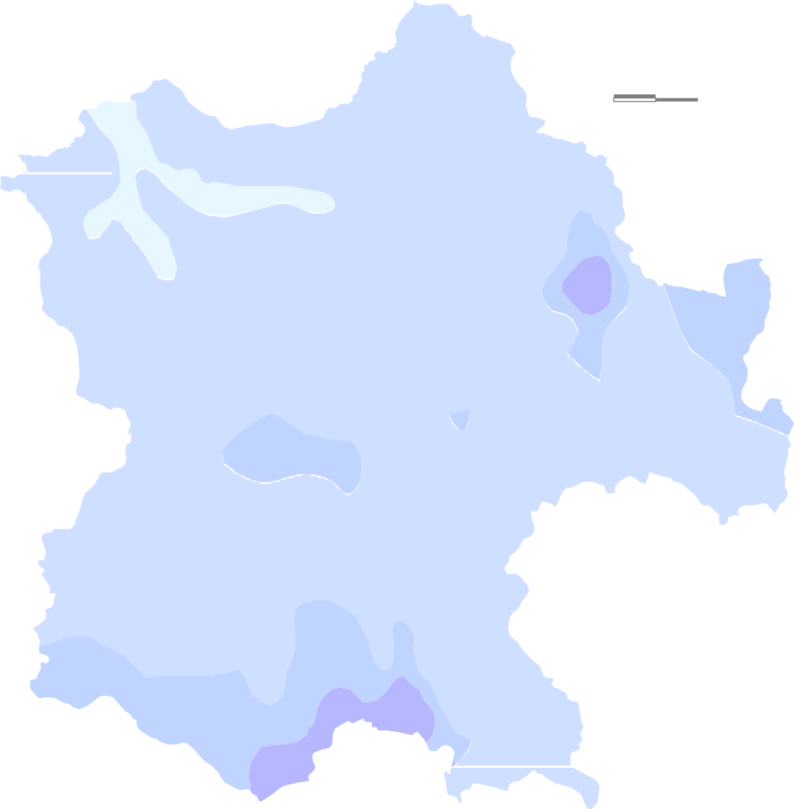 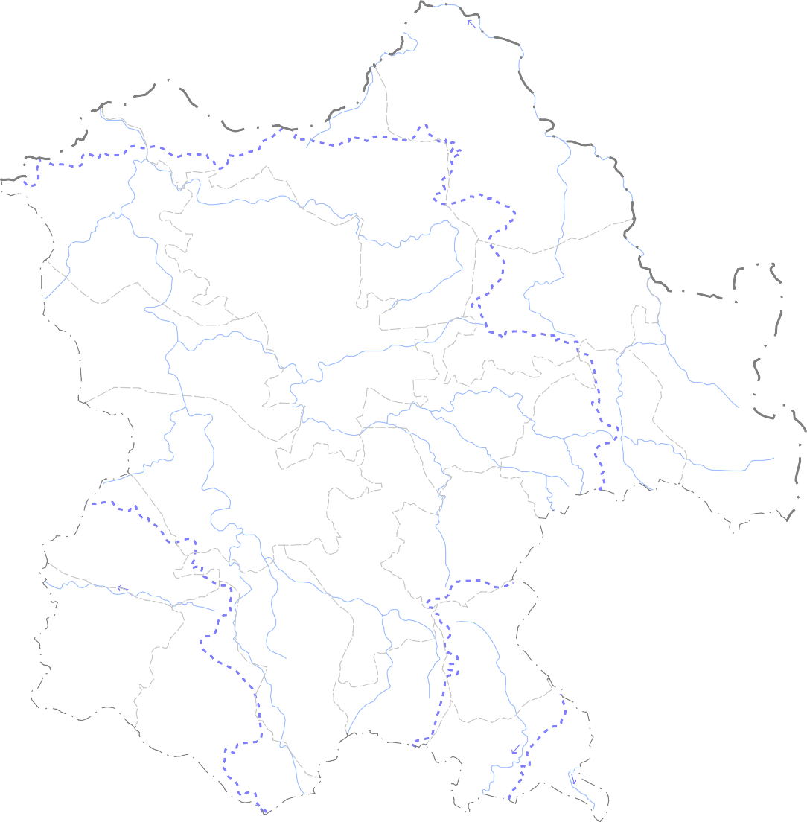  Ramanujganj 0 20 40  kilometers Wa22 fnagar 18  30 dra 12  38 21 3 35  Odgi Balrampur 5  Bhaiyathan 9 Partappur  26  24 14 31 Rajpur Surajpur 28 Shankargarh  16 32   11 19 4 Kusmi  33  15 29 1 Ramanujnagar   AMBIK2 UR 8 Lundra AP 13 37 27 20 7  Premnagar  Lakhanpur Batauli  10 36 23  34  6 Udayapur Mainp 17 at  2S5itapur L E G E N N Depth to water level ( mbgl) Block boundary Observation wells  0 -
0'
0' 3°
00'
30'
 |  | 30' 83° |  |  |  |  |  |  |  |  |  |  |  | 00' |  |  |  |  |  |  |  |  |  |  |  |  |  |  |  |  | 30' 84° |  |  |  |  |  |  |  |  |  |  |  |  |  |  |  |  |  | 00'
3
2

Fig 3 Post-monsoon (Nov 2012) Depth to Water Level 24° 0
 | 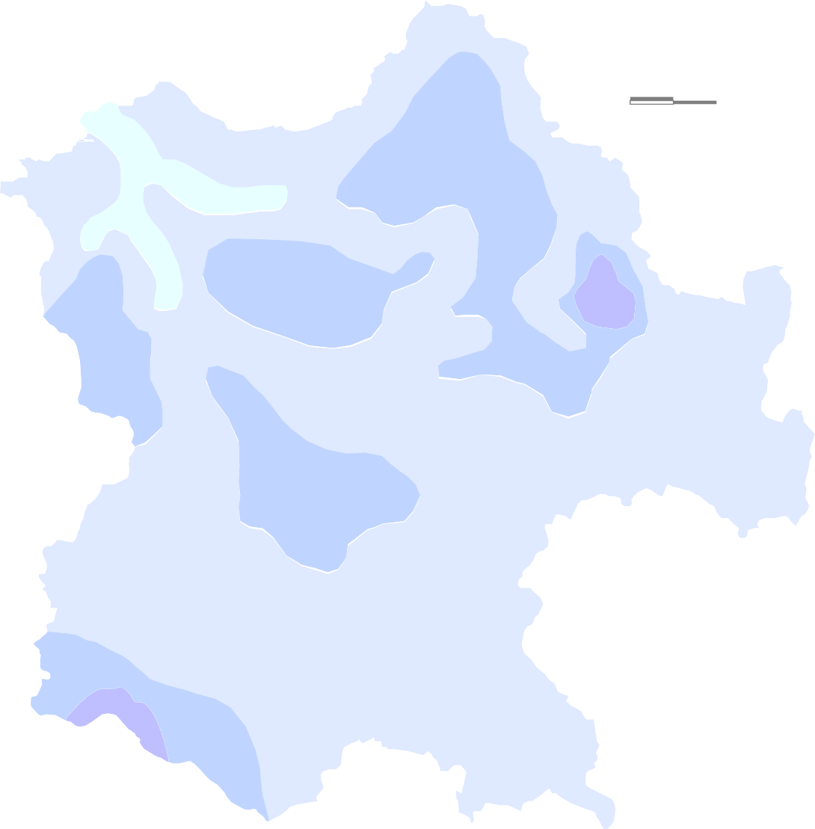 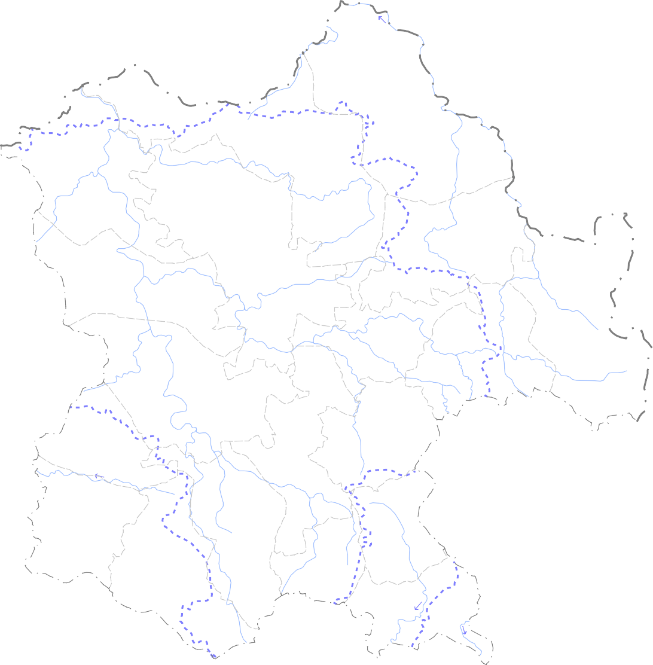  Ramanujganj 0 20 40 kilometers  Wad2r2afnagar 18  30 12  38 21 3 35  Odgi Balrampur 5  Bhaiyathan 9 Partappur 26   24 14 Rajpur 31 28 Surajpur  Shankargarh 16 32   11 19 4 Kusmi  33  15 29 1 Ramanujnagar   AMBIKA2PUR 8 Lundra 13 37 20 7  27  Premnagar Lakhanpur Batauli  10 36 23  34 Udayapur  17 6 Mainpat  2S5itapur L E G E N N Depth to water level ( mbgl) Block boundary Observation wells  0 - 3 District boundary 3 - 5 State boundary  Bolck Head Quarter District Head Quarter 5 - 10 Drainage River fl
0'
0' 3°
00'
30'
 |  | 30' 83° |  |  |  |  |  |  |  |  |  |  |  | 00' |  |  |  |  |  |  |  |  |  |  |  |  |  |  |  |  |  | 30' 84° |  |  |  |  |  |  |  |  |  |  |  |  |  |  |  |  |  | 00'
3
2

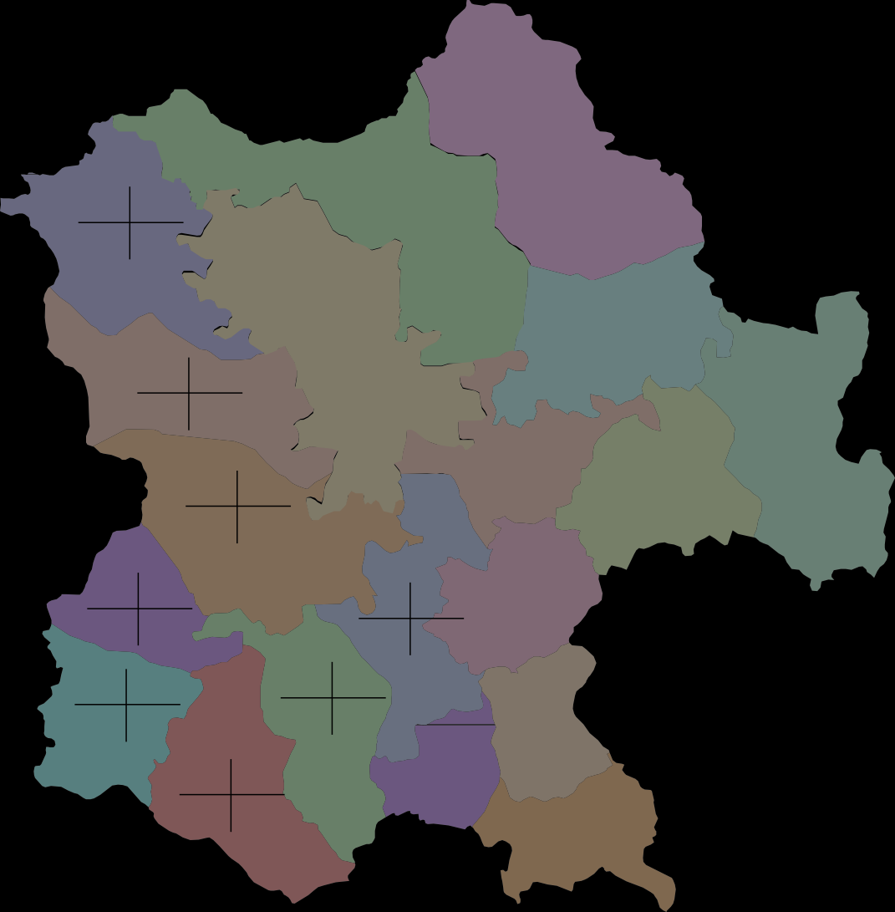
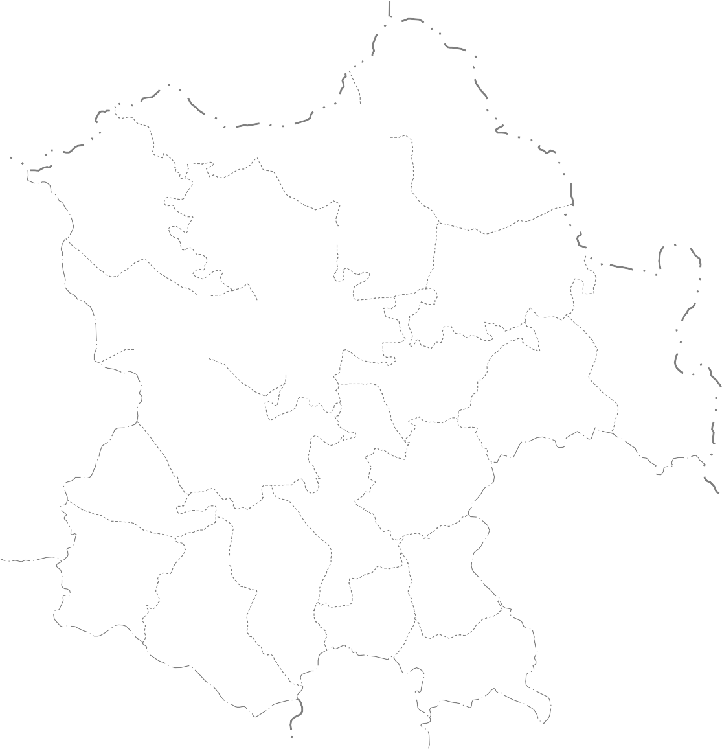
Fig 4 Categorization of Blocks of the Surguja District. as on March2009 24° 00' 23° 30'
 | Uttar Pradesh  Ramanujganj 0 20 40 Wadrafnagar kilometers 12284.48 2810.79 11431.29 1532.66 13783.87 1689.48 9313.35 22.88 9705.54 13.41 12026.05 12.26 7896.05 3178.31 Odgi 4569.73 40.25 Balrampur Bhaiyathan Partappur 10220.99 1200.7 8767.63 1088.14 4892.09 3207.48 8926.85 11.75 7612.62 12.41 1586.1 65.56 Rajpur 6261.97 1810.31 Shankargarh Kusmi 9928.27 5124.72 4360.32 28.91 5577.48 1224.18 4592.17 51.62 4310.4 21.95 Lundra Ramanujnagar Surajpur Ambikapur 9686.22 1382.04 8913.5 3157.75 8743.053513.28 5659.9 35.43 5112.86 40.18 8216.44 14.26 9560.3 1854.28 5389.43 1768.23 6910.65 1083.45 7651.93 19.4 Udayap 3528.86 32.81 5779.66 15.68 ur Premnagar Lakhanpur 2698.55 841.62 Batauli 8904.94 2165.18 1793.67 31.19 Sitapur 6671.19 24.31 Mainpat 5078.61 1533.68 3160.94 30.02 Raigarh District L E G E N D Net Ground water Ground water draft available (ham) (ham) Ground water resources Stage of ground water for future use (ham) development (%)
0'
2°
0'
82° |  | 30' |  |  |  |  | 83° |  |  |  |  |  |  | 00' |  |  |  |  |  |  | 83° |  |  |  |  |  |  |  |  |  | 30' |  |  |  |  |  |  |  |  |  |  | 84° |  |  |  |  |  | 00'

23°

2

7.0 . GROUND WATER QUALITY The water samples collected from NHNS during the month of May‟2012 (Pre- monsoon) were analysed to determine the quality of ground water in the District. The analysis shows that the concentration of the major ions are within limit as per BIS Standards and the ground water in the District is suitable for all purposes. The plot of Piper Trilinear Diagram and US Salinity Diagram indicates that the ground water in the District is suitable for drinking, irrigation and all other purposes. The EC values ranges between 75 to 1200 micro siemens/cm at 25°C and the pH values ranges between 7.7 to 8.2. The overall composition of ground water indicates that it is moderately alkaline and predominantly CaHCO3 type (calcium bicarbonate). 8.0 GROUND WATER MANAGEMENT STRATEGY There exists a wide scope for ground water development in the District. The available ground water resources for the District are of order of 114578.58 ham and the ground water draft is 40166.28 ham. The stage of ground water development is only 25.59 %. It is estimated that with the available ground water resources a total of 48330 no.s of bore wells and 24165 no.s of dug wells can be constructed in the District. By adapting suitable developmental strategies, the less developed blocks like Shankargarh,Ramanujnagar and Ramchndrapur can be further developed by way of increased irrigation.The ground Water development plan is given in Fig 6. The northwestern part of Wadrafnager block Premnagar and part of Lakhanpur block can be developed by constructing deep tube wells of average depth around 250m. 9.0 CONCLUSIONS AND RECOMMENDATIONS 9.1 Conclusions: Surguja is the largest district of Chhattisgarh State and is located in the northern part. It occupies parts of Ganga and Mahanadi river basins.Eastern half of the district have flat topped table lands of 800 mam

Fig 6 Ground Water Development,Potential and Artificial Recharge Prospects
2
4° 00' 30' 23° 00' 30' | 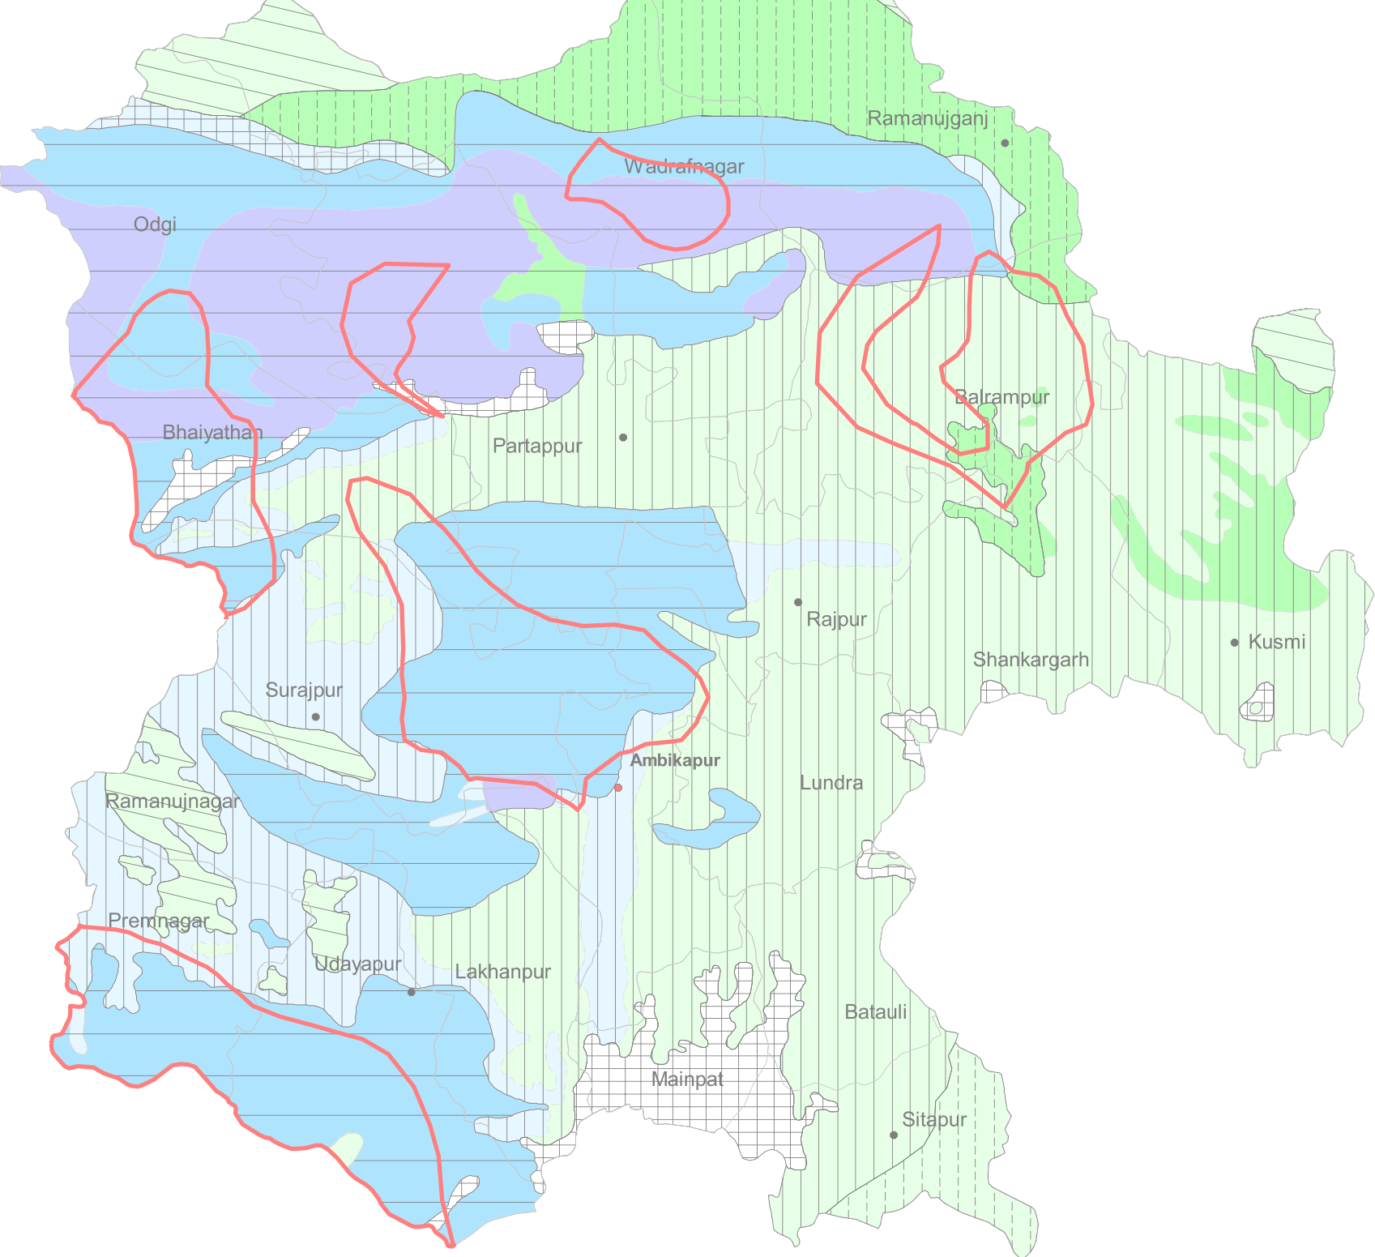 |  | Area suit |  |  | W+ N E s 0 20 40 kilometers LEGEND ble for

 |  |  |  |  |  | Dug well |  |  |  |  |  |  |  |  |  |  |  | Ground water potential
 | 1 1 I: |  | I I I I I I I I I I I I I I |  |  | Dug well/ bore well Bore well Deep tube well |  |  |  |  |  |  |  |  |  |  |  | (Yield- liter/sec) Soft rock Hard rock 1 - 3 1 - 5 1 - 8 1- 3 1 - 5
 | 1 1 |  | I I I I I |  |  | Hilly area |  |  |  |  |  |  |  |  |  |  |  | I I I I I I
 |  |  | ■ |  |  | Block boundary . Bolek Head Quarter |  |  |  |  |  |  |  |  |  |  |  | _.I Area suitable for Artificial ground water rech |  |  |  |  |  |  |  |  |  |  |  |  |  |  |  |  |  |  |  |  |  |  |  |  |  |  |  |  | arge
a
30' 83° 00' 30' 84° 00'
sandstone, coal seams, shale cover 7600 Sq.kms where as inftatrappeans, Deccan lava flows; laterite and alluvium occupy the remaining area. A basic sill of 115 to 136 meters thickness known as Korea sill occurs in Sonhat- Jhilmillia area. Ground Water occurs under water table, semi confined and confined conditions in alluvium/laterite, Deccan trap basalts and Gondwana sandstone. The artesian conditions are common in Gondwana sediments in the western parts of the district. The ground water flow in phreatic aquifer is controlled by surface topography as flow lines indicate the movement of ground water towards river basins Fig.5. The depth to water ranges from 6 to 12 meters and water level fluctuation range is 0.25 to 12.0 metres for the year 2008.The important aquifers in the district are :-Weathered, jointed and fractured portions of Archaean formation with a moderate yield of 5-15 m3/hr and weathered mantle of sandstone and solution cavities in limestone of Lametas with yield of 5-15 m3/hr.Weathered/fractured basalt, interflow contacts and the contact with the underlying granite gneiss and or Lametas with general yields of about 5-10 m3/hr. The Shallow tubewells drilled by P.H.E.D. shows that hydrualic conductivity of jointed/ fractured and weathered zones in Archean, Gondwana and Deccan trap formation ranges from 0.2 to 40 m2/day. The depth of the aquifers varies from few meters to 70 mbgl. The C.G.W.B. exploration data for Gondwanas shows that discharge of the tubewells range from 5 m3 to 30 m3 per hour and the depth of tubewells from 76 to 27 meters.bgl. Ground water occurs under semi confined and confined due to alternate shale, sandstone sequence.The depth of shallow dugwells ranges from 8 to 25 meters in the district. The ground water quality as a whole is generally good and suitable for domestic, irrigation and industrial uses. The ground water res

9.2 Recommendations: Following recommendations are made for the scientific management of ground water resources and development of utilisable ground water resources. The ground water development should be taken up by construction of suitable structures and in areas as per feasibility recommended in Fig.6. Area recommended for deep aquifer: An area covered with Barakar and Suprabarakar having low potential shallow aquifer are required to explore deep sited potential aquifer for ground water development However, suitable sites for drilling should be selected by hydrogeological survey and land sat imagery.. Area recommended for exploration by shallow tube well: An area covered with lower Barakar sandstone in which thickness of aquifers is quite large and have good hydraulic conductivity. Tube wells of about 10 to 15 cm diameter and depth of 150 to 200 m.bgl are recommended. The tube wells constructed are expected to have yields of 5 to 20 m3/hr. Area recommended for dug wells and borewells : An area covered with basement crystalline rocks are suitable for construction of large diameter dug well ,The area is generally plain and low lying which is fractured zone constitute shallow aquifer diameter dugwells (3 to 5 meters) and 15 meters in depth is recommended. In areas particularly in basaltic terrain where vesicular, jointed and fractured zones are present, dugwells of lesser diameter (3 to 5 meters) can be constructed. Area recommended for „Conjunctive use development: In the command area of Kunwarpur and other medium irrigation projects, conjunctive use of surface and ground water is recommended to increase the additional irrigation potential in the higher reaches of the area and also to promote efficiency of irrigation project and prevent water logging. ACKNOWLEDGEMENT

The author is grateful to Shri Sushil Gupta, Chairman, Central Ground Water Board for giving this opportunity for preparation of the 'Ground Water Brochure of Dhamtari district, Chhattisgarh‟. The author is thankful to Shri K. C. Naik, Regional Director, Central Ground Water Board, NCCR, Raipur for his guidance and constant encouragement for the preparation of this brochure. The author is also thankful to Shri S. K. Verma, Sr. Hydrogeologist (Scientist 'C') for his valuable comments and guidance. The help rendered by Shri J.R.Verma Scientist 'B‟ in preparing the brochure is duly acknowledged. The author is also thankful to Shri T.S.Chauhan, Drafs man help in preparation of the map. Dr O.N. Tiwari Scientist ‘D’
24° |  |  |  |  |  | Fig 5 |  |  |  |  |  |  |  | HYDROGEOLOGICAL MAP OF THE SURGUJA DISTRICT. 
00' |  |  |  |  |  |  |  |  |  |  |  |  |  |  | 431 |  |  |  |  |  |  |  |  |  |  |  |  |  |  |  |  |  |  |  |  |  |  |  |  |       |  |  |  |  |  |  |  |  |  |  |  |  |  | 328 Ramanujganj             |  |  |  |  |  |  |  |  |  |  |  |  |  | 0 20 40 kilometers
 18 |  |  |  |  |  |  |  |  |  |  |  |  |  |  |  |  |  |  |  |  |  |  |  |  |  |  |  |  |  |  |  |  |  |  |  |  |  |  |  |  |  |  |  |  |  |  |  622 1
Wadrafnagar  4 
500  |  |  |  |  |  |  |  |  |  |  |  |  |  |  |  |  |  |  |  |  |  |  |  |  |  |  |  |  |  |  |  |  |  |  |  |  |  |  |  |  |  |  |  |  |  | 33  |  |  |  |  |  |  |  |  |  |  | − 8 17 |  |  |  |  |  |  |  |  |  |  |  |  |  |  | − 25
 500
 Odgi 747  |  |  |  |  |  |  |  |  |  |  |  |  |  |  |  |  |  |  |  |  |  |  |  |  |  |  |  |  |  |  |  |  |  |  |  |  |  |  |  |  |  |  |  |  |  |  |  |  |  |  |  |  |  |  |  |  |  |  |  |  |  | 984 |  |  |  |  |  |  |  | 30
  |  |  |  |  |  |  |  |  |  |  |  |  |  |  |  |  |  |  |  |  |  |  |  |  |  |  |  |  |  |  |  |  |  |  |  |  |  |  |  |  |  |  |  |  |  |  |  |  |  |  |  |  |  |  |  |  |  |  |  |  |  |  |  |  |  |  |  |  |  |  |  |  |  | 977
  |  |  |  |  |  |  |  |  |  |  |  |  |  |  |  |  |  |  |  |  |  |  |  |  |  |  |  |  |  |  |  |  |  |  |  |  |  |  |  |  |  |  |  |  |  |  |  |     |  |  |  |  |  |  |  |  |  |  |  |  |  | Balrampur |  |  |  |  |  | S N 
 |  |  |  |  |  |  |  |  |  |  |  |  |  |  |  |  |  |  |  |  |  |  |  |  |  |  |  |  |  |  |  |  |  |  |  |  |  |  |     

Bhaiyathan 
 |  |  |  |  |  |  |  |  |  |  |  |  |  |  |  |  |  |  |  |  |  |  |  |  |  |  |  |  |  |  |  |  |  |  |  |  |  |  |  |  |  5  
30' |  |  |  |  |  |  |  |  |  |  |  |  |  |  |    |  |  |  |  |  |  |  |  |  |  |  |  |  |  |  |  |  | Partappur     |  |  |  |  |  |  |  |  |  |  |  |  |  |  21 |  |  |  |  |  |  |  |  |  |  | − 20 |  |  |  |  |  |  |  |  |  |  |  |  |  | 835
       |  |  |  |  |  |  |  |  |  |  |  |  |  |  |  |  |  |  |  |  |  |  |  |  |  |  |  |  |  |  |  |  |  |  |  |  |  |  | − 10
 |  |  |  |  |  |  |  |  |  |  |  |  |  |  |  |  |  |  |  |  |  |  |  |  |  |  |  |  |  |  |  |  |  |  |  |  |  | 525 |  |  |  |  | Rajpur
 26 |  |  |  |  |  |  |  |  |  |  |  |  |  |  |  |  |  |  |  |  |  |  |  |  |  |  |  |  |  |  |  |  |  |  |  |  |  |  |  |  |  |  |  |  |  |  |  |  |  |  |  |  |  |  |  |  |  |  | − 23
Sur5a41jpur |  |  |  |  |  |  |  |  |  |  |  |  |  |  |  |  |  |  |  |  |  |  |  |  |  |  |  |  |  |  |  |  |  |   |  |  |  |  |  |  |  |  |  |  |  |  |  |  |  |  |  |  |  |  |  |  |  |  |  |  |  |  |  |  | Shankargarh
  12 |  |  |  |  |  |  |  |  |  |  |  |  |  |  |  |  |  |  |  |  |  |  |  |  |  |  |  |  |  |  |  |  |  |   27   |  |  |  |  |  |  |  |  |  |  |  |  |  |  |  |  |  |  |  |  |  |    

− 7 |  |  |  |  |  |  |  |  |  |  |  |  |  |  |  |  |  |  |  |  |  |  |  |  |  |  |  | − 15  2 |  |  |  |  |  |  |  |  |  |  |  |  |  |  |  |  |  |  |  |  |  |  |  |  |  |  |  |  |  |  |  |  |  |  |  |  |  |  |  |  | Kusmi
1500  28  
       11     
24 
Ramanujnagar |  |  |  |  |  |  |  |  |  |  |  |  |  |  |  |  |  |  |  |  |  |  |  |  |  |  |  |  |  |  |  |  |  |  |  |  |  |  |  |  |  |  |  |  |  |  |  |  |  |  |  |  |  |  |  |  |  |  |  | 939
AMBIKAPUR |  |  |  |  |  |  |  |  |  |  |  |  |  |  |  |  |  |  |  |  |  |  |  |  |  |  |  |  |  |  |  |  |  |  |  |  |  |  |  |  |  |  |  |  |  |  |  |  |  |  |  |  |  | 4 |  |  |  |  | Lundra
9  
23° |  |  |  |  |  |  |  |  |  |  |  |  |  |  | 619 |  |  |  |  |  |  |  |  |  |  | − 32  
00' |  |  |  |  |  |  |  |  |   22 |  |  |  |  |  |  |  |  |  |  |  |  |  |  |  |  |  |  |  |  |  |  |  |  |  |  |  |  |  | 645 16  |  |  |  |  |  |  |  |  |  |  |  |  |   3  
1500 |  |  |  |  |  |  |  |  |  |  |  | Premnagar |  |  |  |  |  |  |  |  |  |  |  |  Lakhanpur |  |  |  |  |  |  |  |  |  |  |  |  |  |  |  |  |  |  |  |  |  |  |  |  |  |  |  |  |  |  | Batauli
 31 |  |  |  |  |  |  |  |  |  |  |  |  |  |  |  |  |  |  |  |  |  |  |  |  |  |  |  |  |  |  |  |  |  |  |  |  |  |  |  |  |  |  |   |  |  |  |  |  |  |  |  |  |  |  |  |  |  |  |  |  | − 19
 6   452 
1000 |  |  |  |  |  |  |  |  |  |  |  |  |  |  29 Udayapur |  |   13 | 1070 1
Mainpat   |  |  |  |  |  |  |  |  |  |  |  |  |  |  |  |  |  |  |  |  |  |  |  |  |  |  |  |  |  |  |  |  |  |  |  |  |  |  |  |  |  |  |  |  |  |  |  |  |  |  |  |  |  |  |  |  |  |  |  |  |  |  |  | 500
583 |  |  |  |  |  |  |  |  |  |  |  |  |  |  |  |  |  |  |  |  |  |  |  |  |  |  |  |  |  |  |  |  |  |  |  |  |  |  |  |  |         
   |  |  |  |  |  |  |  |  |  |  |  |  |  |  |  |  |  |  |  |  |  |  |  |  |  |  |  |  |  |  |  |  |  |  |  |  |  |  |  |  |  |  |  |  |  |  |  |  |  |  |  | Sitapur  |  |  |  |  |  |  |  |  |  |  |  |  |  |  |  |  |  | 580 |  |  | 1600
Formation Lithology |  |  |  |  |  |  |  |  |  |  |  |  |  |  |  |  |  |  |  |  |  |  |  |  |  |  |  |  |  |  |  |  |  |  |  |  |  |  | L E G E N D |  |  |  |  |  |  |  |  |  |  |  |  |  |  |  |  |  |  |  |  |  |  |  | Ground water potential
30' |  |  |  |  |  |  | Quaternary Deccan trap |  |  |  |  |  |  |  |  |  |  |  |  |  |  | Laterite Basalt |  |  |  |  |  |  |  |  |  |  |  |  |  |  |  |  |  |  |  |  |  |  |  |  |  |  |  |  | (Yield- liter/sec) Soft rock Hard rock
Jabalpur,Porsa,Tikri and Panchet Kamthi, Barakar and Raniganj |  |  |  |  |  |  |  |  |  |  |  |  |  |  |  |  |  |  |  |  |  |  |  |  | Sandstone and Shale Sandstone, Shale and Coal seam |  |  |  |  |  |  |  |  |  |  |  |  |  |  |  |  |  |  |  |  |  |  |  |  |  |  |  |  |  |  |  |  |  |  |  |  | 1 - 3 1 - 5 1 - 10 1 - 3 1 - 5 300 Ground water Contou(mr amsl)
Sandtone, Siltstone |  |  |  |  |  |  |  |  |  |  |  |  |  |  |  |  |  |  |  |  |  |  |  |  |  |  |  |  |  |  |  |  |  |  |  |  |  |  |  |  |  |  |  |  |  |  |  |  |  |  |  |  |  | Ground water flow
Talchir Chotta Nagpur gneissic complex |  |  |  |  |  |  |  |  |  |  |  |  |  |  |  |  |  |  |  |  |  |  |  | and Conglormerate  5 Granite, gneisses & metaigneous |  |  |  |  |  |  |  |  |  |  |  |  |  |  |  |  |  |  |  |  |  |  |  |  |  |  |  |  |  |  |  |  |  |  |  |  |  |  |  |  |  |  |  |  |  | National Hydrograph Station Lineament Surface water devide
Unclassified metasediments Granite, gneisses Bilaspur-Raigarh-Ambikapur & metaigneous |  |  |  |  |  |  |  |  |  |  |  |  |  |  |  |  |  |  |  |  |  |  |  |  |  |  |  |  |  |  |  |  |  |  |  |  |  |  |  |  |  |  |  |  |  |  |  |  |  |  |  |  | 500 |  |  |  |  |  |  |  |  |  |  |  |  |  | 1200 |  |  |  | Isohyet (mm) EC (microsiemens at 25° C) Drainage
30' 83° 00' |  |  |  |  |  |  |  |  |  |  |  |  |  |  |  |  |  |  |  |  |  |  |  |  |  |  |  |  |  |  |  |  |  |  |  |  |  |  |  |  |  |  |  |  |  |  |  |  |  |  |  |  |  |  |  |  |  |  |  |  |  |  |  |  |  | 30' |  |  |  |  |  |  |  |  | 84° | 00'

