Table 1
GOVERNMENT OF INDIA MINISTRY OF WATER RESOURCES CENTRAL GROUND WATER BOARD GROUND WATER INFORMATION BOOKLET KODAGU DISTRICT, KARNATAKA STATE
SOMVARPET
KODAGU
VIRAJPET
SOUTH WESTERN REGION BENGALURU JANUARY 2013

GOVERNMENT OF INDIA MINISTRY OF WATER RESOURCES CENTRAL GROUND WATER BOARD GROUND WATER INFORMATION BOOKLET KODAGU DISTRICT, KARNATAKA STATE
SOMVARPET
KODAGU
VIRAJPET
SOUTH WESTERN REGION BANGALORE JANUARY 2013
FOREWORD Groundwater is an essential component of the environment and economy. It sustains the flow in our rivers and plays an important role in maintaining the fragile ecosystems. The groundwater dependence of agrarian states like Karnataka is high. Recent studies indicate that 26 percent of the area of Karnataka State is under over exploited category and number of blocks is under critical category. In view of the growing concerns of sustainability of ground water sources, immediate attention is required to augment groundwater resources in stressed areas. Irrigated agriculture in the state is putting additional stress on the groundwater system and needs proper management of the resources. Central Ground Water Board is providing all technical input for effective management of ground water resources in the state. The groundwater scenario compiled on administrative divisions gives a better perspective for planning various ground water management measures by local administrative bodies. With this objective, Central Ground Water Board is publishing the revised groundwater information booklet for all the districts of the state. I do appreciate the efforts of Dr. K.Md.Najeeb, Regional Director and his fleet of dedicated Scientists of South Western Region, Bangalore for bringing out this booklet. I am sure these brochures will provide a portrait of the groundwater resources in each district for planning effective management measures by the administrators, planners and the stake holders.
Sushil Gupta CHAIRMAN
PREFACE Ground water contributes to about eighty percent of the drinking water requirements in the rural areas, fifty percent of the urban water requirements and more than fifty percent of the irrigation requirements of the nation. Central Ground Water Board has decided to bring out district level ground water information booklets highlighting the ground water scenario, its resource potential, quality aspects, recharge – discharge relationship, vulnerability area etc., for all the districts of the country. As part of this, Central Ground Water Board, South Western Region, Bangalore, is preparing such booklets for all the 30 districts of Karnataka state, incorporating the data up to the period 2011-12. The Kodagu district Ground Water Information Booklet has been prepared based on the information available and data collected from various state and central government organisations by several hydro-scientists of Central Ground Water Board with utmost care and dedication. This booklet has been prepared by Dr S.Srinivasa Vittala, Asst Hydrogeologist, and under the guidance of Dr K.R.Sooryanarayana, Scientist-D, Central Ground Water Board, South Western Region, Bangalore. The figures were prepared by Sri.J.Sivaramakrishnan, Assistant Hydrogeologist. The efforts of Report processing section in finalising and bringing out the report in this format are commendable. I take this opportunity to congratulate them for the diligent and careful compilation and observation in the form of this booklet, which will certainly serve as a guiding document for further work and help the planners, administrators, academicians, hydrogeologists and engineers to plan and manage the water resources in a better way in the district.

(Dr. K.Md.Najeeb) Regional Director
KODAGU DISTRICT AT A GLANCE
Sl.No. |  | Items |  |  |  |  |  |  |  |  |  |  |  |  |  |  |  | Statistics
1 |  | General Information
 |  | i) Geographical area (sq. km) |  |  |  |  |  |  |  |  |  |  |  |  |  |  |  | 4,102
 |  | ii) Administrative Divisions
 |  | Number of Taluks |  |  |  |  |  |  |  |  |  |  |  |  |  |  |  | 3 (Madikeri, Somvarpet & Virajpet)
 |  | No. of Panchayat /Villages : |  |  |  |  |  |  |  |  |  |  |  |  |  |  |  | 98/291
 |  | iii) Population (As on 2011 Census) |  |  |  |  |  |  |  |  |  |  |  |  |  |  |  | 554,762
 |  | iv) Annual normal rain fall (1971-2011) |  |  |  |  |  |  |  |  |  |  |  |  |  |  |  | 2,598 mm
2 |  | Geomorphology
 |  | Major Physiographic Units |  |  |  |  |  |  |  |  |  |  |  |  |  |  |  | Malnad area of Western Ghats. The district forms a part of Western Ghats with high range mountains running north – south. The whole district area, except for a narrow elongated strip, is mountainous. The highest peak of the district is Tadiondamol (1908 m amsl). The table land of Madikeri maintains an average altitude of about 1166 m amsl and slopes down a little to reach 910 m amsl near Kushalnagar.
 |  | Major Drainages |  |  |  |  |  |  |  |  |  |  |  |  |  |  |  | Drained by 6 perennial rivers namely East flowing Cauvery and West flowing Netravati, Payasyani, Ariyakodavu, Kuppam and Velapattanam
3 |  | Land use (sq. km)
 |  | Forest area |  |  |  |  |  |  |  |  |  |  |  |  |  |  |  | 1345.97
 |  | Net area sown |  |  |  |  |  |  |  |  |  |  |  |  |  |  |  | 1474.53
4 |  | Major soil types |  |  |  |  |  |  |  |  |  |  |  |  |  |  |  | Reddish brown forest soil, Yellowish grey to greyish sandy loam soils and mixed soils.
5 |  | Area under principal crops in ha |  |  |  |  |  |  |  |  |  |  |  |  |  |  |  | Crop Coffee Tea Rubber Cashew Coconut Areca nut Palm Pepper Ginger Cardamom Banana Orange |  |  |  |  |  |  | Area 83205 490 1926 2198 1370 1505 903 15975 4550 11957 520 1085
 |  |  |  |  |  |  |  |  |  |  |  |  |  |  |  |  |  | Chilly Vegetable Paddy Maize |  |  |  |  |  |  | 900 832 36106 2382
6 |  | Irrigation by different sources Dug wells Bore wells Tanks/ Ponds Canals Lift Other Sources |  |  |  |  |  |  |  |  |  |  |  |  |  |  |  | Area (Ha) 18 10 98 2234 85 468 |  |  |  |  |  |  | Number 122 88 - - -
 |  | Net Irrigated Area (ha) |  |  |  |  |  |  |  |  |  |  |  |  |  |  |  | 2913
7 |  | NUMBER OF GROUND WATER MONITORING STATIONS OF CGWB (AS ON 31-03-2007) Number Dug wells Number of Piezometers |  |  |  |  |  |  |  |  |  |  |  |  |  |  |  | 24 6
8 |  | Predominant geological formations
 |  | Recent to sub-Recent |  |  |  |  |  |  |  |  |  |  |  |  |  |  |  | Alluvium & Colluvium
 |  | Pleistocene |  |  |  |  |  |  |  |  |  |  |  |  |  |  |  | Laterites
 |  | ~~~~~~~~~ U n c o n f o r m i t y |  |  |  |  |  |  |  |  |  |  |  |  |  |  |  | ~~~~~~~~~~~~~~~~~~~~~~~~
 |  | Late Proterozoic |  |  |  |  |  |  |  |  |  |  |  |  |  |  |  | Basic and Ultra mafic dykes Pegmatite and quartz veins
 |  | Archaean |  |  |  |  |  |  |  |  |  |  |  |  |  |  |  | Amphibolites Granite gneisses Charnockites
9 |  | Hydrogeology
 |  | Major Water Bearing Formations -
 |  | Shallow aquifers of alluvium along the stream courses and weathered zones of Granites and gneisses occur between the depths of 2 to 25 m bgl.
 |  | Deeper aquifers of jointed and fractured Granite and gneisses occur between the depths of 25 to 150 m bgl.
 |  | Pre-monsoon Water Levels during 2011 |  |  |  |  |  |  |  |  |  |  |  |  |  |  |  | 0.90 – 14.65 m bgl
 |  | Post-monsoon Water Levels during 2011 |  |  |  |  |  |  |  |  |  |  |  |  |  |  |  | 0.71 – 13.71 m bgl
 |  | Long term water level trends (2002-2011) in m/year: |  |  |  |  |  |  |  |  |  |  | Pre-monsoon |  |  |  |  | Twenty are having rising trends in the range between 0.015 and 1.076 m/year and five stations showing falling trends in the range between 0.015 to 0.169 m/year.
 |  |  |  |  |  |  |  |  |  |  |  |  | Post- monsoon |  |  |  |  | Nineteen are having rising trends in the range between 0.002 and 0.361 m/year and six stations showing falling trend in range between 0.004 to 0.369 m/year.
10 |  | Ground water exploration by C.G.W.B. (as on 31-03-2012)
 |  | No of wells drilled |  |  |  |  |  |  |  |  |  |  |  |  |  |  |  | EW: 13, OW: 10, PZ: 6
 |  | Depth range (m) |  |  |  |  |  |  |  |  |  |  |  |  |  |  |  | 60 – 201 m bgl
 |  | Discharge (litres / second) |  |  |  |  |  |  |  |  |  |  |  |  |  |  |  | 1.0 – 15.0 Litres / second
 |  | Transmissivity (m2/day) |  |  |  |  |  |  |  |  |  |  |  |  |  |  |  | 1 – 50 m2 / day
11. |  | Ground water quality
 |  | Presence of chemical constituent more than the permissible limit |  |  |  |  |  |  |  |  |  |  |  |  |  |  |  | Chemical quality of Ground water is suitable for all purposes in Major parts of the district.
 |  | Type of water |  |  |  |  |  |  |  |  |  |  |  |  |  |  |  | Low sodium type
12. |  | Dynamic Ground Water Resources (mcm) (2009)
 |  | Net Annual Ground Water Availability |  |  |  |  |  |  |  |  |  |  |  |  |  |  |  | 240.29 mcm
 |  | Net annual Ground Water Draft |  |  |  |  |  |  |  |  |  |  |  |  |  |  |  | 51.90 mcm

 |  | Stage of Ground Water development as on March 2009 (%) |  |  |  |  |  |  |  |  |  |  |  |  |  |  |  | 22.10% (SAFE)
13. |  | Awareness and Training Activity
 |  | Mass Awareness Programmes Organised |  |  |  |  |  |  |  |  |  |  |  |  |  |  |  | Nil
 |  | Water Management Training Programmes organised: |  |  |  |  |  |  |  |  |  |  |  |  |  |  |  | Nil
14. |  | Efforts of artificial recharge & rain water harvesting:
 |  | Projects completed by CGWB (No and amount spent) |  |  |  |  |  |  |  |  |  |  |  |  |  |  |  | Nil
 |  | Projects under technical guidance of C.G.W.B (numbers) |  |  |  |  |  |  |  |  |  |  |  |  |  |  |  | Nil
15. |  | Ground water control and regulation |  |  |  |  |  |  |  |  |  |  |  |  |  |  |  | Nil Nil Nil
 |  | Number of OE Blocks Number of Critical blocks Number of blocks notified
16 |  | Major ground water problems and |  |  |  |  |  |  |  |  |  |  |  |  |  |  |  | Groundwater development has reached
 |  | issues |  |  |  |  |  |  |  |  |  |  |  |  |  |  |  | 30% for the district as a whole and the
 |  |  |  |  |  |  |  |  |  |  |  |  |  |  |  |  |  | district falls in the ‘safe’ category. As
 |  |  |  |  |  |  |  |  |  |  |  |  |  |  |  |  |  | groundwater level, in general, is not
 |  |  |  |  |  |  |  |  |  |  |  |  |  |  |  |  |  | declining, revitalising by cleaning and
 |  |  |  |  |  |  |  |  |  |  |  |  |  |  |  |  |  | deepening the dug wells will help in
 |  |  |  |  |  |  |  |  |  |  |  |  |  |  |  |  |  | augmenting the yield. Adopting
 |  |  |  |  |  |  |  |  |  |  |  |  |  |  |  |  |  | watershed treatment is a good option to
 |  |  |  |  |  |  |  |  |  |  |  |  |  |  |  |  |  | control in augmenting the natural
 |  |  |  |  |  |  |  |  |  |  |  |  |  |  |  |  |  | recharge.
KODAGU DISTRICT
1.0 INTRODUCTION 1.1 GENERAL Kodagu district located in the southwestern part of Karnataka state falls in the high precipitation zone with picturesque topography occupying the eastern and western slopes of the Western Ghats. Closed with primeval forest or glassy glades and broken by a few cultivated villages, it has mountainous configuration, which presents a grand panorama, verdant valleys, ravines, fast flowing streams, lofty peaks and awe-inspiring spurs. The terrain and climatic conditions here are somewhat unique and nature has bestowed the district with an abundance of forest wealth. It enjoys typical tropical climate. In the economy of the State and the country Kodagu enjoys a distinct place in view of its international reputation as a prominent coffee-producing center. Cardamom, pepper and oranges of Kodagu are also quite famous. So also, the honey produced in Kodagu has a reputation for its taste and nutritive value. In conformity with the general pattern prevalent in the hilly regions, in Kodagu also the population density is low and small clusters of houses amidst rich vegetation, that is, scattered houses and homesteads, characterize the settlement pattern. The total population in the district is around 554,762 (as per 2011 census), out of which male and female were 274,725 and 280,037 respectively. There was change of 1.13 percent in the population compared to population as per 2001 census. With regards to Sex Ratio, it stood at 1019 per 1000 male compared to 2001 census figure of 995. Cauvery, one amongst the seven most sacred rivers of the country, is the main and the largest river of the district. 1.2 Location Kodagu district with an area of 4,102 Km2 is the smallest district in the state of Karnataka. Located in the southwestern part of Karnataka state between North latitude 11O 56’ and 11O 52’ and East longitude 75O 22’ and 76O 12’, it

1.4 Communication The district is well connected by highways and other main roads. The Bangalore – Mangalore Highway (SH 88) and Mysore - Cannanore Highway (SH- 88A) passes through the district. Fairly good network of roads exists connecting taluk headquarters with district headquarters and hoblis to various taluk headquarters. Mercara town is well connected with all the important places of the state. It is about 262 km from Bangalore (State Capital), 128 km from Mysore and 130 km from Mangalore. The nearest Railway stations are Hassan and Mysore. Nearest Airport is located at a distance of about 130 km at Mangalore. 1.5 Drainage The district is drained by 6 perennial rivers namely westernly flowing Netrawati, Payasyani, Ariyakodavu, Kuppam and Velapattanam and easternly flowing Cauvery river. The major perennial tributaries to Cauvery are Harangi, Hemavati, Chikle, Kokkabe, Laxmantirth and Kabini. Cauvery is the main and the largest river of the district. It has its origin in the Brahamgiri Mountains at a place called Talakaveri. The length of river Cauvery from its source to the place where it leaves Kodagu district is about 80 km. The drainage map of the district is presented as Figure 2. Based on the drainage densities the district is divided into 4 zones, viz. areas having (i) drainage density less than 1, (ii) 1 to 2, (iii) 2-3 and (iv) >3 km /km2. It is observed that the drainage density and the ground slope in the plateau areas with a minimum surface runoff and moderate to good rate of water infiltration have enough scope for natural recharge of ground water regime. Rest of the area offers less scope for infiltration as compared to plateau area. Kodagu district is not in any way reputed for lakes and tanks. Now, the Harangi project is completed and a large artificial lake, namely the Harangi Reservoir, has been formed in the eastern sec

Fig-1
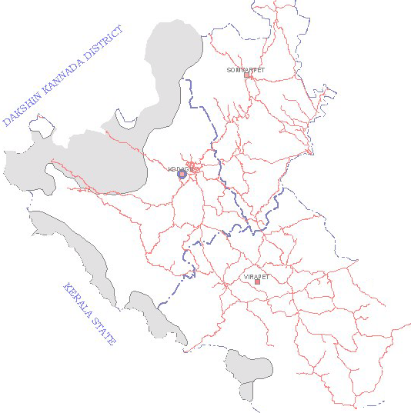 |  |  |  | ADMINISTRATIVE SET-UP KODAGU DISTRICT KARNATAKA _r,i---rlf<1-.s.7s- 1 o AN \..'l 11N 'l&'J'1qct, \ \ '-- ., '9- \ 1 \ \ _) / .,/ ·--·-- -·- ------.·,.,.,

 |  |  |  |  | LEGEND D Hilly area Metalled road network "-"' ·..., Taluk boundaty e District headquarters ■ Taluk headquarters
Fig-2
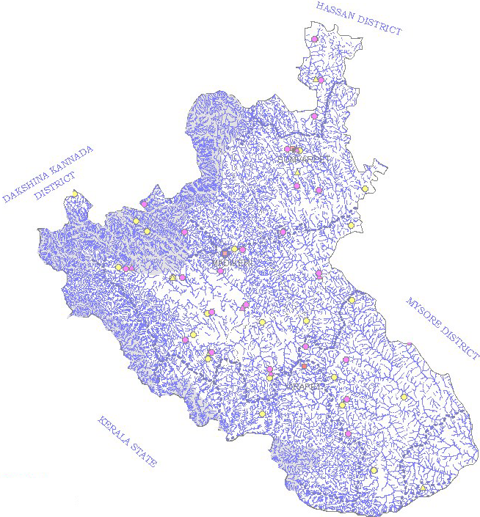 N DRAINAGE & HYDROGRAPH MONITORING STATIONS A KODAGU DISTRICT, KARNATAKA LEGEND CGWB STATIONS • Dugwell & Piezometer DMG STATIONS 0 Dugwell t:,. Piezometer -t Surface waterbody Drainage •• • • • • Watershed Boundary

1.7 Activities carried out by CGWB Central Ground Water Board has carried out Systematic Hydrogeological surveys, Reappraisal Hydrogeological surveys and Groundwater Exploration in the district. The hydrogeological investigations and groundwater exploration have revealed the existence of potential zones within 200 meters depth in granitic and gneissic formations. Besides, CGWB maintains a good network of observation wells (NHS) in the district, which are monitored periodically to keep a close vigil in water level variations. 2.0 RAINFALL AND CLIMATE The district enjoys typical tropical climate characterized by slight to medium humidity due to proximity to coast (about 32 Km). It is known to be quite pleasant and healthy, characterized by high humidity, heavy rainfall and cool summer. A major part of the year consists of rainy season as the monsoon period starting in June lasts till the ends of September. Even during the post monsoon months of October and November certain parts of the district receive a significant amount of rainfall. Because of the cloudy weather, the day would be quite sultry during October and it is only during the second half of the November that the weather becomes brighter. The period from December to February is the cold season marked by a bright weather, foggy mornings and cool nights. The day temperature begins to rise sharply during March and marks the commencement of the summer season, which lasts till the end of May. The highest maximum temperature recorded at Madikeri is 35OC on the 11th of May 1902 and the lowest minimum temperature ever recorded is 8.9OC on the 20th of February 1936. The southwest monsoon sets in usually during the early part of June. Generally, June, July and August are the months of heavy rainfall and the precipitation in July is incessant and very heavy. The average ann

Table: 2 Seasonal & Annual Nornmal Rainfall for the period 2001-2010 Kodagu District, Karanataka Table: 3 District and taluk wise rainfall for the year 2011, Kodagu district, Karnataka.
Station |  |  |  | Pre- Monsoon |  |  |  | SW Monsoon |  |  |  | NE Monsoon |  |  | Annual
 |  |  |  | Rainfall (mm)
Madikeri |  |  |  | 241 |  |  |  | 2678 |  |  |  | 303 |  |  | 3222
Somwarpet |  |  |  | 209 |  |  |  | 1682 |  |  |  | 241 |  |  | 2132
Virajpet |  |  |  | 296 |  |  |  | 1774 |  |  |  | 318 |  |  | 2388
DISTRICT AND TALUK WISE RAINFALL FOR THE YEAR 2011, KODAGU DISTRICT, KARNATAKA
 | DISTRIC TS/ TALUKS |  |  |  | JA N |  | FE B | MA R |  | AP R |  | MA Y |  | PR E | JU N |  | JU L | AUG |  | SE PT |  | SW M | OC T | NO V |  | DE C | NE M | ANNU AL
 |  |  |  |  | Rainfall (mm)
 | KODAG U |  |  |  | 0 |  | 8 | 5 |  | 11 9 |  | 76 |  | 20 8 | 64 8 |  | 59 1 | 56 4 |  | 364 |  | 21 66 | 18 8 | 81 |  | 0 | 26 9 | 2643
1 | MADIKE RI |  |  |  | 0 |  | 1 2 | 1 |  | 99 |  | 72 |  | 18 4 | 77 8 |  | 85 3 | 86 6 |  | 54 4 |  | 30 41 | 15 1 | 56 |  | 0 | 20 7 | 3432
2 | SOMWA RPET |  |  |  | 0 |  | 1 1 | 12 |  | 89 |  | 11 4 |  | 22 6 | 35 9 |  | 36 3 | 40 4 |  | 20 9 |  | 13 35 | 27 3 | 15 2 |  | 0 | 42 5 | 1986
3 | VIRAJPE T |  |  |  | 0 |  | 0 | 3 |  | 16 9 |  | 42 |  | 21 4 | 80 6 |  | 55 6 | 42 1 |  | 33 9 |  | 21 22 | 14 0 | 34 |  | 0 | 17 4 | 2510
3.0 GEOMORPHOLOGY AND SOIL TYPES The district forms a part of Western Ghats with high range mountains running north – south. Situated on the eastern and western slopes of the Western Ghats, clothed with lush greenery of forests and plantations, and broken by a few cultivated valleys, Kodagu is a picturesque highland. Its physical features are varied. The high hilltops are generally grassy with valley of dense mixed jungles and cardamom plantations. Low hill areas are generally under cultivation with teak plantation or dense mixed jungle. From this main range seven long and elongated ridges run from west to east. These chains of hill range have an elevation ranging from 1000 to 1700 metres amsl. The whole district area, except for a narrow elongated strip, is mountainous (Figure 3). The landscape in northeastern and eastern portion is different and resembles that of the adjoining Mysore district. The highest peak of the district is Tadiondamol (1908 m amsl). The table land of Madikeri maintains an average altitude of about 1166 m amsl and slopes down a little to reach 910 m amsl near Kushalnagar.
Fig-3
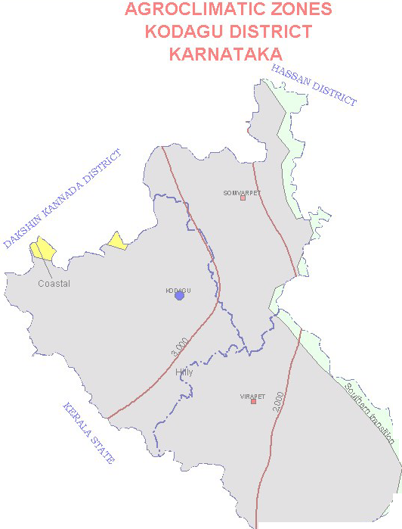 |  |  |  | N A \ i '9- <A \ \ \ C'I \ _ ) / .... . ---- ----··,.,,,,,•·

The soils of the district are of a heterogeneous profile and consist of lateritic debris found in different stages of weathering and laterization. The valleys and slopes have fertile read loamy soils that are suitable for cultivation. In the eastern zone dark clay soils are predominant. These get water logged during monsoon and deep cracks appear during the summer months. In the central zone loamy soils are predominant. In the central zone loamy soils are predominant. In the western zone, the soil is highly leached and being lateritic in content, tends to be quite shallow. 4.0 GROUND WATER SCENARIO 4.1 HYDROGEOLOGY Hydrogeologically, the area forms a part of hard rock terrain comprising of granites, gneisses, charnockites and amphibolites (Figure 4). Pegmatite veins and dolerite dykes are common intrusives in the area, especially in the eastern and southern sectors of the district. Dolerite dykes occur as detached boulders at places and as intrusives in granitic formations. The flat and low-lying areas are covered by a thick mantle of fertile soil, while the elevated portions and hills are capped by laterites. The alluvium is found along the river course, contains silt, sand and gravel in varying proportions. The ground water occurs under phreatic conditions in weathered zones of granites and gneiss, and under semi- confined to confined conditions in joints and fractures of these rocks at deeper level. Weathering of granites and gneisses, has given rise to thick sandy residuum down to the depth of 2.0 and 25.0 m. bgl and it forms an important phreatic aquifer. Fractured granites and gneisses form prolific deeper aquifers in some parts of the district. 4.1.1 OCCURRENCE OF GROUND WATER Ground water in the district generally occurs under unconfined to semi-confined conditions. In the shallower zones it is under phreatic conditions and in deeper zone

The pre-monsoon and post-monsoon depths located water levels are depicted in Figure 5 and Figure 6. It is observed that major parts of the district has moderate to moderately deep-water levels between 2 to 10 m both during pre- and post-monsoon periods.
FIG-4
Fig. 5
Fig. 6
4.1.3 SEASONAL WATER LEVEL FLUCTUATION Consequent upon seasonal rainfall, the water levels record a rise, indicating the build up of storage in ground water reservoir. During the non-monsoon period, this gets depleted due to exploitation and natural discharge. Therefore, the water levels, in general show, a receding trend from December to May. The seasonal water level fluctuation for the year 2011 is available for 21 dug well national hydrograph network stations. 4.1.4 LONG-TERM WATER LEVEL TREND Out of pre-monsoon water level trend data available for 25 national hydrograph network stations for the period from 2002 to 2011, twenty are having rising trends in the range between 0.015 and 1.076 m/year. Out of these twenty national hydrograph stations, 12 national hydrograph network stations are showing rise of more than 0.1 m/year. In remaining hydrograph stations the water levels show falling trend in the range between 0.015 to 0.087 m/year. The water levels (five stations) are showing falling trends in the range between 0.015 to 0.169 m/year and of these, three stations have shown a fall of more than 0.1 m/year. Out of post-monsoon water level trend data available for 25 national hydrograph network stations for the period from 2002 to 2011, nineteen are having rising trends in the range between 0.002 and 0.361 m/year. Out of these nineteen national hydrograph stations, 8 national hydrograph network stations are showing rise of more than 0.1 m/year. In the remaining six hydrograph stations, the water levels are showing falling trends in the range between 0.004 to 0.396 m/year. The water levels (six stations), are showing falling trend range between 0.004 to 0.369 m/year of which only one station has shown a fall of more than 0.1 m/year. 4.1.5 AQUIFER SYSTEMS ENCOUNTERED IN THE AREA The study of aquifer geometry and parameters have been attempted by Central Ground Water Board, South western Region, Banga

the ground water development is about 16% in Madikeri taluk, 29% in Somwarpet taluk and about 21% in Virajpet taluk. The taluk wise groundwater resource (as on March 2009) is given in the Table 4. Table-4 Taluk-wise groundwater resource of Kodagu district as on March 2009
TALUK |  |  | NET ANNUAL GROUND WATER AVAILABILITY |  |  | EXISTING GROSS GROUND WATER DRAFT FOR IRRIGATION |  |  | EXISTING GROSS GROUND WATER DRAFT FOR DOMESTIC AND INDUSTRIAL WATER SUPPLY |  | EXISTING GROSS GROUND WATER DRAFT FOR ALL USES |  |  | ALLOCATION FOR DOMESTIC AND INDUSTRIAL USE FOR NEXT 25 YEARS |  | NET GROUND WATER AVAILABILITY FOR FUTURE IRRIGATION DEVELOPMENT |  |  | STAGE OF GROUND WATER DEVELOPMENT (%) |  | CATEGORISATION
 |  |  | Mcm 1 |  |  | Mcm 2 |  |  | Mcm 3 |  | Mcm 4 |  |  | Mcm 5 |  | Mcm 6 |  |  | % 9 |  | 10
MADIKERI |  |  | 8633.17 |  |  | 963.63 |  |  | 452.78 |  | 1416.41 |  |  | 541.27 |  | 7128.27 |  |  | 16 |  | SAFE
SOMVARPET |  |  | 6884.72 |  |  | 1131.18 |  |  | 872.89 |  | 2004.07 |  |  | 1067.59 |  | 4685.95 |  |  | 29 |  | SAFE
VIRAJPET |  |  | 8511.43 |  |  | 1492.81 |  |  | 277.49 |  | 1770.29 |  |  | 338.12 |  | 6680.51 |  |  | 21 |  | SAFE
TOTAL |  |  | 24029.32 |  |  | 3587.62 |  |  | 1603.16 |  | 5190.77 |  |  | 1946.98 |  | 18494.73 |  |  | 22.10 |  | SAFE
Salient features of taluk wise groundwater recharges to aquifer system in the district are depicted in the above table. The perusal of this table shows that, the annual utilizable ground water resource for year 2009 for the whole district is 18494.73 mcm. The maximum being 71.28 ham in Madikeri taluk, closely followed by 66.80 ham in Virajpet taluk and the least, 46.85 ham in Somawarpet taluk. The annual draft for domestic and industrial uses in Kodagu district, is 16.03 mcm and the draft for irrigation purposes is 35.87 mcm. It is further observed that the total ground water draft during the year 2009 was 51.91 mcm. It is also observed that highest draft is recorded in Somavarpet taluk (20.04 mcm) followed by Virajpet taluk (17.70 mcm) and the least in Madikeri taluk (14.16 ham). The talukwise stage of ground water development details computed for the district in the ground water estimation studies for the year 2009 is given in the above table and stage of ground water development is presented as Figure 7. 4.3 GROUND WATER QUALITY Quality of groundwater in the district, in general, is good and potable. It is suitable for domestic and irrigation purposes. Water samples from NH Stations were analysed to decipher the shallow aquifer water quality and samples from exploratory bore wells represent water quality of deeper aquifer in the district. All the important parameters like EC, pH, TDS, fluoride of both, the shallow and the deep aquifer water are, in general, within the drinking water standards. Only, the nitrate and chloride are found in higher concentrations at few places. While considering the ground water quality in the district for irrigation purposes, it is found that the specific conductance ranges from 30 to 850 micro mhos per cm at 250C, chloride is in the range of 7 and 113 ppm. As per US salinit
ground water falls under C1S1, i.e., low sodium water. Ground Water quality of the district is depicted in Figure 8. 4.4 GROUNDWATER VULNERABILITY AREA Groundwater being a dynamic resource, getting recharged annually, primarily from the rainfall, is vulnerable to various developmental activities and is prone to deterioration in quality and quantity. The vulnerability is high in certain areas while in other areas it is comparatively stable. Based on it’s susceptibility to various stress factors the district wise vulnerability map is prepared on a regional scale considering the following factors viz. 1. Area under high stage of ground water development falling in over exploited (generally with stage of development more than100%) and critical (generally stage of development within 85-100%) category as on March 2009. 2. Area having intensive cultivation/ area falling under canal command, thus prone to pollution from fertilisers/ insecticides or water logging. 3. Area having fluoride above maximum permissible limit of 1.5ppm 4. Area having nitrate above maximum permissible limit of 45ppm. (Even though nitrate is point source pollution due to anthropogenic activity and as such area cannot be demarcated, for the convenience of the user group, area having high incidence of pollution is marked. Within the marked area there may be points devoid of high nitrate and vice-versa.) 5. Industrial cluster as identified by Central Pollution Control Board, prone for pollution from industries. In some of the districts parts of the area groundwater is vulnerable due to more than one of the above parameters, while in some others the entire district is free from vulnerability. In Kodagu district, the southern most part of the district (Virajapet Taluk) is most vulnerable due to Nitrate contamination and small portion in the north eastern direction (Somavarpet Taluk) is vul

Fig. 7
Fig-8
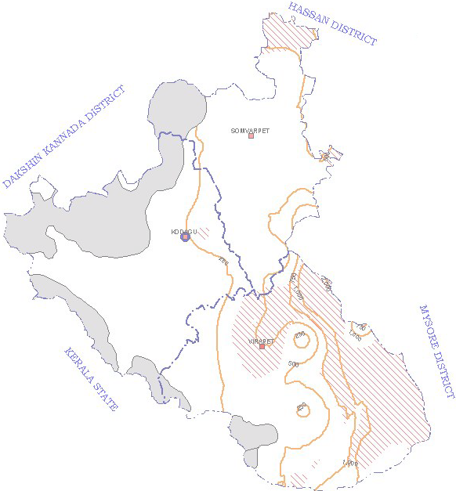 GROUND WATER QUALITY KODAGU DISTRICT KARNATAKA N A LEGEND °"'-" Nitrate concentration ..,.•·,. Taluk boundary > 45Mg/I. e District headquarters Q Electrical conductivity (Micro mhos/cm) ■ Taluk headquarters

Fig. 9
Fig. 10
4.4 STATUS OF GROUND WATER DEVELOPMENT 4.4.1 MADIKERI TALUK Recharge to groundwater mainly takes place through infiltration of rainwater and to a lesser extent from surface water sources and applied surface water irrigation. Groundwater is the main source of drinking water in Madikeri taluk, except for a small contribution from surface water for domestic water supply of Madikeri town. Total irrigated area in the taluk constitutes about 0.12% of the net sown area and groundwater contribution to irrigated agriculture is meager. Ground water development is 16% and falls under ‘Safe’ category. As the pre- monsoon depth to water level is between 2 and 10 m bgl in almost entire taluk, shallow zone ground water can be developed for irrigation through dug wells in topographic low areas and dug-cum-bore wells in valley slope areas having comparatively deeper water levels. Optimum depth of dug well is 7-15 m having a diameter of 6-7 m and the optimum depth of dug-cum bore well is15-30 m having a diameter of 6-7 m in dug part and 100 mm in lower bore well part. The four exploratory bore wells drilled by the Central Ground Water Board have yielded 1.3 to 8.5 litre per second (lps) for drilled depth of 94 to 200 m bgl. The moderate yield up to 5 lps is quite common in the district, and in the northeastern parts of the taluk, wells of higher yields (up to 15 lps) are possible if site selection is done based on sound scientific investigations. 4.4.2 SOMVARPET TALUK Groundwater is the main source of drinking water in the entire Somawarpet taluk. Total irrigated area in the taluk constitutes about 6.6% of the net sown area and groundwater accounts for less than 1% of the net irrigated area. Ground water development is 29% and falls under ‘Safe’ category. As the pre-monsoon depth to water level is between 5 and 10 m bgl in most parts of the taluk, shallow zone ground water can be developed

the taluk, shallow zone ground water can be developed for irrigation through dug wells in topographic low areas and through dug-cum-bore wells in valley slope areas having comparatively deeper water levels. Optimum depth of dug well is 10 -15 m having a diameter of 6-7 m and the optimum depth of dug-cum bore well is 20- 40 m having a diameter of 6-7 m in dug part and 150 mm in lower bore well part. The five exploratory bore wells drilled by the Central Ground Water Board have yielded less than 1 to 16.0 litre per second (lps) for drilled depth of 160 to 201 m bgl. As depicted in Figure 4, more than half of the taluk area falling on southern and western parts is not having good ground water potential and the bore wells drilled in this area have given quite low yield of less than 1 lps. In other parts of the taluk, the bore wells have given moderate yield ranging up to 5 lps, except a small area located in the northern parts of the taluk, where bore wells give exceptionally better yields ranging up to 15 lps under favourable conditions. 5.0 GROUND WATER MANAGEMENT STRATEGY Kodagu district located in the south western part of Karnataka state falls in the high precipitation zone with undulating rugged topography occupying the eastern and western slopes of the Western Ghats. Almost 35% of the district’s geographical area is covered by forest. As per the data available (Kodagu District at a Glance 2004-05), the net sown area comprises 36% of the total geographical area. Paddy is grown in favourable areas. Coffee, Tea, Plantain and Areca nut are the main horticulture crops. About 2% of the net sown area is irrigated and of this a mere 10% is irrigated by ground water. Although the contribution of groundwater is very low in agriculture sector, it is playing a vital role as being the main source of drinking water, almost in the entire distri

declining, revitalizing by cleaning and deepening the dug wells will help in augmenting the yield. The shallow zone ground water can further be developed for irrigation through dug wells in topographic low areas and dug-cum-bore wells in valley slope areas having comparatively deeper water levels. Optimum depth of dug well is 8 -12 m having a diameter of 4-6 m, the optimum depth of dug-cum bore well is 15-30 m having a diameter of 4-6 m in dug part and 150 mm in lower bore well part. Bore wells are possible in all topographic conditions. The pinpointing of site, depth, yield prospects, etc., should be done based on sound scientific investigations. 5.2 WATER CONSERVATION AND ARTIFICIAL RECHARGE Kodagu is predominantly a hilly district comprising of undulating and rugged terrain. Although the rainfall is quite high, the topographical conditions lead to high runoff. Under these conditions it is advisable to opt for watershed treatment techniques, which can help in augmenting the groundwater resources. In some parts of the district, especially in Virajpet taluk, where water levels are deep, point recharge structures will help in recharging the deeper depleted aquifers so as to have a sustainable yield from bore wells tapping the deep aquifers. Fast, unchecked and indiscriminate withdrawal of groundwater through different abstraction structures results in the decline of ground water level. Further, deforestation and conversion of grass-covered land for other activities reduces the natural groundwater recharge area. Hence, major quantity of the rainfall leaves the area as run-off causing floods and heavy soil erosion. The moderate to high sloping, undulating terrain in parts of the district covering areas are suitable for artificial recharge structures like gully plugs, gabion structures, cement plugs, nalla bunds, contour bunds and contour tr

Awareness and Water Management Training Programme (WMTP) are to be organised as a nation wide programme for generals public and officers of different departments attached to Zilla Panchayat, NGOs’, Representatives from Farmers and Education Institutions etc., Wide spectrum of topics are covered during these programme including rain water harvesting, artificial recharge techniques, water management, ground water conservation, water quality and its effects on human health, role of women in water management etc. 8.0 AREAS NOTIFIED BY CGWA / SGWA As all the three taluks fall under ‘Safe’ category, none of the taluk has been notified under CGWA / SGWA. 9.0 RECOMMENDATIONS As already discussed in the above topics, Kodagu district located on the Western Ghats predominantly comprises of hilly areas consisting of undulating and rugged terrain. Although the average annual rainfall is quite high (1593 - 4398 mm), the topographical conditions lead to high runoff. Under these conditions, in general, adopting watershed treatment is a good option. It includes the construction of Vegetative Checks, Nallah bunds, Contour bunding, check dams and gabion structures, etc. It will help in augmenting the natural recharge. The rejuvenation of the existing tanks by de-silting and construction of additional percolation tanks will help in recharging the phreatic zone. Further, the existing dugwells may be revitalized to yield better by cleaning and deepening. It is observed that majority of the farming in the area is rain-fed. Whatever the hardship on farmers is reported, it seems to be the result of failure of monsoon as almost the entire district has received less than normal rainfall during 2001, 2002 and 2003 respectively. Hence, it is necessary to opt for a scientific management of the available ground resources. In Virajpet taluk, where th

