Table 1
GROUND WATER INFORMATION BOOKLET OF BOUDH DISTRICT, ORISSA
CENTRAL GROUND WATER BOARD MINISTRY OF WATER RESOURCE SOUTH EASTERN REGION, BHUBANESWAR

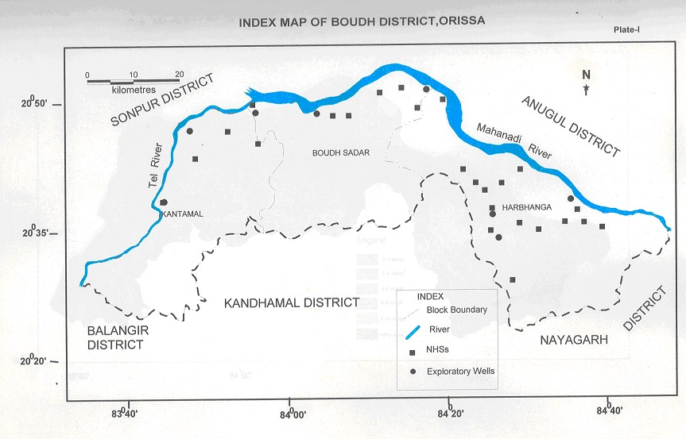
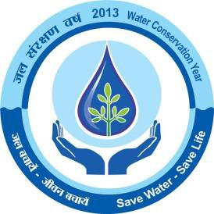
DISTRICT AT A GLANCE
Sl No | ITEMS |  |  |  |  |  |  |  |  |  |  |  | STATISTICS
1 | GENERAL INFORMATION
 | i) Geographical area (sq km) |  |  |  |  |  |  |  |  |  |  |  | 3098 sq. km
 | ii) Administrative Division (As on 2011) |  |  |  |  |  |  |  |  |  |  |  | 1
 | Number of Tehsil/Block |  |  |  |  |  |  |  |  |  |  |  | Tehasil-2, Block-3
 | Number of Panchayat /villages |  |  |  |  |  |  |  |  |  |  |  | 1115 nos of inhabited villages
 | iii) Population (as on 2001 census) |  |  |  |  |  |  |  |  |  |  |  | 373372
 | iv) Average annual rainfall mm |  |  |  |  |  |  |  |  |  |  |  | 1502.4mm
2 | GEOMORPHOLOGY
 | Major Physiographic units |  |  |  |  |  |  |  |  |  |  |  | Plain land and Pediment
 | Major Drainage |  |  |  |  |  |  |  |  |  |  |  | River Mahanadi, Tel and their tributaries
3 | LAND USE (sq km)
 | a) Forest area |  |  |  |  |  |  |  |  |  |  |  | 1280.00
 | b) Net sown area |  |  |  |  |  |  |  |  |  |  |  | 850.00
4 | MAJOR SOIL TYPES |  |  |  |  |  |  |  |  |  |  |  | Alfisols and Vertisols
5 | AREA UNDER PRINCIPAL CROPS |  |  |  |  |  |  |  |  |  |  |  | Autumn-10783 Ha Winter-5722 Ha Summer-508 Ha
6 | IRRIGATION BY DIFFERENT SOURCES (Area and Numbers of structures)
 | Dug wells |  |  |  |  |  |  |  |  |  |  |  | 13772 –DW with Tenda 1191-DW with pumpset
 | Canals |  |  |  |  |  |  |  |  |  |  |  | Major irrigation project 43482 (Kharif), 3402(Rabi) Minor irrigation project 22276(kharif), 374 (Rabi) Lift irrigation project 6122(Kharif), 2454(Rabi)
 | Gross irrigated area |  |  |  |  |  |  |  |  |  |  |  | 78110 ha
7 | NUMBERS OF GROUND WATER MONITORING WELLS OF CGWB (AS ON 31.3.11)
8 | No of Dug well |  |  |  |  |  |  |  |  |  |  |  | 30
9 | No of Piezometers |  |  |  |  |  |  |  |  |  |  |  | 1
10 | PREDOMONANT GEOLOGICAL FORMATIONS |  |  |  |  |  |  |  |  |  |  |  | Precambrian crystalline of Eastern Ghat facies
11 | HYDROGEOLOGY
 | Major Water bearing Formation |  |  |  |  |  |  |  |  |  |  |  | Granite, Khondalite, Charnokite, Quartzite
 | Pre monsoon Depth to water level during 2011 |  |  |  |  |  |  |  |  |  |  |  | 3.46 m-8.00m
 | Post monsoon Depth to water level during 2011 |  |  |  |  |  |  |  |  |  |  |  | 0.34m-5.77 m
 | Long term water level trend in 10 years in m/yr |  |  |  |  |  |  |  |  |  |  |  | Pre monsoon (Rise 0.05-6.66 m/yr Fall (0.42-1.37m/yr) Post monsoon (Rise 0.05-5.44 m/yr Fall (0.05 m/Yr)
12 | GROUND WATER EXPLORATION BY CGWB (as on 31.3.11) |  |  |  |  |  |  |  |  |  |  |  | 17
 | No of wells drilled (EW, OW, PZ, Total) |  |  |  |  |  |  |  |  |  |  |  | 9 EW under ground water exploration programme 8 EW under AEDP
 | Depth Range in m |  |  |  |  |  |  |  |  |  |  |  | 185 m-204.00 m
 | Discharge litre per second |  |  |  |  |  |  |  |  |  |  |  | 0.3 lps-2.00 lps
13 | GROUND WATER QUALITY
 | Presence of chemical constituents more than permissible limit |  |  |  |  |  |  |  |  |  |  |  | Within the permissible limit except few patches
 | Type of water |  |  |  |  |  |  |  |  |  |  |  | Fit for irrigation and drinking with a few exception
14 | DYNAMIC GROUND WATER RESOURCES (2009) IN Hm
 | Annual replenishable ground water resources |  |  |  |  |  |  |  |  |  |  |  | 110063.00
 | Net annual ground water draft |  |  |  |  |  |  |  |  |  |  |  | 53471.00
 | Projected demand for domestic and industrial uses upto 2025 |  |  |  |  |  |  |  |  |  |  |  | 7690.00
 | Stage of ground water development |  |  |  |  |  |  |  |  |  |  |  | 48.58
15 | AWARENESS AND TRAINING ACTIVITY
 | Mass awareness programme organized Date Place No of participants |  |  |  |  |  |  |  |  |  |  |  | Nil
 | Water management training programme organized Date Place No of participants |  |  |  |  |  |  |  |  |  |  |  | Nil
16 | EFFORTS ON ARTIFICIAL RECHARGE AND RAIN WATER HARVESTING
 | Projects completed by CGWB (No & amount spent) |  |  |  |  |  |  |  |  |  |  |  | Nil
 | Projects under technical guidance of CGWB (Numbers) |  |  |  |  |  |  |  |  |  |  |  | Nil
17 | GROUND WATER CONTROL AND REGULATION
 | Number of OE Blocks |  |  |  |  |  |  |  |  |  |  |  | Nil
 | No of critical Blocks |  |  |  |  |  |  |  |  |  |  |  | Nil
 | No of Blocks notified |  |  |  |  |  |  |  |  |  |  |  | Nil
18 | MAJOR GROUND WATER PROBLEMS AND ISSUES |  |  |  |  |  |  |  |  |  |  |  | NO major ground water problem in the district.
1.0 INTRODUCTION The erstwhile Phulbani district has been bifurcated into Boudh and Kandhamal during early 1992 with a total geographical area of Boudh being 3098 sq. km. The district has 1 Subdivision and 3 administrative blocks. The district has three blocks with the district headquarters at Boudh. The district is situated between 20o22’ and 20o50’ North latitude and 83o 34’ and 84o49’ East longitude covered under survey of India toposheets no 73 D and 64 P. It is bounded on the north by the river Mahanadi and Tel, on the south by Kandhamal and Nayagarh district, Angul in the East and Subarnapur and Bolangir in the West. The river Mahanadi, Tel and their tributaries constitute the main drainage system in the district. The river Mahanadi flows along the northern boundary of the district . Boudh district having plain land and being bounded by Mahanadi and Tel rivers offer enough scope for irrigation potential. The irrigation potential created from all sources aggregates to 78110 Ha in the district. The district was geologically studied by Geological Survey of India and the geological map of the district was prepared. The initial hydrogeological survey on regional scale was carried out by Central Ground Water Board during nineteen eighties. Subsequently the entire district was covered by Central Ground Water Board under reappraisal hydrogeological surveys during nineteen nineties. Under ground water exploration programme and accelerated exploratory drilling programme 17 numbers of exploratory wells were drilled by Central Ground Water Board to access the ground water potentials of rock formations at deeper depths. The ground water regime condition is being monitored by quite a large number of permanent hydrograph stations four times a year. 2.0 RAINFALL AND CLIMATE The district enjoys sub-tropical climate characterized by hot and dry summer

Humidity of the air is generally high during southwest monsoon season and decreases due to the effect of cold waves during the end of November. The relative humidity varies from 26% to 84% during different periods of the year. Wind is generally light to moderate but it increases during summer. During summer wind direction is variable and in rainy season wind from southwest direction is very common. 3.0 GEOMORPHOLOGY AND SOIL TYPES Physiographically the district comprises two distinct physical division viz the flood plain and the pediments. Depending upon the mode of origin, occurrence and the physical and chemical characteristics, the soils at the district are mainly classified into two major groups in 1) Alfisols and 2) Vertisols. The alfisols includes Red loamy soil and Red Sandy soil and are generally light textured with a PH ranging from 6.5 to 7.3. These soils are usually deficient in nitrogen, phosphate, organic matter and lime. The soils are in general having average to good fertility. These soils are suitable for cultivation of paddy and other crops. The vertisols are medium black soil found around the course of Mahanadi and Tel rivers in the southern part of the district. These soils are highly argillaceous and contain high amount of iron, calcium and magnesium. The PH varies from neutral to alkaline and texture varies from loam to clay loam. These soil are highly argillaceous and contain high amount of iron, calcium and magnesium. 4.0 GROUND WATER SCENARIO 4.1 Hydrogeology The district is mostly underlain by Archean crystalline of Eastern-ghat facies with limited patches of lower Gondwana sandstone and recent laterites and alluvium. Features like geological set up, rainfall distribution and the degree of primary and secondary porosity controls the hydrogeological framework of a place. As the district is underlain by diverse rock type as already discussed, it r

Consolidated formations – Almost the entire district is underlain by the consolidated formation containing granites gneiss, khondalite, quartzite, anorthosite and gabro. These rocks are hard and compact and are devoid of primary porosity. The secondary porosity in these rocks developed as a result of weathering and fracturing due to major & minor tectonic movements along with climatological actions. The secondary porosity forms the conditions for movement of ground water and also act as reservoir of ground water. Groundwater occurs under water table conditions in weathered residuum while it occurs under semi confined to confined conditions in the fractured & jointed rocks usually two to four water bearing fracture zone occurs down to a depth of 100 mgl. Water Bearing Properties Of Major Litho Units 1.Granite and Granite Gneisses-These rock types in the district occupying the undulating plains, low-lying area and sometimes forms hills and hillocks. These rocks are mostly represented by biotite gneiss, porphyritic granitic gneiss etc. They are porphyritic and non porphyritic in nature and are usually grey to light grey in colour. Weathering in granitic rocks is pronounced and fissures and joints etc are also well developed. These rocks are traversed by numerous veins of quartz and pegmatites. The thickness of weathered zone in granitic rocks usually ranges from 5 to 28 m depending upon the topographical set up. For all the above factors, the granitc rocks form the most potential aquifers both at shallow and deeper depths in comparison to other hard rock formation. . The available data on existing ground water structures indicate that ground water development is mainly through open wells and to some extent through bore wells. The specific capacity of dug wells tapping weathered zone ranges from 5 to 100 lpm/m. The potentiality of the deeper aquifers (

ground water. The thickness of weathered zone ranges from 8 to 30m. The specific capacity of the dug wells ranges is 11lpm/m. Semi consolidated formations: These are represented by the rocks of lower Gondwana formations. These rocks occurs in small patch in the western side of the district. The friable and loosely connected sandstones form the aquifers. Ground water occurs under water table conditions in the weathered zone and under semi confined condition in the deeper fracture and friable sandstone beds. The depth of open well ranges from 6 to 13.5 mbgl and depth to water level ranges from 3 to 10 mbgl. The yield of the well in the district is generally limited. Unconsolidated Formation: Laterites and alluvium of Sub-recent to Recent age constitute the unconsolidated formations. Laterites occurring as capping over older formations are highly porous in nature and form good aquifers to be tapped through dug wells. The alluvial deposits of recent origin occur as thin discontinuous patches along the prominent drainage channels. The alluvium varies in thickness from 4 to 10 m. These mainly consist of silt, sand with gravel & pebble, which form potential shallow aquifers tapped through dug wells. The specific capacity index of well varies from4-9 lpm/m/m2. Depth to water level:- The phreatic zone constitutes the most potential ground water reservoir in the district. This zone has been mapped in course of hydro geological surveys. The depth to water table values depend on several factors like rainfall, topography drainage characteristics, lithology, water bearing and water yielding properties of the rocks, as also land use. A total of 31 no. of key wells were monitored during premonsoon (May/June) and post monsoon (Nov/Dec) period. The NHS data for the year 2011 shows that during premonsoon the depth to water level

Harbanga block (13.35%) with the net ground water development for irrrigation purposes has been found for future development is 11614 ha m. Block wise stage of ground water Development in Boudh district, As on 31.3.2009 (in ha m)
Block |  |  | Ground water resource assessed |  |  | Existing Ground Water Draft for Irrigatio n |  |  | Existing Gross ground Water draft for domestic and industrial water supply |  | Existing Gross ground Water draft for all uses |  |  | Allocation for domestic and industrial requireme nt supply upto next25 years |  |  | Net ground water availabilit y for future irrigation developm ent |  |  | Stage of ground water developm ent
Boudh |  |  | 7694.00 |  |  | 1416.00 |  |  | 324.65 |  | 1740.00 |  |  | 480.00 |  |  | 5798.00 |  |  | 22.62
Harbanga |  |  | 13532.00 |  |  | 1545.00 |  |  | 260.47 |  | 1806.00 |  |  | 373.00 |  |  | 11614.00 |  |  | 13.35
Kantamal |  |  | 6613.00 |  |  | 1726.00 |  |  | 280.00 |  | 2006.00 |  |  | 412.00 |  |  | 4475.00 |  |  | 30.33
District |  |  | 27839.00 |  |  | 4687.00 |  |  | 865.00 |  | 5552.00 |  |  | 1265.00 |  |  | 21887.00 |  |  | 19.94
4.3 GROUND WATER QUALITY Quality of ground water in the Shallow aquifers: Chemical analyses of different parameters are done from the water samples collected, from the national hydrograph stations, during April. The collected water samples were analysed in the chemical laboratory of south Eastern Region as per the standard methods available in literatures. The PH and electrical conductance (EC at 25.C) of the water sample were determined by the concerned instrument after calibration. The fluoride, iron and nitrate content of the water samples were determined spectrometrically. Suitability of water for irrigation purposes- The suitability for irrigational use of ground water from pheratic zone has been studied based on USSL classification of irrigation water by plotting data of sodium Adsorption Ratio and Sp.Conductance value. SAR is given as SAR = Na /  (Ca+Mg)/2, Where Na, Ca and Mg are expressed in milliequivalent per litre (epm) The chemical analysis data of 28 water samples collected from the network hydrograph stations have been plotted in USSL diagram. The chemical analysis of water samples indicates that ground water can be used for irrigation with moderate leaching and moderate salt tolerant crops. The use of C3S1 and C3S2 type water requires suitable soil water management practices.
Suitability of ground water for drinking purposes- The ground water of Boudh district is generally alkaline in nature and is suitable for drinking purpose except for a few places. Out of the 31 nos of samples places like Arakpadar and Charichak has fluoride in the range of 4.9 and 4.64 mg/l respectively. Iron is well within the permissible limit in all the stations. Chemical Quality of ground water in deeper aquifer: The ground water from deeper aquifers are suitable for drinking purposes as almost all the constituents are well within the permissible limit. The quality of ground water for irrigation use is also good. A study of the chemical analysis data shows that in general ground water in the area is marginally alkaline in nature. Nitrate is high in places like Ainlapali (60 mg/l) Boudh (70 mg/l) and Tilesar (91 mg/l). 4.4 STATUS OF GROUND WATER DEVELOPMENT Ground water development in the district is being mainly through dug wells, Dug cum bore wells and bore wells. Ground water is mainly used for domestic and irrigation purpose and in a very limited scale for industrial purpose. The depth of the dug well drilled so far in the district ranges between 10 m – 12.00m m with the well diameter varying from 4 m to 6 m. The depth of bore well drilled so far in the district ranges between 185-204 mbgl. Generally 2-5 fracture zone are available with the discharge ranging between 0.20-3.73 lps. Out of the 17 nos of EW, 4 wells have discharge above 2 lps. Urban and rural water supply:- The urban area gets piped water supply for domestic purpose. In rural area RWS&S, Govt. of Orissa has installed a few piped water supply schemes. Apart from this RWS&S has also constructed hand pump fitted bore wells at different places to provide safe drinking water in rural areas. Ground water for irrigation:- The present draft for irrigation in the district is 5350 HM and there are 13772 existi

Block wise existing ground water structure for irrigation use
Sl no |  |  | Block |  |  |  |  |  |  | Nos of existing structures for irrigation use as on 31.3.2004
 |  |  |  |  |  |  |  |  |  | DW with tenda |  | DW with pumpset |  |  |  | FPTW |  |  | BW
1 |  |  | Boudh |  |  |  |  |  |  | 4022 |  | 411 |  |  |  |  |  |  | 4
2 |  |  | Harbhanga |  |  |  |  |  |  | 3440 |  | 380 |  |  |  |  |  |  | 2
3 |  |  | Kantamal |  |  |  |  |  |  | 6310 |  | 400
 |  |  | District total |  |  |  |  |  |  | 13772 |  | 1191 |  |  |  |  |  |  | 6
5.0 GROUND WATER MANAGEMENT STRATEGY 5.1Ground water development The district has a net sown area of 1028000 Ha out of the total geographical area of 3098 sq. km. Drought condition is a frequent phenomenon, which adversely affects the agricultural activities in the district. Hence from agricultural point of view use of both surface and ground water is a must. While the stage of ground water development is only 19.94%, which shows that there is ample scope for ground water development. With proper understanding of the hydrogeological framework of the district and through adoption of suitable technology ground water resource can be harnessed to create additional irrigation potential and to supply drinking water to the remotest villages of the district. DUG WELL: These are most common ground water absraction structure in Boudh district. The well should tap the maximum thickness of water saturated zone. The standard dugwell may be 10-15 m deep and of 4.5 to 6 m diameter, 1.5 H.P centrifugal pumps may be suitable for dug wells. Depending upon the hydrogeological situation, thickness of weathered residuum the yield may vary from 2-3 lps. DUG CUM BOREWELL: These are essentially dug wells with a bore drilled through the bottom of the well, down to the depth of 25-30 m from ground water level tapping the saturated shallow fracture below the regolith and in the top portion of the hard basement. Generally the depth of the dug well is upto 12 m with diameter of 4.5 to 6 m. The wells should be fitted with 2 HP centrifugal /submersible pumps. The additional dug well feasible includes the dug cum bore wells, which can be constructed at suitable locations.
BORE WELL: These are feasible in fractured and jointed consolidated formations in the district. Bore wells are suitable structure in the areas where water level is deeper and hard rocks are encountered at shallow depth. Exploratory drilling data indicates good scope for ground water development through bore well in Boudh district. The bore wells should be 100-120m deep and 15m dia. 2-3 H.P submersible pumps may be suitable for ground water development depending upon the availability of productive water bearing fracture zones. Since the surface water resources are inadequate and the district often comes under the grip of drought, development of ground water resource may help in expanding irrigated agriculture in the district. SCOPE FOR ARTIFICIAL RECHARGE: Major parts of Boudh district is underlain by Precambrian consolidated formations. Very few pockets show deeper water level condition during the post monsoon period. This is mainly due to the prevailing topographic conditions and water table gradient, which facilitates flow of ground water through nalas, rivers and streams as base flows. To arrest the rapid decline of water table in these areas special studies may be taken up to pin point the areas where water scarcity problems are more pronounced during pre-monsoon period. In these pockets suitable sites are required to be pin pointed to adopt artificial recharge techniques and rain water-harvesting methods based on site-specific conditions. This artificial recharge will help in increase in ground water storage and also in improving the quality of ground water. The most feasible artificial recharge and rain water harvesting structures are percolation tanks, nala/contour bunding, small check dams/weirs, renovation of old tanks to percolation tanks, water spreading, gully plugging, gabion structures etc. 6.0 GROUND WATER RELATED ISSUE & PROBLEMS The ground water in Boudh distr

7.2 Participation in Exhibision, Mela, Fair etc:- NIL 7.3 Presentation and lecture delivered in public forum/ radio/T.V/ institution of repute/Grassroots association/NGO/Academic institution etc. :- NIL 8.0 Area notified by CGWA/SGWA :- No area has been notified by CGWA/SGWA. 9.0 Recommendations The existing hydrogeological set up and availability of huge ground water resource indicate that there is scope for development of ground water on large scale. But this large-scale development requires block as well as Gram Panchayat wise detail hydrogeological maps on large scale. For this purpose intensive hydrogeological survey and exploratory drilling aided by remote sensing studies and geophysical investigation may be taken up jointly by the state and central Govt. agencies. This will help in precise delineation of areas suitable for different ground water development structures and will also facilitate for designing different type of ground water extraction structures and defining specification of pumps etc. 1. The major part of the area presents gently sloping undulating topography and dug wells which are best suited ground water structures for this terrain. The yield potential of shallow zone of granitic rocks, pyroxene granulites and meta-basics are better than that of other formations. Hence the undulating plains and valleys which are occupied by above mentioned rock types may be used for extensive ground water development through dug wells and also by dug-cum-bore wells. 2. In construction of ground water abstraction structures, such as dug wells, dug cum bore wells and bore wells, for irrigation minimum safe spacing should be maintained to avoid interference of the wells. 3. The yield of existing dug wells may be enhanced by converting those into dug cum bore wells wherever feasible and the wells

thickness of weathered zone and occurrence and extent of lineaments, which form potential aquifer zones. 5. The agricultural extension services should motivate and guide the farmers to adopt suitable cropping patterns to maximize the benefits of irrigation through dug wells / bore wells. 6. Construction of check dams, nalla bunds, percolation tanks at suitable locations will help in effecting additional recharge to the ground water reservoir. Sub-surface dams may also be constructed at hydrogeologically suitable sites to arrest sub-surface out flow of ground water in the weathered mantle of hard massive rocks. This will increase the dynamic ground water storage in the adjacent phreatic aquifer. 7. Ground water monitoring in the district, for water level and water quality, through National Hydrograph Stations should be strengthened to assess the impact of envisaged ground water development on the ground water regime and to find out the status of water logging in the canal command areas. 8. As there is large scope for development of ground water, suitable schemes may be launched for ground water development to boost agricultural production in the district. The financial institutions should generously finance such schemes. Financial institutions and Bankers should extent necessary co-operation to farmers for granting loan etc. for construction and energisation of dug wells. GRDICO/CESCO and REC etc. should also take necessary steps for energisation of wells to ensure optimum utilization of ground water resource. Adoption of best-suited cropping pattern will also facilitate to improve the economic situation of this agriculture dependant district.
INDEX MAP OF BOUDH DISTRICT,ORISSA |  |  |  |  |  |  |  |  |  |  |  |  |  |  |  |  |  |  |  |  |  |  |  | Plate-I
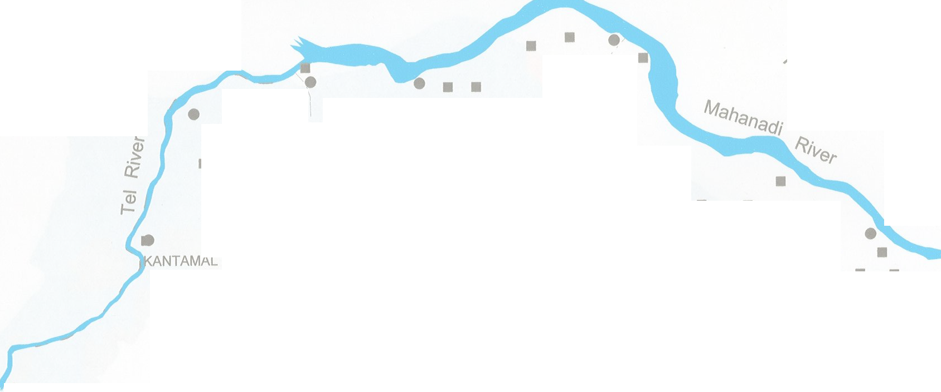 0 10 20 N kilometres \Gi t 50 0 o's . r -<1,vUG '? ■ • "I , / Dis I BOUDH SADAR I ?- IC?- ■ / \ ,, ..... ■ ( .... ■ ■ s \ ■ ,, ,. , I < - -.J \.J- ,, - - /..... ,,! \ I HARBHANGA ■ ■ ■ ( ,...... - ---- ( l ■• ■ ■ r· , r I ) \. ..... ...... ,,! ,.,. "\... - I ■ I \.. \. .,,, .... " .) KANDHAMAL DISTRICT INDEX \ -/ .i ' ,/, .... , J Block Boundary l ( _, ,."..r -' .,, ..... Q.f::p" BALANGIR DISTRICT / River ~ NAYAGARH ■ NHSs L • E xploratory We
2a°so· - 20°35'- 20°20· -
83'>40' 8Jloo· 84¥20' 84u40'
Pre- Monsoon Depth To Water Level Map O (April 2! 011 20°56
Plate -II l
f Boudh District, Orissa 0 10 20 kilometres
20'410
Legend - 0-2mbgl - 2-4mbgl - 4-Sm bgl - B-8 mbgl - 8-10 mbgl - Hl1lyar ea
20 ° 20' - |  | ---,­ Q"'.): O_A ("I! R.a'oo· |  |  |  |  |  |  |  |  |  |  |  |  |  |  |  |  |  |  | Q,t''l('\'
Plate-Ill
Post-Monseon Depth to Water Map of Boudh District, (Nov-,2 0 11 20 '56' ---r- 20 °40'
Orissa
0 10 20 kilometres LEGEND - 0-2mbgl - 2-4mbgl - 4-6 mbgl - 6-Bmbgl - HillyAreas
'-------.---------------,------------------ ---------
20 °20 ' |  | 830 4 0' |  |  |  |  |  |  | 84° 00' 84' 30'
Hydrogeological Map Of Boudh District, Orissa |  |  |  |  |  |  |  |  |  |  |  |  |  |  |  |  |  |  |  |  |  |  |  | Plate-V
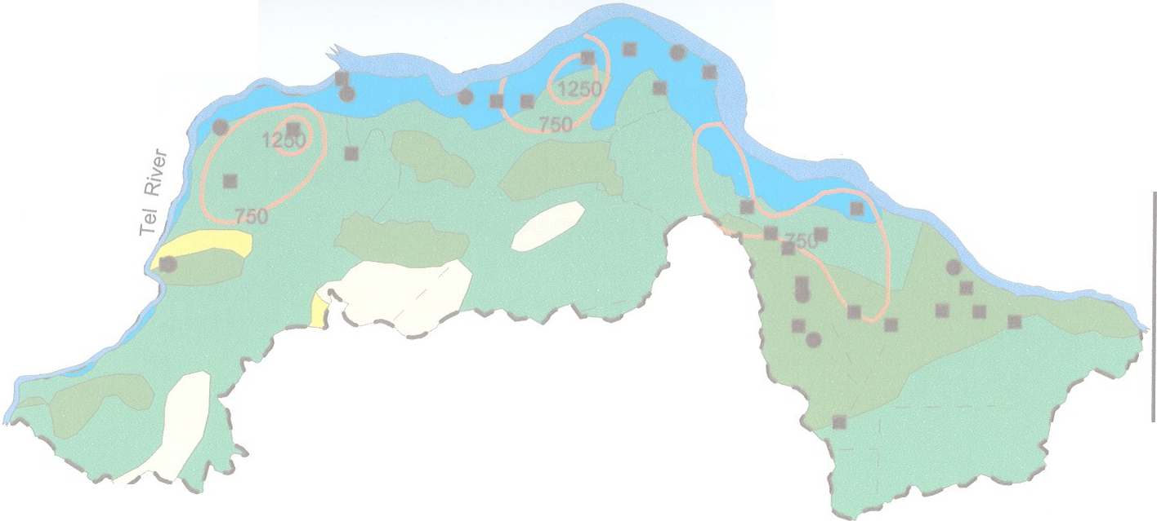
0 10 kilometres \J so ? |  |  |  | 20 o\S | \C'\ |  |  |  |  |  |  |  |  |  |  |  |  | N t -11vuGu. Ois Mahanad; ?-"rte)' lyiver
- , ,-. BALANGIR DISTRICT |  |  |  | KANDHAMAL DISTRICT |  |  |  |  |  |  |  |  |  |  |  |  |  | NAYAGARH |  |  |  |  | <> |  | (;
0 20 50 20°35 - 20°20 -
83'40 84°00 84-20 841140
LEGEND -
Mesozoic Lower Gondwana [ Semi Consolodated Formation, Specific capacity Index Shale.Sandstone Unconfined to semi confined conditions 2 lpm/m/m2 Depth to water Level 6-13 mbgl (April)
- and 3 to 7 mbgl ( nov)
Granitic Rock - |  |  |  |  |  |  |  |  |  |  |  |  |  |  | Consolidated, Fissured Formation, Unconfined conditions in weathered |  |  |  |  |  |  | Specific Capacity Index
Pre Cambrian |  |  |  |  |  |  | Charnokite |  |  |  |  | Mantel 0.50-4 lpm/m/m2 Semi Confined to Confined condition in Deeper Zones , Depth To Water Level
3 - 12 mbgl (April) and 10 mbgl (Nov) Khondalite r l • NHS Stations Lineaments • Exploratory wells
Ground Water Development Possibilities Map Of Boudh District, Orissa Plate-VI
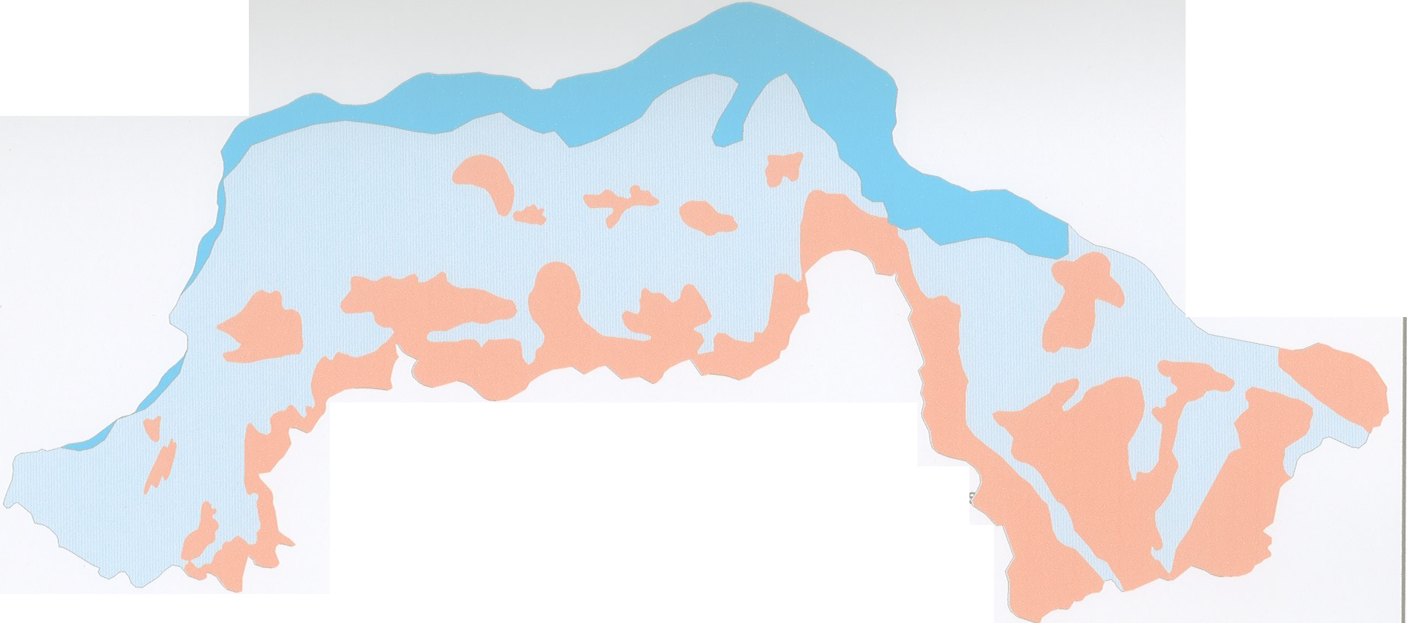 0 10 20 N kilometres t
-INDEX - Alluvial area, Dug well 9-12 m deep, 4.5-6 m dia fitted with centrifugal pump 2 HP, Yield less than 5 Ip - Pediplain area, Dug Well 10-15 m deep,4.5-6 m dia fitted with submersible pump 2 HP, Yield less than 5 lps Hilly area, dug well 10-15 m deep, 4.5-6 m dia, yield less than 1 lps
2cfso· - 20°35'- 20°20· -
8140' aJ>oo· 84v20' 84u40'
BOUDH DISTRICT Dynamic Ground Water Resources (As on 31.03.2009) / -----... , ,,/ '.'- / -......r _ _,,, :'/ "---, .,,/--- \ .., ) (- '[n ,, ' J ',,, '•-, ..II '-- J ) - ------...... I /,, ·•,_ ', / J c.i, ·Jr---·,,) 11--- \'- BOUDH(22.62%) (.,_ ...J:::. ,, ../ I \ ,_ ,/ l r-- j"' -"'""'---/ - ,-,,) ' \ -·-- /.. )J \ ../"'- J- • - I HA R BHANGA(13.35%) (' I KANTAMAL(.3-0.33:%) \ ""'- I --------- J '\._, '::,_ I I DISTRICT BOUNDARY )
 |  |  |  |  |  |  |  | :.......: wilhname&stageofground water developmenl \ ..,
 |  |  |  |  |  |  |  | ynG Wiater Resources(HaM) as on 31.03.2009 .d -1 5,000 ■ Gross Groundwater Dra11 ■D Net Ground water Availability Mnuat Replenishable Ground water Resources
CHEMICAL QUALITY OF BOUDH DISTRICT
·+· FLUORIDE • NITRARE EC RANGE 0.0000 to 500.0000
- 500.0000 to 1000.0000 - 1000.0000 to 1500.0000 - 1 500 . 0000 to 2000.0000

