Table 1
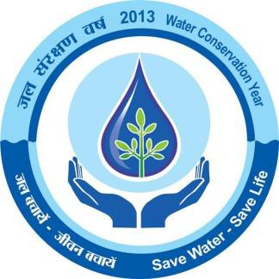

DEOGRAH DISTRICT, ORISSA Ministry of Water Resources Central Ground Water Board,SER Bhubaneswar June, 2013

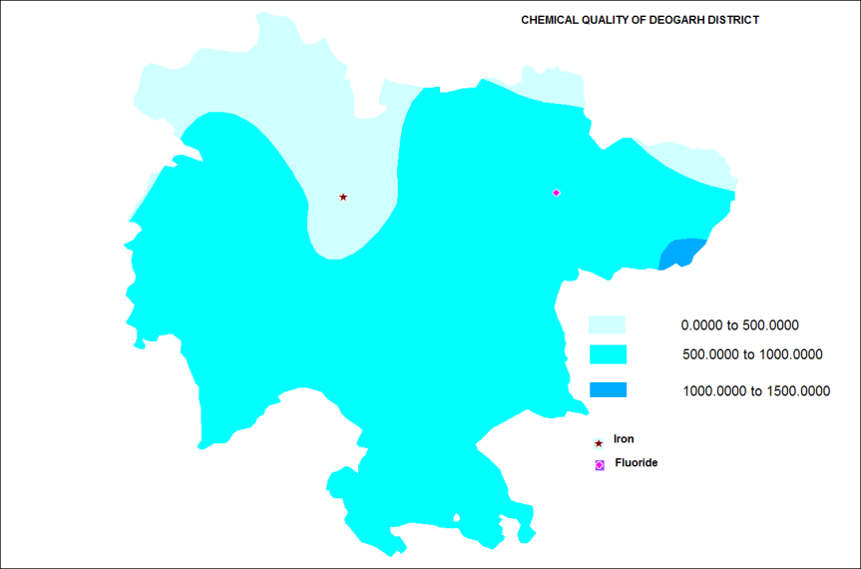
GROUND WATER BROCHURE OF DEOGARH DISTRICT, ORISSA CONTENTS Page DISTRICT AT A GLANCE 1.0 Introduction 5 2.0 Rainfall and climate 5 3.0 Geomorphology and soil types 5 4.0 Ground water scenario 6 5.0 Ground water resources 6 6.0 Ground water quality 7 7.0 Ground water management strategy 7 8.0 Ground water conservation and artificial recharge 7 9.0 Ground water related issues and problems 7 10.0 Awareness and training activity 7 11.0 Areas notified by CGWA/SGWA 7 12.0 Recommendations 7
DEOGARH DISTRICT GROUND WATER BROCHURE DISTRICT AT A GLANCE
S. No. |  | Items |  |  |  |  |  |  |  | Statistics
1 |  | GENERAL INFORMATION i) Geographical area ii) Administrative division (year 2011) Number of Sub divisions Number of Tehsils Number of Blocks Number of Revenue Circles Number of Gram Panchayats Number of Villages Number of Municipality iii) Population as per 2011 census Male Female iv) Average annual rainfall mms Number of Rainy days |  |  |  |  |  |  |  | 2781.66 Km2 Deogarh 1 1 3 11 60 774 1 3,12, 164 1, 58, 017 1, 54, 147 1014.2 69
2 |  | GEOMORPHOLOHY Major physiographic units Major drainage |  |  |  | Following are major physiographic features in Deogarh district; i) The Khajuria hill range in the northern part of the Deogarh district running in east – west direction in Badbar area having a maximum height of 745 meters above mean sea level. ii) The Pradhanpat & Kaidanta hill ranges having maximum height of 743 and 816 meters above mean sea level respectively in the northern part of the Deogarh district. iii) The pawri hill range on the eastern side of the Brahmani river, which is 678 meters above mean sea level in height. iv) The Ushakothi hill range in Kansar & Reamal blocks. The hill ranges have elevation ranging form 610 – 762 to meters above mean sea level Most part of the district are drained by Bhamhani river and its tributaries flowing from north to south direction.
3 |  | LANDUSE |  |  |  | Pattern |  |  |  |  | Area in Km2
 |  |  |  |  |  | Forest |  |  |  |  | 1301.49
 |  |  |  |  |  | Net Sown |  |  |  |  | 1427.87
4 |  | MAJOR SOIL TYPE |  |  |  | 1. sandy loam
 |  |  |  |  |  | 2. Red soil
5 |  | AREAS UNDER PRINCIPAL CROPS (As per latest available data) |  |  |  | Name of the Crop |  |  |  |  | Area in Km2
 |  |  |  |  |  | Paddy |  |  |  |  | 360.40
 |  |  |  |  |  | Millates |  |  |  |  | 14.10
 |  |  |  |  |  | Pulses |  |  |  |  | 140.400
 |  |  |  |  |  | Oil seeds |  |  |  |  | 103.50
 |  |  |  |  |  | Fibres |  |  |  |  | 6.20
 |  |  |  |  |  | Vegetable |  |  |  |  | 28.00
 |  |  |  |  |  | Condiment |  |  |  |  | 15.10
 |  |  |  |  |  | Sugarcane |  |  |  |  | 0.30
 |  |  |  |  |  | Wheat |  |  |  |  | -
 |  |  |  |  |  | Maize |  |  |  |  | -
 |  |  |  |  |  | Total |  |  |  |  | 668
6 |  | IRRIGATION BY DIFFERENT SOURCES |  |  |  | Source |  |  |  |  | Quantity used
 |  |  |  |  |  | Gross Ground water |  |  |  |  | 18 mcm
7 |  | NUMBER OF GROUND WATER MONITORING WELLS OF CGWB (As on 31.3.2011) |  |  |  | Number of dugwells and piezometers |  |  |  |  | 6 2
8 |  | PREDOMINANT GEOLOGICAL FORMATIONS |  |  |  | Precambrian granitic Khondalite, Charnockite & Calc gneiss rocks.
9 |  | HYDROGEOLOGY |  |  |  | Major water bearing formations |  |  |  |  | Weathered shallow zones constituting pheratic aquifers and rather deep fractured zones constituting confined aquifers in granitic Khondalite and charnockite rocks of Precambrian age.
 |  |  |  |  |  | Premonsoon depth to water level during 2011 |  |  |  |  | Within range of 4 – 10 meters beklow ground level
 |  |  |  |  |  | Post monsoon depth to water level during 2011 |  |  |  |  | Up to 4 meters below ground level
 |  |  |  |  |  | Long term water level trend in 10 years in meters/year (2001-2011) |  |  |  |  | Changes not significant excepting some fall in summer water table due to increasing with drawls.
10 |  | GROUND WATER EXPLORATION BY CGWB (As on 31.3.2011) |  |  |  | Number of well drilled |  |  |  |  | EW, OW, Pz & SH |  |  | 28
 |  |  |  |  |  |  |  |  |  |  | Total |  |  | 28
 |  |  |  |  |  | Depth range in meters |  |  |  |  | 105 - 191
 |  |  |  |  |  | Discharge in liters per second |  |  |  |  | In range of 0 – 20. And 5 in majority wells.
11 |  | GROUND WATER QUALITY |  |  |  | EC |  | Within permissible limits.
 |  | (Presence of Chemical constituents more than permissible limits) |  |  |  | F As Fe |  | 31.56 ppm in Barkote well. Within permissible limits. Within permissible limits.
12 |  | DYNAMIC GROUND WATER RESOURCES (In 2009 in mcm) |  |  |  | Annual replishnable ground water resources |  |  |  |  | 206.29
 |  |  |  |  |  | Net annual ground water draft |  |  |  |  | 27.95
 |  |  |  |  |  | Projected demand for dometic and industrial uses for next 25 years |  |  |  |  | 9.49
 |  |  |  |  |  | Stage of ground water development |  |  |  |  | 13.55%
13 |  | AWARENESS AND TRAINING ACTIVITY |  |  |  | Mass awareness programmes organized |  |  |  |  | Nil
 |  |  |  |  |  | Water management training Programme organized |  |  |  |  | Nil.
14 |  | EFFORTS OF ARTIFICIAL RECHARGE & RAINWATER HARVESTING |  |  |  | Projects completed by CGWB (No. & amount spent) |  |  |  |  | Nil.
 |  |  |  |  |  | Projects under technical guidance of CGWB (Numbers) |  |  |  |  | Nil.
15 |  | GROUND WATER CONTROL REGULATION |  |  |  | Nos. of over exploited blocks |  |  |  |  | Nil.
 |  |  |  |  |  | Nos. of critical blkocks |  |  |  |  | Nil.
 |  |  |  |  |  | Nos. of notified blocks |  |  |  |  | Nil.
16 |  | MAJOR GROUND WATER PROBLEMS AND ISSUES |  |  |  | Overall quality of ground water and its occurrence is satisfactory in the district with sufficient scope for further development of groundwater resources for drinking, irrigation and industrial uses.
1.0 Introduction Deogarh is a predominantly hilly and undulating district created form bifurcation of Sambalpur district in the year 1994. It is situated in western portion of Orrisa. Administratively it is only one sub division, one tehsil divided in three development blocks namely Barkote, Reamal and Tileibani comprising of 60 Gram Panchayats and 774 villages. Area of this district is 2781.66 square kilometers. Georaphical location wise Deograh district is locatec between North latitudes 21° 11 ̍- 21° 43 ̍ and East Longitudes 84° 27 ̍ - 85° 15 ̍. Deograh town is district headquarter. It is 90 kilometers east of Sambalpur major town on National Highway No.6, which passes through the district & acts as the main inter- regional communication link. Besides parts of district can be traversed by state highway and other major district, gram panchayat, village and forest roads. District population is 3,12,164 as per 2011 census. Central Ground Water Board carried out hydrogeological surveys covering Deograh district during the years from 1982-83 to 1994-95 and ground water exploration by drilling by constructing 28 numbers of exploratory wells under its normal and accelerated exploratory drilling programmes. In addition ground water monitoring through six numbers of National Hydrograph Network Stations (GW) located at Barkode, Barkode iii, Kondal, Rengalmela, Riamal and Tilebani is also carried out by Central Ground Water Board four times in a year. (Refer map 1) 2.0 Rainfall and Climate Majority of the annual rainfall in Deogarh district is caused mainly from south western monsoon, occurring mostly during middle of June to September months. About 2 to 5% of rainfall is also contributed by winter showers occurring in the months of December to February. Average annual rainfall of the district is 1, 014.2 millimeters. Deograh district experiences tropical monsoon climate

3. The Ushakothhi and Kansar hill ranges with elevations of 610 and 762 meters above mean sea levels. The main soil types occurring in the district are mainly sandy loam and red soils. 4.0 Ground water scenario Weathered and fractured zones in granite gneiss rocks of Khondalites and Charnockites constitute pheartic and confined aquifers respectively. Hydrogeological characteristics wise wells sited in favourable locations in weathered residium and fractured zones of granite gneiss rocks yield from 2 to 25 liters per second specific capacity of vary from 6 to 286 lpm/meter. Charnockitic rocks are rather less weathered and bear poor prospects for ground water development barring in highly fractured and joined zones giving rise to secondary porosity. Semi consolidated lower gondwana sandstones occurring in small patch in southern parts of district have limited yield with depth to water level ranging from 3 to 10 mbgl. Laterite and alluvium of quaternary to recent age also occur in very limited extent forming shallow aquifers tapped mostly through dugwells. (Refer map 5) Overall premonsoon depths to water level vary from 4 to 6 meters below ground levels. Postmonsoon water levels vary from 0 to 4 meters below ground levels. Changes in water levels on long term basis do not show any significant changes. Depth to water levels in six numbers of National Hydrograph Network Stations (GW) for pre and post monsoon period of year 2006 are presented in the following table; (Also refer map 2 & 3) Central Ground Water Board carried out ground exploration in Deogarh district by constructing 15 numbers of exploratory wells under its normal exploratory drilling activity. Beside under accelerated exploratory drilling programme. CGWB constructed 13 numbers of exploratory wells in the district to mitigate effects of drought. Depth of the exploratory wells ranges

Table: Blockwise Stage of Ground Water Development of Deogarh District (As per March, 2009 )
Sl No | Block |  | Net Annual Ground Water Availability | Existing Gross Ground Water Draft for Irrigation | Existing Gross Ground Water Draft for domestic & Industrial Supply |  | Existing Gross Ground Water Draft for all uses |  | Provision for domestic & industrial requirement supply for next 25 years |  |  | Net Ground Water Availability for future irrigation development | Stage of Ground Water Development
 |  |  | (ham) | (ham) | (ham) |  | (ham) |  | (ham) |  |  | (ham) | ( % )
1 | 2 |  | 3 | 4 | 5 |  | 6 |  | 7 |  |  | 8 | 9
1 | Barkote |  | 6729.00 | 627.00 | 243.35 |  | 871.00 |  | 359.00 |  |  | 5742.00 | 12.94
2 | Reamal |  | 8588.00 | 1021.00 | 240.60 |  | 1261.00 |  | 348.00 |  |  | 7219.00 | 14.68
3 | Tileibani |  | 5312.00 | 496.00 | 166.88 |  | 663.00 |  | 242.00 |  |  | 4574.00 | 12.48
 | District Total |  | 20629.00 | 2144.00 | 650.00 |  | 2795.00 |  | 949.00 |  |  | 17535.00 | 13.55
Overall ground water situation in the district leaves lot of scope and potential for ground water development keeping aside about 7.86 mcm for meeting projected drinking and industrial sectors requirements for coming 25 years. As per stage of ground water development, all the three blocks of Deogarh district namely Barkote, Riamal and Tilebani are in safe Category. 6.0 Ground water quality Overall ground water quality of ground water in Deogargh district is good for drinking, industrial and irrigation uses. All the chemical constituents are within the permissible limits. (Barring slight alkalinity and an isolated instance of presence of Fluride as 1.56 mg/liter in Barkote iii observation well in Barkote block of Deogarh district). 7.0 Ground water management strategy This district being predominantly occupied by hard rocks of Precambrian age is suitable for ground water resources development mainly by dug cum bore wells. While siting tubewells for ground water resources development for irrigational and industrial purposes, site specific hydrogeological study should be carried out. 8.0 Ground water conservation and artificial recharge Some decline in depth to water level conditions are observed particularly during premonsoon summer season in north western part of district in Riamal block premosoon depth to water levels reaches up to 10 meters below ground levels (map 2). In such area rain water harvesting and suitable artificial recharge techniques like roof top rain water harvesting, recharge through wells,
construction of percolation tanks, nala/contour bunds, check dams, gully plugs, renovation of old tanks needs to be adopted after site specific studies. 9.0 Ground water related issues and problems The ground water resources occurring in district are satisfactory quantity and quality wise and possess no problem of imminent or grave nature. 10.0 Awareness and training activity Central Ground Water Authority has not organized any mass awareness programme and water management & rain water harvesting programme in Deogarh district. 11.0 Area notified by CGWA/SGWA There are no parts as ‘Notified area’ by Central Ground Water Authority/ State Ground Water Authority in Deogarh district. 12.0 Recommendations 1. More emphasis be given develop ground water resources of Deogarh district by government departments agencies and public efforts for meeting growing water demands of drinking, irrigation and industries. 2. Ground water abstraction structures (dug wells, dug cum bored wells and bore wells) for irrigational purposes be planned keeping in view safe distance of 200-250 meters to avoid interference. 3. Energisation of existing Ground water abstraction structures (dug wells, dug well cum bored wells and bore wells) for irrigational uses to be done for optimum utilization of ground water resources. 4. Site specific hydrogeological investigations be carried out before digging/drilling groundwater abstraction structures to avoid failures. 5. Measures to tap excess runoff for recharging aquifers by constructing check dams, nala bunding, contour bunding, gully plugs, percolation tanks etc. needed to be regularly be taken up in addition to roof top rainwater harvesting in big building of urban area.

