Table 1
Govt. of India MINISTRY OF WATER RESOURCES CENTRAL GROUND WATER BOARD
OF DHENKANAL DISTICT
South Eastern Region Bhubaneswar May , 2013

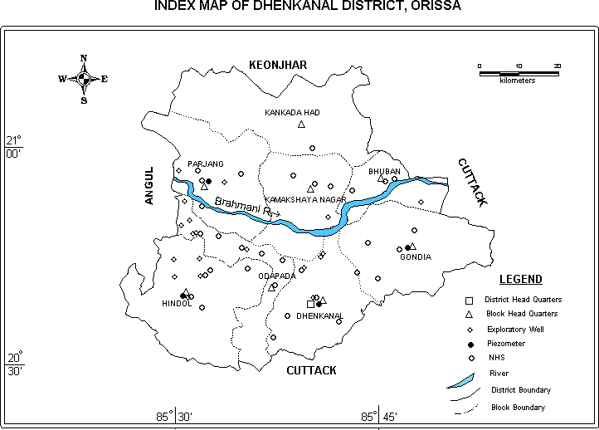
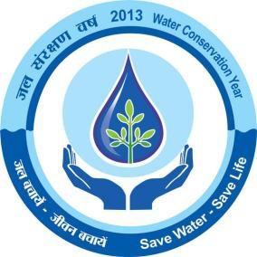
1.0 Introduction Dhenkanal is one of the centrally located districts of Orissa with a total geographical area of 4452 sq.km and lies between north latitude 20o29’00” and 21o11’00”and east longitude 85o58’00” and 86o02’00”. The area of the district is 4452 sq. km, which is about 2.78% of the total area of the state. It is bounded by the Keonjhar district in the north, Cuttack district in the east and south and Angul district in the west. The district is divided into three Sub-divisions namely Hindol, Dhenkanal and Kamakhyanagar and eight Community Development Blocks with the district headquarters located at Dhenkanal town (Fig-1). It very often reels under severe water scarcity condition, especially during the lean season of the year. According to 2001 Census data, the total population of the district is 10,67,000. The population in the rural and the urban areas are 9,73,964 and 92,914 respectively and the rural population constitutes about 91.28% of the total population of the district. The economy of the district is basically dependent on agriculture. The agriculture is mainly rain fed as the irrigation facility in the district is limited till date and hence the food grains production often suffers due to vagaries of rainfall. The areas irrigated through all sources are 27.3% during kharif and 7.5% during rabi seasons as per the available data. The source-wise irrigation potential from different sources is 33,464 Ha during kharif and 9,215 Ha during rabi. The on-going Rengali irrigation project covers major part of the district. In addition, there are number of minor (flow) irrigation projects and minor lift irrigation projects in the district. The minor (flow) irrigation projects irrigate 17,519 Ha during kharif and 1,330 Ha during rabi seasons while the lift irrigation projects cover 2,200 Ha during kharif and 1,740 Ha during rabi seaso

often leads to mild drought in the area. The rainfall is more or less evenly distributed over the district. The climate of the district is tropical with hot and dry summer and pleasant winter. The summer season extends from March to middle of June followed by the rainy season from June to September and the winter from November to February. Humidity is high and varies from 26% in summer to 82% in rainy season. The temperature ranges from 6.7oC in winter to 46oC in the summer. The mean monthly potential evapotranspiration value ranges from 40 mm in December to 326 mm in May, the wind velocity in general is low to moderate with slight increase in speed in summer as well as in the rainy season. The mean annual wind speed is 6.80 km/hour. 3.0 Geomorphology & Soil Types The district can be broadly divided into four natural physiographic units. These are (i) Southern Mountainous Region, (ii) Eastern Valley and Plain, (iii) Central Undulating Plain and (iv) Northern Mountainous Region. The Southern Mountainous Region comprises hill ranges trending NNW-ESE and is covered by part of Hindol block of Hindol sub-division and also parts of Dhenkanal, Odopada and Gondia blocks of the Dhenkanal sub-division. The elevation varies from 60 m to 971 m above mean sea level. These hill ranges form the water divide between the Mahanadi and Brahmani basins. The hill slopes are covered with moderate to dense forest. The Eastern Valley and Plain occurs as small strips along the curves of the river Brahmani and it’s tributaries. Residual hills and ridges characterize it. The elevation varies from 40 m to 630 m above mean sea level. The Central Undulating Plain spreads over Parjang block of the Kamakhyanagar sub-division. The area is characterized by undulating to broad flat topography with low-lying hills having flat top. The Northern Mountainous Region covers the Kankadahad, Bh

varies from normal to alkaline. The texture varies from sandy to loamy sand. It is quite fertile and crops grown are generally paddy, cotton, wheat, sugarcane, banana, tobacco and chilly. 4.0 Groundwater Scenario 4.1 Hydrogeology: The geological set-up of the area, to a large extent, governs the occurrence as well as the movement of groundwater in the district. The major part of the district is underlain by hard crystalline rocks and is devoid of any primary porosity and hence when weathered and fractured, secondary porosity is developed. The semi-consolidated Gondwana sandstone forms moderately good aquifer, when weathered and fractured. The recent alluvium, which occurs in limited patches, sustains very good yield. Since major part of the district is underlain by hard rocks of diverse lithological compositions and structures, the water-bearing properties of the formations vary widely (Fig –5). Hydrogeological surveys reveal the lithological characteristics and the role of the tectonic deformation thus resulting deep-seated intersecting fractures, on the occurrence and distribution of groundwater reservoirs and their water-bearing as well as water-yielding properties. The lineaments formed due to tensile deformations have been picked up from the Remote Sensing Studies. Groundwater occurs under water table condition in recent alluvium as well as in the semi-consolidated formations whereas in the deeper fractured rocks, the groundwater occurs under semi-confined to confined condition. Depending on the different aquifer systems and their parameters in different lithounits, the major hydrogeological units in the state can be divided into three categories: i) Consolidated formations, ii) Semi-consolidated formations and iii) Un-consolidated formations. Water-bearing properties of the Consolidated Formations The crystalline rocks like granite,

Khondalite: These rocks are restricted to higher elevations forming steep linear ridges and hence groundwater potential is limited although foliated nature of the rock facilitates deep weathering. In pediment areas, the thickness of the weathering varies widely. The average depth of dug wells is about 10 m. The water level varies from 7.0 to 8.0 m below ground level during pre-monsoon and from 3.0 to 6.0 m below ground level during post-monsoon period. Water-bearing Properties of the Semi-consolidated Formations These are represented by rocks of Gondwana formation, which have faulted contact with the Pre-Cambrian rocks. It consists mainly of sandstone and shale. The friable and loosely cemented sandstone forms the aquifer. Ground water occurs in pheratic condition in the weathered zone and semi-confined to confined condition in deeper fractured and friable sandstone beds. The aquifer in these formations may sustain limited to moderate yield. Auto-flowing condition has been encountered at Kumuda. The average depth of dug wells in these formations range from 7.40 to 8.60 m below ground level. The depth of wells drilled by CGWB varies from 28.24 m (Kusponga) to 289.0 m (Kumuda) and the yield ranges from 0.50 to 12.0 litres per second. Water-bearing Properties of the Un-consolidated Formations Laterites and alluvium of Sub-Recent to Recent age constitute the un- consolidated formations which occur as thin, discontinuous patches adjoining the rivers. Laterites occur as capping over the older formations and tapped through dug wells. The depth to water level ranges from 3.34 to 10.12 m below ground level during pre-monsoon and from 0.97 to 6.87 m below ground level during post- monsoon period. The thickness of alluvium is about 25 m and form shallow potential aquifer. The aquifer sustains moderate yield. Recent alluvium occurs in thin, discontinuous patches as valley fi

yield potential down to a depth of 200 m. Till March 2011, 25 no. of bore wells have been constructed in the crystalline as wells as semi-consolidated formation in this district under normal and also accelerated ground water exploration programmes. The depth range of these wells varies from 70 to 200 m and the yield of these wells varies from negligible to 5.9 lps. The yield range of these wells is given as under:
No. of wells |  |  | Depth ranges (m) |  | No. of wells with yield (lps)
 |  |  |  |  | <2 |  |  |  |  |  | 2 to 5 |  |  |  | >5
25 |  |  | 38-202 |  | 15 |  |  |  |  |  | 6 |  |  |  | 4
Depth to Water Level (Pre-monsoon and Post- monsoon), 2011 The depth to water level is measured from the National Hydrograph Stations located in different blocks of Dhenkanal district (Fig-1). The pre-monsoon, 2011 water level data varies 3.34 to 10.99 meter below ground level. The depth to water level map of pre-monsoon, 2011 is depicted in Fig - 2. The post monsoon, 2011 water level data varies 1.08 to 8.0 meter below ground level. The depth to water level map of post-monsoon 2011 is depicted in Fig -3. Seasonal Fluctuations The fluctuations in the depth to water level in 2011 shows rise in water level from 1.10 to 7.30 m in all the NHS wells. Long Term Water Level Trend in last 10 years in Ground Water monitoring Wells The long-term trend in depth to water level in Dhenkanal district over the last 10 years period shows that i) a rise of 0.03 to 0.30 m in 68% of wells and 0.02 to 0.16 m fall in 32% of wells during the pre-monsoon period and ii) a rise of 0.03 to 0.30 m in 31% of wells and 0.02 to 0.58 m fall in 67% of wells during the post-monsoon period . Ground Water Resources The groundwater resources of the district have been assessed adopting the methodology recommended by the Ground Water Estimation Committee (1997), constituted by the Govt. of India. The task was jointly carried out by the Central Ground Water Board and the Ground Water Survey & Investigation, Dept. of Water Resources, Govt. of Orissa. The block wise computation of ground water resources has been presented in the following table. The net annual replenishable ground water resources in the district has been computed as 44264 Ha m, out of which the Ground Water Draft for irrigation is 2745 Ha m. The ground water draft for irrigation is through dug wells and shallow tube wells. A large number of hand pumps, fitted in PHED bore wells and tube wells, also cater to the rural and urban water supply needs. On the

Block-wise Stage of Ground Water Development of Dhenkanal District (as on March’09)
Sl . N o | Assessment unit/ Block |  |  |  | Net ground water availabil ity |  | Existing ground water draft for irrigation |  |  |  | Existing gross ground water draft for domestic & industrial water supply |  |  | Existing gross ground water draft for all uses (4+5) |  | Allocation for domestic & industrial requireme nt supply upto next 25 years | Net ground water availability for future rrigation developme nt (3-4-7) | Stage of ground water develop ment 6/3*100%
1 | 2 |  |  |  | 3 |  | 4 |  |  |  | 5 |  |  | 6 |  | 7 | 8 | 8
1 | Bhuban |  |  |  | 3279.00 |  | 1050.00 |  |  |  | 247.00 |  |  | 1297.00 |  | 319.00 | 1910.00 | 39.55
2 | Dhenkanal |  |  |  | 4977.00 |  | 1364.00 |  |  |  | 555.00 |  |  | 1919.00 |  | 624.00 | 2989.00 | 38.56
3 | Gondia |  |  |  | 5681.00 |  | 898.00 |  |  |  | 335.00 |  |  | 1233.00 |  | 440.00 | 4343.00 | 21.70
4 | Hindol |  |  |  | 8179.00 |  | 1222.00 |  |  |  | 365.80 |  |  | 1588.00 |  | 482.00 | 6476.00 | 19.42
5 | Kamakhyanagar |  |  |  | 5647.00 |  | 1194.00 |  |  |  | 318.32 |  |  | 1512.00 |  | 394.00 | 4059.00 | 26.78
6 | Kankadahad |  |  |  | 6186.00 |  | 884.00 |  |  |  | 213.95 |  |  | 1098.00 |  | 273.00 | 5030.00 | 17.75
7 | Odopada |  |  |  | 3751.00 |  | 966.00 |  |  |  | 419.00 |  |  | 1385.00 |  | 361.00 | 2424.00 | 36.92
8 | Parjang |  |  |  | 6564.00 |  | 813.00 |  |  |  | 291.13 |  |  | 1104.00 |  | 364.00 | 5387.00 | 16.82
 | Total |  |  |  | 44264.0 0 |  | 8391.00 |  |  |  | 2745.00 |  |  | 11136.00 |  | 3257.00 | 32618.00 | 25.16
4.3 Ground Water Quality The quality of ground water in the district has been assessed on the basis of ground water samples collected during ground water monitoring, hydrogeological surveys and ground water exploration. The range of different ground water constituents in shallow as well as in deeper aquifers is as under:
Sl. No |  | Chemical Constituents |  |  |  | Range in
 |  |  |  |  |  | Shallow aquifer |  |  |  |  |  | Deeper aquifer
1 |  | pH |  |  |  | 7.60-8.56 |  |  |  |  |  | 7.38-8.24
2 |  | Ec |  |  |  | 127-790 |  |  |  |  |  | 147-422
3 |  | F |  |  |  | 0.19-1.20 |  |  |  |  |  | 0.12-0.49
4 |  | Ca |  |  |  | 20-78 |  |  |  |  |  | 14-50
5 |  | Mg |  |  |  | 16-44 |  |  |  |  |  | 2.4-50
6 |  | Na |  |  |  | 14-48 |  |  |  |  |  | 1.5-33
7 |  | K |  |  |  | 1.4-3.5 |  |  |  |  |  | <1-53
8 |  | Cl |  |  |  | 11-67 |  |  |  |  |  | 7.1-53
9 |  | SO4 |  |  |  | 1.7-68 |  |  |  |  |  | 0.90-7.80
10 |  | NO3 |  |  |  | 2.6-36 |  |  |  |  |  | 0.20-36
11 |  | HCO3 |  |  |  | 24-348 |  |  |  |  |  | 24-238
It has been observed from the analysed chemical data that quality of ground water from both the shallow as well as deeper aquifers are well within the permissible limit for drinking as well as for irrigation purposes in the district. 4.4 Status of ground Water Development Ground water development in the district is mainly through the dug wells, dug-cum-bore wells and bore wells. Ground water is used mainly for domestic as well as irrigation purposes. The stage of ground water development in the district is
low and only 25.16% of it’s resources has so far been exploited. Hence, there is ample scope to develop the existing resources through suitable structures in hydrogeologically suitable sites to increase the irrigation potentiality as well as to meet the drinking water need. The hydrogeological, remote sensing studies and ground water exploration so far have been carried out to depict the tentative possibilities of ground water development through suitable ground water abstraction structures in various hydrogeological settings (Fig. 6). Dug wells: Dug wells are the most common groundwater abstraction structure in the district. These are generally feasible in the topographic lows including the flood plains and intermundane valleys, where the water table is within 4-6 mbgl and also the thickness is maximum. The dug wells may be 4.5-6 m in diameter and the depth may be 9-12 m in the low-lying areas and 12-15 m in the upland areas. The yield is expected to be less than 3.0 lps and centrifugal pumps of 2-3 HP may be suitable for dug wells. In the hilly tracts, dug wells are feasible particularly in areas, which are low-lying or located in proximity to streams and streamlets where thickness of weathered zone is considerably high. Dug-cum-bore wells: these are essentially dug wells with a bore drilled at the bottom of the well. The dug portion taps the weathered zone while the bore taps the underlying shallow fractures. The depth of the bore may be down to a depth of 25-30 m with a diameter of 100-150 cm. Centrifugal pumps of 2-3 HP may be suitable for these structures. Shallow Tube wells: Shallow tube wells are feasible in very limited areas, especially in the flood plains of the Brahmani river. The depth of these wells may be <30m, tapping (through slotted pipe) 5-10m thickness of the aquifer. The effective diameter of these wells can be even 155 mm and the yield

It is apparent that the surface water resources are not adequate for agriculture. Moreover, it may not be possible to extend irrigation facility in certain pockets located even within the command area. The groundwater development potential of the district, already described earlier, shows that there is ample scope for groundwater development. An optimal cropping pattern and judicious use of surface as well as groundwater resources can maximise the return from irrigation. 5.0 Ground Water Management Strategy 5.1 Ground Water Development: The ground water development of the entire Dhenkanal district is depicted in Fig-6. Depending on the hydrogeological condition of the area, the various possibilities have been predicted. 5.2 Water Conservation and Artificial Recharge: Major part of the district is characterized by rugged topography and often hilly areas where surface runoff is very high. The central part of the district, covering mostly Parjang block is marked by moderate to gently undulating topography. Also in many other places, deeper water levels have been observed. This is mainly due to prevailing topographic condition, which facilitates flow of ground water through the drainage system as base flow. To arrest the surface runoff in these areas, special studies may be taken up to pin point the areas where water scarcity problems are more pronounced. Artificial recharge and rainwater harvesting structures may be constructed in these areas to increase ground water storage, so that irrigation and domestic need of water can be fulfilled from the increased resources and also the quality of ground water can be improved. The most feasible artificial recharge and rain water harvesting structures are percolation tanks, nalla/contour bunding, small check dams, renovation of old tanks, sub-surface dykes, gully plugging, etc. 6.0 Ground Water Related Issues and Problems Ground Water Problem

including State govt. officers and officials as well as representatives from different NGOs were present in the function. Deliberations on ground water development, conservation and protection were given by different Scientists of CGWB. The Mass Awareness Programme was arranged in the Science Centre at Dhenkanal Town. Project Director, DRDA was the chief guest of the function. More than 150 persons including State govt. officers and officials as well as farmers and representatives from different NGOs were present in the function. 8.0 Areas notified by CGWA The stage of ground water development (15.94%) is well within safe category and there is no over exploitation and threat to ground water pollution as well as depletion of water level; hence no area has been notified by CGWA. 9.0 Recommendations ➢ Large scale planning for ground water resources development should be preceded by remote sensing studies and followed by intensive hydrogeological and geophysical surveys. Since the stage of ground water development in the district is only 25.16%, there is vast scope for development of available ground water resources for irrigation. ➢ Both old and defunct wells may be renovated by deepening down to the fresh rocks. For optimal utilization of ground water potential, the existing wells should be energized. ➢ In the hard rock areas, dug and bore and dug-cum-bore wells are feasible. Exploratory drilling aided by remote sensing studies followed by intensive hydrogeological and geophysical surveys may be carried out to delineate deep potential fracture zones in crystalline rocks. ➢ In areas where irrigation facility is available, three-crop season such as Kharif, Rabi-I and Rabi-II should be followed to make irrigation economically viable. The farmers should be educated through agric

➢ Growing sugarcane and cash crops may be encouraged along the alluvial patches adjacent to rivers and streams flowing through the district. ➢ All major industries should be asked to have wastewater treatment plant mandatory to minimize water pollution. ➢ The State Ground Water Organisation should render expert guidance for selection of ground water structures as well as should ensure conjunctive use of surface and ground water in the canal command areas in order to supplement irrigation in water scarcity areas . ➢ The financial institutions should generally come forward for financing ground water development schemes.
INDEX MAP OF DHENKANAL DISTRICT, ORISSA Fig:- 1 ,. :m kilometers
21° 00' |  |  |  |  |  |  | KANKADAHAD !::.
LEGEND cfj:. □ District Head Quaners ',, ---,, !::. Block Head Quaners Eicploratory Well Piezometer 20° 0 NHS 30' River District Boundary ss· 30• ss· 45' .,,; Block Boundary
Fig:- 2 PRE-MONSOON DEPTH TO WATER LEVEL MAP OF DHENKANAL DISTRICT, ORISSA (APRIL 2011 )
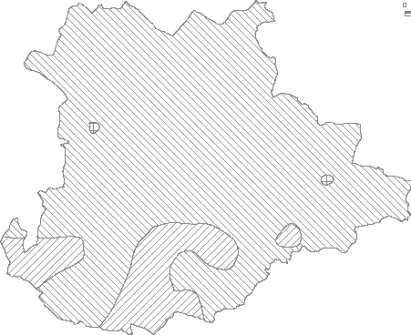 ,. :m kilometres 21° 00' LEGEND 20° 2to5mbgl 30' 5to 10 mbgl ffi >10mbgl ss· 30• ss· 45'
Fig:- 3 POST MONSOON DEPTH TO WATER LEVEL MAP OF OHENKANAL DISTRICT, ORISSA (NOVEMBER 20 11 )
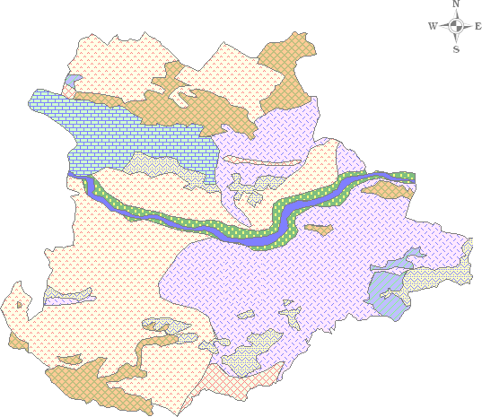
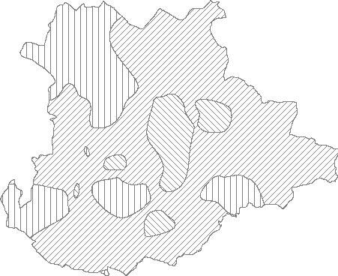 ,. :m kilometres 21° 00' LEGEND 20° ITII] Oto 2 mbgl 30' 2to5mbgl 5to 10 mbgl ss· 30• ss· 45'
Fig:- 5
21° HYDROGEOLOGICAL MAP OF DHENKANALDI STRICT, ORISSA 15' o !!!!!!!!i-.,-ioi!!!!!!!!!!!"!!i' kilometers 21° 00' 20° 45' 20° 30' 8 05' 85 30' 8 00'
LE(iENO 0w AGE GROUP LITHOLOGY HYDROGEOLOGICAL CONDITION OCCURS AS NARROW LINEAR PATCHES UPTO 25m |  |  |  |  |  |  |  |  |  |  |  |  |  |  |  |  |  |  |  |  | GROUND WATER POTENTIAL 5 - 6 lps
0 RECENT ALLUVIUM |  |  |  |  |  |  |  |  | Ill |  |  | THICKNESS ADJOINING RIVER COURSE -
0 TO CONFINED AQUIFER
0w 0 ::J 0 (/) 0 0 |  |  |  | PRE-CAMBRIAN GRANITE, GRGNEISS QUARTZITE ARCHEAN KHONDALITE |  |  |  |  |  | :::::::J:l |  |  | GROUND WATER RESTRICTED TO WEATHERED ZONES AND UNDERLYING FRACTURED ZONES - CONFINED & UNCONFINED AQUIFERS HILLY TERRAIN GROUND WATER POTENTIAL VERY LIMITED |  |  |  |  |  |  | 1 - 5 lps Limited yield
HILyL |  |  |  |  |  |  |  | AREAS D AREA WITHOUT PRODUCTIVE AQUIFER EXCEPT IN PATCHES |  |  |  |  |  |  |  |  |  |  | 0.1 lps
MAP -5
CHEMICAL QUALITY OF DHENKANAL DISTRI-C,
♦· ,· FLUORIDE EC RANGE 0.0000 to 500.0000
- 500.0000 to 1000.0000 - 1000.0000 to 150.0 0000 1500.0000 to 2000.0000
Fig :-6
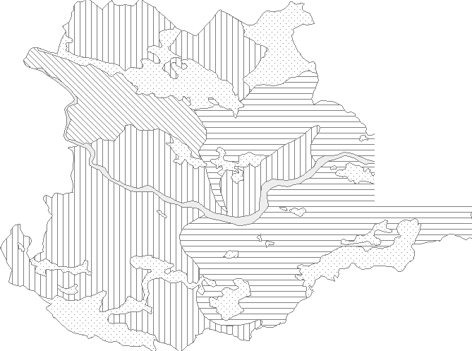 GROUND WATER DEVELOPMENT POSSIBILITIES MAP OF DHENKANAL DISTRICT, ORISSA 10 20 kilometers 21° 00' Brahman/.R 20° 45' 20° 30' ss0 os· ss0 30' 86" 00'
STRUCTURE DESIGN LIFTING DEVICE !DUG WE l.l.. 10-15M DEEP,4.5-6M DIA} DUGWELLUPTO 10M, CENTRIFUGAL DUG-CUM-BORE WELL VERTICAL BORING UPTO PUMP UPT05LPS 30M, DIA 10CM BORE WELL 100M DEEP, 10CM DIA SUBMERSIBUE ! PUMP DUG WE l.l.. 10-15M DEEP,4.5-6M DIA} mm DUGWEl.l..UPTO 10M, CENTRIFUGAL UPTO 3-4 LPS DUG-CUM-BORE WELL VERTICAL BORING UPTO PUMP 30M, DIA 10CM BORE WELL 100M DEEP, 10CM DIA SUBMERSIBUE UPT05 UPS ! PUMP DUG WE l.l.. 10-15M DEEP,4.5-6M DIA} DUGWEl.l..UPTO 10M, CENTRIFUGAL UPTO 3-4 UPS DUG-CUM-BORE WELL VERTICAL SORING UPTO PUMP 30M, DIA 10CM BORE WELL 100M DEEP, 10CM DIA SUBMERSIBUE UPT03.5 UPS PUMP D Hill..AND FOREST, DEVELOPMENT POSSIBILITY VERY LIMITED

