Table 1
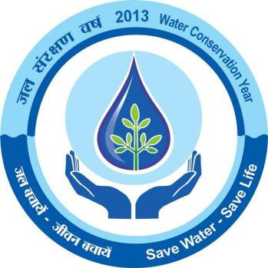

GANJAM DISTRICT, ORISSA Ministry of Water Resources Central Ground Water Board,SER Bhubaneswar March, 2013

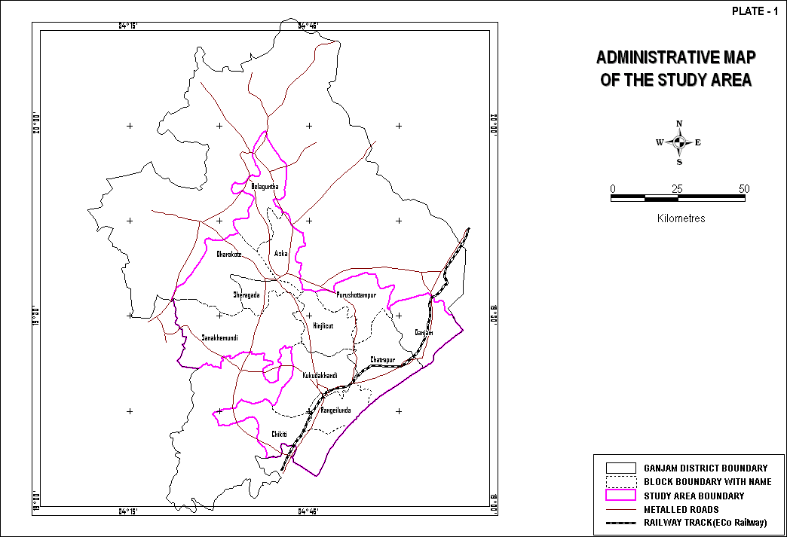
DISTRICT AT A GLANCE
Sr. No. | Items |  |  |  |  |  |  |  |  |  |  | Statistics
1 | GENERAL INFORMATION (i) Geographical Area (Sq. km) (ii) Number of Blocks (iii) Number of Panchayat (iv) Number of Villages (v) Population as on 2011 Census (vi) Average annual rainfall (mm) |  |  |  |  |  |  |  |  |  |  | 8706 22 475 3212 3,520,151 1295
2 | GEOMORPHOLOGY 1.Major Physiographic Units 2.Major Drainages |  |  |  |  |  |  |  |  |  |  | (i)Undulating plains dotted with residual hills (ii)Scattered hill with high relief Rushikulya & Bahuda
3 | LAND USE (Hect) a) Forest Area b) Net Area Sown |  |  |  |  |  |  |  |  |  |  | 57000.0 292000.0
4 | MAJOR SOIL TYPE |  |  |  |  |  |  |  |  |  |  | Alfisol, Ultisols, Entisols
5 | AREA UNDER PRINCIPAL CROPS |  |  |  |  |  |  |  |  |  |  | 1. Autumn – 126166 Ha 2. Winter – 1449577 Ha 3. Summer – 53586 Ha
6 | IRRIGATION BY DIFFERENT SOURCES ( Area and nos of structures) 1. Canals 2. Net Irrigated Area |  |  |  |  |  |  |  |  |  |  | (i) Major & Medium Irrigation Project – 130.8 Ha(Kharif) & 13.68(Rabi). (ii) Minor Irrigation Project (Flow) – 103.93 Ha(Kharif); 6.80(Rabi) (iii) Lift Irrigation Project – 25.09 (Kharif); 14.71(Rabi) 294.36 Ha (Kharif) 70.45 Ha(Rabi)
7 | NUMBER OF GROUN WATER MONITORING WELLS OF CGWB ( as on 31.3.2011) 1. No of BoreWells |  |  |  |  |  |  |  |  |  |  | 39
 | 2. Nos of Piezometers |  |  |  |  |  |  |  |  |  |  | Nil
8 | PREDOMINANT GEOLOGICAL FORMATIONS |  |  |  |  |  |  |  |  |  |  | (i) Eastern Ghat Supergroup of Rocks (Precambrian Crystalline Rocks) (ii) Quternaries
9
 | HYDROGEOLOGY • Major Water Bearing Formations |  |  |  |  |  |  |  |  |  |  | Weathered & Fractured Crystalline Rocks
 | • Pre-Monsoon Depth to Water Level during 2011 • Post-Monsoon Depth to Water Level during 2011 • Long Term water level trend in 10 yrs (2001-2011) in m/yr |  |  |  |  |  |  |  |  |  |  | 1.05 mbgl to 12.99 mbgl 1.14 mbgl to 11.62 mbgl 53.8% of wells show rise from 0-2m, 7.7% wells show rise from 2-4 m (Pre-monsoon). 58.8% of wells show rise in 0-2 m, 11.8% of wells show rise from 2-4 m (Post monsoon).
10 | GROUND WATER EXPLORATION BY
 | CGWB (As on 31.3.2011)
 | No of wells drilled (EW,OW,Pz,SH,Total) |  |  |  |  |  |  |  |  |  |  | E/W - 15 (Departmental) O/W – 4 (do) E/W-18 (Outsourcing) Total – 34.
 | Depth Range (m) Discharge (lps) Transmissivity(m ²/day) |  |  |  |  |  |  |  |  |  |  | 90 – 200m Negligible to 25 0.5 to 116
11 | GROUND WATER QUALITY
 | Presence of Chemical constituents more than permissible limit (e.g. EC ,F,AS, Fe) |  |  |  |  |  |  |  |  |  |  | EC and F value higher in limited patches.
 | Type of water |  |  |  |  |  |  |  |  |  |  | Normal( pH 7.12 to 8.19 mg/ltr)
12 | DYNAMIC GROUND WATER RESOURCES (2009 in Ham) 1. Annual replenishable Ground Water Resources |  |  |  |  |  |  |  |  |  |  | 114541.00
 | 2. Net Annual Ground Water Draft 3. Projected demand for domestic and industrial uses up to 25 years 4. Stage of Ground Water Development |  |  |  |  |  |  |  |  |  |  | 6969 9203 29.17%
13 | AWARENESS AND TRAINING ACTIVITY Mass Awareness Programmes organized Data Place No of Participiants |  |  |  |  |  |  |  |  |  |  | One
 | Water Management and Training Programmes Organised Data Place No of Participiants |  |  |  |  |  |  |  |  |  |  | Nil
14 | EFFORTS OF ARTIFICIAL RECHARGE &
 | RAIN WATER HARVESTING
 | Projects compiled by CGWB ( No & Amont
 | spent ) |  |  |  |  |  |  |  |  |  |  | Nil
 | Projects under technical guidance of CGWB |  |  |  |  |  |  |  |  |  |  | Nil
 | (numbers)
15 | GROUND |  |  | WATER |  | CONTROL |  |  | AND
 | REGULATION
 | No of OE Blocks |  |  |  |  |  |  |  |  |  |  | Nil
 | No of Critical Blocks No of Blocks Notified |  |  |  |  |  |  |  |  |  |  | Nil Nil
16 | MAJOR GROUND WATER PROBLEMS AND ISSUES |  |  |  |  |  |  |  |  |  |  | Groundwater pollution & depletion in parts of blocks
1.0 INTRODUCTION Ganjam district is broadly divided into two divisions, the coastal plains area in the east and hill and table lands in the west. The eastern ghats run along the western side of the district. The plains lies between the eastern ghats and the Bay of Bengal. Since the hills are close to the sea, the rivers flowing from hills are not very long and are subject to sudden floods. The plains are narrow because of the absence of big rivers. The coastal plains in the east contain more fertile and irrigated lands. Towards the centre and south it is hilly with beautiful well watered valley. The south eastern portion is fertile. The extreme north east is occupied by a portion of the famous Chilika lake.Spreading over an area of 8206.0 Sq.km, it is surrounded by Kandhamal in the North-West, Nayagarh in the North, Khurda in the North-East, Gajapati district in the West and Bay of Bengal in the South- East. On its Southern periphery the district borders the state of Andhra Pradesh. 1.1 Land Holding Patthern Ganjam has total geographical area of 8206.00 sq.km., having forest area of 3149.9 sq.km and total cultivable area of 434000 ha. The permanent pasture and grazing land comprises 20,000 ha. area out of the total area. The barren and un-cultivable waste land comprises 37,000 ha. area and total fallow land 28,000 ha. 1.2 Agriculture Agriculture is the backbone of the economy and around 80% people of Ganjam district depend on Agriculture and Allied Activities. Gross cropped area of Ganjam is estimated at 6.4 lakh ha.The total irrigated area so far surveyed is 293192 ha. for Kharif and 58730 ha. for Rabi crops. Therefore nearly 50% of the gross cropped area has got the possibility of getting irrigation facilities. As against this potential only 2.83 lakh ha. get actual irrigation facility to grow various crops. Therefore only 41.54% crops get irrigation facility. Different crops are sown under rainfed conditio

3.0 GEOMORPHOLOGY & SOIL TYPE PHYSIOGRAPHY, & LANDFORM The area belongs to the Eastern Ghat hill ranges and mostly presents a highly undulating topography with scattered isolated hillocks and mounds with an average altitude between 40 to 140 m amsl, intermontane valleys, gently undulating narrow plains covered by Quaternary sediments deposited by Rushikulya river. Transported laterites, near the delta of Rushikulya, form low uplands. The coastal dunes occupy considerable area. GEOMORPHIC FEATURES The major geomorphic units occurring in the area are Structural hills, denudational hills, residual hills, inselbergs, linear ridges, pediments, intermontane valleys, buried pediments, flood plains, coastal plains, sand dunes, mud flats etc The area maintains a general slope towards the coast. A brief description of the major hydrogeomorphic units (After Panda et.al., 2000; Panda et.al., 2003) are given below: Denudational Hills: These are group of massive hill ranges interspersed with intermontane valleys. Compositionally, these hills are either Granite Gneisses/ Khondalites or Charnockites and are traversed by fractures and lineaments. Generally, they act as high run off zones. Deeper aquifers in this unit are controlled by fractures/ lineaments. Structural Hills: These are groups of curvilinear, folded hill ranges. Compositionally these hills consist of Khondalites/ Charnockite suite of rocks and are structurally controlled by complex folding, joints/ fractures. Deeper aquifers are controlled by joints/ fractures. Residual Hills: These units are characterized by massive hill ranges of moderate dimensions and surrounded by gently undulating plains all around. Compositionally these hills are either Granite Gneisses/ Khondalites or Charnockite suite of rock. Ground water potential is poor. Inselberg: These are isolated hills of limited aerial extent, surrounded by plain l

The slope of all categories of hills vary from 15% to 35%, whereas that of pediments vary from 3 to 15%. All the weathered units (Buried pediments and pediplains), flood plains show slope of less than 3%. The slope of coastal plain is around 1%.
SOIL Three major type of soils are present in the study area and they can be briefly
described as: 1. Alfisols: These are red loamy soils and red sandy soils and occupies the major part of the area. 2. Ultisols: These are lateritic soils and are common in the hill slope in the north and north-eastern part of the study area, bordering alluvial deposits and also occur in patches in uplands, especially as capping over country rocks, particularly khondalites. 3. Entisols: These are coastal sandy soils, which occur in the south and south-eastern part of the study area, as narrow elongated patches. Beside these, coastal alluvial soils are also a dominant soil type in the area which is prevalent along the Rushikulya flood plain and delta area. 4.0 GROUNDWATER SCENARIO 4.1 GENARALIZED GEOLOGY Major part of the area is underlain by the hard crystalline rocks of Archaean age. Sediments of recent to sub-recent age occur along the narrow coastal tract and as discontinuous patches along the Rushikulya river. Laterite also occurs in the area as capping over the older formations i.e. Khondalites. The generalized stratigraphic sequence of the study area is given below:
Recent to Sub-Recent |  |  |  | Alluvium |  |  |  |  |  | Sand, Silt, Clay in varying proportions.
 |  |  |  | Laterite and Lateritic gravels
~~~~~~~~~~~~~~~~~~~~~ UNCONFORMITY ~~~~~~~~~~~~~~~~~~~~~
 |  |  |  | Eastern Ghat Granitic Suite |  |  |  |  |  | Pegmatite and Quartz veins, Porphyritic and non porphyritic Granites, Granite Gneisses, Garnetiferous Granite Gneiss,
Archaean |  |  |  | Charnockite Suite |  |  |  |  |  | Hypersthene Granite Gneiss, Basic Pyroxene Granulites,
 |  |  |  | Khondalite Suite |  |  |  |  |  | Quartz-garnet-sillimanite schists and gneisses, Quartzites, Calc- Silicate rocks
The crystallines of Eastern Ghat Group comprises of granite, granite gneisses, Khondalites, Charnockites, Pegmatite and quartz veins. A brief description of the litho units are described below: Granite and Granite Gneisses: Granite and granite gneisses and their variants constitute the most predominant rock type in the study area. They belong to both porphyritic and non-porphyritic varieties. Their intrusive nature is evident by contact effects, quartzo- feldspathic veins, tongues and apophyses along the foliation planes of older formations. These rocks are usually grey to light grey in colour and are fine to medium grained in texture.
Khondalites: Khondalites are a metasedimentary origin rocks which is compositionally quartz-feldspar-garnet-sillimanitegraphite bearing schist/ gneiss(Walker, 1902), quartzite and calc silicate gneiss and granulites which represents the metamorphosed argillaceous, areanaceous and calcareous sediments respectively. These rocks are usually greyish brown to reddish brown in colour, foliated and displays gneissic banding. Most of these Khondalite outcrops are highly weathered, kaolinised and often topped by a lateritic capping. Variants like Leptynites are less common. Occurrence of quartzites and calc silicates are sporadic and very limited. These are usually fine grained and light grey in colour. These are the chief source of rare earth mineral, which occurs in the coastal tracts near Gopalpur on sea, as beach placers, in economic proportions and are being mined by Indian Rare Earths Limited. Charnockites: Charnockite suite of rocks include the hypersthene bearing rocks of granodioritic and granitic composition (intermediate and acidic types). They are fine to medium grained, massive, hard and recognized by greyish black colour and greasy lustre with presence of smoky grey quartz and sometimes garnetiferous. Pegmatites and Quartz veins: The country rocks are traversed by numerous pegmatites and quartz veins. Pegamites are coarse grained comprising mainly of quartz, feldspar and muscovites. The quartz veins generally intrude into the older formations along foliation planes, especially along the shear zones. Laterites and Lateritic Gravels: Laterites are reddish, porous, concretionary materials occurring as capping over the older formations. Compositionally they vary widely and with that the colour too varies from reddish to yellowish and light grey with increasing alumina content. The thickness of the laterite capping varies from 8 to 20m. Alluvium: Alluvium of Rec

HYDROGEOLOGY Water bearing formations The contrasting water bearing properties of different geological formations usually play an important role in the occurrence and movement of groundwater. The crystalline rocks occupy major part of the total geographical area. The narrow discontinuous patches of recent to sub-recent alluvium along the major river courses and on coastal plain occupy about 300sq. km. area in the district. Hydrogeologically the weathered and fractured zones of the crystallines and the porous alluvial and coastal deposits form the main repository of ground water in the area. Depending on the water yielding properties of various formations, the district can be broadly grouped into three distinct hydrogeological units. 1. Consolidated formations 2. Semiconsolidated formations 3. Unconsolidated formations Consolidated formations These include granites and granite gneisses, khondalites and charnockites of Eastern Ghat Group. These rocks are devoid of primary porosity and are usually very hard and compact in nature. The secondary porosity in the consolidated formations developed as result of weathering and fracturing due to major and minor tectonic movement form the conduits for movement of groundwater as also act as reservoir of groundwater. This fractured and jointed rocks when interconnected form potential aquifers, which sustain limited to moderate yield. Groundwater occurs under water table conditions in the weathered residuum while it occurs under semi-confined to confined conditions in the fractured and jointed rocks. Occurrence movement and distribution of ground water in each unit Granites and Granite gneisses The most prevalent rock types occurring in the district are granite and granite gneisses. These rocks reduce to loose kaolinised granular material on weathering. The thickness of weathered mantle range

ranges from 6.7 m to 13.8 m below ground level. The depth to water level during premonsoon period ranges from 1.7 m to 10.6 mbgl. and during postmonsoon period from 1.94 m to 6.7 mbgl. The pumping test analysis in the open wells indicate that specific capacity index of the formation varies from 1.73 to 12.83 lpm/ m2. The yield of irrigation dugwells ranges from 15-25 m3 / Day. Charnockites The charnockite suite of rocks in the area are usually very hard and compact, generally occupying high hills. Weathering is not pronounced. These are generally devoid of significant groundwater storage due to scarcely developed joints and fractures. The thickness of weathered mantle ranges from 5 to 10 m only. The average depth of open wells varies from 6.5 to 12.5 mbgl. The depth to water level in open wells varies from 4.28 m to 11.4 mbgl in premonsoon period and from 2.97 m to 6.0 mbgl in postmonsoon period. The specific capacity index of the formation is in the order of 2 lpm / m2 yield of irrigation dug well is around 10 –20 m3 / day . Semi consolidated formations Laterites constitute the semi consolidated formation. These are highly porous in nature and are formed as capping over the older crystalline formations in the upland areas. Laterites form very good near surface aquifers to be tapped through dug wells and dug cum bore wells. The laterite profile extends down to a depth of 8 to 20 m. The depth of open wells ranges from 6.0 to 12.1 m. The depth to water level varies from 4.46 to 7.8 mbgl in the premonsoon period and from 2.97 to 4.5 m bgl in the postmonsoon period. Because of restricted areal extent the aquifers have limited development potentials. Unconsolidated formations Alluvium of sub recent to recent age constitutes the unconsolidated formations. The recent deposits in the flood plains of the Rushikulya river form the most potential aquifers in the district due to high deg

The depth open wells range from 4.2-9.8 mbgl. The depth to water level varies from 1.98 m to 7.22 mbgl in pre-monsoon period and from 1.6 to 4.2 mbgl in post monsoon period. Specific capacity index of the formation varies from 5 to 50 lpm / m2. Yield of irrigation dugwell ranges from 30-40 m3 / day. Shallow tubewells tapping about 6 to 12 m of saturated granular zones record a discharge of 5 to 26 lps for a drawdown of 3 to 6 m. Depth to Water Level : The occurrence and movement of ground water and seasonal water table fluctuation were studied through hydrograph network stations monetarily data collected in pre and post monsoon period of 2011. Based on monitoring data depth to water level zone maps for pre-monsoon and post-monsoon periods have been prepared. The depth to water level during pre-monsoon (April-11) ranges from 4.5 to 11.9m below ground level and from 1.3 to 6.97m below ground level during post-monsoon period (Nov,11). Seasonal Fluctuation : The study of the water table fluctuation data shows that in the major part, fluctuation of the water table is in the range of (1.5 to 2.3m and 2.5 to 4m).
GROUND WATER EXPLORATION: Till March, 2011, total 139 wells have been drilled by the Departmental Exploration Programme. 13 wells are drilled through Accelerated Exploration Drilling Programme (AEDP). GROUND WATER RESOURCES : Blockwise ground water resource estimation has been based on norms recommended by Ground Water Estimation Committee (G.E.C 1997) and presented in below. The total ground water resource of the district is assessed to be 114541.00 hectare meter (HM). The annual draft for irrigation use by all structures is 4468 hectare meter and the gross annual draft for all uses is 6969 hectare meter. Thus a net balance of ground water resource of 16906 HM is available for future irrigation development in the district. The present stage of ground water development has been estimated to be 24.65%. Kashinagar block shows the highest development of (37.12%) than the other blocks in the district.
Sl No |  | Block |  |  | Net Annual Ground Water Availability |  | Existing Gross Ground Water Draft for Irrigation | Existing Gross Ground Water Draft for domestic & Industrial Supply |  |  | Existing Gross Ground Water Draft for all uses |  |  | Provision for domestic & industrial requirement supply for next 25 years |  |  | Net Ground Water Availability for future irrigation development | Stage of Ground Water Development
 |  |  |  |  | (ham) |  | (ham) | (ham) |  |  | (ham) |  |  | (ham) |  |  | (ham) | ( % )
1 |  | 2 |  |  | 4 |  | 5 | 6 |  |  | 7 |  |  | 8 |  |  | 9 | 10
1 |  | Aska |  |  | 4461.00 |  | 1895.00 | 427.51 |  |  | 2323.00 |  |  | 537.00 |  |  | 2029.00 | 52.07
2 |  | Belaguntha |  |  | 4124.00 |  | 1176.00 | 297.75 |  |  | 1474.00 |  |  | 368.00 |  |  | 2579.00 | 35.74
3 |  | Bhanjanagar |  |  | 9120.00 |  | 1452.00 | 332.06 |  |  | 1784.00 |  |  | 455.00 |  |  | 7213.00 | 19.56
4 |  | Buguda |  |  | 5565.00 |  | 928.00 | 297.80 |  |  | 1226.00 |  |  | 391.00 |  |  | 4246.00 | 22.03
5 |  | Chhatrapur |  |  | 5794.00 |  | 1206.00 | 388.41 |  |  | 1595.00 |  |  | 392.00 |  |  | 4196.00 | 27.53
6 |  | Chikiti |  |  | 4619.00 |  | 1455.00 | 185.87 |  |  | 1641.00 |  |  | 261.00 |  |  | 2903.00 | 35.53
7 |  | Dharakote |  |  | 4611.00 |  | 883.00 | 269.33 |  |  | 1152.00 |  |  | 359.00 |  |  | 3369.00 | 24.98
8 |  | Digapahandi |  |  | 7569.00 |  | 1159.00 | 335.29 |  |  | 1494.00 |  |  | 469.00 |  |  | 5941.00 | 19.74
9 |  | Ganjam |  |  | 2865.00 |  | 1375.00 | 204.94 |  |  | 1580.00 |  |  | 208.00 |  |  | 1282.00 | 55.15
10 |  | Hinjilicut |  |  | 4031.00 |  | 1683.00 | 277.22 |  |  | 1960.00 |  |  | 386.00 |  |  | 1961.00 | 48.62
11 |  | Jaganathprasad |  |  | 8051.00 |  | 1040.00 | 285.00 |  |  | 1325.00 |  |  | 374.00 |  |  | 6637.00 | 16.46
12 |  | Kabisuryanagar |  |  | 3379.00 |  | 784.00 | 315.91 |  |  | 1100.00 |  |  | 405.00 |  |  | 2190.00 | 32.55
13 |  | Khalikote |  |  | 4292.00 |  | 1191.00 | 330.00 |  |  | 1521.00 |  |  | 528.00 |  |  | 2573.00 | 35.44
14 |  | Kodala |  |  | 3857.00 |  | 720.00 | 323.44 |  |  | 1043.00 |  |  | 445.00 |  |  | 2692.00 | 27.04
15 |  | Kukudakhandi |  |  | 6400.00 |  | 769.00 | 323.53 |  |  | 1093.00 |  |  | 417.00 |  |  | 5213.00 | 17.08
16 |  | Patrapur |  |  | 4345.00 |  | 882.00 | 309.06 |  |  | 1191.00 |  |  | 403.00 |  |  | 3060.00 | 27.41
17 |  | Polasara |  |  | 4568.00 |  | 922.00 | 343.22 |  |  | 1265.00 |  |  | 487.00 |  |  | 3159.00 | 27.69
18 |  | Purusottampur |  |  | 5283.00 |  | 2059.00 | 401.56 |  |  | 2461.00 |  |  | 525.00 |  |  | 2699.00 | 46.58
19 |  | Rangeilunda |  |  | 3975.00 |  | 1010.00 | 334.17 |  |  | 1345.00 |  |  | 411.00 |  |  | 2554.00 | 33.84
20 |  | Sanakhemundi |  |  | 5753.00 |  | 1190.00 | 361.69 |  |  | 1551.00 |  |  | 503.00 |  |  | 4061.00 | 26.96
21 |  | Shergada |  |  | 3676.00 |  | 1179.00 | 299.23 |  |  | 1478.00 |  |  | 426.00 |  |  | 2071.00 | 40.21
22 |  | Sorada |  |  | 8203.00 |  | 1479.00 | 325.92 |  |  | 1806.00 |  |  | 453.00 |  |  | 6271.00 | 22.02
 |  | District Total |  |  | 114541.00 |  | 26437.00 | 6969.00 |  |  | 33408.00 |  |  | 9203.00 |  |  | 78899.00 | 29.17
GROUND WATER QUALITY : Ground water quality depends upon the lithological and chemical composition of the aquifer, climate condition, quantum of recharge made and its movement, micro organisms activity and presence of contaminants in the environment etc. The water samples collected from the national hydrograph stations during ground water monitoring work hydrogeological surveys are analyzed in the chemical laboratory of CGWB for assessing ground water quality. As per the standards of the ISI mostly ground water of Gajapati district is suitable for drinking purpose except for a few places in granitic & Khondalitic terrain where NO3 and Fe connection exceed the permissible limits which may be attributed due to local pollution. The suitability of ground water for irrigation use depends on the degree of tis mineralization and the effects of the dissolved constituents on plants and the soil. High Sodium concentration reflects reducing permeability of the soil as for as the suitability for irrigation purpose is concerned. The sodium absorption ration (SAR) is important for studying the suitability of ground water for irrigation purpose. From chemical analysis data, it is observed that ground water can be used for irrigation with moderate teaching and moderate salt tolerant crops. It is also suitable for forest product industries, broiler feed and livestock use. The ground water from deeper aquifers, of few exploratory wells mainly restricted in the southern part of the district also reveals that the water is suitable for drinking and irrigation use. STATUS OF GROUND WATER DEVELOPMENT : Ground water development in the district is mainly through dug wells, Dug-cum- bore wells, bore wells & shallow tube wells. Ground water is mainly used for domestic and irrigation purpose and in a few small industrial purpose. Dug wells are most common

Artificial Recharge & Rainwater Harvesting: Although Ganjam district does not represents drastic fall of depth to water level then also there are scope for implementating artificial recharge structure and rainwater harvesting structures here. The district shows rugged terrain where there is high surface run off in comparison to the rate of infiltration. The ground water resource can be augmented through adoption of artificial recharge techniques like construction of sub surface dykes, percolation tank, gully plugging etc. 6.0 Ground Water related issues & Problems Ground Water Problems : There is no significant ground water problems. There are water quality problems in very few locales of the district.
. 7.0 Awareness & Training Activity There was no Mass Awareness & Training Activity in the district of Raygada. 8.0 Areas Notified by CGWA
The stage of Groundwater development is well within Safe Category and there is no overexploitation and major threat of Groundwater pollution and depletion. Hence no area has been notified by CGWA. 9.0 Recommendations
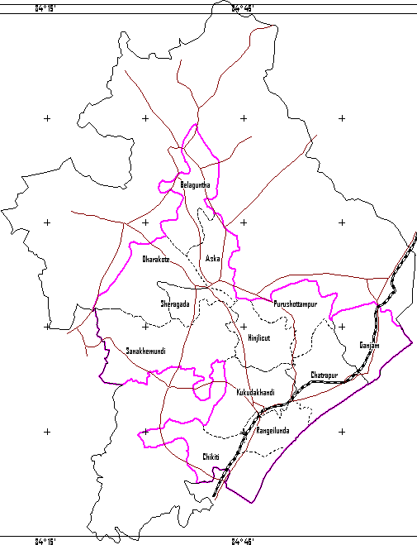
PLATE -1
 |  |  |  |  |  |  |  |  |  |  |  |  |  |  | ADMINISTRATIVEMAP OF THE STUDY AREA W+ N E s 0 25 50 Kilometres
 |  |  |  |  |  |  |  |  |  |  |  |  |  |  | c::::::J GANJAM DISTRICT BOUNDARY ;.......:., BLOCK BOUNDARY WITH NAME L.........J STUDY AREA BOUNDARY METALLED ROADS
 |  |  |  |  |  |  |  |  |  |  |  |  |  |  | RAILWAY TRACK(ECo Railway)
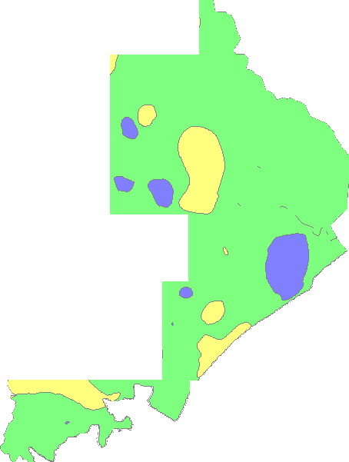 DEPTli TO WATER LEVEL MAP Plate:- 2 OF GANJAM (APRIL 2011) •V , ,/ . --.) 1-,--, \ _ -_-, - '-- (.) • ·, o < LEGEND -. ? · District Boundary , f 0 Depth to W ater Level (mbgl) • 0102 □ 2105 □ 5to 10
Plate:- 3 DEPTH TO WATER LEVEL MAP OF GANJAM (NOVEMBER 2011) LEGEND District Boundary Depth to Water Level (mbgl) - Oto2 □D 2tos sto 10
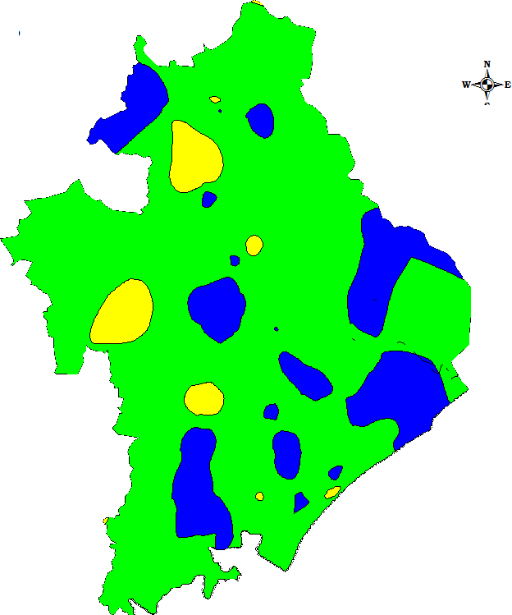
1v',L. N |  |  |  |  |  |  |  |  |  |  |  |  |  |  |  | HYDROGEOLOGY
-YQ G an jam Di strict 0' -5, LEGEND
;§> / |  |  | th Prasad% :,:,- |  |  |  |  |  |  |  | lo HillyRegion ( Slo1>e > 20 %) Hard Rook: Yi eld 5 - 10 l1>s u' [Kl Hard Rook: Yield 2 - 5 l1>s (''1
/' @]Soft Rook: Yield 3 - 10 l1>s D Wate r Bo<ly ( Chilk a L ak e ) 0--o M a;or River (Rushikulya} c::
Q'.. 6 -;J_ Sca l e (!) |  |  |  |  |  |  |  |  |  |  |  |  | 22 0-; |  |  | D sntemaLine ■Chikiti Blot k H ea d<1uater ■CHATRAPURDistrfot Head<1uater
20 10 0 20 40 Kms.

