Table 1
Govt. of India MINISTRY OF WATER RESOURCES CENTRAL GROUND WATER BOARD OF JHARSUGUDA DISTRICT CENTRAL GROUND WATER BOARD SOUTH EASTERN REGION BHUBANESWAR March, 2013.

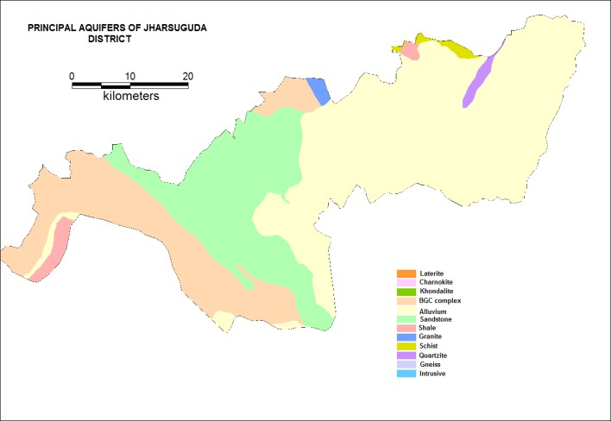
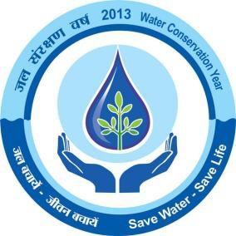

DISTRICT AT A GLANCE
Sr. No. |  | Items |  |  |  |  |  |  |  |  |  |  | Statistics
1 |  | (i) Geographical Area (Sq. km) (ii) Number of Blocks (iii) Number of Panchayat (iv) Number of Villages (v) Population as on 2011 Census (vi) Average annual rainfall (mm) |  |  |  |  |  |  |  |  |  |  | 1874.98 5 579505 1232.1
2 |  | GEOMORPHOLOGY 1.Major Physiographic Units 2.Major Drainages |  |  |  |  |  |  |  |  |  |  | (i)Undulating plains dotted with residual hills (ii)Scattered hill with high relief Ong, Tel, Suktel, Lant & Indra
3 |  | LAND USE (SQ KM) a) Forest Area b) Net Area Sown |  |  |  |  |  |  |  |  |  |  | 26,917 Hectares 87,783 Hectares
4 |  | MAJOR SOIL TYPE |  |  |  |  |  |  |  |  |  |  | Alfisol, Utisol, Vertisol
5 |  | AREA UNDER PRINCIPAL CROPS |  |  |  |  |  |  |  |  |  |  | 1. Autumn – 82664 Ha 2. Winter – 129221 Ha 3. Summer – 1127 Ha
6 |  | IRRIGATION BY DIFFERENT SOURCES ( Area and nos of structures) 1. Canals 2. Net Irrigated Area |  |  |  |  |  |  |  |  |  |  | (i) Minor Irrigation Project (Flow) – 5350 hectare (ii) Lift Irrigation Project – 4360Ha
7 |  | NUMBER OF GROUN WATER MONITORING WELLS OF CGWB ( as on 31.3.2011) 1. No of BoreWells 2. Nos of Piezometers |  |  |  |  |  |  |  |  |  |  | 44 Nil
8 |  | PREDOMINANT GEOLOGICAL FORMATIONS |  |  |  |  |  |  |  |  |  |  | (i) Precambrian metasediment of Sambalpur series, Iron ore and Gangpur series. (ii) Precambrian Crystalline rocks (iii) Quternaries
9 |  | • Major Water Bearing Formations • Pre-Monsoon Depth to Water Level during 2011 • Post-Monsoon Depth to Water Level during 2011 • Long Term water level trend in 10 yrs (2001- 2011) in m/yr |  |  |  |  |  |  |  |  |  |  | Weathered & Fractured Crystalline Rocks 1.33 mbgl to 8.85 mbgl 0.78 mbgl to 6.85 mbgl 50% of wells show rise from 0-2m, 3.6% wells show rise from 2-4 m (Pre- monsoon). 77.8% of wells show rise in 0-2 m, 8.3% of wells show rise from 2-4 m (Post monsoon).
10 |  | GROUND WATER EXPLORATION BY CGWB (As on 31.3.2011) No of wells drilled (EW,OW,Pz,SH,Total) Depth Range (m) Discharge (lps) Transmissivity(m ²/day) |  |  |  |  |  |  |  |  |  |  | E/W - 52 (Departmental) O/W – 13 (do) E/W-47 (Outsourcing) Total – 112. 32 – 299.28m Negligible to 25 0.68 to 659
11 |  | Presence of Chemical constituents more than permissible limit (e.g. EC ,F,AS,Fe) Type of water |  |  |  |  |  |  |  |  |  |  | EC and F value higher in limited patches. Normal( pH 7.12 to 8.19 mg/ltr)
12 |  | DYNAMIC GROUND WATER RESOURCES (2009 in mcm) 1. Net Ground Water Availability 2. Net Annual Ground Water Draft 3. Projected demand for domestic and industrial uses up to next 25 yrs 4. Stage of Ground Water Development |  |  |  |  |  |  |  |  |  |  | 576.56 121.21 33.8 21.02%
13 |  | Mass Awareness Programmes organized Data Place No of Participiants |  |  |  |  |  |  |  |  |  |  | Two 26.03.03 and 21.03.04 Titlagarh, Titlagarh Block Bolangir Town, Bolangir Block 200,250.
 |  | Water Management and Training Programmes Organised Data Place No of Participiants |  |  |  |  |  |  |  |  |  |  | Two 26.03.03 and 21.03.04 Titlagarh, Titlagarh Block Bolangir Town, Bolangir Block 50,50.
14 |  | EFFORTS OF ARTIFICIAL RECHARGE &
 |  | RAIN WATER HARVESTING
 |  | Projects compiled by CGWB ( No & Amount spent ) Projects under technical guidance of CGWB |  |  |  |  |  |  |  |  |  |  | Nil
 |  | (numbers) |  |  |  |  |  |  |  |  |  |  | Nil
15 |  | GROUND |  |  | WATER |  |  | CONTROL |  |  | AND
 |  | REGULATION
 |  | No of OE Blocks No of Critical Blocks No of Blocks Notified |  |  |  |  |  |  |  |  |  |  | Nil Nil Nil
16 |  | MAJOR GROUND WATER PROBLEMS AND ISSUES |  |  |  |  |  |  |  |  |  |  | Groundwater pollution & depletion in parts of blocks
1.0 INTRODUCTION Jharsuguda district is bounded between the latitudes 21° 34’ North and 22°02’ North and longitudes 83°25’ East and 84°23’ East. Prior to 1993, Jharsuguda was a subdivision of Sambalpur District and was subsequently awarded the status of a new district. It is bounded in the north by Sundergarh district, east by Sambalpur district, south by Sambalpur and Baragarh district and west by Raigarh district of Chattisgarh State. The total geographical area is 1874.98 sq. km. It is divided into five administrative blocks namely Lakhanpur, Jharsuguda, Kirimira, Laikera, Kolabira. Total population of the district is 579,505 as per 2011 census. Out of the total population 60.11% live in rural areas and rest 39.89% in urban area. The population density of the district is 274 per sq. km. The literacy rate of the district is 78.86 %. The district is well connected by rail and roads. The block headquarters are well connected by metalled roads and villages by fair weather roads. According to the Directorate of Economics and Statistics, Govt. of Orissa: 2000 – 01 and website information of Govt. of Orissa for Jharsuguda district, the district has a geographical area of 298,886 Hectares, of which 26,917 Hectares ( 9.01%) comes under forest area. Agriculture is the main occupation. The district has a net cultivable area of 91,730 Hectares, of which net sown area is 87,783 Hectares. Out of this, 50904 Hectares are highland, 24284 Hectares are middle land and 12595 Hectares are lowlands. Within this net sown area, paddy is grown in 48400 Hectares and non paddy crops is grown in 39383 Hectares. There are no major irrigation projects in the district. Around 5350 hectare area of the district is irrigated through minor irrigation project and 4360 hectare area is irrigated through lift irrigation. 2.0 RAINFALL & CLIMATE The district is characterized by extreme climate with very hot summer (41.8 °C) and

3.0 GEOMORPHOLOGY The North –Western part of the district is mainly hilly. About 80 % of the area is characterized by isolated hillocks and rounds and undulating plains. A part of Hirakud reservoir occupying 185 sq. km is present in southern part of the district. The highest and lowest topographic elevation of the district are 474 metre and 193 metre respectively. The drainage of the district is controlled by the Mahanadi in the western part and Ib river, a tributary of the Mahanadi in the central and eastern part. The Bheden, Lilari and Basundhara nalas which join the Ib, comprise other drainage channels in the area. The drainage pattern is mainly dendritic and high drainage density is found in the western part of the district. 4.0 GROUNDWATER SCENARIO 4.1 GEOLOGY: The district is underlain by crystalline and sedimentary rocks belonging to Precambrian and Permo – Carboniferous age. Late sedimentaries of recent to sub recent age developed in patches. The main rock types of the area are (1) Granite gneisses : Granite gneisses are the most prominent rock types in the district generally occupying the undulating plains forming low hills and mounds represented by biotite granite gneiss, porphyritic gneiss etc. (2) Iron Ore Group : Iron Ore Group of metasediments comprise mainly of quartzites and occurs in the north eastern part of the district. (3) Gangpur Group : The rocks of Gangpur Group are mainly mica schists which are often traversed by pegmatites and quartz veins . (4) Chandrapur and Raipur Groups : Chandrapur and Raipur Group of rocks comprise of sandstones, shales, quartzites and conglomerates which occur in the western part of the district as an extension of Chattisgarh basin. (5) Intrusives : Basic dykes (dolerite and epidiorites) are seen cutting through the gneissic rocks o

Consolidated formations About 60% of the area is under lain by consolidated formations comprising Precambrian metasediment of Sambalpur series, Iron ore and Gangpur series. These rocks are very hard and compact and the ground water occurs mainly in secondary porosity. Ground water occurs under semiconfined to confined conditions in fractured rocks. Granite Gneisses are the most predominant rock types usually occupying the underlating plains and topographic lows. These rocks are highly weathered and the thickness of the weathered zone usually ranges from 4.57 to 12.03 m bgl and depth to water level from 3.91 to 9.92 and 1.36 to 6.69 m bgl in pre and post monsoon respectively. The specific capacity of open wells varies from 5.765 to 53.001 1 pm/m. Quartzite of the iron ore group are bedded, joined but having little ground water development prospects. The depth of open wells varies from 6.94 to 9.37 mbgl and depth to water level from 5.99 to 8.70 and 3.26 to 4.45 m bgl in pre monsoon and post monsoon respectively. The open wells are tested and its capacity was found to be 7.266 lpm/m. Mica schists have low permeability. The depth of the open wells ranges from 6.11 to 7.84 m and depth to water level varies from 4.12. to 7.1 and 2.53 to 3.18m bye in pre and post monsoon respectively. The specific capacity of the open well tested was found to be of the order of 5.765 lpm/m. Semi consolidated formation Sandstones, shales, conglomerates grits etc. belonging to Talcher, Barakar and Kamthis of lower Gondwanas constitute the semi consolidated formations. The needle shales with high frequency of intersecting joints form good aquifers. The depth of the open well varies from 6.6 to 12.5m bgl. The pre monsoon and post monsoon water level vary from 5.4 to 10.25 and 1.6 to 7.5 m respectively. The specific capacity is found to be 7.148 lpm/m. Unconsolidated formation Laterit

which depends on rainfall and hydrogeological characteristic of the formation is of the order of 0.94 to 5.09m in crystalline and 0.49 to 5.78 m in Gondwana sedimentaries. The fluctuation is observed to be very high in the high land areas compared to the low land areas. 4.4 AQUIFER CHARACTERISTICS As of 31st March’ 2011, a total of 44 Exploratory wells and 4 observation wells have been constructed in Jharsuguda District. The depth ranges of these wells varies from 38.6 metres below ground level to 200 metres below ground level. The rock types encountered are mostly granite, granite gneiss and sandstones. The yield varies from negligible to 7 litres per second (at Sahaspur, Laikera Block). Two to three sets of saturated fractures(water bearing zones) occurs in these wells and are mostly confined within a depth of 100 metres below ground level. Perusal of pumping test data shows that the specific capacity of the wells in the granite gneiss varies from 5.765 to 53.001 lpm/m and in Barakar and Kamthi Sandstones from 0.72 to 39.886 lpm/m. The specific capacity of the dug wells in alluvial formation is of the order of 61.593 lpm/m. Similarly it is observed that the permeability value of weathered granite gneiss varies from 0.371 to 7.195m /day and in Gondwana, permeability varies from 0.256 to 8.045m/day. In contrast the permeability value of the order of 14.448 m/day is observed in the alluvial formations. 4.5 GROUND WATER MONITORING Ground water regime in the district is being monitored through seven permanent ground water monitoring stations, established by CGWB which are monitored 4 times in a year i.e. January, April, August and November. 4.6 CHEMICAL QUALITY OF GROUND WATER The chemical quality of ground water in the district has been studied from the water samples collected during the course of hydrogeological surveys, ground water exploration, short term investigations etc. Various paramete

(2) The chloride content varies from 11-180 mg/l with an average range of 60-100 indicating the water is fresh. The total hardness expressed as CaCO3 varies from 105 to 340 mg/l in the area. (3) The NO3 concentration in 2 location of the district in Jharsuguda and Katarbaga found to be more than the permissible limit (> 100 mg/l). The concentration was 212 mg/l and 102 mg/l is found at Jharsuguda and Katarbaga respectively. (4) No areas in the district have been affected by Arsenic contamination. In general that overall water quality of the district could be classified as potable from drinking water point of view and it conforms to the standard fixed by the Bureau of Indian Standard (BIS:10500, 1993) for drinking water. 4.7 GROUND WATER RESOURCES The dynamic groundwater resource of the district has been assessed quantitatively following the methodology recommended by Ground Water Estimation Committee (1997). Jharsuguda has an annually replenish able ground water resource of 17266 Ham. The existing gross Ground water Draft for irrigation is 2733 Ha and the existing gross ground water draft for domestic and industrial water supply is 1143 Ham. Hence the total ground water draft for all uses is 3876 Ham. The net ground water availability for future irrigation and development is 12684 Ham. The stage of ground water development is 22.45%. Ground water Resource of Jharsuguda district at a glance:-
Sl No | Block |  | Utilizable Ground Water Resources |  |  |  | Gross Ground Water Draft for all uses |  | Balance Ground Water Resources | Allocation for Domestic and Industrial Requirement for next 25 years |  |  |  | Net Ground Water Availability for Future Irrigation Development |  | Stage of Ground Water Development |  |  |  | Category
 |  |  | Ha. M |  |  |  | Ha. M |  | Ha. M | Ha. M |  |  |  | Ha. M |  | %
1 | Jharsuguda |  | 4284 |  |  |  | 1050 |  | 3686 | 809 |  |  |  | 2877 |  | 24.51 |  |  |  | Safe
2 | Kirimira |  | 1571 |  |  |  | 625 |  | 1037 | 139 |  |  |  | 898 |  | 39.78 |  |  |  | Safe
3 | Kolabira |  | 2756 |  |  |  | 440 |  | 2410 | 163 |  |  |  | 2247 |  | 15.97 |  |  |  | Safe
4 | Laikera |  | 4239 |  |  |  | 592 |  | 3753 | 172 |  |  |  | 3581 |  | 13.97 |  |  |  | Safe
5 | Lakhanpur |  | 4416 |  |  |  | 1169 |  | 3647 | 566 |  |  |  | 3081 |  | 26.47 |  |  |  | Safe
District Total |  |  | 17266 |  |  |  | 3876 |  | 14533 | 1849 |  |  |  | 12684 |  | 22.45 |  |  |  | Safe
4.8 STATUS OF GROUND WATER DEVELOPMENT The ground water development prospects are varied depending upon the topography and geological set up. out of the total geographical area of 187498 Ha the district has net sown area of 95597 Ha . However the irrigation facilities available from all sources cover about 11.86% of the net sown area, leaving about 82% of the area without irrigation facilities. Developments of available ground water resources of the district through suitable abstraction structures are necessary for augmenting the irrigation potentials to boost food grain production in the district. There remains ample scope for further ground water exploitation. The success of ground water development depends upon proper well sighting and well designing considering the hydro morphological and hydro geological conditions.
The different types of ground water structures feasible in the district with yield prospects are given in the following table.
S.L NO |  | Type of structure |  |  |  | Depth range ( m) |  | Diameter (m) |  | Yield (m3/day) |  |  |  |  | Command area(Ha) |  |  | Geology
1 |  | Dug wells |  |  |  | 10-12 |  | 4.5-12 |  | 15-6 |  |  |  |  | 1-2 |  |  | Granite gneiss, shale’s and alluvium.
2 |  | Dug wells |  |  |  | 10-15 |  | 4.5-6 |  | - |  |  |  |  | 1 |  |  | Granite gneiss
3 |  | Dug cum bore wells |  |  |  | 25-30 |  | 150(mm) |  | 45-425 |  |  |  |  | 1-2 |  |  | Granite gneiss, Mica schist and shales.
4 |  | Bore wells |  |  |  | 100-150 |  | 150mm |  | Up to 600 |  |  |  |  | 2-3 |  |  | Granite gneiss and shales.
DUGWELLS; are the common ground water abstraction structures and feasible in almost all geological formations. The most favorable location is the topographic lows, abandoned buried stream channels, areas in the close vicinity of rivers and streams etc. In such areas the water table is generally shallow; the thickness of weathered residuum is also considerable. The dug wells tab the maximum thickness of the water saturated zone and should be 10 to 15m depth, and 4.5 to 6m in diameter. The wells should be energized for optimal utilization of their potential. In the low-lying areas in summer the water table lies below 6m. DUG CUM BORE WELLS;- The dug cum bore wells can be drilled for better yield in areas where weathered zone is more than 15m deep underlain by water saturated fractured zones. The bore hole preferably of 101mm dia should be vertical and drilled through the bottom of dug well to a depth of 25 to 30m below the ground level. BORE WELLS; - are feasible in fractured and fissured consolidated formations. The yield of the bore wells depends up on the number of fractures and fissures intercepted in the wells and the thickness of saturated weathered zones. Normally the bore wells are successful if located close to lineaments. The bore should be 100to 200m deep and of 150 mm diameter. The bore holes may be fitted with 3to 5 HP. Pump. Intensive ground water exploration in the district may delineate the areas suitable for bore well structures. 5.0 GROUND WATER MANAGEMENT STRATEGY 5.1 GROUND WATER DEVELOPMENT The ground water development of the district varies with the topography and geological set up. The district has very limited ground water development. The net sown area is 95597 Ha. However the irrigation facilities available from all sources cover about 11.86% of the net sown area, leaving about 82% of the area without irrigation facilities. Development of available gro
necessary for augmenting the irrigation potentials. The success of ground water development depends on proper well sighting and well designing considering the favorable hydromorphogeological and the hydro geological conditions. 5.2 WATER CONSERVATION &ARTIFICIAL RECHARGE; Inthe Jharsuguda district various structures have been constructed for conserving the water / recharging the groundwater, by the State government and the Ngoc’s. The areas of about 1711 Ha (as pet data available) are irrigated by the water harvesting structures. The other structures like Gully plug, Contour bunding, percolation tank, Nala bund ect, are also constructed for augmenting the ground water potentials. 6.0 GROUND WTER RELATED ISSUES & PROBLEM; In the district there is no major crisis of ground water, except in a few places having the water scarcity problem in peak summer. 7.0 AWARENESS & TRAINING ACTIVITY; 7.1) the first mass awareness programme was organized on 6th December 2006 on aegis of CGWA at the panchayat samiti conference Hall Lakhanpur block, Jharsuguda district, Orissa. The main aim of the programme was to make the state Government machinery and the general public aware of the ground water situation in the district and its importance on conservation and protection from pollution hazards. The mass awareness programme was attended by 150 persons from various departments/organization like state Govt. Officers, Panchayat samiti members, District level Officials, NGOs, VOs, leading farmers etc. The gathering actively participated with the scientists on various issues of ground water conservation and management in Jharsuguda district. 7.2) the second mass awareness programme was organized on 28th February 2007 on aegis of CGWA at the SEWAK, conference hall Tangarpalli Block, Sundergarh district. The mass awareness programme was attended by 150 persons from various departments /organization

,.) |  |  |  |  |  |  |  |  |  |  |  |  |  |  |  |  |  |  |  |  | · Plole -I
 |  |  |  |  |  |  |  |  |  |  |  | 1 4 5 8 4° |  |  |  |  |  |  |  | o'

22 o' |  | ADMINISTRATIVE DIVISIONS Of JHARSUGUDA DISTRICT, OR ISSA Km.2 0 4 6 12Km. b ,±: ,=lzd = b,,cl:=l=i SCALE /.,.., ,- 1 S / / / I \J \ / / I |  |  |  |  |  |  |  |  |  |  |  |  |  |  |  |  |  | '- |  |  | '0r. - l..,,"'!:._ --. J /.. _,,;/, I | ...'... s | - |  | - ·•.. · ·••• , ;,, I I .. _,I 0 | ) , 'I .I

_,,.. ---- '- : ; / I J I I , I J I ,_ I I ..,(_J :- u ' |  |  |  |  |  |  |  |  |  |  |  |  |  |  |  |  |  |  |  |  |  |  |  |  |  |  |  |  | 220 o'
R 0 ' Q) NDEX ) 4 \ Stole Boundary. I - - - - - District Boundary_ ,., ._, . G I I Block Boundary. I <t 3---- _,.,. R i v e r R V O I R I Rood ,', _ I(/) |  |  |  |  |  |  |  |  |  |  |  |  |  |  |  |  |  |  |  |  |  |  |  |  |  |  |  |  | 45'
D I S -tr-Cf'-1. |  |  |  |  |  |  |  |  |  |  |  |  |  |  |  |  |  |  | Railway
0 83 301 451 |  |  |  |  |  |  |  |  |  |  |  |  |  |  |  |  | 0 84 |  | o' |  |  |  |  |  |  | 15 1
Depth to Wat,er L ,e v e l Map of Jharsuguda ( Premonsoon, 2!011 )

 |  |  | c:::J BLOCK SOUND.ARY W"Am RIVE / RESERVOIR
 |  |  | De, ot h to Water Level (mb gl) Premonsoon - 2:i0 11 1111 3,00m 5.0Cl 1111 > 5 .00
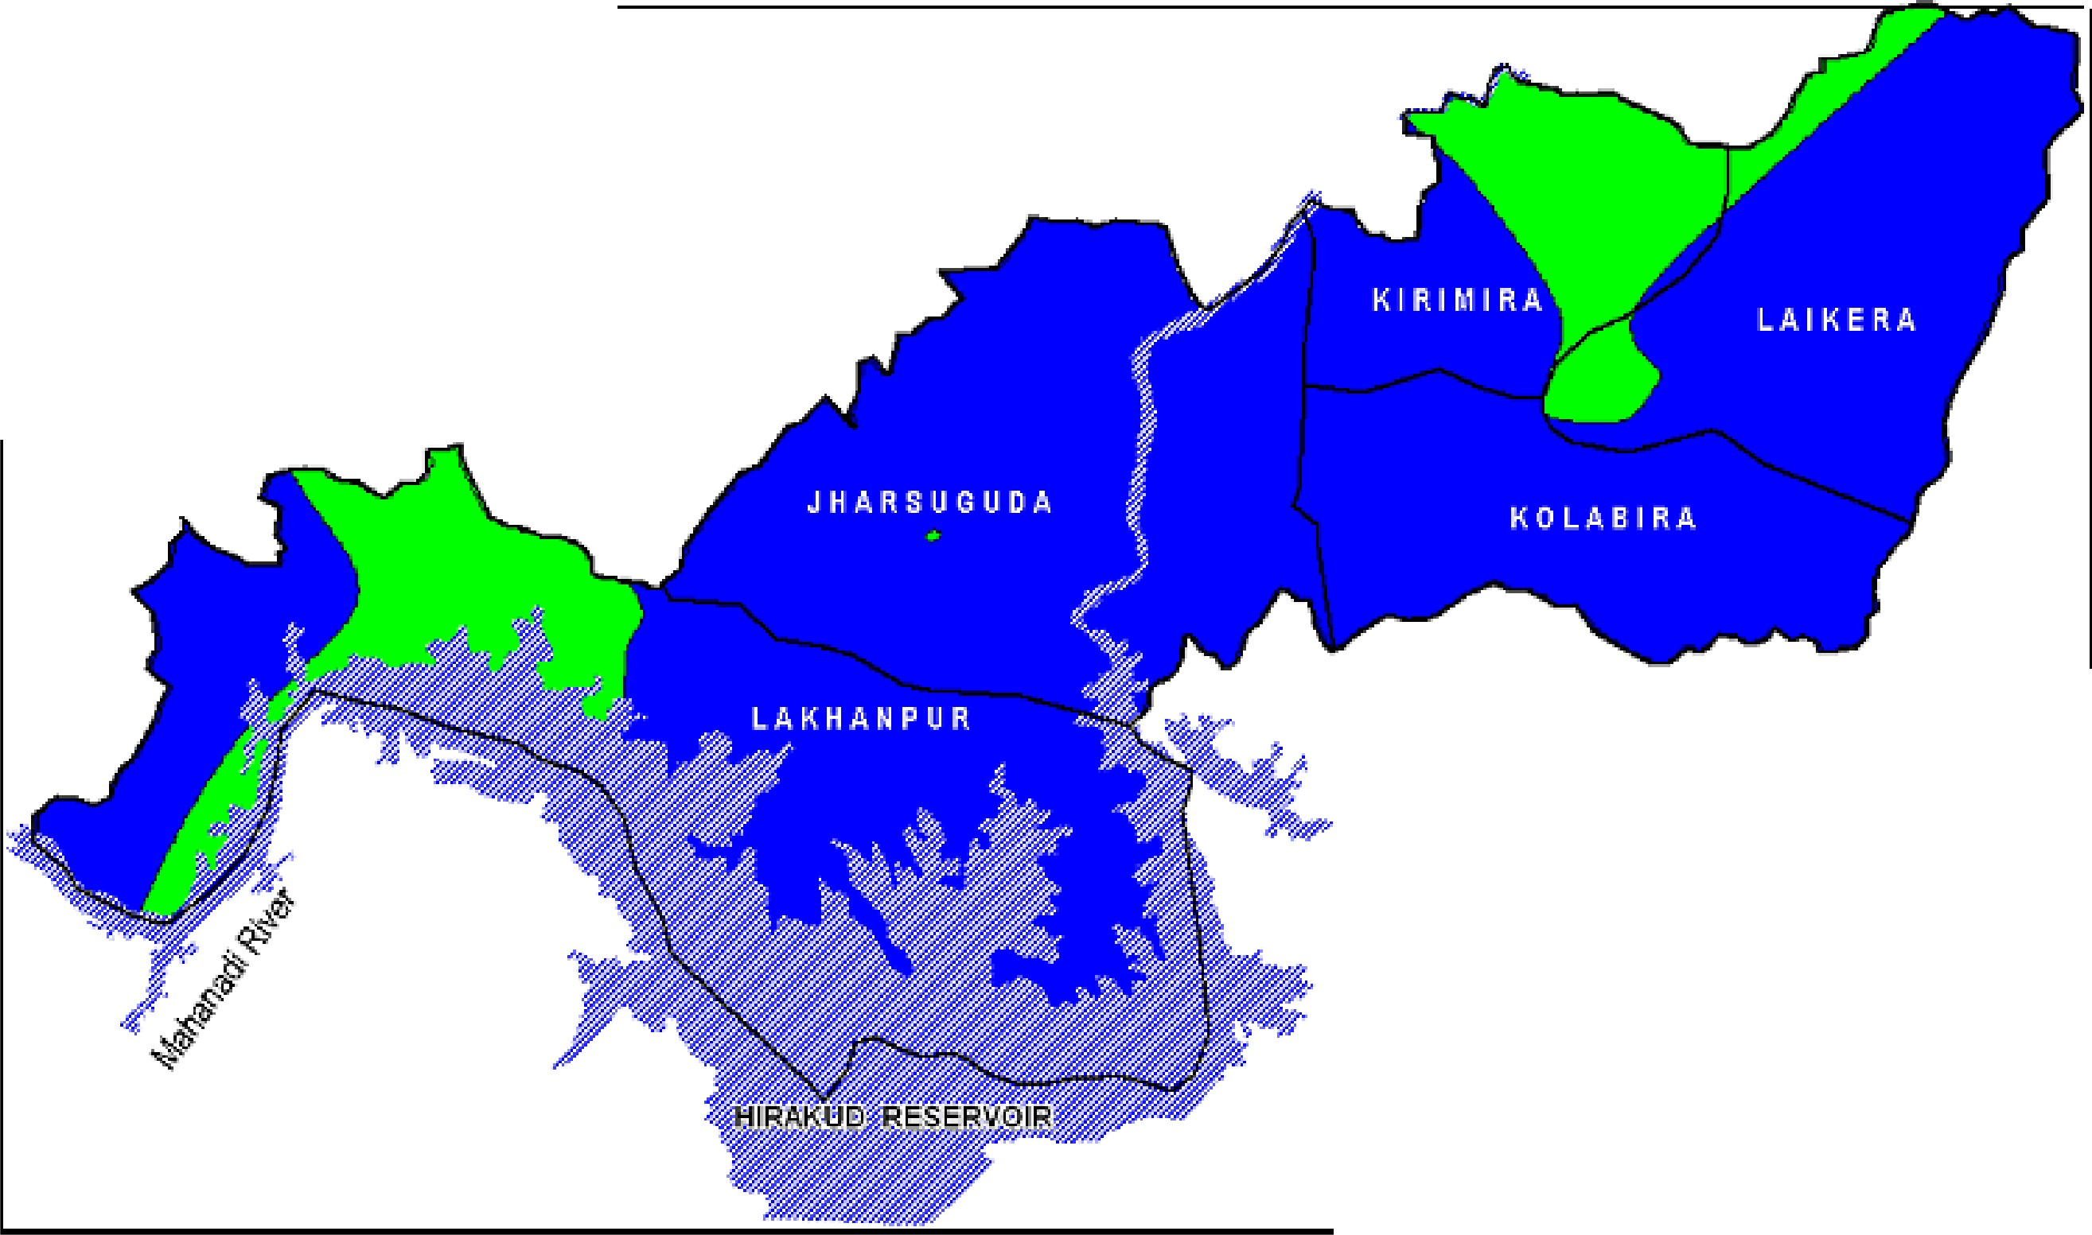

 |  |  |  | BLOCK BOUNDARY ffi.WA RIViERS I RESERVOIR· D o W ter Level (mbql l Post Monsoon - 21011 .11.11 o_oo . 2-00 1111 2 00 -· S 00 3 _00 - 5_00 > 5 00
[}epth to Water Level Map of Jharsuguda1{ Pos t mo nsoo n 21011}
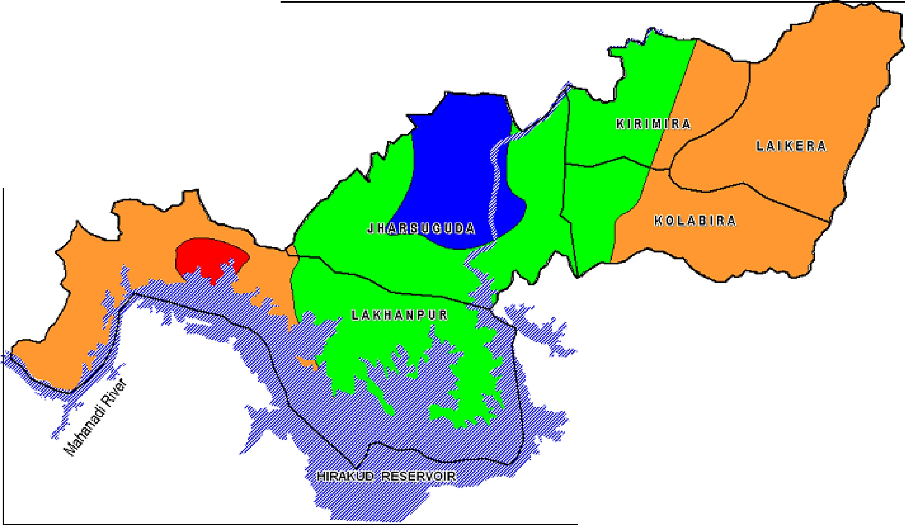

HA SUG HYDROGEOLOGY 0 10 20 kilometres i(i:J 1- state Boundary w-nh C-hha-ttisgarh --- $ 1-,;, District Boundary Block Boundary lJ: Water Bodies: ..5..::, : Mahanadi River & Hirakud Reservoir Block Headquarter wnh Name ,:;:; District Headquarter wnh Nam ;'; Hard Rock e J Quat1zites' Amphibolit'es Granites, Granite Gn-e1ss Hilly Areas : Slope > 20 Percent
- |  |  |  |  |  |  |  |  |  |  |  |  |  |  |  |  |  |  |  |  |  |  | Negligible Yielci Feldspa111ic Micaceous Sandstone' Shale' Fine Clay & Coal seams [YJ Y_ielcl : Dug lfJJel.l 2 - 5 lps, Bore lfJJell : 1 - 2 I s ranite Gneiss, Pegmatiles & Quartz veins P Y1elcl . Dug lfJJell : 5 - 10 lps, Bore lfJJell : 2 - 5 I Lineament P• -- Pre-monsoon depth to Water Level in Metres Below Ground Level -- Rainlall lsohyet in mm
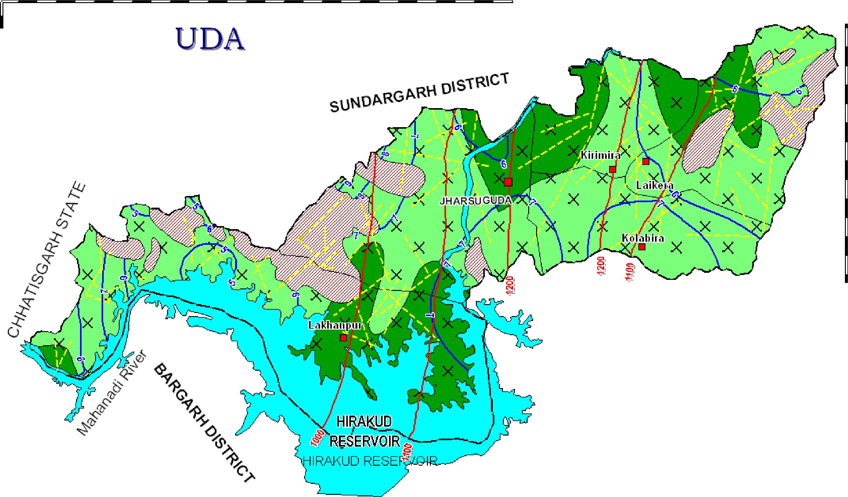
JHARSUGUDA DISTRICT PLAll E -5 Dynamic Ground Water Resources (As on 31.03.2009)
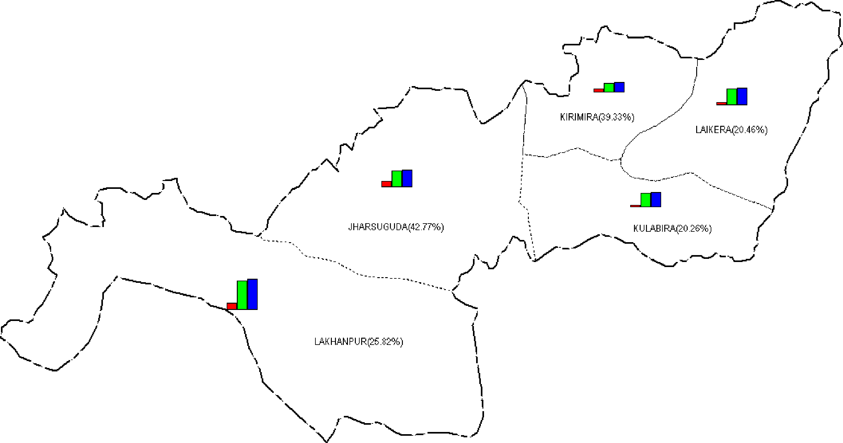
 |  |  |  |  |  |  |  |  |  |  |  |  |  |  |  |  |  |  |  |  |  | I DISTRICT BOUNDARY ,-·--·--. BLOCK BOUNDARY : • -- • -- • : l/JJilh name &stage of ground l/JJater development Dynamic Ground Water Resources(Ham) as on 31 .03.2008 6,100 ■ Gross Ground Water Dra11 ■D Net Ground Water Availability Annual Replenishable Ground Water Resources

 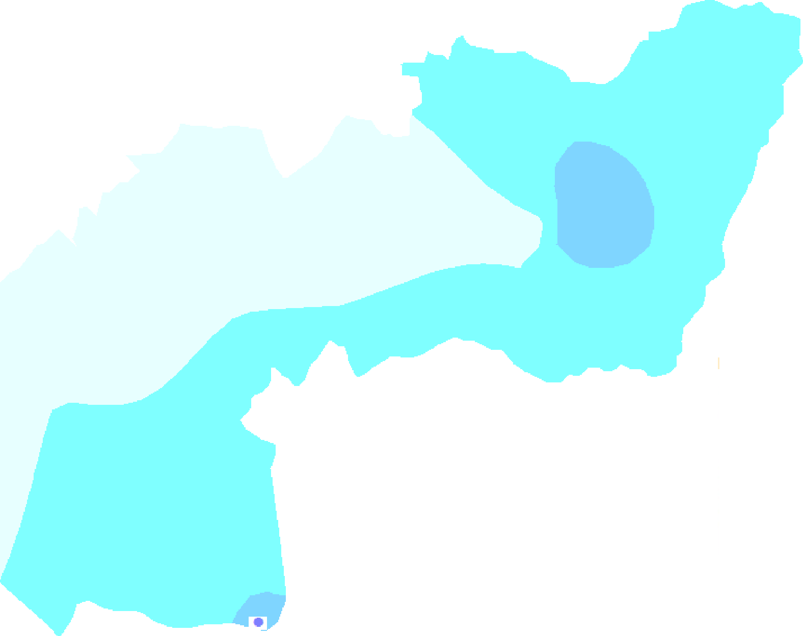 CH EM ICAL QUALITY OF JHARSUGUDA DISTRICl * IRON e NITRAllE EC RANGE 0.0000 to 50 0.0000 - 500.0000 to 1 000.0000 - 10 00.0000 to 15 00.0000
·• ..../'.·'··-..... PRINCIPAL AQUIFERS OF JHARSUGUDA _; ..J DISTRICT 0 10 20 kilome ters ........ i ··-, r ------ .1-......... / ' - La te r ite I Ch a rnok it e I - Kho nda li te BGC comp le x All uv i um Sandstone Shale - G ra nite Sch ist - Qua rtzite Gneiss - Intrusive

