Table 1
GROUND WATER INFORMATION BOOKLET OF KANDHAMAL DISTRICT, ORISSA CENTRAL GROUND WATER BOARD MINISTRY OF WATER RESOURCE SOUTH EASTERN REGION, BHUBANESWAR MAY,2013

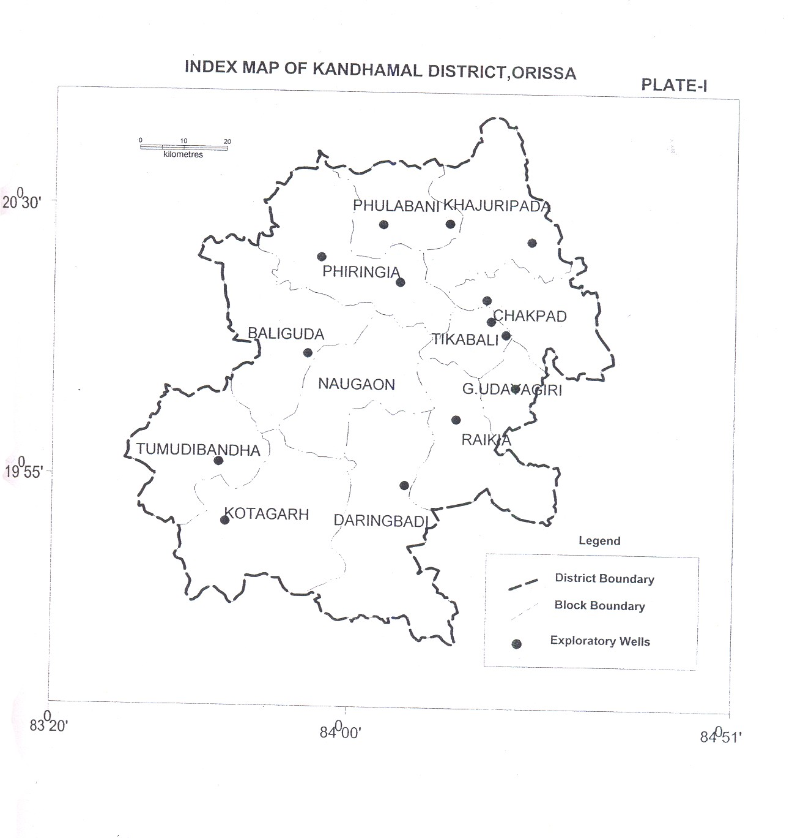
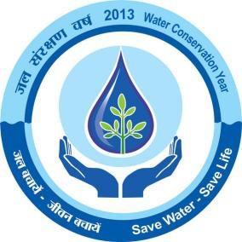
Sl No | ITEMS |  |  |  |  |  |  |  |  |  |  |  |  |  |  |  | STATISTICS
1 | GENERAL INFORMATION
 | i) Geographical area (sq km) |  |  |  |  |  |  |  |  |  |  |  |  |  |  |  | 8021 sq. km
 | ii) Administrative Division |  |  |  |  |  |  |  |  |  |  |  |  |  |  |  | 2
 | Number of Tehsil/Block |  |  |  |  |  |  |  |  |  |  |  |  |  |  |  | 12
 | Number of Panchayat/villages |  |  |  |  |  |  |  |  |  |  |  |  |  |  |  | 2379 nos of inhabited villages
 | iii) Population (as on 2011 census) |  |  |  |  |  |  |  |  |  |  |  |  |  |  |  | 731,952
 | iv) Average annual rainfall mm |  |  |  |  |  |  |  |  |  |  |  |  |  |  |  | 1597.1mm
2. | GEOMORPHOLOGY
 | Major Physiographic units |  |  |  |  |  |  |  |  |  |  |  |  |  |  |  | Flood plain, Valley, Pediment and hills
 | Major Drainage |  |  |  |  |  |  |  |  |  |  |  |  |  |  |  | River Mahanadi, Tel and their tributaries
3 | LAND USE (sq km)
 | a) Forest area |  |  |  |  |  |  |  |  |  |  |  |  |  |  |  | 5710.00
 | b) Net sown area |  |  |  |  |  |  |  |  |  |  |  |  |  |  |  | 1170.00
 | c) Cultivable area
4 | MAJOR SOIL TYPES |  |  |  |  |  |  |  |  |  |  |  |  |  |  |  | Alfisols and Vertisols
5 | AREA UNDER PRINCIPAL CROPS (AS ON 2011) |  |  |  |  |  |  |  |  |  |  |  |  |  |  |  | Autumn-4568 Ha Winter-5935 Ha Summer-40 Ha
6 | IRRIGATION BY DIFFERENT SOURCES (Area and Numbers of structures)
 | Dug wells |  |  |  |  |  |  |  |  |  |  |  |  |  |  |  | 10360 –DW with Tenda 2050-DW with pumpset
 | Canals |  |  |  |  |  |  |  |  |  |  |  |  |  |  |  | Major irrigation project 2033 (Kharif), 1200 (Rabi) Minor irrigation project 5082(kharif), 583 (Rabi) Lift irrigation project 840(Kharif), 542(Rabi)
 | Gross irrigated area |  |  |  |  |  |  |  |  |  |  |  |  |  |  |  | 1024000 ha
7 | NUMBERS OF GROUND WATER MONITORING WELLS OF CGWB (AS ON 31.3.11)
8 | No of Dug well |  |  |  |  |  |  |  |  |  |  |  |  |  |  |  | 30
9 | No of Piezometers |  |  |  |  |  |  |  |  |  |  |  |  |  |  |  | 2
10 | PREDOMONANT GEOLOGICAL FORMATIONS |  |  |  |  |  |  |  |  |  |  |  |  |  |  |  | Archean crystalline of Eastern Ghat facies
11 | HYDROGEOLOGY
 | Major Water bearing Formation |  |  |  |  |  |  |  |  |  |  |  |  |  |  |  | Granite, Khondalite, Charnokite, Quartzite
 | Pre monsoon Depth to water level during 2011 |  |  |  |  |  |  |  |  |  |  |  |  |  |  |  | 6.40 m-12.35 m
 | Post monsoon Depth to water level during 2011 |  |  |  |  |  |  |  |  |  |  |  |  |  |  |  | 0.14 m-10.70 m
 | Long term water level trend in 10 years in m/yr |  |  |  |  |  |  |  |  |  |  |  |  |  |  |  | Pre monsoon (Rise 0.11-2.43 m/yr Fall 0.08-0.74 m/yr) Post monsoon (Rise 0.23-6.7 m/yr
12 | GROUND WATER EXPLORATION BY CGWB (as on 31.3.11) |  |  |  |  |  |  |  |  |  |  |  |  |  |  |  | 46
 | No of wells drilled (EW, OW, PZ, Total) |  |  |  |  |  |  |  |  |  |  |  |  |  |  |  | 21EW +1 OW under ground water exploration programme 11 EW under AEDP
 | Depth Range in m |  |  |  |  |  |  |  |  |  |  |  |  |  |  |  | 20.30 m-266.00 m
 | Discharge litre per second |  |  |  |  |  |  |  |  |  |  |  |  |  |  |  | 0.2 lps-3.73 lps
 | Storativity ( S)
 | Transmissivity (M2/Day)
13 | GROUND WATER QUALITY
 | Presence of chemical constituents more than permissible limit |  |  |  |  |  |  |  |  |  |  |  |  |  |  |  | Within the permissible limit except few patches
 | Type of water |  |  |  |  |  |  |  |  |  |  |  |  |  |  |  | Fit for irrigation and drinking with a few exception
14 | DYNAMIC GROUND WATER RESOURCES (2009)
 | Annual replenishable ground water resources |  |  |  |  |  |  |  |  |  |  |  |  |  |  |  | 70266.00
 | Net annual ground water draft |  |  |  |  |  |  |  |  |  |  |  |  |  |  |  | 8748.00
 | Projected demand for domestic and industrial uses upto 2025 |  |  |  |  |  |  |  |  |  |  |  |  |  |  |  | 2524.00
 | Stage of ground water development |  |  |  |  |  |  |  |  |  |  |  |  |  |  |  | 12.45%
15 | AWARENESS AND TRAINING ACTIVITY
 | Mass awareness programme organized Date Place No of participants |  |  |  |  |  |  |  |  |  |  |  |  |  |  |  | Nil
 | Water management training programme organized Date Place No of participants |  |  |  |  |  |  |  |  |  |  |  |  |  |  |  | Nil
16 | EFFORTS ON ARTIFICIAL RECHARGE AND RAIN WATER HARVESTING
 | Projects completed by CGWB (No & amount spent) |  |  |  |  |  |  |  |  |  |  |  |  |  |  |  | Nil
 | Projects under technical guidance of CGWB (Numbers) |  |  |  |  |  |  |  |  |  |  |  |  |  |  |  | Nil
17 | GROUND WATER CONTROL AND REGULATION
 | Number of OE Blocks |  |  |  |  |  |  |  |  |  |  |  |  |  |  |  | Nil
 | No of critical Blocks |  |  |  |  |  |  |  |  |  |  |  |  |  |  |  | Nil
 | No of Blocks notified |  |  |  |  |  |  |  |  |  |  |  |  |  |  |  | Nil
18 | MAJOR GROUND WATER PROBLEMS AND ISSUES |  |  |  |  |  |  |  |  |  |  |  |  |  |  |  | NO major ground water problem in the district.
1.0 INTRODUCTION Kandhamal district ranks 5th in size among the districts of Orissa with a total geographical area of 8021 sq.km. The district has 2 Subdivision and 12 administrative blocks. The Phulbani subdivision lie at a height of 518m above mean sea level while the Balliguda subdivision lie at a height if 300-1100m above mean sea level. It is one of the economically backward districts of Orissa .The district is situated between 19o54’ and 20o14’ North latitude and 84o 00’ and 84o25’ East longitude covered under survey of India degree sheets no 73 D, 74 A, 64 P and 65 M. It is bounded on the north by Boudh and Balangir district, on the east by Nayagarh and Ganjam districts, on the south by Rayagada and Gajapati district and on the west by Kalahandi and Bolangir district of Orissa. The river Mahanadi, Tel, Salki and their tributaries constitute the main drainage system in the district. The tributaries are ephemeral in nature. The river Mahanadi flows along the northern boundary of the district while the river Rusikulya and its tributaries drain in the south eastern part of the district.. The drainage is effluent in nature. All these river exhibit dendritic pattern and are structurally controlled. The district is backward in irrigation in comparison with other district due to high hills and dense forests. The district gets irrigation from minor & lift irrigation projects and also from ground water source. There is no major irrigation project in the district. There is only one completed minor irrigation project Viz Pilasalunki and another medium irrigation project is under construction at Bandapipili in Kotagarh Block. Minor irrigation project has main role in the district. There is 148 nos of lift irrigation having a designed ayacut of 2960 ha in Kharif and 1480 ha in Rabi. The irrigation potential created from all sources aggregates to 1024000 Ha in the district. The district was geologi

It is observed that about 90% of the total annual rainfall takes place due to South West monsoon between the middle of June & mid-October. The northeast monsoon gives erratic & insufficient rainfall. The normal annual rainfall is 1443.5mm. The rainfall is highly erratic both in space and time. There is a large spatial variation as observed from the rainfall data of various blocks. The summer season commences from March & continues till middle of June where the maximum temperature varies from 34.3 o to 47.7 o C. May being the hottest with the mean daily maximum temperature of 41.4 o C while December is the coldest month of the year when the temperature drops down to 6 o C. Humidity of the air is generally high during southwest monsoon season and decreases due to the effect of cold waves during the end of November. The relative humidity varies from 26% to 84% during different periods of the year. Wind is generally light to moderate but it increases during summer. During summer wind direction is variable and in rainy season wind from southwest direction is very common. 3.0 GEOMORPHOLOGY AND SOIL TYPES Physiographically the district comprises two distinct physical division. The northern part is covered by gentle, undulating plains and southern part is covered by rugged hilly terrain with rocky mounds. A gently undulating terrain with a vast stretch of cultivable land characterizes the major parts of the district, the average elevation being 200m to 300m above mean sea level with a general topographic slope towards east. The other geomorphic features in the district is flood plains, pediplain and pediment. Depending upon the mode of origin, occurrence and the physical and chemical characteristics, the soils at the district are mainly classified into two major groups in 1) Alfisols and 2) Vertisols. The alfisols includes Red loamy soil and red Sandy Soil and are generally lig

4.0 GROUND WATER SCENARIO 4.1 Hydrogeology The district is mostly underlain by Archean crystalline of Eastern-ghat facies with limited patches of lower Gondwana sandstone and recent laterites and alluvium. Features like geological set up, rainfall distribution and the degree of primary and secondary porosity controls the hydrogeological framework of a place. As the district is underlain by diverse rock type as already discussed, it results in contrasting water bearing properties of these different geological formation. Depending on the nature of formations and their water bearing capacities etc, the rock formations of the district may be divided broadly into two major hydrogeological units viz – 1) Consolidated formations 2) Semi-consolidated formation 3) Unconsolidated formations Consolidated formations – Almost the entire district is underlain by the consolidated formation containing granites gneiss, khondalite, quartizite, anorthosite and gabro. These rocks are hard and compact and are devoid of primary porosity. The secondary porosity in these rocks developed as a result of weathering and fracturing due to major & minor tectonic movements along with climatological actions. The secondary porosity forms the conditions for movement of ground water and also act as reservoir of ground water. Groundwater occurs under water table conditions in weathered residuum while it occurs under semi confined to confined conditions in the fractured & jointed rocks usually two to four water bearing fracture zone occurs down to a depth of 100 mgl. Water Bearing Properties Of Major Litho Units 1.Granite and Granite Gneisses-These rock types in the district occupying the undulating plains, low lying area and sometimes forms hills and hillocks. These rocks are mostly represented by biotite gneiss, porphyritic granitic gneiss etc. They are porphyritic and non porphyritic in nature

The potentiality of the deeper aquifers (Saturated fractures) has been explored by deep drilling down to a maximum depth of 266 m at Daringbadi. It is found that though saturated fracture was encountered at the depth of 170 m but normally it is restricted within 150 m depth and it has also been noted that the saturated zones are more commonly found within 100m depth. The maximum number of saturated fractures encountered down to 190m depth is five. On an average, down to 150m depth 3 to 5 sets of saturated fracture zones occur. The yield of the wells varied from negligible to maximum of 3.73 lps, with the average yield of 1.4 lps. The maximum yield of 3.73 was recorded in the well located at Tikabali where 4 sets of saturated fractures were encountered down to 100.00m depth. 2. Charnockite suite : There is very limited occurrence of charnockite in the district.This suite of rocks comprises of pyroxene granulite, hypersthene granite and granodiorite etc. The acid and intermediate group of rocks are more common than other varieties. The charnockites are fine to coarse grained, greenish grey colour having greasy lusture. Texture is mostly granulitic and having gneissic structure. Weathering in these rocks is neither uniform nor extensive.Due to hard and compact nature of the rocks ground water development prospects in charnockite is not good. 3. Khondalites : This suite of rocks comprises of mainly quartz-garnet-sillimanite schist and gneiss and minor occurrence of calcsilicates and quartzites. The rocks usually form hills and have limited ground water development. These rock have well developed joints . The weathered residuum and also fracture zones constitute the main repository of ground water.. The thickness of weathered zone ranges from 8 to 30m. The specific capacity of the dug wells ranges from 1.63 to 0.663 lpm/m/m2. Semi

Groundwater Exploration: Till March, 2011 CGWB ,SER has drilled 21EW ,1 OW under ground water exploration programme and 11 EW under AEDP. Depth to water level:- The phreatic zone constitutes the most potential ground water reservoir in the district. This zone has been mapped in course of hydro geological surveys. The depth to water table values depend on several factors like rainfall, topography drainage characteristics, lithology, water bearing and water yielding properties of the rocks, as also land use. A total of 30 no. of key wells were monitored during premonsoon (May/June) and post monsoon (Nov/Dec) period. The NHS data for the year 2011 shows that during premonsoon the depth to water level is minimum in Dubagarh (5.28 mbgl) and maximum in Phulbani (12.35 mbgl). During post monsoon the minimum and maximum water level is found in Sankarakhol (0.17mbgl) and Daringbadi (10.70 mbgl) respectively. These stations are being monitored on long term basis . Long term water level trend:-The decadal water level trends during pre monsoon period indicate that 44 % of the NHS station shows rising trend of water level, the maximum being 0.25m/yr. In most of the cases the rise is less than 0.1m/ yr, which has not much significance. The rest 56% stations show a falling trend and maximum fall recorded is 0.39m/yr. However the majority of cases the magnitude of fall is less than 0.1m/yr. The decadal water level trend analysis data of post monsoon period indicate that there is a rising trend of water level in 43% cases and rest 57% shows falling trend. The maximum rise recorded is 0.35m/yr with the majority of values being less than 0.10m/yr. The maximum fall is around 0.27m/yr with most values being less than 0.1m/yr. Considering the minor magnitude of rise and fall of water level over a period of 10 years both the rise and fall values can be ignored in

Based on the hydrogeological, as well as availability of other source for irrigation, the ground water development in some blocks has been found to be very low. The stage of ground water development for all purpose (Irrigation + Domestic etc) has been found to be maximum in Tikabali block (16.85%) with the net ground water available for future development is 4532 and the minimum development for all purposes has been found in Daringbadi block (6.30%) with the net ground water development for all purposes has been found for future development is 6220. Block wise stage of ground water Development in Phulbani district, As on 31.3.2009 (in ha m)
Block |  |  |  | Ground water resource assessed |  |  | Existing Ground Water Draft for Irrigatio n |  |  | Existing Gross ground Water draft for domestic and industrial water supply |  |  |  | Existing Gross ground Water draft for all uses |  |  |  | Allocation for domestic and industrial requireme nt supply upto next25 years |  |  |  | Net ground water availabilit y for future irrigation developm ent |  |  | Stage of ground water develop ment
Baliguda |  |  |  | 6219.00 |  |  | 1048.00 |  |  | 169.00 |  |  |  | 1217.00 |  |  |  | 250.00 |  |  |  | 4921.00 |  |  | 19.57
Chakapada |  |  |  | 3458.00 |  |  | 502.00 |  |  | 116.00 |  |  |  | 618.00 |  |  |  | 159.00 |  |  |  | 2797.00 |  |  | 17.87
Daringbadi |  |  |  | 7254.00 |  |  | 309.00 |  |  | 244.00 |  |  |  | 553.00 |  |  |  | 363.00 |  |  |  | 6582.00 |  |  | 7.62
G.Udayagiri |  |  |  | 2420.00 |  |  | 285.00 |  |  | 108.00 |  |  |  | 393.00 |  |  |  | 161.00 |  |  |  | 1974.00 |  |  | 16.24
Khajuripada |  |  |  | 9892.00 |  |  | 1027.00 |  |  | 125.69 |  |  |  | 1153.00 |  |  |  | 181.00 |  |  |  | 8684.00 |  |  | 11.66
Kotagarh |  |  |  | 5625.00 |  |  | 260.00 |  |  | 112.00 |  |  |  | 372.00 |  |  |  | 164.00 |  |  |  | 5201.00 |  |  | 6.61
Nuagaon |  |  |  | 4357.00 |  |  | 488.00 |  |  | 129.00 |  |  |  | 617.00 |  |  |  | 181.00 |  |  |  | 3688.00 |  |  | 14.16
Phiringia |  |  |  | 6088.00 |  |  | 645.00 |  |  | 193.00 |  |  |  | 838.00 |  |  |  | 275.00 |  |  |  | 5168.00 |  |  | 13.76
Phulbani |  |  |  | 7060.00 |  |  | 677.00 |  |  | 181.06 |  |  |  | 858.00 |  |  |  | 268.00 |  |  |  | 6115.00 |  |  | 12.15
Raikia |  |  |  | 5693.00 |  |  | 646.00 |  |  | 133.00 |  |  |  | 779.00 |  |  |  | 190.00 |  |  |  | 4857.00 |  |  | 13.68
Tikabali |  |  |  | 5514.00 |  |  | 799.00 |  |  | 130.00 |  |  |  | 929.00 |  |  |  | 183.00 |  |  |  | 4532.00 |  |  | 16.85
Tumudiband ha |  |  |  | 6686.00 |  |  | 317.00 |  |  | 104.00 |  |  |  | 421.00 |  |  |  | 149.00 |  |  |  | 6220.00 |  |  | 6.30
District total |  |  |  | 70266.0 0 |  |  | 7003.00 |  |  | 1745.00 |  |  |  | 8748.00 |  |  |  | 2524.00 |  |  |  | 60739.00 |  |  | 12.45
4.3 GROUND WATER QUALITY Quality of ground water in the Shallow aquifers: Chemical analysis of different parameters are done from the water samples collected, from the national hydrograph stations, during April . The collected water samples were analysed in the chemical laboratory of south Eastern Region as per the standard methods available in literatures. The Ph and electrical conductance (EC at 25.C ) of the water sample were determined by the concerned instrument after calibration. The fluoride, iron and nitrate content of the water samples were determined spectrometrically.
Suitability of water for irrigation purposes- The suitability for irrigational use of ground water from pheratic zone has been studied based on USSL classification of irrigation water by plotting data of sodium Adsorption Ratio and Sp.Conductance value. SAR is given as SAR = Na /  (Ca+Mg)/2, Where Na, Ca and Mg are expressed in milliequivalent per litre (epm) The chemical analysis data of 28 water samples collected from the network hydrograph stations have been plotted in USSL diagram. The chemical analysis of water samples indicates that ground water can be used for irrigation with moderate leaching and moderate salt tolerant crops. The use of C3S1 and C3S2 type water requires suitable soil water management practices. Suitability of ground water for drinking purposes- As per the norms of Indian standard institution for water for drinking, mostly the ground water of Phulbani district is suitable for drinking purpose except for a few places. Out of the 28 nos of samples 2 nos of samples contain total Arsenic in the range of 0.0002- 0.0004 mg/l, rest 26 nos of samples do not c ontain any arsenic. The NHNs in the district having arsenic are Ranipathar (Ar-0.0002 mg/l) and Lingagada (Ar-0.0004 mg/l). G Udaigiri has high nitrate (>100mg/l), while Sudrukumpa has high iron (2.3 mg/l). Chemical Quality of ground water in deeper aquifer: The ground water from deeper aquifers are suitable for drinking purposes as almost all the constituents are well within the permissible limit. The quality of ground water for irrigation use is also good. A study of the chemical analysis data shows that in general ground water in the area is marginally alkaline in nature. Ground water is fresh with the average EC value within the permissible limits. NO3 and F values are well within the permissible limit except only at a few places. 4.4 STATUS OF GROUND WATER DEVELOPMENT Ground water development in the district is being mainly through dug

In rural area RWS&S, Govt. of Orissa has installed a few piped water supply schemes. Apart from this RWS&S has also constructed hand pump fitted bore wells at different places to provide safe drinking water in rural areas. Ground water for irrigation:- The present draft for irrigation in the district is 7003 HM and there are 10360 existing ground water structures (dug wells with tenda) and 2050 (DW with pumpset). The block wise existing ground water structure for irrigation is given below Block wise existing ground water structure for irrigation use (2009)
Sl no |  |  | Block |  |  |  |  |  |  |  | Nos of existing structures for irrigation use
 |  |  |  |  |  |  |  |  |  |  | DW with tenda |  |  |  |  | DW with pumpset |  |  |  | FPTW |  |  |  | BW
1 |  |  | Baliguda |  |  |  |  |  |  |  | 1683 |  |  |  |  | 136
2 |  |  | Chakapada |  |  |  |  |  |  |  | 805 |  |  |  |  | 94
3 |  |  | Daringbadi |  |  |  |  |  |  |  | 530 |  |  |  |  | 76
4 |  |  | G.Udayagiri |  |  |  |  |  |  |  | 325 |  |  |  |  | 85
5 |  |  | Khajuripada |  |  |  |  |  |  |  | 808 |  |  |  |  | 738
6 |  |  | Kotagarh |  |  |  |  |  |  |  | 449 |  |  |  |  | 31
7 |  |  | Nuagaon |  |  |  |  |  |  |  | 907 |  |  |  |  | 83
8 |  |  | Phiringia |  |  |  |  |  |  |  | 1607 |  |  |  |  | 145
9 |  |  | Phulbani |  |  |  |  |  |  |  | 874 |  |  |  |  | 270
10 |  |  | Raikia |  |  |  |  |  |  |  | 775 |  |  |  |  | 192
11 |  |  | Tikabali |  |  |  |  |  |  |  | 927 |  |  |  |  | 165
12 |  |  | Tumudibandha |  |  |  |  |  |  |  | 670 |  |  |  |  | 35
 |  |  | District total |  |  |  |  |  |  |  | 10360 |  |  |  |  | 2050
5.0 GROUND WATER MANAGEMENT STRATEGY 5.1Ground water development The district has a net sown area of 1028000 Ha out of the total geographical area of 8021 sq. km. Drought condition is a frequent phenomenon, which adversely affects the agricultural activities in the district. Hence from agricultural point of view use of both surface and ground water is a must. While the stage of ground water development is only 12.45%, which shows that there is ample scope for ground water development. With proper understanding of the hydrogeological framework of the district and through adoption of suitable technology ground water resource can be harnessed to create additional irrigation potential and to supply drinking water to the remotest villages of the district. DUG WELL: These are most common ground water absraction structure in Phulbani district and are feasible in topographic lows in hilly terrain and intermontane valleys. These should tap the maximum thickness of water saturated zone. The standard dugwell may be 10-15 m deep and of 4.5 to 6 m diameter, 1.5 H.P centrifugal pumps may be suitable for dug wells. Depending upon the hydrogeological situation, thickness of weathered residuum the yield may vary from 2-3 lps. A total of 48424 additional dugwells for irrigation use are feasible in the district. DUG CUM BOREWELL: These are essentially dug wells with a bore drilled through the bottom of the well, down to the depth of 25-30 m from ground water level tapping the saturated shallow fracture below the regolith and in the top portion of the hard basement. Generally the depth of the dug well is upto 12 m with diameter of 4.5 to 6 m. The wells should be fitted with 2 HP centrifugal /submersible pumps. The additional dug well feasible includes the dug cum bore wells, which can be constructed at suitable locations. BORE WELL: These are feasible in fra

The stage of ground water development for the year 2009 is 12.45% . As most part of the district is underlain by consolidated formation DTH drilling is recommended. Additional ground water structure (dug wells) feasible for irrigation use in Khandhamal district-2009
Sl no |  | Block |  |  |  |  |  | No of additional GW structure feasible for irrigation use (Dug well)
1 |  | Baliguda |  |  |  |  |  | 2956
2 |  | Chakapada |  |  |  |  |  | 1841
3 |  | Daringbadi |  |  |  |  |  | 7417
4 |  | G.Udayagiri |  |  |  |  |  | 1605
5 |  | Khajuripada |  |  |  |  |  | 6108
6 |  | Kotagarh |  |  |  |  |  | 4309
7 |  | Nuagaon |  |  |  |  |  | 2200
8 |  | Phiringia |  |  |  |  |  | 7941
9 |  | Phulbani |  |  |  |  |  | 5014
10 |  | Raikia |  |  |  |  |  | 2864
11 |  | Tikabali |  |  |  |  |  | 1728
12 |  | Tumudibandha |  |  |  |  |  | 4441
 |  | District total |  |  |  |  |  | 48424
SCOPE FOR ARTIFICIAL RECHARGE: Major parts of Khandhamal district is underlain by Precambrian consolidated formations. Certain Parts of the district show deeper water level condition during the post monsoon period. This is mainly due to the prevailing topographic conditions and water table gradient, which facilitates flow of ground water through nalas, rivers and streams as base
flows. To arrest the rapid decline of water table in these areas special studies may be taken up to pin point the areas where water scarcity problems are more pronounced during pre-monsoon period. In these pockets suitable sites are required to be pin pointed to adopt artificial recharge techniques and rain water-harvesting methods based on site- specific conditions. This artificial recharge will help in increase in ground water storage and also in improving the quality of ground water. The most feasible artificial recharge and rain water harvesting structures are percolation tanks, nala/contour bunding, small check dams/weirs, renovation of old tanks to percolation tanks, water spreading, gully plugging, gabion structures etc. 6.0 GROUND WATER RELATED ISSUE & PROBLEMS Ground Water Problems : The ground water problems include water logging, ground water pollution and depletion of ground water level etc. Ground Water Pollution: Based on the chemical analysis of water samples collected from different aquifers, it is observed that almost all chemical constituents are well within the permissible limit for drinking as well as irrigational purposes, except some pockets where high nitrate values have been observed. Ground water table Depletion : The stage of ground water development in the different blocks varies from 6.3% to 19.57% percent . The analysis of water level trend for 10 years period for both pre monsoon and post monsoon period indicate that there is no noticeable change in water levels. This also indicate that no depletion in water table has taken place in the district. Awareness and Training Activity 7.1 Mass awareness programme (MAP) and water Management Training Programme by CGWB:- Till date no mass awareness and training programme has been conducted in Sonepur district by CGWB. 7.2 Participation in Exhibion , Mela, Fair etc:- NIL 7.3 Presentation an

9.0 Recommendations The existing hydrogeological set up and availability of huge ground water resource indicate that there is scope for development of ground water on large scale. But this large scale development requires block as well as Gram Panchayat wise detail hydrogeological maps on large scale. For this purpose intensive hydrogeological survey and exploratory drilling aided by remote sensing studies and geophysical investigation may be taken up jointly by the state and central Govt. agencies. This will help in precise delineation of areas suitable for different ground water development structures and will also facilitate for designing different type of ground water extraction structures and defining specification of pumps etc. 1. The major part of the area presents gently sloping undulating topography and dug wells which are best suited ground water structures for this terrain. The yield potential of shallow zone of granitic rocks, pyroxene granulites and meta-basics are better than that of other formations. Hence the undulating plains and valleys which are occupied by above mentioned rock types may be used for extensive ground water development through dug wells and also by dug-cum-bore wells. 2. In construction of ground water abstraction structures, such as dug wells, dug cum bore wells and bore wells, for irrigation minimum safe spacing should be maintained to avoid interference of the wells. 3. The yield of existing dug wells may be enhanced by converting those into dug cum bore wells wherever feasible and the wells should be provided with brick lining which will facilitate the free flow of ground water into the well. 4. Detailed surface geophysical survey aided by photogeological & remote-sensing studies may be taken up in the district to identify the exact thickness of weathered zone a

7. Ground water monitoring in the district, for water level and water quality, through National Hydrograph Stations should be strengthened to assess the impact of envisaged ground water development on the ground water regime and to find out the status of water logging in the canal command areas. 8. As there is large scope for development of ground water, suitable schemes may be launched for ground water development to boost agricultural production in the district. The financial institutions should generously finance such schemes. Financial institutions and Bankers should extent necessary co-operation to farmers for granting loan etc. for construction and energisation of dug wells. GRDICO/CESCO and REC etc. should also take necessary steps for energisation of wells to ensure optimum utilization of ground water resource. Adoption of best-suited cropping pattern will also facilitate to improve the economic situation of this agriculture dependant district
, ·- - - I |  |  |  |  | INDEX MAP OF KANDHAMAL DISTRICT,ORISSA - ------ --- - - |  |  |  |  |  |  |  |  |  |  |  |  |  |  |  |  |  | PLATE-I
k ilom el re s
19°55'I
Distri ct Boundary
Block Boun dary Exploratory Wells L . _ - - -
aJJoo· a,tls1•
PRE MONSOON DEPTH TO WATER LEVEL MAP OF KANDHAMAL DISTRICT, ORISSA (APRIL-20 11 PLATE-II
k ilometres A
20°30' 19°55' I
LEGEND 4 -6 m b gl IZZJ 6-8mbgl J:::,:; j8-10 mbgl !11110-12 mbgl - Hilly area
' 54<\Jo·
POST MONSOON DEPTH TO WATER LEVEL MAP OF KANDHAMAL DISTRICT,ORISSA (NOV-201{ PLATE-HI
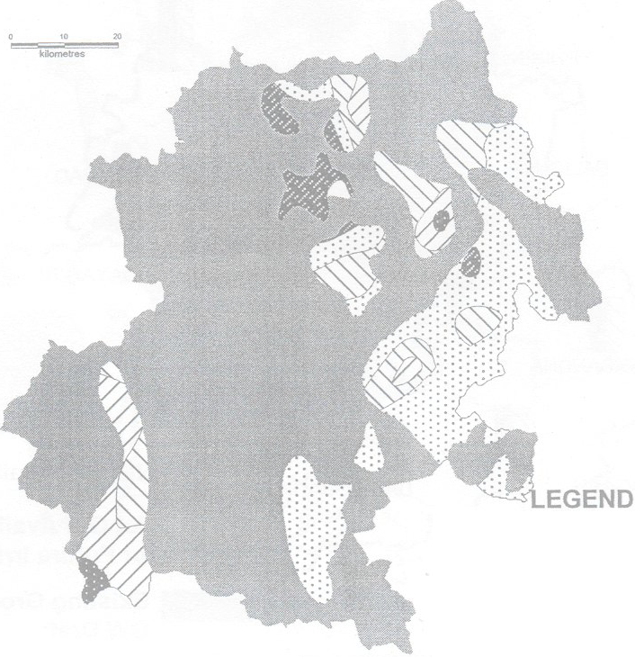 N A llllo-2mbgl l2Z32-4mbgl &SS!4 mbgl 1::::: 1s -a mbgl 11518-10 mbgl - Hilly area

KANDHAMAL DISTRICT Dynamic Ground Water Resources (As on 31.03.2009
----, BLOCK BOUNDARY - -- : withname &stage of ground water development Dynamic Ground Water Resources(HaM) as on 31.03.2 009 ,,rt-1 1,000 ■ GrossGroundwater Draft D Ne1Ground water Availability .Annual Replenishable Ground'Water Resources
20'!30· ; |  |  | HYDROGEOLOGICAL MAP OF KANDHAMAL DISTRICT PLATE-V A 84%0· AGE GROUP LITHOLOGY HYDROGEOLOGICAL CONDITION GW POTENTIAL
Mesozoic |  |  |  |  | lower - Gondwana |  |  |  |  |  |  | Semi consolidated formation, unconfined to semi confined yield of shallow tube well is less than 1 lps |  |  |  |  |  |  |  |  | specific capacity index 3-9 lpm/m/m2
Granitic Rocr·L_ --- J Consolidated, Fissured formation
I Pre cambrian |  |  |  |  |  | Charnokite I -- |  |  |  |  |  |  | Unconfined condition in Weathered specific capacity Zone and Semi Confined to Confinedndex Condition in Deeper Zone 0.5-4 lpm/rn/m2
Khondalite - Yield upto 4 lps • Exploratory Wells Lineaments
GROUND WATER DEVELOPMENT POTENTIAL AND ARTIFICIAL RECHARGE PROSPECTS MAP OF KANDHAMAL DISTRICT, ORISSA PLATE-VI
r - 20°.io· |  |  |  |  |  |  |  | ' ­-.- .
IND EX , ----, Pediplain area, Dug well 10-15m deep, 4.5-6 --\- i - fitted with centrifugaV sub mersibel pump 2 HP Area for artificial recharge through construction Pr
I ---::;::-3 |  |  |  |  |  |  |  |  | yield less than 5 lps Hittya re,a Dug we U 10 _1 5m deep,.4 5-6m dia, percolation tanks.check dams,nala bunding 1
L_'_-_ yield 1ess lh_an 1_1 _ps |  |  |  |  |  |  |  |  |  |  |  |  |  |  | ---------- a
83'k 84Cbo· a4Q;1•
CHEMICALQUALITY OF KANDHAMAL DISTR1·c 1 * * * * |  |  |  |  |  |  |  |  |  |  |  |  |  |  |  |  |  |  | * IR ON • NITRATE
EC RANGE 0.0000 to 500.0000 - 500.0000 to 1000.0000 - 1000.0000 to 1500.0000

