Table 1
GROUND WATER INFORMATION BOOKLET OF KENDRAPARA DISTRICT, ORISSA
CENTRAL GROUND WATER BOARD MINISTRY OF WATER RESOURCE SOUTH EASTERN REGION, BHUBANESWAR

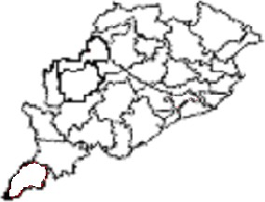
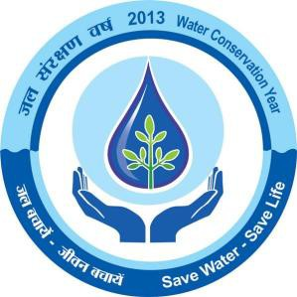
DISTRICT AT A GLANCE
Sl. No. |  |  |  |  | Items |  |  |  |  |  |  |  |  |  |  |  |  |  |  | Statistics
1 |  |  |  |  | GENERAL INFORMATION I. Geographical Area in sq km II. Number of Blocks III. Number of Panchayat IV. Number of Villages V. Population as on 2011 census VI. Average Annual Rainfall in mm |  |  |  |  |  |  |  |  |  |  |  |  |  |  | 2644 9 230 1540 1,439,891 1428.61
2 |  |  |  |  | GEOMORPHOLOGY 1. Major Physiographic Units 2. Major Drainages |  |  |  |  |  |  |  |  |  |  |  |  |  |  | i. The saline marshy tract along the coast ii. The very gentle sloping plain Mahanadi, Brahmani, Baitarani
3 |  |  |  |  | LAND USE (Ha) a. Forest Area b. Net Area Sown |  |  |  |  |  |  |  |  |  |  |  |  |  |  | 4162 142156
4 |  |  |  |  | MAJOR SOIL TYPE |  |  |  |  |  |  |  |  |  |  |  |  |  |  | Alfisols , Aridisols and Entisols
5 |  |  |  |  | AREA UNDER PRINCIPAL CROPS |  |  |  |  |  |  |  |  |  |  |  |  |  |  | 1. Autmn –3260 Ha 2. Winter – 130398 Ha 3. Summer – 3263 Ha
6 |  |  |  |  | IRRIGATION BY DIFFERENT SOURCES (Areas and nos of structures) 1. Canals 2. Net Irrigated Area in Ha |  |  |  |  |  |  |  |  |  |  |  |  |  |  | i. Major and Medium Irrigation Projects- 78508 Ha ii. Minor Irrigation Project (Lift)-7020 Ha (Rabi) 46725 Ha (Kharif) 31783 Ha (Rabi)
7 |  |  |  |  | NUMBER OF GROUND WATER MONITORI WELLS OF CGWB (As on 31-3-2011) 1. Nos of Dug Wells 2. Nos of Piezometers |  |  |  |  |  |  |  |  |  |  |  |  |  |  | 16 11
8 |  |  |  |  | PREDOMINANT GEOLOGICAL FORMATIONS |  |  |  |  |  |  |  |  |  |  |  |  |  |  | Recent Alluviums and sand dunes belonging to Tertiary period.
9 |  |  |  |  | HYDROGEOLOGY • Major Water Bearing Formations • Pre-Monsoon Depth to Water Level in 2011 • Post-Monsoon Depth to Water Level in 2011 • Long Term water level terend in 10 yrs in m/yr |  |  |  |  |  |  |  |  |  |  |  |  |  |  | Recent Alluvium 1.65mbgl to 5.43mbgl 0.11mbgl to 4.90 mbgl pre-monsoon shows rise of 0-2m in 33.3% of wells , 2-4m rise in 16.7 % wells and fall of 0-2m in 50% of the wells post-monsoon shows rise of 0-2m in 25% of wells , fall of 0-2m in 62.5 % wells
10 |  |  |  |  | GROUND WATER EXPLORATION BY CGWB (AS ON 31-3-2011) No of wells drilled (EW,OW,Pz,SH,Total) Depth Range (m) Discharge (lps) Transmissivity (m2/day) |  |  |  |  |  |  |  |  |  |  |  |  |  |  | EW-7 PZ-12 SL-2 DW-8 TOTAL-29 299 - 613 22 - 71 151 -7445
11 |  |  |  |  | GROUND WATER QUALITY Presence of Chemical constituents more than permissible limits (e.g. EC,F,As,Fe) Type of Water |  |  |  |  |  |  |  |  |  |  |  |  |  |  | Nitrate, Iron and Fluoride values are higher in limited patches. Normal(PH 8.1 to8 .54)
12 |  |  |  |  | DYNAMIC GROUND WATER RESOURCES (2009) 1. Annual Replenishable Ground water Resources 2. Net Ground Water Draft 3. Projected Demand for domestic and industrial uses up to 2025 4. Stage of Ground Water Development |  |  |  |  |  |  |  |  |  |  |  |  |  |  | 16726 HM 8860 HM 1200 HM 52.97%
13 |  |  |  |  | AWARENESS AND TRAINING ACTIVITY 1. Mass Awareness Programme organized Date Place No of Participants 2.Water Management Training Programme Organised Date Place No of Participants |  |  |  |  |  |  |  |  |  |  |  |  |  |  | One 12-01-2005 DRDA conference Hall, Kendrapara 150 One 10.01.05 and 11.01.05 DRDA conference Hall, Kendrapara. 50
14 |  |  |  |  | EFFORTS OF ARTIFICIAL RECHARGE AND RAIN WATER HARVESTING Projects compiled by CGWB (No and Amount spent) Projects under Technical guidance of CGWB (nos) |  |  |  |  |  |  |  |  |  |  |  |  |  |  | Nil Nil
15 |  |  |  |  | GROUND WATER CONTROL AND REGULATION No of Blocks No of Critical Blocks No of Blocks Notified |  |  |  |  |  |  |  |  |  |  |  |  |  |  | Nil Nil Nil
16 |  |  |  |  | MAJOR GROUND WATER PROBLEMS AND ISSUES |  |  |  |  |  |  |  |  |  |  |  |  |  |  | Ground water Pollution and Water logging
1.0 INTRODUCTION Kendrapara district is one of the thickly populated coastal districts of Orissa in the eastern part underlain by alluvial deposits, which resulted fertile agricultural land. Agriculture is the mainstay of the people and economy of the district is mainly based on agricultural production. The district has a total geographical area of 2644 sq km. with a total population of 1,439,891. The density population of the district is 545 persons per sq km as per 2011 census. The district is having one sub-division, which is divided into 9 community development blocks. The district as well as the subdivisional headquarter is located at Kendrapara town. Kendrapara district lies between East longitudes 86o 14’ and 87o03’ and North latitudes 20o21’ and 20o47,’ falling in survey of India toposheet no. 73L and 73P in 1:2,50,000 scale. It is bounded in north by Bhadrak district, in the north- east by Jajpur district and Cuttack district in the west, in the south by the Jagatsinghpur district and in the east by the Bay of Bengal (Plate-I). The river Mahanadi, Brahmani and Baitarani along with their distributaries form the drainage system of the district with mostly anastomosing drainage pattern in nature. The district enjoys irrigation facilities through major, medium, minor and lifts irrigation projects. The major irrigation projects in the district are Delta stage- I and Mahanadi-Chitrapola irrigation system. The Delta stage- I is an old completed project and the Mahanadi-Chitrapola is on going project. During kharif total irrigated area from all source is only 34986 hectares against average net sown area of 142156 hectares in 2003-04. During Rabi season total area irrigated is around 38803 hectares. The officers of Geological Survey of India have completed systematic geological mapping. The entire district has been covered by systematic hydrogeological survey by the

2.0 RAINFALL AND CLIMATE The southwest monsoon is the principal source of rainfall in the district. The district is characterized by a tropical monsoon climate having three distinct seasons in a year viz. winter, summer and rainy seasons. The Bay of Bengal, which forms the eastern boundary of the district, plays a vital role in controlling the climate of the district. The normal rainfall of the district is 1501.3 mm. The annual average rainfall in last seven years is 1428.61 mm. About 75% of the total rainfall occurs during the period from June to September. In the period between April and May, 3 to 4 cyclonic rains generally occur in the district that causes a drop in the temperature. The relative humidity varies from 74 to 86 percent during the year. The potential evapotranspiration values vary from 5.67 cm to 31.5 cm. 3.0 GEOMORPHOLOGY AND SOIL TYPES Physiographically the district can broadly be divided into two distinct units, viz. i. The saline marshy tract along the coast ii. The very gently sloping plain The saline marshy tract forms a long and narrow strip along the coast. The width of this tract varies from 3 to 15 m and is intersected by tidal streams and covered by shrubby vegetation. The gently sloping alluvial plains with the altitudes varying between 10.5 m amsl in the north western part to 2.15 m amsl in the east occurs in the west of the marshy saline tract and form most fertile part of the district. The general slope of the district is towards east and southeast and varies from 5m/km in the west to 1.6 m/km in the eastern part. The distribution of different soil types in the district depends much on its physiographic and lithologic variations. Based on the physical and chemical characteristics, mode of origin and occurrence, soils of the district may be classified into three groups namely Alfisols, Aridisols and Entisols

Alfisols: This includes deltaic alluvial soils and this type of soils occupies nearly 90% of the entire district area. The deltaic alluvial soils are generally deficient in phosphate (P2O5) and nitrogen (N). Both the total and available potassium are fairly adequate and PH varies between 6.5 and 7.3. Aridisols: These are saline and saline alkali soils and occur in small pockets in the north eastern and south eastern corner of the district near coast. These are rich in calcium, magnesium and also consist of half decomposed organic matter. Entisols: These include coastal sandy soils and occur as narrow elongated ridge along the coastline. The soils are deficient in nitrogen, phosphoric acid and humus, but not in potash and lime. 4.0 GROUND WATER SCENARIO 4.1 Aquifer System: The aquifer system in the district may be broadly divided into (i) Shallow aquifer and (ii) Deeper aquifers. (i) Shallow Aquifers: The thickness of shallow aquifers varies widely due to salinity problem in the district barring a narrow tract occurring along the extreme western part of the district where there is no salinity problem. In the saline hazard areas the thickness of the shallow fresh water bearing zones varies from negligible to a maximum of 95 m. The occurrence of clay horizon at the top surface (from ground level) reduces the thickness of fresh water bearing zones to almost zero level. Normally the thickness of fresh shallow aquifers varies from 15 to 20m or more within the saline hazard tract lying west of Indipur-Kendrapara-Karliopatana section and east of this section the thickness of shallow aquifers generally attains almost negligible thickness except in isolated pockets (in abandoned river/stream channels and sand dunes) where shallow/top fresh water bearing zones extend down to a maximum depth of 10 to 15m with the average thickness of 5 to 6m. The top fresh water bearing zo

(ii) Deeper Aquifers: The occurrence of fresh water bearing deeper aquifers is identified from available borehole data down to a maximum depth of 612m. In the major part of the district the depth of the boreholes are restricted to 300m. Only for a small part in the southwest the information are available down to 600m depth (Barsalar-Garjanga area). The available information indicates that in general the deeper fresh water bearing zones are sand witched between saline water bearing zones. The fresh water bearing zones are composed of sand, silt, clay, gravel and among these materials sand and gravel horizon and mixture of sand and gravel zones prolific fresh water bearing aquifers. The sand grains vary in size from fine to very coarse while gravels are normally fine to medium in size. The distribution of fresh water bearing zones have been divided into different sectors as follows: Sector-1: Indipur-Chatra-Barimul-Jajang-Patamundai-Namtara-Pegapara: This sector occupies the north western and also major area of northern part of the district and fresh water bearing zones occurs from 106m (Chatra) to 136m (Patamundai, eastern part) depth with the average depth around 120m below grounds level and extends down to 300m depth, except at Indipur (265m).In the extreme western part of this sector (west of Chatra) ground water is fresh all through. Sector-2: This sector occupies the north eastern part of the district and the fresh water bearing zones occurs on an average below 190 m depth and extends down to 300m depth or more. Sector-3: Patamundai-Gopalpur (Rajnagar) –Basantapur: This sector occupies the middle portion of the eastern and east central part of the district and fresh water bearing zones occurs below 90 to 100m depth except at Basantapur near coast where fresh zone occurs below 114m depth and fresh zone on an average extends beyond 300m depth. The occurrence of prominent aquifer zones i

Sector-4: Kendrapara-Karliopatana-Marshaghai-Silipur: This sector occupies the central portion of the western part of the district and the fresh water bearing zones occur below 155m (Kendrapara) to 205m (Silipur) depth and on an average it occurs beyond 180m below ground level and extends down to a maximum depth of 360m (Kendrapara) with the average depth around 300m below ground level. Normally the occurrence of prominent zones is restricted within 250m depth. Sector-5: Ramachandrapur-Garjanga-Adampur: This sector occupies the west central portion of the southern part of the district and the fresh water bearing zones occur below 60m depth at Ramachandrapur in the south and below 80m depth at Adampur in north and in between at Garjanga fresh zones occurs below 66m depth. Sector-6: Masakani-Dodhipur-Dasorajpur: This sector occupies the part of east central and eastern portion of the district and it is reported that in this sector saline water bearing zones extends down to 300m depth. Sector-7: Bijayanagar-Rajghar-Gobndpur-Patia-Babur: This sector occupies the northern portion of the southeastern part of the district. Scanty data of PHED tube wells indicate that fresh water bearing zones with chloride concentration less than 1000mg/l occurs in between 200m depth and 250m depth range. Sector-8: Barsalar-Karliopatana-Balada: This sector occupies the southwestern corner of the district. In this sector a small pocket occurs in extreme southwest corner (north of Khandatari) of the district do not suffer from any salinity problem and the ground water is fresh all through. In Basalar- Karliopatana at deeper depth saline and fresh water bearing zones occur alternatively.

4.2 Aquifer Parameters
The cumulative thickness of the aquifers that have been tapped by the deep tube wells varies from 20 to 69m with the average value ranging from 30 to 40m. The yield of these tube wells varies from 22 to 71 liters per second. On an average the yield varies between 30 to 40 lps. The Transmissivity value range from 110 to 7445 m2/day with the average value ranging from 1000 to 1500 m2/day. The storage coefficient values vary from 1.6×10-4 to 8.8×10-5 which indicates that the deeper aquifers are under confined conditions. 4.3 Behavior of Water Level
Depth to Water Level (Pre-monsoon and post-monsoon) The depth to water level has been measured from the National Hydrograph Stations situated in different blocks. The pre-monsoon (2011) water level data varies from 1.65mbgl to 5.43mbgl. The shallow water level was measured from Marshaghai and the deepest was at Patamundai. The depth to water level map (pre-monsoon 2011) is displayed in plate-II. The post-monsoon depth to water level in (2011) varies from 0.11mbgl to 4.90 mbgl. The deepest water level was at Kendrapara and shallowest was at Chatua. Plate-III represents depth to water level in post-monsoon 2011. Seasonal Fluctuation The seasonal water level fluctuation in 2006-07 varies from 0.78m to 2.47m. Long Term Water Level Trend in last 10 year The long term water level trend (10 years) in pre-monsoon shows rise of 0-2m in 33.3% of wells, 2-4m rise in 16.7 % wells and fall of 0-2m in 50% of the wells in the district. The long term water level trend (10 years) in post-monsoon shows rise of 0-2m in 25% of wells, fall of 0-2m in 62.5 % wells in the district.
4.4 Ground Water Exploration
Exploratory drilling has been taken up by the Central Ground Water Board in Kendrapara district with the objective to delineate deeper fresh water bearing zones and their yield potentiality. Till March 2011, 29 nos of bore wells were drilled out of which 7 were exploratory wells, 12 Piezometers, 2 slim holes and 8 deposit wells were drilled in the district under normal Ground Water exploration programme and Accelerated Exploration drilling Programme. The depth range of these wells varies from 299m to 613m below ground level. The yield varies from 22 lps to 71 lps. The Transmissivity varies from 151 m2/day to 7445 m2/day. The hydrogeology of the district is presented in the plate-IV. 4.5 Ground Water Resources:
The groundwater resources of the district have been assessed adopting the methodology recommended by the ground water Estimation Committee (1997), constituted by Govt. of India. The task was jointly carried out by the central Ground Water Board and Ground Water Survey and Investigation, Department of Water Resources, Govt. of Orissa. The block wise computation of ground water resources in the district has been presented in the table 4.5. The annual replenishable ground water resources in the district are computed as 16726 HM. The ground water draft for irrigation is through dug wells and shallow tube wells. So far ground water development in the district has been meager and all the blocks fall under the safe category. The stage of ground water development varies from 38.29% to 67.95% in different blocks. The overall stage of ground water development of the district is 52.97%. The ground water budget of the district is presented in the plate no. V.
Table 4.5: STAGE OF GROUND WATER DEVELOPMENT OF KENDRAPARA DISTRICT (BLOCK WISE) AS ON 31ST MARCH 2009 (In ha m)
Sl No |  |  | Assessment Unit/Block |  |  |  |  | Net Annual Ground Water Availability |  |  |  | Existing Gross Ground Water Draft for irrigatio n |  | Existing Gross Ground Water Draft for domestic and industrial water supply |  | Existing Gross Ground Water Draft for all uses |  |  | Allocation for domestic and industrial requirement supply upto next 25 years |  |  |  | Net Ground Water availability for future irrigation development |  |  |  | Stage of Ground Water Develop ment (%)
1 |  |  | Aul |  |  |  |  | 764.00 |  |  |  | 297.00 |  | 44.00 |  | 341.00 |  |  | 423.00 |  |  |  | 44.63 |  |  |  | 44.63
2 |  |  | Derabish |  |  |  |  | 4096.00 |  |  |  | 1642.00 |  | 133.52 |  | 1775.00 |  |  | 174.00 |  |  |  | 43.33 |  |  |  | 43.33
3 |  |  | Garadpur |  |  |  |  | 3700.00 |  |  |  | 2280.00 |  | 234.00 |  | 2514.00 |  |  | 306.00 |  |  |  | 67.95 |  |  |  | 67.95
4 |  |  | Mahakalpada |  |  |  |  | 0.00 |  |  |  | 0.00 |  | 0.00 |  | 0.00 |  |  | 0.00 |  |  |  | 0.00 |  |  |  | 0.00
5 |  |  | Marshaghai |  |  |  |  | 0.00 |  |  |  | 0.00 |  | 0.00 |  | 0.00 |  |  | 0.00 |  |  |  | 0.00 |  |  |  | 0.00
6 |  |  | Kendrapara |  |  |  |  | 2367.00 |  |  |  | 1036.00 |  | 89.83 |  | 1125.00 |  |  | 104.00 |  |  |  | 47.53 |  |  |  | 47.53
7 |  |  | Rajkanika |  |  |  |  | 0.00 |  |  |  | 0.00 |  | 0.00 |  | 0.00 |  |  | 0.00 |  |  |  | 0.00 |  |  |  | 0.00
8 |  |  | Rajnagar |  |  |  |  | 0.00 |  |  |  | 0.00 |  | 0.00 |  | 0.00 |  |  | 0.00 |  |  |  | 0.00 |  |  |  | 0.00
9 |  |  | Pattamundai |  |  |  |  | 5799.00 |  |  |  | 2946.00 |  | 158.80 |  | 3105.00 |  |  | 193.00 |  |  |  | 53.54 |  |  |  | 53.54
District Total |  |  |  |  |  |  |  | 16726.00 |  |  |  | 8201.00 |  | 660.00 |  | 8860.00 |  |  | 1200.00 |  |  |  | 7326.00 |  |  |  | 52.97
* FRESH WATER UNCONFINED AQUIFERS EITHER ABSENT OR AVAILABLE IN POCKETS 4.6 Ground Water Quality The chemical quality of ground water of the district has been assessed on the basis of ground water samples collected during ground water monitoring, hydrogeological
surveys and ground water exploration. The range of different chemical constituents in shallow and deeper aquifers is as follows (Table- 4.6): Table- 4.6: RANGE OF CHEMICAL CONSTITUENTS IN DIFERRENT AQUIFERS
Sl No |  |  |  | Constituents |  |  |  |  |  |  |  |  |  |  | Shallow Aquifer Range |  |  |  |  | Deeper Aquifer Range
1 |  |  |  | PH |  |  |  |  |  |  |  |  |  |  | 8.10 – 8.54 |  |  |  |  | 7.46-8.85
2 |  |  |  | Specific Conductance (μs/cm at 250 C) |  |  |  |  |  |  |  |  |  |  | 329-1219 |  |  |  |  | 672-1023
3 |  |  |  | Sodium Absorption Ratio |  |  |  |  |  |  |  |  |  |  | 0.41-4.64 |  |  |  |  | 0.45-2.44
4 |  |  |  | Calcium (mg/litre) |  |  |  |  |  |  |  |  |  |  | 18-85 |  |  |  |  | 11-78
5 |  |  |  | Magnesium (mg/litre) |  |  |  |  |  |  |  |  |  |  | 5.6-103 |  |  |  |  | 0.6-35.3
6 |  |  |  | Sodium (mg/litre) |  |  |  |  |  |  |  |  |  |  | 12-276 |  |  |  |  | 14-93
7 |  |  |  | Chloride (mg/litre) |  |  |  |  |  |  |  |  |  |  | 21-113 |  |  |  |  | 60.4-149
8 |  |  |  | Fluoride (mg/litre) |  |  |  |  |  |  |  |  |  |  | 0.00-6.94 |  |  |  |  | 0.35-0.36
9 |  |  |  | Nitrate (mg/litre) |  |  |  |  |  |  |  |  |  |  | 0.2-110 |  |  |  |  | 2.3
10 |  |  |  | Carbonate (mg/litre) |  |  |  |  |  |  |  |  |  |  | Nil-38 |  |  |  |  | 15-42
11 |  |  |  | Iron (mg/litre) |  |  |  |  |  |  |  |  |  |  | 0.08-13 |  |  |  |  | -
The above table infers that the shallow ground water in the district is alkaline in nature and is suitable for dinking purpose except in some local pockets. The higher fluoride concentration has been found at Nikari and Rajgharh. The high iron concentration mg/lit has been noted from Gogua, Rajgharh and Chatua. The high nitrate concentration of 110 mg/lit has been found at Kendraopara, which may be due to increasing urbanization. It has been found out that the groundwater falls in low alkaline and medium to high salinity classes i.e. C2S1 and C3S1 class of U.S. salinity classification. The C2S1 type of water is suited for most types of crops while C3S1 type may be used for salt tolerant crops. The deeper ground water is also alkaline in nature and no pollutants like nitrate and fluoride have been found beyond permissible limit, so suitable for domestic purpose. So far as U.S. salinity laboratory classification is concerned, the deeper
ground water of the district falls in C3S1 (low alkaline and high salinity class), which is suitable for salt tolerant crops. 5.0 GROUND WATER MANAGEMENT STRATEGY 5.1 Ground water development: The groundwater development possibilities of the entire district have been described on the basis of hydrogeological condition of the area. The Ground water development in the district is mainly through dug wells and tube wells, which include filter point, shallow, medium deep and deep tube wells. The ground water is mainly used for drinking and irrigation purposes. The stage of ground water development in the district is low. So far as 52.97% of its resources has been exploited. Hence a strategy for detailed ground water development is required. Based on hydrogeological conditions of the district feasibility of ground water structures and their yield prospects has been indicated in the table: 5.1 (A) & presented in plate- VI. Table-5.1 (A): FEASIBILITY OF GROUND WATER STRUCTURES
Type of Structure |  |  |  |  |  |  |  |  |  | Specifications of Structures |  |  |  |  |  |  |  | Yield prospects
Dug wells fitted with pumps |  |  |  |  |  |  |  |  |  | 8 to 10m deep, dia- 4m |  |  |  |  |  |  |  | 45-50 m3/day
Filter point tube wells |  |  |  |  |  |  |  |  |  | 15 to 25m deep, dia-10cm*5cm |  |  |  |  |  |  |  | Upto 5 lps
Shallow tube wells |  |  |  |  |  |  |  |  |  | Upto 50 m deep, dia-15cm |  |  |  |  |  |  |  | Upto 15 lps
Medium deep tube wells |  |  |  |  |  |  |  |  |  | Upto 150m deep in non-saline areas, maximum upto 80m deep in saline areas, 25cm*20cm dia |  |  |  |  |  |  |  | 30 - 50 lps
Deep tube wells |  |  |  |  |  |  |  |  |  | Upto 300m deep, Dia 25*20cm |  |  |  |  |  |  |  | 20-50 lps
The suggested cropping pattern and expected command area of the above structure are given below in the table-4.7 (B): Table-4.7 (B): SUGGESTED CROPPING PATTERN
Type of Structure |  |  |  |  |  |  | Suggested Cropping Pattern/Area (ha)
 |  |  |  |  |  |  | Kharif |  |  |  |  |  | Rabi-1 |  |  |  |  |  | Rabi-2
Dug well with pump set |  |  |  |  |  |  | Paddy-2 |  |  |  |  |  | Wheat-0.2 Ground nut-1.0 |  |  |  |  |  | Ground nut-0.8
Filter point tube well |  |  |  |  |  |  | Paddy-4 |  |  |  |  |  | Potato-1.4 Wheat-1.0 |  |  |  |  |  | Pulses-1.6
Shallow tube well |  |  |  |  |  |  | Paddy-12 |  |  |  |  |  | Potato-2.0 Ground nut-2.0 Vegetable-2.0 Wheat-2.0 |  |  |  |  |  | Paddy-2.0 Ground nut-2.0
Medium tube well |  |  |  |  |  |  | Paddy-20 |  |  |  |  |  | Potato-3.0 Ground nut-3.0 Vegetable-3.0 Wheat-3.0 |  |  |  |  |  | Paddy-2.0 Pulses-4.0 Ground nut-2.0
Deep tube well |  |  |  |  |  |  | Paddy-20 |  |  |  |  |  | -do- |  |  |  |  |  | -do-
The areas feasible for different type of ground water structures (Plate-VI) are stated below: Dug Wells: The dug wells are feasible in the western part of the district covering Derabish, Patkura and parts of Kendrapara blocks. Centrifugal pumps of 1 to 1.5 H.P. may be installed in the dug ells. The distance between any two energized dug wells should be kept at least 150m to avoid interference.
Filter Point Wells: These structures are feasible in the western part covering Derabish, Patkura, and parts of Kendrapara blocks. These wells are very successful on the recent flood plain deposits occurring along the banks of river and stream and also on the bank of moribund channels of rivers or streams and within the dried up stream courses. 2 H.P. ejecto (jet) or centrifugal pumps may be fitted depending on the designing of the wells. Centrifugal pumps may be used in the low lying areas where water levels are very shallow and draw down is less. But where pumping water level goes beyond 7 or 8m below ground level, the installation of ejecto pumps is advisable. The distance between any two energized dug wells should be kept at least 150m to avoid interference. Shallow Tube Wells: The shallow tube wells are feasible in the western part of Patkura and Derabiish blockls. Submersible pumps of 3 H.P. may be installed. The distance between any two structures should preferably at least 300m. Medium Deep Tube Wells: The medium deep tube wells are feasible in the western part of Garadpur and Derabiish blockls. Normally the deeper depth (>100m) are feasible in the extreme south western part of Derabish and Garadpur blocks, while in other parts the depths may be restricted to 70 to 80 m due to salinity problem. The distance between any two structures should preferably at least 500m. Deep Tube Wells: The deep tube wells having the depth range 200 to 300m are feasible in entire district except in few isolated patches to tap deep fresh water bearing zones. These tube wells can run for 10 hours in a day. The distance between any two structures should preferably at least 500m.

5.2 Water Conservation and Artificial Recharge: As the stage of ground water development is low and there is no report of large-scale depletion of water levels, at present the artificial recharge is not required for the district. However in the salt-water infested areas, which contribute more than 60 % of the district, suitable rain water harvesting is necessary. The fresh water can be collected in large ponds, abandoned channels and Ox-Bow lakes and can be used for irrigation of Ravi crop. Creek irrigation is another innovative technique by which the fresh water of the tidal channels can be conserved and used for irrigational purpose during Ravi season. The fresh water of the river is allowed to enter the creek system by means of sluice system in full and/or new moon days and can be used for irrigation. This is repeated as per the need and hence the creek system can work as a canal system. 6.0 GROUND WATER RELATED ISSUES AND PROBLEMS Ground Water Problems: The ground water problems include water logged area, polluted area. Water Logged Area: The water logging phenomenon occurs in the western part of the district seasonally covering approximately 350 sq km area, though the major part of the district enjoys surface irrigation facility through Delta stage-1 project for a long time. Polluted area: The chemical analysis results of water samples from pheratic zones indicate that pollutants like nitrate, chloride, fluoride etc. occurs beyond permissible limit in some isolate local pockets.

7.0 AWARENESS AND TRAINING ACTIVITIES Mass Awareness and Water Management Training Programme by CGWB: The programs were organized on 10th, 11th and 12th January 2005 at DRDA conference hall, Kendrapara.. More than 150 persons including farmers, Block Development Offices, District Level Officers/officials have participated in the programme. Deliberations on ground water development protection and conservation were held among participants and CGWB scientists. Different posters were displayed for conservation of ground water , ground water pollution and its ill effects and slogans protecting this valuable source. The programs have received high appreciation and were widely covered by press as well as electronic media. 8.0 AREAS NOTIFIED BY CGWA The stage of ground water development is well within safe category and there is no over exploitation and major threat of Ground water pollution and Depletion. Hence no area has been notified by CGWA. 9.0 RECOMMENDATIONS 1. The development of ground water on large scale requires block as well as Gram panchayat wise large scale detailed hydrogeological maps. 2. Intensive hydrogeological surveys and exploratory drilling aided by remote sensing and geophysical investigation may be taken up jointly by the state and central govt. agencies. 3. As the entire district suffers from salinity problem it is essential to precisely identify the fresh water aquifers through borehole logging to avoid failure of tube wells in saline hazard tract. Cement sealing should also invariably be done precisely to seal off the saline aquifers

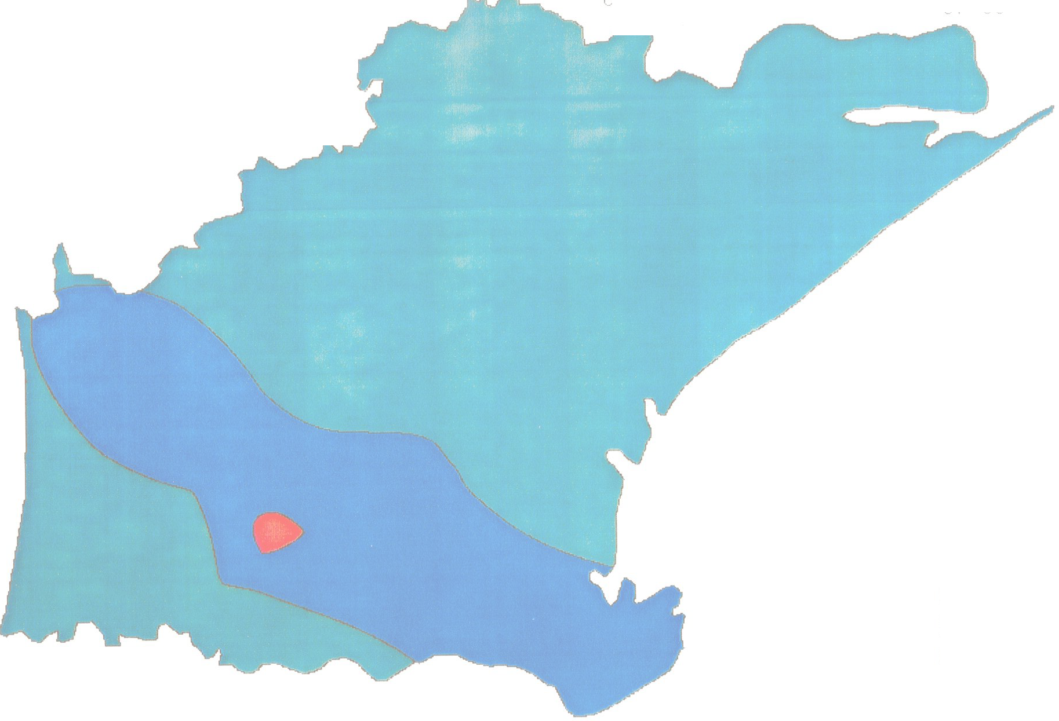
4. Proper care should be taken to avoid over exploitation, which may disturb the hydro- chemical balance of fresh and saline water leading to contamination of saline water ingress. 5. Clustering of tube wells should be avoided particularly near seacoast. 6. The scope of conjunctive use of surface and ground water may also be studied in the command area of delta stage-1 irrigation project particularly in the western part of the district to minimize seasonal water logging problem. 7. Since vast tract of the district is saline infested and beyond the reach of canal network, suitable creek irrigation projects can be taken up to facilitate irrigation for the Ravi crop. 8. The people participation is essential for large-scale development of ground water. Financial institutions and bankers should extent necessary co-operation to farmers. GRIDCO and rural electrification corporation should also take steps for energisation of wells to ensure optimum utilization of ground water resources
INDEX MAP OF KENDRAPARA DISTRICT. ORISSA PLATE-I
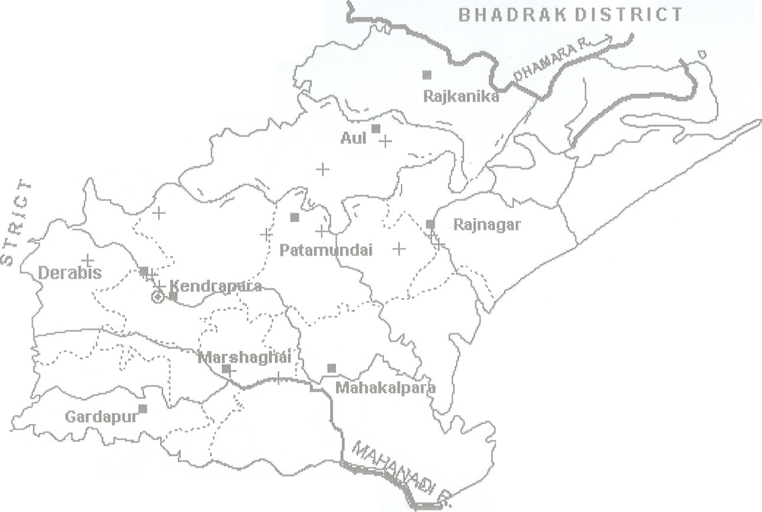 860 I15' 86° I 30' 86° 145' 0 87 00' 0 Scale 20 De'"-5 10 CJ,(. ,(. \ 0 45' kilometersI -o' oO 0 \} 'J 'J ?-'-' INDEX - t, 6 - DISTRICT BOUNDARY 0 20 Q ot BLOCK BOUNDARY -{ 30' () ?- @ DISTRICT HEAD QUARTER J- ■ BLOCK HEAD QUARTER I­ .::, -----<:- RIVER () • NHS WELL 0 + EXPLORATRY WELL 0 JAGA Ts1NGHPIJR DIS'i'RI CT 20 15'
PRE-MONSOON DEPTH TO VVATER. LEVEL l'V'IAP (APRIL 2006) OF KENDRAPARA DISTRICT, ORISSA PLATE-II
0 20 45' |  |  |  |  | Scale 0 5 10 |  |  |  |  |  | 86v30' |  |  |  |  |  | 8G 045' |  |  |  |  |  |  |  | LEGENDS - 0-2 rnligl - 2-4 rnbgl - .4-6mbgl
 |  |  |  |  | kilometers
0
20
30'

POST-MONSOON DEPTH TO WATER LEVEL IN 2006 KENDRAPARA DISTRICT, ORISSA |  |  |  |  |  |  |  |  |  |  |  |  |  |  |  |  |  |  |  |  |  |  |  |  |  |  |  | Plate Ill
86d 30' 20° 45' 0 5 10 kilometers 0 20 30'
S nbgl bgl tnbql
M • 86 J45'
LEGEND 11111 0 - 2 r 11111 2 - 4 m 4 - 6
HYDP..0GEOL0GICAL MAP OF KENDRAPARA DISTRICT |  |  |  |  |  |  |  |  |  |  |  |  |  |  |  |  |  |  |  |  |  |  |  |  |  |  |  |  | Plate:1v
cale: |  |  |  |  |  |  |  |  |  |  |  |  |  |  |  |  |  |  |  |  | I a6°30' ,,;' - I 8
6°45' ◊ ◊ ◊ ◊ ◊c::::=::::::-J 0 - ◊ ◊ ◊, ◊ , ◊ 0 ◊.
S 20°45' 0 1-xx x x X 20°30' . x x xX X X X X X X X X X X X X X X X
5 10 ◊ ◊ miles .no ◊ ◊ ◊ ◊ ◊ ◊ ◊ ◊ ◊ ◊ ◊
 | ◊ | 6 |  | ◊ |  | ◊
◊ |  | ◊ |  | 0 |  | ◊ ◊ |  |  | ◊
◊ oo
◊ ◊ c;.(> ◊ ◊ o o o o o" " o o ◊ ◊ ◊
◊ ◊ ◊ • ◊ ◊
◊ ◊ ◊ ◊ ◊ ◊ ◊
◊ ◊ · ◊ ◊ ◊ ◊ |  |  |  |  |  |  |  |  |  |  |  |  |  |  |  |  |  |  |  |  |  |  | ◊ ◊ ◊ ◊ ◊
◊ ◊ ◊ ◊ _{> ◊ LEGENDS
Age Group Recent |  |  |  |  |  |  |  |  |  |  |  |  |  |  |  | Lithology Index Alluvium underlain by older alluvium LJ and mio-pliocene sediments [+::+] |  |  |  |  |  |  |  |  |  | Hydrogeological conditions Fairly thick and regionally extensive unconfined to confined aquifers down to more than 300m depth Fresh water aqufers all through
Discharge Range of Bore Holes • < 25 lps |  |  |  |  |  |  |  |  |  |  |  |  |  |  |  |  |  |  |  |  |  |  | [' >:] |  |  | Fresh water occurs above and below saline zone. Thickness of top fresh zone vary from 15/20m in north to 60/70m in south.
· 25 - 50 lps 6 50 - 70 lps |  |  |  |  |  |  |  |  |  |  |  |  |  |  |  |  |  |  |  |  |  |  | Fresh ground wateris overlain by saline ground water barring few meters at top.
+ > 70 lps
KENDRAPARA DISTRICT Dynamic Ground Water Resources (As on 31.03.2009)
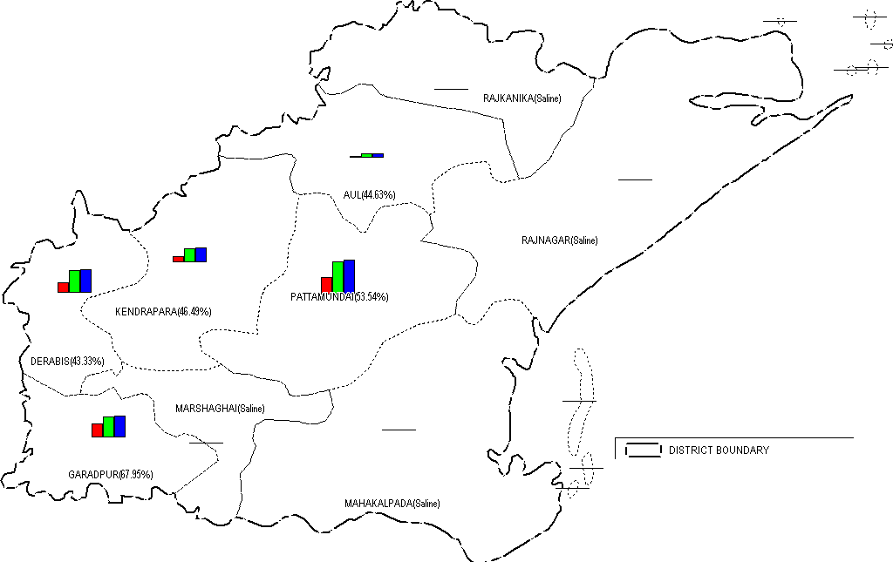
 |  |  |  |  |  |  |  |  |  |  |  |  |  |  |  |  |  | - . --. BLOCK BOUNDARY --:. withname &S1age of ground wa1er development D ynamic G round Water Resources(HaM) as on 31.03.2009 olf 6,20 0 ■ Gross Ground water rall: ■D Net Ground water Availability .Annual Replenishable Ground water Resources

GROUND WATER DEVELOPEMENT AND PROSPECTS MAP OF KENDRAPARA DISTRICT |  |  |  |  |  |  |  |  |  |  |  |  |  |  |  |  |  |  |  |  |  |  |  |  |  |  |  | Plate-VI 0
0 20° 45' 86 30' Scale 0 5 10 ----== s kilometers
0 0
. ''-' L_ . / Pattamundai \ ) / Ke ndrapar( _--( • "4_,- \ I - -1 • |  |  |  |  |  |  |  |  |  |  |  |  |  |  |  |  |  |  | Rajna gar |  |  | ..., ...: •:· |  | LEGE N D Area feas1b'e fa· co11struci,on of Dug ,...c s upto 10m deotr. wt"" d·a• .a cu'o 4 {Viele, '.'ray va'Y frofl"l-45 ,a 50 c,;ort,Jc,ay) Area leas1b,e for coos1ri,;e1;cn o+ sr·al•ow T :oc wn:1 s .. up10 50m de pth anc 15 c-n, o ,i rn ( Y1c!C may be up:o · 5 'PS) Area feasible f0< con s!ruct1on of mcd1u deep tube wells upto i !'i0": ocnth arc, • !1C"'' ,1:arr, (Yield rnay vary frcr,130 to 50 ,ps} Area feasible for co11strucl ·rn 1 of dc:ep ttme wells uolO 3 00 m ce ott1(Yie ld rnay v,iry tioin ;.10 10 50 lps) N o tresh water zone uoto 300 m deplf'
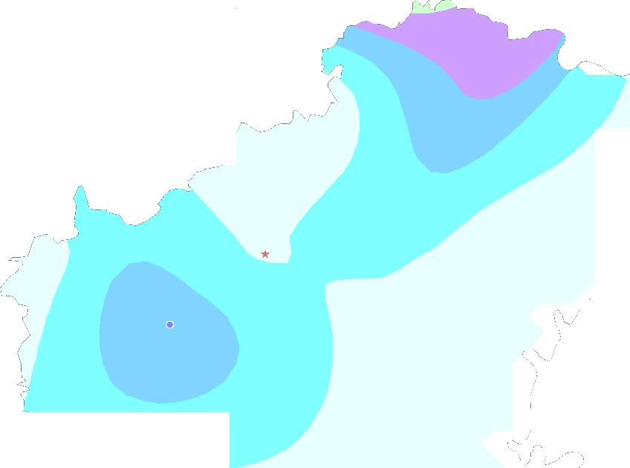 CHEMICAL QUALllY OF KENDRAPARA DISTRICT - EC Legend - 0.0000 to 500.0000 - 500.0000 to 1000.0000 1000.0000 to 1500.0000 I 1500.0000 to 2000.0000 'J f.. C-- ,...; \...!·--... ) * Iron Ci N itrat e Fluoride

