Table 1
Govt. of India MINISTRY OF WATER RESOURCES CENTRAL GROUND WATER BOARD OF KEONJHAR DISTRICT South Eastern Region Bhubaneswar May , 2013

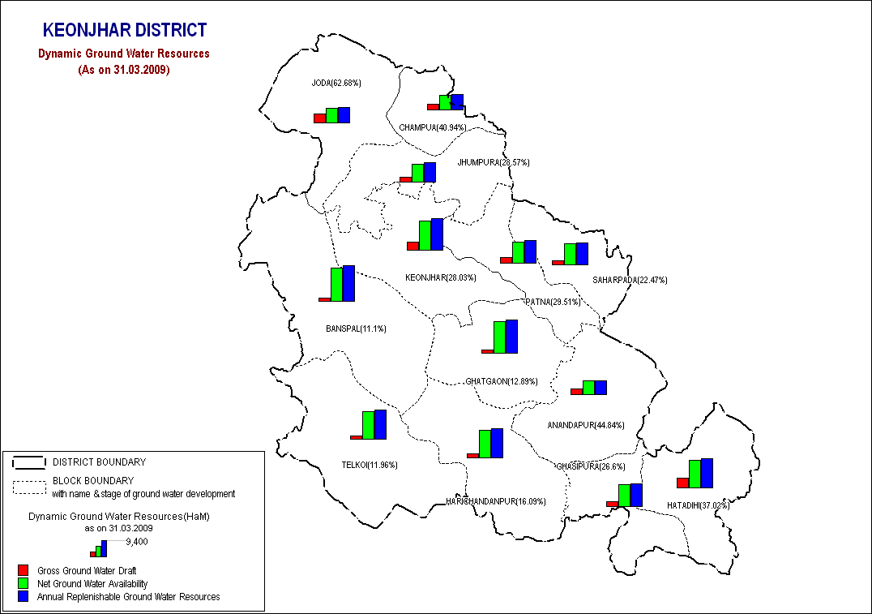

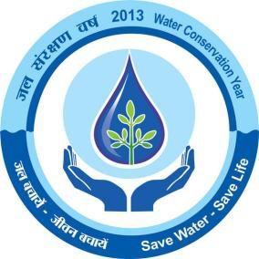
DISTRICT AT A GLANCE
S.No. |  | ITEMS |  |  |  |  |  |  |  | Statistics
1 |  | GENERAL INFORMATION i) Geographical Area ( Sq km) ii) Number of Tehsil /Blocks iii) Number of Panchayat / Village iv) Population as on 2001 Census v) Average annual rainfall (mm) |  |  |  |  |  |  |  | 8303 sq km 8/13 286/2122 1561990 1534.5
2 |  | GEOMORPHOLOGY 1. Major Physiographic Units 2. Major Drainages |  |  |  |  |  |  |  | 1. Structural hills, 2.Residual and denudational hills 3.Domal granitic outcrops 4.Shallow to moderate buried pediments 5.alluvial plain Baitarani River
3 |  | LAND USE (sq Km)(2003-04) a) Fores Area b) Net Area Sown |  |  |  |  |  |  |  | 133895 Ha 229893 Ha
4 |  | MAJOR SOIL TYPE |  |  |  |  |  |  |  | 1-Alfisol ,2-Ultisol
5 |  | AREA UNDER PRINCIPAL CROPS ( as on 2009-05) |  |  |  |  |  |  |  | 55057 Ha in Kharif & 148149 Ha in Rabi
6 |  | IRRIGATION BY DIFFERENT SOURCES ( as on 2004-05) (Area and nos of structures) 1. Major/Medium Irrigation Project 2. Minor Irrigation Project (Flow) 3. Lift Irrigation |  |  |  |  |  |  |  | Area (in Ha ) Kharif Rabi 27873 3868 21696 2906 2645 1727
7 |  | NUMBER OF GROUND WATER MONITORING WELLS OF CGWB (as on 31.3.2007) 1. No of Dug Wells 2. Nos of Piezometers |  |  |  |  |  |  |  | 57 2
8 |  | PREDOMINANT GEOLOGICAL FORMATIONS |  |  |  |  |  |  |  | Archean crystalline hard rock
9 |  | HYDROGEOLOGY • Major Water Bearing Formations • Depth to Water Level during 2011 • Post-Monsoon Depth to Water |  |  |  |  |  |  |  | Fractured formations and recent unconsolidated formation. 0.58-10.48 m. bgl 0.58-6.29 m. bgl
 |  | Level during 2011 • Long Term water level trend in 10 yrs (1999-2010) in m/yr |  |  |  |  |  |  |  | 43% of wells show Rise within 0.253 m. and rest show and fall within 1.413 m.
10 |  | GROUND WATER EXPLORATION BY CGWB (As on 31.3.2011) No of wells drilled (EW,OW) Depth Range (m) Discharge (lps) Transmissivity(m ²/day) |  |  |  |  |  |  |  | EW=49, OW=11 42.30 to 200.2 mbgl Negligible to > 20.20 lps 1.2 to 52 m2/day
11 |  | GROUND WATER QUALITY Presence of Chemical constituents more than permissible limit (e.g. EC ,F,AS,Fe) Type of water |  |  |  |  |  |  |  | All within permissible limit except an isolated few patches having more Hexa valent chromium potable
12 |  | DYNAMIC GROUND WATER RESOURCES (2009 ) 1-Annual replenishable Ground Water Resources 2-Net Annual Ground Water Draft 3-Projected demand for domestic and industrial uses up to 2025 . 4-Stage of Ground Water Development |  |  |  |  |  |  |  | 81323 (HM) 20775(HM) 2990 (HM) 25.55 %
13 |  | AWARENESS AND TRAINING ACTIVITY Mass Awareness Programme organized Place No of Participants |  |  |  |  |  |  |  | Organized Ghatgaon 175
 |  | Water Management and Training Programmes Organized Place No of Participants |  |  |  |  |  |  |  | Organized Keonjhar 35
14 |  | EFFORTS OF ARTIFICIAL RECHARGE & RAIN WATER HARVESTING Projects complied by CGWB ( No & Amount spent ) Projects under technical guidance of CGWB (numbers) |  |  |  |  |  |  |  | Nil
15 |  | GROUND WATER CONTROL AND REGULATION No of OE Blocks |  |  |  |  |  |  |  | Nil
 |  | No of Critical Blocks No of Blocks Notified |  |  |  |  |  |  |  | Nil Nil
16 |  | MAJOR GROUND WATER PROBLEMS AND ISSUES |  |  |  |  |  |  |  | No major ground water problems exit.
1.0 Introduction 1.1 Administrative details The Keonjhar district lies between north latitudes 21 01’ and 22 10’ and east longitudes 85 11’ and 86 22’ falling in the survey of India toposheet nos 73F, 73G and 73K. It is bounded on the north by the district Singbhum in Jharkhand, on the east by the district of Mayurbhanj and Baleswar, on the south by Jajpur and Dhenkanal and on the west by Sundergarh districts.The district comprises of 3 subdivisions namely Keonjhar sadar, Champua and Anandpur and 13 community blocks with the district headquarter is at Keonjhar. (Plate 1). The geographical area of the district is 8303 sq km. The district is well connected by roads. The National Highway No. 6 passes through the district from east to west. The NH 215 also passes through the district from south to north connecting Keonjhar with Cuttack and Bhubaneswar. The block headquarters are connected with the district headquarter by all weather roads. The railway communication in the district is not good. The nearest railway station is Jajpur-Keonjhar road, 80 km from Keonjhar. The total population (2001census) of the district is 1561990 and out of which urban population is only 213012. The scheduled caste and scheduled tribe community accounts for 11.61% and 44.50% respectively of the total population of the district. 1.2 Drainage The district is mainly drained by the river Baitarani and its tributaries barring a very small patch in the extreme south-western part, falling in Brahmani basin. The major tributaries are Kanjhari, Sitanadi, Salandi, Musal nadi, Orarai nadi, Remal, Kasai and Deo nadi etc. and these are mostly perennial. The drainage pattern is mostly dendritic in nature. Sub-parallel drainage pattern is well developed in the south-eastern part of the district. The drainage density is moderately high in western part of the district representing high hill ranges co

delineate deeper potential water saturated fracture zones. Ground water monitoring through 57 hydrograph network stations is being carried out four times in a year. 2.0 Rainfall & Climate The district is characterized by tropical to sub tropical climate with hot summer, high and well-distributed rainfall during the monsoon and a cold winter. The summer season lasts from March to May, the rainy season starts in June and continues up to September. October and November constitute the autumn season and winter starts in December. May is the hottest month of the year with a maximum temperature is about 46o C and daily minimum temperature 25 o C. December is the coldest month as the mean daily temperature recorded as 12 o C. Relative humidity is generally high from June to December. In summer season humidity varies from 35- 40%. South-west monsoon is the principal source of rainfall in the district. Average annual rainfall is 1535 mm. About 80% of the total rainfall is received during the period from June to September. On an average there are 79 rainy days in a year. Drought s is common in the district. 3.0 Geomorphology & Soil Types 3.1 Physiography: The Keonjhar district shows conspicuous physiographic variations and mainly represented by high hills/ isolated hillocks/ domal granitic outcrops, vast undulating plains and alluvial tract. 3.1.1 High hills/ Isolated hillocks/ Domal Granitic outcrops : Highly resistant rocks like quartzites, B.H.J. and B.H.Q bearing iron ore group of rocks, proterozoic volcanics and Kolhan sedimentaries constitute these outcrops rising to maximum height of 1062 meters above msl in Sukati and Banspal sector. The Tomka-Daitari Iron ore range exposed in the southwestern part of the district encompasses high hills of Maghananda parbat rising to a height of 1055 meters above msl. 3.1.2 Undulating plains: The undulating terrain str

3.2.1 Alfisols : These soils predominantely occur in Harichandanpur, Hatadhi, Ghasipura, Anandpur, Ghatgaon, Telkoi blocks. This group of soil can be sub divided into Sandy soil, red loamy soil, red gravelly soil and older alluvial soil. These soils are light textured usually devoid of lime concretions, nitrogen, phosphate and organic matter. The pH value varies from 6.5 to 7.3. 3.2.2 Ultisols: These soils predominantly occur in Champua, Patna, Jhumpura, Keojhar and Sharpada blocks. Essentially these are lateritic, red and yellow soil and red gravelly soil. These soils are poor in nitrogen, phosphate, potassium and organic matter. The pH value varies between 4.5 to 6.0. As per the agloclimatic classification the district falls in the north central plateau and northeastern coastal plain. 4.0 Ground Water Scenario 4.1 Hydrogeology : 4.1.1 Water bearing formations- The water bearing formation of the area can be divided into (a) areas underlain by fractured, fissured and consolidated basement rock formations (b) areas underlain by recent unconsolidated alluvial formations. (a) Fissured formation- Major parts of the district are occupied by hard crystalline rocks belonging to pre Cambrian age. Of these Singbhum granite, Iron ore group of rocks and proterozoic metavolcanics are extensively developed for ground water. The area has undergone several phases of intense deformations, which are responsible for the development of the deep-seated intersecting fracture system. The Gabbro- anorthosite intrusives exposed near Boula-Nuasahi area are mainly massive and devoid of well-developed fractures due to their relatively younger intrusive origin. The Kolhans and metavolcanics of Iron ore group of rocks are of localized occurrence in relatively inaccessible pockets, and hence hydrogeological potentialas are not much known except in valley areas. (b

4.1.2 Occurrence of ground water: 4.1.2.1 Fissured formations: Ground water in the fissured formations occurs under unconfined conditions within the weathered residuum and under semi confined to confined conditions in fractures at depth. The thickness of the weathered zone varies from negligible to 40 m. In general thickness of weathered zone is minimum in Singbhum granite and maximum in proterozoic volcanics. The weathered zone forms the shallow unconfined aquifer. Among all rock types the weathered zone as well as fractured zone in granitic rocks forms better aquifer. In weathered formation the yield on an average varies from 20 to22 m3 /day. The fractured granitic rock can yield upto 15 lps whereas at Kanjipani proterozoic volcanics yield 25 lps. The fractured zone are mostly confined within 75 to100 m depth and within this depth 2 to 3 fractures are found. 4.1.2.2: Unconsolidated Alluvial formation: 4.1.2.2.1 Quarternary and upper Tertiary sediments: Sands, gravels and pebble form the main aquifer systems in quarternary alluvial deposits under lain by Tertiary sediments. Groundwater occurs under pheratic condition at shallow depth and semi confined to confined in deeper depth in these formation. The shallow near surface aquifers which are mainly exploited by dug wells yield fresh water in the entire district. The yield of the existing dug well varies from 12 to 25 lps. The average depth of these dug well is around 6 to 7 m. The thickness of the alluvium varies from 15 to 95 mbgl. Inference from lithologs of the tube wells drilled by OLIC shows that towards Salandi there is remarkable change from sand to silt. 4.1.2.2.2 Laterites : It generally forms the shallow aquifer and ground water mostly tapped by shallow dug wells. On an average the yield from dug wells in laterites is around 25 to 30 m3/day with the maximum of 40 to 45 m 3 /day. The specific capacity and transmissivity of lateritic aquifers vary from

water yielding fracture which yielded 5.4 lps, was encountered at a depth of 198m. in the borehole at Keonjhar Sadar. In the Kanto-Deogaon-Sainkul tract in the southeastern part of the district f if ty percent wells yielded more than 5 lps. The high discharge wells are located at Sainkul (7 lps), Sailong (14 lps), Bhalukoma (9 lps), and Anandapur (8.6 lps). The highest discharge of 20 lps was recorded from the well drilled in meta - volcanics at Kanjipani of Banaspal block. 4.1.3.1 Aquifer parameter: The aquifer parameter of shallow and deep aquifers were determined from the pumping test data conducted during the hydrogeological survey and exploratory drilling. Aquifer characteristics of shallow and deeper aquifers are noted below. Shallow Aquifers: Near surface aquifer in which ground water occurs under unconfined (phreatic) condition and is mainly tapped by dug wells for ground water extraction is generally identified as shallow aquifer. The specific capacity and hydraulic conductivity in different formations are stated in table 1 Table-1 Specific capacity and hydraulic conductivity in different formations
Formation |  |  |  | Specific capacity index(m3/min/m) |  |  |  |  |  |  | Transmissivity (m2/day)
Alluvium |  |  |  | 0.0035 to 0.241 |  |  |  |  |  |  | 4.0 to 102
Laterite |  |  |  | 1.1-2.89 |  |  |  |  |  |  | 3.66-9.23
Older metamorphic group |  |  |  | 4 to 39 |  |  |  |  |  |  | 0.0013 to .0106
Proterozoic volcanics |  |  |  | Transmissivity and Specific capacity in this zone appears to be low.
Iron ore group (shales, BHJ, BHQ and Kolhans) |  |  |  | Transmissivity and Specific capacity in this zone appears to be low.
Singbhum granite |  |  |  | 1 to 28 0.0009 to 0.034
4.1.3.2 Deeper Aquifers: Aquifers, which occur below the phreatic zone and extends down to a greater depth, are termed as deeper aquifers. Ground water in deeper aquifers occurs under semi-confined to confined conditions. Deeper aquifers are tapped by tube/bore wells for ground water extraction. Characteristics of deeper aquifers are noted below. Table-2 Specific capacity and hydraulic conductivity in different formations in deeper aquifers
Formation |  |  |  |  | Specific capacity |  |  |  |  |  |  | Transmissivity (m2/day)
 |  |  |  |  | index(m3/min/m)
Older metamorphic group |  |  |  |  | 2.5 to 38 |  |  |  |  |  |  | 0.8 to 13
Proterozoic volcanics |  |  |  |  | 0.4 to 80.66 |  |  |  |  |  |  | 0.24 to 25
Iron ore group (shales, BHJ, BHQ and Kolhans) |  |  |  |  | 11.76 to 21.56 |  |  |  |  |  |  | 3.4 to 8.6
Singbhum granite |  |  |  |  | 0.77 to 59 |  |  |  |  |  |  | 0.5 to 9
4.1.4.1 Depth to water level (Pre & post monsoon 2011) : The depth to water level map for pre and post monsoon periods 2011 are prepared based on the ground water monitoring data of 57 Nos of National Hydrograph Stations of C.G.W.B. monitored during the month of April and November 2011 are presented in Plate 2 Plate 3 respectively . The pre and post monsoon depth to water levels in the district range from 1.070 to 12.990 m below ground level and 0.210 to 6.560 m below ground level respectively. It is observed that during pre monsoon about 30% of the total areas show the water level varying between 6 to 8 m below ground level. During post monsoon nearly 60% of the area has water levels within 2 to 4 m, while the rest part has between 0 to 2 and 4 to 6 m below ground levels. In localized part of Anandapur and Harichandanpur water level is > 6 mt. 4.1.4.2Seasonal Fluctuation: The seasonal fluctuation of water levels with respect to pre and post monsoon periods (2011) varies from nil to 7.80 m. The depth to water levels in different seasons and seasonal fluctuation of water levels are more in central and western part, which gradually decreases towards east. 4.1.4.3 Long term water level trend in last 10 years: Long-term trend analysis (2001-2011) of water levels on dug wells shows that in 45 % of wells there is a rising trend where as the rest shows a falling trend. Both rise and fall in general restricted to 1 m. 4.2 Ground Water Resources: As per the ground water resources assessed during 2009, the total annual replenishable ground water resources in the district is 81323 ham. The block wise ground water resources are given in Table 3. Around 4130 ham of the total ground water is used in domestic and industrial water supply. The available ground water resource for irrigation in net terms is 61690 ham. Net ground water availability for future irrigation development is 113353 ham.

Sl. No. | Assessment unit/block |  |  | Net Annual Groun Water Availab ility |  | Existing gross d ground water draft for irrigation |  | Existing gross ground water draft for domestic and industrial water supply | Existing gross ground water draft for all uses |  |  |  | Allocatio n for domesti c and industria l require ent supply up to next 25 years |  | Net ground water availability for future irrigation m developm ent | Stage of ground water develop ment (%)
1 | Anandapur |  |  | 3615 |  | 1474 |  | 147 | 1621 |  |  |  | 172 |  | 1969 | 44.84
2 | Banspal |  |  | 8895 |  | 864 |  | 123 | 987 |  |  |  | 146 |  | 7885 | 11.10
3 | Champua |  |  | 3947 |  | 1192 |  | 424 | 1616 |  |  |  | 177 |  | 2578 | 40.94
4 | Ghashipura |  |  | 5880 |  | 1391 |  | 173.28 | 1564 |  |  |  | 233 |  | 4256 | 26.60
5 | Ghatagaon |  |  | 8385 |  | 931 |  | 149.81 | 1081 |  |  |  | 179 |  | 7275 | 12.89
6 | Harichandanpur |  |  | 7470 |  | 1033 |  | 168.90 | 1202 |  |  |  | 226 |  | 6212 | 16.09
7 | Hatadihi |  |  | 7385 |  | 2504 |  | 229.98 | 2734 |  |  |  | 275 |  | 4606 | 37.02
8 | Jhumpura |  |  | 4960 |  | 1263 |  | 154 | 1417 |  |  |  | 173 |  | 3524 | 28.57
9 | Joda |  |  | 3926 |  | 637 |  | 1824 | 2461 |  |  |  | 715 |  | 2574 | 62.68
10 | Keonjhar |  |  | 7966 |  | 1865 |  | 368.28 | 2233 |  |  |  | 239 |  | 5862 | 28.03
11 | Patna |  |  | 5731 |  | 1562 |  | 128.64 | 1691 |  |  |  | 161 |  | 4009 | 29.51
12 | Saharapada |  |  | 5648 |  | 1147 |  | 122 | 1269 |  |  |  | 135 |  | 4366 | 22.47
13 | Telkoi |  |  | 7515 |  | 782 |  | 117 | 899 |  |  |  | 159 |  | 6574 | 11.96
 | District Total |  |  | 81323 |  | 16645 |  | 4130 | 20775 |  |  |  | 2990 |  | 61690 | 25.55
Details of over exploited, critical and semi critical areas – Stage of ground water development shows that all blocks fall under safe category. 3. Ground water Quality: The chemical quality of ground water in the district has been assessed on the basis of chemical analysis of ground water samples collected during groundwater monitoring, Hydrogeological surveys and groundwater exploration. The results of the chemical analysis are presented in Table 4. Table 4: Showing chemical constituents in aquifers
Constituent |  |  |  |  | Shallow aquifer |  |  |  |  |  |  | Deeper aquifer
pH |  |  |  |  | 7.80 – 8.22 |  |  |  |  |  |  | 8.14 – 8.25
Sp. Conductance (micromohs/cm at 25 C) |  |  |  |  | 85 – 2581 |  |  |  |  |  |  | 165 – 739
TDS (mg/l) |  |  |  |  | 58 – 1430 |  |  |  |  |  |  | 106 – 429
Calcium (mg/l) |  |  |  |  | 6 – 92 |  |  |  |  |  |  | 16 – 86
Magnesium (mg/l) |  |  |  |  | 1.2 – 34 |  |  |  |  |  |  | 2.4 – 24
Sodium (mg/l) |  |  |  |  | 0.7 – 460 |  |  |  |  |  |  | 3.2 – 33
Potassium (mg/l) |  |  |  |  | 0.4 – 44 |  |  |  |  |  |  | 0.2 – 3.5
Bicarbonate (mg/l) |  |  |  |  | 31 – 647 |  |  |  |  |  |  | 67 – 256
Chloride (mg/l) |  |  |  |  | 7.1 – 776 |  |  |  |  |  |  | 7.1 – 90
Sulphte (mg/l) |  |  |  |  | <1 – 32 |  |  |  |  |  |  | 1.4 – 64
Nitrate (mg/l) |  |  |  |  | <0.01 – 53 |  |  |  |  |  |  | 0.1 – 78
Fluoride (mg/l) |  |  |  |  | 0.08 – 20.3 |  |  |  |  |  |  | 0.21 – 0.61
Total hardness as calcium carbonate |  |  |  |  | 20 – 275 |  |  |  |  |  |  | 70 - 220
The specific conductance value generally ranges from 85 to 2581µs/cm at 25o C. In general the specific conductance value remains within the range of 1000 µs/cm at 25 o C except at Buxibaragaon (Harichandanpur block) where the value is of the order of 2581µs/cm. 4.3.1 Suitability of Ground Water for Drinking Purpose : The concentration of major chemical constituents and also the pollutants like fluoride and nitrate content in fresh ground water of shallow and deeper aquifers are well within permissible limit of drinking water specification (Indian Standard 1991). Hence the fresh ground water may be used as safe drinking water source. 4.3.2 Suitability of Ground Water for Agricultural Purpose: Ground water in general is suitable for irrigation purpose. Ground water from shallow and deeper aquifers belongs to C1S1 and C2S1 class of USSL Classification, which indicates that ground water, in general is fit for most type of crops. 4.4 Status of Ground Water Development (Block wise): Annual ground water draft as on 31.03.2009 in the district for all purposes was 132284 ham and the block wise the same is tabulated in table-3. Over all the present level of ground water development is only 13.29 percent in the district with the maximum in Anandapur block viz. 40.96% and minimum in Banspal block. Block wise development figure indicate that all the blocks come under the white categories. Thus there is ample scope for development of groundwater in the district to augment irrigation potentials through suitable ground water abstraction structure. Based on the hydrogeological conditions of the district the feasibility of various ground water structures with some important features are tabulated in table-5.
Table: 5 Feasibility of various ground water structures with some important features
Hydro- geological setting |  |  | Type of structures |  | Depth range (m bgl) |  | Dia meter(m) |  |  | Probable Yield (lps) |  |  |  | Water lifting device
Crystalline and Semiconsolid ated area |  |  | Dug wells |  | 10-12 |  | 4.5-6 |  |  | 3-5 |  |  |  | Turbine pump 2 HP
Alluvial area |  |  | Dug wells |  | 8-10 |  | 2-4 |  |  | Upto 5 |  |  |  | Turbine pump 2 HP
Alluvial area |  |  | Filter point and Shallow tube wells. |  | Upto 50 |  | 15 cm |  |  | 5-20 |  |  |  | Submersible/turbi ne pump 5HP
Crystalline formation |  |  | Medium deep tube/bore wells. |  | 100 – 120 mm |  | 15 cm |  |  | Upto20 |  |  |  | Submersible /turbine pump 10HP
5.0 Ground Water Management Strategy: 5.1 Ground Water Development: The ground water development is being done through dug wells, bore wells and tube wells. Tube wells include filter point, shallow and medium deep tube wells. The use of ground water is for both domestic and as well as irrigation purposes. 5.1.1 Ground water for irrigation : The utilizable ground water resources available for irrigation is 113353 ham and the present draft is only 13977 ham. Hence the balanced resource for irrigation is 99376 ham which indicate that there is a huge scope for ground water development. The irrigation potential, from ground water in term of area, created so far is 14996 ha. 5.2. Ground Water Management: The balance resources for irrigation and block wise stage of ground water development indicates that there is a huge scope for ground water development. Based on the hydrogeological conditions of the district, the feasibility of various ground water structures and their yield prospects are given in table-5. 5.2.1. Structure suitable for ground water development in different formation: Depending on the hydroeological condition the abstraction structures suitable in different formations are described below.
Dug wells : Dug wells are feasible in all the blocks of the district. The depth of the dug wells in hard rocks and semi consolidated rocks should be 10 to 12m while the depth of the wells in unconsolidated formations i.e. in the central and eastern part of the district may be 8-10m. The diameter of the wells in both the case (older and recent alluvium) may be 4 to 5m. The expected yield of the wells from unconsolidated formation is upto 50 m3 / day while in other formation it is up to 40 m3 / day . The distane between any two dug wells should be kept at least 100m. to avoid interference. Filter Point Tube Wells: These tube wells are feasible in unconsolidated formation i.e. mainly in central and eastern part of the district. These structure are found very successful on the recent flood plain deposit occurring along the banks of river and stream. The depth of these structures may be 15 to 30m and dia 10cm x 5cm or all through 5 cm. 2 H.P submersible or centrifugal pumps may be fitted. The yield of these wells is generally within 5 lps but field experiences indicate that these wells can yield upto 10 lps, when thick aquifer zones (> 4m) are tapped. These wells can be run for 6 to 8 hours daily. Shallow Tube Wells: The shallow tube wells are feasible in the unconsolidated deposits. These are feasible in alluvial tract of Baitarani and Kusai rivers.The depth of the shallow tube wells may be restricted within 50 mbgl and the diameter is 15cm. The depth of shallow tube wells may be restricted within 25 to 30 m.. The expected yield is generally within 20 lps and submersible pumps of 3 to 5 H.P may be installed. The spacing between two tube wells should be at least 300m. Deep tube wells: As the thickness of alluvium gradually increases towards east / southeast (towards Hatadihi) medium deep tubewell may be feasible down to 90 m bgl depending on availability

may also be constructed. All these structure will be help in augmenting ground water resources in those areas resulting mitigation of water scarcity during summer. Saharpara Project: During the 9th plan (2001-2011) the project was taken up in Tamkajadi water shed in Keonjhar Block. The details of the project is as follows: Area: 15 sq. km Location: 21 40’43’’ 85 53’51’’ 21 43’35’’ 85 57’10’’ Rainfall: 990.78mm ( Monsoon = 819.86mm, Non-monsoon = 170.92) Recharge dug wells: 15nos Renovation of existing ponds: 8 nos Recharge tanks: 10 nos Recharge pits: 30 nos Percolation tanks: 1 Check dam: 3 nos Volume of recharge = 8.10* 106 Cost of project = 49.75lac Average rise of water level (pre-monsoon) = 0.69 to 1.54m (2003) (post-monsoon) = 0.38 to 2.35 (2011) % of recharge to total run off = 64% 6.0Ground Water Related Issues & Problems : The ground water related issues generally include the water logged area, polluted area and water table depleted area and these are discussed in the following paragraphs. 6.1 Water logged area: No area in the district is found to be under water logging condition. 6.2 Ground water quality problems: There is no large scale pollution in the district . 6.3 Water Table Depleted area: The long term trend analysis data of water level from the network station of district indicate that no significant water table depleted area is noted in the district as the hydrograph net work stations have shown both rise and fall in water level and these are restricted within 1 m. 7.0 Awareness & Training Activity : Mass Awareness Programme organized : Place : Ghatgaon No of Participants : 175

Water Management and Training Programme Organised Place : Keonjhar No of Participants :35 8.0 Area notified by CGWA/SGWA: Nil 9.0 Conclusions:- In Keonjhar district 16365 numbers of dug wells with tenda, 1310 numbers of dugwells fitted with pumps are in operation. The annual draft through these structures is 53.02 MCM while the utilizable groundwater resource for irrigation is 912.39 MCM. Hence the balance groundwater resource available for further development for irrigation is 859.36 MCM, which may tentatively support the construction of additional 154245 dugwells and 100 shallow tubewells in the district. The groundwater development potentials in Keonjhar district generally limited to the vast buried pediment, valley fills, intermontane valleys, laterites and alluvial plains. Exploration has revealed the dug cum bore wells and bore wells are also likely to be successful in the buried pediments, intermontane valleys when sited close to fracture lineaments. Recommendations: 1) Large scale planning for ground water development should be preceded by intensive hydrogeological and geophysical surveys aided by remote sensing studies. 2) Effective measures may be taken to conserve the surface run off by contour bunding at suitable sites. Also proper maintenance of reservoir, tanks and spring channels by periodical disiltation should be carried out. 3) Existing dugwells should be deepened to tap the maximum saturated thickness of the weathered mantle or vertical bores may be drilled through the bottom to enhance the well yield. 4) Energisation of wells already constructed should be stepped up to ensure optimal utilization of the irrigation potential already created. 5) The farmers should be educated through agricultural extension services fro adopting suitable cropping p

Plate :- 1
INDEX MAP OF KEONJHAR DISTRICT, ORISSA
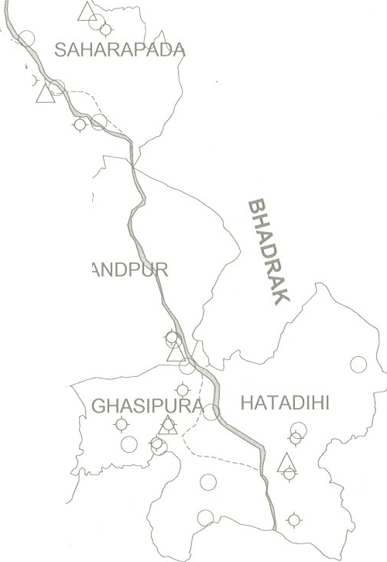 y..i>- i>- o W+N E o I 0 2t 0 w ,CHA MPU s 1 00' ◊ D, / ◊ JODA \,, (3- ◊ .Q f cff JHU PU - 9> _ f5 ,,.,,-- /A,, : ,: (>0-- ,: ,. ,_, ', ..-} t' Q' § \. ' _'.::,<o / ,.--:'.. ,,,. j \' •- V- ,_-, , ' 0 '' ', Cl) ◊ KENDUJHAR R'l1' --PAY; A ◊ ---,_ ◊ 0 20 40 BA O 0 ,---------,-- -, 0 ,----'-d ,_-- kilometres GHATGAON \ Q ,-- 8 ,1 - - ' 30' ,;....,...,,,--/ '\ ◊ 10 '<--, Ll ,, / '' , , LEGEND \,, ,t' ... .----,, ◊ (J ◊ ',,. ,/ ◊ \ _Q..,_. _J\ N ANDP \ @!_,,-' □ District Headquarter TE<L:jfol L. Block Headq_u arter RICHADAN LIR 0

