Table 1
Govt. of India MINISTRY OF WATER RESOURCES CENTRAL GROUND WATER BOARD KORAPUT DISTRICT, ORISSA South Eastern Region Bhubaneswar March, 2013

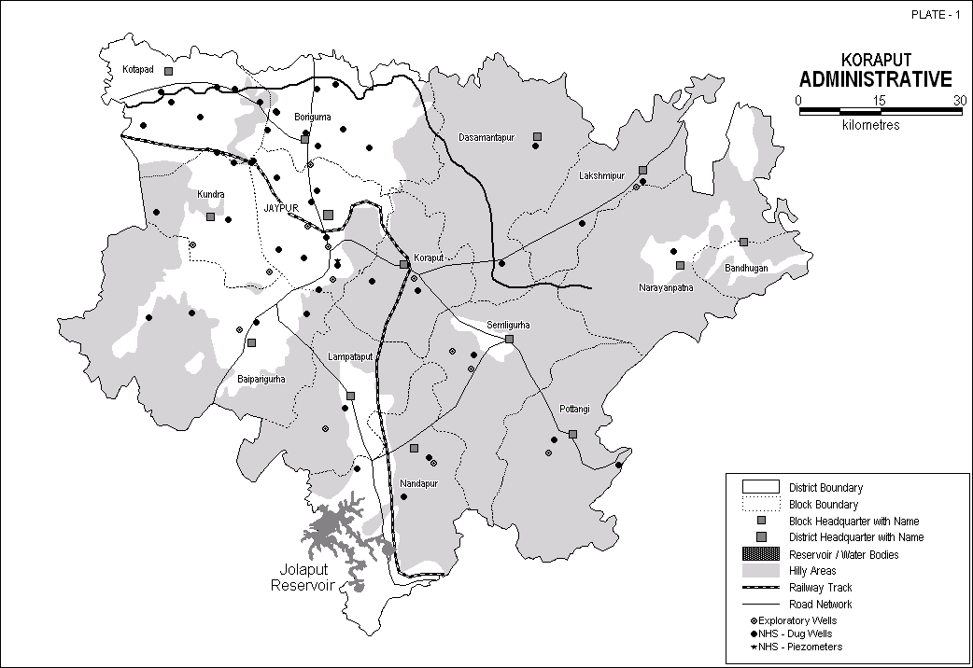

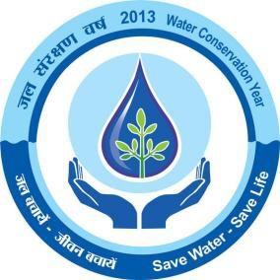
KORAPUT DISTRICT AT A GLANCE
Sl No | ITEMS |  |  |  |  |  |  |  |  |  |  |  |  |  |  | Statistics
1 | GENERAL INFORMATION
 | i. |  | Geographical Area (Sq. Km.) |  |  |  |  |  |  |  |  |  |  |  |  | 8807
 | ii. |  | Administrative Divisions as on 31.03.2007
 | Number of Tehsil / Block |  |  |  |  |  |  |  |  |  |  |  |  |  |  | 7 Tehsils,14 Blocks
 | Number of Panchayat / Villages |  |  |  |  |  |  |  |  |  |  |  |  |  |  | 226 Panchayats 2028 Villages
 | iii |  | Population (As on 2011 Census) |  |  |  |  |  |  |  |  |  |  |  |  | 1,376,934
 | iv |  | Average Annual Rainfall (mm) |  |  |  |  |  |  |  |  |  |  |  |  | 1521.8
2 | GEOMORPHOLOGY
 | Major physiographic units |  |  |  |  |  |  |  |  |  |  |  |  |  |  | Mostly highly rugged mountain with narrow intermontane valleys, gently undulating with isolated hillocks and mounds in the west
 | Major Drainages |  |  |  |  |  |  |  |  |  |  |  |  |  |  | Indravati, Kolab, Sileru, Vegabati, Subarnamukhi & their tributaries
3 | LAND USE (Sq. Km.)
 | a) |  | Forest Area |  |  |  |  |  |  |  |  |  |  |  |  | 2321.59
 | b) |  | Net Sown Area |  |  |  |  |  |  |  |  |  |  |  |  | 2408.97
 | c) |  | Cultivable Area |  |  |  |  |  |  |  |  |  |  |  |  | 3010
4 | MAJOR SOIL TYPES |  |  |  |  |  |  |  |  |  |  |  |  |  |  | Alfisols, Ultisols
5 | AREA UNDER PRINCIPAL CROPS |  |  |  |  |  |  |  |  |  |  |  |  |  |  | Cereals etc : 2,17,000 Ha Pulses etc. : 25,630 Ha Oil seeds : 12,610 Ha
6 | IRRIGATION BY DIFFERENT SOURCES
 | (Areas and Number of Structures)
 | Dug wells |  |  |  |  |  |  |  |  |  |  |  |  |  |  | 4,264 Ha
 | Tube wells / Bore wells
 | Tanks / ponds |  |  |  |  |  |  |  |  |  |  |  |  |  |  | 5,404 Ha
 | Canals |  |  |  |  |  |  |  |  |  |  |  |  |  |  | 47,687Ha
 | Other sources
 | Net irrigated area |  |  |  |  |  |  |  |  |  |  |  |  |  |  | 57,355 Ha
 | Gross irrigated area |  |  |  |  |  |  |  |  |  |  |  |  |  |  | 57,355 Ha
7 | NUMBERS OF GROUND WATER MONITORING WELLS OF CGWB( As on 31-3-2011)
 | No of Dug wells |  |  |  |  |  |  |  |  |  |  |  |  |  |  | 49
 | No of Piezometers |  |  |  |  |  |  |  |  |  |  |  |  |  |  | 2
10 | PREDOMINANT GEOLOGICAL FORMATIONS |  |  |  |  |  |  |  |  |  |  |  |  |  |  | Granites, Granite Gneiss & its variants
11 | HYDROGEOLOGY
 | Major Water bearing formation |  |  |  |  |  |  |  |  |  |  |  |  |  |  | Granites, Granite Gneiss
 | Pre-monsoon Depth to water level during 2011 |  |  |  |  |  |  |  |  |  |  |  |  |  |  | 3 – 7 mbgl
 | Post-monsoon Depth to water level during 2011 |  |  |  |  |  |  |  |  |  |  |  |  |  |  | 1.5 – 4.6 mbgl
 | Long term water level trend in 10 yrs (2001-2011) in m/yr |  |  |  |  |  |  |  |  |  |  |  |  |  |  | No perceptible change
12 | GROUND WATER EXPLORATION BY CGWB (As on 31-03-2011)
 | No of wells drilled(EW, OW, PZ, SH, Total) |  |  |  |  |  |  |  |  |  |  |  |  |  |  | EW-17,OW-7,PZ-2,SH-0>26
 | Depth Range(m) |  |  |  |  |  |  |  |  |  |  |  |  |  |  | 25 – 200.80
 | Discharge(litres per second) |  |  |  |  |  |  |  |  |  |  |  |  |  |  | 0.10 – 6.90
 | Storativity(S) |  |  |  |  |  |  |  |  |  |  |  |  |  |  | -
Sl No | ITEMS |  |  |  |  |  |  |  |  |  |  |  |  |  |  | Statistics
 | Transmissivity(m2/day) |  |  |  |  |  |  |  |  |  |  |  |  |  |  | -
13 | GROUND WATER QUALITY
 | Presence of Chemical constituents more than permissible limit(e.g. EC, F, As, Fe) |  |  |  |  |  |  |  |  |  |  |  |  |  |  | Not reported
 | Type of Water |  |  |  |  |  |  |  |  |  |  |  |  |  |  | Mostly Calcium Bicarbonate, C2S1 Irrigation Class
14 | DYNAMIC GROUND WATER RESOURCES(2009) – in mcm
 | Net Ground Water Resources Availability |  |  |  |  |  |  |  |  |  |  |  |  |  |  | 69.117
 | Net Annual Ground Water Draft |  |  |  |  |  |  |  |  |  |  |  |  |  |  | 6.530
 | Projected Demand for Domestic and Industrial Uses up to 2025 |  |  |  |  |  |  |  |  |  |  |  |  |  |  | 3.388
 | Stage of Ground Water Development |  |  |  |  |  |  |  |  |  |  |  |  |  |  | 9.45 %
15 | AWARENESS AND TRAINING ACTIVITY
 | Mass Awareness Programmes organized |  |  |  |  |  |  |  |  |  |  |  |  |  |  | 1
 | Date |  |  |  |  |  |  |  |  |  |  |  |  |  |  | 21st December, 2005
 | Place |  |  |  |  |  |  |  |  |  |  |  |  |  |  | Koraput Town
 | No of Participants |  |  |  |  |  |  |  |  |  |  |  |  |  |  | 150
 | Water Management Training Programmes organized |  |  |  |  |  |  |  |  |  |  |  |  |  |  | 1
 | Date |  |  |  |  |  |  |  |  |  |  |  |  |  |  | 22nd December, 2005
 | Place |  |  |  |  |  |  |  |  |  |  |  |  |  |  | Koraput Town
 | No of Participants |  |  |  |  |  |  |  |  |  |  |  |  |  |  | 150
16 | EFFORTS OF ARTIFICIAL RECHARGE & RAIN WATER HARVESTING
 | Projects completed by CGWB(No & Amount spent) |  |  |  |  |  |  |  |  |  |  |  |  |  |  | Nil
 | Projects under technical guidance of CGWB(Numbers) |  |  |  |  |  |  |  |  |  |  |  |  |  |  | Nil
17 | GROUND WATER CONTROL AND REGULATION
 | Number of OE Blocks |  |  |  |  |  |  |  |  |  |  |  |  |  |  | Nil
 | No of Critical Blocks |  |  |  |  |  |  |  |  |  |  |  |  |  |  | Nil
 | No of Blocks notified |  |  |  |  |  |  |  |  |  |  |  |  |  |  | Nil
18 | MAJOR GROUND WATER PROBLEMS AND ISSUES |  |  |  |  |  |  |  |  |  |  |  |  |  |  | None.
1.0 Introduction Koraput district located in the southern part of the state has a total geographical area of 8807 sq. km. It lies It lies between Latitudes of 18° 15’ 00” to 19° 12’ 30” North and Longitude of 82° 08’ 04” to Longitude 83° 24’ 46” East, falling in survey of India degree sheets (1:2,50,000) nos. 65 I, J, M and N. It is bounded on the north by Nowarangpur, Kalahandi and Rayagada districts of Orissa, Andhra Pradesh in the south and east and Chattishgarh in the West. The district is divided into 2 subdivisions of Koraput and Jeypore. There are 14 community development blocks – Physiographically, except the north western and west-west central part, almost the entire district is occupied by dense forest, highly rugged mountain, interspersed with narrow intermontane valleys. The average attitude of the hilly terrain ranges from 900 to 1400 m amsl. North Western and West-west central parts are characterized by gently undulating plain dotted with isolated hillocks. The Kolab and Indravati river and their tributaries constitute the main drainage system of the district. The main slope of the district is towards west and north-west. The drainage pattern in the district is controlled by Indravati, Sabari (Kolab), Sileru, Vegavati, Subarnamukhi, Jaryhavati and their tributaries. The river Indravati and Kolab drains the major parts of Koraput district. Most of the tributaries of Kolab river and Indravati river are perennial in nature. Koraput district shows wide variation in land use pattern. The land utilization pattern indicates that out of total geographical area, the forest area constitute 52279 ha. The net sown area is 240897 ha. The district was geologically studied by Geological Survey of India and prepared the geological map of the district. The initial hydrogeological survey on regional scale was carried out by Central Ground Water Board during nineteen eighties. Subsequently the entire district was covered by Central

The entire Koraput district has a unique physiographic set up. Except the north western and west - west central part, the rest of the district is occupied by densely forest with highly rugged mountains, interspersed with intermontane valleys. The elevation of the hilly terrain ranges from 900 to 1400 mm above mean sea level with the highest peak of 1620 m amsl. The major geomorphic units of the district are classified as - Flood plain, Mesa/butte, Denudational hills, Pediment, Deeply weathered pediplain, Inselberg, Structural hills, Severely dissected plateau, Intermontane valley, Structural valley, Residual hill and Bazada. Flood Plain - These are the narrow stretch of alluvium occurring along the major rivers and include buried channels & migrated river courses. Depending upon the thickness of the alluvium the flood plain can be suitable for shallow aquifer. Mesa/Butte - These are the flat topped hill with escarpment or both the sides. Perched water bodies of limited extent may occur depending on the width of the plateau. Denudational Hill - These are represented by a group of massive hill ranges intersected with narrow intermontane valleys. Weathered zones in intermontane valleys are favourable for forming shallow aquifers while deeper aquifers are controlled by faults & fractures. Pediments - These are gently undulating bed rocks with little or no weathering. Both the shallow and deeper aquifers are controlled by lithology & structures. Deeply weathered pediplain -The pediplain generally present gently undulating topography with the thickness of weathered zone ranging between 5 to 20 m with the average thickness around 12 to 15 m. These are favourable locales for ground water occurrences. Deeper aquifers are controlled by lithology & structures. lnselberg - These are isolated hills of limited Areal extent surrounded by plain all around. Structural hills -These are linear to curvilinear hil

Depending upon the mode of origin, occurrence and the physical and chemical characteristics, the soil at the district are mainly classified into two major groups 1) Alfisols and 2) Ultisols. Alfisols - The alfisols includes Red loamy soil and red Sandy Soil and are generally light textured with a PH ranging from 6.5 to 7.3. The soils are in general having average to good fertility. Ultisols - The Ultisols occurs as narrow and elongated patch in the Central part of the district. These soils are slightly acidic in nature with a PH ranging from 4.5 to 6.0. 4.0 Ground Water Scenario 4.1 Geology Major parts of the Koraput district is underlain by hard rocks of Pre-Cambrian age. The consolidated rocks of upper to middle Proterozoic age occupy a small portion of north-western part of the district. The Recent to sub Recent alluvium occurs as thin and discontinuous patches in limited scale along the prominent drainage channel. The Laterite occurs as their capping over the country rocks in isolated pockets. The generalized stratigraphic sequence in the district is given below
Recent to Sub Recent |  |  |  |  |  |  |  |  |  |  | Alluvium, Laterite
Upper to middle Proterozoic |  |  |  |  | Chhattisgarh Group |  |  |  |  |  | Purple shale, limestone, Basal quartzite.
Proterozoic to Archaean |  |  |  |  | Bengal group |  |  |  |  |  | Quartzite, Quartz and biotite gneiss
 |  |  |  |  | Eastern Ghat group |  |  |  |  |  | Biotite bearing garnetiferous granite. Gneiss with mega-crystal of white Feldspar.
 |  |  |  |  |  |  |  |  |  |  | Acid, intermediate, basic Charnockite.
Archaean |  |  |  |  |  |  |  |  |  |  | Garnet-sillimanite Schist, green khondalite Quartzite& calc-granulite.
Granite Gneisses -These rock types of Eastern Ghat Group generally occurs in the undulating plains and sometimes forms hills and hillocks. These rocks are mostly represented by biotite gneiss, porphyritic granitic gneiss etc. They are porphyritic and non porphyritic in nature and are usually grey to light grey in colour. Khondalites - This suite of rocks comprises mainly of quartz - garnet sillimanite gneiss and schist, garnetiferous sillimanite gneiss and schist, garnetiferous sillimanite quartzite and calc-granulite, which occurrs in an interbedded sequence. Khondalite are found associated with charnockite and porphyroblastic granitoid gneiss. The rocks are grayish brown to reddish brown in colour and are well foliated. The occurrence of quartzite and calc granulites are very limited and sporadic. Charnockite -This suite of rocks comprises of pyroxene granulite (basic), hypersthene granite and granodiorite (acid and intermediate). These are generally found to occur in south and central part of the district. The acid and intermediate variety of charnockite is more prominent and form longer bodies than the basic variety. The charnockite are fine to coarse grained, greenish grey colour having greasy lustre. Quartzite - These includes quartzite, garnet andalusite gneiss of Bengal Group. These are metasediments occupying limited area in western part of the district. Shale, limestone and Quartzite - These belong to Chattisgarh Group of middle to upper Proterozoic age. These rocks occur uncomformably over granite gneisses. These are slightly metamorphosed and
consist of white non feldspathic quartzites, impure limestone and purple shales. These rocks are generally exposed in the north-eastern part of the district. These rocks are best exposed around Gupteswar - Ramgiri area in Boipariguda blocks. Laterite and Alluvium -These are reddish, porous, concretionary material occurs as capping over the country rocks. Considerable thickness of Laterite mainly of detrital origin have also been formed or shaly formation around Kotpad area. Laterite generally occur due to intensive weathering under extreme oxidizing conditions in tropical to sub-tropical climate characterized by strongly contrasted wet and dry seasons. The alluvium of recent origin comprising of sand, silt and clay of limited extension and thickness occurs in pockets along major drainage channels. They are generally fire to coarse grain in nature. The major part of Koraput district is underlain by the rocks of the eastern ghat group which has undergone multiple deformation as reveled by the presence of structural features like fold, faults, joints, foliation etc: There are at least five major tectonic events represented by NE-SW, ENE-WSW, N-S, NW- SE and NNE-SSW tectonic patterns in chronological order. Granite gneisses exhibit gneissosity in NNE- SSW direction. Khondalite are highly fractured and sheared. Charnockite are usually massive and compact in nature. The rocks of Chhattisgarh group are gently folded with low dips of both the limbs (4°-11°). The fold axis trends in N 35° E - S 35 °E. 4.2 Hydrogeology Features like geological set up, rainfall distribution and the degree of primary and secondary porosity controls the hydrogeological framework of a place. As the district is underlain by diverse rock type as already discussed, it results in contrasting water bearing properties of these different geological formation. The major part of the Koraput district is underlain by hard, crystalli

located in granitic terrain in Jeypore, and Boriguma block is considerably more than those in Khondalitic terrain. Maximum potential fractures in this formation occurs in the depth range of 45-125 mbgl. Transmissivity value of the aquifer ranges from 0.5 to 10.68 m2/ day. Khondalites - Khondalite suites of rocks are generally highly metamorphosed intensely folded with fractures that are 25-30 m deep. The joints extend beyond 65 m depth bgl. Groundwater occurs under unconfined to semi-confined conditions. The thickness cif this residuum ranges from 27 to 47 m bgl. The depth to water level in pheratic aquifer during pre and post monsoon period varies from 0.65 to 15.35 mbgl and 0.42 to 13.75 mbgl respectively. The discharge of the bore well varies from 1 to 3 Ips. Maximum potential fractures in this formation occur in the depth range of 35-96 m bgl. Transmissivity value of the aquifer ranges from 0.5 to 2-3 m2/ day. Charnokite -Due to hard, compact and massive nature of this formation, the thickness of weathered residuum is limited. The weathering is not very pronounced being upto only 7-10 m in depth. The spacing of joints is wide apart. The depth to water level in pheratic aquifer is of limited areal extent during pre and post monsoon period varies from 2.05 to 14.9 m bgl and from 2.31 to 11.30 m bgl respectively. Discharge of bore wells tapping fractured zone ranges from 1 to 5 Ips. Maximum potential fractures in this formation occurs in the depth range of 30-136mbgl. Transmissivity value of the aquifer ranges from 1.8-3.0 m2f day. Quartzite/gneiss - The phreatic aquifer in this formation is of limited areal extent. The thickness of weathered residium varies from 10 to 12 m bgl. The depth to water level in phreatic aquifer during pre and post monsoon period varies from 3.52 to 10.7 mbgl & from 1.24 to 7.08 mbgl respectively. Yield of the dug well is less than 1 Ips.

through 49 permanent hydrograph station (NHS). The depth to water level data are being collected four times in a year in the month of January April, August & November. Water samples from NHSS are collected during April and are analysed for chemical parameters. Depth to water level - A total of 49 no. key wells were monitored during premonsoon and post monsoon period. A perusal of these data indicates that during post monsoon period (Nov) the depth to Water level in major parts of the district ranges between 1.5-4.6 below ground level. The shallow water levels i.e. 0-1.5 m depth range during the same period has been observed in the minor isolated pockets in the district. Depth to water levels more than 5 m are generally found in minor pockets. During premonsoon period (April) the depth to water level in major parts of the district range between 3 to 7 m below ground level. Water Level Trend - The trend of water level on long term basis (10 years, 2001 to 2011) have been studied for pre-monsoon and post monsoon period based on the data of permanent hydrograph station (NHS). The water level trend analysis indicated that there is both minor rise and fall of water levels in both the periods. The water level trends during post monsoon period indicate that out of 49 stations 29 stations show rise and rest 15 stations show fall in water levels. The maximum rise of water level is to tune of 0.577m. The maximum fall of water level is 0.44m with the maximum values resting below 10 cm. The water level trends during pre-monsoon period indicate that fall has been noted in 15 stations. The maximum fall of water level is 0.761m. The remaining stations show rise of water level with the maximum rise around 0.577m. Considering the minor magnitude of rise and fall of water level over a period of 10 years both the rise and fall values are ignored and it is opined that no perceptible change has been occurred in ground water levels

Conductance values. The data indicate that majority of water samples fall either in C1S1 or C2S1 class of water i.e., Iow and medium salinity classes. Very few water samples fall in C3S1 class i.e., high salinity class. Only in rare cases the samples fall in C4S1 class i.e., very high salinity class. All the water samples fall in low sodium hazard group (S1). This indicate that ground water is fit for most type of crops and in isolated local pockets salt tolerant crops should be grown. 4.6 Status of Ground Water Development (Blockwise) Hard crystalline rocks occupy major parts of the district, where development of ground water is feasible through dug wells. In the hilly and rugged terrain development of ground water is feasible in the intermontane valleys through dug wells or shallow tube wells. In the flood plains of the river Indravati in Kotapad block alluvial deposits occur as discontinuous patches where shallow tube wells are feasible. Annually replenishable ground water resource of the district is assessed to be 69117 HM and the gross annual draft for domestic, industrial, and irrigation uses is 6530 HM. The average stage of ground water development in the district is 9.45 %. Table : Blockwise Ground Water Resource of Koraput District (As per March, 2009)
Sl No |  | Block |  | Net Annual Ground Water Availability |  |  | Existing Gross Ground Water Draft for Irrigation |  | Existing Gross Ground Water Draft for domestic & Industrial Supply |  |  |  |  | Existing Gross Ground Water Draft for all uses |  |  | Provision for domestic & industrial requirement supply for next 25 years |  |  |  |  | Net Ground Water Availability for future irrigation development | Stage of Ground Water Development
 |  |  |  | (ham) |  |  | (ham) |  | (ham) |  |  |  |  | (ham) |  |  | (ham) |  |  |  |  | (ham) | ( % )
1 |  | 2 |  | 3 |  |  | 4 |  | 5 |  |  |  |  | 6 |  |  | 7 |  |  |  |  | 8 | 9
1 |  | Baipariguda |  | 11101.00 |  |  | 244.00 |  | 243.00 |  |  |  |  | 487.00 |  |  | 322.00 |  |  |  |  | 10535.00 | 4.39
2 |  | Bandhugaon |  | 1396.00 |  |  | 123.00 |  | 119.00 |  |  |  |  | 242.00 |  |  | 164.00 |  |  |  |  | 1109.00 | 17.34
3 |  | Boriguma |  | 7600.00 |  |  | 455.00 |  | 387.45 |  |  |  |  | 842.00 |  |  | 431.00 |  |  |  |  | 6714.00 | 11.08
4 |  | Dasmantapur |  | 4377.00 |  |  | 205.00 |  | 176.18 |  |  |  |  | 381.00 |  |  | 224.00 |  |  |  |  | 3949.00 | 8.70
5 |  | Jeypore |  | 6122.00 |  |  | 211.00 |  | 517.32 |  |  |  |  | 728.00 |  |  | 337.00 |  |  |  |  | 5574.00 | 11.89
6 |  | Koraput |  | 6511.00 |  |  | 284.00 |  | 265.00 |  |  |  |  | 549.00 |  |  | 216.00 |  |  |  |  | 6011.00 | 8.43
7 |  | Kotpad |  | 9450.00 |  |  | 398.00 |  | 250.26 |  |  |  |  | 648.00 |  |  | 259.00 |  |  |  |  | 8793.00 | 6.86
8 |  | Kundra |  | 6331.00 |  |  | 280.00 |  | 149.94 |  |  |  |  | 429.00 |  |  | 193.00 |  |  |  |  | 5859.00 | 6.78
9 |  | Lamtaput |  | 2849.00 |  |  | 221.00 |  | 148.00 |  |  |  |  | 369.00 |  |  | 183.00 |  |  |  |  | 2445.00 | 12.95
10 |  | Laxmipur |  | 1628.00 |  |  | 175.00 |  | 197.00 |  |  |  |  | 372.00 |  |  | 188.00 |  |  |  |  | 1265.00 | 22.85
11 |  | Nandapur |  | 4585.00 |  |  | 212.00 |  | 211.19 |  |  |  |  | 424.00 |  |  | 286.00 |  |  |  |  | 4087.00 | 9.25
12 |  | Narayanapatna |  | 1627.00 |  |  | 94.00 |  | 154.00 |  |  |  |  | 248.00 |  |  | 190.00 |  |  |  |  | 1343.00 | 15.24
13 |  | Potangi |  | 2124.00 |  |  | 107.00 |  | 155.00 |  |  |  |  | 262.00 |  |  | 205.00 |  |  |  |  | 1812.00 | 12.34
14 |  | Similiguda |  | 3416.00 |  |  | 161.00 |  | 387.77 |  |  |  |  | 549.00 |  |  | 190.00 |  |  |  |  | 3065.00 | 16.07
 |  | District Total |  | 69117.00 |  |  | 3170.00 |  | 3362.00 |  |  |  |  | 6530.00 |  |  | 3388.00 |  |  |  |  | 62561.00 | 9.45
5.0 Ground Water Management Strategy 5.1 Ground Water Development : As discussed in proceeding chapters, there is an ample scope for large scale grond water
development by ground water structure e.g. dug well, dug cum bore well, bore well and filter point tube well at Hydrogeologically favourable location. Ground water is mainly used for domestic and irrigation purpose and in limited scale for industrial purpose. Dug well - These are most common ground water absraction structure in koraput district and are feasible in topographic lows in hilly terrain and intermontane valleys. These should tap the maximum thickness of water saturated zone. The standard dugwell may be 10-15 m deep and of 4.5 to 6 m diameter, 1-2 H.P centrifugal pumps may be suitable for dug wells, in areas with deep water table,1 H.P centrifugal pumps may be used. A total of 57159 additional dugwells are feasible in the district. Dug cum bore well - These are essentially dug wells with a bore drilled through the bottom down to the depth of 25-30 m from ground water level tapping the saturated shallow fracture below the regolith and in the top portion of the hard basement. The wells should be fitted with 2 HP centrifugal pumps. Filter point / Shallow tube well - About 34.5 sq. km area in parts of Kotpad, Boriguma and Khundra blocks along the Indravati and Kolab river, underlain by flood plain deposists. A cumulative thickness of 4 to 8m of saturated granular zones may be tapped. The tube well should be of 25m deep and of 10-20 cm dia. 5-10 HP centrifugal pumps may be used. Bore well - These are feasible in fractured and jointed consolidated formations in the district. Exploratory drilling data indicates good scope for ground water development through bore well in Koraput district. The bore wells should 100-120m deep and 15m dia. 2-3 H.P submersible pumps may be suitable for ground water development depending upon the availability of productive water bearing fracture zones. Since the surface water resource are inadequate and the district often comes under the grip of droug

conditions. This artificial recharge will also help in increase in storage and also in improving the quality of water etc. The most feasible artificial recharge and rain water harvesting structures are percolation tanks, nala/contour bunding, small check dams/weirs, renovation of old tanks to percolation tanks, water spreading, gully plugging, gabion structures etc. 6.0 Ground water related issues & problems The ground water problems include water logging, ground water pollution and depletion of ground water level etc. As such there is no ground water related problems in the district, except for frequent droughts and lower yield prospect. The details are described below Water logging - As such, there is no water logging condition in Koraput district. An area is considered water logged if the depth to ground water level remains within 0-2m depth range throughout the year. A perusal of the post monsoon depth to water level map indicates that only limited areas are characterized by shallow water table i.e., within 2 m below ground level. However in post monsoon period substantial areas are characterized by 2-4 m depth water level values. Water logging is present in some parts of canal command area. Ground Water Table Depletion - The stage of ground water development in the different blocks varies from 3.88 to 18.41 percent with 6.65% as the total stage of ground water development. The analysis of water level trend for 10 years period (1996 to 2005) for both pre monsoon and post monsoon period indicate that there is no noticeable change in water levels. This also indicates that no depletion in water table has taken place in the district. Ground Water Pollution - It has already been discussed in the ground water quality aspect that water from both shallow and deeper zone falls within permissible limit of drinking water standard. Besides these the study of irrigation class of water also indicates that majority of the samp

2. This large-scale development requires block as well as gram panchayat wise detail hydrogeological map on large scale. For this purpose intensive hydrogeological survey and exploratory drilling aided by remote sensing studies and geophysical investigation may be taken up jointly by the State and Central Govt. agencies. This will help in precise delineation of areas suitable for different ground water development structures and will also facilitate for designing different types of ground water extraction structure and defining specification of pumps etc. 3. Suitable steps for renovation of old and defective well may be taken by deepening to pierce the entire thickness of the saturated zones. Steps are to be taken up for speedy energisation of the wells already constructed to ensures optimal utilization of good potentials. 4. Suitable measures may be taken up by the state Govt. for conjunctive use of surface and ground water in canal irrigated areas. This will serve the dual purpose of preventing water logging situation and supplementing the irrigation water supply particularly in the command areas, which faces shortage of irrigation water. 5. Ground water resources may be augmented through adoption of artificial recharge techniques like construction of sub surface dykes, percolation tank etc., 6. People participation is essential not only for ground water development but also for protecting this valuable natural resource from being polluted and also to avoid over development etc through human interference. 7. Financial institution & bankers should extend necessary co-operation to farmers for grating loan etc for construction & energisation of dug wells. 8. Adoption of best suited cropping pattern will also facilitate to improve the economic situation of this agriculture department district.
PLATE-1 KORAPUT ADMINISTRATIVE 15 30 kilometres . ,· ,·· !! : Narayanpatna
 |  |  |  |  |  |  |  |  |  |  |  |  |  |  |  |  |  | Dis1rict Boundary Block Boundary C Block Headquarter with Name □ Dis1rict Headquarter with Name 111111111111111 Reservoir I Water Bodies Hilly .Areas Railway Track Road Network e Exploratory Wells • NHS - Dug Wells * NHS - Piezometers
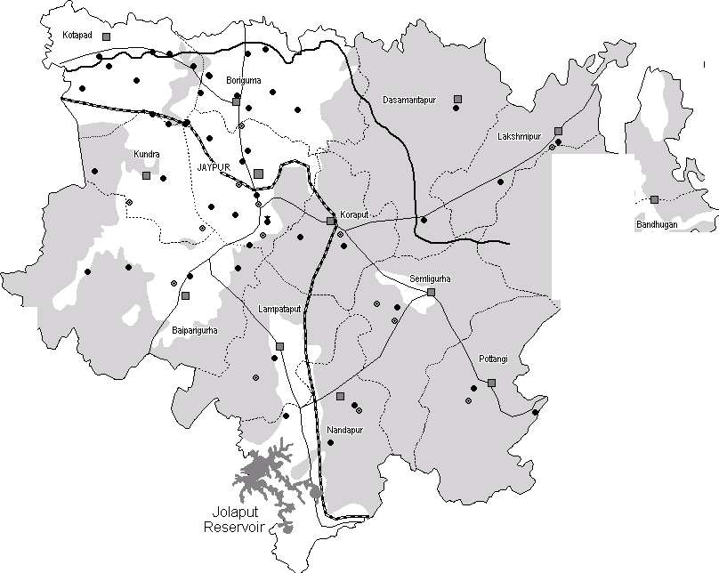
 |  |  |  |  |  |  |  |  |  |  |  |  |  |  |  |  |  |  |  |  | PLATE - 2 KORAPUT Pre-Monsoon Depth to Waler Level April - 2 0 11 in Metres Below Ground Level 0 15 Kilomelres
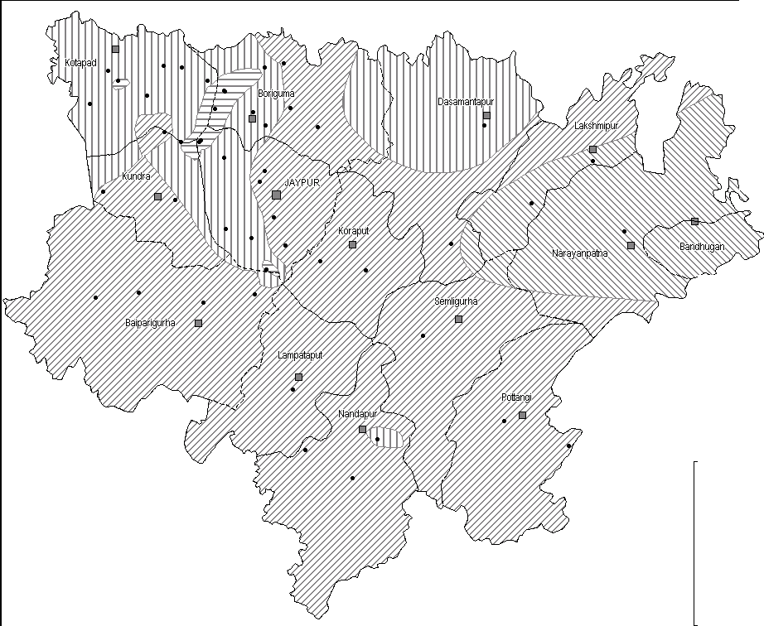
 |  |  |  |  |  |  |  |  |  |  |  |  |  |  |  |  |  |  |  | C:::J DISTRICT BOUNDARY :_-_-_-_-_: BLOCK BOUNDAYR D BLOCK HEADQUARETR Cl DISTRICT HEADQUARTER • Gr ound W ater Obse r vati on Wells Pre-Monsoon Depthto Water Level(mbgl) E::3 0 - 2 m ITIIIJ 2 - s m 5 - 10 m ISSSS:j >1om

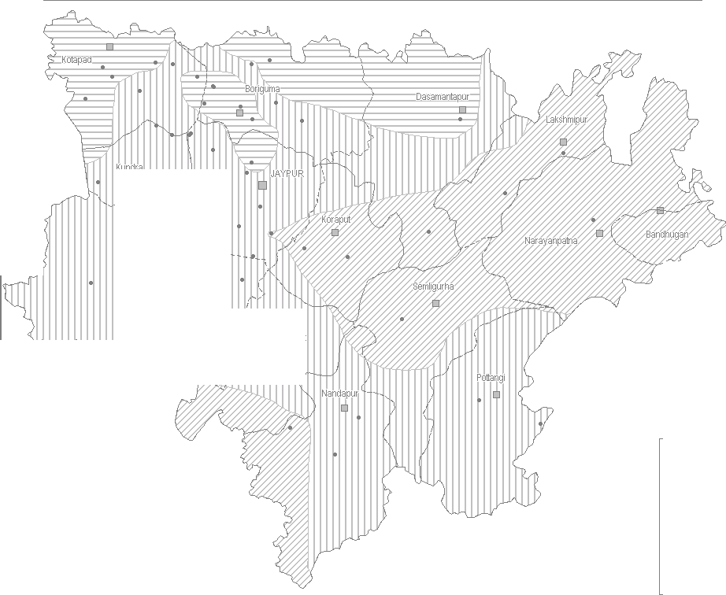 Bi rg h mP,ala ot |  |  |  |  |  |  |  |  |  |  |  |  |  |  |  |  |  |  |  | PLATE - 3 KORAPUT Post-Monsoon Depth to Waler Level November - 2011in Metres Below Ground Level 0 15 Kilomelres
 |  |  |  |  |  |  |  |  |  |  |  |  |  |  |  |  |  |  |  | C:::J DISTRICT BOUNDARY :_-_-_-_-_: BLOCK BOUNDAYR D BLOCK HEADQUARETR Cl DISTRICT HEADQUARTER • Gr ound W ater Obse r vati on Wells Post Monsoon Depthto Water Levelinmbgl E::3 0 - 2 m ITIIIJ 2 - s m 5 - 10 m
PLATE - 4 KORAPUT Hydrogeology
W+ N E s
kilometres
: __ __ : BlockBoundary withName Hilly .O.reas Hydrogeology fill RecerrtAlluvium. Yield<15lp$ !ZI Pre-Cambrian limestones.Shale.Ouartzfo. Yield< 5 l ps Pre-Carr1brian Shales,Ph llltes,Schish, tfoble. Yiedl < 5 Lps [8 Pre-Cambrian Chmocklte,. Khondalltu.Calc-Silicatu. Yield 2· 5 lps 0 Pre-CambrinaGmltes & Gneisses. Yield 10-15 lps Pre-Monsoon Decadal Mean Dep1hto iruater Tablein mbgl -- lso Conductivity Contours in MicroMhos I cm TI Iron> Pent1issibte limit of1 mgA. I),,,. fluoride > Pemisi:siblelimit of1.5 mg A.
PLATE - 4 KORAPUT Hydrogeology
W+ N E s
kilometres
: __ __ : BlockBoundary withName Hilly .O.reas Hydrogeology fill RecerrtAlluvium. Yield<15lp$ !ZI Pre-Cambrian limestones.Shale.Ouartzfo. Yield< 5 l ps Pre-Carr1brian Shales,Ph llltes,Schish, tfoble. Yiedl < 5 Lps [8 Pre-Cambrian Chmocklte,. Khondalltu.Calc-Silicatu. Yield 2· 5 lps 0 Pre-CambrinaGmltes & Gneisses. Yield 10-15 lps Pre-Monsoon Decadal Mean Dep1hto iruater Tablein mbgl -- lso Conductivity Contours in MicroMhos I cm TI Iron> Pent1issibte limit of1 mgA. I),,,. fluoride > Pemisi:siblelimit of1.5 mg A.
RAPUT DISTRICT
KO 00 d wm, "'"" , <'"
Dynam'"(As"'",.. ) /"" '"- / '-, .,-,.-',J'--c ,I, '--'·t r < , , '"'-
'j •r |  |  |  |  |  | 'v:- '-' |  |  |  |  |  | , ', |  |  | '\ /'J ;, ( ,
l.l ...J..,I,_., .•-, ""JJ" "'-',\ |  |  |  |  |  |  |  |  |  |  |  |  |  | - _"","."'·N)...' |  |  |  |  | ....) \J, t 7
I - --.,,,\ v~,,..".f-.,..7 "; '·,,""'u/82:ss % ) , -- •• -,····-- _,-,,'-;, .
_Cl \ ..II I / .. .-· J { / _J·, •• KU'D-R>A(67S%) JEYPORE(11.S9%); ;' !:I ' \ /Si --, • :r NA RAYANPATNA( 1 5. 2\ 4% i '·, =•• o,rf,o"'6,orn%)
j JI /'\ '-....:-., /-
_j'-,,.. BOIPARIGUDA(4.39%) ' '·•-,-/, ;.., "'"'""/ """'"7... />
l ") |  |  |  | ' ,.,, |  |  | -·' | '.ao |  | , ,I I |  |  | '),·-' _ell |  |  |  | a,<-
'.J /', : ( ' ---. ) "-,,-) ., / "";-·-biMPTAPUT(1295%\ ') ---'==- / 1 r" /l' ,,,-,J ( i POTTANGl(12 34%) r==:;-::= ;;;;;;;---- V "1-·---- _c:. \.. ( <,,,.l 1-:=_-:= 1 DI S TRICT BOUND:RY
V-/ PUR(925%) ('_ _'\J 1 ...J\_ ) ·---··'"BiLlhOnCaKmBeO&UsNtaDgAeRogf roun d walerd eve lo pme n1
C,, .. -1L , ; l,j |  |  |  |  |  |  |  |  |  |  |  | ' \, ,.. d WaterResour ces( HaM) ,./ Dy nam ic G ro ," on31.03.2009 f" ...- 1 ,2 000 Gross GroundW ater D:i : ltyi Net GroundWerter Ava d WaterResourc es AnnualReplenishable Groun
CHEMICAL QUALITY OF KORAPUT DISTRICT * • * IRON EC RANGE 0.0000 to 500.0000 - 500.0000 to 1000.0000 - 1000 0000 to 1500.0000

