Table 1
Govt. of India MINISTRY OF WATER RESOURCES CENTRAL GROUND WATER BOARD OF KHURDA DISTRICT South Eastern Region Bhubaneswar May , 2013

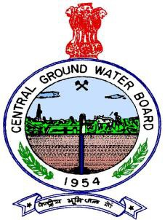
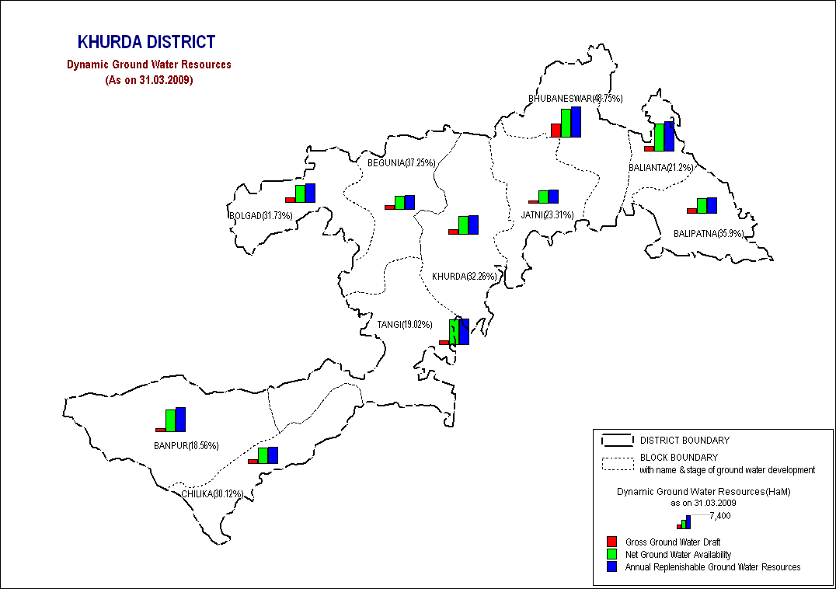

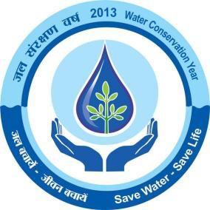
DISTRICT AT A GLANCE
SL. NO |  |  | ITEMS |  |  |  |  |  |  |  |  |  |  |  |  | STATISTICS
1 |  |  | GENERAL INFORMATION
 |  |  | i) |  |  |  |  | Geographical area (Sq.Km) |  |  |  |  |  |  |  | 2,813
 |  |  | ii) |  |  |  |  | Administrative Division No.of Tehsil/Block No.of Panchayats/villages |  |  |  |  |  |  |  | 7 Tehsils/10 Blocks 168 G.Ps, 1,551 villages
 |  |  | iii) |  |  |  |  | Population (As on 2011 census) |  |  |  |  |  |  |  | 2,24,6341
2 |  |  | GEOMORPHOLOGY
 |  |  | Major physiographic units |  |  |  |  |  |  |  |  |  |  |  |  | Coastal sand dunes, Lateritic uplands, Alluvial plains, Hilly terrain.
 |  |  | Major Drainages |  |  |  |  |  |  |  |  |  |  |  |  | The Mahanadi, Kuakhai, Kushabhadra, Daya, Ran, Kalijiri, Sulia, Kharia & the Kusumi.
3 |  |  | LAND USE (Sq. Km)
 |  |  | a) Forest area: |  |  |  |  |  |  |  |  |  |  |  |  | 620 |  | Sq.Km
 |  |  | b) Net area sown: |  |  |  |  |  |  |  |  |  |  |  |  | 1,330 Sq.Km
4 |  |  | MAJOR SOIL TYPES |  |  |  |  |  |  |  |  |  |  |  |  | Alfisols, Ultisols, Entisols
5 |  |  | IRRIGATION BY DIFFERENT SOURCES (Area and number of structures)
 |  |  | Dugwells |  |  |  |  |  |  |  |  |  |  |  |  | 30,875
 |  |  | Tube wells/ Borewells |  |  |  |  |  |  |  |  |  |  |  |  | 2603 Filter point tube well, 225 Shallow tub well, 22 Medium tube well
 |  |  | Gross irrigated area |  |  |  |  |  |  |  |  |  |  |  |  | 268.36 Sq.Km
6 |  |  | NUMBERS OF GROUND WATER MONITORING WELLS OF CGWB (As on 31.3.2011) |  |  |  |  |  |  |  |  |  |  |  |  | 33
 |  |  | No.of Dug Wells |  |  |  |  |  |  |  |  |  |  |  |  | 28
 |  |  | No of Piezometers |  |  |  |  |  |  |  |  |  |  |  |  | 5
7 |  |  | PREDOMINANT GEOLOGICAL FORMATIONS |  |  |  |  |  |  |  |  |  |  |  |  | 1) Precambrians:Khondalite, Charnockite , 2) Mesozoic Upper Gondwana Semi-consolidated rocks 3) Quaternary: Alluvium
8 |  |  | HYDROGEOLOGY
 |  |  | ➢ Major water bearing formation ➢ Premonsoon depth to water level during 2011 ➢ Post-monsoon Depth to water level during 2011 ➢ Long term water level trend in 10 yrs (2001-2011) in m/yr |  |  |  |  |  |  |  |  |  |  |  |  | Consolidated &Unconsolidated formations Min 2.12 m bgl (Balipatna) Max 13.30 m bgl (Tangi) Min 0.78 mbgl (Balipatna), Max 7.27 m bgl (Tangi) Maximum rise 0.18 m/yr & Fall 0.006 m/yr
9 |  |  | GROUND WATER EXPLORATION BY CGWB AS ON 31.03.2011)
 |  |  | No.of wells drilled( EW, OW, PZ, SH, Total) |  |  |  |  |  |  |  |  |  |  |  |  | 23 (18 EW, 5 OW, 4 PZ)
 |  |  | Depth Range(m) |  |  |  |  |  |  |  |  |  |  |  |  | 41.30 m to 200 m ( Hard rock)& 54.65 m to 114.17 m ( Semi- Consolidated rocks)
 |  |  | Discharge( liter/second) |  |  |  |  |  |  |  |  |  |  |  |  | 2-5 lps (Hard rock), 5-7 lps (semi-consolidated formations)
10 |  |  | GROUND WATER QUALITY
 |  |  | Presence of chemical constituents more than permissible limit ( e.g. E.C, F, As, Fe) |  |  |  |  |  |  |  |  |  |  |  |  | High Iron > 1mg/l at Khandagiri( 2.8 mg/l), Bharatpur (2.1mg/l), Jagannathprasad( 4.6 mg/l)
11 |  |  | DYNAMIC GROUND WATER RESOURCES( 2009) IN MCM
 |  |  | Annual replenishable ground water resources |  |  |  |  |  |  |  |  |  |  |  |  | 47618 Ham
 |  |  | Net annual ground Water Draft |  |  |  |  |  |  |  |  |  |  |  |  | 14141 Ham
 |  |  | Projected demand for Domestic and Industrial uses up to 2025 |  |  |  |  |  |  |  |  |  |  |  |  | 8603
 |  |  | Stage of Ground Water development |  |  |  |  |  |  |  |  |  |  |  |  | 29.70%
12 |  |  | AWARENESS AND TRAINING ACTIVITY |  |  |  |  |  |  |  |  |  |  |  |  | Nil
 |  |  | Date Place No.of Participants |  |  |  |  |  |  |  |  |  |  |  |  | 20.12.2007 Bhubaneswar 550
 |  |  | Water Management Programme Organised Date Place No.of Participants |  |  |  |  |  |  |  |  |  |  |  |  | 18.12.2007 Bhubaneswar 120
13 |  |  | EFFORTS OF ARTIFICIAL RECHARGE & RAINWATER HARVESTING
 |  |  | Projects completed by CGWB (No. & Amount spent) |  |  |  |  |  |  |  |  |  |  |  |  | One Artificial Recharge & Rain water harvesting project was completed at Rajbhawan, Bhubaneswar Amount Spent: 14 lakh
 |  |  | Projects under technical guidance of CGWB (Numbers) |  |  |  |  |  |  |  |  |  |  |  |  | Nil
14 |  |  | GROUND WATER CONTROL AND REGULATION
 |  |  | Number of OE blocks |  |  |  |  |  |  |  |  |  |  |  |  | Nil
 |  |  | No.of Critical blocks |  |  |  |  |  |  |  |  |  |  |  |  | Nil
 |  |  | No.of blocks notified |  |  |  |  |  |  |  |  |  |  |  |  | Nil
1.0 Introduction: Khurda district with an area of 2813 sq km is bounded between latitudes 190 40’ N and 200 27’ N and longitudes 840 56’ E and 860 05’ E. It is bounded in the north and northeast by Cuttack district, on the west and southwest by Nayagarh and Ganjam districts, on the southeast by Chilika Lake and Puri district. The Population of the district as per 2001 census is 18,78,000, which is 5.10 % of the total population of the state. The male and female population of the district is 9,87,000 & 8,91,000 respectively. The density of the population is 667 per sq. km. The total literate person of the district is 13,11,000. The district is divided in to 2 subdivisions, namely Bhubaneswar and Khurda which are further subdivided in to 10 C.D blocks such as Bhubaneswar, Jatni, Balipatna, Balianta, Khurda, Bolagarh, Begunia, Tangi, Banpur and Chilika. The district headquarter is connected to all the block headquarters and important towns by all weather roads.
The district is drained by a number of streams which are mostly tributaries and distributaries of the river Mahanadi and a few other streams discharging in to lake Chilika. The important distributaries of Mahanadi are the Kuakhai, Bhargabi, Kushabhadra and the Daya River. The tributaries of the Mahanadi are the Ran and Kalijiri. The streams draining the southern parts of the district are Sulia, Kharia and the Kusumi. All the streams are ephemeral and effluent in nature. Chilika, the largest salt water lake of India is situated in the southeastern part of the district. Systematic ground water survey was first carried out by the geologists of the Geological Survey of India and later completed by Central Ground Water Board. Subsequently reappraisal hydrogeological survey was carried out in different parts of the district during 88-89, 91-92, and 95-96 by CGWB. Under the ground water exploration programme a considerable number of exploratory boreholes were drilled by CGWB. Besides these quite a few numbers of tube wells were also constructed by CGWB on deposit basis for drinking water supply. 2. Climate & Rainfall: The district is characterized by a tropical monsoon climate having three distinct seasons in a year, viz winter, summer and rainy seasons. May is the hottest month with mean daily maximum temp of 380 C, while December is the coldest month with mean daily temperature of 15.70 C. The normal annual rainfall is 1449.1mm & the annual average rainfall is 1436.1mm. The relative humidity varies from 48 to 85 % at Bhubaneswar. The mean monthly potential evapotranspiration values of the district ranges from 57mm in January to 284mm in May. 3. Geomorphological Set up: Based on the physiographic set up, the district may be broadly divided in to four natural divisions such as (a) Coastal sand dune (b) Alluvial plain, (c) Lateritic upland and (d) Hilly terrain.

The dunes having limited width occur along the Chilika coast discontinuously. These deposits are fluvio aeoline in origin and are of longitudinal type. Alluvial plain is the most potential hydrogeomorphic unit. It occurs as narrow strip along Chilika coast in the south east & along the courses of major rivers. The Alluvial plain in the northeast is a part of Mahanadi delta system.
The lateritic upland constitutes the major parts of the district. This forms an undulating terrain covered with lateritic capping over Gondwana sand stone and Precambrian rocks. The hilly terrain is prominent in southwestern and western part. The area is underlain by Precambrian hard rocks and major part of this terrain is capped by laterities and lateritic gravels. The subunits in this terrain are (a) shallow buried pediplain (b) Moderately buried pediment (c) pediments (d) intermontane valley (e) residual hills (f) structural hills etc. Soil & Landuse: There are three types of soil generally found in the district 1) Alfisols 2) Ultisols 3) Entisols Alfisols: The deltaic alluvial soil in the eastern part of the district and the red loamy soils in the northwestern part of the district come under this class. It consists of a wide range of soils including mixed red and black soils, red earth, red loamy soils, red sandy soils, red gravelly soils and other alluvial soils. The red soils are light textured, usually devoid of lime concretions deficient in nitrogen, phosphate & organic matter. The PH of the soil varies from 6.5 to 7.3. These soils are suitable for cultivation of paddy and other crops. Ultisols: These include laterite & lateritic soil, red and yellow soils of the northern and north central part of the district. They are characterized by low contents of Nitrogen, Phosphate, Potassium & Organic matter. The PH of the soils ranges from 4.5 to 6.0. Due to granular nature of these soils cultivation is possible immediately after heavy rains without the danger of any unsatisfactory physical state. Entisols: these include the coastal alluvial soils along the Chilika lake and younger alluvial soils in the central part of the district. The texture in general is sandy to loamy and soils in general are deficient in nitrogen, phosphoric acid and humus. These soils are suitable for wi

Aquifer system of the area may be divided in to (a) fissured (b) porous types based on the lithological characteristics of the area. (a) Fissured formation: The Precambrian crystalline rocks which mainly consists of granite and granite gneiss, Khondalites, Charnockites and Anothosites occupy major parts of the district covering western as well as central and parts of eastern sector of the district. Ground water in these rock types occurs under unconfined conditions within weathered residuum and under semi confined to confined conditions in fractures at greater depths. The thickness of weathered residuum varies from negligible to 35/40m depending on rock types. The thickness of the weathered zone is minimum in Charnockites and Anothosites while the same is maximum in Khondalites. These weathered zones form shallow aquifer where ground water occurs under unconfined conditions. The average yield of dug wells in granitic rocks is around 20 to 22 m3/day with the maximum around 36 to 40 m3/day. In other hard rocks the yield is restricted within 25 m3/day with the average value around 12 to 15 m3/day. (b) Porous formation: The porous formation in the district are a) Semi-consolidated Athagarh formation of upper Gondwana Group b) Quarternary alluvium and upper Tertiary sediments and also laterites and lateritic gravels with limited extent with respect to time and space. (a) Athagarh formation: This aquifer system occurs at shallow as well as deeper depths, are mainly formed of sandstones. The shale form mainly pheratic aquifers and that also with limited potential. The weathered zone extends down to 12 to 15m and top weathered part up to 5 to 6m is lateritised. The yield of dug wells in the weathered zone is on an average is around 20 to 25 m3/day. The yield at deeper fractures is on an average 7 to 10 lps. (b) Quarternary Alluvium & Upper tertiary formations: This

November. The depth to water table values depend on several factors like rainfall, topography, drainage characteristics, proximity to drainage channels, lithology, water bearing and water yielding properties of the rocks. The depth to water level of hydrograph network stations in Khurda district for the year 2011
Well No |  |  |  |  |  |  | Location |  |  |  |  | Jan-11 |  |  | Apr-11 |  |  |  | Aug-11 |  |  | Nov-11
73H-4D30 |  |  |  |  |  |  | Badlasason |  |  |  |  | 1.64 |  |  | 2.05 |  |  |  | 0.18 |  |  | 0.78
73H-4C3 |  |  |  |  |  |  | Baghmari |  |  |  |  | 5.11 |  |  | 6.69 |  |  |  | 0.55 |  |  | 2.1
73H-4D5 |  |  |  |  |  |  | Balipatna |  |  |  |  | 1.04 |  |  | 1.84 |  |  |  | 0.4 |  |  | 0.73
74E-2A3 |  |  |  |  |  |  | Balugaon |  |  |  |  | 1.91 |  |  | 2.51 |  |  |  | 1.34 |  |  | 0.64
73H-3D9 |  |  |  |  |  |  | Bhubaneswar-i |  |  |  |  | 1.84 |  |  | 4.44 |  |  |  | 1.16 |  |  | 4.12
73H-4D25 |  |  |  |  |  |  | Bhudiapara |  |  |  |  | 8.32 |  |  | 1.9 |  |  |  | 0.25 |  |  | 1.3
74E-1B3 |  |  |  |  |  |  | Bhusundapur |  |  |  |  | 6.92 |  |  | 9.4 |  |  |  | 2.85 |  |  | 5.7
73H-4B3 |  |  |  |  |  |  | Bolagarh |  |  |  |  | 3.13 |  |  | 8.92 |  |  |  | 1.86 |  |  | 4.76
73H-4C1 |  |  |  |  |  |  | Jankia |  |  |  |  | 8.33 |  |  | 3.71 |  |  |  | 1.79 |  |  | 4.4
73H-4C4 |  |  |  |  |  |  | Jatni |  |  |  |  | 6.56 |  |  | 8.45 |  |  |  | 0.95 |  |  | 6.64
73H-4D16 |  |  |  |  |  |  | Kapilaprasad |  |  |  |  | 11.95 |  |  | 6.15 |  |  |  | 0.79 |  |  | 2.01
73H-3D5 |  |  |  |  |  |  | Khandagiri |  |  |  |  | 6.01 |  |  | 12.15 |  |  |  | 2.12 |  |  | 9.54
73H-4C5 |  |  |  |  |  |  | Khurda |  |  |  |  | 5.7 |  |  | 9.95 |  |  |  | 1.73 |  |  | 5.46
73H-4D20 |  |  |  |  |  |  | Kuha |  |  |  |  | 7.78 |  |  | 7.23 |  |  |  | 2.95 |  |  | 4.39
74E-1C1 |  |  |  |  |  |  | Nirakarpur |  |  |  |  | 5.4 |  |  | 7.53 |  |  |  | 3.2 |  |  | 6.45
73H-4B1 |  |  |  |  |  |  | Pichkuli |  |  |  |  | 10.42 |  |  | 6.37 |  |  |  | 0.54 |  |  | 2.31
74E-1B1 |  |  |  |  |  |  | Tangi |  |  |  |  | - |  |  | 12.33 |  |  |  | 3.7 |  |  | 7.45
The above table shows that, the depth to water level in the hydrograph network stations of the district mostly ranges from 1.84 to 12.33m below ground level during premonsoon period. The water table is shallow in most part of the district. The depth to water table contour map of both pre and post monsoon seasons are attached in the
brochures as Plate no-3 & 4 respectively. The pre monsoon depth to water level in about 11.9% of the wells fall in the range of 10 to 20 m & 52.9% of the wells fall in the range of 5 to 10m. About 23.5% of the wells show depth to water level between 2 to 5 m and about 11.8% of the wells, less than 2m. Seasonal Fluctuations A perusal of the last 10 years of depth to water level data from the year 1996 to 2005 reveals that 58.8% of the total NHS show rising trend in the range of 0-2 m & 5.9% of the wells shows water level in the range of 2-4m. 29.4% of the wells show falling trend in the range of 0-2m & 5.9 % of total wells in the range of 2-4 m . The post monsoon seasonal fluctuation of the data shows rising trend in 8 Nos of wells (44.4% of the well) in the range of 0-2 m and falling trend in 10 nos of wells (55.6 % of the wells) in the range of 0-2m. The pre monsoon and post monsoon water level data with the decadal mean shows that there is no appreciable change in the ground water regime. Trend Analysis of the Hydrograph Stations also supports this phenomenon except those in the canal command areas where the stations show a perceptible rising trend during the pre monsoon period probably due to the release of canal water during this period. Water level trend The decadal (2001-2011) water level trends during pre-monsoon period indicate that 76.92 percent stations show rising trend of water level. The maximum rising is being 0.18 m/Yr. The falling trend of water level is shown by about 23.07 % of the stations and maximum fall recorded is 0.006 m/yr. The decadal water level trend analysis data of post-monsoon period indicate that there is a rising trend of water level in 88.5 % cases and falling trend in rest 11.5 % cases. The maximum rise recorded is 0.32 m/yr with the majority of the values being more than 0.10 m/yr. The maximum fall is around 0.064/yr with

Well No |  |  |  |  |  |  | Location |  |  |  |  |  | Rise(m/yr) |  |  |  |  | Fall(m/yr) |  |  |  |  | Intercept(Nov- 97)
73H-4D30 |  |  |  |  |  |  | Badlasason |  |  |  |  |  | 0.211 |  |  |  |  | - |  |  |  |  | 2.201
73H-4C3 |  |  |  |  |  |  | Baghmari |  |  |  |  |  | 0.203 |  |  |  |  | - |  |  |  |  | 4.515
73H-4D11 |  |  |  |  |  |  | Balakati |  |  |  |  |  | 0.148 |  |  |  |  | - |  |  |  |  | 6.121
73H-4D5 |  |  |  |  |  |  | Balipatna |  |  |  |  |  | 0.133 |  |  |  |  | - |  |  |  |  | 1.773
73H-4D6 |  |  |  |  |  |  | Balipatna |  |  |  |  |  | 0.235 |  |  |  |  | - |  |  |  |  | 2.9
74E-2A3 |  |  |  |  |  |  | Balugaon |  |  |  |  |  | 0.052 |  |  |  |  | - |  |  |  |  | 1.774
73H-3D9 |  |  |  |  |  |  | Bhubaneswar-i |  |  |  |  |  | 0.1 |  |  |  |  | - |  |  |  |  | 3.901
73H-4D25 |  |  |  |  |  |  | Bhudiapara |  |  |  |  |  | 0.089 |  |  |  |  | - |  |  |  |  | 2.385
74E-1B3 |  |  |  |  |  |  | Bhusundapur |  |  |  |  |  | 0.232 |  |  |  |  | - |  |  |  |  | 7.792
73H-4B3 |  |  |  |  |  |  | Bolagarh |  |  |  |  |  | 0.258 |  |  |  |  | - |  |  |  |  | 7.315
73H-4C2 |  |  |  |  |  |  | Delang |  |  |  |  |  | 0.156 |  |  |  |  | - |  |  |  |  | 1.373
73H-4C1 |  |  |  |  |  |  | Jankia |  |  |  |  |  | - |  |  |  |  | 0.047 |  |  |  |  | 2.775
73H-4C4 |  |  |  |  |  |  | Jatni |  |  |  |  |  | 0.278 |  |  |  |  | - |  |  |  |  | 7.642
73H-4C6 |  |  |  |  |  |  | Kanas |  |  |  |  |  | 0.073 |  |  |  |  | - |  |  |  |  | 1.848
73H-4D16 |  |  |  |  |  |  | Kapilaprasad |  |  |  |  |  | 0.299 |  |  |  |  | - |  |  |  |  | 4.975
73H-3D5 |  |  |  |  |  |  | Khandagiri |  |  |  |  |  | 0.156 |  |  |  |  | - |  |  |  |  | 9.396
73H-4C5 |  |  |  |  |  |  | Khurda |  |  |  |  |  | 0.223 |  |  |  |  | - |  |  |  |  | 6.708
73H-4D20 |  |  |  |  |  |  | Kuha |  |  |  |  |  | 0.054 |  |  |  |  | - |  |  |  |  | 5.172
73H-3D10 |  |  |  |  |  |  | Kundaidarapatna |  |  |  |  |  | 0.131 |  |  |  |  | - |  |  |  |  | 1.958
74E-1C1 |  |  |  |  |  |  | Nirakarpur |  |  |  |  |  | 0.32 |  |  |  |  | - |  |  |  |  | 7.383
73H-4D24 |  |  |  |  |  |  | Panikata |  |  |  |  |  | 0.109 |  |  |  |  | - |  |  |  |  | 1.142
73H-3D13 |  |  |  |  |  |  | Patia |  |  |  |  |  | 0.011 |  |  |  |  | - |  |  |  |  | 4.084
73H-4B1 |  |  |  |  |  |  | Pichkuli |  |  |  |  |  | 0.27 |  |  |  |  | - |  |  |  |  | 5.807
73H-3D6 |  |  |  |  |  |  | Raghunathpur |  |  |  |  |  | 0.325 |  |  |  |  | - |  |  |  |  | 3.461
74E-1B2 |  |  |  |  |  |  | Sunkhala |  |  |  |  |  | - |  |  |  |  | 0.064 |  |  |  |  | 4.834
74E-1B1 |  |  |  |  |  |  | Tangi |  |  |  |  |  | - |  |  |  |  | 0.009 |  |  |  |  | 9.223
4.2 Ground Water Resources The principal source of recharge to ground water are rainfall, seepage from canals, return flow from applied irrigation, seepage from tanks and ponds. Ground water exploitation for domestic use in the district is mainly through private dug wells and hand pump fitted government bore wells. Data pertaining to various parameters such as rainfall, water level fluctuation, specific yield, ground water abstraction structures for various utilities, irrigation and
other data recorded and / or collected by CGWB, SE region and GWS & I, Government of Orissa and other state government agencies have been utilized to estimate the dynamic ground water resource of Khurda district. Block wise availability of ground water resources has been estimated, based on norms recommended by Ground Water Estimation Committee (G.E.C. 1997). The total annual dynamic ground water resource of Khurda district is assessed to be 47618 hectare metre. The annual utilizable ground water resource earmarked for domestic and industrial use is 5001 hectare metre which is based on the projection of requirement by the year 2025. The gross annual draft for all uses is 14141 hectare metre leaving a balance ground water resource of 29874 hectare metre for further development for irrigation use. The present average stage of groundwater development in the district has been worked out to be only 29.7%. The stage of ground water development varies from a maximum of 48.7% in Bhubaneswar block to a minimum of 18.56 % in Banapur block. Ground water Resource Potential of Khurda District As on 31.03.2009
Sl. No. |  |  | Assessment unit/block |  |  |  |  |  |  | Net Annual Ground Water Availabil ity | Existing gross ground water draft for irrigation |  |  | Existing gross ground water draft for domestic and industrial water supply |  |  | Existing gross ground water draft for all uses |  |  | Allocation for domestic and industrial requiremen t supply up to next 25 years |  |  | Net ground water availability for future irrigation developme nt |  | Stage of ground water develop ment
1 |  |  | Balianta |  |  |  |  |  |  | 6655 | 1138 |  |  | 272.65 |  |  | 1411 |  |  | 473 |  |  | 5043 |  | 21.20
2 |  |  | Balipatna |  |  |  |  |  |  | 3691 | 1058 |  |  | 267.10 |  |  | 1325 |  |  | 478 |  |  | 2155 |  | 35.90
3 |  |  | Banapur |  |  |  |  |  |  | 5400 | 667 |  |  | 335.39 |  |  | 1002 |  |  | 593 |  |  | 4140 |  | 18.56
4 |  |  | Begunia |  |  |  |  |  |  | 3385 | 968 |  |  | 293.00 |  |  | 1261 |  |  | 527 |  |  | 1890 |  | 37.25
5 |  |  | Bhubaneswar |  |  |  |  |  |  | 6810 | 1243 |  |  | 2076.89 |  |  | 3320 |  |  | 3497 |  |  | 2070 |  | 48.75
6 |  |  | Bolagarh |  |  |  |  |  |  | 4368 | 1078 |  |  | 308.00 |  |  | 1386 |  |  | 540 |  |  | 2750 |  | 31.73
7 |  |  | Chilika |  |  |  |  |  |  | 3861 | 886 |  |  | 277.19 |  |  | 1163 |  |  | 486 |  |  | 2489 |  | 30.12
8 |  |  | Jatani |  |  |  |  |  |  | 3097 | 335 |  |  | 387.30 |  |  | 722 |  |  | 644 |  |  | 2118 |  | 23.31
9 |  |  | Khurda |  |  |  |  |  |  | 4395 | 1002 |  |  | 416.00 |  |  | 1418 |  |  | 726 |  |  | 2667 |  | 32.26
10 |  |  | Tangi |  |  |  |  |  |  | 5956 | 765 |  |  | 368.00 |  |  | 1133 |  |  | 639 |  |  | 4552 |  | 19.02
11 |  |  | District Total |  |  |  |  |  |  | 47618 | 9140 |  |  | 5001.00 |  |  | 14141 |  |  | 8603 |  |  | 29874 |  | 29.70
4.3 Ground Water Quality Quality of ground water is an important factor for assessing its suitability for various uses. Ground water quality depends upon the lithological and chemical composition of the aquifer, climatic conditions, quantum of recharge made and its movement, activities of microorganisms, temperature and presence of contaminants in the environment. High Nitrate concentration viz. more than 100 mg/l (as per BIS-10500) has adverse effect on human health. High nitrate may cause infant Methaemoglobinaemia, a disease commonly known as Blue Babies that causes reduction in oxygen carrying capacity of blood. The process of high nitrate in drinking water causes Gastric cancer and adversely affect the central nervous system and cardio vascular system. High nitrate concentration (> 100mg/l) has been found in a few wells of Khandagiri (130 NO3), Jatni (117 mg/l), Balakati (104) of Khurda district. The concentration of fluoride is within the permissible limit (1.5 mg/l) in both shallow and deeper aquifer except at few isolated pockets. At Chatu in Jatani block deeper aquifer water contains 1.67 mg/l of fluoride. In shallow zones high fluoride concentration has been noted from Balasing-Singhpur area of Bolagarh block. High concentration of Iron in ground water gives bittersweet astringent taste making it aesthetically undesirable in colour, odour and turbidity. Intake of high dose of Iron present in ground water may result in Haemochromotosis i.e. accumulation of Iron in kidneys, lungs, liver etc. resulting in stone formation and malfunctioning of these organs. The concentration of Iron more than permissible limit (> 1.0 mg/l as per BIS 10500) have been recorded in wells from Khandagiri (2.8 mg/l), Bharatpur (2.1 mg/l), & Jagannathprasad (4.6 mg/l) in Khurda district. 4.4 Status of Ground Water Development Ground water development in the di

In Khurda district 30875 numbers of dugwells, 225 numbers of shallow tube wells, 22 numbers of medium deep tube wells & 2603 numbers of filter point tube wells are in operation. 5. Ground Water Management Strategies 5.1 Ground Water Development A total of 18 exploratory, 5 observation wells and 4 piezometers were drilled in the district. In addition to these, a number of production wells were also drilled on payment basis by CGWA. The depth of the exploratory boreholes drilled in hard rock varied from 41.30m to 200m. The yield of these wells varied from 0.25 to 10 liters/second with the draw down varying from 8.30 to 33 m with the average value being 20 to 30m. The static water levels varied from 1.02 to 6.25m below ground level. The depth of the exploratory wells in semi consolidated formation varied from 54.65 to 114.17m and that of piezometers were up to 186m depth. The yield of these wells varied from 2.10 to 30 lps with the average around 5 to 10 lps. The static water levels varied from 4.88 to 25.2 m bgl with the average around 12 to 15 m bgl. The depth of the exploratory wells in unconsolidated formation was 80m drilled at Bhingarpur. The drilling depths of piezometers are 43 and 230m at Orakhand and at Balipatna its about 198.70m. The yield of the wells was 65 lps with draw down of 6.77m. Dugwells: Dug wells are the most common ground water abstraction structures in the district. Dugwells are feasible in the buried pediment areas, valley fills and flood plains, underlain by the crystalline formations. The design of the dugwell is dependent on the irrigation water requirement of the crops, depth to water level, thickness of the saturated zone and seasonal water level fluctuation. The depth of the dugwells in hard and semi-consolidated sediment should be 10 to 12 m while that in unconsolidated sediments is 8 to 10 m. The diameter of dug wells should range from 4 to 6m. The

Filter point tube wells: These wells are feasible in unconsolidated formation i.e. mainly in the eastern part of the district. The depth may be 15 to 30m and diameter 10X5 cm or al through 5 cm and 2 HP centrifugal pumps may be fitted. The yield of these wells is generally within 5 lps. The distance between any two structures should be kept at least 150m to avoid interference. Shallow tubes well: The tube wells are feasible in the unconsolidated deposits in the eastern part of the district. The depth of the tube wells may be restricted within 50m. The diameter should be 15cm and pump of 5 HP may be installed. The expected yield is up to 12 to 15 lps. The spacing should be kept at least 300m. Medium deep tube wells: The tube wells are feasible in the eastern part covering Balipatna and parts of Balianta blocks. The depth of the tube wells may be restricted within 100m. The diameter should be 25X 20 cm and pump of 10 HP or more may be installed. The expected yield is up to 30 lps. The spacing should be kept atleast 500m. Borewells The bore wells are feasible in the Athagarh formation. The depth of the wells may be restricted within 100m. The expected yield is on an average 5 to7 lps. The spacing should not be less than 150 m. 5.2 Ground water Conservation and Artificial Recharge: Some parts of the district show deeper water level condition during the post monsoon period. This is mainly due to the prevailing topographic conditions and water table gradient, which facilitates flow of ground water through nalas, rivers and streams as base flows. To arrest the rapid decline of water table in these areas special studies may be taken up to pin point the areas where water scarcity problems are more pronounced during pre-monsoon period. In these pockets suitable sites are required to be pin pointed to adopt artificial recharge techniques and rain water-harvesting method

In Rajbhawan premises of Bhubaneswar one artificial recharge scheme by harvesting rainwater has been completed by CGWB, SER, Bhubaneswar. In this project both shallow and deeper aquifer will be recharged by an additional quantity of 24700m3 of water per year 23670 m3/year to deeper aquifers and 1030 m3/ year to shallow aquifers. This additional recharge will help to increase the ground water resource in and around Rajbhawan area. Studies based on hydrogeological, hydrological, meteorological, geophysical, remote sensing and other parameters like cropping intensity, cropping pattern etc should be taken up in the canal command areas mainly in the eastern part of the district in Balipatna, balianta block and suitable methods for better management of surface and ground water should be devised. Suitable ground water development plan should be brought out through ground water flow modeling. Water logging problem can be avoided through conjunctive use of surface water and ground water. The demand of water for 200% cropping intensity can be met from surface water and ground water in suitable and optimal proportions for both the seasons. The existing cropping pattern may be modified wherever necessary. Diversification of crops from paddy to non-paddy crops like oil seed, pulses, vegetables during rabi season, at least in the high land and in parts of medium land areas is essential. Conjunctive use of surface water and ground water can rectify water-logging condition, augment irrigation potentials and ensure safe agricultural practices in periods of delayed monsoon rainfall. 6.0 Ground Water Related issues & Problems: The northeastern part of the district is underlain by alluvial deposit of the Mahanadi delta and this alluvial area also enjoys irrigation facilities from delta stage-II major irrigation project. Normally the depth to water level in this track is shallow & the area gets surface irrigation

on 18th December 2007 at the Alumni Conference Hall, P.G Department of Geology, Vani Vihar, Bhubaneswar. About 120 participants took part in the programme. 7.2 Participation in Exhibition, Mela, Fair etc CGWB, SER, Bhubaneswar actively participated in “National Development Festival-2007” at exhibition ground, Bhubaneswar from 03.07.2007 to 10.07.2007 organized by Gandhiji Seva Sangha. 8.0 Areas notified by CGWA/SGWA None of the areas of the district has been declared notified by CGWA or SGWA. Reccommendations 1) As there is large scope for development of ground water, suitable schemes may be launched for ground water development to boost agricultural production in the district. The financial institutions should generously finance such schemes. 2) In construction of ground water abstraction structures, such as dug wells, dug cum bore wells and bore wells, for irrigation minimum safe spacing should be maintained to avoid interference of the wells. 3) For optimum utilization of the groundwater potential, necessary steps should be taken for energisation of the wells. 4) The yield of existing dug wells may be enhanced by converting those into dug cum bore wells wherever feasible and the wells should be provided with brick lining which will facilitate the free flow of ground water into the well. 5) Detailed surface geophysical survey aided by photogeological & remote-sensing studies may be taken up in the district to identify the exact thickness of weathered zone and occurrence and extent of lineaments, which form potential aquifer zones. 6) The agricultural extension services should motivate and guide the farmers to adopt suitable cropping patterns to maximize the benefits of irrigation through dug wells / bore wells. 7) Construction of check dams, nalla bunds and percolation tanks at suitable locations will help in effecting additional recharge to the ground water reservoir. Sub-surface dams ma

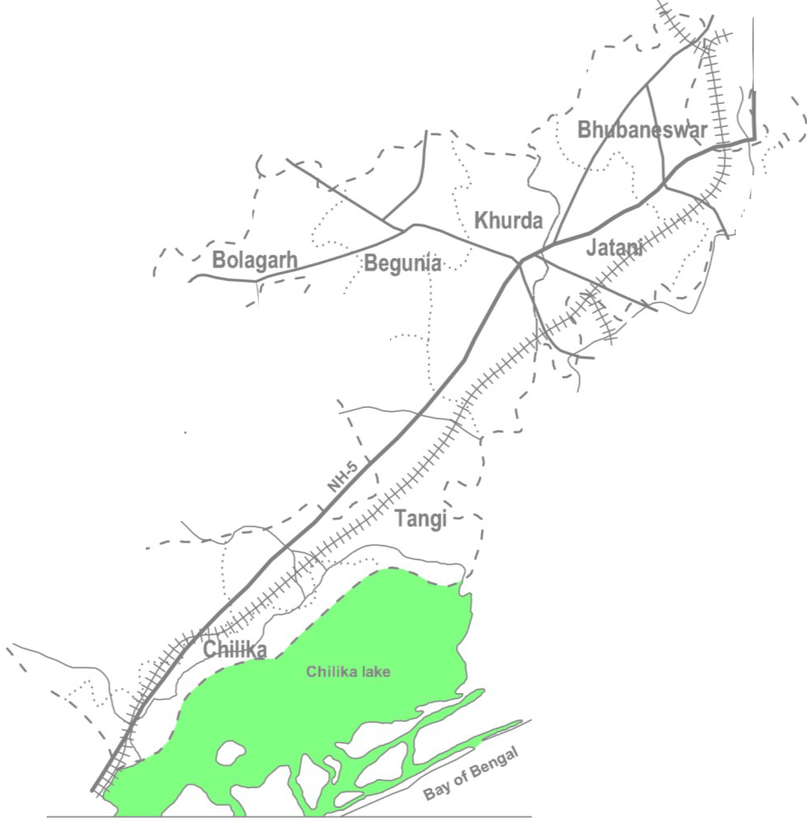
Plate-1
85° |  |  |  |  |  | 0· 86° |  |  |  |  |  |  |  |  |  |  |  |  |  |  |  |  |  |  |  | 0·
20° |  |  |  |  |  |  |  |  |  |  |  |  |  |  |  |  |  |  |  |  |  |  |  |  |  |  |  | 20° O'
 |  |  |  | ADMINSTRATIVE MAP OF KHURDA DISTRICT Km.0 10 20 30 40 50Km. SCALE / CUTTACK DISTRICT 'I ' ' ' ' I r.·· ' I ( .- j -"-- .'- ' -' \ I , Balipatana / ,, ., I ,, - , : ,I,,,,_,,,, .... , \ ...... / ,,l PURI DISTRICT ,•• ... : NAYAGARH DISTRICT INDEX - - - - -- .,,,. ' DISTRICT BOUNDARY ' Banapur SUB· DIVISION BOUNDARY \ ' - - BLOCK BOUNDARY ROAD{NATIONAL HIGHWAY) ' ROAD(ODR) RAILWAY 11111 111 RIVER --y--
O' |  | ,

85 ° |  |  |  |  |  | 0· |  |  | 86° |  |  |  |  |  |  |  |  |  |  |  |  |  |  |  |  | W

CGWB,SER,Drg.No.99110(S. Prusty)
Plate-2
85° |  |  |  |  | 0' 86° 0' |  |  |  |  |  |  |  |  |  |  |  |  |  |  |  |  |  |  |  |  |  | 20° O'
20° O' |  |  |  |  | PRE-MONSOON DEPTH TO WATER LEVEL MAP

 | OF KHURDA DISTRICT (APRIL-2011) Km.a 10 20 30 40 50Km. SCALE
 | '-.- , ,_<.... - ; '::" INDEX Depthtowaterlevel (mbgl) 0.0- 2.0 2.0 - 5.0 a 5.0 - 10.0 , : 1:::::::: ::::::::1 10.0 - 12.0

85° 0' 86° |  |  |  |  |  |  |  |  |  |  |  |  |  |  |  |  |  |  |  |  |  |  |  | 0'
CGWB,SER,Drg.N00o/.110(A.Dlai)

85° O' 86° O'
POST-MONSOON DEPTH TO WATER LEVEL MAP OF KHURDA DISTRICT (NOVEMBER-2011) Km.0 10 20 30 40 50Km. =---- SCALE
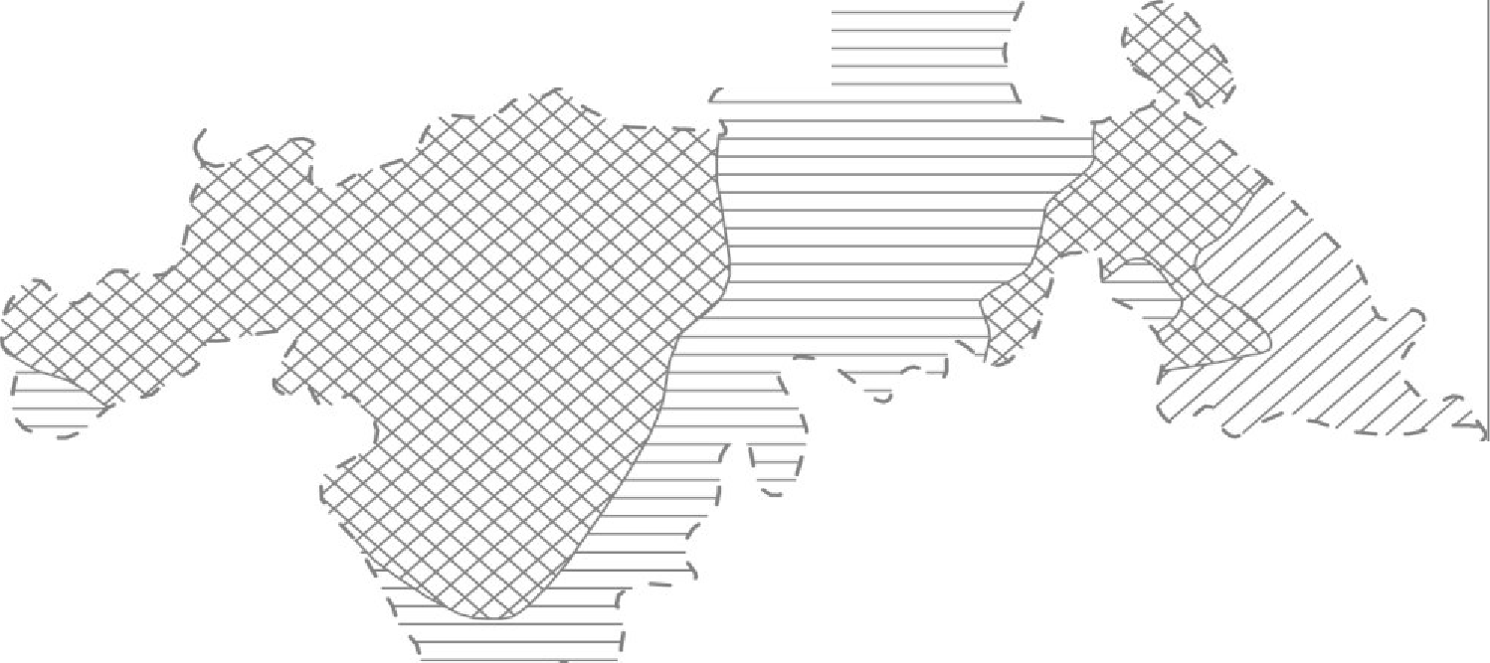 INDEX Depthtowater level (mbgl) 0.0 - 2.0 m 2.0 - 5.0
a 5.0 - 10.0 85° O' 86° O' R,Drg.No.101/10(A .Dalai)
Plate - 4
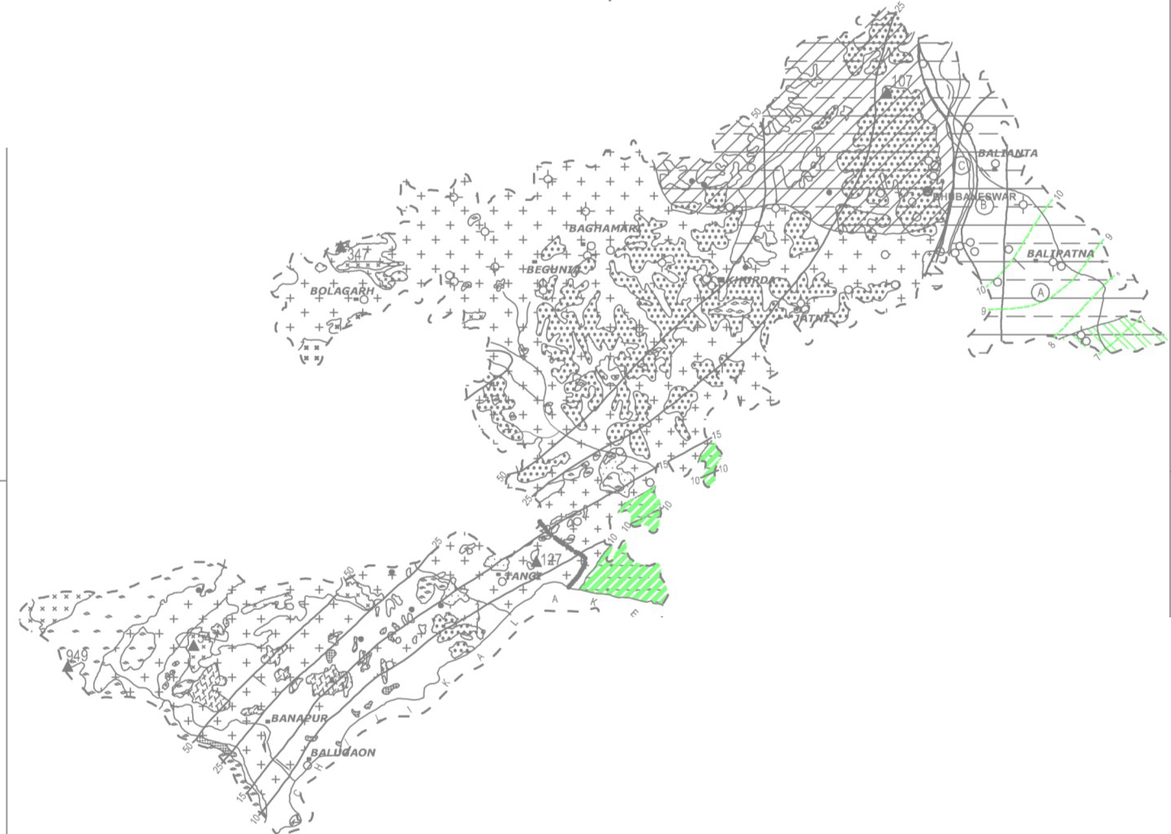
85°jO' 861-0' HYDROGEOLOGICAL MAP OF KHURDA DISTRICT Km.O 10 20 30 40 50Km. SCALE
20° 20° ' I 85°10' 86°10'
CGWB,SER,Drg.No.108/10{G.Patra)
L HYDRO­ GEOLOGICAL LITHOLOGY GEOLOGICAL TIME UNIT UnconfinedSedimentscomposed of Clay, Sand, Silt, Gravel Pebblesetc. & alsocalcareousand ferrugenious QUATERNARY& concreitons. z UPPERTERTIARY I Lateirte occure as capping over the ":, ' country rocks, avaragethickness a. L.5 to 6 m.,maximum20m.thick. MESOZOIC Athagarh formation (Sand-ston,e Shale,Slitstone Conglomeratetc.) z Anorthosite 0 :Ii GarnetiferousGranite Gneiss, a: Granite gneis,sGraniteetc. 0 PRE- CAMBRIAN lL a Charnockite ::1 :, Khondalite / Quartzite Granite Sill, "u':: L Schist / Quartzite etc. Hills,Mounds and alsoelevatedlands havin productive zone,sexpect in pocket,syield g HYDROGEOLOGICAL& GEOGRAPHICAL FEATURES BasinBoundary ... ._ River ... Bhubaneswracity H Triangulation point ... .:n:', i oi Spring • Dist. HQ Water Table Contour ...• ,.,..... • HotSpring ... 6 Block HeadQuater Boreholes(CGWB) ... 4- Piezometer Contoru ... ....--( N. H. S., (CGWB) ... o (Contou:rApril98 ) Ref.:m. a. msl. |  |  |  |  |  |  |  |  |  |  |  |  |  |  |  |  | EGE b====I rZJ l,1',1/ ililli + + -t--,.± -:::>--:::>- gstony o nerally le Q... ... |  | D YIELD POTENTIAL HYDROGEOLOGICAL CONDITIONS (INL PS) Unconfinedto Semi • confined extensive aquifers > 40 @ generally restricted within 100m. depth with average cum- ulative thickness of 25 to 30m. Confined to Semi- confinedextensive aquifers 25• 40 ® generally restricted within 60 or 70m, depth with average cumulativethicknessof 15 to 20m. Unconfinedto Semi • confinedaqufers , thin <25 @ discontinuou,sgenerally restrictedwithin 30 to 40 m. depth with average cum- ultive thickness of 5 • 10 m. Thin , discontinuous unconfined aquifers, <3 temprorary / seasonal aquifers at places, generally underlainby lithomargicclay. Unconfined to Semi - confined discontinuousaquifer, < 15 productive zonegenerallyoccur within100m.depth, yield generally > 5 lps if Standstonepredominate,s pre - dominance of shale reduces yield and at places . Yield records even < 1 lps. Groundwater in fissured formationis restrictedto weathred andfracturedzones.unconfined conditions in weathred zone ,Semi- confinedto confined conditions in fractured zone water yielding fractures generally occur within100m. depth. Anorthostie, Charnokcite & Khondalite generally from hills , mounds etc. Yield potential normally very low. ut cropswithout I C:-JI ss than 1 lps. HYDROCHEMICAL PROFILE •. Saline groundwater overlain by fresh groundwater - Fresh groundwater extends down to 100m.depth Ground water saline barring few meters at top Fresh water extends maximumup to 30 to 40m. atlimited pockets

N
e
KHURDA DISTRICT Dynamic Ground Waler Resources (As on 31.03.2009)
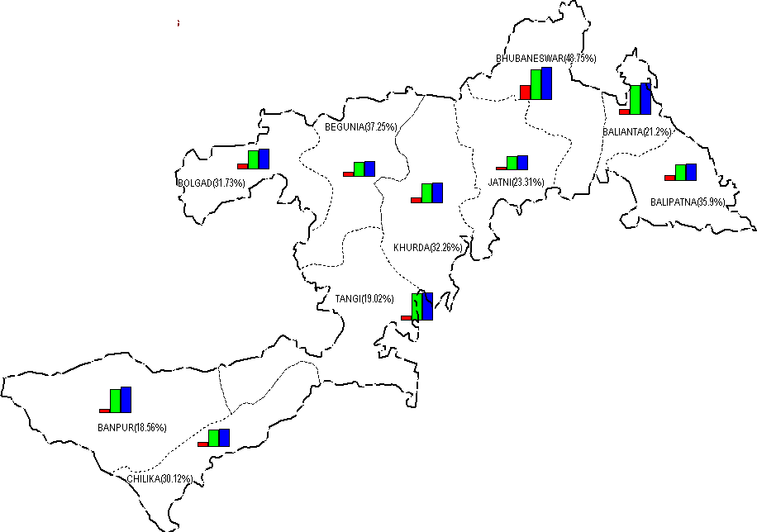
 |  |  |  |  |  |  |  |  |  |  |  |  |  |  |  |  |  |  |  |  | I I DISTRICT BOUNDARY , ·. BLOCK BOUNDARY :. •• · •• ·: withname &stage of ground water development Dynamic Ground Water Resources(HaM) as on 31.03.2009 .£I 7,400 ■ Gross Ground lJIJater Drafl ■D Net Ground water Availability .Annual Replenishable Ground \fl/ater Resources

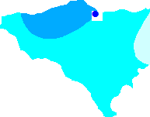 CHEMICAL QUALITY OF KHURDA DISTRICT • * \ * IRON e NITRATE EC RANGE 0.0000to 500.0000 - 500.0000to 1000.0000 - 1000.0000to 1500.0000

