Table 1
Govt. of India MINISTRY OF WATER RESOURCES CENTRAL GROUND WATER BOARD MALKANGIRI DISTRICT, ORISSA South Eastern Region Bhubaneswar March, 2013

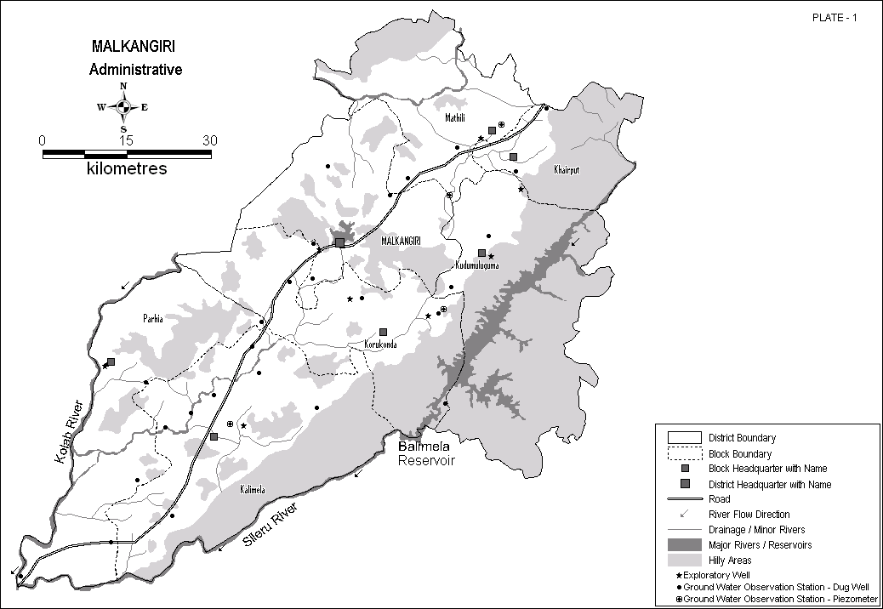
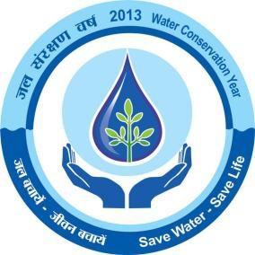
MALKANGIRI DISTRICT AT A GLANCE
Sl No | ITEMS |  |  |  |  |  |  |  | Statistics
1. | GENERAL INFORMATION
 | i. | Geographical Area (Sq. Km.) |  |  |  |  |  |  | 5791
 | ii. | Administrative Divisions as on 31.03.2007
 | Number of Tehsil / Block |  |  |  |  |  |  |  | 3 Tehsils, 7 Blocks
 | Number of Panchayat / Villages |  |  |  |  |  |  |  | 108 Panchayats 928 Villages
 | iii | Population (As on 2011 Census) |  |  |  |  |  |  | 612,727
 | iv | Average Annual Rainfall (mm) |  |  |  |  |  |  | 1437.47
2. | GEOMORPHOLOGY
 | Major physiographic units |  |  |  |  |  |  |  | Hills, Intermontane Valleys, Pediment - Inselberg complex and Bazada
 | Major Drainages |  |  |  |  |  |  |  | Kolab, Potteru, Sileru
3. | LAND USE (Sq. Km.)
 | a) | Forest Area |  |  |  |  |  |  | 1,430.02
 | b) | Net Sown Area |  |  |  |  |  |  | 1,158.86
 | c) | Cultivable Area |  |  |  |  |  |  | 1,311.71
4 | MAJOR SOIL TYPES |  |  |  |  |  |  |  | Ultisols, Alfisols
5 | AREA UNDER PRINCIPAL CROP |  |  |  |  |  |  |  | Pulses etc. : 91,871 Ha
6. | IRRIGATION BY DIFFERENT SOURCES
 | (Areas and Number of Structures)
 | Dugwells |  |  |  |  |  |  |  | 2,033 Ha
 | Tube wells / Borewells
 | Tanks / ponds |  |  |  |  |  |  |  | 1,310 Ha
 | Canals |  |  |  |  |  |  |  | 71,150 Ha
 | Other sources |  |  |  |  |  |  |  | -
 | Net irrigated area |  |  |  |  |  |  |  | 74,493 Ha
 | Gross irrigated area |  |  |  |  |  |  |  | 74,493 Ha
7. | NUMBERS OF GROUND WATER MONITORING WELLS OF CGWB( As on 31-3-2011)
 | No of Dugwells |  |  |  |  |  |  |  | 29
 | No of Piezometers |  |  |  |  |  |  |  | 4
10 | PREDOMINANT GEOLOGICAL FORMATIONS |  |  |  |  |  |  |  | Granites, Granite Gneiss, Granulites & its variants, Basic intrusives
11. | HYDROGEOLOGY
 | Major Water bearing formation |  |  |  |  |  |  |  | Granites, Granite Gneiss 2.37 – 9.02
 | Pre-monsoon Depth to water level during 2011
 | Post-monsoon Depth to water level during 2011 |  |  |  |  |  |  |  | 0.45 – 4.64
 | Long term water level trend in 10 yrs (2001-2011) in m/yr |  |  |  |  |  |  |  | Mostly rise: 0.034 – 0.304(59%) Some Fall : 0.010 – 0.193(41%)
12. | GROUND WATER EXPLORATION BY CGWB (As on 31-03-2011)
 | No of wells drilled(EW, OW, PZ, SH, Total) |  |  |  |  |  |  |  | 14 ; EW:8,OW:2,PZ:4,SH:0
 | Depth Range(m) |  |  |  |  |  |  |  | 38.50 - 200
 | Discharge(litres per second) |  |  |  |  |  |  |  | 0.2 – 10.60
 | Storativity(S) |  |  |  |  |  |  |  | -
 | Transmissivity(m2/day) |  |  |  |  |  |  |  | 2.6 – 27.50
13 | GROUND WATER QUALITY
Sl No | ITEMS |  |  |  |  |  |  |  | Statistics
 | Presence of Chemical constituents more than permissible limit(e.g. EC, F, As, Fe) |  |  |  |  |  |  |  | Nothing significant reported
 | Type of Water |  |  |  |  |  |  |  | Mostly Calcium Bicarbonate, C2S1 Irrigation Class
14. | DYNAMIC GROUND WATER RESOURCES(2009) – in mcm
 | Net Ground Water Resources Availability |  |  |  |  |  |  |  | 335.98
 | Net Annual Ground Water Draft |  |  |  |  |  |  |  | 29.42
 | Projected Demand for Domestic and Industrial Uses upto 2025 |  |  |  |  |  |  |  | 1.806
 | Stage of Ground Water Development |  |  |  |  |  |  |  | 8.76 %
15 | AWARENESS AND TRAINING ACTIVITY
 | Mass Awareness Programmes organized |  |  |  |  |  |  |  | Nil
 | Date |  |  |  |  |  |  |  | -
 | Place |  |  |  |  |  |  |  | -
 | No of Participants |  |  |  |  |  |  |  | -
 | Water Management Training Programmes organized |  |  |  |  |  |  |  | Nil
 | Date |  |  |  |  |  |  |  | -
 | Place |  |  |  |  |  |  |  | -
 | No of Participants |  |  |  |  |  |  |  | -
16. | EFFORTS OF ARTIFICIAL RECHARGE & RAIN WATER HARVESTING
 | Projects completed by CGWB(No & Amount spent) |  |  |  |  |  |  |  | Nil
 | Projects under technical guidance of CGWB(Numbers) |  |  |  |  |  |  |  | Nil
17. | GROUND WATER CONTROL AND REGULATION
 | Number of OE Blocks |  |  |  |  |  |  |  | Nil
 | No of Critical Blocks |  |  |  |  |  |  |  | Nil
 | No of Blocks notified |  |  |  |  |  |  |  | Nil
18 | MAJOR GROUND WATER PROBLEMS AND ISSUES |  |  |  |  |  |  |  | Nothing significant
1.0 Introduction Malkangiri is the southern most district of Orissa. It was awarded the status of the district in October 1992, when the erstwhile Koraput district was divided into four new districts. The district is bordered in the North and West by Bastar district of Chhatishgarh and in the south by Khammam and East Godavari districts of Andhra Pradesh, in the east by Koraput district, Orissa. The district lies between north latitudes 17º47’58” and 18º44’18” and East longitudes 81º23’23” and 82º27’05” falling in Survey of India Degree sheet Nos. 65 F,G,J. The district covers an area of 5791 Sq.Km and is divided into 7 Community Development Blocks – Kalimela, Khairput, Korukonda, Kudumulguma, Malkangiri, Mathili and Podia. The Malkangiri town, the district headquarter is approachable from adjacent districts through State Highways. The important towns of the district are well connected by road. It is one of the most economically backward tribal district of Orissa. The general drainage pattern in the district is dendritic to sub-parallel. The Kolab river along with its tributaries, the Potteru and Sileru rivers is the most prominent river of the region. The Kolab river issues from the Sinkaram hills and follows a south westerly course after passing over Malkangiri district. The river joins the Godavari river in Khammam district of Andhra Pradesh. The hills and forests cover almost seventy six percent of the total geographical area of the district as per the classification of the forest area by legal status in Malkangiri district as on 2005, which includes reserve forests, demarcated-protected forests, un-demarcated forests, unclassified forests and other forests. Only limited areas are utilized for agricultural purposes. The net area under cultivation is only twenty six percent of the total geographical area. Agriculture is the main occupations of the vast majority of the population. However bec

(1987-88) and S. Suresh (1990-91). Further CGWB has drilled 8 (eight) Exploratory Well and 2 (two) Observation wells in the district to delineate the potential deeper aquifers. Ground water monitoring is being done through 29 numbers of permanent hydrograph network stations and 4 piezometers four times in a year and water samples are collected once in a year during pre-monsoon for complete chemical analysis. 2.0 Rainfall & Climate The district has a subtropical climate. South west monsoon is the principal source of rainfall. Rainfall pattern is uneven and erratic. The average annual rainfall gradually increases from South Western to North Eastern parts of the district. The average annual rainfall varies from 994.05 mm to 1809.53 mm. The agricultural definition of drought takes into account the negative departure of seasonal rainfall from the mean seasonal rainfall. A perusal of the frequency of occurrence of drought indicates that mild to normal drought condition prevails in Malkangiri District. The climate of the district is tropical with hot and dry summer and pleasant winter. The summer season extends from March to middle of June followed by the rainy season from June to September. The winter season extends from November till the end of February. Maximum temperature rising up to 440 C during May. In the summer months of April and May, hot winds from the west are generally experienced in the afternoon. December is the coldest month with lowest temperature during Winter being 110C. Monsoon generally lasts from the end of May to October. Occasional showers are received in the month of April, November and December. 3.0 Geomorphology & Soil Types The district is characterized by varied geomorphological features. Based on Landsat data interpretations and field studies, the geomorphic units of the district are broadly identified as - Structural Hills, Denundational Hills, Residual Hill

Inselberg – Inselbergs are scattered all over the district. These are isolated hills of limited areal extent surrounded by plains all around. Flood Plain – A narrow stretch of alluvium occurs along river Kolab and its tributaries in the northern part of the district. Structural Valley – A narrow linear valley within the structural hills and formed along the structurally weak planes occurs along the south eastern boundary of the district. Linear Ridge – A narrow linear ridge of quartz reef with steep sloped covered by debris, is found in the northern part of the district. Bazada – A gently sloping plain is formed in the foot hill zone and consist mainly of alluvial and partly alluvial material comprising fine silt to big boulders. It occurs in the Southern part of the district. The general drainage pattern in the district is dendritic to sub-parallel. The Kolab river alongwith its tributaries, the Potteru and Sileru rivers is the most prominent river of the region. The Kolab river issues from the Sinkaram hills and follows a south westerly course after passing over Malkangiri district. The river joins the Godavari river in Khammam district of Andhra Pradesh. The distribution of different soil types in the district depends much on its physiographic and lithologic variations. Based on the physical and chemical characteristics, mode of origin and occurrence, soils of the district may be classified into two groups namely Alfisols (Red Soil) and Ultisols (Lateritic soil. Alfisols - Alfisols or red soil are the most prominent soil types in the district. There are two different varieties – red sandy soil and red loamy soil. They are red in colour and clayey in nature especially the loamy soil, poor in organic matter. Its fertility is low. Ultisols - Ultisols or lateritic soil occurs in a narrow diagonal strip across the district trending NE- SW. They

✴ | Recent |  |  | Alluvium
 | Pre-Cambrian |  |  |  Unconformity 
 |  |  |  | Quartzites, Limestones, Conglomerates, Shales
 |  |  |  |  Unconformity 
 | Archeans |  |  | Younger Intrusives |  | Dolerite Dykes, Pegmatites, Vein Quartz
 |  |  |  |  Unconformity 
 |  |  |  | Andalusite Schists, Sericite Quartz Schists
 |  |  |  |  Unconformity 
 |  |  |  | Charnockites Khondalites Granite Gneiss and its variants
 |  |  |  |  Basement not known 
The area has suffered regional metamorphism up to the granulite facies and has experienced numerous phases of magmatic intrusions, accompanied by progressive and retrogressive metamorphism, repeated folding and shearing. As a result original structures, textures and mineral compositions have been completely obliterated by new structures and mineral assemblages. Granite Gneiss and its variants – These are medium to fine grained rocks exposed in the undulating plains and scattered hillocks. The suite of rocks comprises Hornblende Gneiss, Biotite, Gneiss and Pink Granite. Megascopically the rocks are fine to medium grained, leucocratic with well-developed foliation planes in case of gneisses. The gneisses are usually banded. The bands consist of thin layers rich in quartz and feldspar. Hornblende and mica are common occurrence while Garnet is found occasionally. The strike of the gneisses is variable, viz. N 750E – S750W with 200 dip to N 850W – S 850E with vertical dips. In the majority of the cases, the strike is similar to that of the Eastern Ghats. Granites occur in limited patches in the central and western parts of the district. Khondalites – The khondalitic group of rocks consists of quartz – Garnet – Sillimanite Schist & Gneiss and Garnetiferous sillimanite quartzite. The khondalites are usually found in the South Eastern and Western parts of the district in the hilly terrains. These rocks exhibit multiple sets of joints having steep dips. Charnockites – These generally occupy the hill ranges. The rock is coarse grained, dark green to grey in colour with feldspar and quartz crystals. The ferromagnesian minerals are hypersthene and pyroxene. Garnet is also present. The charnockitic rocks form massive out crops. The joints found in charnockites trend N 300E, N-S, & E-W with sub-vertical to vertical dips. Schists - These include Andalusite – Schists and gneisses and quartz – sericite

when weathered and fractured. The weathered residuum forms the main repositories of groundwater, which occurs under water table conditions and circulates through deeper fractures and fissures. Granites and Granite Gneisses - These are the most prominent rock types in the district occupying the undulating terrains and low lying areas. On weathering these rocks are altered to loose kaolinised sandy clay. The thickness of the weathered zone ranges from 6 to 16 m depending on the topography and foliated and joined nature of the rocks. The sheet joints and vertical joints are interconnected. These facilitate free horizontal and vertical flow of groundwater. The depth to water table ranges from 0.57 to 10.97 m bgl in the months of May – June while 0.00 to 8.19 m bgl in the months of Dec – January. The seasonal water table fluctuation is in the range of –2.37 to 10.00 m. The specific capacity Index of open wells varies from 0.017 to 17 lpm/m/m2. The discharge of up to 6 lps has been recorded in the dugwells tapping unconfined aquifers. In exceptional cases discharge of 18 LPS has also been recorded. The borewells tapping deeper fracture zones, record discharge up to 10 Lps for moderate drawdowns. The transmissivity values of water bearing fractured zones tapped in borewells, 38 m to 200 m deep, vary from 1.3 m2/day to 27.5 m2/day. Charnockites – Next to Granite Gneiss, the charnockite form the second most dominant aquifers in the area. These rocks are usually fine to medium grained, occasionally coarse grained. The weathering in these rocks is not very pronounced and restricted to 3 to 20 m depth. These rocks are jointed and fractured but the joints are not very prominent. These rocks occupy the hill ranges. The premonsoon and postmonsoon depth to water table values range from 4.93 to 9.06 m and 3.99 to 7.69 m below ground level respectively. The seasonal water table fluctuation varie

including rainfall, topography, drainage characteristics, lithology, depth and nature of weathering, water bearing and water yielding properties of the rocks as also surface irrigation. 4.3 Ground Water Monitoring : Ground water regime in the district is being monitored periodically through 29 network hydrograph stations. The network stations are being monitored four times in a year i.e. during January, April, August and November. Long Term Trend - The long-term trend of ground water level has been computed based on eleven years ground water monitoring data. The water level trend analysis data of pre-monsoon period 10 years (2001-11) indicate that there is a rise in water level 54% cases and fall in rest 46% cases. The maximum rise is to the tune of 0.400 m (Maithili in Maithili block) with the majority of the values resting within 15 cm. The maximum fall is around 0.1.113 m (MV-64 in Kalimela block) with the majority of the values resting with in 10cm. Considering the small magnitude of average values of rise and fall the rise and fall values are ignored. The rise and fall values are ignored also on the plea that during pre- monsoon period ground water draft is more. The water level trends during post monsoon period indicate that 59 percent status show rise varies from 0.013 to 0.304 m. The fall of water levels are shown by 41% of the status and maximum fall is recorded to the tune of 0.193 m (Balimela in Balimela block) and in majority of the cases the magnitude of fall is restricted within 0.20 m. From the perusal of rise and fall of water level over a period of 10 years, it has been observed that there is a significant decline in the trend ground water level. 4.4 Ground Water Scenario The aquifer parameters of various hydrogeological units were evaluated through pumping tests of representative dug wells and slug tests/compressor tests of borewells. The aquifer parameters include Tra

well was 5.16 lps. In this well also a number of fracture zones have been encountered at various depths. However the formations are compact towards west and yield of the exploratory well at Korukunda has been negligible down to 200 m depth. Similar formations continue in the adjacent block and at Malkangiri the exploratory well yielded hardly 0.88 lps, though a number of fracture zones were encountered within a depth of 144 m. In the south western part of the district at Kalimela six fracture zones were encountered in the exploratory well down to a depth of 195.3 meter below ground level during which the yield of the well was 2.54 lps. In this well charnockite was encountered in the deeper zones. At Podia in the western most corner of the district a number of fractures were encountered within a depth of 159 meter below ground level with a cumulative discharge of 3.59 lps. 4.5 Ground Water Quality The quality of groundwater in Malkangiri district has been assessed based on chemical analysis of water samples collected during the hydrogeological surveys groundwater monitoring and exploratory drilling. The general ranges of different chemical constituents are as below –
Chemical Constituents |  |  |  |  |  | Shallow Aquifers |  | Deeper Aquifers
pH |  |  |  |  |  | 7.17 – 8.21 |  | 6.86 – 8.18
Specific conductance (S / cm at 250C) |  |  |  |  |  | 214 - 1664 |  | 156 – 1103
Chloride (mg/L) |  |  |  |  |  | 14 - 255 |  | 7.1 – 50
Calcium (mg/L) |  |  |  |  |  | 18 - 110 |  | 14 – 62
Magnesium (mg/L) |  |  |  |  |  | 36 - 54 |  | 1.8 – 47
Bicarbonates (mg/L) |  |  |  |  |  | 79 - 409 |  | 85 – 543
Totar Hardness as CaCO3 (mg/L) |  |  |  |  |  | 75 - 495 |  | 45 – 260
Sodium (mg/L) |  |  |  |  |  | 10 - 161 |  | 13 – 140
Potasium (mg/L) |  |  |  |  |  | 12 - 62 |  | 1.2 – 12
Sulphate (mg/L) |  |  |  |  |  | - |  | 1 – 41
Iron (mg/L) |  |  |  |  |  | - |  | 0.14 – 0.53
In the U.S Salinity Diagram the suitability of groundwater for irrigation in the district, has been assessed on the basis of Sodium Absorption Ratio (SAR) and specific conductance. The classification of groundwater based on U.S Salinity Diagram in the district is given below
USSL Class |  |  | Grade |  | No. of Samples |  | %
C1S1 |  |  | Good |  | 2 |  | 12.50 %
C1S2 |  |  | Moderately Good |  | - |  | -
C1S3 |  |  | Unsuitable |  | - |  | -
C1S4 |  |  | Highly unsuitable |  | - |  | -
C2S1 |  |  | Good |  | 9 |  | 56.25 %
C2S1 |  |  | Moderately Good |  | - |  | -
C2S3 |  |  | Unsuitable |  | - |  | -
C2S4
C3S1 |  |  | Moderately Good |  | 5 |  | 31.15 %
C3S2 |  |  |  |  | - |  | -
C3S3 |  |  | Unsuitable |  | - |  | -
C3S4
It may be seen from above that ground water samples collected from the shallow aquifers are good in quality and suitable for irrigation purposes. The water samples of deeper aquifers are well within the permissible limits of drinking water standard. The Piper Tri-linear diagram for the type of groundwater in the district, has been assessed. The plot reveals that more than 60 % of the samples belong to the calcium–bi–carbonate(temporary hardness) type of water the rest belong to the mixed type. 4.6 Status of Ground Water Development(Blockwise)
It is basically a tribal district and occupied by hard crystalline rocks. Development of ground water is feasible through dug wells. The Net ground water resource of the district is assessed to be 33598 HM and the gross annual draft for domestic, industrial, and irrigation uses is 2942 HM. The average stage of ground water development in the district is 8.76 %. The lowest being Kudumulguma at 4.57% and highest being at Khairput at 13.38% 5.0 Ground Water Management Strategy 5.1 Ground Water Development : Ground water development in the district is mainly through dug wells, Dug-cum-bore wells and bore wells. Ground water is mainly used for domestic and irrigation purpose and in limited scale for industrial purposes. The district has a net sown area of 117823 ha out of the total geographical area of 439080 ha. However only about 46000 ha area in the district is presently irrigated from both surface and groundwater sources, leaving more than 60% of the net sown area without irrigation facilities. This vast area has rainfed agriculture. For augmenting food-grains production this area has to brought under the strings of irrigation. Considering the low stage of ground water development in the district, there remains ample scope for further groundwater exploitation which will expand the irrigated agriculture. Dug well - It is the most common groundwater abstraction structure in the district. Dugwells are feasible in pediplain areas. In hilly tracts it is feasible only in the intermontane valleys. The design of the dugwells depends upon hydro-geomorphological and hydro-geological set up, depth to water table, seasonal water table fluctuation. The dug wells should be located preferably in topographic low and should tap maximum thickness of the weathered zone. The dugwells should be of 10 m to 18 m depth and 4.5 m to 6 m in diameter. All the wells should be energized for optimal u

were pin pointed through hydrogeological investigations aided by Remote Sensing Studies. The water scarcity in the district may be effectively mitigated through scientific management and judicious utilization of groundwater resources. While targeting ground water structures for irrigation use or foe heavy industrial establishment utmost care should be taken in maintaining the safe distance between ground water structures to avoid well interference. This will facilitate optimal utilization of resources without any appreciable drawdown interference. The distance between any two dug wells/ dug cum bore wells fitted with pump set should be kept at least 100m. The distance between two bore wells may be kept between 150-200m. 5.2 Water Conservation & Artificial recharge Malkangiri district is mostly traversed by Precambrian consolidated formations. The depth to water level varies from 2 – 5 mbgl in major part of the district during post monsoon and the average depth of water table in Chitrakonda is 5.03 mbgl and that of Motu is 5.63 mbgl. In these areas special studies may be taken up to evaluate the scope for artificial recharge. Deeper water level conditions in these areas may be due to prevailing topographic conditions and water table gradient, which facilitates flow of ground water through nalas and rivers and streams as base flows. To arrest the rapid decline of water table in these areas special studies may be taken up to pin point the areas where water scarcity problems are more pronounced during post monsoon and pre monsoon period. In these pockets suitable sites are required to be pin pointed to adopt artificial recharge techniques and rain water harvesting methods based on site specific conditions. This artificial recharge will also help in increase in storage and also in improving the quality of water etc. The most feasible artificial recharge and rain water harvesting structu

covered under source finding mission. Bore wells were recommended in 7 villages and sanitary wells in 7 others. 7.0 Awareness & Training Activity As of March 2007, no mass awareness or water management programme have been organized in the Malkangiri district so far. 7.1 Mass Awareness programme(MAP) & Water Management Training Programme(WMTP) by CGWB. : NIL 7.2 Participation in Exhibition, Mela, Fair etc. : NIL 7.3 Presentation & Lectures delivered in public forum / Radio / T.V. / Institution of repute / Grassroots associations / NGO / Academic Institutions etc : NIL 8.0 Areas Notified by CGWA / SGWA Since the stage of ground water development in the entire district is only 8.76 % with no significant decline in either pre-monsoon or in the post-monsoon, no notification was called for. 9.0 Recommendations 1. Large scale planning for Ground Water Resources development should be preceded by intensive hydrogeological and geophysical survey aided by Remote Sensing studies and ground truth data. 2. Existing dug wells should be deepened to tap the maximum saturated thickness of the weathered mantle or vertical bores maybe drilled to enhance the yield of the well where normally the dug wells get dried up. 3. Energisation of wells should be stepped up to ensure optimal utilisation of the ground water resources to create additional irrigation potential. 4. The State Ground Water Organization should render expert guidance for siting ground water structures in favourable hydrogeological settings. 5. The farmers should be educated through agricultural extension services, Mass Awareness and water management training programme

9. For augmentation of drinking water supply to the major towns and villages near the major rivers, infiltration galleries or collector wells may be constructed in suitable locales to fruitfully harness the base flow /subsurface flow which otherwise goes as waste. 10. Network hydrograph stations in the canal command areas should be strengthened and periodical water level measurements continued to monitor any alarming rise of water table 11. Growing of sugarcane and cash crops may be encouraged along the thin linear alluvial patches lying adjacent to major rivers where prolific ground water is available throughout the year.
MALKANGIRi Administrative W+ N E s 0 15 30 kilometres
PU\ TE- 1
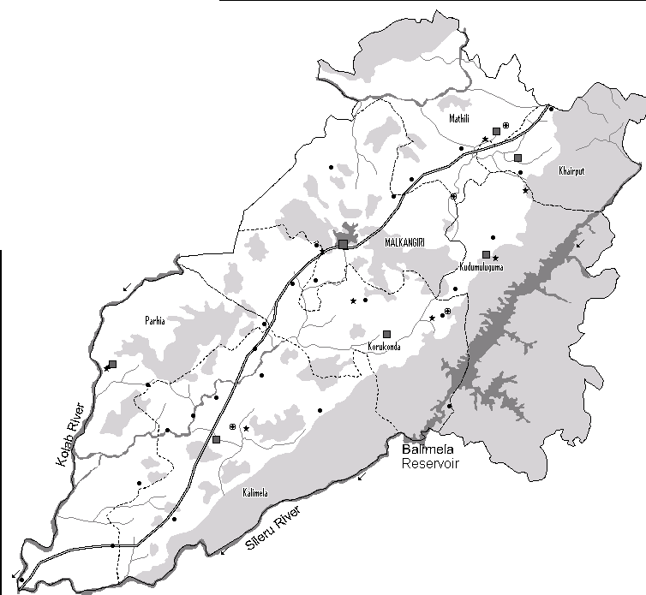
C=:J Dislrict Boundary : : Block Boundary ■ BlockHeadquarter with Name ■ Dis1rict Headq ua rter with Name --Road River Flow Driection Drainage J Minor Rivers - Major Rivers I Reservoirs Hilly Areas • Exploratory Well • Ground Water Observation station- Dug Well GroundWater Observation Stffiion - Piezometer

PLATE- 2
MALKANGIRi pDepth towater Level re-Monsoon - 20 11 15 30 kilometres
P. DISTRICT BOUNDAYR '· -- . --- : HBLILOLCYKABROEUASNDARYWITH NAME -- DRIVER FLOW DIRECTION RAINAGE/M - MAJOR RIVERINOR RIVERS • GROUND SI RESERVOIRS DEPTH TO WATER ::EEt(OBSERVATION WELLS [III]2- 5 m me1res below ground level) EZ2ZJ 5-10m
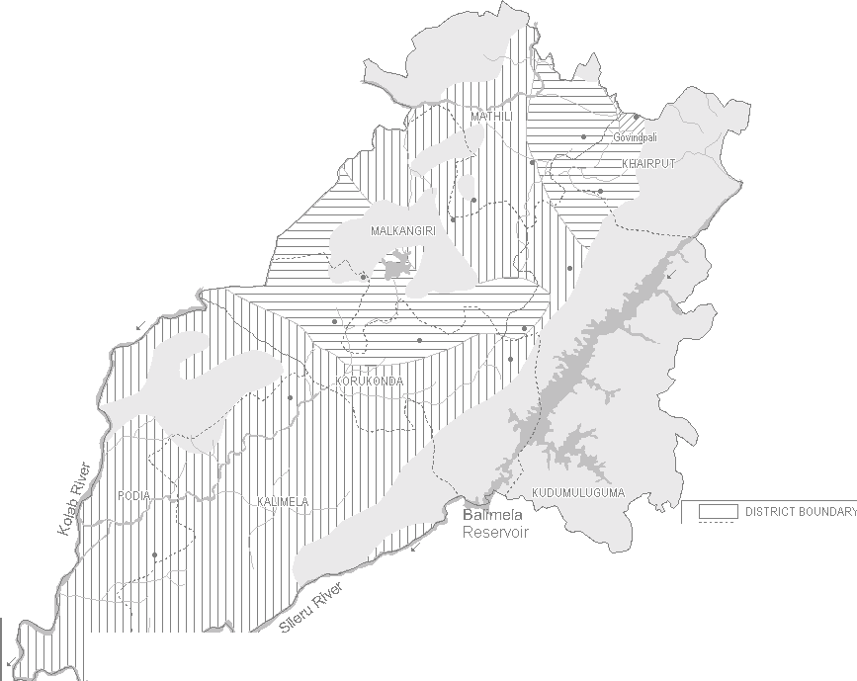 MALKANGIRi Depth toWater Level Post Monsoon 2 01 1 15 30 kilometres |  |  |  |  |  |  |  |  |  |  | PLATE - 3
'·--·- .: BLOCK BOUNDARY HILLY AREAS RIVER FLO\IU DIRECTI -- DRAINAGE I MINOR RI - MAJOR RIVERS/ RESE GROUNDWATER OBSE |  |  |  |  |  |  |  |  |  |  | ON VERS RVOIRS RVATION VVELLS
DEPTH TO WATER LEVEL(in metres below ground level) ' f bd o-2m DIIlJ 2-Sm E2Z2Zl 5-10m
PU\TE - 4
C=:J srncT BOUNDARY i_-_-_-_-_: El.OCK BOUNDJl.RY ■ BLOCK Headquarter wiln name ■ DIST RJCT Headquarter wiln name / /// Hilly A a Nei i gible Yielcl Prospect Drainage Flow direciion Minor Rivers Rivm l lflJater Bodie:s HYDROOEOLOGY Recent Jl.l uvium Yield < 15 Ip-;: Pre-Cambrian Conglome@te:s I Limestine:s I Shale:s: Yield : Dug lfllell --:2 lp:s, Bore lfllell --: 2 lp:s Pre-Cambrian Quartz Re&.S : Ground water Banier Pre-Cambrian Jl.ndalu-;:ileSchirt Yield : Dug lfllell -::2 lp:s, Bore lfllell < 2 lps Pre-Cambrian Charro::kite:s Yield : Dug lfllell --:2 lp:s, Bore lfllell --: 2 lp:s Pre-Cambrian Khondaliles: Yield : Dug lfllell -.:2 lp:s, Bore lfllell < 2 lp:s Pre-Cambrian Gr.:inite:s & Gneisses Yield : Dug lfllell --:5 lp:s, Bore lfllell --: 10 lp:s Lineamem: -- Pre-Monsoon Decadal kilean deptn ti lfllater Level - - l:so Conducti'uity Contours in Micro ri..ho:s km t1 lmn -;, Permissible mit of 1 0 mg .l II Fluorid,e Permissible limit of 1 .:5 mg il
MALKANGIRI Hydrogeology W+ N E s 0 15 30 kilometres
-
MALKANGIRI DISTRICT .,...--,,-1'-i, Dynamic Ground Water Resources ( . ( As on 31.03.2009) . \JI /\ '(•',_J 11 \.f / ,/ /""- "--, .-·-- ¾ ·v- ) / -........; r·J,-.f-'_., \'· MATHLl(/.61%) ./ >(. , .l. 1·-./. _c. '> KHAIRPUT(13.3S%) /. _[I ( ./··-- \ /'- ' '\ /· r'.. MALKANGIRl(/.9%) ( ', KUDUMULUGUMA(9.1%) '> /_,.-c:·.·--1I "' 'ii j 1,• , \L) _LI ( \;· / / / /')'-..' J KORKUNDA\ (9.36%) )\ \• i ) J/I (-.sl,,, <'"J /PODIA(457%) ( JI /- ..... J c=; DISTRICT BOUNDARY 'J ·/ ::-KALIMELA(11.S:7%) ,,,--··_, ,,-· .; .......: BLOCK BOUNDARY oundw atre deveol pme nt w ithname& staeg ogfr lr-_ ,;>,.•, / A s on, 3 1; o; 9 ( • ••••• • / Dynamic Ground WaterResources ( Ham ) _i,._./ ■ GrossGround water Draft ■D Net Groundwater Avai!abilit'f .Annual Replenishable Ground water Resources

PLATE - 6 MALKANGIRi Ground Water Development Possibilities
W+N E
10 20 kilometres
 |  |  |  |  |  |  |  |  |  | Block Boundary uui1h Name River flow Direction -- Drainages I Minor RJvm - Major River., I Reservoirs Ground IJllater Development Possibility Dug well 9-12m, 4-6m dia, Yield 5Lps - Bore trueH 100-150m, 15cm dia, Yield 2-5 lps Dug well10-1:Sm, 4-6m dia, Yield.< 10Lps Bore llllell100-1:SOm, 15cm dia, Yield-5 10 Lps Dug well 9-12m, 4-6m dia, Yield 5Lps Bore mH100-150m, 15cm dia, Yield<5 lps [ :::":;:3 Hilly Areas. Deve_lopment Feasible inisolated patches - mos11y 1ntermont,me valleys
CHEMICALQUALITY OF MALKANGIRI DISTRICT e NITRATE EC RANGE 0.0000 to 500.0000 - 500 0000 to 1000 0000 - 1000 0000 to 1500.0000

