Table 1
Govt. of India MINISTRY OF WATER RESOURCES CENTRAL GROUND WATER BOARD OF SUNDERGARH DISTRICT CENTRAL GROUND WATER BOARD SOUTH EASTERN REGION BHUBANESWAR March, 2013.

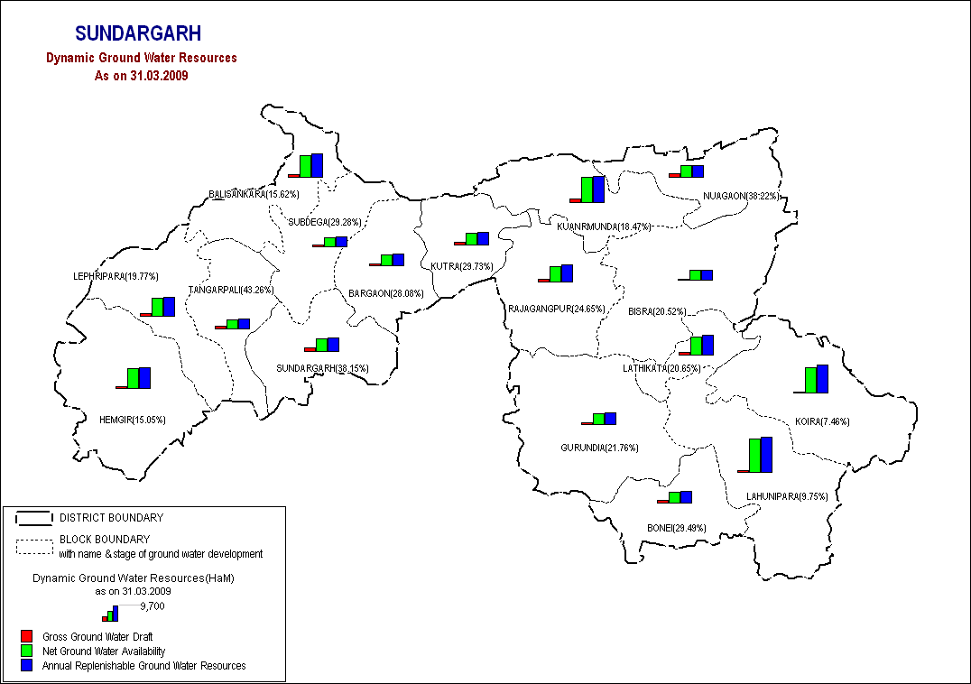

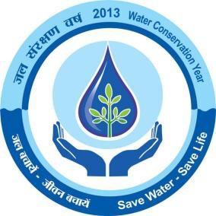
SUNDARGARH DISTRICT AT A GLANCE
I. | General Particulars
 | (a) Location |  |  | : |  | 21o 35' and 22o 32' North latitudes 83o 32' and 85o 22' East longitudes
 | (b) Area |  |  | : |  | 9,712 Km2
 | (c) District Head quarters |  |  | : |  | Sundargarh
 | (d) Subdivision |  |  | : |  | 3(three) – 1. Sundargarh 2.Panposh 3.Bonaigarh
 | (e)Tehsils |  |  |  |  | 9(nine)
 | (f) Blocks |  |  | : |  | 17(seventeen) 1.Balisankara 2.Baragaon 3.Bisra 4.Bonaigarh 5.Gurundia 6.Hemagiri 7.Koida 8. Kuarmunda |  |  | 9.kutra 10.Lahunipada 11.Lathikata 12.lephripada 13.Nuagaon 14.Rajgangapur 15. Subdega 16. Sundargarh 17. Tangarpalli
 | (g) Population |  |  | : |  | 20,80,664 (as per 2011 census)
II | Climatology |  |  | :
 | (a) Normal annual rainfall |  |  | : |  | 1647.6 mm
 | (b) Maximum temperature |  |  | : |  | 48 o C
 | (c) Minimum temperature |  |  | : |  | 6o C
III | Land use |  |  | :
 | (a) Total forest area |  |  | : |  | 146061 Ha
 | (b) Net area sown |  |  | : |  | 257927Ha
IV | Irrigation potential created (source wise) (upto 2000-01) |  |  |  |  | Kharif |  |  | Rabi
 | (a) Minor irrigation Projects (flow) |  |  | : |  | 15425 Ha |  |  | 1358 Ha
 | (b) Lift Irrigation Projects |  |  |  | : | 6925 Ha |  | 2884 Ha
 | (c) Ground water Structures |  |  |  | : | 10277 Ha
V | Exploratory wells |  |  |  | :
 | Bore wells drilled by CGWB under Normal Exploration Programme (As 0n 31.03.2011) |  |  |  | : | 101 EW &26 OW
VI | Ground Water Resources
 | a) Annual ground water resource assessed |  |  |  | : | 1668914 ham
 | b) Annual ground water draft (for all uses) |  |  |  | : | 436202 ham
 | c) Balance ground water resource for irrigation use |  |  |  | : | 1201460 ham
VII | Stage of ground water development |  |  |  | : | 26.14%
1.0. INTRODUCTION Sundargarh district with an area of 9712 sq km and population of 1830673 (as per 2001 census) is the northern most district of Orissa. Geographically it extends over the Northwestern portion of the state and is located between 21º35’ and 22º 32’ N latitudes and 83º32’ and 85º22’ E longitudes. Administratively it constitute with 3 sub divisions, 17 CDB, 4 ULB, 262 GPs and 1764 villages. Physiographically the entire district lies with high altitude zone with interspreading inaccessible terrain of hilly ranges and narrow valley tracts, which guides the socio-economic conditions of people and development of the district. More than 50% of population constitutes ST community of aboriginal tribal races. Overall, the district is rank as a backward district in the state of Orissa. The district has three subdivisions and 17 administrative blocks. The administrative divisions of the district are shown in Plate-1. There are 4 urban areas (Biramitrapur, Rajgangpur, Rourkela and Sundargarh) and 262 Gram Panchayats in the district. As per 2011 census, the total population of the district is 2,080,664 with population density 214 person per sq.km. The District has 37% of land area under cultivation and 21% of area under forest cover. Farm Ponds have contributed towards increasing the land area under cultivation. Sundargarh district has varied agro-climatic conditions. Agriculture is the mainstay of the people in the area. The district has the net shown area of 257927 ha. and Paddy is the principal crop of the district. The district has limited irrigation facilities due to high hills and dense forest. Irrigation potential created so far is about 12.6 % of the net sown area. As per available data total irrigation potential created from all sources e.g. major, minor (flow) and lift irrigation projects and dug wells etc aggregates to 32627 Ha in the district. The Geological Survey of India has

3.0. GEOMORPHOLOGY & SOIL TYPE 3.1 Geomorphology: The district has varied geomorphological features. The geomorphic units are (i) Plain (ii) Alluvial Plain (iii) Deep Buried Pediment (iv) Shallow buried pediment (v) Intermontane valley (vi) Inselberg, (vii) Mesa & Butte, (viii) Residual Hills, (ix) Intermontane Valleys, (x) Structural hills . 3.2. Drainage : The district is drained by a network of rivers and streams, the IB and Brahmani rivers being the most important. The drainage pattern is dendritic in nature. The easterly flowing sankh and westerly flowing koel rivers join at Vedavyas near Rourkela to form the Brahmani river. The Brahmani river along with its numerous tributaries control the drainage of the eastern part of the district. The river, Ib a tributary of Mahanadi controls the drainage of the western parts of the district. The smaller streams are in general epehemeral flowing 6-9 months in a year. 3.3 Soil: The soil characteristics of the district show wide variation depending upon their occurrence, physical and chemical properties. The soil of the district is broadly grouped into1) Ultisols and 2) Alfisols. 1. Alfisols or Red Soil: The Alfisols, in the district, include red sandy soils and red loamy soils. These soils predominantly occupy high and medium land throughout the Sundargarh district. Alfisols are neutral to slightly acidic in nature(pH varies from 5.5 to 6.9). The characteristic features of red soils are (i) light texture, porous and friable structure, (ii) absence of lime kankar and free carbonates and (iii) soluble salts in small quantity usually not exceeding 0.05%. These are usually deficient in nitrogen, phosphate, organic matter and lime. These soils are suitable for cultivation of paddy and other crops. 2. Ultisols: The ultisols comprises mainly of lateritic soils and red and yellow soils. These soils are mild

Except for small strips along major drainage courses, almost the entire district is occupied by the consolidated formations comprising of Precambrian metasediments of Gangpur series and Iron ore series and also granite gneiss, metasediments like amphibolite, epidiorite etc. Ground water is stored mainly in the secondary porosity resulting from weathering and fracturing of the rocks. The aquifer materials are highly heterogeneous in character showing both vertical and lateral variations. The weathered residuum form the main repository of ground water, in which ground water occurs under water table condition and circulates through deeper fractures and fissures. Ground water occurs under confined to semi-confined condition in the deeper fractured zones. The water yielding capacity of fractured rocks largely depends on the extent (depth and degree) of fracturing, openness and size of fractures and extent of their interconnections to the near surface weathered zone. Usually two to four water bearing fracture zones occur down to a depth of 100 m bgl. Water Bearing Properties of Major Litho Units : Mica Schist:-These rocks are highly weathered. The depth of the open wells varies from 5.55 to 16.38m and the depth to water level varies from 4.57 to 11.50m during premonsoon periods with an average of 7m. The seasonal average water level fluctuation is of the order of 3m. The recorded yield of the bore well is around 2.25 lps and of open wells 2 to 4.16 lps. Carbonaceous phyllites:-These rocks are highly jointed and well foliated. The depth of the open wells in phyllites ranges from 11.82 and the depth to water level during premonsoon period varies from 1.4 to 13.07m below the land surface. The seasonal water level fluctuation is of the order of 4m. The yield of the bore wells is very low, the maximum being 2 lps. Metasbasics:- Amphibolites are most common metaba

fractured and fissured. The depth of the open wells varies from 5.92 to 12.50m and the depth to water levels during premonsoon period varies from 3.07 to 9.50 m below ground level. The yield of the open well is generally less than 2 lps. Semi-Consolidated formation: The semi consolidated formation is constituted of sand stone, shales, conglomerates, grits etc belonging to Talcher, Barakar and Kamthis of lower Gondwana . The Barakar formation is very well developed and often constitute potential aquifer in the area. The coarse grained gritty sandstone on weathering give rise to porous sandy materials. Large diameter open wells and medium deep tube wells are feasible in this formation. The depth of the open wells ranges from 7.25m to 18.42m and the premonsoon depth to water level varies from 6.65m to 15.99m below ground level. The shale, sandstones of Talcher formation do not form productive aquifer. However the needle shales having intersecting joints often form moderately good aquifers. Unconsolidated Formation: Laterites and alluvium of Sub-recent to Recent age constitute the unconsolidated formations. Laterites occurring as capping over older formations are highly porous in nature and form good aquifers to be tapped through dug wells. The alluvial deposits of recent origin occur as thin discontinuous patches along the prominent drainage channels. The alluvium strips constitute the most potential aquifers due to their high degree of porosity and permeability but are only limited in their occurrence. Ground water in these formations occurs under unconfined to semi-confined condition. These mainly consist of silt, sand with gravel & pebble, which form potential shallow aquifers tapped through dug wells. The yield of the open wells is generally 5-6 lps though higher yield of 10 lps is not uncommon. Ground Water Exploration: Exploratory drilling has been taken up by the Central Ground Wa

during post monsoon period respectively. It is observed that during the premonsoon period the depth to water table values are more than 6m in nearly fifty two percent of the NHS station. Bondamunda, Jarada, Chandiposh ,Talsara are the area where water level is below 4m during premonsoon period .In post monsoon period water level is generally found below 4m in most parts of the district. Seasonal Fluctuations: The seasonal fluctuation of water table has been depicted in plate-6. A study of the map reveals that in the major parts of the district fluctuation of the water table is in the range of 2m to 4m. Some areas like Gopalpur, Ekma, Birmitrapur, Alikena, bhedabahal, Rajgangpur have fluctuation less than 2m. The decadal water level trends during pre monsoon period indicate that 47 % of the NHS station shows rising trend of water level, the maximum being 0.339m/yr. In most of the cases the rise is less than 0.1m/ yr, which has not much significance. The rest 53% stations show a falling trend and maximum fall recorded is 0.22m/yr. However the majority of cases the magnitude of fall is less than 0.1m/yr. The decadal water level trend analysis data of post monsoon period (1998-2010 )indicate that there is a rising trend of water level in 57% cases and rest 43% shows falling trend. The maximum rise recorded is 0.38m/yr with the majority of values being less than 0.10m/yr. The maximum fall is around 0.22m/yr with most values being less than 0.1m/yr. Considering the minor magnitude of rise and fall of water level over a period of 10 years both the rise and fall values can be ignored in both the cases. From the long-term trend data there is no significant variation in ground water level in the area. Depth to water level range in various season (Litho unit wise)
sl no |  | Formation | Depth to water level (mbgl) |  |  |  |  |  |  | Fluctuation (m)
 |  |  | Pre monsoon |  |  |  | Post monsoon
1 |  | Granite gneiss | 2.2 - 13.2 |  |  |  | 0.69 - 12.4 |  |  | 0.5 - 4.04
2 |  | Gangpur series | 1.14 – 10.7 |  |  |  | 0.2 - 12.4 |  |  | 0.5 - 5.31
3 |  | Gondwana group | 2.6 - 11.1 |  |  |  | 0.9 - 6.49 |  |  | 0.1 - 4.51
4.2 GROUND WATER RESOURCES: Block wise availability of ground water resource has been estimated, based on norms recommended by Ground Water Estimation Committee (G.E.C. 1997). The total ground water resource of the district is assessed to be 1668915- hectare metre (HM). The annual draft through existing structures for irrigation use has been worked out to be only 88969-hectare metre and the gross annual draft for all uses is 436202 hectare metre leaving a balance ground water resource of 1201460 hectare metre for further development for irrigation use.
The present stage of groundwater development has been worked out to be 26.14% only with the highest in Kutra (29.73%) and the least in Koida ( 7.46%). 4.3 GROUNDWATER QUALITY The chemical quality of ground water in the district has been assessed on the basis of ground water samples collected during ground water monitoring, hydrogeological surveys and ground water exploration. The range of different chemical constituents in shallow and deeper aquifers is as follows. Pollution is commonly regarded as the result of industrial revolution. Environmental quality of the area detoriates as a result of the increasing industrial activity. In order to find out the current status of the pollution of the area, it is very much essential to identify the various sources of pollution. Based on the available data, the ground water from deeper aquifers are suitable for drinking purposes as almost all the constituents are well within the permissible limit. The quality of ground water for irrigation use is also good. 4.4 STATUS OF GROUNDWATER DEVELOPMENT Ground Water Development: Ground water development in the district is mainly through dug wells, Dug-cum-bore wells, bore wells and shallow tube wells. Ground water is mainly used for domestic and irrigation purpose and in a very limited scale for industrial purpose. Urban and Rural Water Supply: There are 4 urban areas. Piped water supply for domestic purpose has been installed in these urban pockets by state Public Health Department. For eg in Sundargarh Municipality there are 1562 households, which are well connected by pipe water supply. The RWS&S, Govt. of Orissa has installed a few piped water supply schemes in rural areas in the district. These schemes are mostly operative in big villages, panchayat head quarters and in cluster villages. Apart from this RWS&S has also constructed hand pump fitted bore wells at diff

Dug well: Dug wells are the most common ground water abstraction structure in the district. The most favourable locations for dug wells are topographic lows, abandoned and buried stream channels, areas in the close vicinity of rivers and streams etc. In such areas water table is generally shallow and thickness of the weathered residuum is maximum. In the areas with shallow water table, centrifugal pumps can work satisfactorily and under favourable conditions dug wells can cater to the irrigation needs of up to about 4 ha area of land. Depending upon the hydrogeological set up, thickness of weathered residuum the yield may be up to 2 to 3 lps. The recommended dimensions of the dug well in the district are depth 9 to 12 m, diam eter 4.5 to 6 m. The wells may be fitted with 1.5 H.P. centrifugal pumps or submersible pumps (where water level are deeper) for extraction of water. Dug–cum–bore well: The dug cum bore well can be constructed in the areas where the thickness of weathered residuum is less than 15 meters deep. The vertical hole drilled in the dug well increases the yield of the well. Depth of the dug well should be up to 12 metres with diameter of 4.5 to 6 metres. The depth of the vertical borehole should be about 25 to 30 metres. The diameter of the borehole may be 102 or 152 mm. These dug cum bore wells should be facilitated by centrifugal pumps for the optimal utilization of their potential. The tentative number of additional dug wells feasible includes the dug cum bore wells, which can be constructed at suitable locations. Bore Well: Bore wells are suitable structures even in the areas where water level is deeper and hard rocks are encountered at shallow depths. The bore wells may be 100 to 150 m

further nitrate pollution and steps should be taken to reduce its concentration in water for human consumption.Though fluoride concentration in ground water are within the permissible limit(1.5 ppm) in most of the places but in water samples collected from fracture zone at Sargipalli Exploratory well is having high fluoride more than 1.5 ppm. As such there is no significant ground water pollution in most parts of the district. Ground Water Depletion: The stage of ground water development in different blocks varies from 4.53% (Lephipara block) to 38.07 % (Kutra block) with the overall stage of development of 15.37 % in the district. In the northwestern parts (parts of Himgiri, Lephripada and Balisankara block), northwestern parts (parts of subdega and balisankara) and southeastern parts of Sundargarh block are having high run off zone. In these areas the thin weathered zone developed on the hill and hill slope areas are main reservoir of ground water. Once they get saturated, during monsoon the excess water flows as run off and base flow. It acts as recharge area but during the post monsoon period the thin weathered portion may even loose their water due to base flow. So there is scarcity of water in these areas in summer season. Scope for Artificial Recharge: Major parts of Sundargarh district is underlain by Precambrian consolidated formations. Due to rugged nature of the terrain most parts of the district show deeper water level condition during the post monsoon period. This is mainly due to the prevailing topographic conditions and water table gradient, which facilitates flow of ground water through nala, rivers and streams as base flows. To arrest the rapid decline of water table in these areas special studies may be taken up to pin point the areas where water scarcity problems are more pronounced during pre-monsoon period. In these poc

7.0 AWARENESS AND TRAINING ACTIVITY: The mass awareness programme was conducted in sundargarh district o n 28/02/2007 at Tangarpalli block. The participants were near about 300, from near by villages of the block and attended the discussions on difficulties in ground water exploration, Conservation of water and Artificial recharge. The main theme of the programme is the conservation of water and the effective usage of ground water. 8.0 AREA NOTIFIED BY CGWA The stage of Groundwater development is well within Safe Category and there is no overexploitation and major threat of Groundwater pollution and depletion. Hence no area has been notified by CGWA. 9.0 RECOMMENDATION 1. Intensive hydrogeological surveys and exploration aided by remote sensing and spot resistivity sounding should be carried out in the district to precisely demarcate hydrogeologically favourable areas suitable for various ground water abstraction structures. Such studies are essential for implementing large-scale ground water development programmes in the district. Particularly, exploratory drilling should be carried out intensively through out the district as limited exploration, only in the southern part of the district, has brought to light potential aquifers with high yielding wells. 2. Detailed surface geophysical survey aided by photo geological & remote - sensing studies may be taken up in the district to identify the exact thickness of weathered zone and occurrence and extent of lineaments, which form potential aquifer zones. 3. As there is vast scope for development of ground water, suitable schemes may be launched for ground water development to boost agricultural production in the district. The financial institutions should generously finance such schem

2. Construction of check dams, nalla bunds, percolation tanks at suitable locations will help in effecting additional recharge to the ground water reservoir. Sub-surface dams may also be constructed at hydrogeologically suitable sites to arrest sub-surface out flow of ground water in the weathered mantle of hard massive rocks. This will increase the dynamic ground water storage in the adjacent phreatic aquifer. 3. Ground water monitoring in the district, for water level and water quality, through National Hydrograph Stations should be strengthened to assess the impact of envisaged ground water development on the ground water regime.

