Table 1
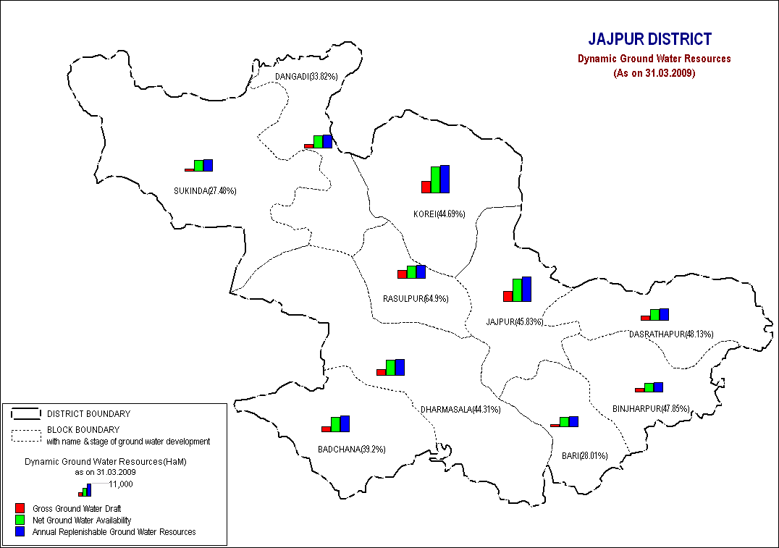
Govt. of India MINISTRY OF WATER RESOURCES CENTRAL GROUND WATER BOARD
OF JAJPUR DISTRICT South Eastern Region Bhubaneswar May , 2013

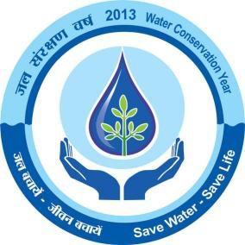
1.0 INTRODUCTION : 1.1 Administrative details The district lies between north latitudes 200 34’ 57’’& 210 08’ 52’’ and east longitudes 850 41’ 21’’& 860 37’ 26’’ and covers an area of 2899 sq. km. (Map -1).It falls in 73 G,H and L Degree sheets of Survey of India. It is bounded in the north by Keonjhar and Bhadrak districts, in the west by Dhenkanal and Cuttack districts, south by Kendrapada and Cuttack districts and in the east by Kendrapada district. The district is well connected by roads and railway lines. The N.H. 5 connecting Chennai and Kolkota, Paradeep Express highway connecting Daitari and Paradeep passes through the district. The East Coast railway line connecting Kolkota and Chennai also passes through the district. All the block Headquarters are connected to district head quarters by good motorable road . The district is constituted by one administrative sub-division viz. Jajpur. which is further subdivided in to 10 CD blocks. It has 280 gram-panchayats with 1575 inhabited and 203 uninhabited villages and 2 urban areas, viz; Jajpur (Municipal corporation), Jajpur (N.A.C). The district head quarters is located at Jajpur town. The total population of the district is 16,24,341 (as per 2001census) out of which urban population is only 69,851. The scheduled caste and scheduled tribe community accounts for 22.99 % and 7.76 % respectively of the total population of the district. 1.2 Drainage The district is mainly drained by river Brahmani, Birupa, Khharsuan and Baitarani along with their tributaries. These rivers are having south-easterly flow direction. Due to falling of topography and drainage channel, the runoff water during heavy down pour of rainfall, often splashes out and inundates the surrounding flood plains. The meandering of rivers gives rise to formation of ox-bow lakes along their course. 1.3 Studies carried out by CGWB

the district with the advent of the southwest monsoon, generally from the middle of June and continues till end of September. Lowest and the highest temperatures- The maximum temperature rises upto 460C in the summer and falls to a minimum of 14 0C in winter. The December and January are the coldest and May is the hottest month. The relative humidity is high, on an average, varies from 40 to 90% during the year and during monsoon it is much more where as in winter it is less.. The mean monthly potential evapo-transpiration varies from 57 mm during January to 320 mm during May. Rainfall in the district is caused by the south-west monsoon. The average rainfall of the district is 1771.8 mm. Maximum rainfall generally occurs in the month of August. Average nos. of rainy days in a year is 72.The western, south-western, eastern southern tract s receive a fairly high rainfall (>1500 mm.) which gradually decreases to 1300mm towards north-east. The district has experienced an unprecedented mild to severe drought situation during 1996. 3.0 Geomorphology & Soil Types : 3.1 Physiography : Physiographically, the district can be divided into five distinct units viz (1). Structural hills, (2) Residual and denudational hills, (3) Very deep buried pediments, (4) Shallow to moderate buried pediments and (5) Alluvial plain. 3.1.1. Structural hills: Structural hills are found in the north-west corner of the district. This tract is situated at a highest elevation in the district. The southern part of the hill range is called Mahagiri ranges and the northern ranges are called Daitari ranges. Both the ranges are made up of quartzites. 3.1.2. Residual and denudational hills: These are small hills made up of khondalites, quartzitic rocks and granite gneiss. The altitude of the hillocks range up to 300 m above msl. 3.1.3. Very deep buried pediment

varies from 4 to 25 m. above msl. The small dotted hills within the alluvial plain represents monadnocks. The meandering rivers form ox-bow lakes at places. Bogs and swamps are developed in low lying area. 3.2. Soil types: Generally four types of soils, viz. Alfisols, Utisols, Vertisols and Entisols occur in the district. As per agro-climatic classification, the district falls under North Eastern Coastal plain. 3.2.1. Alfisols : These soils include deltaic old alluvia soils and red sandy soils. These deltaic soils are found in river valley and the sandy soils are seen in the areas underlain by crystalline rocks. The red sandy soils are light textured usually devoid of lime concretions. 3.2.2. Ultisols: These include lateritic soils which are found in the western upland areas and these are poor in nitrogen, phosphorous, potassium and organic matters. 3.23.Vertisols: These are medium black soils occurring in the northern part of the district. These are rich in iron, calcium, magnesium, potash and lime but poor in organic matters, nitrogen and phosphorous. These soils are fertile. 3.2.4.Entisols : These soils include younger alluvial soils occurring in the central - eastern and south eastern blocks of the district These are deficient in nitrogen, phosphorous and humus but not in potash. These soils are fertile. 4.0 Ground Water Scenario 4.1 Hydrogeology : 4.1.1. Water bearing formations- The water bearing formation of the area can be divided into 4 groups viz; (a) Crystalline and meta sedimentary formation (b) Alluvium (c) Laterite capping highly weathered limonitised-cherty ultramafics (d) Laterite capping the crystalline and meta sedimentary sedimentary formation. 4.1.2 Occurrence of ground water: 4.1.2.1. Crystalline and meta sedimentary formation : Ground water in the hard granitic rocks or meta sedimentary khondalites and s

underlain by highly weathered ultramafics composed of limonites, cherts and weathered ultramafics. In these formation ground water occurs under unconfined conditions in shallow aquifers and semi-confined to confined condition in deeper aquifers. 4.1.2.4. Laterites capping crystalline and metasedimentary: In this type of setting the laterites cap the schistose quartzites. The laterites have high degree of effective porosity and form potential aquifer which are commonly tapped by dug wells. In these formation ground water occurs under unconfined conditions in shallow aquifers. The specific capacity of the dug well in laterites varies from 0.0016 m3 /min/metre to 0.2214 m3 /min/metre of draw down and the transmissivity varies from 3.2m 2 /day to 506m 2 /day . 4.1.3.Aquifer parameter: Water bearing properties of different formations vary widely. A brief account of the water bearing properties of different lithounits are enumerated below. 4.1.3.1.Crystalline and meta sedimentary formation: The yield potential of weathered and fractured aquifer in these formation are limited as compared to alluvium. The yield of dug wells in khondalites varies from 5 m3 /day to 25 m3 /day while in schistose quartzites, it varies from 6 m3 /day to 30 m3 /day and in granite, it ranges from 6 to 15 m3 /day. The specific capacity of dug well in these three hard formations vary from 0.0034 to 0.0054 m3 /min/metre, 0.004 to 0.008 m3 /min/metre and 0.0037 to 0.007 m3 /min/metre of draw down respectively. The yield of bore wells in these formations is up to 5 lps. 4.1.3.2. Alluvial formation : The yield of shallow and filter point tubewells in the alluvium varies 5 to 15 lps within a depth range of 25 to 60 metre below ground level. The transmissivity of shallow and deep aquifer varies from 234 m 2 /day to 3112 m 2 /day and 393 m 2 /day to 4650 m 2 /day. The yiel

4.1.4.Depth to water level: 4.1.4.1.Pre & post monsoon 2011 : The depth to water level map for pre and post monsoon periods 2011 are prepared based on the ground water monitoring data of 23 Nos of National Hydrograph Stations of C.G.W.B. monitored during the month of April and November 2011 and are presented in Map 2 and 3 respectively . The pre and post monsoon depth to water levels in the district range from 0.98 m to 9.85 m below ground level and 0.33 to 5.36 m below ground level respectively. 4.1.4.2.Seasonal Fluctuation: The seasonal fluctuation of water levels with respect to pre and post monsoon periods (2011) varies from –2.75m (Fall) at Saruabill to 5.83 m (Rise) at Hatibari. 4.1.2.3. Long term water level trend in last 10 years: Long-term trend analysis (2001- 2011) of phreatic water levels indicate that the water level in three-fourth of the dug wells show rising trend varying from 0.002 to 1.743 m/year, while the rest of the dug wells have declining trend ranging from 0.426 to 1.54 m/year. 4.2. Ground Water Resources: As per the ground water resources assessed during 2009, the total annual replenishable ground water resources in the district is 56933ham. The block wise ground water resources are given in Table-1. 15 % of the total ground water resources i.e. 8850 ham is reserved for domestic and industrial uses. The annual ground water draft for irrigation in the district is only 22441 ham leaving the balance ground water resource available for irrigation is 31538 ham. Over all the present level of ground water development is only 43.09 percent in the district with the maximum of 64.9% in Rasulpur block and minimum of 27.48 % in Sukinda block. Hence the whole district as well as all the blocks come under the safe category from ground water development point of view. Table:1 Ground water Resource Potential of Jajpur District As on 31.03.2009 Figures in hectare metre

Sl. No. | Assessment unit/block |  | Net Annual Ground Water Availability |  | Existing gross ground water draft for irrigation |  | Existing gross ground water draft for domestic and industrial water supply | Existing gross ground water draft for all uses |  | Allocation for domestic and industrial requirement supply up to next 25 year |  | Net ground water availability fo future irrigation development | Stage of ground water developme nt (%)
1 | Badchana |  | 5837 |  | 2135 |  | 153.61 | 2288 |  | 165 |  | 3537 | 39.20
2 | Bari |  | 3838 |  | 866 |  | 209.00 | 1075 |  | 389 |  | 2583 | 28.01
3 | Binjharpur |  | 3513 |  | 1618 |  | 62.79 | 1681 |  | 67 |  | 1828 | 47.85
4 | Danagadi |  | 5009 |  | 1447 |  | 247.00 | 1694 |  | 349 |  | 3213 | 33.82
5 | Dasarathpur |  | 4297 |  | 1981 |  | 87.84 | 2068 |  | 112 |  | 2205 | 48.13
6 | Dharmasala |  | 6087 |  | 2640 |  | 56.82 | 2697 |  | 79 |  | 3368 | 44.31
7 | Jajpur |  | 8809 |  | 3947 |  | 89.77 | 4037 |  | 91 |  | 4771 | 45.83
8 | Korei |  | 10194 |  | 4102 |  | 454.00 | 4556 |  | 658 |  | 5434 | 44.69
 | Rasulpur |  | 4997 |  | 2849 |  | 394.00 | 3243 |  | 577 |  | 1571 | 64.90
 | Sukinda |  | 4352 |  | 856 |  | 340.00 | 1196 |  | 468 |  | 3028 | 27.48
 | District Total |  | 56933 |  | 22441 |  | 2095.00 | 24535 |  | 2955 |  | 31538 | 43.09
4.2.1. Details of over exploited, critical and semi critical areas: Stage of ground water development shows that all blocks fall under safe category. 4.3 Ground water Quality: The chemical quality of groundwater both from shallow and deeper aquifers has been studied based on the analysis of water samples from hydrographs stations(April 2004) and exploratory wells of C.G.W.B. The quality of ground water for shallow and deeper aquifers are described below. 4.3.1.Shallow Aquifers: The ground water is alkaline in nature with pH value ranging from 7.34 at Kabirpur to 8.30 at Madhupurgarh. The electrical conductance values show a wide range from 73 to 1660 S / cm at 25 0C but in most cases it is between 200-500 S / cm at 25 0C. Higher values of electrical conductance are noted at Chinguripal (1197), Panikuili (1243) Chhatia(1433) , Rampei (1596)and Haridaspur(1660). Concentration of chloride is within the desirable limit i.e. 250 mg/l in all cases except at Haridaspur where slightly higher concentration(273 mg/l) is noted .Nitrate concentration is generally within the desirable limit in all cases except 3 places at Chinguripali (111 mg/l), Rampei (168 mg/l) and Haridaspur where concentration are found more than the desirable limit. Although the fluoride concentration varies from 0.15 to 5.20 mg/l ), it is by and large less than 1.0 mg/l (permissible limit 1.5 mg/l). Concentration of iron is below the permissible limit in all cases except at Saruabili (7.4 mg/l), Haridaspur (1.48) and Binjharpur (3.37)(permissible limit 1.0 mg/l).Total Hardness in nearly seventy percent cases is within 250 mg/l (desirable limit 300 mg/l) and in rest thirty percent cases it varies from 320 to 470 mg/l (permissible limit 600 mg/l). However in other areas concentration of other chemical constituents like Calcium, Sulphate and Phosphate are well within the desirable limit in more than ninety per

Nitrate concentration in deeper aquifers is non detectable to 1.6 mg/l and the maximum fluoride content is 0.58 mg/l, which indicate that concentration of both the pollutants in deeper aquifers are well within the permissible limit (100 mg/l for nitrate and 1.5 mg/l for fluoride). The concentration of iron varies from 0.25 to 1.13 mg/l against the permissible limit of 1.0 mg/l. Total hardness varies from 50 to 285 mg/l against the desirable limit of 300 mg/l. The concentration of other chemical constituents like Calcium, Sulphate and Phosphate are within the desirable limits. 4.3.3. Suitability of Ground Water for Drinking Purpose The concentration of major chemical constituents and also the pollutants like fluoride and nitrate content in fresh ground water of shallow and deeper aquifers are well within permissible limit of drinking water specification (Indian Standard 1991). Hence the fresh ground water may be used as safe drinking water source. 4.3.4. Suitability of Ground Water for Agricultural Purpose Ground water from both shallow and deeper aquifers in general is suitable for irrigation purpose. Ground water from shallow and deeper aquifers belongs to C1S1 and C2S1 and C3S1 classes of USSL Classification, which indicates that the ground water, in general is fit for most type of crops except in local pockets where, C3 S1 types of water occurs in deeper aquifer, belongs to low alkaline and medium to high salinity class. In these pockets salt tolerant crops should be grown. Based on the hydrogeological condition of the district, the feasibility of various ground water structure with their yield potential, existing depth, discharge range water lifting devices etc are described below and given in table-3. Table-3: DEPTH RANGE, PROBABLE THICKESS OF AQUIFER AND YIELD OF DIFFERENT GROUNDWATER STRUCTURES IN THE DISTRICT
Hydro- geological setting |  | Type of structures |  | Depth range (m) |  | Probable thickness of aquifer |  |  | Probable Yield (lps) |  | Water lifting device
Crystalline and alluvial area |  | Dug wells |  | 9-15 |  | 4.5-6 |  |  | 3-5 |  | Submersible pump 2-5HP
Crystalline area |  | Bore well |  | 60- 120 |  |  |  |  | <5 |  | Submersible pump 2-5HP
Alluvial area |  | Filter point and Shallow tube wells. |  | 25-60 |  | 10-20 |  |  | 5-15 |  | Submersible/tur bine pump 5HP
Alluvial area |  | Medium deep tube wells. |  | 60- 100 |  | 20-30 |  |  | 20to>40 |  | Submersible /turbine pump 10HP
Alluvial area |  | Deep tube wells |  | 100- 150 |  | 25-30 |  |  | >40 |  | Submersible/tur bine pump 15 HP
. 4.4.1. Feasibility of Ground Water Structures in Non Saline Area : 4.4.1.1. Dug wells : The depth of the dug wells in crystalline and alluvium areas (with or without lateritic capping) should be in the range of 9 to 15 m. below ground level. The diameter of the wells may be 4 .5 to 6 m. The expected yield of these wells may be upto 5 lps. 4.4.1.2. Filter Point Tube Wells : These tube wells are very successful on the recent flood plain deposits occurring along the banks of river and stream and also on the bank of moribund channels of rivers or streams and within the dried up stream course. The depth of these structures may be 25 to 60m and dia 10cm x 5cm or all through 5cm. Submersible pumps of 2 H.P capacity may be fitted. The yield of these wells is generally within 5 to 15 lps. The pumps of 2 to 5 H.P capacity may be installed in these tube wells. 4.4.1.3. Shallow Tube Wells : The depth of the shallow tube wells may be restricted to 50 mbgl and the diameter to 15cm. The thickness of available aquifer zones vary from 5 to 10m within this depth. These structure are mainly feasible in the central part of the area underlain by older alluvium and east- central part occupied by recent alluvium. The expected yield is generally within 15 lps and submersible pumps of 2 to 5 H.P may be installed. 4.4.1.4Medium Deep Tube Wells: The medium deep tube wells upto a depth of 150m are feasible in the non saline tract. The depth of the wells may vary from 90 to 150m and within this depth range the thickness of aquifer zones vary from 25 to 60m. The yields of these tube wells varies from 20 to 40 lps. Submersible pumps of 7.5 to 20 H.P may be installed. 4.4.2. Feasibility of Structures in Saline Tract : In and around Singhpur area fresh water bearing aquifer is generally found within the top 20 m depth and then beyond 90 m. In such place dug wells with the depth range of 10 to 15 m. and dia of 4.5 to 6.0 m is feasible to tap the upper f

The ground water development is being done through dug wells, bore wells and tube wells. Tube wells include filter point and shallow, medium deep tube wells. The use of ground water is for both domestic and as well as irrigation purposes. Stage of ground water development shows that further scope exist for its development in all blocks of the district. 5.2 Area suitable for ground water development: Area suitable for ground water development type of abstraction structure feasible, their depth range, yield prospect and type of lifting devices etc are shown in Map –6. In the district additional 345 nos. of medium deep tube wells, 76 nos. of shallow tube wells, 4487 nos of filter point tube wells and 14152 dug wells can be constructed for further development of ground water. 5.3.Drilling and Well design : Tube wells can be constructed by deploying rotary rig . First pilot hole is constructed .Then on the basis of granular zones assembly are lowered in well . In saline tract cement sealing is provided to prevent from mixing of fresh water aquifer .Then well is developed with Air compressor/pump to get sand free water. Bore wells should be constructed by deploying DTH rigs. 5.4.Water conservation and artificial recharge: The scope for artificial recharge exits in hard rock terrain in western part of the district . In this part water levels during post monsoon rest between 2 to 4 m. bgl and on an average below 3m. and during pre- monsoon on an average the water level rests below 6m. depth. Physiographically the area shows low hills with intermontane valley or pediplains dotted with low hills. The artificial recharge structure like infiltration tank, contour bunding, gully plugging are feasible in the area. In some areas, in addition to above structures, subsurface dykes may also be constructed. All these structure will be help in augmenting ground wat

6.3. Water Table Depleted area: The long term trend analysis data of water level from the network stations of district indicate that there is no significant water table depleted area in the district except few localized patches as 75% of hydrograph net work stations have shown rise in water level. However, the heavy pumping of ground water in the chromite mining belt of Sukinda valley for continuation of mining process is creating an imminent problem of lowering of water table in and around the valley. 6.4 Salinity Problem: The district posses a narrow tract in south-east ie in part of Dasrathpur and Binjharpur blocks ,where the saline aqufer are seen. In Karuna- Mangalpur-Kumardihi tract of Dasarathapur block, saline/ brackish water bearing aquifer extending from 95 m. to further down are found. At Singhpur, saline aquifers are found 20 to 90 m. bgl. And in Binjharpur the water is brackish below 48 m. below ground level. Besides the above mentioned tracks, in rest of the district in general fresh ground water is encountered. 6.5. Drilling Problem: No problem. 6.6. Risk to Natural disaster: Jajpur, being a coastal district is always prone to drought, Flood and cyclone . Flood : Flood is a very common disaster in the eastern part of the district which occurs almost every year . 7.0.Awareness & Training Activity: 7.1 Mass Awareness programme (MAP) & Water Management Training Programme, (WMTP) by CGWB : Not organized till March 2008. 7.2: Participation in Exhibition, Mela, Fair etc: No participation 7.3: Participation & Lectures delivered in public forum/ radio/TV//Institution of Public Repute/ Grassroots associations / NGO/ Academic Institutions etc: Nil 8.0 Area notified by CGWA/SGWA: Nil 9.0 Recommendations: Large scale planning should be adopted for formulation of ground water development strategies, which may be preceded by

adopting suitable cropping pattern, for optimal utilization of available ground water and surface water resources. Financial institution and bankers should extend necessary co- operation to farmers. State Electricity Board and Rural electrification Corporation (REC) should also take steps for energization of wells to ensure an interrupted power supply. Artificial recharge structures like check dams, percolation tanks, contour bunding etc should be constructed in the hard rocks areas lying to the western parts of the district. The State Pollution Control Board should monitor regularly the discharged water in chromite mining areas, so that the untreated water is not pumped out to the nearby fields and streams, which may pollute the surface and ground water resources.

