Assets
 |  | Colors |  | Text Colors
 |  |  | Background |  | Headings
 |  |  | Highlight |  | Labels
 |  |  | Highlight 2 |  | Tables
TITLE
 |  |  | Chart Color (guages) |  | Color1
 |  |  | Faded |  | Color2
KPI Value
 |  |  |  |  | Color3
 |  |  |  |  | Highlight
 |  | SAMPLE TILE
SALES
$21.70 m
Image | Country
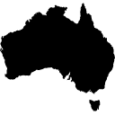 | Australia

COST
$6.68 m

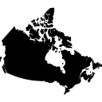
PROFIT
 | Canada
$15.02 m

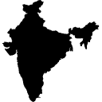 | India

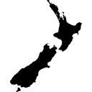 | New Zealand

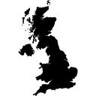
 | UK

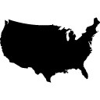 | USA

