AnalyticalPivot
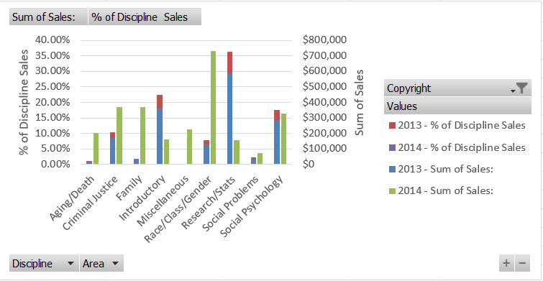
 | Copyright Year
 | 2013 |  | 2014 |  | Total Sum of Sales: | Total % of Discipline Sales
Discipline | Sum of Sales: | % of Discipline Sales | Sum of Sales: | % of Discipline Sales
Aging/Death | $18,800 | 1.21% | $196,429 | 7.83% | $215,229 | 5.30%
Criminal Justice | $163,000 | 10.52% | $353,538 | 14.09% | $516,538 | 12.73%
Family | $28,514 | 1.84% | $353,808 | 14.10% | $382,322 | 9.42%
Introductory | $346,875 | 22.39% | $155,805 | 6.21% | $502,680 | 12.39%
Miscellaneous | $1,125 | 0.07% | $217,828 | 8.68% | $218,953 | 5.40%
Race/Class/Gender | $121,670 | 7.85% | $698,896 | 27.86% | $820,566 | 20.22%
Research/Stats | $560,812 | 36.20% | $149,313 | 5.95% | $710,125 | 17.50%
Social Problems | $35,735 | 2.31% | $70,178 | 2.80% | $105,913 | 2.61%
Social Psychology | $272,661 | 17.60% | $312,736 | 12.47% | $585,397 | 14.43%
Grand Total | $1,549,192 | 100.00% | $2,508,531 | 100.00% | $4,057,723 | 100.00%

 |  |  |  |  | Screenshot before refresh:

