Sheet1
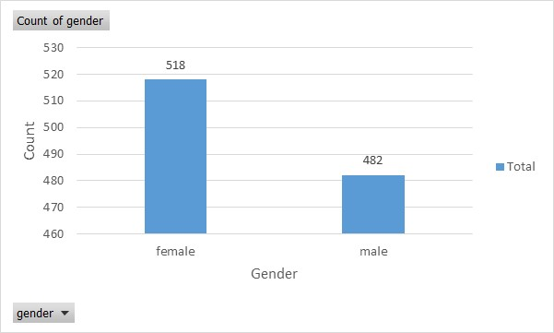
gender | race/ethnicity | parental level of education | lunch | test preparation course | math score | reading score | writing score
female | group B | bachelor's degree | standard | none | 72 | 72 | 74
female | group C | some college | standard | completed | 69 | 90 | 88
female | group B | master's degree | standard | none | 90 | 95 | 93
male | group A | associate's degree | free/reduced | none | 47 | 57 | 44
male | group C | some college | standard | none | 76 | 78 | 75
female | group B | associate's degree | standard | none | 71 | 83 | 78
female | group B | some college | standard | completed | 88 | 95 | 92
male | group B | some college | free/reduced | none | 40 | 43 | 39
male | group D | high school | free/reduced | completed | 64 | 64 | 67
female | group B | high school | free/reduced | none | 38 | 60 | 50
male | group C | associate's degree | standard | none | 58 | 54 | 52
male | group D | associate's degree | standard | none | 40 | 52 | 43
female | group B | high school | standard | none | 65 | 81 | 73
male | group A | some college | standard | completed | 78 | 72 | 70
female | group A | master's degree | standard | none | 50 | 53 | 58
female | group C | some high school | standard | none | 69 | 75 | 78
male | group C | high school | standard | none | 88 | 89 | 86
female | group B | some high school | free/reduced | none | 18 | 32 | 28 | > From above countplot, we can notice that "female" accounts for 51.8% and "male" accounts for 48.2%
male | group C | master's degree | free/reduced | completed | 46 | 42 | 46
female | group C | associate's degree | free/reduced | none | 54 | 58 | 61
male | group D | high school | standard | none | 66 | 69 | 63
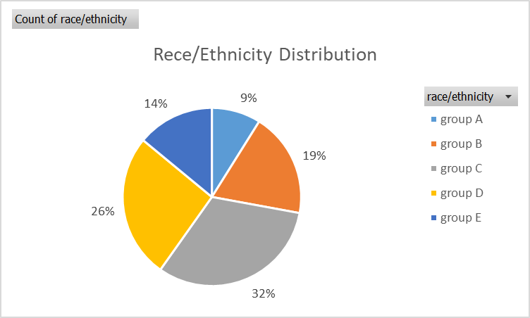
female | group B | some college | free/reduced | completed | 65 | 75 | 70
male | group D | some college | standard | none | 44 | 54 | 53
female | group C | some high school | standard | none | 69 | 73 | 73
male | group D | bachelor's degree | free/reduced | completed | 74 | 71 | 80
male | group A | master's degree | free/reduced | none | 73 | 74 | 72
male | group B | some college | standard | none | 69 | 54 | 55
female | group C | bachelor's degree | standard | none | 67 | 69 | 75
male | group C | high school | standard | none | 70 | 70 | 65
female | group D | master's degree | standard | none | 62 | 70 | 75
female | group D | some college | standard | none | 69 | 74 | 74
female | group B | some college | standard | none | 63 | 65 | 61
female | group E | master's degree | free/reduced | none | 56 | 72 | 65
male | group D | some college | standard | none | 40 | 42 | 38
male | group E | some college | standard | none | 97 | 87 | 82
male | group E | associate's degree | standard | completed | 81 | 81 | 79
female | group D | associate's degree | standard | none | 74 | 81 | 83
female | group D | some high school | free/reduced | none | 50 | 64 | 59 | > Group C and Group D account for a larger proportion that other groups, Group A has at least 8.9%.
female | group D | associate's degree | free/reduced | completed | 75 | 90 | 88
male | group B | associate's degree | free/reduced | none | 57 | 56 | 57
male | group C | associate's degree | free/reduced | none | 55 | 61 | 54
female | group C | associate's degree | standard | none | 58 | 73 | 68
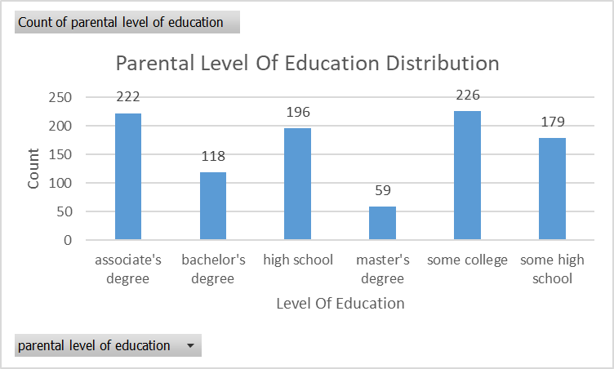
female | group B | associate's degree | standard | none | 53 | 58 | 65
male | group B | some college | free/reduced | completed | 59 | 65 | 66
female | group E | associate's degree | free/reduced | none | 50 | 56 | 54
male | group B | associate's degree | standard | none | 65 | 54 | 57
female | group A | associate's degree | standard | completed | 55 | 65 | 62
female | group C | high school | standard | none | 66 | 71 | 76
female | group D | associate's degree | free/reduced | completed | 57 | 74 | 76
male | group C | high school | standard | completed | 82 | 84 | 82
male | group E | some college | standard | none | 53 | 55 | 48
male | group E | associate's degree | free/reduced | completed | 77 | 69 | 68
male | group C | some college | standard | none | 53 | 44 | 42
male | group D | high school | standard | none | 88 | 78 | 75
female | group C | some high school | free/reduced | completed | 71 | 84 | 87
female | group C | high school | free/reduced | none | 33 | 41 | 43
female | group E | associate's degree | standard | completed | 82 | 85 | 86
male | group D | associate's degree | standard | none | 52 | 55 | 49
male | group D | some college | standard | completed | 58 | 59 | 58 | > The majority of parents have studied some college and associate's degree, the number of master's degree accounted for less.
female | group C | some high school | free/reduced | none | 0 | 17 | 10
male | group E | bachelor's degree | free/reduced | completed | 79 | 74 | 72
male | group A | some high school | free/reduced | none | 39 | 39 | 34
male | group A | associate's degree | free/reduced | none | 62 | 61 | 55
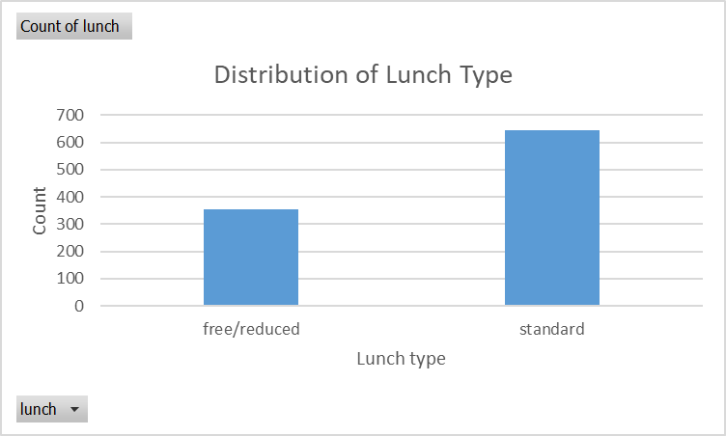
female | group C | associate's degree | standard | none | 69 | 80 | 71
female | group D | some high school | standard | none | 59 | 58 | 59
male | group B | some high school | standard | none | 67 | 64 | 61
male | group D | some high school | free/reduced | none | 45 | 37 | 37
female | group C | some college | standard | none | 60 | 72 | 74
male | group B | associate's degree | free/reduced | none | 61 | 58 | 56
female | group C | associate's degree | standard | none | 39 | 64 | 57
female | group D | some college | free/reduced | completed | 58 | 63 | 73
male | group D | some college | standard | completed | 63 | 55 | 63
female | group A | associate's degree | free/reduced | none | 41 | 51 | 48
male | group C | some high school | free/reduced | none | 61 | 57 | 56
male | group C | some high school | standard | none | 49 | 49 | 41
male | group B | associate's degree | free/reduced | none | 44 | 41 | 38
male | group E | some high school | standard | none | 30 | 26 | 22
male | group A | bachelor's degree | standard | completed | 80 | 78 | 81
female | group D | some high school | standard | completed | 61 | 74 | 72
female | group E | master's degree | standard | none | 62 | 68 | 68 | > Most of the students are eating standard lunch.
female | group B | associate's degree | standard | none | 47 | 49 | 50
male | group B | high school | free/reduced | none | 49 | 45 | 45
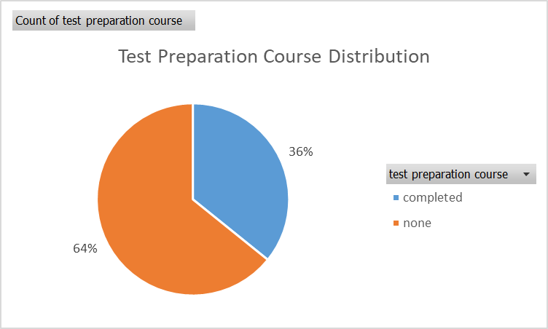
male | group A | some college | free/reduced | completed | 50 | 47 | 54
male | group E | associate's degree | standard | none | 72 | 64 | 63
male | group D | high school | free/reduced | none | 42 | 39 | 34
female | group C | some college | standard | none | 73 | 80 | 82
female | group C | some college | free/reduced | none | 76 | 83 | 88
female | group D | associate's degree | standard | none | 71 | 71 | 74
female | group A | some college | standard | none | 58 | 70 | 67
female | group D | some high school | standard | none | 73 | 86 | 82
female | group C | bachelor's degree | standard | none | 65 | 72 | 74
male | group C | high school | free/reduced | none | 27 | 34 | 36
male | group C | high school | standard | none | 71 | 79 | 71
male | group C | associate's degree | free/reduced | completed | 43 | 45 | 50
female | group B | some college | standard | none | 79 | 86 | 92
male | group C | associate's degree | free/reduced | completed | 78 | 81 | 82
male | group B | some high school | standard | completed | 65 | 66 | 62
female | group E | some college | standard | completed | 63 | 72 | 70
female | group D | some college | free/reduced | none | 58 | 67 | 62 | > From the above pie chart, the number of students who did not take the exam preparation course is more than the number of students who completed the course.
female | group D | bachelor's degree | standard | none | 65 | 67 | 62
male | group B | some college | standard | none | 79 | 67 | 67
male | group D | bachelor's degree | standard | completed | 68 | 74 | 74
female | group D | associate's degree | standard | none | 85 | 91 | 89
male | group B | high school | standard | completed | 60 | 44 | 47
 | math score
 | 72
 | 69
 | 90
 | 47
 | 76
 | 71
 | 88
 | 40
 | 64
 | 38
 | 58
 | 40
 | 65
 | 78
 | 50
 | 69
 | 88
 | 18
 | 46
 | 54
 | 66
 | 65
 | 44
 | 69
 | 74
 | 73
 | 69
 | 67
 | 70
 | 62
 | 69
 | 63
 | 56
 | 40
 | 97
 | 81
 | 74
 | 50
 | 75
 | 57
 | 55
 | 58
 | 53
 | 59
 | 50
 | 65
 | 55
 | 66
 | 57
 | 82
...
male | group C | some college | standard | completed | 98 | 86 | 90
female | group C | some college | standard | none | 58 | 67 | 72
female | group D | master's degree | standard | none | 87 | 100 | 100
male | group E | associate's degree | standard | completed | 66 | 63 | 64
female | group B | associate's degree | free/reduced | none | 52 | 76 | 70
female | group B | some high school | standard | none | 70 | 64 | 72
female | group D | associate's degree | free/reduced | completed | 77 | 89 | 98
male | group C | high school | standard | none | 62 | 55 | 49
male | group A | associate's degree | standard | none | 54 | 53 | 47
female | group D | some college | standard | none | 51 | 58 | 54
female | group E | bachelor's degree | standard | completed | 99 | 100 | 100
male | group C | high school | standard | none | 84 | 77 | 74
female | group B | bachelor's degree | free/reduced | none | 75 | 85 | 82
female | group D | bachelor's degree | standard | none | 78 | 82 | 79
female | group D | some high school | standard | none | 51 | 63 | 61
female | group C | some college | standard | none | 55 | 69 | 65
 | reading score
 | 72
 | 90
 | 95
 | 57
 | 78
 | 83
 | 95
 | 43
 | 64
 | 60
 | 54
 | 52
 | 81
 | 72
 | 53
 | 75
 | 89
 | 32
 | 42
 | 58
 | 69
 | 75
 | 54
 | 73
 | 71
 | 74
 | 54
 | 69
 | 70
 | 70
 | 74
 | 65
 | 72
 | 42
 | 87
 | 81
 | 81
 | 64
 | 90
 | 56
 | 61
 | 73
 | 58
 | 65
 | 56
 | 54
 | 65
 | 71
 | 74
 | 84
...
female | group C | bachelor's degree | standard | completed | 79 | 92 | 89
male | group B | associate's degree | standard | completed | 91 | 89 | 92
female | group C | some college | standard | completed | 88 | 93 | 93
male | group D | high school | free/reduced | none | 63 | 57 | 56
male | group E | some college | standard | none | 83 | 80 | 73
female | group B | high school | standard | none | 87 | 95 | 86
male | group B | some high school | standard | none | 72 | 68 | 67
male | group D | some college | standard | completed | 65 | 77 | 74
male | group D | master's degree | standard | none | 82 | 82 | 74
female | group A | bachelor's degree | standard | none | 51 | 49 | 51
male | group D | master's degree | standard | none | 89 | 84 | 82
male | group C | some high school | free/reduced | completed | 53 | 37 | 40
male | group E | some college | free/reduced | completed | 87 | 74 | 70
female | group C | some college | standard | completed | 75 | 81 | 84
male | group D | bachelor's degree | free/reduced | completed | 74 | 79 | 75
male | group C | bachelor's degree | standard | none | 58 | 55 | 48
 | writing score
 | 74
 | 88
 | 93
 | 44
 | 75
 | 78
 | 92
 | 39
 | 67
 | 50
 | 52
 | 43
 | 73
 | 70
 | 58
 | 78
 | 86
 | 28
 | 46
 | 61
 | 63
 | 70
 | 53
 | 73
 | 80
 | 72
 | 55
 | 75
 | 65
 | 75
 | 74
 | 61
 | 65
 | 38
 | 82
 | 79
 | 83
 | 59
 | 88
 | 57
 | 54
 | 68
 | 65
 | 66
 | 54
 | 57
 | 62
 | 76
 | 76
 | 82
...
male | group B | some high school | standard | completed | 51 | 54 | 41
male | group E | high school | standard | none | 70 | 55 | 56
female | group C | associate's degree | standard | none | 59 | 66 | 67
male | group D | some college | standard | completed | 71 | 61 | 69
female | group D | some high school | standard | none | 76 | 72 | 71
female | group C | some college | free/reduced | none | 59 | 62 | 64
female | group E | some college | free/reduced | completed | 42 | 55 | 54
male | group A | high school | standard | none | 57 | 43 | 47
male | group D | some college | standard | none | 88 | 73 | 78
female | group C | some college | free/reduced | none | 22 | 39 | 33
male | group B | some high school | standard | none | 88 | 84 | 75
male | group C | associate's degree | free/reduced | none | 73 | 68 | 66
female | group D | bachelor's degree | standard | completed | 68 | 75 | 81
male | group E | associate's degree | free/reduced | completed | 100 | 100 | 93
male | group A | some high school | standard | completed | 62 | 67 | 69
male | group A | bachelor's degree | standard | none | 77 | 67 | 68
female | group B | associate's degree | standard | completed | 59 | 70 | 66 | > From the above three plots its clearly visible that most of the student score in between 60-90 in Maths whereas in reading and writing most of them score from 50-80.
male | group D | bachelor's degree | standard | none | 54 | 49 | 47
male | group D | some high school | standard | none | 62 | 67 | 61
female | group C | some college | standard | completed | 70 | 89 | 88
female | group E | high school | free/reduced | completed | 66 | 74 | 78
male | group B | some college | free/reduced | none | 60 | 60 | 60 |  | Gender | Female | Male
female | group B | associate's degree | standard | completed | 61 | 86 | 87 |  | math score | 63.633204633 | 68.728215768
male | group D | associate's degree | free/reduced | none | 66 | 62 | 64 |  | reading score | 72.608108108 | 65.473029046
male | group B | associate's degree | free/reduced | completed | 82 | 78 | 74 |  | writing score | 68.185686654 | 67.875518672
female | group E | some college | free/reduced | completed | 75 | 88 | 85
male | group B | master's degree | free/reduced | none | 49 | 53 | 52 | > From the table above, it can be seen that, the average score of math of the male is higher than that of the female, while the average score of reading and writing of the female is higher than that of the male.
male | group C | high school | standard | none | 52 | 53 | 49
female | group E | master's degree | standard | none | 81 | 92 | 91
female | group C | bachelor's degree | standard | completed | 96 | 100 | 100
male | group C | high school | free/reduced | completed | 53 | 51 | 51
female | group B | master's degree | free/reduced | completed | 58 | 76 | 78
female | group B | high school | standard | completed | 68 | 83 | 78
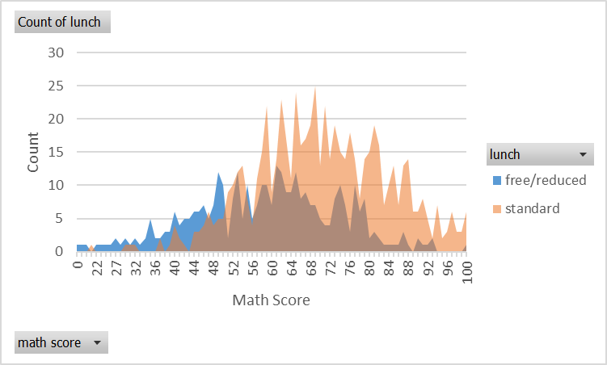
female | group C | some college | free/reduced | completed | 67 | 75 | 70
male | group A | high school | standard | completed | 72 | 73 | 74
male | group E | some high school | standard | none | 94 | 88 | 78
female | group D | some college | standard | none | 79 | 86 | 81
female | group C | associate's degree | standard | none | 63 | 67 | 70
female | group C | bachelor's degree | free/reduced | completed | 43 | 51 | 54
female | group C | master's degree | standard | completed | 81 | 91 | 87
female | group B | high school | free/reduced | completed | 46 | 54 | 58
female | group C | associate's degree | standard | completed | 71 | 77 | 77
female | group B | master's degree | free/reduced | completed | 52 | 70 | 62
female | group D | some high school | standard | completed | 97 | 100 | 100
male | group C | master's degree | free/reduced | completed | 62 | 68 | 75
female | group C | some college | free/reduced | none | 46 | 64 | 66
female | group E | high school | standard | none | 50 | 50 | 47
female | group D | associate's degree | standard | none | 65 | 69 | 70
male | group C | some high school | free/reduced | completed | 45 | 52 | 49
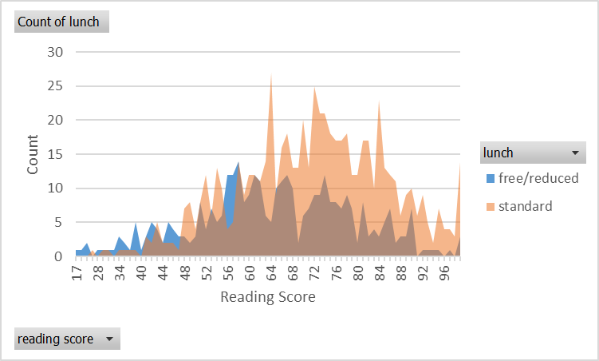
male | group C | associate's degree | free/reduced | completed | 65 | 67 | 65
male | group E | high school | standard | none | 80 | 76 | 65
male | group D | some high school | standard | completed | 62 | 66 | 68
male | group B | some high school | free/reduced | none | 48 | 52 | 45
female | group C | bachelor's degree | standard | none | 77 | 88 | 87
female | group E | associate's degree | standard | none | 66 | 65 | 69
male | group D | some college | standard | completed | 76 | 83 | 79
female | group B | some high school | standard | none | 62 | 64 | 66
male | group D | some college | standard | completed | 77 | 62 | 62
female | group C | master's degree | standard | completed | 69 | 84 | 85
male | group D | associate's degree | standard | none | 61 | 55 | 52
male | group C | some high school | free/reduced | completed | 59 | 69 | 65
male | group E | high school | free/reduced | none | 55 | 56 | 51
female | group B | some college | free/reduced | none | 45 | 53 | 55
female | group B | bachelor's degree | free/reduced | none | 78 | 79 | 76
female | group C | associate's degree | standard | completed | 67 | 84 | 86
female | group D | some college | free/reduced | none | 65 | 81 | 77
male | group C | associate's degree | standard | none | 69 | 77 | 69
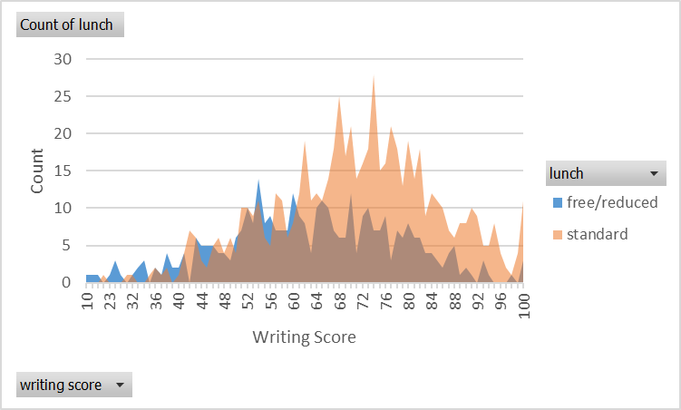
female | group B | associate's degree | standard | none | 57 | 69 | 68
male | group C | some college | standard | none | 59 | 41 | 42
male | group D | some high school | standard | completed | 74 | 71 | 78
male | group E | bachelor's degree | standard | none | 82 | 62 | 62
male | group E | high school | standard | completed | 81 | 80 | 76
female | group B | some college | free/reduced | none | 74 | 81 | 76
female | group B | some college | free/reduced | none | 58 | 61 | 66
male | group D | some high school | free/reduced | completed | 80 | 79 | 79
male | group C | some college | free/reduced | none | 35 | 28 | 27
female | group C | high school | free/reduced | none | 42 | 62 | 60
male | group C | associate's degree | free/reduced | completed | 60 | 51 | 56
male | group E | high school | standard | completed | 87 | 91 | 81
male | group B | some high school | standard | completed | 84 | 83 | 75
female | group E | associate's degree | free/reduced | completed | 83 | 86 | 88
female | group C | high school | free/reduced | none | 34 | 42 | 39
male | group B | high school | free/reduced | none | 66 | 77 | 70
male | group B | some high school | standard | completed | 61 | 56 | 56
female | group D | high school | standard | completed | 56 | 68 | 74 | > Suprisingly, the way you choose your lunch has a big impact on your score. it can be seen that the number of students who chose the standard lunch has a higher score that the free/reduced lunch option.
male | group B | associate's degree | standard | none | 87 | 85 | 73
female | group C | some high school | free/reduced | none | 55 | 65 | 62
male | group D | some high school | standard | none | 86 | 80 | 75
female | group B | associate's degree | standard | completed | 52 | 66 | 73
female | group E | master's degree | free/reduced | none | 45 | 56 | 54
female | group C | some college | standard | none | 72 | 72 | 71
male | group D | high school | standard | none | 57 | 50 | 54
male | group A | some high school | free/reduced | none | 68 | 72 | 64
female | group C | some college | standard | completed | 88 | 95 | 94
male | group D | some college | standard | none | 76 | 64 | 66
male | group C | associate's degree | standard | none | 46 | 43 | 42
female | group B | bachelor's degree | standard | none | 67 | 86 | 83
male | group E | some high school | standard | none | 92 | 87 | 78
male | group C | bachelor's degree | standard | completed | 83 | 82 | 84
male | group D | associate's degree | standard | none | 80 | 75 | 77
male | group D | bachelor's degree | free/reduced | none | 63 | 66 | 67
female | group D | some high school | standard | completed | 64 | 60 | 74
male | group B | some college | standard | none | 54 | 52 | 51
male | group C | associate's degree | standard | none | 84 | 80 | 80
male | group D | high school | free/reduced | completed | 73 | 68 | 66
female | group E | bachelor's degree | standard | none | 80 | 83 | 83
female | group D | high school | standard | none | 56 | 52 | 55
male | group E | some college | standard | none | 59 | 51 | 43
male | group D | some high school | standard | none | 75 | 74 | 69
male | group C | associate's degree | standard | none | 85 | 76 | 71
male | group E | associate's degree | standard | none | 89 | 76 | 74
female | group B | high school | standard | completed | 58 | 70 | 68
female | group B | high school | standard | none | 65 | 64 | 62
male | group C | high school | standard | none | 68 | 60 | 53
male | group A | some high school | standard | completed | 47 | 49 | 49
female | group D | some college | free/reduced | none | 71 | 83 | 83
female | group B | some high school | standard | completed | 60 | 70 | 70
male | group D | master's degree | standard | none | 80 | 80 | 72
male | group D | high school | standard | none | 54 | 52 | 52
female | group E | some college | standard | none | 62 | 73 | 70
female | group C | associate's degree | free/reduced | none | 64 | 73 | 68
male | group C | associate's degree | standard | completed | 78 | 77 | 77
female | group B | some college | standard | none | 70 | 75 | 78
female | group C | master's degree | free/reduced | completed | 65 | 81 | 81
female | group C | some high school | free/reduced | completed | 64 | 79 | 77
male | group C | some college | standard | completed | 79 | 79 | 78
female | group C | some high school | free/reduced | none | 44 | 50 | 51
female | group E | high school | standard | none | 99 | 93 | 90
male | group D | high school | standard | none | 76 | 73 | 68
male | group D | some high school | free/reduced | none | 59 | 42 | 41
female | group C | bachelor's degree | standard | none | 63 | 75 | 81
female | group D | high school | standard | none | 69 | 72 | 77
female | group D | associate's degree | standard | completed | 88 | 92 | 95
female | group E | some college | free/reduced | none | 71 | 76 | 70
male | group C | bachelor's degree | standard | none | 69 | 63 | 61
male | group C | some college | standard | none | 58 | 49 | 42
female | group D | associate's degree | free/reduced | none | 47 | 53 | 58
female | group D | some college | standard | none | 65 | 70 | 71
male | group B | some college | standard | completed | 88 | 85 | 76
male | group C | bachelor's degree | standard | none | 83 | 78 | 73
female | group C | some high school | standard | completed | 85 | 92 | 93
female | group E | high school | standard | completed | 59 | 63 | 75
female | group C | some high school | free/reduced | none | 65 | 86 | 80
male | group B | bachelor's degree | free/reduced | none | 73 | 56 | 57
male | group D | high school | standard | none | 53 | 52 | 42
male | group D | high school | standard | none | 45 | 48 | 46
female | group D | bachelor's degree | free/reduced | none | 73 | 79 | 84
female | group D | some college | free/reduced | completed | 70 | 78 | 78
female | group B | some high school | standard | none | 37 | 46 | 46
male | group B | associate's degree | standard | completed | 81 | 82 | 82
male | group E | associate's degree | standard | completed | 97 | 82 | 88
female | group B | some high school | standard | none | 67 | 89 | 82
male | group B | bachelor's degree | free/reduced | none | 88 | 75 | 76
male | group E | some high school | standard | completed | 77 | 76 | 77
male | group C | associate's degree | standard | none | 76 | 70 | 68
male | group D | some high school | standard | none | 86 | 73 | 70
male | group C | some high school | standard | completed | 63 | 60 | 57
female | group E | bachelor's degree | standard | none | 65 | 73 | 75
male | group D | high school | free/reduced | completed | 78 | 77 | 80
male | group B | associate's degree | free/reduced | none | 67 | 62 | 60
male | group A | some high school | standard | completed | 46 | 41 | 43
male | group E | associate's degree | standard | completed | 71 | 74 | 68
male | group C | high school | free/reduced | completed | 40 | 46 | 50
male | group D | associate's degree | free/reduced | none | 90 | 87 | 75
male | group A | some college | free/reduced | completed | 81 | 78 | 81
male | group D | some high school | free/reduced | none | 56 | 54 | 52
female | group C | associate's degree | standard | completed | 67 | 84 | 81
male | group B | associate's degree | standard | none | 80 | 76 | 64
female | group C | associate's degree | standard | completed | 74 | 75 | 83
male | group A | some college | standard | none | 69 | 67 | 69
male | group E | some college | standard | completed | 99 | 87 | 81
male | group C | some high school | standard | none | 51 | 52 | 44
female | group B | associate's degree | free/reduced | none | 53 | 71 | 67
female | group D | high school | free/reduced | none | 49 | 57 | 52
female | group B | associate's degree | standard | none | 73 | 76 | 80
male | group B | bachelor's degree | standard | none | 66 | 60 | 57
male | group D | bachelor's degree | standard | completed | 67 | 61 | 68
female | group C | associate's degree | free/reduced | completed | 68 | 67 | 69
female | group C | bachelor's degree | standard | completed | 59 | 64 | 75
male | group C | high school | standard | none | 71 | 66 | 65
female | group D | master's degree | standard | completed | 77 | 82 | 91
male | group C | associate's degree | standard | none | 83 | 72 | 78
male | group B | bachelor's degree | standard | none | 63 | 71 | 69
female | group D | associate's degree | free/reduced | none | 56 | 65 | 63
female | group C | high school | free/reduced | completed | 67 | 79 | 84
female | group E | high school | standard | none | 75 | 86 | 79
female | group C | some college | standard | none | 71 | 81 | 80
female | group C | some high school | free/reduced | none | 43 | 53 | 53
female | group C | high school | free/reduced | none | 41 | 46 | 43
female | group C | some college | standard | none | 82 | 90 | 94
male | group C | some college | standard | none | 61 | 61 | 62
male | group A | some college | free/reduced | none | 28 | 23 | 19
male | group C | associate's degree | standard | completed | 82 | 75 | 77
female | group B | some high school | standard | none | 41 | 55 | 51
male | group C | high school | standard | none | 71 | 60 | 61
male | group C | associate's degree | standard | none | 47 | 37 | 35
male | group E | associate's degree | standard | completed | 62 | 56 | 53
male | group B | associate's degree | standard | none | 90 | 78 | 81
female | group C | bachelor's degree | standard | none | 83 | 93 | 95
female | group B | some college | free/reduced | none | 61 | 68 | 66
male | group D | some high school | standard | completed | 76 | 70 | 69
male | group C | associate's degree | standard | none | 49 | 51 | 43
female | group B | some high school | free/reduced | none | 24 | 38 | 27
female | group D | some high school | free/reduced | completed | 35 | 55 | 60
male | group C | high school | free/reduced | none | 58 | 61 | 52
female | group C | high school | standard | none | 61 | 73 | 63
female | group B | high school | standard | completed | 69 | 76 | 74
male | group D | associate's degree | standard | completed | 67 | 72 | 67
male | group D | some college | standard | none | 79 | 73 | 67
female | group C | high school | standard | none | 72 | 80 | 75
male | group B | some college | standard | none | 62 | 61 | 57
female | group C | bachelor's degree | standard | completed | 77 | 94 | 95
male | group D | high school | free/reduced | none | 75 | 74 | 66
male | group E | associate's degree | standard | none | 87 | 74 | 76
female | group B | bachelor's degree | standard | none | 52 | 65 | 69
male | group E | some college | standard | none | 66 | 57 | 52
female | group C | some college | standard | completed | 63 | 78 | 80
female | group C | associate's degree | standard | none | 46 | 58 | 57
female | group C | some college | standard | none | 59 | 71 | 70
female | group B | bachelor's degree | standard | none | 61 | 72 | 70
male | group A | associate's degree | standard | none | 63 | 61 | 61
female | group C | some college | free/reduced | completed | 42 | 66 | 69
male | group D | some college | free/reduced | none | 59 | 62 | 61
female | group D | some college | standard | none | 80 | 90 | 89
female | group B | high school | standard | none | 58 | 62 | 59
male | group B | some high school | standard | completed | 85 | 84 | 78
female | group C | some college | standard | none | 52 | 58 | 58
female | group D | some high school | free/reduced | none | 27 | 34 | 32
male | group C | some college | standard | none | 59 | 60 | 58
male | group A | bachelor's degree | free/reduced | completed | 49 | 58 | 60
male | group C | high school | standard | completed | 69 | 58 | 53
male | group C | bachelor's degree | free/reduced | none | 61 | 66 | 61
female | group A | some high school | free/reduced | none | 44 | 64 | 58
female | group D | some high school | standard | none | 73 | 84 | 85
male | group E | some college | standard | none | 84 | 77 | 71
female | group C | some college | free/reduced | completed | 45 | 73 | 70
male | group D | some high school | standard | none | 74 | 74 | 72
female | group D | some college | standard | completed | 82 | 97 | 96
female | group D | bachelor's degree | standard | none | 59 | 70 | 73
male | group E | associate's degree | free/reduced | none | 46 | 43 | 41
female | group D | some high school | standard | none | 80 | 90 | 82
female | group D | master's degree | free/reduced | completed | 85 | 95 | 100
female | group A | some high school | standard | none | 71 | 83 | 77
male | group A | bachelor's degree | standard | none | 66 | 64 | 62
female | group B | associate's degree | standard | none | 80 | 86 | 83
male | group C | associate's degree | standard | completed | 87 | 100 | 95
male | group C | master's degree | free/reduced | none | 79 | 81 | 71
female | group E | some high school | free/reduced | none | 38 | 49 | 45
female | group A | some high school | free/reduced | none | 38 | 43 | 43
female | group E | some college | standard | none | 67 | 76 | 75
female | group E | bachelor's degree | standard | none | 64 | 73 | 70
female | group C | associate's degree | free/reduced | none | 57 | 78 | 67
female | group D | high school | standard | none | 62 | 64 | 64
male | group D | master's degree | standard | none | 73 | 70 | 75
male | group E | some high school | free/reduced | completed | 73 | 67 | 59
female | group D | some college | standard | none | 77 | 68 | 77
male | group E | some college | standard | none | 76 | 67 | 67
male | group C | associate's degree | standard | completed | 57 | 54 | 56
female | group C | some high school | standard | completed | 65 | 74 | 77
male | group A | high school | free/reduced | none | 48 | 45 | 41
female | group B | high school | free/reduced | none | 50 | 67 | 63
female | group C | associate's degree | standard | none | 85 | 89 | 95
male | group B | some high school | standard | none | 74 | 63 | 57
male | group D | some high school | standard | none | 60 | 59 | 54
female | group C | some high school | standard | completed | 59 | 54 | 67
male | group A | some college | standard | none | 53 | 43 | 43
female | group A | some college | free/reduced | none | 49 | 65 | 55
female | group D | high school | standard | completed | 88 | 99 | 100
female | group C | high school | standard | none | 54 | 59 | 62
female | group C | some high school | standard | none | 63 | 73 | 68
male | group B | associate's degree | standard | completed | 65 | 65 | 63
female | group B | associate's degree | standard | none | 82 | 80 | 77
female | group D | high school | free/reduced | completed | 52 | 57 | 56
male | group D | associate's degree | standard | completed | 87 | 84 | 85
female | group D | master's degree | standard | completed | 70 | 71 | 74
male | group E | some college | standard | completed | 84 | 83 | 78
male | group D | associate's degree | standard | none | 71 | 66 | 60
male | group B | some high school | standard | completed | 63 | 67 | 67
female | group C | bachelor's degree | free/reduced | completed | 51 | 72 | 79
male | group E | high school | standard | none | 84 | 73 | 69
male | group C | bachelor's degree | standard | completed | 71 | 74 | 68
male | group C | associate's degree | standard | none | 74 | 73 | 67
male | group D | some college | standard | none | 68 | 59 | 62
male | group E | high school | free/reduced | completed | 57 | 56 | 54
female | group C | associate's degree | free/reduced | completed | 82 | 93 | 93
female | group D | high school | standard | completed | 57 | 58 | 64
female | group D | master's degree | free/reduced | completed | 47 | 58 | 67
female | group A | some high school | standard | completed | 59 | 85 | 80
male | group B | some college | free/reduced | none | 41 | 39 | 34
female | group C | some college | free/reduced | none | 62 | 67 | 62
male | group C | bachelor's degree | standard | none | 86 | 83 | 86
male | group C | some high school | free/reduced | none | 69 | 71 | 65
male | group A | some high school | free/reduced | none | 65 | 59 | 53
male | group C | some high school | free/reduced | none | 68 | 63 | 54
male | group C | associate's degree | free/reduced | none | 64 | 66 | 59
female | group C | high school | standard | none | 61 | 72 | 70
male | group C | high school | standard | none | 61 | 56 | 55
female | group A | some high school | free/reduced | none | 47 | 59 | 50
male | group C | some high school | standard | none | 73 | 66 | 66
male | group C | some college | free/reduced | completed | 50 | 48 | 53
male | group D | associate's degree | standard | none | 75 | 68 | 64
male | group D | associate's degree | free/reduced | none | 75 | 66 | 73
male | group C | high school | standard | none | 70 | 56 | 51
male | group D | some high school | standard | completed | 89 | 88 | 82
female | group C | some college | standard | completed | 67 | 81 | 79
female | group D | high school | standard | none | 78 | 81 | 80
female | group A | some high school | free/reduced | none | 59 | 73 | 69
female | group B | associate's degree | standard | none | 73 | 83 | 76
male | group A | some high school | free/reduced | none | 79 | 82 | 73
female | group C | some high school | standard | completed | 67 | 74 | 77
male | group D | some college | free/reduced | none | 69 | 66 | 60
male | group C | high school | standard | completed | 86 | 81 | 80
male | group B | high school | standard | none | 47 | 46 | 42
male | group B | associate's degree | standard | none | 81 | 73 | 72
female | group C | some college | free/reduced | completed | 64 | 85 | 85
female | group E | some college | standard | none | 100 | 92 | 97
female | group C | associate's degree | free/reduced | none | 65 | 77 | 74
male | group C | some college | free/reduced | none | 65 | 58 | 49
female | group C | associate's degree | free/reduced | none | 53 | 61 | 62
male | group C | bachelor's degree | free/reduced | none | 37 | 56 | 47
female | group D | bachelor's degree | standard | none | 79 | 89 | 89
male | group D | associate's degree | free/reduced | none | 53 | 54 | 48
female | group E | bachelor's degree | standard | none | 100 | 100 | 100
male | group B | high school | standard | completed | 72 | 65 | 68
male | group C | bachelor's degree | free/reduced | none | 53 | 58 | 55
male | group B | some college | free/reduced | none | 54 | 54 | 45
female | group E | some college | standard | none | 71 | 70 | 76
female | group C | some college | free/reduced | none | 77 | 90 | 91
male | group A | bachelor's degree | standard | completed | 75 | 58 | 62
female | group C | some college | standard | none | 84 | 87 | 91
female | group D | associate's degree | free/reduced | none | 26 | 31 | 38
male | group A | high school | free/reduced | completed | 72 | 67 | 65
female | group A | high school | free/reduced | completed | 77 | 88 | 85
male | group C | some college | standard | none | 91 | 74 | 76
female | group C | associate's degree | standard | completed | 83 | 85 | 90
female | group C | high school | standard | none | 63 | 69 | 74
female | group C | associate's degree | standard | completed | 68 | 86 | 84
female | group D | some high school | standard | none | 59 | 67 | 61
female | group B | associate's degree | standard | completed | 90 | 90 | 91
female | group D | bachelor's degree | standard | completed | 71 | 76 | 83
male | group E | bachelor's degree | standard | completed | 76 | 62 | 66
male | group D | associate's degree | standard | none | 80 | 68 | 72
female | group D | master's degree | standard | none | 55 | 64 | 70
male | group E | associate's degree | standard | none | 76 | 71 | 67
male | group B | high school | standard | completed | 73 | 71 | 68
female | group D | associate's degree | free/reduced | none | 52 | 59 | 56
male | group C | some college | free/reduced | none | 68 | 68 | 61
male | group A | high school | standard | none | 59 | 52 | 46
female | group B | associate's degree | standard | none | 49 | 52 | 54
male | group C | high school | standard | none | 70 | 74 | 71
male | group D | some college | free/reduced | none | 61 | 47 | 56
female | group C | associate's degree | free/reduced | none | 60 | 75 | 74
male | group B | some high school | standard | completed | 64 | 53 | 57
male | group A | associate's degree | free/reduced | completed | 79 | 82 | 82
female | group A | associate's degree | free/reduced | none | 65 | 85 | 76
female | group C | associate's degree | standard | none | 64 | 64 | 70
female | group C | some college | standard | none | 83 | 83 | 90
female | group C | bachelor's degree | standard | none | 81 | 88 | 90
female | group B | high school | standard | none | 54 | 64 | 68
male | group D | high school | standard | completed | 68 | 64 | 66
female | group C | some college | standard | none | 54 | 48 | 52
female | group D | some college | free/reduced | completed | 59 | 78 | 76
female | group B | some high school | standard | none | 66 | 69 | 68
male | group E | some college | standard | none | 76 | 71 | 72
female | group D | master's degree | standard | none | 74 | 79 | 82
female | group B | associate's degree | standard | completed | 94 | 87 | 92
male | group C | some college | free/reduced | none | 63 | 61 | 54
female | group E | associate's degree | standard | completed | 95 | 89 | 92
female | group D | master's degree | free/reduced | none | 40 | 59 | 54
female | group B | some high school | standard | none | 82 | 82 | 80
male | group A | high school | standard | none | 68 | 70 | 66
male | group B | bachelor's degree | free/reduced | none | 55 | 59 | 54
male | group C | master's degree | standard | none | 79 | 78 | 77
female | group C | bachelor's degree | standard | none | 86 | 92 | 87
male | group D | some college | standard | none | 76 | 71 | 73
male | group A | some high school | standard | none | 64 | 50 | 43
male | group D | some high school | free/reduced | none | 62 | 49 | 52
female | group B | some high school | standard | completed | 54 | 61 | 62
female | group B | master's degree | free/reduced | completed | 77 | 97 | 94
female | group C | some high school | standard | completed | 76 | 87 | 85
female | group D | some college | standard | none | 74 | 89 | 84
female | group E | some college | standard | completed | 66 | 74 | 73
female | group D | some high school | standard | completed | 66 | 78 | 78
female | group B | high school | free/reduced | completed | 67 | 78 | 79
male | group D | some college | standard | none | 71 | 49 | 52
female | group C | associate's degree | standard | none | 91 | 86 | 84
male | group D | bachelor's degree | standard | none | 69 | 58 | 57
male | group C | master's degree | free/reduced | none | 54 | 59 | 50
male | group C | high school | standard | completed | 53 | 52 | 49
male | group E | some college | standard | none | 68 | 60 | 59
male | group C | some high school | free/reduced | completed | 56 | 61 | 60
female | group C | high school | free/reduced | none | 36 | 53 | 43
female | group D | bachelor's degree | free/reduced | none | 29 | 41 | 47
female | group C | associate's degree | standard | none | 62 | 74 | 70
female | group C | associate's degree | standard | completed | 68 | 67 | 73
female | group C | some high school | standard | none | 47 | 54 | 53
male | group E | associate's degree | standard | completed | 62 | 61 | 58
female | group E | associate's degree | standard | completed | 79 | 88 | 94
male | group B | high school | standard | completed | 73 | 69 | 68
female | group C | bachelor's degree | free/reduced | completed | 66 | 83 | 83
male | group C | associate's degree | standard | completed | 51 | 60 | 58
female | group D | high school | standard | none | 51 | 66 | 62
male | group E | bachelor's degree | standard | completed | 85 | 66 | 71
male | group A | associate's degree | standard | completed | 97 | 92 | 86
male | group C | high school | standard | completed | 75 | 69 | 68
male | group D | associate's degree | free/reduced | completed | 79 | 82 | 80
female | group C | associate's degree | standard | none | 81 | 77 | 79
female | group D | associate's degree | standard | none | 82 | 95 | 89
female | group D | master's degree | standard | none | 64 | 63 | 66
male | group E | some high school | free/reduced | completed | 78 | 83 | 80
female | group A | some high school | standard | completed | 92 | 100 | 97
male | group C | high school | standard | completed | 72 | 67 | 64
female | group C | high school | free/reduced | none | 62 | 67 | 64
male | group C | master's degree | standard | none | 79 | 72 | 69
male | group C | some high school | free/reduced | none | 79 | 76 | 65
male | group B | bachelor's degree | free/reduced | completed | 87 | 90 | 88
female | group B | associate's degree | standard | none | 40 | 48 | 50
male | group D | some college | free/reduced | none | 77 | 62 | 64
male | group E | associate's degree | standard | none | 53 | 45 | 40
female | group C | some college | free/reduced | none | 32 | 39 | 33
female | group C | associate's degree | standard | completed | 55 | 72 | 79
male | group C | master's degree | free/reduced | none | 61 | 67 | 66
female | group B | associate's degree | free/reduced | none | 53 | 70 | 70
male | group D | some high school | standard | none | 73 | 66 | 62
female | group D | some college | standard | completed | 74 | 75 | 79
female | group C | some college | standard | none | 63 | 74 | 74
male | group C | bachelor's degree | standard | completed | 96 | 90 | 92
female | group D | some college | free/reduced | completed | 63 | 80 | 80
male | group B | bachelor's degree | free/reduced | none | 48 | 51 | 46
male | group B | associate's degree | standard | none | 48 | 43 | 45
female | group E | bachelor's degree | free/reduced | completed | 92 | 100 | 100
female | group D | master's degree | free/reduced | completed | 61 | 71 | 78
male | group B | high school | free/reduced | none | 63 | 48 | 47
male | group D | bachelor's degree | free/reduced | none | 68 | 68 | 67
male | group B | some college | standard | completed | 71 | 75 | 70
male | group A | bachelor's degree | standard | none | 91 | 96 | 92
female | group C | some college | standard | none | 53 | 62 | 56
female | group C | high school | free/reduced | completed | 50 | 66 | 64
female | group E | high school | standard | none | 74 | 81 | 71
male | group A | associate's degree | free/reduced | completed | 40 | 55 | 53
male | group A | some college | standard | completed | 61 | 51 | 52
female | group B | high school | standard | none | 81 | 91 | 89
female | group B | some college | free/reduced | completed | 48 | 56 | 58
female | group D | master's degree | standard | none | 53 | 61 | 68
female | group D | some high school | standard | none | 81 | 97 | 96
female | group E | some high school | standard | none | 77 | 79 | 80
female | group D | bachelor's degree | free/reduced | none | 63 | 73 | 78
female | group D | associate's degree | standard | completed | 73 | 75 | 80
female | group D | some college | standard | none | 69 | 77 | 77
female | group C | associate's degree | standard | none | 65 | 76 | 76
female | group A | high school | standard | none | 55 | 73 | 73
female | group C | bachelor's degree | free/reduced | none | 44 | 63 | 62
female | group C | some college | standard | none | 54 | 64 | 65
female | group A | some high school | standard | none | 48 | 66 | 65
male | group C | some college | free/reduced | none | 58 | 57 | 54
male | group A | some high school | standard | none | 71 | 62 | 50
male | group E | bachelor's degree | standard | none | 68 | 68 | 64
female | group E | high school | standard | none | 74 | 76 | 73
female | group C | bachelor's degree | standard | completed | 92 | 100 | 99
female | group C | bachelor's degree | standard | completed | 56 | 79 | 72
male | group B | high school | free/reduced | none | 30 | 24 | 15
male | group A | some high school | standard | none | 53 | 54 | 48
female | group D | high school | standard | none | 69 | 77 | 73
female | group D | some high school | standard | none | 65 | 82 | 81
female | group D | master's degree | standard | none | 54 | 60 | 63
female | group C | high school | standard | none | 29 | 29 | 30
female | group E | some college | standard | none | 76 | 78 | 80
male | group D | high school | free/reduced | none | 60 | 57 | 51
male | group D | master's degree | free/reduced | completed | 84 | 89 | 90
male | group C | some high school | standard | none | 75 | 72 | 62
female | group C | associate's degree | standard | none | 85 | 84 | 82
female | group C | master's degree | free/reduced | none | 40 | 58 | 54
female | group E | some college | standard | none | 61 | 64 | 62
female | group B | associate's degree | standard | none | 58 | 63 | 65
male | group D | some college | free/reduced | completed | 69 | 60 | 63
female | group C | some college | standard | none | 58 | 59 | 66
male | group C | bachelor's degree | standard | completed | 94 | 90 | 91
female | group C | associate's degree | standard | none | 65 | 77 | 74
female | group A | associate's degree | standard | none | 82 | 93 | 93
female | group C | high school | standard | none | 60 | 68 | 72
female | group E | bachelor's degree | standard | none | 37 | 45 | 38
male | group D | bachelor's degree | standard | none | 88 | 78 | 83
male | group D | master's degree | standard | none | 95 | 81 | 84
male | group C | associate's degree | free/reduced | completed | 65 | 73 | 68
female | group C | high school | free/reduced | none | 35 | 61 | 54
male | group B | bachelor's degree | free/reduced | none | 62 | 63 | 56
male | group C | high school | free/reduced | completed | 58 | 51 | 52
male | group A | some college | standard | completed | 100 | 96 | 86
female | group E | bachelor's degree | free/reduced | none | 61 | 58 | 62
male | group D | some college | standard | completed | 100 | 97 | 99
male | group B | associate's degree | free/reduced | completed | 69 | 70 | 63
male | group D | associate's degree | standard | none | 61 | 48 | 46
male | group D | some college | free/reduced | none | 49 | 57 | 46
female | group C | some high school | standard | completed | 44 | 51 | 55
male | group D | some college | standard | none | 67 | 64 | 70
male | group B | high school | standard | none | 79 | 60 | 65
female | group B | bachelor's degree | standard | completed | 66 | 74 | 81
female | group C | high school | standard | none | 75 | 88 | 85
male | group D | some high school | standard | none | 84 | 84 | 80
male | group A | high school | standard | none | 71 | 74 | 64
female | group B | high school | free/reduced | completed | 67 | 80 | 81
female | group D | some high school | standard | completed | 80 | 92 | 88
male | group E | some college | standard | none | 86 | 76 | 74
female | group D | associate's degree | standard | none | 76 | 74 | 73
male | group D | high school | standard | none | 41 | 52 | 51
female | group D | associate's degree | free/reduced | completed | 74 | 88 | 90
female | group B | some high school | free/reduced | none | 72 | 81 | 79
female | group E | high school | standard | completed | 74 | 79 | 80
male | group B | high school | standard | none | 70 | 65 | 60
female | group B | bachelor's degree | standard | completed | 65 | 81 | 81
female | group D | associate's degree | standard | none | 59 | 70 | 65
female | group E | high school | free/reduced | none | 64 | 62 | 68
female | group B | high school | standard | none | 50 | 53 | 55
female | group D | some college | standard | completed | 69 | 79 | 81
male | group C | some high school | free/reduced | completed | 51 | 56 | 53
female | group A | high school | standard | completed | 68 | 80 | 76
female | group D | some college | standard | completed | 85 | 86 | 98
female | group A | associate's degree | standard | completed | 65 | 70 | 74
female | group B | some high school | standard | none | 73 | 79 | 79
female | group B | some college | standard | none | 62 | 67 | 67
male | group C | associate's degree | free/reduced | none | 77 | 67 | 64
male | group D | some high school | standard | none | 69 | 66 | 61
female | group D | associate's degree | free/reduced | none | 43 | 60 | 58
male | group D | associate's degree | standard | none | 90 | 87 | 85
male | group C | some college | free/reduced | none | 74 | 77 | 73
male | group C | some high school | standard | none | 73 | 66 | 63
female | group D | some college | free/reduced | none | 55 | 71 | 69
female | group C | high school | standard | none | 65 | 69 | 67
male | group D | associate's degree | standard | none | 80 | 63 | 63
female | group C | some high school | free/reduced | completed | 50 | 60 | 60
female | group C | some college | free/reduced | completed | 63 | 73 | 71
female | group B | bachelor's degree | free/reduced | none | 77 | 85 | 87
male | group C | some college | standard | none | 73 | 74 | 61
male | group D | associate's degree | standard | completed | 81 | 72 | 77
female | group C | high school | free/reduced | none | 66 | 76 | 68
male | group D | associate's degree | free/reduced | none | 52 | 57 | 50
female | group C | some college | standard | none | 69 | 78 | 76
female | group C | associate's degree | standard | completed | 65 | 84 | 84
female | group D | high school | standard | completed | 69 | 77 | 78
female | group B | some college | standard | completed | 50 | 64 | 66
female | group E | some college | standard | completed | 73 | 78 | 76
female | group C | some high school | standard | completed | 70 | 82 | 76
male | group D | associate's degree | free/reduced | none | 81 | 75 | 78
male | group D | some college | free/reduced | none | 63 | 61 | 60
female | group D | high school | standard | none | 67 | 72 | 74
male | group B | high school | standard | none | 60 | 68 | 60
male | group B | high school | standard | none | 62 | 55 | 54
female | group C | some high school | free/reduced | completed | 29 | 40 | 44
male | group B | some college | standard | completed | 62 | 66 | 68
female | group E | master's degree | standard | completed | 94 | 99 | 100
male | group E | some college | standard | completed | 85 | 75 | 68
male | group D | associate's degree | free/reduced | none | 77 | 78 | 73
male | group A | high school | free/reduced | none | 53 | 58 | 44
male | group E | some college | free/reduced | none | 93 | 90 | 83
female | group C | associate's degree | standard | none | 49 | 53 | 53
female | group E | associate's degree | free/reduced | none | 73 | 76 | 78
female | group C | bachelor's degree | free/reduced | completed | 66 | 74 | 81
female | group D | associate's degree | standard | none | 77 | 77 | 73
female | group C | some high school | standard | none | 49 | 63 | 56
female | group D | some college | free/reduced | none | 79 | 89 | 86
female | group C | associate's degree | standard | completed | 75 | 82 | 90
female | group A | bachelor's degree | standard | none | 59 | 72 | 70
female | group D | associate's degree | standard | completed | 57 | 78 | 79
male | group C | high school | free/reduced | none | 66 | 66 | 59
female | group E | bachelor's degree | standard | completed | 79 | 81 | 82
female | group B | some high school | standard | none | 57 | 67 | 72
male | group A | bachelor's degree | standard | completed | 87 | 84 | 87
female | group D | some college | standard | none | 63 | 64 | 67
female | group B | some high school | free/reduced | completed | 59 | 63 | 64
male | group A | bachelor's degree | free/reduced | none | 62 | 72 | 65
male | group D | high school | standard | none | 46 | 34 | 36
male | group C | some college | standard | none | 66 | 59 | 52
male | group D | high school | standard | none | 89 | 87 | 79
female | group D | associate's degree | free/reduced | completed | 42 | 61 | 58
male | group C | some college | standard | completed | 93 | 84 | 90
female | group E | some high school | standard | completed | 80 | 85 | 85
female | group D | some college | standard | none | 98 | 100 | 99
male | group D | master's degree | standard | none | 81 | 81 | 84
female | group B | some high school | standard | completed | 60 | 70 | 74
female | group B | associate's degree | free/reduced | completed | 76 | 94 | 87
male | group C | associate's degree | standard | completed | 73 | 78 | 72
female | group C | associate's degree | standard | completed | 96 | 96 | 99
female | group C | high school | standard | none | 76 | 76 | 74
male | group E | associate's degree | free/reduced | completed | 91 | 73 | 80
female | group C | some college | free/reduced | none | 62 | 72 | 70
male | group D | some high school | free/reduced | completed | 55 | 59 | 59
female | group B | some high school | free/reduced | completed | 74 | 90 | 88
male | group C | high school | standard | none | 50 | 48 | 42
male | group B | some college | standard | none | 47 | 43 | 41
male | group E | some college | standard | completed | 81 | 74 | 71
female | group E | associate's degree | standard | completed | 65 | 75 | 77
male | group E | some high school | standard | completed | 68 | 51 | 57
female | group D | high school | free/reduced | none | 73 | 92 | 84
male | group C | some college | standard | none | 53 | 39 | 37
female | group B | associate's degree | free/reduced | completed | 68 | 77 | 80
male | group A | some high school | free/reduced | none | 55 | 46 | 43
female | group C | some college | standard | completed | 87 | 89 | 94
male | group D | some high school | standard | none | 55 | 47 | 44
female | group E | some college | free/reduced | none | 53 | 58 | 57
male | group C | master's degree | standard | none | 67 | 57 | 59
male | group C | associate's degree | standard | none | 92 | 79 | 84
female | group B | some college | free/reduced | completed | 53 | 66 | 73
male | group D | associate's degree | standard | none | 81 | 71 | 73
male | group C | high school | free/reduced | none | 61 | 60 | 55
male | group D | bachelor's degree | standard | none | 80 | 73 | 72
female | group A | associate's degree | free/reduced | none | 37 | 57 | 56
female | group C | high school | standard | none | 81 | 84 | 82
female | group C | associate's degree | standard | completed | 59 | 73 | 72
male | group B | some college | free/reduced | none | 55 | 55 | 47
male | group D | associate's degree | standard | none | 72 | 79 | 74
male | group D | high school | standard | none | 69 | 75 | 71
male | group C | some college | standard | none | 69 | 64 | 68
female | group C | bachelor's degree | free/reduced | none | 50 | 60 | 59
male | group B | some college | standard | completed | 87 | 84 | 86
male | group D | some high school | standard | completed | 71 | 69 | 68
male | group E | some college | standard | none | 68 | 72 | 65
male | group C | master's degree | free/reduced | completed | 79 | 77 | 75
female | group C | some high school | standard | completed | 77 | 90 | 85
male | group C | associate's degree | free/reduced | none | 58 | 55 | 53
female | group E | associate's degree | standard | none | 84 | 95 | 92
male | group D | some college | standard | none | 55 | 58 | 52
male | group E | bachelor's degree | free/reduced | completed | 70 | 68 | 72
female | group D | some college | free/reduced | completed | 52 | 59 | 65
male | group B | some college | standard | completed | 69 | 77 | 77
female | group C | high school | free/reduced | none | 53 | 72 | 64
female | group D | some high school | standard | none | 48 | 58 | 54
male | group D | some high school | standard | completed | 78 | 81 | 86
female | group B | high school | standard | none | 62 | 62 | 63
male | group D | some college | standard | none | 60 | 63 | 59
female | group B | high school | standard | none | 74 | 72 | 72
female | group C | high school | standard | completed | 58 | 75 | 77
male | group B | high school | standard | completed | 76 | 62 | 60
female | group D | some high school | standard | none | 68 | 71 | 75
male | group A | some college | free/reduced | none | 58 | 60 | 57
male | group B | high school | standard | none | 52 | 48 | 49
male | group D | bachelor's degree | standard | none | 75 | 73 | 74
female | group B | some high school | free/reduced | completed | 52 | 67 | 72
female | group C | bachelor's degree | free/reduced | none | 62 | 78 | 79
male | group B | some college | standard | none | 66 | 65 | 60
female | group B | some high school | free/reduced | none | 49 | 58 | 55
female | group B | high school | standard | none | 66 | 72 | 70
female | group C | some college | free/reduced | none | 35 | 44 | 43
female | group A | some college | standard | completed | 72 | 79 | 82
male | group E | associate's degree | standard | completed | 94 | 85 | 82
female | group D | associate's degree | free/reduced | none | 46 | 56 | 57
female | group B | master's degree | standard | none | 77 | 90 | 84
female | group B | high school | free/reduced | completed | 76 | 85 | 82
female | group C | associate's degree | standard | completed | 52 | 59 | 62
male | group C | bachelor's degree | standard | completed | 91 | 81 | 79
female | group B | some high school | standard | completed | 32 | 51 | 44
female | group E | some high school | free/reduced | none | 72 | 79 | 77
female | group B | some college | standard | none | 19 | 38 | 32
male | group C | associate's degree | free/reduced | none | 68 | 65 | 61
female | group C | master's degree | free/reduced | none | 52 | 65 | 61
female | group B | high school | standard | none | 48 | 62 | 60
female | group D | some college | free/reduced | none | 60 | 66 | 70
male | group D | high school | free/reduced | none | 66 | 74 | 69
male | group E | some high school | standard | completed | 89 | 84 | 77
female | group B | high school | standard | none | 42 | 52 | 51
female | group E | associate's degree | free/reduced | completed | 57 | 68 | 73
male | group D | high school | standard | none | 70 | 70 | 70
female | group E | associate's degree | free/reduced | none | 70 | 84 | 81
male | group E | some college | standard | none | 69 | 60 | 54
female | group C | associate's degree | standard | none | 52 | 55 | 57
male | group C | some high school | standard | completed | 67 | 73 | 68
male | group C | some high school | standard | completed | 76 | 80 | 73
female | group E | associate's degree | standard | none | 87 | 94 | 95
female | group B | some college | standard | none | 82 | 85 | 87
female | group C | some college | standard | none | 73 | 76 | 78
male | group A | some college | free/reduced | none | 75 | 81 | 74
female | group D | some college | free/reduced | none | 64 | 74 | 75
female | group E | high school | free/reduced | none | 41 | 45 | 40
male | group C | high school | standard | none | 90 | 75 | 69
male | group B | bachelor's degree | standard | none | 59 | 54 | 51
male | group A | some high school | standard | none | 51 | 31 | 36
male | group A | high school | free/reduced | none | 45 | 47 | 49
female | group C | master's degree | standard | completed | 54 | 64 | 67
male | group E | some high school | standard | completed | 87 | 84 | 76
female | group C | high school | standard | none | 72 | 80 | 83
male | group B | some high school | standard | completed | 94 | 86 | 87
female | group A | bachelor's degree | standard | none | 45 | 59 | 64
male | group D | bachelor's degree | free/reduced | completed | 61 | 70 | 76
female | group B | high school | free/reduced | none | 60 | 72 | 68
female | group C | some high school | standard | none | 77 | 91 | 88
female | group A | some high school | standard | completed | 85 | 90 | 92
female | group D | bachelor's degree | free/reduced | none | 78 | 90 | 93
male | group E | some college | free/reduced | completed | 49 | 52 | 51
female | group B | high school | free/reduced | none | 71 | 87 | 82
female | group C | some high school | free/reduced | none | 48 | 58 | 52
male | group C | high school | standard | none | 62 | 67 | 58
female | group C | associate's degree | free/reduced | completed | 56 | 68 | 70
female | group C | some high school | standard | none | 65 | 69 | 76
female | group D | some high school | free/reduced | completed | 69 | 86 | 81
male | group B | some high school | standard | none | 68 | 54 | 53
female | group A | some college | free/reduced | none | 61 | 60 | 57
female | group C | bachelor's degree | free/reduced | completed | 74 | 86 | 89
male | group A | bachelor's degree | standard | none | 64 | 60 | 58
female | group B | high school | standard | completed | 77 | 82 | 89
male | group B | some college | standard | none | 58 | 50 | 45
female | group C | high school | standard | completed | 60 | 64 | 74
male | group E | high school | standard | none | 73 | 64 | 57
female | group A | high school | standard | completed | 75 | 82 | 79
male | group B | associate's degree | free/reduced | completed | 58 | 57 | 53
female | group C | associate's degree | standard | none | 66 | 77 | 73
female | group D | high school | free/reduced | none | 39 | 52 | 46
male | group C | some high school | standard | none | 64 | 58 | 51
female | group B | high school | free/reduced | completed | 23 | 44 | 36
male | group B | some college | free/reduced | completed | 74 | 77 | 76
female | group D | some high school | free/reduced | completed | 40 | 65 | 64
male | group E | master's degree | standard | none | 90 | 85 | 84
male | group C | master's degree | standard | completed | 91 | 85 | 85
male | group D | high school | standard | none | 64 | 54 | 50
female | group C | high school | standard | none | 59 | 72 | 68
male | group D | associate's degree | standard | none | 80 | 75 | 69
male | group C | master's degree | standard | none | 71 | 67 | 67
female | group A | high school | standard | none | 61 | 68 | 63
female | group E | some college | standard | none | 87 | 85 | 93
male | group E | some high school | standard | none | 82 | 67 | 61
male | group C | some high school | standard | none | 62 | 64 | 55
female | group B | bachelor's degree | standard | none | 97 | 97 | 96
male | group B | some college | free/reduced | none | 75 | 68 | 65
female | group C | bachelor's degree | standard | none | 65 | 79 | 81
male | group B | high school | standard | completed | 52 | 49 | 46
male | group C | associate's degree | free/reduced | none | 87 | 73 | 72
female | group C | associate's degree | standard | none | 53 | 62 | 53
female | group E | master's degree | free/reduced | none | 81 | 86 | 87
male | group D | bachelor's degree | free/reduced | completed | 39 | 42 | 38
female | group C | some college | standard | completed | 71 | 71 | 80
male | group C | associate's degree | standard | none | 97 | 93 | 91
male | group D | some college | standard | completed | 82 | 82 | 88
male | group C | high school | free/reduced | none | 59 | 53 | 52
male | group B | associate's degree | standard | none | 61 | 42 | 41
male | group E | associate's degree | free/reduced | completed | 78 | 74 | 72
male | group C | associate's degree | free/reduced | none | 49 | 51 | 51
male | group B | high school | standard | none | 59 | 58 | 47
female | group C | some college | standard | completed | 70 | 72 | 76
male | group B | associate's degree | standard | completed | 82 | 84 | 78
male | group E | associate's degree | free/reduced | none | 90 | 90 | 82
female | group C | bachelor's degree | free/reduced | none | 43 | 62 | 61
male | group C | some college | free/reduced | none | 80 | 64 | 66
male | group D | some college | standard | none | 81 | 82 | 84
male | group C | some high school | standard | none | 57 | 61 | 54
female | group D | some high school | standard | none | 59 | 72 | 80
female | group D | associate's degree | standard | none | 64 | 76 | 74
male | group C | bachelor's degree | standard | completed | 63 | 64 | 66
female | group E | bachelor's degree | standard | completed | 71 | 70 | 70
female | group B | high school | free/reduced | none | 64 | 73 | 71
male | group D | bachelor's degree | free/reduced | none | 55 | 46 | 44
female | group E | associate's degree | standard | none | 51 | 51 | 54
female | group C | associate's degree | standard | completed | 62 | 76 | 80
female | group E | associate's degree | standard | completed | 93 | 100 | 95
male | group C | high school | free/reduced | none | 54 | 72 | 59
female | group D | some college | free/reduced | none | 69 | 65 | 74
male | group D | high school | free/reduced | none | 44 | 51 | 48
female | group E | some college | standard | completed | 86 | 85 | 91
female | group E | associate's degree | standard | none | 85 | 92 | 85
female | group A | master's degree | free/reduced | none | 50 | 67 | 73
male | group D | some high school | standard | completed | 88 | 74 | 75
...

