Leagues
 | W7 | W8 | W9 | W10 | W11 |  | W7 | W8 | W9 | W10 | W11 | TOTAL | AVERAGE
Siddhant | 2364 | 2710 | 3089 |  |  | Siddhant | 339 | 346 | 379 |  |  | 3089 | 343.22
Hashem | 2225 | 2532 | 3031 |  |  | Hashem | 348 | 307 | 499 |  |  | 3031 | 336.78
Omar | 2129 | 2486 | 2903 |  |  | Omar | 312 | 357 | 417 |  |  | 2903 | 322.56
Chris | 2110 | 2432 | 2789 |  |  | Chris | 335 | 322 | 357 |  |  | 2789 | 309.89
Youssef | 1785 | 2154 | 2491 |  |  | Youssef | 297 | 369 | 337 |  |  | 2491 | 276.78
Ali | 1533 | 1852 | 2161 |  |  | Ali | 325 | 319 | 309 |  |  | 2161 | 270.13
Riad | 1412 | 1637 | 1941 |  |  | Riad | 225 | 225 | 304 |  |  | 1941 | 215.67
Weekly Delta
 | Siddhant | Hashem | Omar | Chris | Youssef | Ali | Riad
W7 | 339 | 348 | 312 | 335 | 297 | 325 | 225
W8 | 346 | 307 | 357 | 322 | 369 | 319 | 225
W9 | 379 | 499 | 417 | 357 | 337 | 309 | 304
W10
W11
YER MA IS YER DA
 | Siddhant | Hashem | Omar | Chris | Youssef | Ali | Riad
W7 | 2364 | 2225 | 2129 | 2110 | 1785 | 1533 | 1412
W8 | 2710 | 2532 | 2486 | 2432 | 2154 | 1852 | 1637
W9 | 3089 | 3031 | 2903 | 2789 | 2491 | 2161 | 1941
W10
W11

 | W7 | W8 | W9 | W10 | W11 |  | W7 | W8 | W9 | W10 | W11 | TOTAL | AVERAGE
Siddhant | 3548 | 4061 | 4584 |  |  | Siddhant | 523 | 513 | 523 |  |  | 4584 | 509.33
Chris | 3208 | 3726 | 4183 |  |  | Chris | 500 | 518 | 457 |  |  | 4183 | 464.78
Andrea | 2947 | 3318 | 3622 |  |  | Andrea | 642 | 371 | 304 |  |  | 3622 | 402.44
POWER
 | Siddhant | Chris | Andrea
W7 | 3548 | 3208 | 2947
W8 | 4061 | 3726 | 3318
W9 | 4584 | 4183 | 3622
W10
W11
Weekly Delta
 | Siddhant | Chris | Andrea
W7 | 523 | 500 | 642
W8 | 513 | 518 | 371
W9 | 523 | 457 | 304
W10
W11

R1
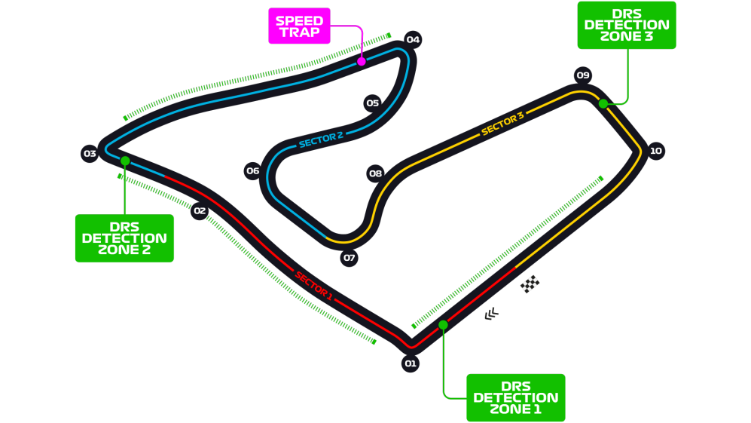
Car No. | Pos | Driver | Constructor | Time | Laps | F Points | D points | Notes
77 | 1 | BOT | MER | 1:30:55.739 | 71 | 29 | 25
16 | 2 | LEC | FER | 1:30:58.439 | 71 | 32 | 18
4 | 3 | NOR | MCL | 1:31:01.230 | 71 | 24 | 16 | FASTEST LAP
44 | 4 | HAM | MER | 1:31:01.428 | 71 | 15 | 12 | (+5, incident w ALB)
55 | 5 | SAI | MCL | 1:31:04.642 | 71 | 17 | 10
11 | 6 | PER | RP | 1:31:10.831 | 71 | 12 | 8 | (+5, speeding in pit)
10 | 7 | GAS | ALT | 1:31:12.421 | 71 | 20 | 6
31 | 8 | OCO | REN | 1:31:13.195 | 71 | 18 | 4
99 | 9 | GIO | ARR | 1:31:16.885 | 71 | 16 | 2
5 | 10 | VET | FER | 1:31:20.284 | 71 | 4 | 1
6 | 11 | LAT | WIL | 1:31:27.389 | 71 | 14 | 0
23 | 12 | KVY | ALT | 1:29:04.910 | 69 | 3 | 0 | DNF, puncture
23 | 13 | ALB | RBR | 1:26:42.987 | 67 | -6 | 0 | DNF, lost power
7 | DNF | RAI | ARR | 1:06:20.856 | 53 | -15 | 0 | DNF, lost tire
8 | DNF | GRO | HAA | 1:01:35.277 | 49 | -15 | 0 | DNF, crashed
63 | DNF | RUS | WIL | 1:00:28.281 | 49 | -15 | 0 | DNF, fuel pressure loss
20 | DNF | MAG | HAA | 28:42.304 | 24 | -15 | 0 | DNF, crashed
18 | DNF | STR | RP | 24:01.226 | 20 | -15 | 0 | DNF, engine issues
3 | DNF | RIC | REN | 20:41.329 | 17 | -15 | 0 | DNF, overheating
33 | DNF | VER | RBR | 13:57.678 | 11 | -15 | 0 | DNF, electronics

R3
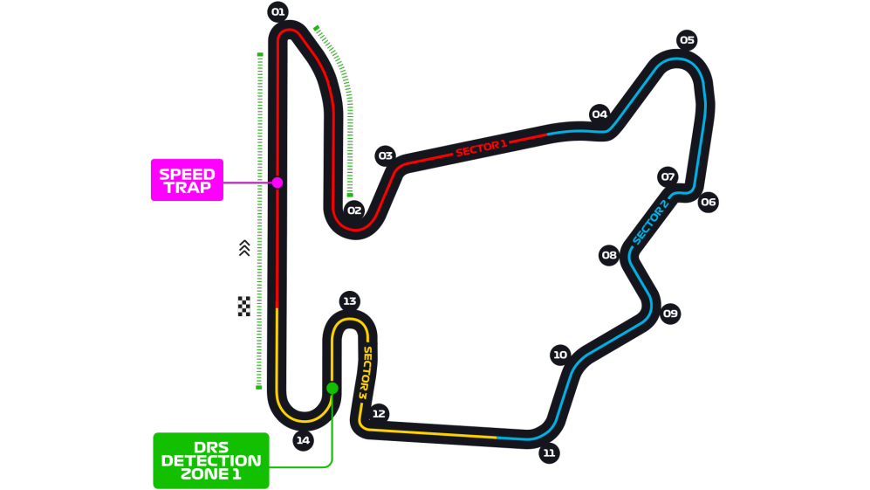
Car No. | Pos | Driver | Constructor | Time | Laps | F Points | D points | Notes
44 | 1 | HAM | MER | 1:36:12.473 | 70 | 34 | 26 | FASTEST LAP
33 | 2 | VER | RBR | 1:36:21.175 | 70 | 32 | 18
77 | 3 | BOT | MER | 1:36:21.925 | 70 | 14 | 15
18 | 4 | STR | RP | 1:37:10.052 | 70 | 14 | 12
23 | 5 | ALB | RBR | 1:37:30.789 | 70 | 21 | 10
5 | 6 | VET | FER | 1:36:17.961 | 69 | 10 | 8
11 | 7 | PER | RP | 1:36:19.099 | 69 | 1 | 6
3 | 8 | RIC | REN | 1:36:20.049 | 69 | 14 | 4
55 | 9 | SAI | MCL | 1:36:34.468 | 69 | 6 | 2
20 | 10 | MAG | HAA | 1:36:42.396 | 69 | 15 | 1 | (+10, illegal start in pits)
16 | 11 | LEC | FER | 1:36:52.962 | 69 | -9 | 0
23 | 12 | KVY | ALT | 1:36:57.822 | 69 | 14 | 0
4 | 13 | NOR | MCL | 1:36:58.561 | 69 | -9 | 0
31 | 14 | OCO | REN | 1:36:59.437 | 69 | 1 | 0
7 | 15 | RAI | ARR | 1:37:06.078 | 69 | 14 | 0
8 | 16 | GRO | HAA | 1:37:14.897 | 69 | 5 | 0 | (+10, illegal start in pits)
99 | 17 | GIO | ARR | 1:37:26.709 | 69 | 5 | 0
63 | 18 | RUS | WIL | 1:37:27.844 | 69 | -1 | 0
6 | 19 | LAT | WIL | 1:37:02.721 | 65 | -3 | 0 | Multiple spins
10 | DNF | GAS | ALT | 22:50.273 | 15 | -15 | 0 | DNF, engine failure

R4
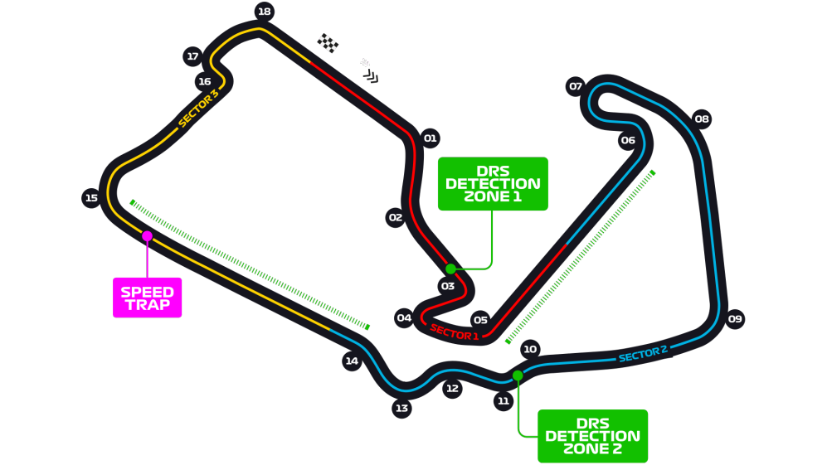
Car No. | Pos | Driver | Constructor | Time | Laps | F Points | D points | Notes
44 | 1 | HAM | MER | 1:28:01.283 | 52 | 29 | 25 | (Left front failure)
33 | 2 | VER | RBR | 1:28:07.139 | 52 | 29 | 19 | FASTEST LAP
16 | 3 | LEC | FER | 1:28:19.757 | 52 | 21 | 15
3 | 4 | RIC | REN | 1:28:20.933 | 52 | 24 | 12
4 | 5 | NOR | MCL | 1:28:23.560 | 52 | 14 | 10
31 | 6 | OCO | REN | 1:28:28.220 | 52 | 15 | 8
10 | 7 | GAS | ALT | 1:28:32.471 | 52 | 18 | 6
23 | 8 | ALB | RBR | 1:28:33.953 | 52 | 13 | 4 | (+5, incident w MAG)
18 | 9 | STR | RP | 1:28:38.594 | 52 | 0 | 2
5 | 10 | VET | FER | 1:28:43.140 | 52 | 2 | 1
77 | 11 | BOT | MER | 1:28:43.450 | 52 | -9 | 0 | (Left front failure)
63 | 12 | RUS | WIL | 1:28:53.287 | 52 | 14 | 0
55 | 13 | SAI | MCL | 1:28:54.653 | 52 | -9 | 0 | (Left front failure)
99 | 14 | GIO | ARR | 1:28:55.488 | 52 | 6 | 0 | (+5, moving under breaking zone)
6 | 15 | LAT | WIL | 1:28:55.832 | 52 | 7 | 0
8 | 16 | GRO | HAA | 1:28:56.333 | 52 | 6 | 0 | (B&W flag for moving under breaking zone)
7 | 17 | RAI | ARR | 1:28:40.265 | 51 | 0 | 0 | (Front wing fracture)
23 | DNF | KVY | ALT | 20:32.601 | 11 | -15 | 0 | (Right rear failure)
20 | DNF | MAG | HAA | 1:43.753 | 1 | -15 | 0 | (Collision w ALB)
27 | DNS | HUL | RP |  |  | -15 | 0 | (DNS, computer didn’t start)

R6
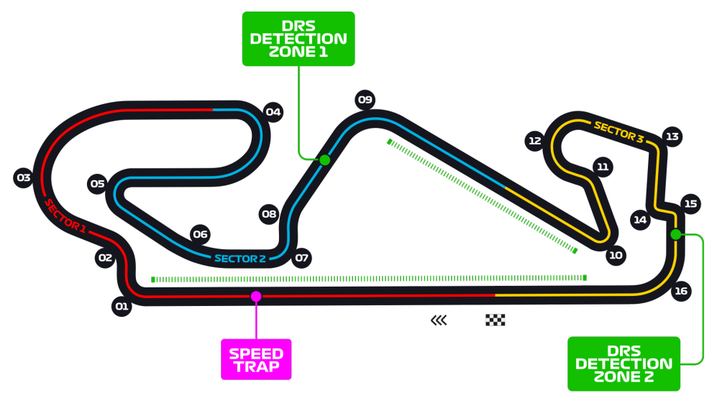
Car No. | Pos | Driver | Constructor | Time | Laps | F Points | D points | Notes
44 | 1 | HAM | MER | 1:31:45.279 | 66 | 29 | 25
33 | 2 | VER | RBR | 1:32:09.456 | 66 | 34 | 18
77 | 3 | BOT | MER | 1:32:30.031 | 66 | 19 | 16
18 | 4 | STR | RP | 1:32:06.724 | 65 | 28 | 12 | (+5, ignoring blue flag)
11 | 5 | PER | RP | 1:32:09.464 | 65 | 9 | 10
55 | 6 | SAI | MCL | 1:32:11.045 | 65 | 14 | 8
5 | 7 | VET | FER | 1:32:23.813 | 65 | 18 | 6
23 | 8 | ALB | RBR | 1:32:25.008 | 65 | 11 | 4
10 | 9 | GAS | ALT | 1:32:25.597 | 65 | 8 | 2
4 | 10 | NOR | MCL | 1:32:26.154 | 65 | -2 | 1
3 | 11 | RIC | REN | 1:32:27.145 | 65 | 8 | 0
23 | 12 | KVY | ALT | 1:32:32.998 | 65 | 1 | 0 | (+5, ignoring blue flag)
31 | 13 | OCO | REN | 1:32:41.207 | 65 | 5 | 0
7 | 14 | RAI | ARR | 1:32:46.682 | 65 | 4 | 0
20 | 15 | MAG | HAA | 1:32:54.370 | 65 | 6 | 0
99 | 16 | GIO | ARR | 1:32:55.069 | 65 | 9 | 0
63 | 17 | RUS | WIL | 1:33:04.656 | 65 | 6 | 0
6 | 18 | LAT | WIL | 1:31:47.297 | 64 | 3 | 0
8 | 19 | GRO | HAA | 1:32:14.948 | 64 | -1 | 0
16 | DNF | LEC | FER | 55:31.636 | 38 | -15 | 0 | DNF, engine issues

Q7
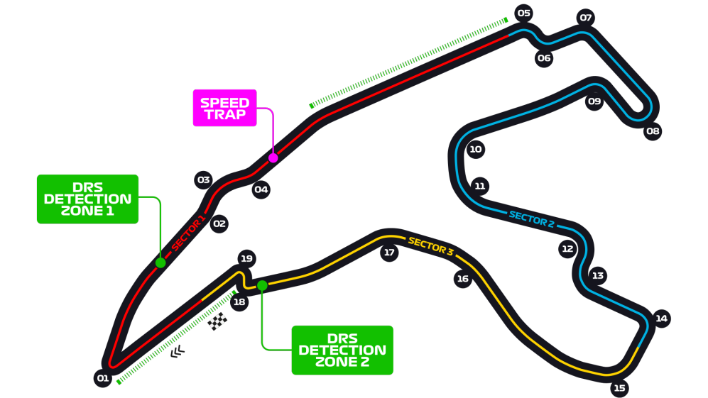
Car No. | Driver | Constructor | S1 | S2 | S3 | Q1 | Q2 | Q3 | F Points | Notes
44 | HAM | MER | 30.337 | 42.466 | 28.365 | 1:42.323 | 1:42.014 | 1:41.252 | 15
77 | BOT | MER | 30.427 | 42.692 | 28.301 | 1:42.534 | 1:42.126 | 1:41.763 | 12
33 | VER | RBR | 30.419 | 43.042 | 28.286 | 1:43.197 | 1:42.473 | 1:41.778 | 13
3 | RIC | REN | 30.252 | 43.594 | 28.158 | 1:43.309 | 1:42.487 | 1:42.061 | 12
23 | ALB | RBR | 30.313 | 43.243 | 28.333 | 1:43.418 | 1:42.193 | 1:42.264 | 9
31 | OCO | REN | 30.162 | 43.808 | 28.257 | 1:43.505 | 1:42.534 | 1:42.396 | 8
55 | SAI | MCL | 30.182 | 43.718 | 28.339 | 1:43.322 | 1:42.478 | 1:42.438 | 9
11 | PER | RP | 30.249 | 43.774 | 28.397 | 1:43.349 | 1:42.670 | 1:42.532 | 8
18 | STR | RP | 30.112 | 43.806 | 28.340 | 1:43.265 | 1:42.491 | 1:42.603 | 10
4 | NOR | MCL | 30.309 | 43.489 | 28.462 | 1:43.514 | 1:42.722 | 1:42.657 | 4
23 | KVY | ALT | 30.141 | 44.104 | 28.439 | 1:43.267 | 1:42.730 | NA | 4
10 | GAS | ALT | 30.135 | 44.056 | 28.480 | 1:43.262 | 1:42.745 | NA | 2
16 | LEC | FER | 30.450 | 43.925 | 28.621 | 1:43.656 | 1:42.996 | NA | 4
5 | VET | FER | 30.533 | 44.008 | 28.720 | 1:43.567 | 1:43.261 | NA | 2
63 | RUS | WIL | 30.562 | 44.102 | 28.713 | 1:43.630 | 1:43.468 | NA | 4
7 | RAI | ARR | 30.638 | 44.081 | 28.788 | 1:43.743 | NA | NA | 3
8 | GRO | HAA | 30.732 | 44.232 | 28.874 | 1:43.838 | NA | NA | 3
99 | GIO | ARR | 30.802 | 44.366 | 28.752 | 1:43.950 | NA | NA | 1
6 | LAT | WIL | 30.763 | 44.566 | 28.723 | 1:44.138 | NA | NA | 1
20 | MAG | HAA | 30.666 | 44.330 | 28.914 | 1:44.314 | NA | NA | 1

R8
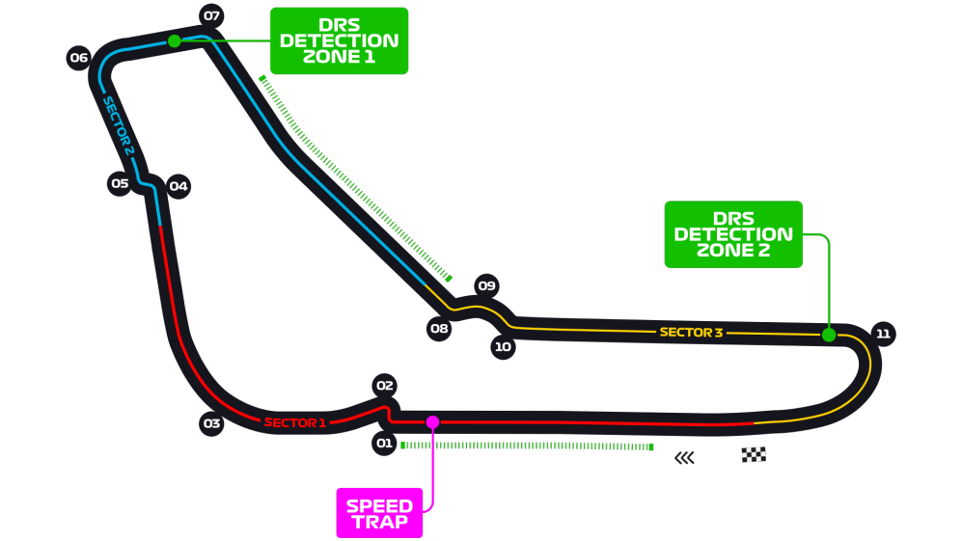
Car No. | Pos | Driver | Constructor | Time | Laps | F Points | D points | Notes
10 | 1 | GAS | ALT | 1:47:06.056 | 53 | 39 | 25
55 | 2 | SAI | MCL | 1:47:06.471 | 53 | 24 | 18
18 | 3 | STR | RP | 1:47:09.414 | 53 | 29 | 15
4 | 4 | NOR | MCL | 1:47:12.056 | 53 | 27 | 12
77 | 5 | BOT | MER | 1:47:13.164 | 53 | 8 | 10
3 | 6 | RIC | REN | 1:47:14.447 | 53 | 14 | 8
44 | 7 | HAM | MER | 1:47:23.301 | 53 | 2 | 7
31 | 8 | OCO | REN | 1:47:24.747 | 53 | 13 | 4
23 | 9 | KVY | ALT | 1:47:28.264 | 53 | 7 | 2
11 | 10 | PER | RP | 1:47:29.280 | 53 | -8 | 1
6 | 11 | LAT | WIL | 1:47:38.932 | 53 | 14 | 0
8 | 12 | GRO | HAA | 1:47:41.220 | 53 | 12 | 0
7 | 13 | RAI | ARR | 1:47:42.368 | 53 | 6 | 0
63 | 14 | RUS | WIL | 1:47:42.649 | 53 | 11 | 0
23 | 15 | ALB | RBR | 1:47:43.589 | 53 | -6 | 0
99 | 16 | GIO | ARR | 1:48:01.255 | 53 | 5 | 0
33 | DNF | VER | RBR | 1:14:59.415 | 30 | -15 | 0
16 | DNF | LEC | FER | 35:27.678 | 23 | -15 | 0
20 | DNF | MAG | HAA | 25:15.852 | 17 | -15 | 0
5 | DNF | VET | FER | 9:48.850 | 6 | -15 | 0

R9
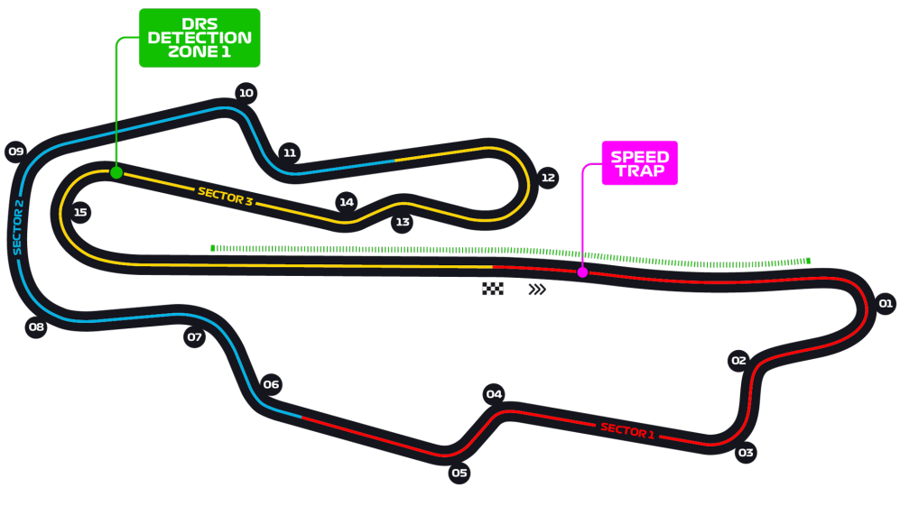
Car No. | Pos | Driver | Constructor | Time | Laps | F Points | D points | Notes
44 | 1 | HAM | MER | 2:19:35.060 | 59 | 34 | 26
77 | 2 | BOT | MER | 2:19:39.940 | 59 | 29 | 18
23 | 3 | ALB | RBR | 2:19:43.124 | 59 | 26 | 15
3 | 4 | RIC | REN | 2:19:45.477 | 59 | 24 | 12
11 | 5 | PER | RP | 2:19:50.710 | 59 | 33 | 10
4 | 6 | NOR | MCL | 2:19:53.943 | 59 | 22 | 8
23 | 7 | KVY | ALT | 2:19:56.816 | 59 | 20 | 6
7 | 8 | RAI | ARR | 2:20:03.405 | 59 | 14 | 4 | (+5, illegal pit entry)
16 | 9 | LEC | FER | 2:20:04.830 | 59 | 2 | 2
5 | 10 | VET | FER | 2:20:05.043 | 59 | 10 | 1
63 | 11 | RUS | WIL | 2:20:07.464 | 59 | 14 | 0
8 | 12 | GRO | HAA | 2:20:17.096 | 59 | 10 | 0
18 | DNF | STR | RP | 1:31:32.748 | 42 | -15 | 0 | (DNF, body failure)
31 | DNF | OCO | REN | 15:39.081 | 7 | -15 | 0 | (DNF, collision after SC restart)
6 | DNF | LAT | WIL | 13:28.971 | 6 | -15 | 0 | (DNF, collision after SC restart)
99 | DNF | GIO | ARR | 11:18.546 | 5 | -15 | 0 | (DNF, collision after SC restart)
20 | DNF | MAG | HAA | 11:16.573 | 5 | -15 | 0 | (DNF, collision after SC restart)
55 | DNS | SAI | MCL | 11:19.454 | 5 | -15 | 0 | (DNF, collision after SC restart)
10 | DNF | GAS | ALT |  |  | -15 | 0 | (DNF, collision with VER)
33 | DNF | VER | RBR |  |  | -15 | 0 | (DNF, collision with GAS)

Q10
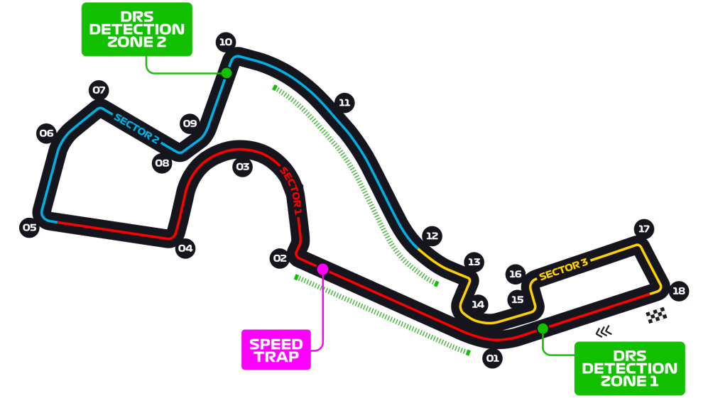
Car No. | Driver | Constructor | Q1 | Q2 | Q3 | F Points | Notes
44 | HAM | MER | 1:32.983 | 1:32.835 | 1:31.304 | 15
33 | VER | RBR | 1:33.630 | 1:33.157 | 1:31.867 | 14
77 | BOT | MER | 1:32.656 | 1:32.405 | 1:31.956 | 11
11 | PER | RP | 1:33.704 | 1:33.038 | 1:32.317 | 12
3 | RIC | REN | 1:33.650 | 1:32.218 | 1:32.364 | 11
55 | SAI | MCL | 1:33.967 | 1:32.757 | 1:32.550 | 10
31 | OCO | REN | 1:33.557 | 1:33.196 | 1:32.624 | 7
4 | NOR | MCL | 1:33.804 | 1:33.081 | 1:32.847 | 6
10 | GAS | ALT | 1:33.734 | 1:33.139 | 1:33.000 | 7
23 | ALB | RBR | 1:33.919 | 1:33.153 | 1:33.008 | 4
16 | LEC | FER | 1:34.071 | 1:33.239 | NA | 4
23 | KVY | ALT | 1:33.511 | 1:33.249 | NA | 2
18 | STR | RP | 1:33.852 | 1:33.364 | NA | 2
63 | RUS | WIL | 1:34.020 | 1:33.583 | NA | 4
5 | VET | FER | 1:34.134 | 1:33.609 | NA | 2
8 | GRO | HAA | 1:34.592 | NA | NA | 3
99 | GIO | ARR | 1:34.594 | NA | NA | 3
20 | MAG | HAA | 1:34.681 | NA | NA | 1
6 | LAT | WIL | 1:35.066 | NA | NA | 1
7 | RAI | ARR | 1:35.267 | NA | NA | 1

