Leagues
 | W13 | W14 | W15 | W16 | W17 |  | W13 | W14 | W15 | W16 | W17 | TOTAL | AVERAGE (since W10)
Siddhant | 4741 | 5149 | 5473 | 5789 | 6005 | Siddhant | 392 | 408 | 324 | 316 | 224 | 6013 | 365.50
Hashem | 4543 | 4884 | 5240 | 5585 | 5840 | Hashem | 320 | 341 | 356 | 345 | 261 | 5846 | 351.88
Chris | 4269 | 4634 | 5186 | 5534 | 5750 | Chris | 354 | 365 | 552 | 348 | 222 | 5756 | 370.88
Omar | 4005 | 4235 | 4649 | 4989 | 5253 | Omar | 253 | 230 | 414 | 340 | 268 | 5257 | 294.25
Youssef | 3764 | 4027 | 4325 | 4665 | 4951 | Youssef | 382 | 263 | 298 | 340 | 292 | 4957 | 308.25
Ali | 3270 | 3514 | 3831 | 4159 | 4470 | Ali | 334 | 244 | 317 | 328 | 313 | 4472 | 288.88
Riad | 2911 | 3202 | 3483 | 3834 | 4104 | Riad | 253 | 291 | 281 | 351 | 272 | 4106 | 270.63
Weekly Delta
 | Siddhant | Hashem | Chris | Omar | Youssef | Ali | Riad
W13 | 392 | 320 | 354 | 253 | 382 | 334 | 253
W14 | 408 | 341 | 365 | 230 | 263 | 244 | 291
W15 | 324 | 356 | 552 | 414 | 298 | 317 | 281
W16 | 316 | 345 | 348 | 340 | 340 | 328 | 351
W17 | 224 | 261 | 222 | 268 | 292 | 313 | 272
YER MA IS YER DA
 | Siddhant | Hashem | Chris | Omar | Youssef | Ali | Riad
W13 | 4741 | 4543 | 4269 | 4005 | 3764 | 3270 | 2911
W14 | 5149 | 4884 | 4634 | 4235 | 4027 | 3514 | 3202
W15 | 5473 | 5240 | 5186 | 4649 | 4325 | 3831 | 3483
W16 | 5789 | 5585 | 5534 | 4989 | 4665 | 4159 | 3834
W17 | 6005 | 5840 | 5750 | 5253 | 4951 | 4470 | 4104

 | W13 | W14 | W15 | W16 | W17 |  | W13 | W14 | W15 | W16 | W17 | TOTAL | AVERAGE (since W10)
Siddhant | 6952 | 7564 | 8028 | 8508 |  | Siddhant | 575 | 612 | 464 | 480 | 327 | 8835 | 531.38
Chris | 6154 | 6622 | 7464 | 7983 |  | Chris | 463 | 468 | 842 | 519 | 400 | 8383 | 525.00
Andrea | 5584 | 5880 | 6399 | 6882 |  | Andrea | 364 | 296 | 519 | 483 | 410 | 7292 | 458.75
POWER
 | Siddhant | Chris | Andrea
W13 | 6952 | 6154 | 5584
W14 | 7564 | 6622 | 5880
W15 | 8028 | 7464 | 6399
W16 | 8508 | 7983 | 6882
Weekly Delta
 | Siddhant | Chris | Andrea
W13 | 575 | 463 | 364
W14 | 612 | 468 | 296
W15 | 464 | 842 | 519
W16 | 480 | 519 | 483
W17 | 327 | 400 | 410

R1
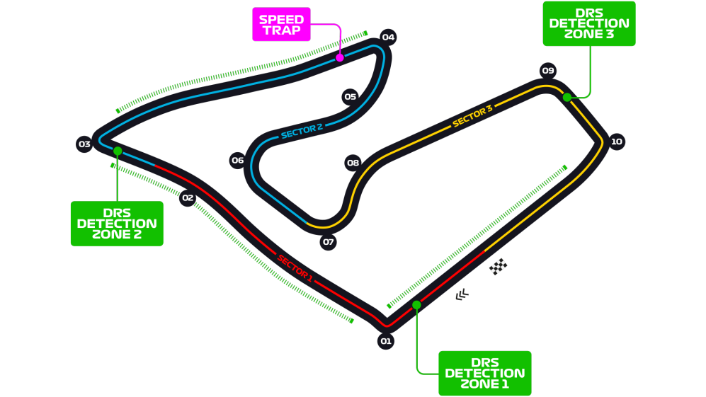
Car No. | Pos | Driver | Constructor | Time | Laps | F Points | D points | Notes
77 | 1 | BOT | MER | 1:30:55.739 | 71 | 29 | 25
16 | 2 | LEC | FER | 1:30:58.439 | 71 | 32 | 18
4 | 3 | NOR | MCL | 1:31:01.230 | 71 | 24 | 16 | FASTEST LAP
44 | 4 | HAM | MER | 1:31:01.428 | 71 | 15 | 12 | (+5, incident w ALB)
55 | 5 | SAI | MCL | 1:31:04.642 | 71 | 17 | 10
11 | 6 | PER | RP | 1:31:10.831 | 71 | 12 | 8 | (+5, speeding in pit)
10 | 7 | GAS | ALT | 1:31:12.421 | 71 | 20 | 6
31 | 8 | OCO | REN | 1:31:13.195 | 71 | 18 | 4
99 | 9 | GIO | ARR | 1:31:16.885 | 71 | 16 | 2
5 | 10 | VET | FER | 1:31:20.284 | 71 | 4 | 1
6 | 11 | LAT | WIL | 1:31:27.389 | 71 | 14 | 0
23 | 12 | KVY | ALT | 1:29:04.910 | 69 | 3 | 0 | DNF, puncture
23 | 13 | ALB | RBR | 1:26:42.987 | 67 | -6 | 0 | DNF, lost power
7 | DNF | RAI | ARR | 1:06:20.856 | 53 | -15 | 0 | DNF, lost tire
8 | DNF | GRO | HAA | 1:01:35.277 | 49 | -15 | 0 | DNF, crashed
63 | DNF | RUS | WIL | 1:00:28.281 | 49 | -15 | 0 | DNF, fuel pressure loss
20 | DNF | MAG | HAA | 28:42.304 | 24 | -15 | 0 | DNF, crashed
18 | DNF | STR | RP | 24:01.226 | 20 | -15 | 0 | DNF, engine issues
3 | DNF | RIC | REN | 20:41.329 | 17 | -15 | 0 | DNF, overheating
33 | DNF | VER | RBR | 13:57.678 | 11 | -15 | 0 | DNF, electronics

R3
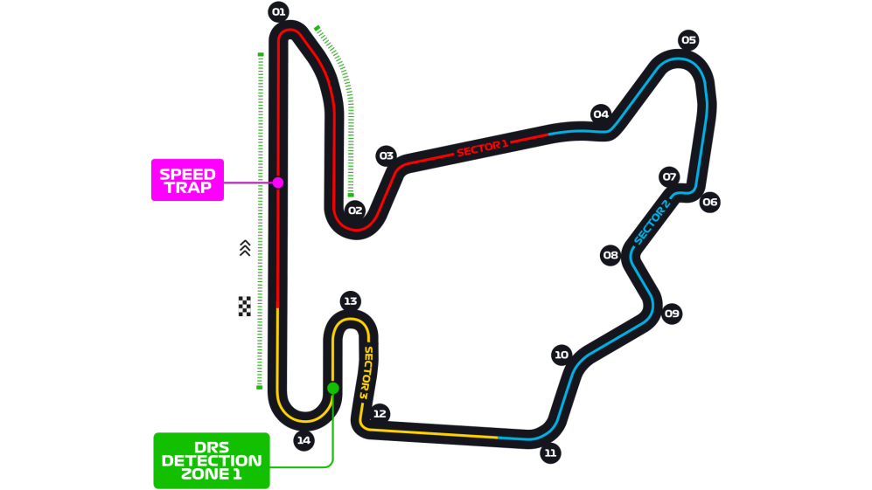
Car No. | Pos | Driver | Constructor | Time | Laps | F Points | D points | Notes
44 | 1 | HAM | MER | 1:36:12.473 | 70 | 34 | 26 | FASTEST LAP
33 | 2 | VER | RBR | 1:36:21.175 | 70 | 32 | 18
77 | 3 | BOT | MER | 1:36:21.925 | 70 | 14 | 15
18 | 4 | STR | RP | 1:37:10.052 | 70 | 14 | 12
23 | 5 | ALB | RBR | 1:37:30.789 | 70 | 21 | 10
5 | 6 | VET | FER | 1:36:17.961 | 69 | 10 | 8
11 | 7 | PER | RP | 1:36:19.099 | 69 | 1 | 6
3 | 8 | RIC | REN | 1:36:20.049 | 69 | 14 | 4
55 | 9 | SAI | MCL | 1:36:34.468 | 69 | 6 | 2
20 | 10 | MAG | HAA | 1:36:42.396 | 69 | 15 | 1 | (+10, illegal start in pits)
16 | 11 | LEC | FER | 1:36:52.962 | 69 | -9 | 0
23 | 12 | KVY | ALT | 1:36:57.822 | 69 | 14 | 0
4 | 13 | NOR | MCL | 1:36:58.561 | 69 | -9 | 0
31 | 14 | OCO | REN | 1:36:59.437 | 69 | 1 | 0
7 | 15 | RAI | ARR | 1:37:06.078 | 69 | 14 | 0
8 | 16 | GRO | HAA | 1:37:14.897 | 69 | 5 | 0 | (+10, illegal start in pits)
99 | 17 | GIO | ARR | 1:37:26.709 | 69 | 5 | 0
63 | 18 | RUS | WIL | 1:37:27.844 | 69 | -1 | 0
6 | 19 | LAT | WIL | 1:37:02.721 | 65 | -3 | 0 | Multiple spins
10 | DNF | GAS | ALT | 22:50.273 | 15 | -15 | 0 | DNF, engine failure

R4
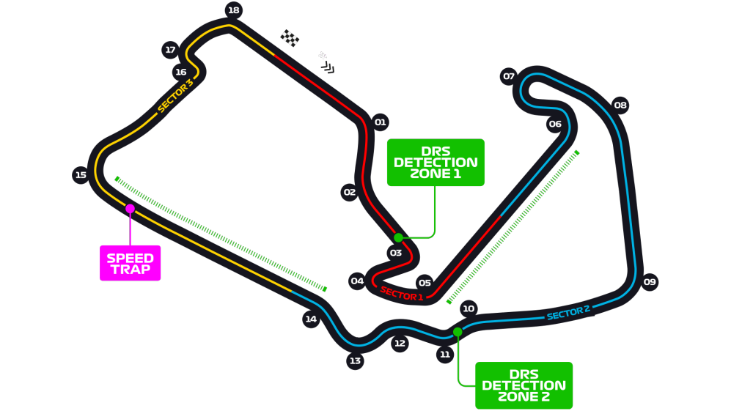
Car No. | Pos | Driver | Constructor | Time | Laps | F Points | D points | Notes
44 | 1 | HAM | MER | 1:28:01.283 | 52 | 29 | 25 | (Left front failure)
33 | 2 | VER | RBR | 1:28:07.139 | 52 | 29 | 19 | FASTEST LAP
16 | 3 | LEC | FER | 1:28:19.757 | 52 | 21 | 15
3 | 4 | RIC | REN | 1:28:20.933 | 52 | 24 | 12
4 | 5 | NOR | MCL | 1:28:23.560 | 52 | 14 | 10
31 | 6 | OCO | REN | 1:28:28.220 | 52 | 15 | 8
10 | 7 | GAS | ALT | 1:28:32.471 | 52 | 18 | 6
23 | 8 | ALB | RBR | 1:28:33.953 | 52 | 13 | 4 | (+5, incident w MAG)
18 | 9 | STR | RP | 1:28:38.594 | 52 | 0 | 2
5 | 10 | VET | FER | 1:28:43.140 | 52 | 2 | 1
77 | 11 | BOT | MER | 1:28:43.450 | 52 | -9 | 0 | (Left front failure)
63 | 12 | RUS | WIL | 1:28:53.287 | 52 | 14 | 0
55 | 13 | SAI | MCL | 1:28:54.653 | 52 | -9 | 0 | (Left front failure)
99 | 14 | GIO | ARR | 1:28:55.488 | 52 | 6 | 0 | (+5, moving under breaking zone)
6 | 15 | LAT | WIL | 1:28:55.832 | 52 | 7 | 0
8 | 16 | GRO | HAA | 1:28:56.333 | 52 | 6 | 0 | (B&W flag for moving under breaking zone)
7 | 17 | RAI | ARR | 1:28:40.265 | 51 | 0 | 0 | (Front wing fracture)
23 | DNF | KVY | ALT | 20:32.601 | 11 | -15 | 0 | (Right rear failure)
20 | DNF | MAG | HAA | 1:43.753 | 1 | -15 | 0 | (Collision w ALB)
27 | DNS | HUL | RP |  |  | -15 | 0 | (DNS, computer didn’t start)

R6
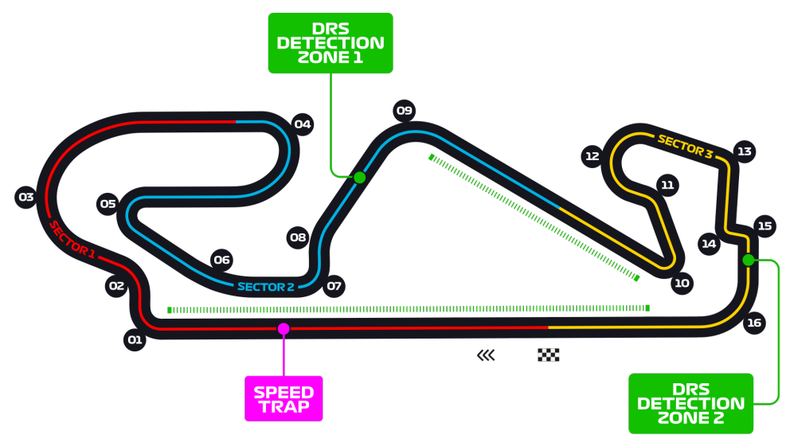
Car No. | Pos | Driver | Constructor | Time | Laps | F Points | D points | Notes
44 | 1 | HAM | MER | 1:31:45.279 | 66 | 29 | 25
33 | 2 | VER | RBR | 1:32:09.456 | 66 | 34 | 18
77 | 3 | BOT | MER | 1:32:30.031 | 66 | 19 | 16
18 | 4 | STR | RP | 1:32:06.724 | 65 | 28 | 12 | (+5, ignoring blue flag)
11 | 5 | PER | RP | 1:32:09.464 | 65 | 9 | 10
55 | 6 | SAI | MCL | 1:32:11.045 | 65 | 14 | 8
5 | 7 | VET | FER | 1:32:23.813 | 65 | 18 | 6
23 | 8 | ALB | RBR | 1:32:25.008 | 65 | 11 | 4
10 | 9 | GAS | ALT | 1:32:25.597 | 65 | 8 | 2
4 | 10 | NOR | MCL | 1:32:26.154 | 65 | -2 | 1
3 | 11 | RIC | REN | 1:32:27.145 | 65 | 8 | 0
23 | 12 | KVY | ALT | 1:32:32.998 | 65 | 1 | 0 | (+5, ignoring blue flag)
31 | 13 | OCO | REN | 1:32:41.207 | 65 | 5 | 0
7 | 14 | RAI | ARR | 1:32:46.682 | 65 | 4 | 0
20 | 15 | MAG | HAA | 1:32:54.370 | 65 | 6 | 0
99 | 16 | GIO | ARR | 1:32:55.069 | 65 | 9 | 0
63 | 17 | RUS | WIL | 1:33:04.656 | 65 | 6 | 0
6 | 18 | LAT | WIL | 1:31:47.297 | 64 | 3 | 0
8 | 19 | GRO | HAA | 1:32:14.948 | 64 | -1 | 0
16 | DNF | LEC | FER | 55:31.636 | 38 | -15 | 0 | DNF, engine issues

R7
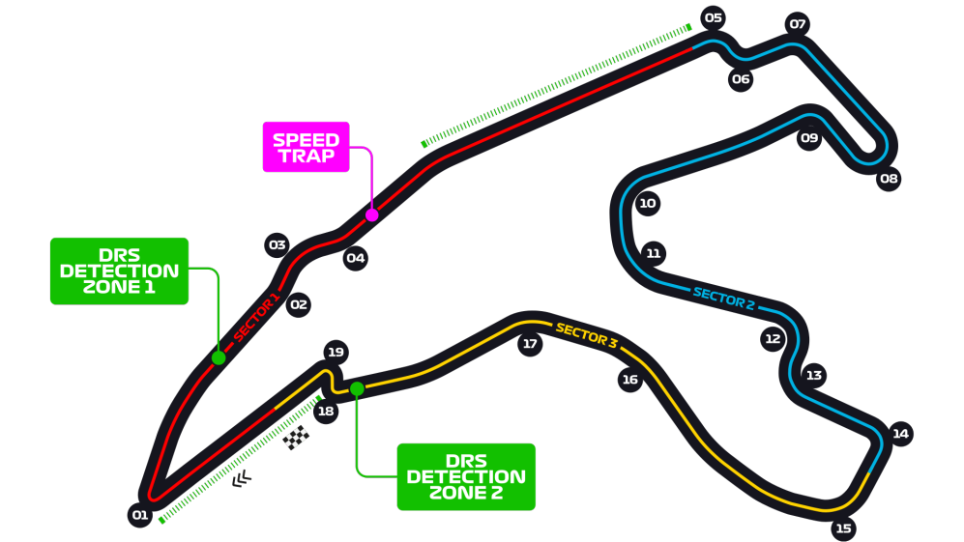
Car No. | Pos | Driver | Constructor | Time | Laps | F Points | D points | Notes
44 | 1 | HAM | MER | 1:24:08.761 | 44 | 29 | 25
77 | 2 | BOT | MER | 1:24:17.209 | 44 | 19 | 18
33 | 3 | VER | RBR | 1:24:24.216 | 44 | 19 | 15
3 | 4 | RIC | REN | 1:24:27.638 | 44 | 21 | 13
31 | 5 | OCO | REN | 1:24:49.411 | 44 | 13 | 10
23 | 6 | ALB | RBR | 1:24:51.473 | 44 | 7 | 8
4 | 7 | NOR | MCL | 1:24:52.535 | 44 | 16 | 6
10 | 8 | GAS | ALT | 1:24:56.132 | 44 | 16 | 4
18 | 9 | STR | RP | 1:25:01.364 | 44 | 6 | 2
11 | 10 | PER | RP | 1:25:01.940 | 44 | -2 | 1
23 | 11 | KVY | ALT | 1:25:18.961 | 44 | 1 | 0
7 | 12 | RAI | ARR | 1:25:20.265 | 44 | 12 | 0
5 | 13 | VET | FER | 1:25:21.655 | 44 | 6 | 0
16 | 14 | LEC | FER | 1:25:23.681 | 44 | 0 | 0
8 | 15 | GRO | HAA | 1:25:25.554 | 44 | 8 | 0
6 | 16 | LAT | WIL | 1:25:26.556 | 44 | 10 | 0
20 | 17 | MAG | HAA | 1:25:34.301 | 44 | 7 | 0
63 | DNF | RUS | WIL | 1:51.754 | 9 | -15 | 0 | DNF, collision w GIO
99 | DNF | GIO | ARR | 1:51.793 | 9 | -15 | 0 | DNF
55 | DNS | SAI | MCL |  |  | -15 | 0 | DNS, exhaust failure

R8
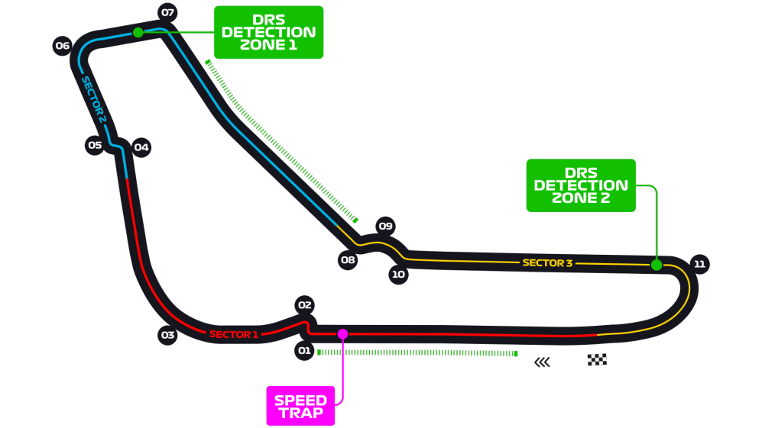
Car No. | Pos | Driver | Constructor | Time | Laps | F Points | D points | Notes
10 | 1 | GAS | ALT | 1:47:06.056 | 53 | 39 | 25
55 | 2 | SAI | MCL | 1:47:06.471 | 53 | 24 | 18
18 | 3 | STR | RP | 1:47:09.414 | 53 | 29 | 15
4 | 4 | NOR | MCL | 1:47:12.056 | 53 | 27 | 12
77 | 5 | BOT | MER | 1:47:13.164 | 53 | 8 | 10
3 | 6 | RIC | REN | 1:47:14.447 | 53 | 14 | 8
44 | 7 | HAM | MER | 1:47:23.301 | 53 | 2 | 7
31 | 8 | OCO | REN | 1:47:24.747 | 53 | 13 | 4
23 | 9 | KVY | ALT | 1:47:28.264 | 53 | 7 | 2
11 | 10 | PER | RP | 1:47:29.280 | 53 | -8 | 1
6 | 11 | LAT | WIL | 1:47:38.932 | 53 | 14 | 0
8 | 12 | GRO | HAA | 1:47:41.220 | 53 | 12 | 0
7 | 13 | RAI | ARR | 1:47:42.368 | 53 | 6 | 0
63 | 14 | RUS | WIL | 1:47:42.649 | 53 | 11 | 0
23 | 15 | ALB | RBR | 1:47:43.589 | 53 | -6 | 0
99 | 16 | GIO | ARR | 1:48:01.255 | 53 | 5 | 0
33 | DNF | VER | RBR | 1:14:59.415 | 30 | -15 | 0
16 | DNF | LEC | FER | 35:27.678 | 23 | -15 | 0
20 | DNF | MAG | HAA | 25:15.852 | 17 | -15 | 0
5 | DNF | VET | FER | 9:48.850 | 6 | -15 | 0

R9
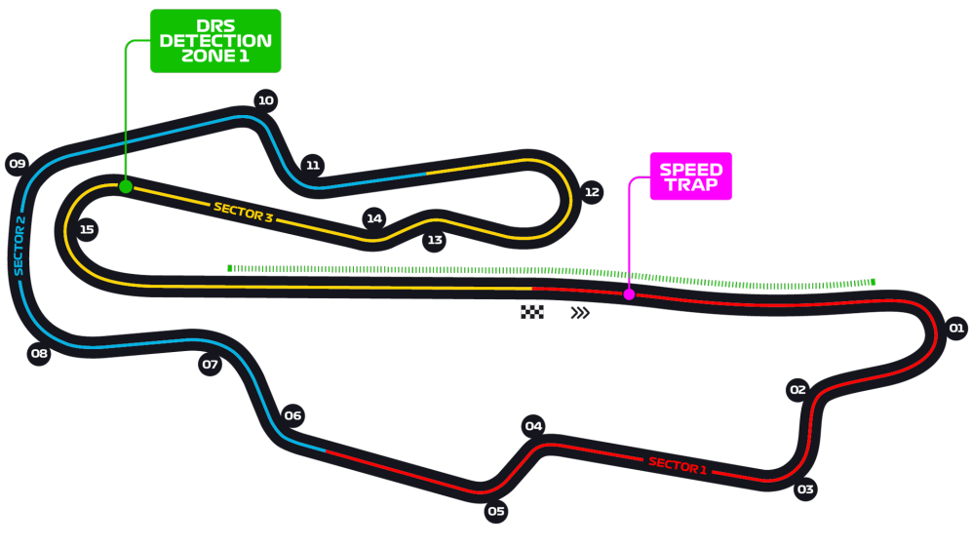
Car No. | Pos | Driver | Constructor | Time | Laps | F Points | D points | Notes
44 | 1 | HAM | MER | 2:19:35.060 | 59 | 34 | 26
77 | 2 | BOT | MER | 2:19:39.940 | 59 | 29 | 18
23 | 3 | ALB | RBR | 2:19:43.124 | 59 | 26 | 15
3 | 4 | RIC | REN | 2:19:45.477 | 59 | 24 | 12
11 | 5 | PER | RP | 2:19:50.710 | 59 | 33 | 10
4 | 6 | NOR | MCL | 2:19:53.943 | 59 | 22 | 8
23 | 7 | KVY | ALT | 2:19:56.816 | 59 | 20 | 6
16 | 8 | LEC | FER | 2:20:04.830 | 59 | 2 | 4
7 | 9 | RAI | ARR | 2:20:03.405 | 59 | 14 | 2 | (+5, illegal pit entry)
5 | 10 | VET | FER | 2:20:05.043 | 59 | 10 | 1
63 | 11 | RUS | WIL | 2:20:07.464 | 59 | 14 | 0
8 | 12 | GRO | HAA | 2:20:17.096 | 59 | 10 | 0
18 | DNF | STR | RP | 1:31:32.748 | 42 | -15 | 0 | (DNF, body failure)
31 | DNF | OCO | REN | 15:39.081 | 7 | -15 | 0 | (DNF, collision after SC restart)
6 | DNF | LAT | WIL | 13:28.971 | 6 | -15 | 0 | (DNF, collision after SC restart)
20 | DNF | MAG | HAA | 11:16.573 | 5 | -15 | 0 | (DNF, collision after SC restart)
99 | DNF | GIO | ARR | 11:18.546 | 5 | -15 | 0 | (DNF, collision after SC restart)
55 | DNS | SAI | MCL | 11:19.454 | 5 | -15 | 0 | (DNF, collision after SC restart)
10 | DNF | GAS | ALT |  |  | -15 | 0 | (DNF, collision with VER)
33 | DNF | VER | RBR |  |  | -15 | 0 | (DNF, collision with GAS)

R10
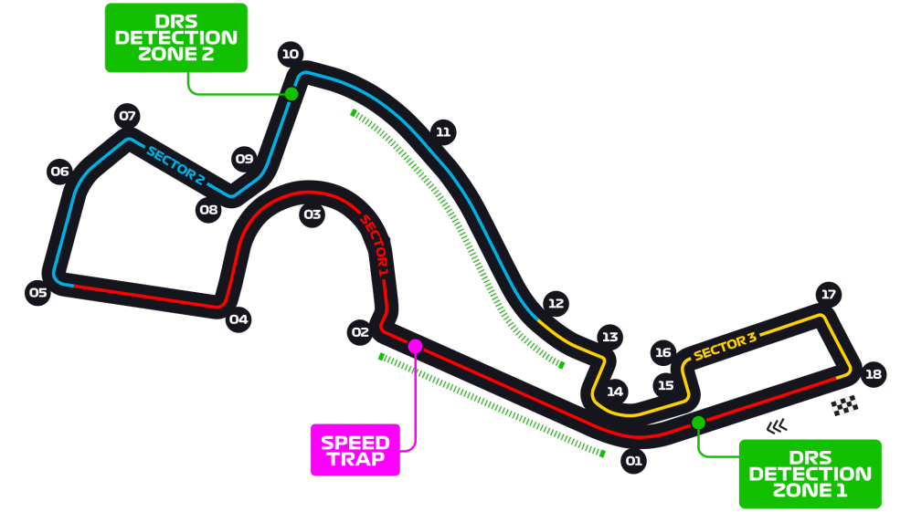
Car No. | Pos | Driver | Constructor | Time | Laps | F Points | D points | Notes
77 | 1 | BOT | MER | 1:34:00.364 | 53 | 43 | 26
33 | 2 | VER | RBR | 1:34:08.093 | 53 | 27 | 18
44 | 3 | HAM | MER | 1:34:23.093 | 53 | 27 | 15
11 | 4 | PER | RP | 1:34:30.922 | 53 | 16 | 12
3 | 5 | RIC | REN | 1:34:52.429 | 53 | 14 | 10
16 | 6 | LEC | FER | 1:35:02.550 | 53 | 22 | 8
31 | 7 | OCO | REN | 1:35:08.370 | 53 | 7 | 6
23 | 8 | KVY | ALT | 1:35:09.104 | 53 | 16 | 4
10 | 9 | GAS | ALT | 1:35:30.130 | 53 | 3 | 2
23 | 10 | ALB | RBR | 1:35:38.224 | 53 | 2 | 1
99 | 11 | GIO | ARR | 1:34:12.509 | 52 | 14 | 0
20 | 12 | MAG | HAA | 1:34:14.419 | 52 | 14 | 0
5 | 13 | VET | FER | 1:34:15.467 | 52 | 5 | 0
7 | 14 | RAI | ARR | 1:34:16.339 | 52 | 11 | 0
4 | 15 | NOR | MCL | 1:34:26.176 | 52 | -6 | 0
6 | 16 | LAT | WIL | 1:34:53.867 | 52 | 10 | 0
8 | 17 | GRO | HAA | 1:34:54.908 | 52 | 0 | 0
63 | 18 | RUS | WIL | 1:35:22.195 | 52 | -4 | 0
18 | 8 | STR | RP | 1:36:22.237 | 60 | -15 | 0
55 | 5 | SAI | MCL | 1:36:11.546 | 60 | -10 | 0

R11
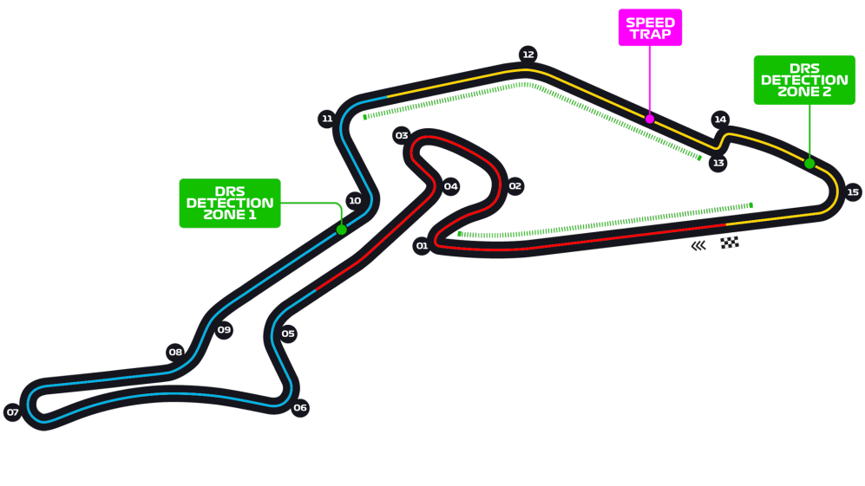
Car No. | Pos | Driver | Constructor | Time | Laps | F Points | D points | Notes
44 | 1 | HAM | MER | 1:35:49.641 | 60 | 31 | 25
33 | 2 | VER | RBR | 1:35:54.111 | 60 | 29 | 19
3 | 3 | RIC | REN | 1:36:04.254 | 60 | 40 | 15
11 | 4 | PER | RP | 1:36:05.711 | 60 | 26 | 12
55 | 5 | SAI | MCL | 1:36:11.546 | 60 | 24 | 10
10 | 6 | GAS | ALT | 1:36:12.407 | 60 | 22 | 8
16 | 7 | LEC | FER | 1:36:20.455 | 60 | 4 | 6
18 | 8 | HUL | RP | 1:36:22.237 | 60 | 15 | 4
8 | 9 | GRO | HAA | 1:36:28.722 | 60 | 16 | 2
99 | 10 | GIO | ARR | 1:36:29.676 | 60 | 15 | 1
5 | 11 | VET | FER | 1:36:30.451 | 60 | 1 | 0
7 | 12 | RAI | ARR | 1:36:31.117 | 60 | 11 | 0 | (+10, collision with ALB)
20 | 13 | MAG | HAA | 1:36:39.226 | 60 | 3 | 0
6 | 14 | LAT | WIL | 1:36:44.090 | 60 | 12 | 0
23 | 15 | KVY | ALT | 1:36:45.229 | 60 | -1 | 0
4 | DNF | NOR | MCL | 1:32.328 | 42 | -15 | 0 | DNF, lost powr
23 | DNF | ALB | RBR | 1:32.330 | 23 | -15 | 0 | DNF, retired
31 | DNF | OCO | REN | 1:33.189 | 22 | -15 | 0 | DNF, lost power
77 | DNF | BOT | MER | 1:31.884 | 18 | -15 | 0 | DNF, lost power
63 | DNF | RUS | WIL | 1:34.526 | 12 | -15 | 0 | DNF, suspension failure

R12
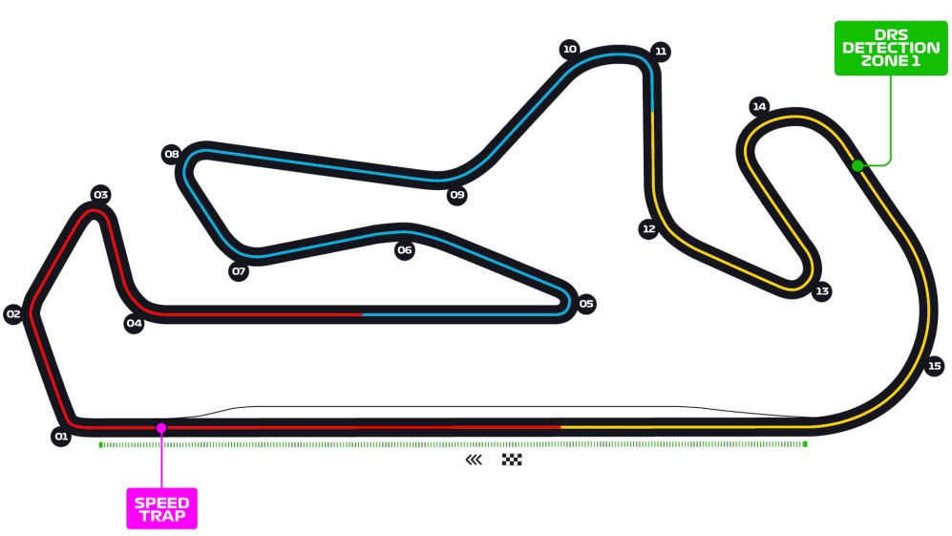
Car No. | Pos | Driver | Constructor | Time | Laps | F Points | D points | Notes
44 | 1 | HAM | MER | 1:29:56.828 | 66 | 34 | 26
77 | 2 | BOT | MER | 1:30:22.420 | 66 | 19 | 18
33 | 3 | VER | RBR | 1:30:31.336 | 66 | 19 | 15
16 | 4 | LEC | FER | 1:31:02.140 | 66 | 16 | 12
10 | 5 | GAS | ALT | 1:30:13.864 | 65 | 22 | 10
55 | 6 | SAI | MCL | 1:30:15.280 | 65 | 14 | 8
11 | 7 | PER | RP | 1:30:16.886 | 65 | 6 | 6
31 | 8 | OCO | REN | 1:30:18.457 | 65 | 14 | 4
3 | 9 | RIC | REN | 1:30:19.151 | 65 | 5 | 2
5 | 10 | VET | FER | 1:30:20.291 | 65 | 12 | 1
7 | 11 | RAI | ARR | 1:30:26.810 | 65 | 14 | 0
23 | 12 | ALB | RBR | 1:30:33.049 | 65 | -9 | 0
4 | 13 | NOR | MCL | 1:30:47.438 | 65 | -9 | 0
63 | 14 | RUS | WIL | 1:30:55.041 | 65 | 4 | 0
99 | 15 | GIO | ARR | 1:31:07.621 | 65 | 5 | 0
20 | 16 | MAG | HAA | 1:31:10.875 | 65 | 10 | 0
8 | 17 | GRO | HAA | 1:31:13.472 | 65 | 3 | 0 | (+5, exceeding track limits)
6 | 18 | LAT | WIL | 1:30:01.078 | 64 | 1 | 0
23 | 19 | KVY | ALT | 1:30:28.169 | 64 | -4 | 0
18 | DNF | STR | RP | 1:12:34.495 | 51 | -15 | 0 | (2 x +5, causing a collision) Retired

R13
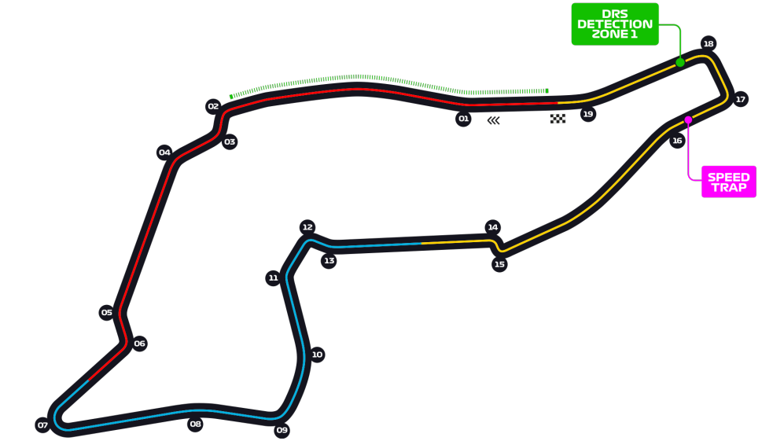
Car No. | Pos | Driver | Constructor | Time | Laps | F Points | D points | Notes
44 | 1 | HAM | MER | 1:28:32.430 | 63 | 36 | 26
77 | 2 | BOT | MER | 1:28:38.213 | 63 | 17 | 18
3 | 3 | RIC | REN | 1:28:46.750 | 63 | 23 | 15
23 | 4 | KVY | ALT | 1:28:47.571 | 63 | 24 | 12
16 | 5 | LEC | FER | 1:28:51.541 | 63 | 28 | 10
11 | 6 | PER | RP | 1:28:52.082 | 63 | 22 | 8
55 | 7 | SAI | MCL | 1:28:52.660 | 63 | 16 | 6
4 | 8 | NOR | MCL | 1:28:53.561 | 63 | 7 | 4
7 | 9 | RAI | ARR | 1:28:54.654 | 63 | 16 | 2
99 | 10 | GIO | ARR | 1:28:58.828 | 63 | 12 | 1
6 | 11 | LAT | WIL | 1:28:59.565 | 63 | 14 | 0
5 | 12 | VET | FER | 1:29:00.883 | 63 | 5 | 0
18 | 13 | STR | RP | 1:29:01.593 | 63 | 5 | 0
8 | 14 | GRO | HAA | 1:29:05.365 | 63 | 8 | 0
23 | 15 | ALB | RBR | 1:29:29.714 | 63 | -6 | 0
33 | DNF | VER | RBR | 1:17.637 | 50 | -12 | 0 | (Tyre blowout)
63 | DNF | RUS | WIL | 1:18.811 | 51 | -15 | 0 | (Crashed under SC)
20 | DNF | MAG | HAA | 1:19.273 | 47 | -15 | 0 | (Headache)
31 | DNF | OCO | REN | 1:19.606 | 27 | -15 | 0 | (Gearbox failure)
10 | DNF | GAS | ALT | 1:20.403 | 8 | -15 | 0 | (Critical engine failure)

R14
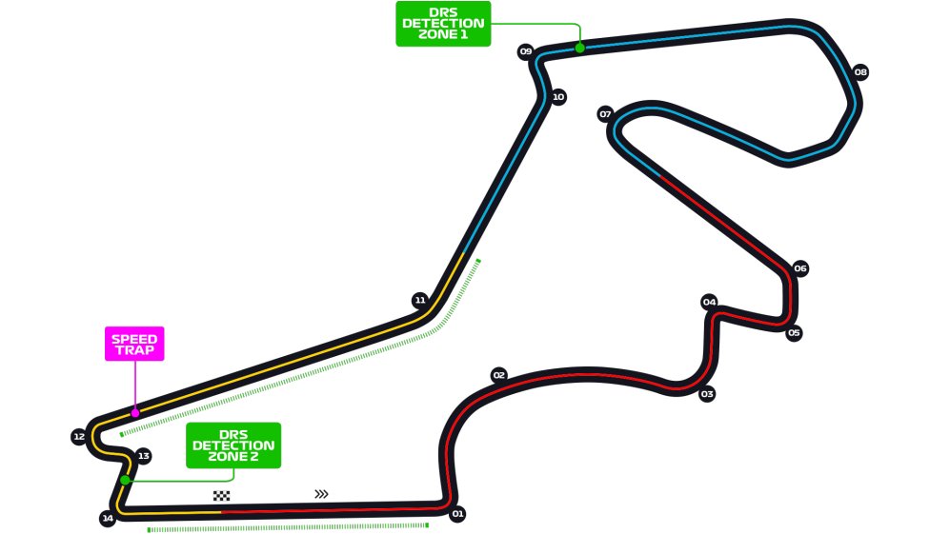
Car No. | Pos | Driver | Constructor | Time | Laps | F Points | D points | Notes
44 | 1 | HAM | MER | 1:42:19.313 | 58 | 39 | 25
11 | 2 | PER | RP | 1:42:50.946 | 58 | 34 | 18
5 | 3 | VET | FER | 1:42:51.273 | 58 | 29 | 15
16 | 4 | LEC | FER | 1:42:53.171 | 58 | 33 | 12
55 | 5 | SAI | MCL | 1:42:53.676 | 58 | 24 | 10
33 | 6 | VER | RBR | 1:43:04.186 | 58 | 8 | 8
23 | 7 | ALB | RBR | 1:43:05.797 | 58 | 1 | 6
4 | 8 | NOR | MCL | 1:43:20.572 | 58 | 16 | 5
18 | 9 | STR | RP | 1:43:31.666 | 58 | -7 | 2
3 | 10 | RIC | REN | 1:43:54.773 | 58 | -5 | 1
31 | 11 | OCO | REN | 1:42:23.252 | 57 | 0 | 0
23 | 12 | KVY | ALT | 1:42:32.202 | 57 | 14 | 0
10 | 13 | GAS | ALT | 1:42:33.613 | 57 | 5 | 0
77 | 14 | BOT | MER | 1:43:11.527 | 57 | -9 | 0
7 | 15 | RAI | ARR | 1:43:41.668 | 57 | -6 | 0
63 | 16 | RUS | WIL | 1:43:57.645 | 57 | 12 | 0
20 | 17 | MAG | HAA | 1:41:45.515 | 55 | 3 | 0
8 | DNF | GRO | HAA | 1:31:18.383 | 49 | -15 | 0 | Retired (collision)
6 | DNF | LAT | WIL | 1:15:39.771 | 39 | -12 | 0 | Retired
99 | DNF | GIO | ARR | 22:13.153 | 11 | -15 | 0 | Retired

R15
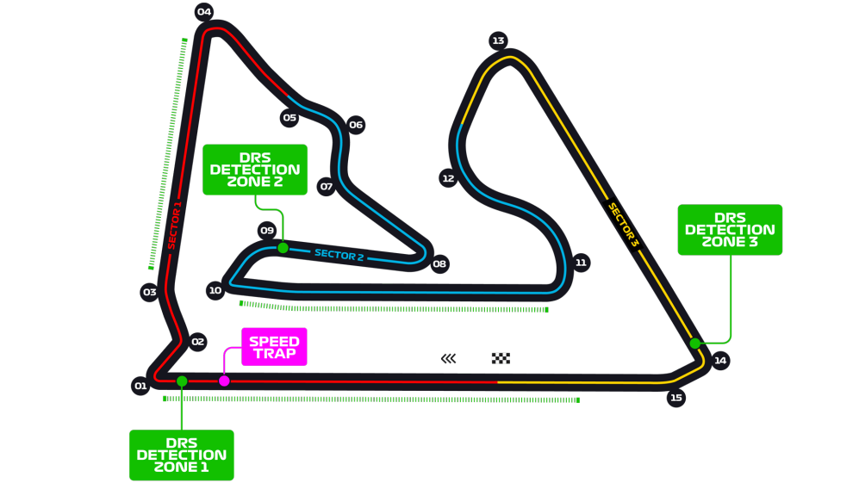
Car No. | Pos | Driver | Constructor | Time | Laps | F Points | D points | Notes
44 | 1 | HAM | MER | 2:59:47.515 | 57 | 44 | 25
33 | 2 | VER | RBR | 2:59:48.769 | 57 | 29 | 19
23 | 3 | ALB | RBR | 2:59:55.520 | 57 | 18 | 15
4 | 4 | NOR | MCL | 2:59:58.852 | 57 | 26 | 12
55 | 5 | SAI | MCL | 2:59:59.302 | 57 | 31 | 10
10 | 6 | GAS | ALT | 2:59:59.457 | 57 | 16 | 8
3 | 7 | RIC | REN | 3:00:06.883 | 57 | 8 | 6
77 | 8 | BOT | MER | 3:00:07.195 | 57 | -7 | 4
31 | 9 | OCO | REN | 3:00:10.318 | 57 | 2 | 2
16 | 10 | LEC | FER | 2:59:48.335 | 56 | 9 | 1
23 | 11 | KVY | ALT | 2:59:49.415 | 56 | 0 | 0
63 | 12 | RUS | WIL | 2:59:49.926 | 56 | 8 | 0
5 | 13 | VET | FER | 2:59:52.774 | 56 | -1 | 0
6 | 14 | LAT | WIL | 2:59:53.116 | 56 | 14 | 0
7 | 15 | RAI | ARR | 2:59:56.693 | 56 | 8 | 0
99 | 16 | GIO | ARR | 2:59:57.689 | 56 | 1 | 0
20 | 17 | MAG | HAA | 3:00:09.772 | 56 | 6 | 0
11 | 18 | PER | RP | 2:51:46.894 | 53 | -6 | 0
18 | DNF | STR | RP | 1:25:06.986 | 2 | -15 | 0
8 | DNF | GRO | HAA | NA | NA | -15 | 0

R16
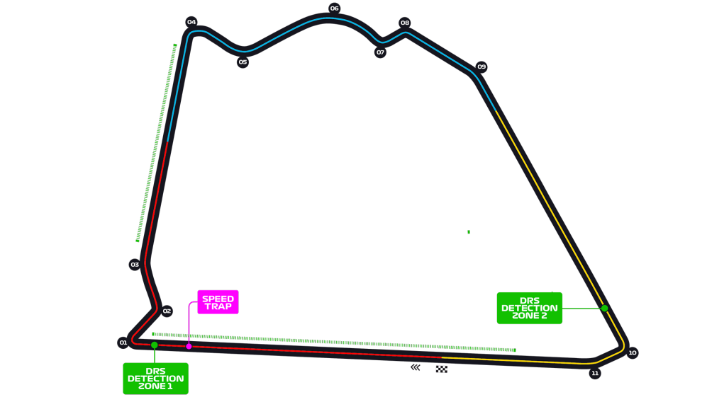
Car No. | Pos | Driver | Constructor | Time | Laps | F Points | D points | Notes
11 | 1 | PER | RP | 1:31:15.114 | 87 | 37 | 25
31 | 2 | OCO | REN | 1:31:25.632 | 87 | 32 | 18
18 | 3 | STR | RP | 1:31:26.983 | 87 | 26 | 15
55 | 4 | SAI | MCL | 1:31:27.694 | 87 | 24 | 12
3 | 5 | RIC | REN | 1:31:28.444 | 87 | 30 | 10
23 | 6 | ALB | RBR | 1:31:28.956 | 87 | 22 | 8
23 | 7 | KVY | ALT | 1:31:29.648 | 87 | 8 | 6
77 | 8 | BOT | MER | 1:31:30.503 | 87 | -7 | 4
63 | 9 | RUS | MER | 1:31:33.670 | 87 | 3 | 3
4 | 10 | NOR | MCL | 1:31:34.655 | 87 | 12 | 1
10 | 11 | GAS | ALT | 1:31:35.641 | 87 | -3
5 | 12 | VET | FER | 1:31:37.725 | 87 | 6
99 | 13 | GIO | ARR | 1:31:39.225 | 87 | 6
7 | 14 | RAI | ARR | 1:31:41.267 | 87 | 11
20 | 15 | MAG | HAA | 1:31:47.484 | 87 | 6
89 | 16 | AIT | WIL | 1:31:48.788 | 87 | 8
51 | 17 | FIT | HAA | 1:31:51.972 | 87 | 7
6 | DNF | LAT | WIL | 54:39.646 | 52 | -15
33 | DNF | VER | RBR | NA | 0 | -15
16 | DNF | LEC | FER | NA | 0 | -15

Q17
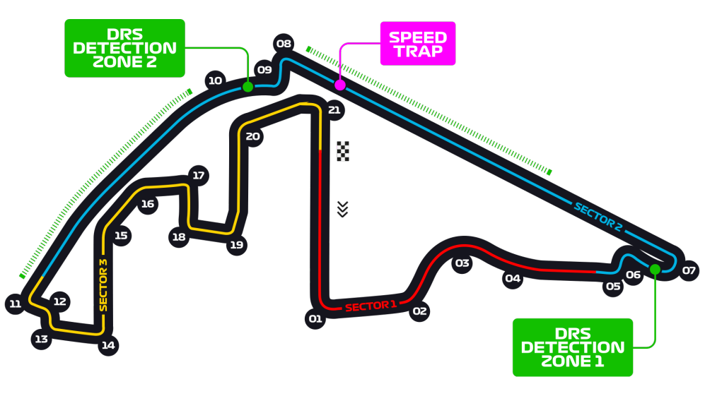
Car No. | Driver | Constructor | Q1 | Q2 | Q3 | F Points | Notes
33 | VER | RBR | 1:35.993 | 1:35.641 | 1:35.246 | 15
77 | BOT | MER | 1:35.699 | 1:35.527 | 1:35.271 | 14
44 | HAM | MER | 1:35.528 | 1:35.466 | 1:35.332 | 11
4 | NOR | MCL | 1:36.016 | 1:35.849 | 1:35.497 | 12
23 | ALB | RBR | 1:36.106 | 1:35.654 | 1:35.571 | 9
55 | SAI | MCL | 1:36.517 | 1:36.192 | 1:35.815 | 8
23 | KVY | ALT | 1:36.459 | 1:36.214 | 1:35.963 | 9
18 | STR | RP | 1:36.502 | 1:36.143 | 1:36.046 | 8
16 | LEC | FER | 1:35.881 | 1:35.932 | 1:36.065 | 7
10 | GAS | ALT | 1:36.545 | 1:36.282 | 1:36.242 | 4
31 | OCO | REN | 1:36.783 | 1:36.359 | NA | 4
3 | RIC | REN | 1:36.704 | 1:36.406 | NA | 2
5 | VET | FER | 1:36.655 | 1:36.631 | NA | 2
99 | GIO | ARR | 1:37.075 | 1:38.248 | NA | 4
27 | PER | RP | 1:36.034 | NA | NA | 2
7 | RAI | ARR | 1:37.555 | NA | NA | 1
20 | MAG | HAA | 1:37.863 | NA | NA | 3
63 | RUS | WIL | 1:38.045 | NA | NA | 3
8 | FIT | HAA | 1:38.173 | NA | NA | 1
6 | LAT | WIL | 1:38.443 | NA | NA | 1

