Leagues
 | W4 | W5 | W6 | W7 | W8 | W9 |  | W4 | W5 | W6 | W7 | W8 | W9 | TOTAL | TOTAL 2 | AVERAGE | AVERAGE 2
Siddhant | 991 | 1580 | 2025 | 2364 |  |  | Siddhant | 253 | 589 | 445 | 339 | 152 |  | 2516 | 2742 | 314.50 | 342.71
Hashem | 1088 | 1509 | 1877 | 2225 |  |  | Hashem | 184 | 421 | 368 | 348 | 151 |  | 2376 | 2345 | 297.00 | 293.14
Omar | 1136 | 1423 | 1817 | 2129 |  |  | Omar | 285 | 287 | 394 | 312 | 145 |  | 2274 | 2334 | 284.25 | 291.71
Chris | 1086 | 1409 | 1775 | 2110 |  |  | Chris | 327 | 323 | 366 | 335 | 146 |  | 2256 | 2359 | 282.00 | 294.86
Youssef | 823 | 1092 | 1488 | 1785 |  |  | Youssef | 141 | 269 | 396 | 297 | 139 |  | 1924 | 1991 | 240.50 | 248.86
Ali | 688 | 930 | 1208 | 1533 |  |  | Ali | 195 | 242 | 278 | 325 | 130 |  | 1663 | 1901 | 237.57 | 237.57
Riad | 692 | 971 | 1187 | 1412 |  |  | Riad | 200 | 279 | 216 | 225 | 109 |  | 1521 | 1626 | 190.13 | 203.29

YER MA IS YER DA
 | Siddhant | Hashem | Omar | Chris | Youssef | Ali | Riad
W4 | 991 | 1088 | 1136 | 1086 | 823 | 688 | 692
W5 | 1580 | 1509 | 1423 | 1409 | 1092 | 930 | 971
W6 | 2025 | 1877 | 1817 | 1775 | 1488 | 1208 | 1187
W7 | 2364 | 2225 | 2129 | 2110 | 1785 | 1533 | 1412
W8
W9
Weekly Delta
 | Siddhant | Hashem | Omar | Chris | Youssef | Ali | Riad
W4 | 253 | 184 | 285 | 327 | 141 | 195 | 200
W5 | 589 | 421 | 287 | 323 | 269 | 242 | 279
W6 | 445 | 368 | 394 | 366 | 396 | 278 | 216
W7 | 339 | 348 | 312 | 335 | 297 | 325 | 225
W8 | 152 | 151 | 145 | 146 | 139 | 130 | 109
W9

 | W4 | W5 | W6 | W7 | W8 | W9 |  | W4 | W5 | W6 | W7 | W8 | W9 | TOTAL | TOTAL 2 | AVERAGE | AVERAGE 2
Siddhant | 1476 | 2358 | 3025 | 3548 |  |  | Siddhant | 395 | 882 | 667 | 523 |  |  | 3548 | 3876 | 506.86 | 553.67
Chris | 1679 | 2185 | 2708 | 3208 |  |  | Chris | 584 | 506 | 523 | 500 |  |  | 3208 | 3382 | 458.29 | 483.17
Andrea | 1425 | 1845 | 2305 | 2947 |  |  | Andrea | 330 | 426 | 460 | 642 |  |  | 2947 | 2975 | 421.00 | 425.00
POWER
 | Siddhant | Chris | Andrea
W4 | 1476 | 1679 | 1425
W5 | 2358 | 2185 | 1845
W6 | 3025 | 2708 | 2305
W7 | 3548 | 3208 | 2947
W8
W9
Weekly Delta
 | Siddhant | Chris | Andrea
W4 | 395 | 584 | 330
W5 | 882 | 506 | 426
W6 | 667 | 523 | 460
W7 | 523 | 500 | 642
W8
W9

Q6
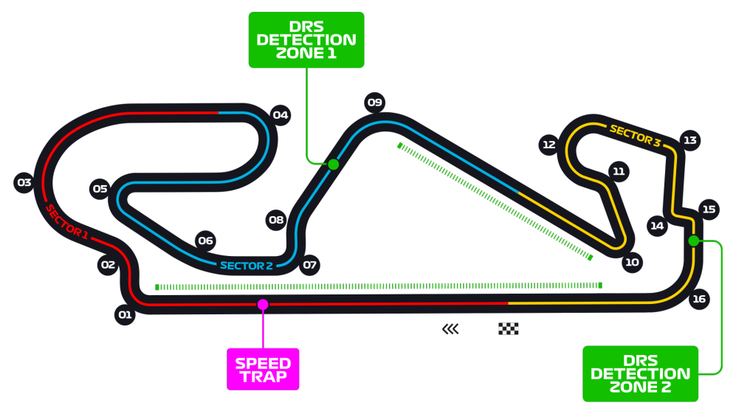
Car No. | Driver | Constructor | S1 | S2 | S3 | Q1 | Q2 | Q3 | F Points | Notes
44 | HAM | MER | 21.393 | 27.959 | 26.232 | 1:16.872 | 1:16.013 | 1:15.584 | 15
77 | BOT | MER | 21.303 | 27.910 | 26.372 | 1:17.243 | 1:16.152 | 1:15.643 | 12
33 | VER | RBR | 21.565 | 28.295 | 26.414 | 1:17.213 | 1:16.518 | 1:16.292 | 13
11 | PER | RP | 21.387 | 28.334 | 26.712 | 1:17.117 | 1:16.936 | 1:16.482 | 12
18 | STR | RP | 21.398 | 28.341 | 26.703 | 1:17.316 | 1:16.666 | 1:16.589 | 9
23 | ALB | RBR | 21.675 | 28.485 | 26.822 | 1:17.419 | 1:17.163 | 1:17.029 | 8
55 | SAI | MCL | 21.442 | 28.505 | 26.856 | 1:17.438 | 1:16.876 | 1:17.044 | 9
4 | NOR | MCL | 21.582 | 28.578 | 26.802 | 1:17.577 | 1:17.166 | 1:17.084 | 6
16 | LEC | FER | 21.778 | 28.366 | 26.676 | 1:17.256 | 1:16.953 | 1:17.087 | 7
10 | GAS | ALT | 21.557 | 28.500 | 26.743 | 1:17.356 | 1:16.800 | 1:17.136 | 6
5 | VET | FER | 21.646 | 28.770 | 26.741 | 1:17.573 | 1:17.168 | NA | 2
23 | KVY | ALT | 21.594 | 28.802 | 26.796 | 1:17.676 | 1:17.192 | NA | 2
3 | RIC | REN | 21.697 | 28.751 | 26.647 | 1:17.667 | 1:17.198 | NA | 4
7 | RAI | ARR | 21.746 | 28.767 | 26.873 | 1:17.797 | 1:17.386 | NA | 4
31 | OCO | REN | 21.852 | 28.887 | 26.747 | 1:17.765 | 1:17.567 | NA | 2
20 | MAG | HAA | 21.809 | 28.918 | 27.181 | 1:17.908 | NA | NA | 3
8 | GRO | HAA | 21.826 | 28.914 | 27.147 | 1:18.089 | NA | NA | 1
63 | RUS | WIL | 21.784 | 28.970 | 27.287 | 1:18.099 | NA | NA | 3
6 | LAT | WIL | 21.881 | 28.970 | 27.287 | 1:18.532 | NA | NA | 1
99 | GIO | ARR | 21.938 | 29.054 | 27.530 | 1:18.697 | NA | NA | 1

Q7
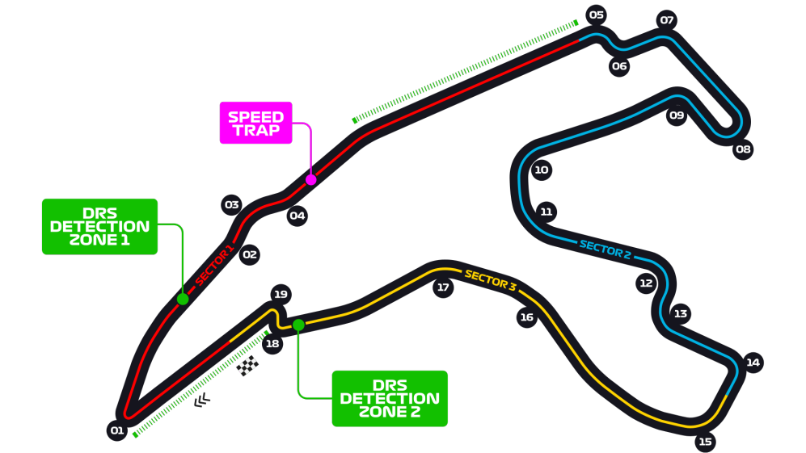
Car No. | Driver | Constructor | S1 | S2 | S3 | Q1 | Q2 | Q3 | F Points | Notes
44 | HAM | MER | 30.337 | 42.466 | 28.365 | 1:42.323 | 1:42.014 | 1:41.252 | 15
77 | BOT | MER | 30.427 | 42.692 | 28.301 | 1:42.534 | 1:42.126 | 1:41.763 | 12
33 | VER | RBR | 30.419 | 43.042 | 28.286 | 1:43.197 | 1:42.473 | 1:41.778 | 13
3 | RIC | REN | 30.252 | 43.594 | 28.158 | 1:43.309 | 1:42.487 | 1:42.061 | 12
23 | ALB | RBR | 30.313 | 43.243 | 28.333 | 1:43.418 | 1:42.193 | 1:42.264 | 9
31 | OCO | REN | 30.162 | 43.808 | 28.257 | 1:43.505 | 1:42.534 | 1:42.396 | 7
55 | SAI | MCL | 30.182 | 43.718 | 28.339 | 1:43.322 | 1:42.478 | 1:42.438 | 9
11 | PER | RP | 30.249 | 43.774 | 28.397 | 1:43.349 | 1:42.670 | 1:42.532 | 8
18 | STR | RP | 30.112 | 43.806 | 28.340 | 1:43.265 | 1:42.491 | 1:42.603 | 10
4 | NOR | MCL | 30.309 | 43.489 | 28.462 | 1:43.514 | 1:42.722 | 1:42.657 | 4
23 | KVY | ALT | 30.141 | 44.104 | 28.439 | 1:43.267 | 1:42.730 | NA | 4
10 | GAS | ALT | 30.135 | 44.056 | 28.480 | 1:43.262 | 1:42.745 | NA | 2
16 | LEC | FER | 30.450 | 43.925 | 28.621 | 1:43.656 | 1:42.996 | NA | 4
5 | VET | FER | 30.533 | 44.008 | 28.720 | 1:43.567 | 1:43.261 | NA | 2
63 | RUS | WIL | 30.562 | 44.102 | 28.713 | 1:43.630 | 1:43.468 | NA | 4
7 | RAI | ARR | 30.638 | 44.081 | 28.788 | 1:43.743 | NA | NA | 3
8 | GRO | HAA | 30.732 | 44.232 | 28.874 | 1:43.838 | NA | NA | 3
99 | GIO | ARR | 30.802 | 44.366 | 28.752 | 1:43.950 | NA | NA | 1
6 | LAT | WIL | 30.763 | 44.566 | 28.723 | 1:44.138 | NA | NA | 1
20 | MAG | HAA | 30.666 | 44.330 | 28.914 | 1:44.314 | NA | NA | 1

Q8
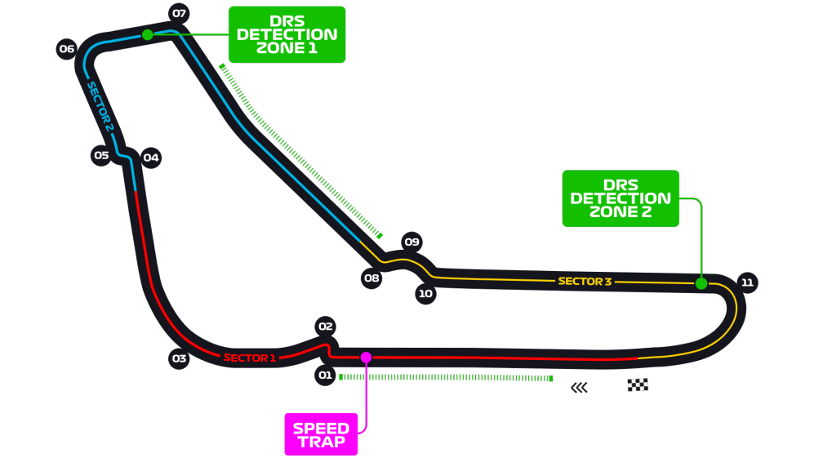
Car No. | Driver | Constructor | Q1 | Q2 | Q3 | F Points | Notes
44 | HAM | MER | 1:19.514 | 1:19.092 | 1:18.887 | 15
77 | BOT | MER | 1:19.786 | 1:18.952 | 1:18.956 | 12
55 | SAI | MCL | 1:20.099 | 1:19.705 | 1:19.695 | 13
11 | PER | RP | 1:20.048 | 1:19.718 | 1:19.720 | 12
33 | VER | RBR | 1:20.193 | 1:19.780 | 1:19.795 | 11
4 | NOR | MCL | 1:20.344 | 1:19.962 | 1:19.820 | 8
3 | RIC | REN | 1:20.548 | 1:20.031 | 1:19.864 | 9
18 | STR | RP | 1:20.400 | 1:19.924 | 1:20.049 | 6
23 | ALB | RBR | 1:21.104 | 1:20.064 | 1:20.090 | 5
10 | GAS | ALT | 1:20.145 | 1:19.909 | 1:20.177 | 6
23 | KVY | ALT | 1:20.307 | 1:20.169 | NA | 2
31 | OCO | REN | 1:20.747 | 1:20.234 | NA | 2
16 | LEC | FER | 1:20.443 | 1:20.273 | NA | 4
7 | RAI | ARR | 1:21.010 | 1:20.926 | NA | 4
20 | MAG | HAA | 1:20.869 | 1:21.573 | NA | 4
8 | GRO | HAA | 1:21.139 | NA | NA | 1
5 | VET | FER | 1:21.151 | NA | NA | 1
99 | GIO | ARR | 1:21.206 | NA | NA | 1
63 | RUS | WIL | 1:21.587 | NA | NA | 3
6 | LAT | WIL | 1:21.717 | NA | NA | 1

