Solution
EXL EQ Case Challenge 2019
Case Study : Fraudulent Claims for XYZ

Answer (Add rows, if required)

Approach/business logic used for identifying Fraudulent Claims

Explorartory Data Analysis: We first analyyze the data to understand the relationship present between the different attributes and to find key features seen in fraudalent insurance claims. Firstly, we see how our data is distributed 0(Not Fraudlent Claim) 10880 1(Fraudlent Claim) 685 Next we see which how the car make affects fraudalent transaction Pontiac 150 Toyota 141 Honda 134 Mazda 91 Chevrolet 75 Accura 45 Ford 25. Saab 6 Here we can see that chance of fraudlent claims occuring in case of luxury car is much lesser as compared to non-luxury car. VW 6 Saturn 4 Mercury 4 Dodge 2 Mecedes 1 Nisson 1 Now we analyse how the area,sex and martial status affect fraudlent transaction. Male 612. Urban 587 Married 482 Female 73 Rural 98 Single 198. All these attributes does not show any special behaviour as females rural areas and single people are less likely to own car so Divorced 3 fraudlent claims are much less in these cases. Widow 2 But which Policies are more likely to have fraudelent claims occur, let's see: Sedan - All Perils 307 Sedan - Collision 281 Sport - Collision 34. The data shows that sedan have an unsually higher rate of fraudlent claims.This maybe due their higher avaliablity in the market. Utility - All Perils 33 Sedan - Liability 27 Utility - Collision 3

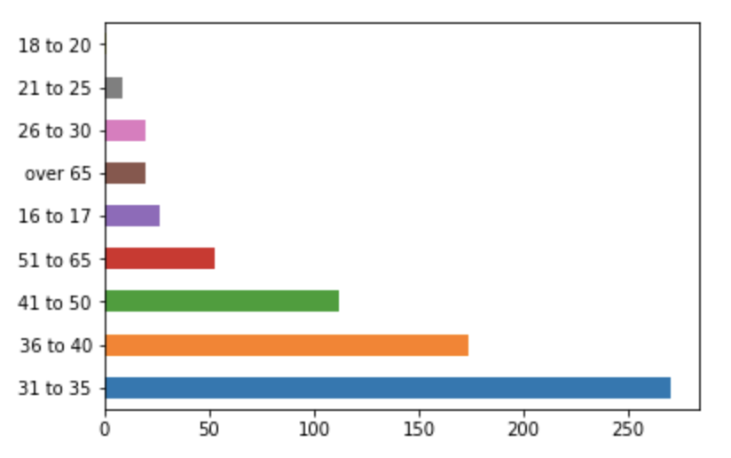 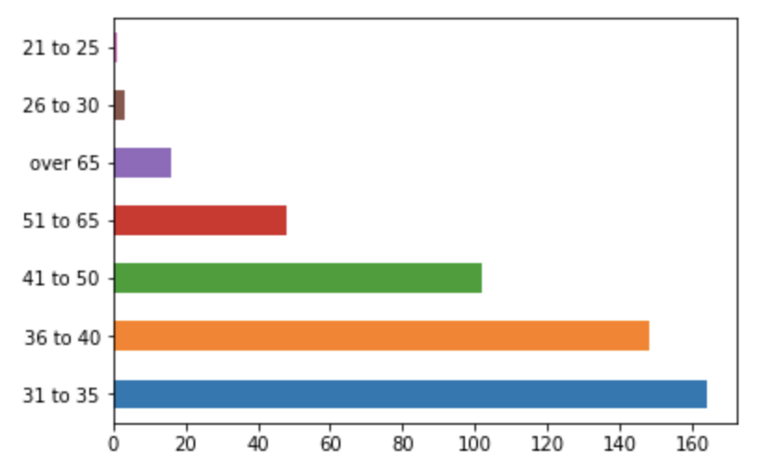 Lets check what is the age of policy holder who have been found to part of fraudlent claim 31 to 35 270 36 to 40 174 41 to 50 112 51 to 65 53 This shows us that people in their in middle age are more likely to commits fraud. 16 to 17 26 over 65 20 26 to 30 20 21 to 25 9 18 to 20 1 Using the above finding we see how age of policy holder is related to age of vehicle and his/her marital status 31 to 35 101 36 to 40 23 26 to 30 15 Single Middle age people with age of vehicle >=5 years is deadly combination as shown here. 41 to 50 9 51 to 65 5 over 65 4 21 to 25 1 31 to 35 159 36 to 40 146 41 to 50 100 On the otherhand married people have much high chance to conduct fraud at ages greater than 31. 51 to 65 47 over 65 16 26 to 30 2 How does police report filing and witness present affect the data Below data shows that in case of fraudlent claims there is high chance no police report would be filed No 672 Yes 13 Below data shows that in case of fraudlent claims witness present also unlikely No 683 Yes 2

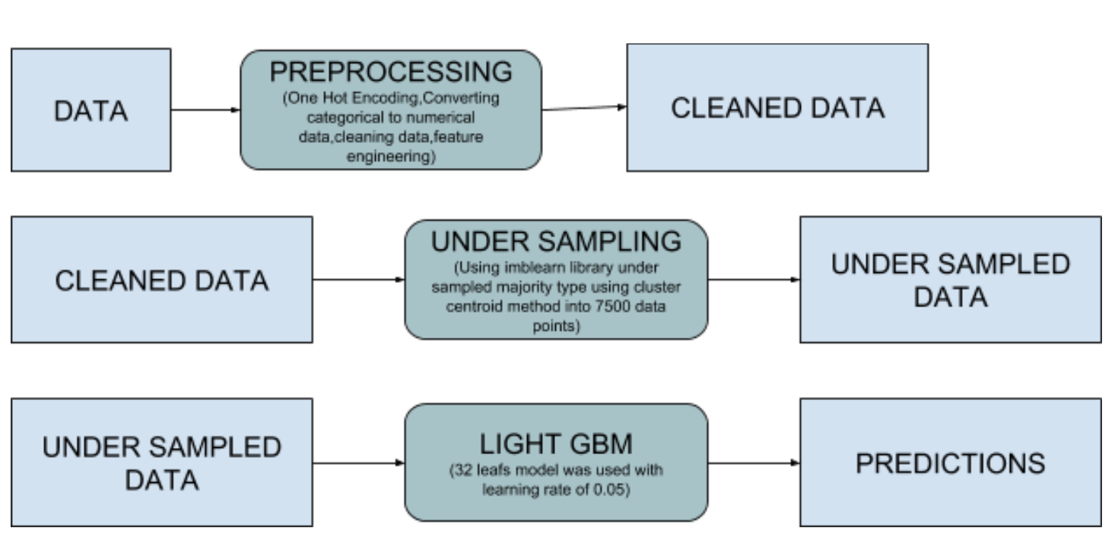
But how likely are old customers who have done genuine claims in the past later on done frauds. none 259 2 to 4 209 Data shows us that no claim or previous claim every customers has a chance of fraud claim since the data seems to be equally distributed 1 165 more than 4 52 The time of occurence of insurance claims is also important Mar 75 May 73 Jan 67 Aug 64 Feb 61 Apr 60 This shows us that the month of occurence of fraud claims has no relation with important holidays of australie since most of the public holidays occurs during Jun 59 december and april and these month don't show any unexcepted changes. Sep 57 Oct 49 Jul 46 Dec 45 Nov 29
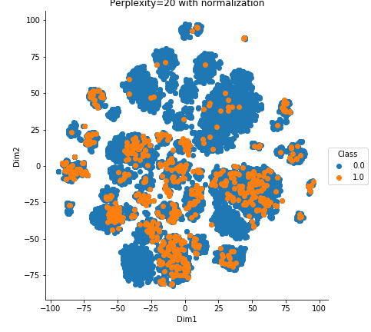 Model To understand how the data is distributed to use TSNE to plot the data points in a 2D space This diagram shows that the fraud claims are not outliers to our data.So our Model should not be based on outlier detection as that would not be able to distinguish between fraud and not fraud. Classical Machine learning algorithm based on ensembling would work the best as we need to find intricaies within the structured data provided and tree based technique excel at that.
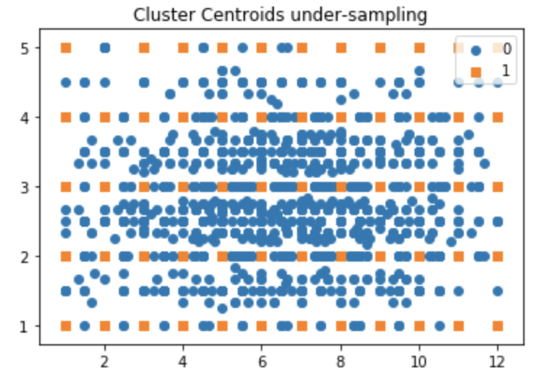 We analyse the performance of various machine learning model based on the confusion_matrix, f1-score evaluation metrics as these would be the best to analyze the performance of our model.This allows us to check precision and recall as accuracy would be a flawed metrics in classification based models. We see that tree-based models performed better than their counterparts due to their ability to overfit less on the small data and also the ability to better find relationships amongst the data. Among tree-based techiniques, gradient boosted trees performed much better with the best performance being achieved by LightGBM, a high performance decision tree framework. The model still seemed to overfit due to high pressence of non-fraudlent transactions in the data. To reduce overfitting we undersample the non-fraudelent claims which were the majority claims in the dataset. From all undersampling methdods, Clustered Centroid technique performed best with the 2d-space after undersampling represented below:

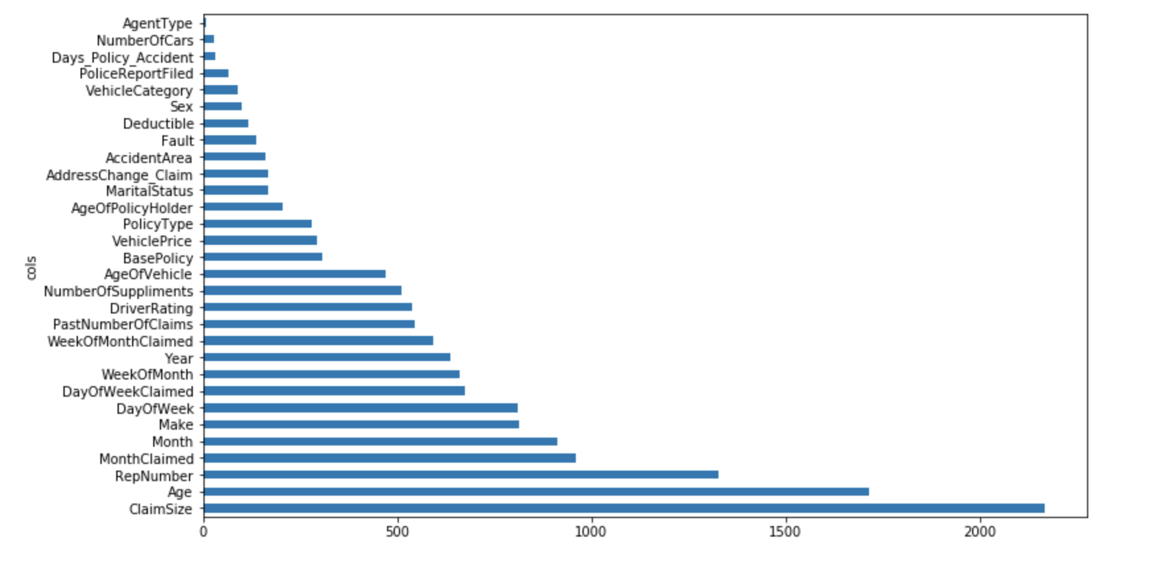 Feature Importance:
Assumptions
1. During preprocessing every strigng datatype was converted to categorical datatype. This allowed easier conversion to numerical types using pandas library. 2. For training the majority class was resampled into 7500 data points based on the Clustered Centroid algorithm 3. TSNE showed how data was distributed due to which no outlier detection algorithms was used 4. Feature with feature importance less than 0.05 were removed as theses didn't show any difference in model performance on being removed and allowed faster training and resampling times.

