Simulation
Monte Carlo simulation – 10,000 runs of the full three-statement model
Generated by simulation/monte_carlo.py (seed 42) from the Drivers tab ranges. Values, not live formulas: re-run the script after changing assumptions. Controls: the Python base case equals this workbook's base case to £0.0m, and the balance sheet balances in all 30,000 run-years.
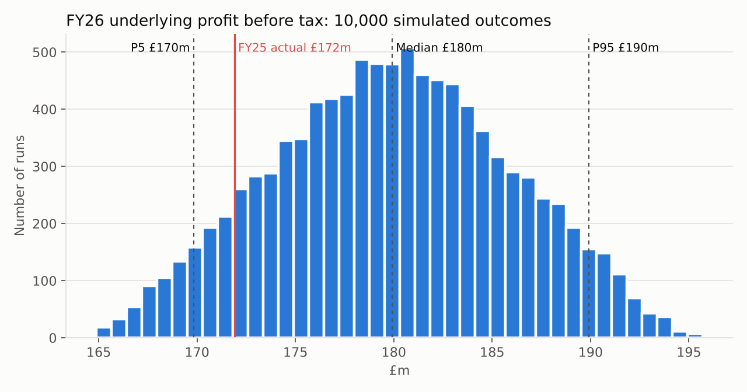
Percentiles (£m)
Measure | Year | P5 | P25 | Median | P75 | P95 | Mean | Base case
Revenue | FY26 | 2,262.2 | 2,272.5 | 2,280.2 | 2,287.7 | 2,297.7 | 2,280.1 | 2,283.6
Revenue | FY27 | 2,357.2 | 2,389.1 | 2,412.6 | 2,435.1 | 2,466.0 | 2,412.0 | 2,421.1
Revenue | FY28 | 2,456.4 | 2,512.3 | 2,553.6 | 2,593.4 | 2,648.8 | 2,553.0 | 2,566.8
Underlying profit before tax | FY26 | 169.8 | 175.6 | 179.9 | 184.1 | 189.9 | 179.9 | 180.2
Underlying profit before tax | FY27 | 176.8 | 187.9 | 196.0 | 204.2 | 215.3 | 196.1 | 196.9
Underlying profit before tax | FY28 | 193.0 | 206.2 | 216.1 | 226.0 | 239.6 | 216.2 | 217.6
Free cash flow after leases | FY26 | 71.3 | 77.8 | 82.4 | 86.9 | 93.0 | 82.3 | 84.6
Free cash flow after leases | FY27 | 62.8 | 77.1 | 87.2 | 97.1 | 110.4 | 87.0 | 91.0
Free cash flow after leases | FY28 | 102.8 | 117.3 | 127.8 | 138.0 | 151.6 | 127.6 | 134.6
Closing cash | FY26 | 71.8 | 78.3 | 82.9 | 87.4 | 93.5 | 82.8 | 85.0
Closing cash | FY27 | 63.2 | 83.8 | 98.6 | 112.9 | 131.6 | 98.1 | 104.3
Closing cash | FY28 | 93.0 | 128.2 | 153.3 | 177.2 | 209.8 | 152.5 | 165.7

Probabilities
Question |  |  |  |  |  | Probability
FY26 underlying PBT above FY25 (£171.9m) |  |  |  |  |  | 89.8%
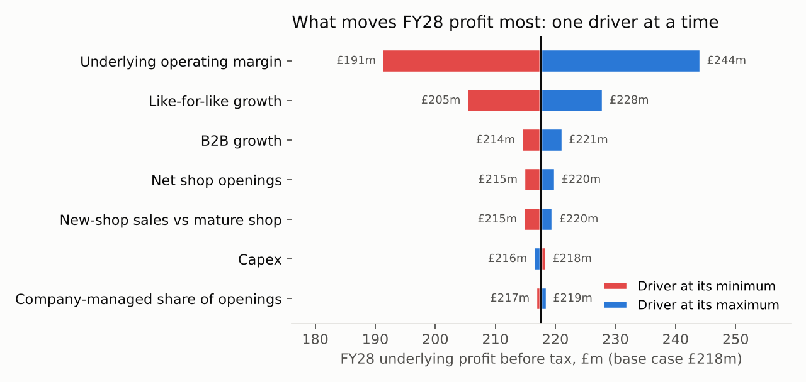
FY26 underlying PBT above the base case |  |  |  |  |  | 48.0%
FY28 underlying PBT above £200m |  |  |  |  |  | 86.7%
Cash falls below £50m in any year FY26–FY28 |  |  |  |  |  | 1.0%
Cash falls below zero in any year FY26–FY28 (needs new borrowing) |  |  |  |  |  | 0.0%

Tornado: FY28 underlying PBT with one driver at its min / max (others at base)
Driver |  |  | At min | At max | Swing | Lowest cash at min | Lowest cash at max
Underlying operating margin |  |  | 191.1 | 244.2 | 53.0 | 74.9 | 95.2
Like-for-like growth |  |  | 205.2 | 228.0 | 22.8 | 82.2 | 87.3
B2B growth |  |  | 214.3 | 221.2 | 6.9 | 83.7 | 86.4
Net shop openings |  |  | 214.7 | 220.0 | 5.3 | 84.2 | 85.3
New-shop sales vs mature shop |  |  | 214.6 | 219.6 | 5.0 | 83.7 | 85.9
Capex |  |  | 218.5 | 216.3 | -2.2 | 93.9 | 61.4
Company-managed share of openings |  |  | 216.7 | 218.6 | 2.0 | 84.7 | 85.4
Restructuring total cost |  |  | 217.9 | 217.4 | -0.5 | 84.6 | 85.5
Tax rate |  |  | 217.7 | 217.5 | -0.1 | 85.7 | 83.7

Your conclusions (Session E, in your own words)
1. | In 90% of 10,000 runs FY26 underlying profit beats FY25's £172m, with a likely range of £170–190m, so I am confident profit grows.
2. | Cash stays positive in every run and falls below £50m in only 1%: with capex falling, Greggs can fund openings, restructuring and dividends without new debt, after negative free cash flow in FY25.
3. | I would watch like-for-like growth: margin moves profit most (£53m), but LFL moves it £23m directly, pulls margin with it through operating leverage, and is the trend that has slowed from 18% to 2%.

