RF
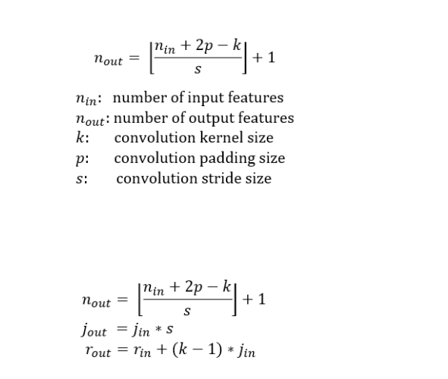
 |  | Receptive Field Caculation

Layer | k | s | p | Jin | rin | nin | nout | Jout | rout
Conv | 3 | 1 | 0 | 1 | 1 | 28 | 26 | 1 | 3
Conv | 3 | 1 | 0 | 1 | 3 | 26 | 24 | 1 | 5
Max | 2 | 2 | 0 | 1 | 5 | 24 | 12 | 2 | 6
Conv | 1 | 1 | 0 | 2 | 6 | 12 | 12 | 2 | 6
Conv | 3 | 1 | 0 | 2 | 6 | 12 | 10 | 2 | 10
Conv | 3 | 1 | 0 | 2 | 10 | 10 | 8 | 2 | 14
Conv | 3 | 1 | 0 | 2 | 14 | 8 | 6 | 2 | 18
GAP | 6 | 1 | 0 | 2 | 18 | 6 | 1 | 2 | 28
GAP | 1 | 1 | 0 | 2 | 28 | 1 | 1 | 2 | 28

