Exhibit 2
Exhibit 2 Background Information on JPMorgan Chase & Co. (millions of dollars, except ratios and per share)

JPMorgan Chase & Co. (JPM) is a leading global financial services firm and one of the largest banking institutions in the United States with $2.4 trillion in assets as of December 31, 2013. The company is a leader in investment banking, financial services for consumers and small businesses, commercial banking, financial transaction processing, asset management, and private equity. As of January 2014, JPM pays quarterly cash dividends at a quarterly rate of $0.38 per share. Its next quarterly dividend of $0.38 will be paid on April 2, 2014.

 |  |  |  | Per Share
 |  |  |  |  |  | Stock Price |  | P/E
Year | Revenues | Operating Income | Net Income | Earnings | Dividends | High | Low | Ratio
2009 | $100,434 | $16,067 | $11,728 | $2.26 | $0.20 | $47.47 | $14.96 | 18.4
2010 | 102,694 | 24,859 | 17,370 | 3.96 | 0.20 | 48.20 | 35.16 | 10.7
2011 | 97,234 | 26,749 | 18,976 | 4.48 | 1.00 | 48.36 | 27.85 | 7.4
2012 | 97,031 | 28,917 | 21,284 | 5.20 | 1.20 | 46.49 | 30.83 | 8.5
2013 | 96,606 | 25,914 | 17,923 | 4.35 | 1.44 | 58.55 | 44.20 | 13.4

Source: Form 10-K 2013 Annual Report, filed with the SEC on February 20, 2014.

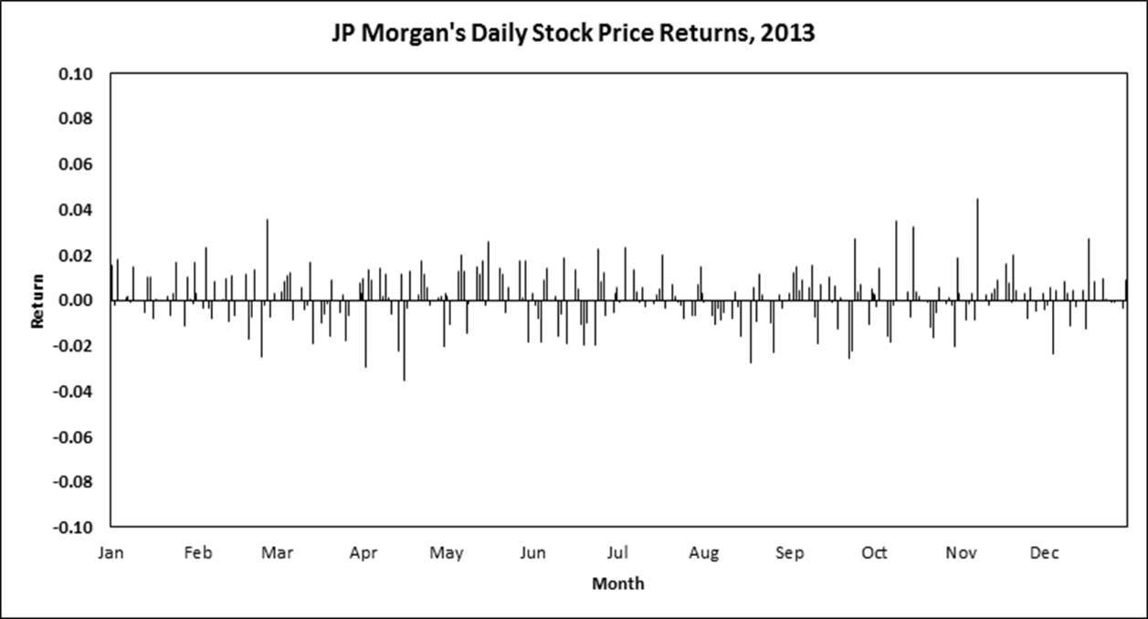

Source: Daily returns were computed by the author using daily price data sourced from Thomson Reuters/Datastream, accessed October 2015.

Exhibit 3
Exhibit 3 Background Information on Facebook, Inc. (millions of dollars, except ratios and per share)

Facebook, Inc., provides products and services that enable people to connect, communicate, and share opinions, ideas, photos, videos, and other data with each other and with the public at large through mobile devices and personal computers. Products include the Facebook mobile app and website, Instagram, Messenger, and WhatsApp. A substantial majority of the company’s revenue is generated by selling advertising placements to marketers. Facebook’s Class A common stock was listed on the NASDAQ Global Select Market on May 18, 2012. Facebook has never declared nor paid any cash dividend and states that it does not expect to pay dividends in the foreseeable future.

 |  |  |  |  |  | Per Share
 |  |  |  |  |  |  | Stock Price
Year | Revenues | Operating Income | Net Income | Earnings | Dividends |  | High | Low | P/E Ratio
2009 | $777 | $262 | $229 | $0.10 | $0.00 |  | n.r. | n.r. | n.r.
2010 | 1,974 | 1,032 | 606 | 0.28 | 0.00 |  | n.r. | n.r. | n.r.
2011 | 3,711 | 1,756 | 1,000 | 0.46 | 0.00 |  | n.r. | n.r. | n.r.
2012 | 5,089 | 538 | 53 | 0.01 | 0.00 |  | $45.00 | $17.55 | 2,662.0
2013 | 7,872 | 2,804 | 1,500 | 0.60 | 0.00 |  | 58.58 | 22.67 | 91.1

Source: Form 10-K 2013 Annual Report filed with the SEC on January 31, 2014; and Form S-1 Registration Statement, filed February 1, 2012.

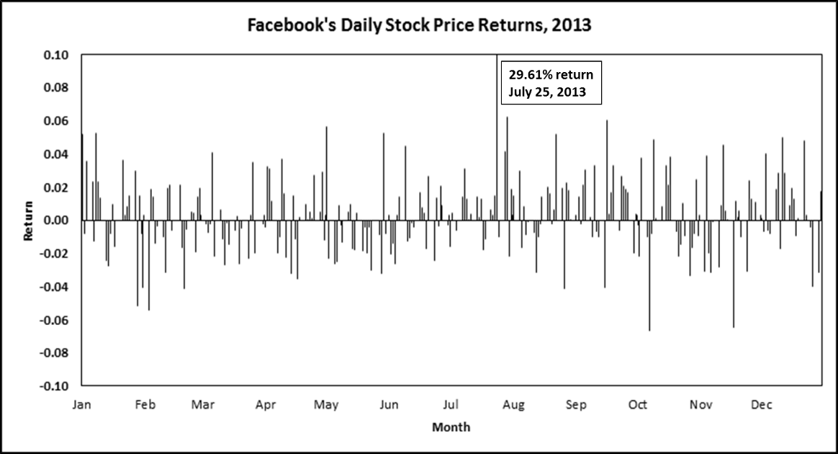

Source: Daily returns were computed by the casewriter using daily price data sourced from Thomson Reuters/Datastream, accessed October 2015.

