Charts
1 | Bar chart : Total sales by product category | 2 | column chart:Total Quantity Sold by Product Category
 | Sales by Product Category Total Sales
Beauty | 143,515
Electronics | 156,905
Clothing | 156,520
 | Sold by Product Category Total Quantity
Beauty | 771
Electronics | 849
Clothing | 894

3 | Pie chart: Total Sales by Gender
 | Total sales by Gender Total sales
Female | 233780
male | 223160

sorting_&_filtering_screenshots
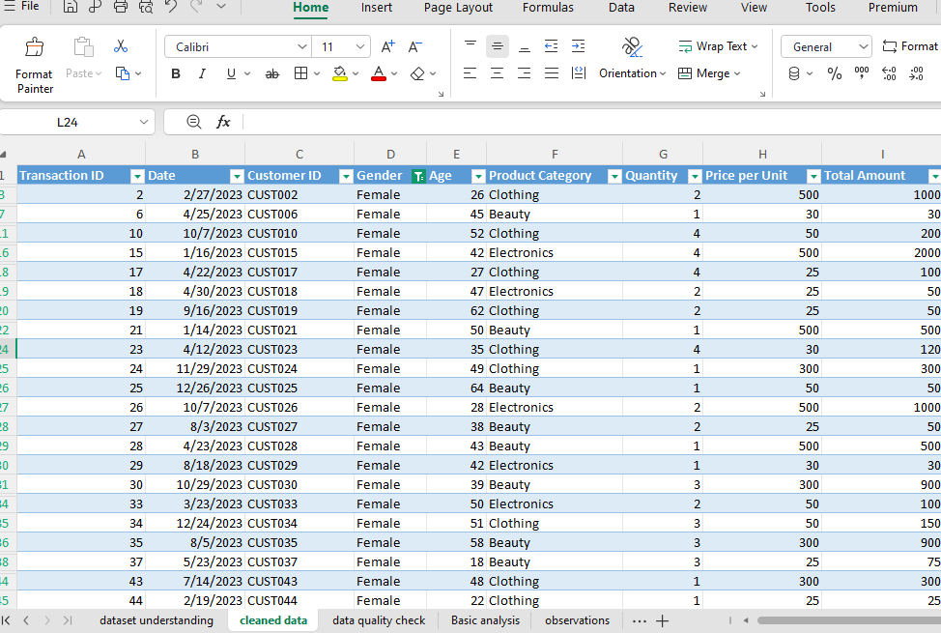
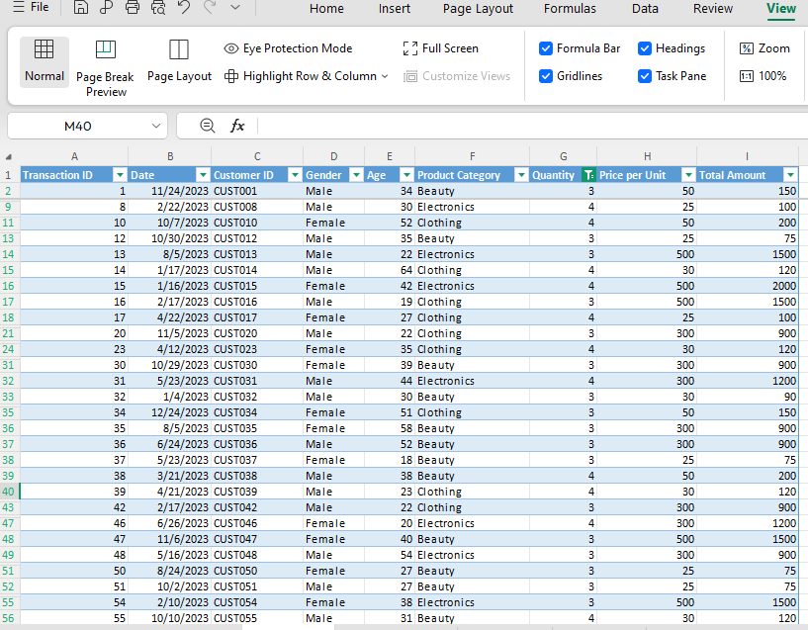
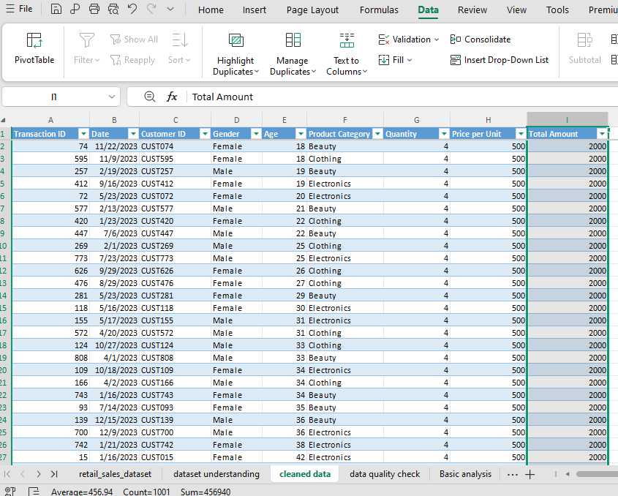
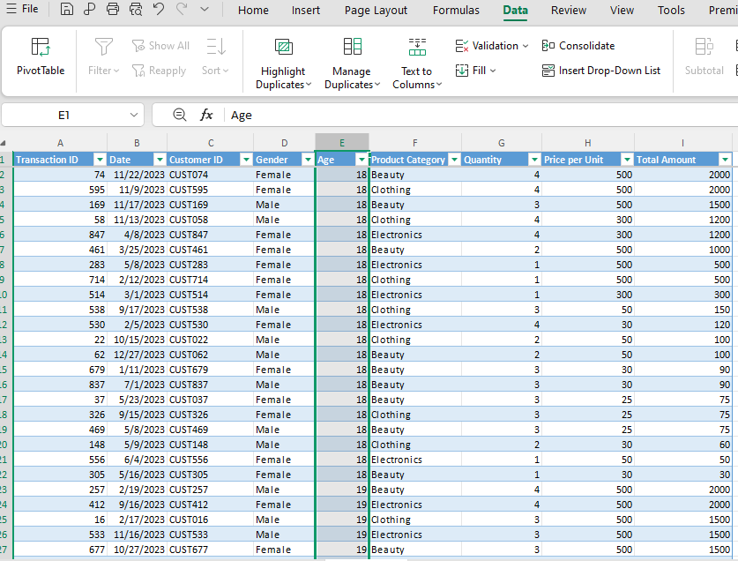
1. Which transaction has the highest total amount? | 7. Sort the dataset from youngest customer to oldest customer.

4. Show only transactions where Gender is Female. | 5. Show only transactions where Quantity is greater than 2

