Sheet1
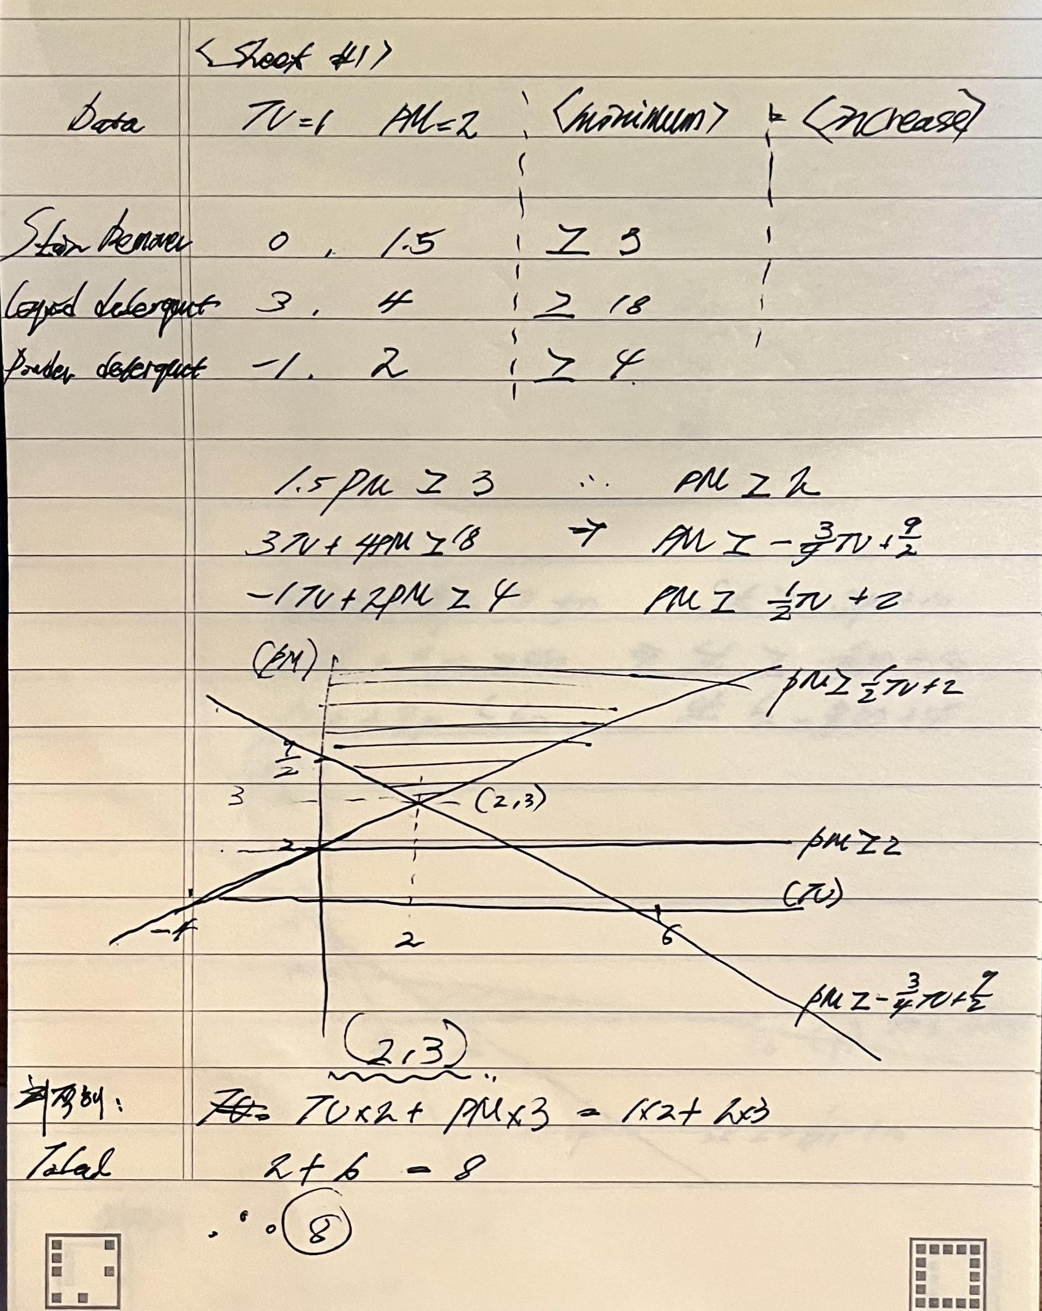
실습과제#1
 | Increase in Sales per Unit of Advertising
Product | TV | Print Media |  | Minimum Required Increase
Unit cost | 1 | 2

Stainremover | 0 | 1.5 | 4.5 | >= | 3
Liquiddetergent | 3 | 4 | 18 | >= | 18
Powderdetergent | -1 | 2 | 4 | >= | 4
 |  |  |  | TOTAL
decisions | 2 | 3 |  | 8

Sheet2
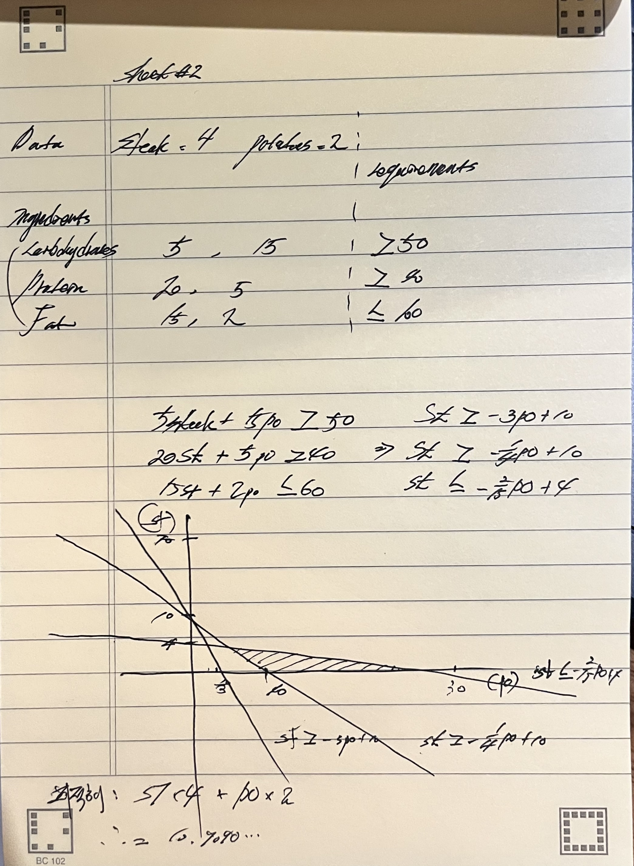
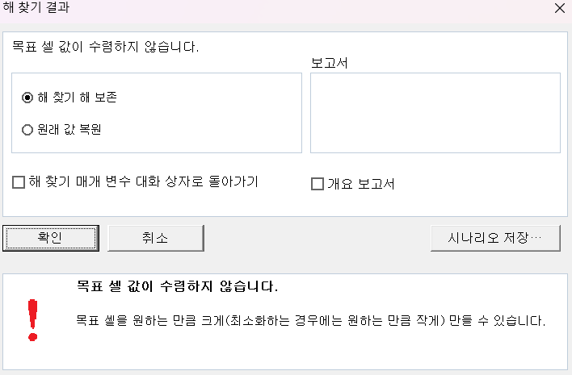
실습과제#2 |  |  |  |  |  | 실습과제#2-B
Gramsof Ingredient per Serving |  |  |  |  |  | Gramsof Ingredient per Serving
Ingredient | Steak | Potatoes |  |  |  | Ingredient | Steak | Potatoes
Costper serving | 4 | 2 |  |  |  | Costper serving | 4 | 2
 |  |  | INCREASE |  | REQUIREMENTS |  |  |  | INCREASE |  | REQUIREMENTS
Carbohydrates | 5 | 15 | 50 | >= | 50 | Carbohydrates | 5 | 15 | 50 | >= | 50
Protein | 20 | 5 | 40 | >= | 40 | Protein | 20 | 5 | 200 | >= | 40
Fat | 15 | 2 | 24.909090909 | <= | 60 | Fat | 15 | 2 | 150 | <= | 60
 |  |  | TOTAL |  |  | Budget (part b) | 4 | 2 | 40 | <= | 8
DETERMINENCE | 1.2727272727 | 2.9090909091 | 10.909090909 |  |  | DETERMINENCE | 10 | 0 | TOTAL | 40

