Arkusz1

 |  | 00 0F EC 00 00 25 F4 E0 40 FA D0 D2 00 5D AA F4 F2 78 FE 80 DC 00 20 64 0A 8F CF 1C FF 8B FC 90 60 D9 30 2C F8 DF EA FE 9F DA 09 20 B2 07 2F 44 E3 A0 12 00 2F BC 00 00 00 00 0F 81 02 B1 04 02 80 0B 09 A0 2C 03 C1 1F FF A0 3C FE 90 00 00 01 65
Tomba animation spec sheet |  |  |  | po wklejeniu powyższego 81 bajtowego ciągu w 19 linijkę animacji, jest ona w zakresie "idle" Tomby, więc łatwo sprawdzać co się zmienia.
537297E | 1 | 00 | everything moves in Y axis |  |  | increase moves forward
537297F | 2 | 0F | everything moves in z axis |  |  | increase moves down
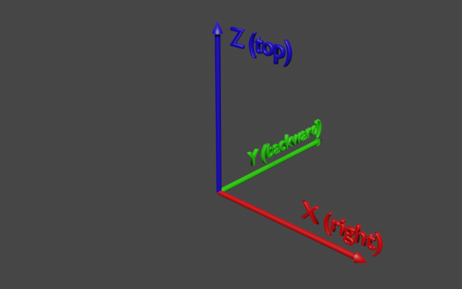
5372980 | 3 | EC | everything moves in z axis
5372981 | 4 | 00 | everything moves in X axis |  |  | increase moves left
5372982 | 5 | 00 | B Y rot |  | inc rot right
5372983 | 6 | 25 | B Y rot
5372984 | 7 | F4 | B Z rot |  | inc rot to right
5372985 | 8 | E0 | B X rot |  | inc rot forwards
5372986 | 9 | 40 | B X rot
5372987 | 10 | FA | A Y rot |  | inc rot right
L1
P1
A
5372988 | 11 | D0 | A Z rot |  | inc rot right
R1
5372989 | 12 | D2 | A Z rot
P2
537298A | 13 | 00 | A X rot |  | inc rot forwards
537298B | 14 | 5D | L1 Y rot |  | increase raises arm up
B
537298C | 15 | AA | L1 Y rot
537298D | 16 | F4 | L1 Z rot |  | inc raises forward
537298E | 17 | F2 | L1 X rot |  | inc rot clockwise
537298F | 18 | 78 | L1 X rot
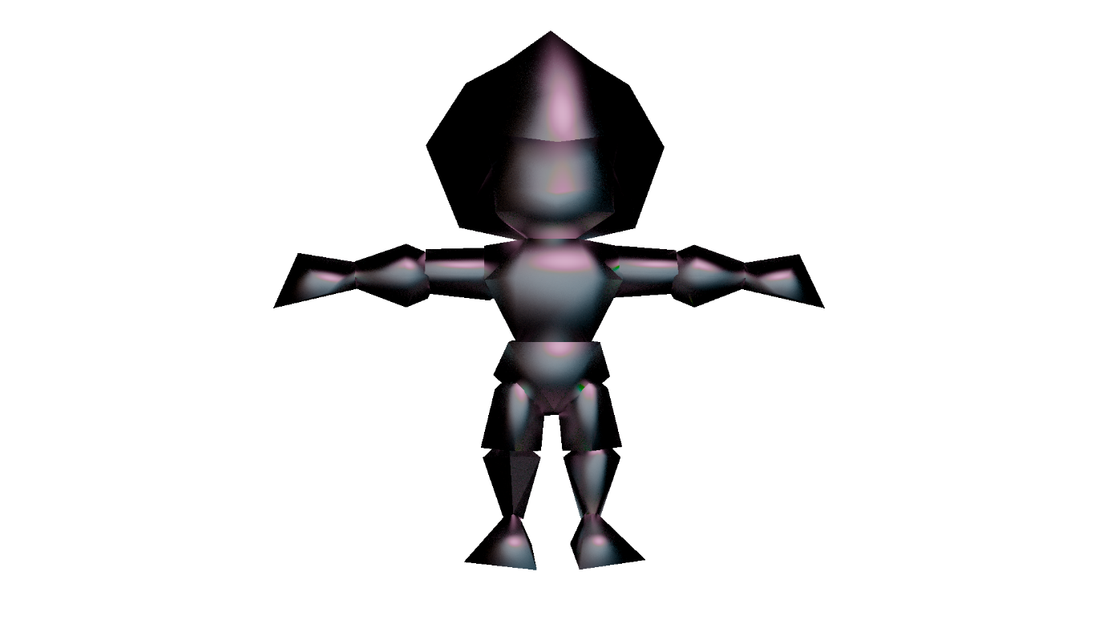
5372990 | 19 | FE | L2 Y rot |  | inc raises up
5372991 | 20 | 80 | L2 Z rot |  | inc rot forward
5372992 | 21 | DC | L2 Z rot
5372993 | 22 | 00 | L2 X rot |  | inc rot clockwise
5372994 | 23 | 20 | L3 Y rot |  | inc raises up
A
5372995 | 24 | 64 | L3 Y rot
R2
R3
R1
L1
L2
L3
5372996 | 25 | 0A | L3 Z rot |  | inc rot forward
5372997 | 26 | 8F | L3 X rot |  | inc rot clockwise
B
C
5372998 | 27 | CF | L3 X rot |  |  |  | A - dół głowy
RB1
LB1
5372999 | 28 | 1C | R1 Y rot |  | inc rot down |  | B - dół tułowia, pod klatką piersiową
LB2
537299A | 29 | FF | R1 Z rot |  | inc rot back |  | L1 - Lewe ramię
RB2
537299B | 30 | 8B | R1 Z rot |  |  |  | L2 - Lewe przedramię
RB3
LB3
537299C | 31 | FC | R1 X rot |  | inc rot clockwise |  | L3 - Lewa dłoń
537299D | 32 | 90 | R2 Y rot |  | inc rot down |  | R1 - Prawe ramię
537299E | 33 | 60 | R2 Y rot |  |  |  | R2 - Prawe przedramię
537299F | 34 | D9 | R2 Z rot |  | inc rot back |  | R3 - Prawa dłoń
53729A0 | 35 | 30 | R2 X rot |  | inc rot clockwise |  | C - górny punkt bioder
53729A1 | 36 | 2C | R2 X rot |  |  |  | P1 - ponytail górna krawędź
53729A2 | 37 | F8 | R3 Y rot |  | inc rot down |  | P2 - ponytail dolny górna krawędź
53729A3 | 38 | DF | R3 Z rot |  | inc rot back
53729A4 | 39 | EA | R3 Z rot
53729A5 | 40 | FE | R3 X rot |  | inc rot clockwise
53729A6 | 41 | 9F | C Y rot |  | inc rotates to left
53729A7 | 42 | DA | C Y rot
53729A8 | 43 | 09 | C Z rot |  | inc rotates right clockwise
53729A9 | 44 | 20 | C X rot |  | inc rotates backward
53729AA | 45 | B2 | C X rot
53729AB | 46 | 07 | LB1 Y rot |  | inc rotates to left
53729AC | 47 | 2F | LB1 Z rot
53729AD | 48 | 44 | LB1 Z rot |  | inc rotates to inside
53729AE | 49 | E3 | LB1 X rot |  | inc rotates back
53729AF | 50 | A0 | LB2 Y rot |  | inc rotates to left
53729B0 | 51 | 12 | LB2 Y rot
53729B1 | 52 | 00 | LB2 Z rot |  | inc rotates right
53729B2 | 53 | 2F | LB2 X rot |  | inc rotates back
53729B3 | 54 | BC | LB2 X rot
53729B4 | 55 | 00 | LB3 Y rot |  | inc rot to left
53729B5 | 56 | 00 | LB3 Z rot |  | inc rotates to right
53729B6 | 57 | 00 | LB3 Z rot
53729B7 | 58 | 00 | LB3 X rot |  | inc rotates backward
53729B8 | 59 | 0F | RB1 Y rot |  | inc rotates to left
53729B9 | 60 | 81 | RB1 Y rot
53729BA | 61 | 02 | RB1 Z rot |  | inc rotates to to right
53729BB | 62 | B1 | RB1 X rot |  | inc rotates backward
53729BC | 63 | 04 | RB1 X rot
53729BD | 64 | 02 | RB2 Y rot |  | inc rotates to left
53729BE | 65 | 80 | RB2 Z rot |  | inc rotates to right
53729BF | 66 | 0B | RB2 Z rot
53729C0 | 67 | 09 | RB2 X rot |  | inc rotates backward
53729C1 | 68 | A0 | RB3 Y rot |  | inc rotates to left
53729C2 | 69 | 2C | RB3 Y rot
53729C3 | 70 | 03 | RB3 Z rot |  | inc rotates to outside (right)
53729C4 | 71 | C1 | RB3 X rot |  | inc rotates backward
53729C5 | 72 | 1F | RB3 X rot
53729C6 | 73 | FF | P1 Y rot |  | inc rotates to left
53729C7 | 74 | A0 | P1 Z rot
53729C8 | 75 | 3C | P1 Z rot |  | inc rotates clockwise
53729C9 | 76 | FE | P1 X rot |  | inc rotates backward
53729CA | 77 | 90 | P2 Y rot |  | inc rotates to left
53729CB | 78 | 00 | P2 Y rot
53729CC | 79 | 00 | P2 Z rot |  | inc rotates clockwise
53729CD | 80 | 01 | P2 X rot |  | inc rotates backward
53729CE | 81 | 65 | P2 X rot

