Invoice_
Date | 2026-08-24 |  |  |  |  | INVOICE

INVOICE #
CUST PO#

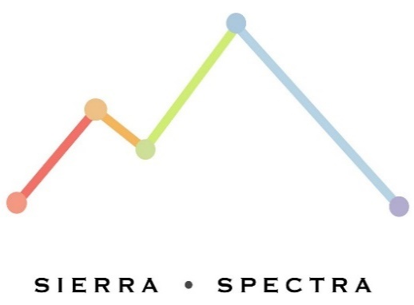
 |  | From: |  |  |  | Customer Info:
 |  | Sierra Specta, LLC. |  |  |  | [Customer Name]
 |  | 2393 Anglers Ct., |  |  |  | [Address]
 |  | Mariposa, CA 95338 |  |  |  | [City, State ZIP]

Thank you for working with us! Description of Invoice: |  |  |  | Intl. & Domestic Wire Transfer Details:
 |  |  |  | Bank: U.S. Bank
 |  |  |  | 800 Nicollet Mall
 |  |  |  | Minneapolis, MN 55402
 |  |  |  | SWIFT: USBKUS44IMT
 |  |  |  | Account #: 157547509297
 |  |  |  | Routing #: 122235821

Description |  |  | Part Num. |  | Quantity | Unit Price | Tax Exempt | Total

 |  |  |  |  | Subtotal |  |  | $20,000.00
Comments or Special Instructions: |  |  |  |  | Adjustments |  |  | $0.00
Payment due upon Invoice |  |  |  |  | Sales Tax |  |  | $0.00
 |  |  |  |  | Shipping & Handling |  |  | $0.00
 |  |  |  |  | Total Amount Due |  |  | $20,000.00

Should you have any questions or require additional details about this quote, please don't hesitate to contact:

