Purchase Order
Date | 2026-08-24 |  |  |  |  | PURCHASE ORDER

PO #

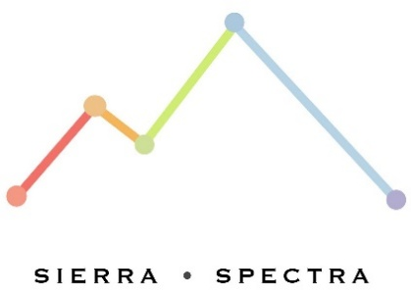
 |  |  | Ship To: |  |  | Order To:
 |  |  | Sierra Specta, LLC. |  |  | [Vendor Name]
 |  |  | [Address in Roseville, CA] |  |  | [Address 1]
 |  |  | [PO Box #] |  |  | [Address 2]
 |  |  | Roseville, CA ZIP+ |  |  | [City, State ZIP]

Salesperson |  | Quote Num. |  | Requisitioner | Shipper | F.O.B | Terms

Description |  |  |  | Part Num. | Quantity | Unit Price | Total

 |  |  |  |  | Subtotal
Comments or Special Instructions: |  |  |  |  | Sales Tax |  | 0.00%
Please ship 2-day via FedEx. |  |  |  |  | Shipping & Handling |  | $0.00
FedEx Account Number: XXXXXXX |  |  |  |  | Total Amount Due

 | If you have any questions regarding this purchase order, please contact:
 | [Name, Phone Number, Email Address]

