Quote
Date | 2026-08-24 |  |  |  | QUOTE

QUOTE #

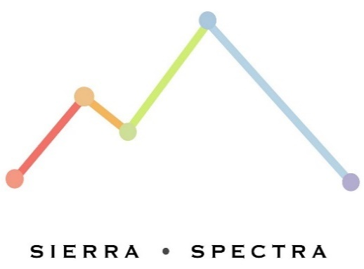
 |  | From: |  |  | Customer Info:
 |  | Sierra Spectra, LLC. |  |  | [Customer Name]
 |  | 2393 Anglers Ct., |  |  | [Address]
 |  | Mariposa, CA 95338 |  |  | [City, State ZIP]

Thank you for considering us! Here are the specifics of the job: |  |  |  |  |  |  |  | Module | Model | Serial Number

Description |  |  | Part Num. | Quantity | Unit Price | Tax Exempt | Total

 |  |  |  | Subtotal |  |  | $7,685.00
Comments or Special Instructions: |  |  |  | Adjustments |  |  | $-
 |  |  |  | Sales Tax |  |  | $-
 |  |  |  | Shipping & Handling |  |  | $-
 |  |  |  | Total Amount Due |  |  | $7,685.00

Should you have any questions or require additional details about this quote, please don't hesitate to contact:

