Sheet1
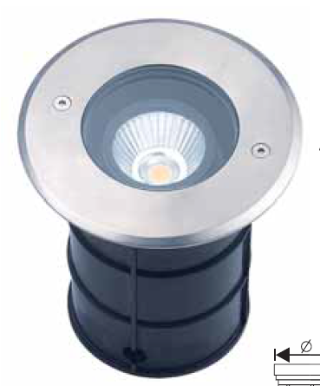 | Uplight 5W
 | Uplight 3*15W
 | Uplight 7W
 | uplight 18W
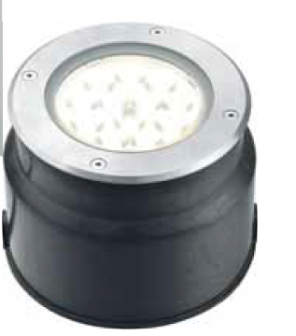 | uplight 6-9-10-12W
 | Uplight 7W
 | uplight 1-3W
 | uplight 1W

