Challenge
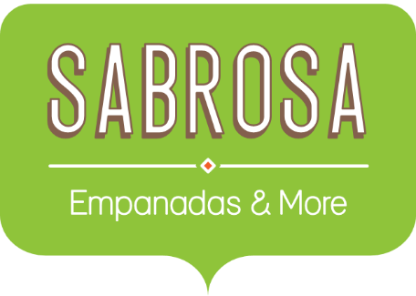 | Catering Invoice Sabrosa Empanadas & More 1202 Biscayne Bay Drive Orlando, FL 32804 |  | Invoice #: 7485A Date: 10/17/16
MENU ITEM | UNIT PRICE | QUANTITY | LINE TOTAL
Tacos: Korean BBQ & Kimchi | $2.99 | 20 | $59.80
Tacos: Grilled Fish & Mango Salsa | $3.75 | 15 | $56.25
Empanadas: Ground Beef & Cheese | $3.59 | 30 | $107.70
Empanadas: Philly Cheese Steak | $3.29 | 35 | $115.15
Sides: Queso Dip | $2.89 | 15 | $43.35
Sides: Fried Plantains | $3.24 | 10 | $32.40
Beverages: Limonada con Albacaha | $1.89 | 20 | $37.80

