Menu Order
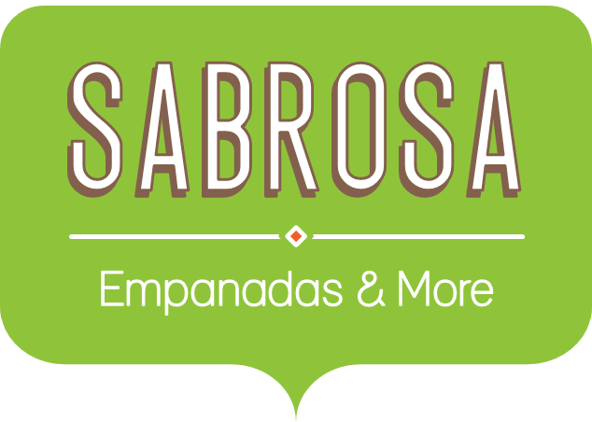 Menu Order
Sales Tax |  |  |  | 7.8%
Menu Item | Price | Quantity | Sales Tax | Total
Empanadas: Beef Picadillo | $2.99 | 15 | $3.50 | $48.35
Empanadas: Chipotle Shrimp | $3.99 | 10 | $3.11 | $43.01
Empanadas: Black Bean & Plantain | $2.49 | 20 | $3.88 | $53.68
Tamales: Chicken Tinga | $2.29 | 20 | $3.57 | $49.37
Tamales: Vegetable | $2.29 | 30 | $5.36 | $74.06
Arepas: Carnitas | $2.89 | 10 | $2.25 | $31.15
Arepas: Queso Blanco | $2.49 | 20 | $3.88 | $53.68
Empanadas: Apple Cinnamon | $3.19 | 40 | $9.95 | $137.55
Beverages: Horchata | $1.89 | 25 | $3.69 | $50.94
Beverages: Lemonade | $1.89 | 35 | $5.16 | $71.31
Beverages: Tamarindo | $1.89 | 10 | $1.47 | $20.37
Total |  |  |  | $633.49

