H-airplane
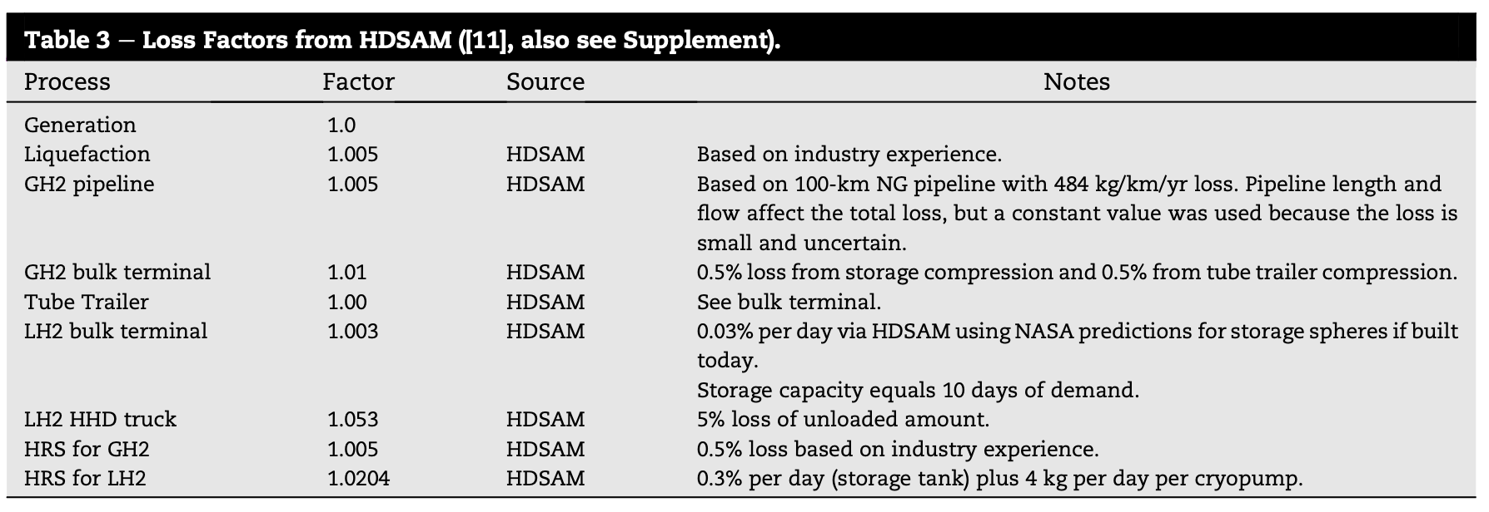
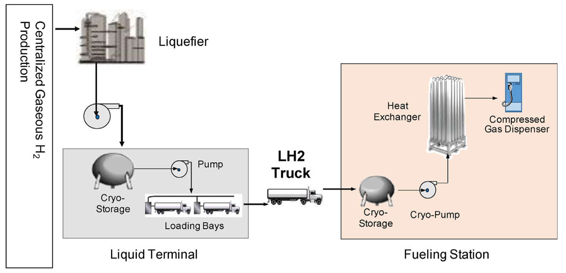
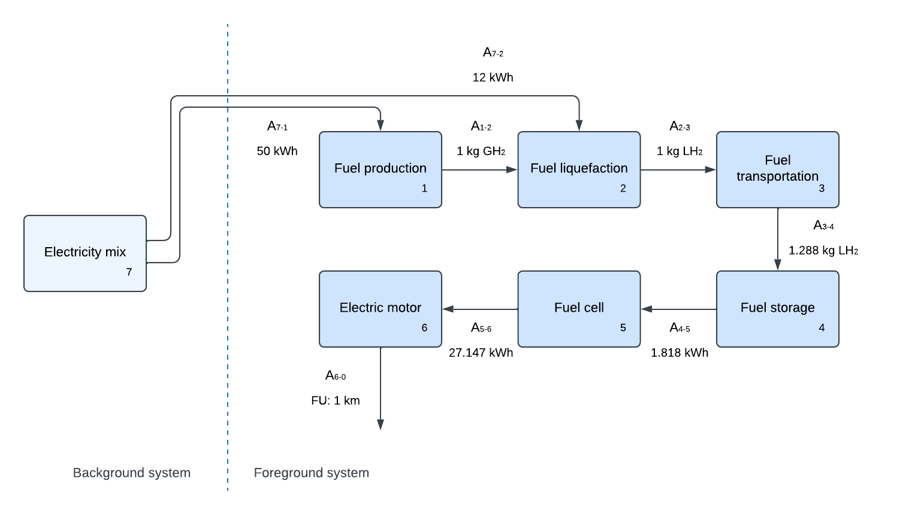
A |  | H2 production (kg) | H2 liquefaction (kg) | H2 transportation (kg) | H2 storage (kg) | Fuel cell (kWh) | Electric motor (km) | Electricity mix (kWh)
 | H2 production (kg) | 0 | 1.0050251256 | 0 | 0 | 0 | 0 | 0 | < Well-to-Wheel flowchart for hydrogen airplane >
 | H2 liquefaction (kg) | 0 | 0 | 1.0526315789 | 0 | 0 | 0 | 0
 | H2 transportation (kg) | 0 | 0 | 0 | 1.0305009984 | 0 | 0 | 0
 | H2 storage (kg) | 0 | 0 | 0 | 0 | 0.054594594595 | 0 | 0
 | Fuel cell (kWh) | 0 | 0 | 0 | 0 | 0 | 27.147 | 0
 | Electric motor (km) | 0 | 0 | 0 | 0 | 0 | 0 | 0
 | Electricity mix (kWh) | 50 | 12 | 0 | 0 | 0 | 0 | 0

y |  | Final demand
 | H2 production | 0
 | H2 liquefaction | 0
 | H2 transportation | 0
 | H2 storage | 0
 | fuel cell | 0
 | electric motor (km) | 265
 | electricity mix | 0

C@S | Impact | H2 production (kg) | H2 liquefaction (kg) | H2 transportation (kg) | H2 storage (kg) | Fuel cell (kWh) | Electric motor (km) | Electricity mix (kWh)
 | Climate change (kg CO2-eq) | 0 | 0.06432160804 | 0.68522426767 | 0.39041277959 | 0 | 0 | 0.018
 | loss |  | 0.005 | 0.05 | 0.029598223051

 |  |  |  |  | Loss factor
 |  |  |  |  | 0.003
 |  |  |  |  | Days

 |  |  |  |  | 10

