Sheet1
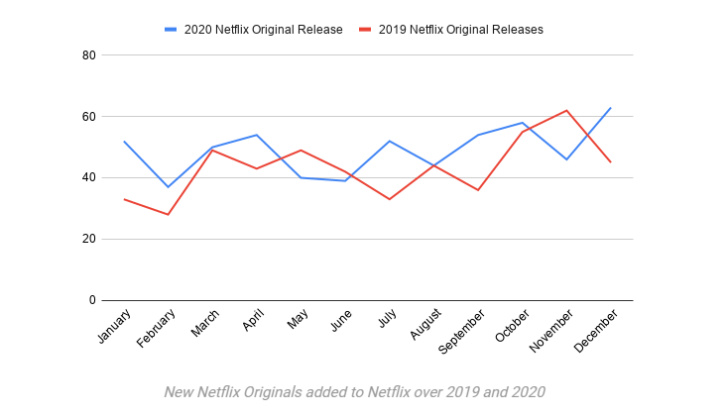
쿼터 | 구독자수 | Y/Y% Growth | AsiaPacific | Y/Y% Growth | (단위 millions) | 쿼터 | 매출액 | Y/Y% Growth | Asia Pacific | Y/Y% Growth | (단위 millions) | source : https://s22.q4cdn.com/959853165/files/doc_financials/2021/q1/FINAL-Q1-21-Shareholder-Letter.pdf
Q1 2019 | 148.86 |  | 12.14 |  |  | Q1 2019 | 4520.992 | 22.2 | 320 |  |  | 2번째 페이지
Q2 2019 | 151.56 |  | 12.94 |  |  | Q2 2019 | 4923.116 | 26.0 | 349
Q3 2019 | 158.33 |  | 14.49 |  |  | Q3 2019 | 5244.905 | 31.1 | 382
Q4 2019 | 167.09 |  | 16.23 |  |  | Q4 2019 | 5467.434 | 30.6 | 418
Q1 2020 | 182.86 |  | 19.84 |  |  | Q1 2020 | 5767.691 | 27.6 | 484
Q2 2020 | 192.95 |  | 22.49 |  |  | Q2 2020 | 6148.286 | 24.9 | 569
Q3 2020 | 195.15 |  | 23.5 |  |  | Q3 2020 | 6435.637 | 22.7 | 635
Q4 2020 | 203.66 |  | 25.49 |  |  | Q4 2020 | 6644.442 | 21.5 | 685
Q1 2021 | 207.64 |  | 26.85 |  |  | Q1 2021 | 7163.282 | 24.2 | 762

연간 | 구독자수 | Y/Y% Growth | AsiaPacific | (단위 millions) |  | 연간 | 매출액 | Y/Y% Growth | Asia Pacific | Y/Y% Growth | (단위 millions)
2019 | 625.84 |  | 55.8 |  |  | 2019 | 20156.447 |  | 1469
2020 | 774.62 |  | 91.32 |  |  | 2020 | 24996.056 |  | 2373

넷플릭스 컨텐츠
연간
2019 | 5769 |  |  |  | https://www.statista.com/statistics/883491/netflix-original-content-titles/ |  |  |  |  | 오리지널 | 시간 | movies
2020 | 5838 |  |  |  | Netflix Revenue and Usage Statistics (2021) - Business of Apps |  |  |  |  | 371 | 2,769 | 4,000
 |  |  |  |  |  |  |  |  |  |  | 32,600

