DASHBOARD

WFSM DASHBOARD

XXXXXXXXScheduleXXXXXXXX | XXXWater & Wastewater RWPXX | XXXXXXInventory PageXXXXXX

XXXXConstruction ProjectsXXXX | XXXWater & Wastewater LogXXX | XXXXOrdering & PurchasesXXXX

XXXXXXDesign ProjectsXXXXXX | Water & Wastewater Average Gal | XXXXCamp Total FixturesXXXX | Snapshot Info Sheet (For Leadership)

Porta Cooler RWP | XXXXXChlorine Readings LogXXXX | XXXXXXXXXVehiclesXXXXXXXX

Preventative Maintenance RWP | CL2 Graph - Yesterday vs Today | XXXXXXXXXXSafetyXXXXXXXXX

XXXXWork Tasks CompletedXXXX | XXXXXXWater Leak LogXXXXX | XXXXXXXXXTrainingXXXXXXXX | ABOUT US!

XXXXXXWork Task LogXXXXXXX | XXXXXXXIce Machine LogXXXXXX | XXXXXXOrder of the WeekXXXXX

Snapshot
Back to Dashboard |  |  | Snapshot Info Sheet |  |  |  |  |  |  |  |  |  | TOTALS
378 ECES/CEOIU
WFSM |  |  | 3E4X1 - Water and Fuel Systems Maintenance Personnel: 33 United States Air Force Military Warriors Shifts/hrs: 3 Shifts/8 Hours Each

96,743 |  |  |  | WEEKLY WORK TASK HOURS |  |  | 42.3 | Water & Preventative Maintenance Teams (RWP) Reoccurring Work Program WEEKLY HOURS |  |  | 1,278 | Total Camp Fixtures

 | 106
Identified on RWP | 106
Calls by Customer | 142
 | Water RWP | PM RWP
 | 406 | 243
 |  |  |  |  |  |  |  |  |  |  | Total Active Projects | 4
LSA Water Burn - AVG Gallons in the Last Seven Days
112,929
 |  |  |  |  |  |  |  |  |  |  | Projects In Design | 19

Porta Cooler RWP
Daily Averages in Last Seven days
180
Hours Spent
Gallons Filled
0:47
 | Yesterday | Day-before
LSA | 8 | 8
OPS | 1 | 1
LSA | 12 | 11
OPS | 0 | 1
LSA Wastewater - AVG Gallons in the Last Seven Days |  |  |  | Work Task Assignment Comparison |  |  |  | Water vs PM RWP Comparsion
Water Storage Capacity | 71% | Wastewater Storage Capacity | 42% | 48 |  | work tasks |  |  |  |  | 4 of 4 | # of Active Ice Machines
 |  |  |  | AVG. WEEKLY COMPLETED
 |  |  |  |  |  |  |  |  |  |  | 1,271 | # of Ice Customers
 |  |  |  |  | No. of Emergency Calls in the last Seven Days |  | 5 | 230 | Number of RWP Tasks
 |  |  |  |  |  |  |  |  |  | Pounds of Ice Produced |  | 40,360

Yesterday VS. Day-Before - No. of Contractor Trucks
 |  |  |  | (Data automatically updates daily - after mid & night shift changes)

TOTALS
Back to Dashboard |  |  |  |  |  |  | TOTALS
Autofill Formulas Used on 'Snapshot Info Sheet' and Various Areas

 | Used from 'PM- RWP' & 'Water - RWP' Sheets
 | DON’T DELETE - AUTOFILL DATA USED
 | RWP Number of tasks
 |  |  |  |  | PM RWP |  | 40
 |  |  |  |  | WATER RWP |  | 182
 |  |  |  |  | answer |  | 222

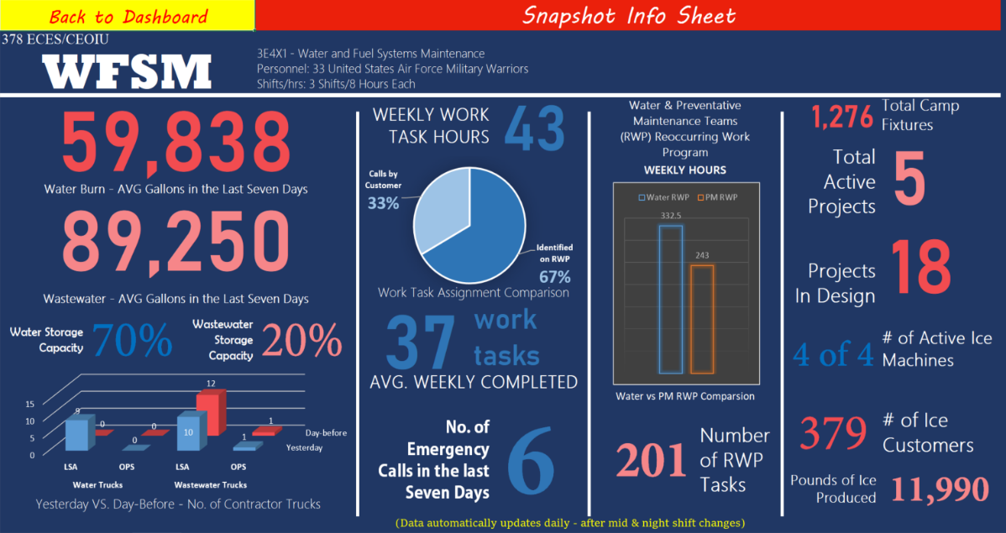
 | Used from 'Work Task Log' Sheet (Column G)
 | DON’T DELETE - AUTOFILL DATA USED
 | Number of Emergency calls in the last 7 days
 | Count the No. of "Y"'s |  |  |  | Days Ago
 |  |  | 0 |  | 1
 |  |  | 0 |  | 2
 |  |  | 0 |  | 3
 |  |  | 0 |  | 4
 |  |  | 4 |  | 5
 |  |  | 0 |  | 6
 |  |  | 1 |  | 7

 | Total number of emergencies in the last 7 days |  | 5 |  | Answer


 | Used from 'Water Tm Log' Sheet
 | DON’T DELETE - AUTOFILL DATA USED
 | Total Water on LSA % |  |  |  |  |  |  |  | Total Water on OPS Town %
 | Total Storage Capes |  | 350000 |  |  |  |  |  | CurrentCapes |  | MaxCapes |  | tank
 | Current Total Storage Capes |  | 250000 |  |  |  |  |  | 20000 |  | 52000 |  | 1
 | Percent of Total Storage Capes |  | 71% |  | Answer |  |  |  | 20000 |  | 52000 |  | 2
 |  |  |  |  |  |  |  |  | 40000 |  | 52000 |  | 3
 |  |  |  |  |  |  |  |  | 30000 |  | 52000 |  | 4
 |  |  |  |  |  |  |  |  | 20000 |  | 52000 |  | 5
 |  |  |  |  |  |  |  |  | 1500 |  | 52000 |  | 6
 |  |  |  |  |  |  |  | Total | 131500 |  | 312000
 |  |  |  |  |  |  |  | % | 42% |  | Answer

 | Used from 'Work Task_Compl' Sheet
 | DON’T DELETE - AUTOFILL DATA USED
 |  |  | Weekly Compl Tasks |  |  |  | Weekly Compl Hours
 |  |  | Days Ago |  | Work Tasks Compl |  | Days Ago |  | Work Hours Compl
 |  |  | 1 |  | 2 |  | 1 |  | 1.5
 |  |  | 2 |  | 2 |  | 2 |  | 1.5
 |  |  | 3 |  | 8 |  | 3 |  | 6.3
 |  |  | 4 |  | 6 |  | 4 |  | 5.1
 |  |  | 5 |  | 8 |  | 5 |  | 9.5
 |  |  | 6 |  | 17 |  | 6 |  | 13.9
 |  |  | 7 |  | 5 |  | 7 |  | 4.5
 |  |  | SUM |  | 48 |  | SUM |  | 42.3

 | Used from 'Water Tm_Avg Gals' Sheet
 | DON’T DELETE - AUTOFILL DATA USED
 |  |  | Yesterday vs Day-Before Chart Info
 |  |  |  |  | Water Trucks |  | Wastewater Trucks
 |  |  |  |  | LSA | OPS | LSA | OPS
 |  |  |  | Yesterday | 8 | 1 | 12 | 0
 |  |  |  | Day-before | 8 | 1 | 11 | 1

 |  |  |  | Yesterday Total | 21 |  | 12
 |  |  |  | Day Before Total | 21 |  | 12

 | Used from 'Water Tm_Avg Gals' Sheet
 | DON’T DELETE - AUTOFILL DATA USED
 |  |  |  |  | Last 7 Day AVG Use
 |  |  |  |  | Water Average Gal Burn |  |  |  |  |  | Wastewater Average Gal Pickup
 |  |  |  |  | Days Ago |  | Amounts |  |  |  | Days Ago |  | Amounts
 |  |  |  |  | TODAY |  | 100100 |  |  |  | Yesterday |  | 102000
 |  |  |  |  | 1 |  | 100100 |  |  |  | 1 |  | 93500
 |  |  |  |  | 2 |  | 87900 |  |  |  | 2 |  | 85000
 |  |  |  |  | 3 |  | 81600 |  |  |  | 3 |  | 136000
 |  |  |  |  | 4 |  | 85000 |  |  |  | 4 |  | 136000
 |  |  |  |  | 5 |  | 166500 |  |  |  | 5 |  | 102000
 |  |  |  |  | 6 |  | 56000 |  |  |  | 6 |  | 136000

 |  |  |  |  | Average |  | 96742.857143 |  |  |  | Average |  | 112928.57143

 | Used ON 'Work Task_Compl' Sheet
 | DON’T DELETE - AUTOFILL DATA USED
 |  |  | Date Tracking Started |  |  |  | Todays Date
 |  |  |  |  | 2020-01-13 |  | 2020-08-21
 |  |  |  |  | Total Days |  | 221

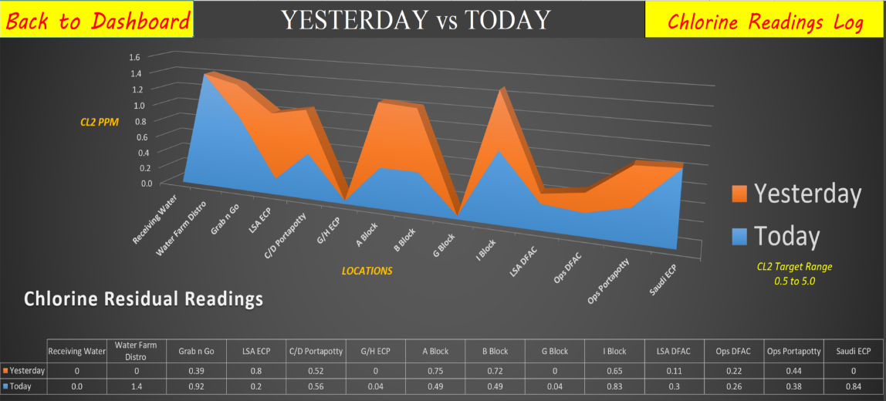
 | Used for the chlorine chart
 | DON’T DELETE - AUTOFILL DATA USED

 |  | Receiving Water | Water Farm Distro | Grab n Go | LSA ECP | C/D Portapotty | G/H ECP | A Block | B Block | G Block | I Block | LSA DFAC | Ops DFAC | Ops Portapotty | Saudi ECP
 | Today | 0.9 | 3.3 | 1.2 | 4.1 | 2.5 | 0.6 | 1.3 | 1.6 | 0 | 2.2 | 2.7 | 1.2 | 2.2 | 1.7
 | Yesterday | 1.8 | 1.8 | 1.7 | 3 | 2.7 | 4.5 | 1.5 | 1 | 0 | 1.4 | 0.6 | 2.4 | 2 | 1.3

 | Pie Chart - Used from 'Work Task Log'
 | DON’T DELETE - AUTOFILL DATA USED
 |  |  |  |  |  |  |  | TOTAL Work Task # of Emergencies | 28
 |  |  |  |  |  |  |  | Identified on RWP | 106
 |  |  |  |  |  |  |  | Calls by Customer | 142
 |  |  |  |  |  |  |  | TOTAL Work Tasks | 248

 | Not Used - Used from 'PM- RWP' & 'Water - RWP' Sheets
 | DON’T DELETE - AUTOFILL DATA USED
 | RWP TOTALS
 |  |  |  |  | Weekly
 |  |  |  |  | Water RWP |  | 406
 |  |  |  |  | PM RWP |  | 243
 |  |  |  |  | HRS IN A WK |  | 168

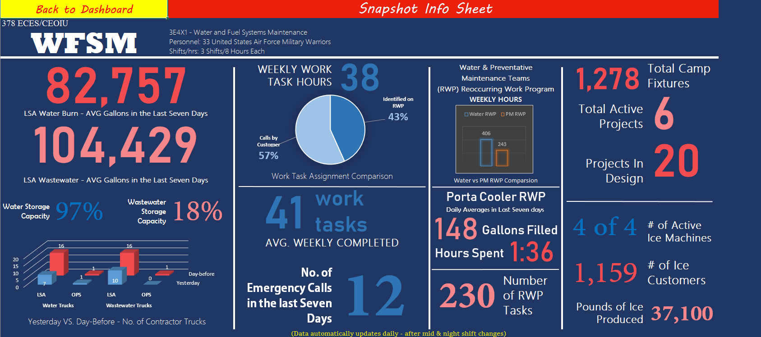
 | Porta Cooler Numbers
 | DON’T DELETE - AUTOFILL DATA USED
 |  | Today |  | Yesterday |  | Day -3 |  | Day -4 |  | Day -5 |  | Day -6 |  | Day -7
 | Porta Cooler Number | Time it Took (mins) | Gallons Refilled | Time it Took (mins) | Gallons Refilled | Time it Took (mins) | Gallons Refilled | Time it Took (mins) | Gallons Refilled | Time it Took (mins) | Gallons Refilled | Time it Took (mins) | Gallons Refilled | Time it Took (mins) | Gallons Refilled | Total Time (hr:min) | Total Gallons
 | Left Shop | 0:29:00 |  | 0:29:00 | 0:00:00 | 0:29:00 | 0:00:00 | 0:29:00 | 0:00:00 | 0:29:00 | 0:00:00 | 0:29:00 | 0:00:00 | 0:29:00 | 0:00:00 | 3:23:00
 | #1 | 0:01:00 | 75 | 0:01:00 | 1900-03-15 00:00:00 | 0:01:00 | 1900-03-15 00:00:00 | 0:01:00 | 1900-03-15 00:00:00 | 0:01:00 | 1900-03-15 00:00:00 | 0:01:00 | 1900-03-15 00:00:00 | 0:01:00 | 1900-03-15 00:00:00 | 0:07:00 | 525
 | #2 | 0:05:00 | 0 | 0:05:00 | 0:00:00 | 0:05:00 | 0:00:00 | 0:05:00 | 0:00:00 | 0:05:00 | 0:00:00 | 0:05:00 | 0:00:00 | 0:05:00 | 0:00:00 | 0:35:00 | 0
 | #3 | 0:02:00 | 30 | 0:02:00 | 1900-01-30 00:00:00 | 0:02:00 | 1900-01-30 00:00:00 | 0:02:00 | 1900-01-30 00:00:00 | 0:02:00 | 1900-01-30 00:00:00 | 0:02:00 | 1900-01-30 00:00:00 | 0:02:00 | 1900-01-30 00:00:00 | 0:14:00 | 210
 | #4 | 0:03:00 | 30 | 0:03:00 | 1900-01-30 00:00:00 | 0:03:00 | 1900-01-30 00:00:00 | 0:03:00 | 1900-01-30 00:00:00 | 0:03:00 | 1900-01-30 00:00:00 | 0:03:00 | 1900-01-30 00:00:00 | 0:03:00 | 1900-01-30 00:00:00 | 0:21:00 | 210
 | #5 | 0:02:00 | 22.5 | 0:02:00 | 1900-01-22 12:00:00 | 0:02:00 | 1900-01-22 12:00:00 | 0:02:00 | 1900-01-22 12:00:00 | 0:02:00 | 1900-01-22 12:00:00 | 0:02:00 | 1900-01-22 12:00:00 | 0:02:00 | 1900-01-22 12:00:00 | 0:14:00 | 157.5
 | #6 | 0:03:00 | 22.5 | 0:03:00 | 1900-01-22 12:00:00 | 0:03:00 | 1900-01-22 12:00:00 | 0:03:00 | 1900-01-22 12:00:00 | 0:03:00 | 1900-01-22 12:00:00 | 0:03:00 | 1900-01-22 12:00:00 | 0:03:00 | 1900-01-22 12:00:00 | 0:21:00 | 157.5
 | #7 | 0:02:00 | 75 | 0:02:00 | 1900-03-15 00:00:00 | 0:02:00 | 1900-03-15 00:00:00 | 0:02:00 | 1900-03-15 00:00:00 | 0:02:00 | 1900-03-15 00:00:00 | 0:02:00 | 1900-03-15 00:00:00 | 0:02:00 | 1900-03-15 00:00:00 | 0:14:00 | 525
 | #8 & Return to Shop | 0:35:00 | 0 | 0:35:00 | 0:00:00 | 0:35:00 | 0:00:00 | 0:35:00 | 0:00:00 | 0:35:00 | 0:00:00 | 0:35:00 | 0:00:00 | 0:35:00 | 0:00:00 | 4:05:00 | 0
 | Totals | 0:47:00 | 180 | 0:47:00 | 1900-06-28 00:00:00 | 0:47:00 | 1900-06-28 00:00:00 | 0:47:00 | 1900-06-28 00:00:00 | 0:47:00 | 1900-06-28 00:00:00 | 0:47:00 | 1900-06-28 00:00:00 | 0:47:00 | 1900-06-28 00:00:00 | 9:27:00 | 1260

 | Average Daily - In 7 Days
 | Time | 0:47:00
 | Gallons | 180

 | 7 Day Totals
 | Time | 9:27:00
 | Gallons | 1260
 | TOTAL GALLONS ENTIRE TIME

 | Gauge Chart Numbers
 | A | 37.5 | 75 | 0 | 0 | 15 | 30 | 15 | 30 | 11.25 | 22.5 | 11.25 | 22.5 | 37.5 | 75 | 0 | 0
 | B | 0 |  | 37.5 |  | 22.5 |  | 22.5 |  | 26.25 |  | 26.25 |  | 0 |  | 37.5
 | C | 37.5 |  | 37.5 |  | 37.5 |  | 37.5 |  | 37.5 |  | 37.5 |  | 37.5 |  | 37.5

 | Pie Chart
 | 37.5
 | 2.5
 | 2.5
 | 2.5
 | 2.5
 | 2.5
 | 2.5
 | 2.5
 | 2.5
 | 2.5
 | 2.5
 | 2.5
 | 2.5
 | 2.5
 | 2.5
 | 2.5

 | DON’T DELETE - AUTOFILL DATA USED

Porta Cooler RWP
 | 37.5
 | 2.5
 | 2.5
 | 2.5
 | 2.5
 | 2.5
 | 2.5
 | 2.5
 | 2.5
 | 2.5
 | 2.5
 | 2.5
 | 2.5
 | 2.5
 | 2.5
 | 2.5
Gallons Used Yesterday
A | 37.5
B | 0
C | 37.5
 | 37.5
 | 2.5
 | 2.5
 | 2.5
 | 2.5
 | 2.5
 | 2.5
 | 2.5
 | 2.5
 | 2.5
 | 2.5
 | 2.5
 | 2.5
 | 2.5
 | 2.5
 | 2.5
Gallons Used Yesterday
A | 0
B | 37.5
C | 37.5
 | 37.5
 | 2.5
 | 2.5
 | 2.5
 | 2.5
 | 2.5
 | 2.5
 | 2.5
 | 2.5
 | 2.5
 | 2.5
 | 2.5
 | 2.5
 | 2.5
 | 2.5
 | 2.5
Gallons Used Yesterday
A | 15
B | 22.5
C | 37.5
 | 37.5
 | 2.5
 | 2.5
 | 2.5
 | 2.5
 | 2.5
 | 2.5
 | 2.5
 | 2.5
 | 2.5
 | 2.5
 | 2.5
 | 2.5
 | 2.5
 | 2.5
 | 2.5
Gallons Used Yesterday
A | 15
B | 22.5
C | 37.5
 | 37.5
 | 2.5
 | 2.5
 | 2.5
 | 2.5
 | 2.5
 | 2.5
 | 2.5
 | 2.5
 | 2.5
 | 2.5
 | 2.5
 | 2.5
 | 2.5
 | 2.5
 | 2.5
Gallons Used Yesterday
A | 11.25
B | 26.25
C | 37.5
 | 37.5
 | 2.5
 | 2.5
 | 2.5
 | 2.5
 | 2.5
 | 2.5
 | 2.5
 | 2.5
 | 2.5
 | 2.5
 | 2.5
 | 2.5
 | 2.5
 | 2.5
 | 2.5
Gallons Used Yesterday
A | 11.25
B | 26.25
C | 37.5
 | 37.5
 | 2.5
 | 2.5
 | 2.5
 | 2.5
 | 2.5
 | 2.5
 | 2.5
 | 2.5
 | 2.5
 | 2.5
 | 2.5
 | 2.5
 | 2.5
 | 2.5
 | 2.5
Gallons Used Yesterday
A | 37.5
B | 0
C | 37.5
 | 37.5
 | 2.5
 | 2.5
 | 2.5
 | 2.5
 | 2.5
 | 2.5
 | 2.5
 | 2.5
 | 2.5
 | 2.5
 | 2.5
 | 2.5
 | 2.5
 | 2.5
 | 2.5
Gallons Used Yesterday
A | 0
B | 37.5
C | 37.5
5
10
15
20
25
30
35
40
45
50
55
60
65
70
75
5
10
15
20
25
30
35
40
45
50
55
60
65
70
75
5
10
15
20
25
30
35
40
45
50
55
60
65
70
75
5
10
15
20
25
30
35
40
45
50
55
60
65
70
75
5
10
15
20
25
30
35
40
45
50
55
60
65
70
75
5
10
15
20
25
30
35
40
45
50
55
60
65
70
75
5
10
15
20
25
30
35
40
45
50
55
60
65
70
75
5
10
15
20
25
30
35
40
45
50
55
60
65
70
75
Back to Dashboard |  |  |  |  |  | Porta Cooler RWP - OPS Town |  |  |  |  |  |  |  |  |  |  |  | Layout Slide
(since 7-May)
Total Gallons Used
1,845
15:14
Total Time Spent
HR:MM
 |  | Building Z106 |  |  |  |  |  | LRS Supply |  |  |  |  |  | LRS TMO |  |  |  |  |  | VM Shop
TOTALS | Left the Shop | #1 |  |  | #2 |  |  | #3 |  |  | #4 |  |  | #5 |  |  | #6 |  |  | #7 |  |  | #8 |  |  | Retuned to Shop
DATE | Time | Time Arrived | Found Water Level at | Left Water Level at | Time Arrived | Found Water Level at | Left Water Level at | Time Arrived | Found Water Level at | Left Water Level at | Time Arrived | Found Water Level at | Left Water Level at | Time Arrived | Found Water Level at | Left Water Level at | Time Arrived | Found Water Level at | Left Water Level at | Time Arrived | Found Water Level at | Left Water Level at | Time Arrived | Found Water Level at | Left Water Level at | Time
2020-05-07 | 13:30:00 | 14:01:00 | 0% | 100% | 14:01:00 | 0% | 0% | 14:46:00 | 0% | 100% | 14:50:00 | 0% | 100% | 14:59:00 | 0% | 100% | 15:03:00 | 0% | 100% | 15:10:00 | 0% | 100% | 15:10:00 | 0% | 0% | 15:37:00
2020-05-08 | 20:35:00 | 21:03:00 | 50% | 100% | 21:03:00 | 0% | 0% | 21:32:00 | 0% | 100% | 21:35:00 | 0% | 100% | 21:47:00 | 75% | 100% | 21:51:00 | 75% | 100% | 21:57:00 | 100% | 100% | 21:57:00 | 0% | 0% | 22:26:00
2020-05-09 | 15:36:00 | 16:04:00 | 50% | 100% | 16:04:00 | 0% | 0% | 16:11:00 | 100% | 100% | 16:13:00 | 100% | 100% | 16:19:00 | 100% | 100% | 16:21:00 | 100% | 100% | 16:24:00 | 50% | 100% | 16:24:00 | 0% | 0% | 17:02:00
2020-05-10 | 15:50:00 | 16:15:00 | 0% | 100% | 16:15:00 | 0% | 0% | 16:20:00 | 100% | 100% | 16:24:00 | 100% | 100% | 16:30:00 | 100% | 100% | 16:32:00 | 100% | 100% | 16:40:00 | 50% | 50% | 16:40:00 | 0% | 0% | 17:30:00
2020-05-11 | 15:45:00 | 16:10:00 | 100% | 100% | 16:12:00 | 100% | 100% | 16:17:00 | 80% | 80% | 16:19:00 | 80% | 80% | 16:22:00 | 80% | 80% | 16:24:00 | 80% | 80% | 16:30:00 | 50% | 50% | 16:30:00 | 0% | 0% | 17:10:00
2020-05-12 | 15:36:00 | 16:07:00 | 10% | 100% | 16:09:00 | 10% | 100% | 16:18:00 | 75% | 100% | 16:21:00 | 75% | 100% | 16:26:00 | 0% | 100% | 16:29:00 | 0% | 100% | 16:37:00 | 50% | 100% | 16:37:00 | 0% | 0% | 17:08:00
2020-05-13 | 15:54:00 | 16:23:00 | 10% | 100% | 16:25:00 | 10% | 100% | 16:32:00 | 100% | 100% | 16:33:00 | 100% | 100% | 16:35:00 | 100% | 100% | 16:36:00 | 100% | 100% | 16:41:00 | 100% | 100% | 16:41:00 | 0% | 0% | 17:13:00
2020-05-14 | 15:56:00 | 16:21:00 | 20% | 100% | 16:23:00 | 20% | 100% | 16:29:00 | 100% | 100% | 16:29:00 | 100% | 100% | 16:33:00 | 100% | 100% | 16:33:00 | 100% | 100% | 16:39:00 | 100% | 100% | 16:39:00 | 0% | 0% | 17:08:00
2020-05-15 | 15:49:00 | 16:18:00 | 0% | 100% | 16:19:00 | 0% | 0% | 16:24:00 | 60% | 100% | 16:26:00 | 60% | 100% | 16:29:00 | 70% | 100% | 16:31:00 | 70% | 100% | 16:34:00 | 0% | 100% | 16:36:00 | 0% | 0% | 17:11:00
2020-05-16 | 15:54:00 | 16:21:00 | 0% | 100% | 16:22:00 | 0% | 0% | 16:27:00 | 100% | 100% | 16:27:00 | 100% | 100% | 16:31:00 | 100% | 100% | 16:31:00 | 100% | 100% | 16:35:00 | 0% | 100% | 16:37:00 | 0% | 0% | 17:14:00
2020-05-17
2020-05-18
2020-05-19
2020-05-20
2020-05-21
2020-05-22
2020-05-23
2020-05-24
2020-05-25
2020-05-26
2020-05-27
2020-05-28
2020-05-29
2020-05-30
2020-05-31
2020-06-01
2020-06-02
2020-06-03
2020-06-04
2020-06-05
2020-06-06
2020-06-07
2020-06-08
2020-06-09
2020-06-10
2020-06-11
2020-06-12
2020-06-13
2020-06-14
2020-06-15
2020-06-16
2020-06-17
2020-06-18
2020-06-19
2020-06-20
2020-06-21
2020-06-22
2020-06-23
2020-06-24
2020-06-25
2020-06-26
2020-06-27
2020-06-28
2020-06-29
2020-06-30
2020-07-01
 | 1900-01-06 16:25:00 | 1900-01-06 21:03:00 | 240% | 1000% | 1900-01-06 21:13:00 | 140% | 400% | 1900-01-06 23:16:00 | 715% | 980% | 1900-01-06 23:37:00 | 715% | 980% | 1900-01-07 00:31:00 | 725% | 980% | 1900-01-07 00:51:00 | 725% | 980% | 1900-01-07 01:47:00 | 500% | 900% | 1900-01-07 01:51:00 | 0% | 0% | 1900-01-07 07:39:00
 |  | 4:38:00 |  | 760% | 0:10:00 |  | 260% | 2:03:00 |  | 265% | 0:21:00 |  | 265% | 0:54:00 |  | 255% | 0:20:00 |  | 255% | 0:56:00 |  | 400% | 0:04:00 |  | 0% | 5:48:00
 |  |  |  | 570 |  |  | 195 |  |  | 198.75 |  |  | 198.75 |  |  | 191.25 |  |  | 191.25 |  |  | 300 |  |  | 0

 |  | TOTAL GALLONS |  | 1,845
 |  | TOTAL TIME |  | 15:14:00

Chlorine_Graph
Chlorine Residual Readings
Back to Dashboard | YESTERDAY vs TODAY | Chlorine Readings Log
 | Today | Yesterday
Receiving Water | 0.9 | 1.8
Water Farm Distro | 3.3 | 1.8
Grab n Go | 1.2 | 1.7
LSA ECP | 4.1 | 3
C/D Portapotty | 2.5 | 2.7
G/H ECP | 0.6 | 4.5
A Block | 1.3 | 1.5
B Block | 1.6 | 1
G Block | 0.0 | 0
I Block | 2.2 | 1.4
LSA DFAC | 2.7 | 0.6
Ops DFAC | 1.2 | 2.4
Ops Portapotty | 2.2 | 2
Saudi ECP | 1.7 | 1.3

MAX

CL2 Target Range
0.5 to 5.0

CL2 PPM

MIN

LOCATIONS

Inventory_Hompage
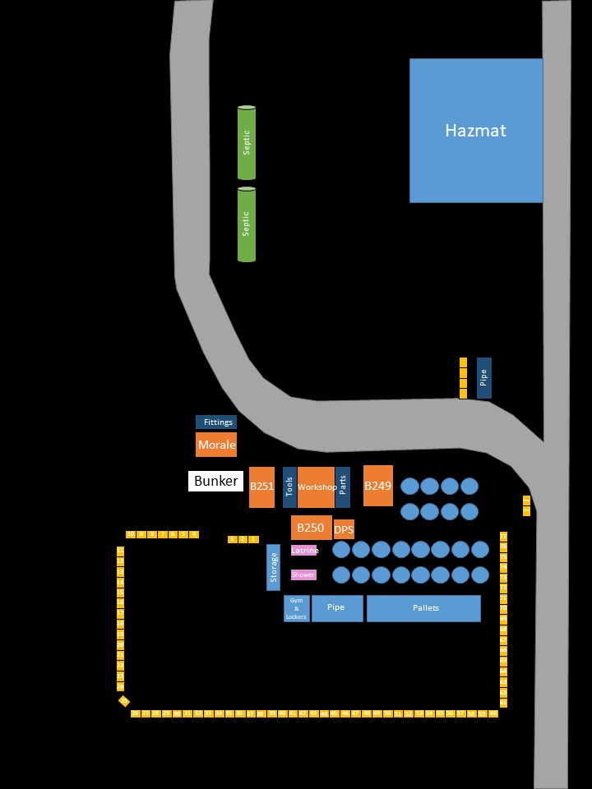
Back to Dashboard

 | Inventory PAGE
 | WRM Inventory | What's missing | CONEX Inventory

 | What's left in our yard? |  | Chemicals
 | Number of Aircraft Pallets: | 5 empty & 11 full
 | Number of CONEXs: | 95
 | Number of ISU-90s: | 60
 | Number of BICONs: | 5 Showers & 2 Latrines (can only supt 2 showers and 2 latrines due to supt kits)
 | Number of Field Deployables: | 2 Showers & 5 Latrines
 | Number of BICON Support Kits: | 2 Kits (Supports 2 BICONs each)
 | Number of Laundry: | 2
 | Number of M-80 Boilers: | 2
 | ↓↓↓↓ Scroll Down for Map of the Yard ↓↓↓↓

