4 Lanes
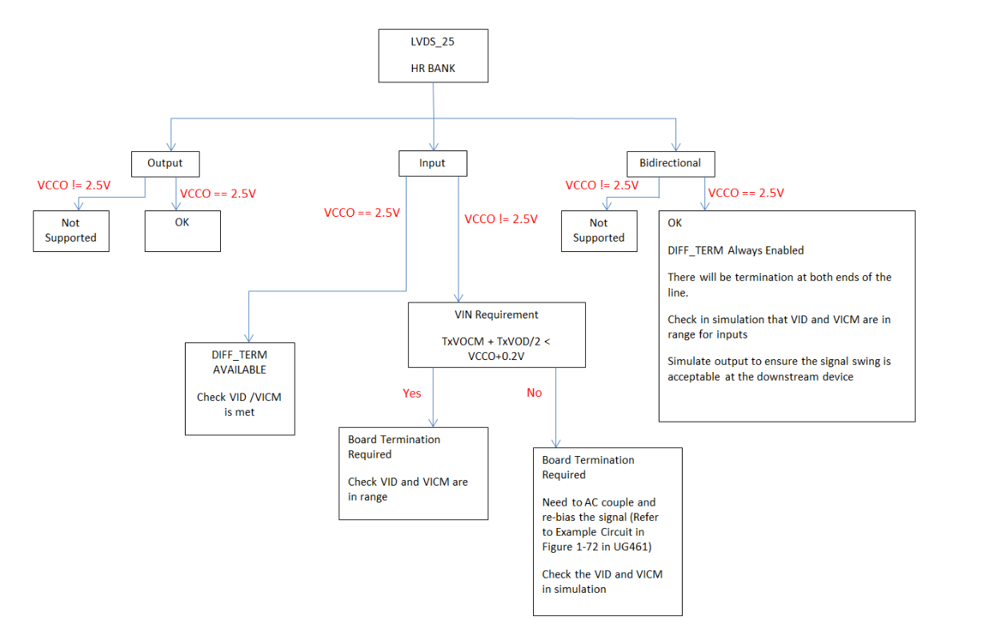
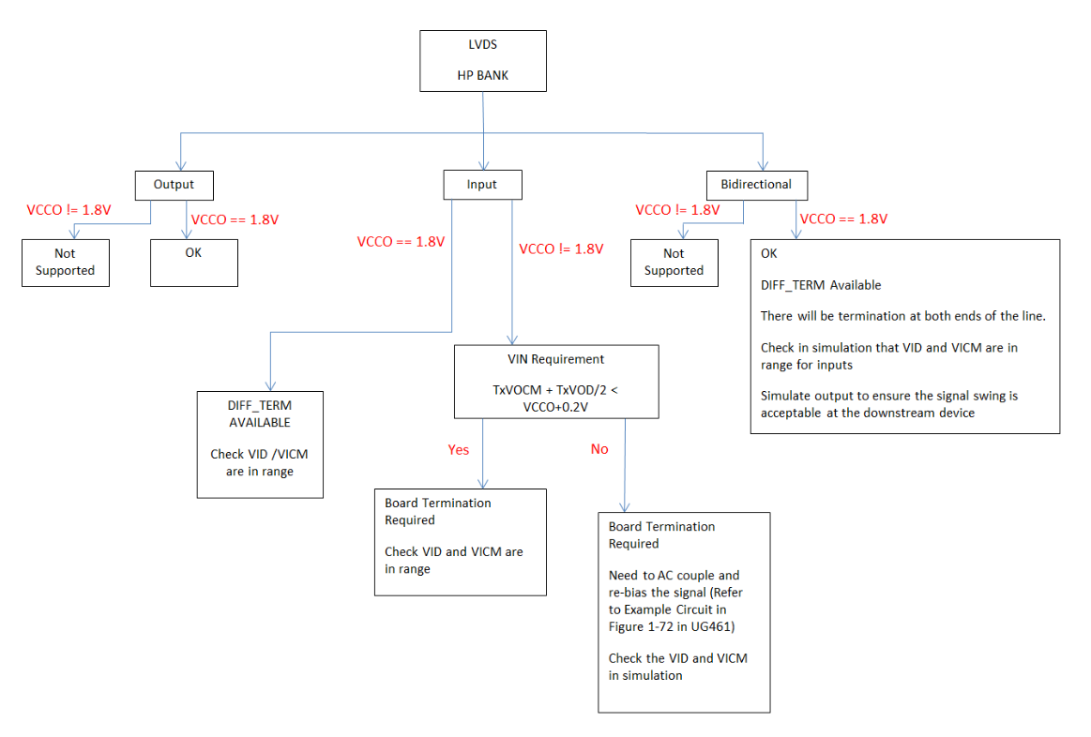
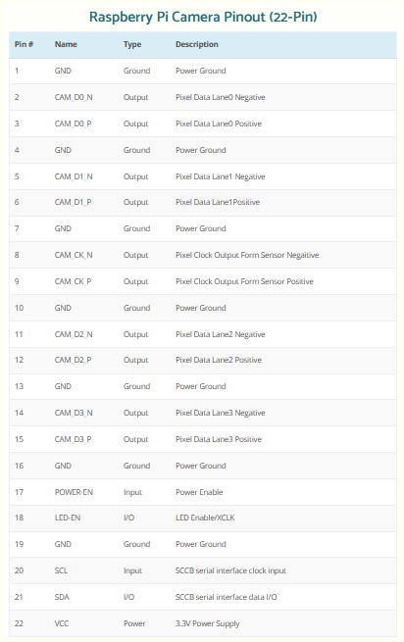
4-lane Yimin CRUVI plugs into J10 connector position on Trenz Carrier Card
 |  |  |  |  |  |  |  |  |  |  | https://www.arducam.com/raspberry-pi-camera-pinout/
CR00041 |  |  |  | TEB0707 |  |  |  | TEB0711
From Camera 22-pin/0.5mm FFC |  | J1 CRUVI connector |  | J10 CRUVI connector |  | JB2 connector |  | JM2 connector |  | FPGA Bank 35
pin | signal | pin |  | pin | signal | pin |  | pin | signal | pin
20 | SCL_3V3 | 39 |  | 39 | CA_B4_P | 37 |  | 38 | B35_L23_N | K1
21 | SDA_3V3 | 41 |  | 41 | CA_B4_N | 35 |  | 36 | B35_L23_P | K2
17 | POWER_EN_3V3 | 45 |  | 45 | CA_B5_P | 31 |  | 32 | B35_L5_P | E6
18 | LED_EN_3V3 (not used) | 47 |  | 47 | CA_B5_N | 33 |  | 34 | B35_L5_N | E5
9 | CAM_CLK_P | 40 |  | 40 | CA_A4_N | 55 |  | 56 | B35_L12_P | E3 (MRCC)
8 | CAM_CLK_N | 38 |  | 38 | CA_A4_P | 57 |  | 58 | B35_L12_N | D3 (MRCC)
3 | CAM_D0_P | 21 |  | 21 | CA_B1_P | 76 |  | 75 | B35_L7_P | C4
2 | CAM_D0_N | 23 |  | 23 | CA_B1_N | 78 |  | 77 | B35_L7_N | B4
6 | CAM_D1_P | 16 |  | 16 | CA_A0_N | 65 |  | 66 | B35_L18_P | F1
5 | CAM_D1_N | 14 |  | 14 | CA_A0_P | 67 |  | 68 | B35_L18_N | E1
12 | CAM_D2_P | 22 |  | 22 | CA_A1_N | 61 |  | 62 | B35_L17_P | H1
11 | CAM_D2_N | 20 |  | 20 | CA_A1_P | 63 |  | 64 | B35_L17_N | G1
15 | CAM_D3_P | 32 |  | 32 | CA_A3_P | 45 |  | 46 | B35_L13_P | F4
14 | CAM_D3_N | 34 |  | 34 | CA_A3_N | 47 |  | 48 | B35_L13_N | F3

22 | 3.3V | 4, 9 |  | 4, 9 | 3.3V supply
multiple | GND | multiple |  | multiple | GND

 | VADJ (not used) | 36 |  | 36 | VCCIO_CA | 8 |  | 7 | VCCIO35
 | VADJ (not used) | 36 |  | 36 | VCCIO_CA | 10 |  | 9 | VCCIO35
 |  |  | <-> |  |  |  | <-> |  |  | VADJ or 3.3V | Also see: | https://github.com/will127534/OneInchEye
Note1: 1) Camera I2C is kept separately from I2C for CRUVI-optional ID EEPROM 2) Pay attention to voltage levels between FPGA (VADJ) and Camera I2C and POWER_EN, which are 3.3V |  |  |  |  |  | These 2 connectors are hermaphroditic. ODD pin numbers on the SOM are connected to EVEN pin numbers on the Carrier, and vice versa. Also note P/N inversion on most of differential signals! |  |  |  |  | Carrier side of CRUVI
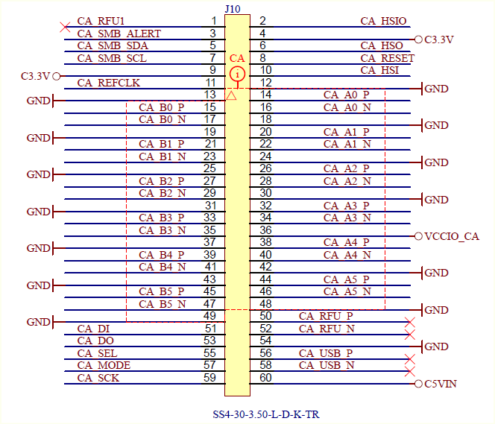
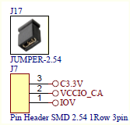

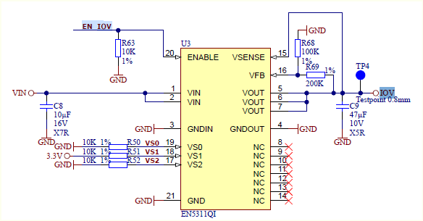

 | VS0, 1, 2 come from CPLD. Default RTL provides 1.8V and 2.5V:
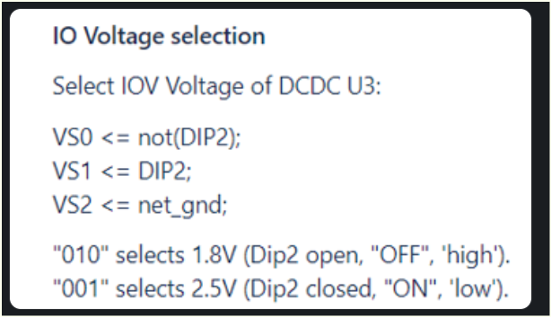

 | FPGA IBUFDS, to be LVDS, can only work with 2.5V (LVDS_25) and 1.8V VCCO (LVDS)
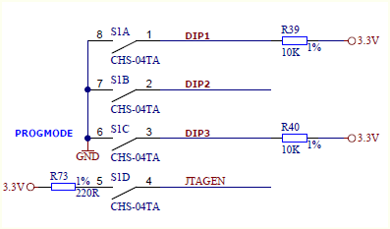

 | https://support.xilinx.com/s/article/43989?language=en_US

2 Lanes
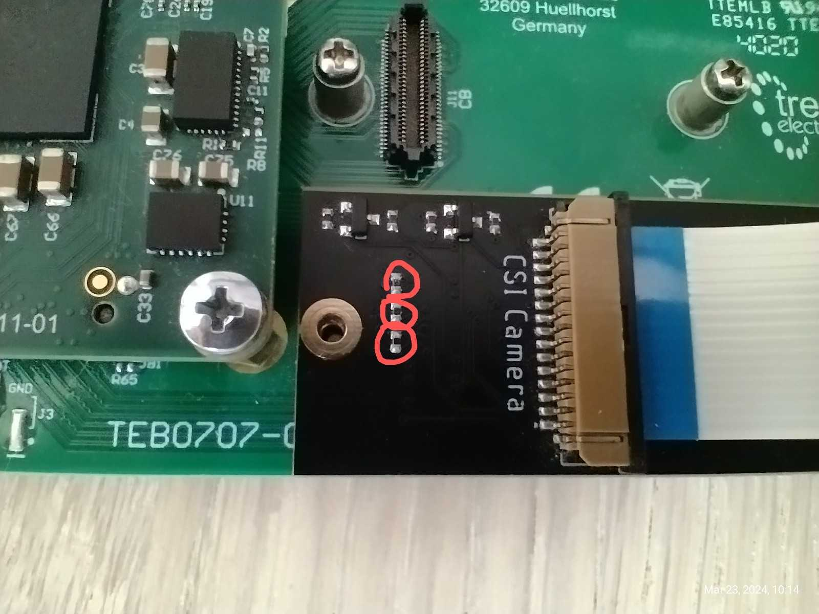
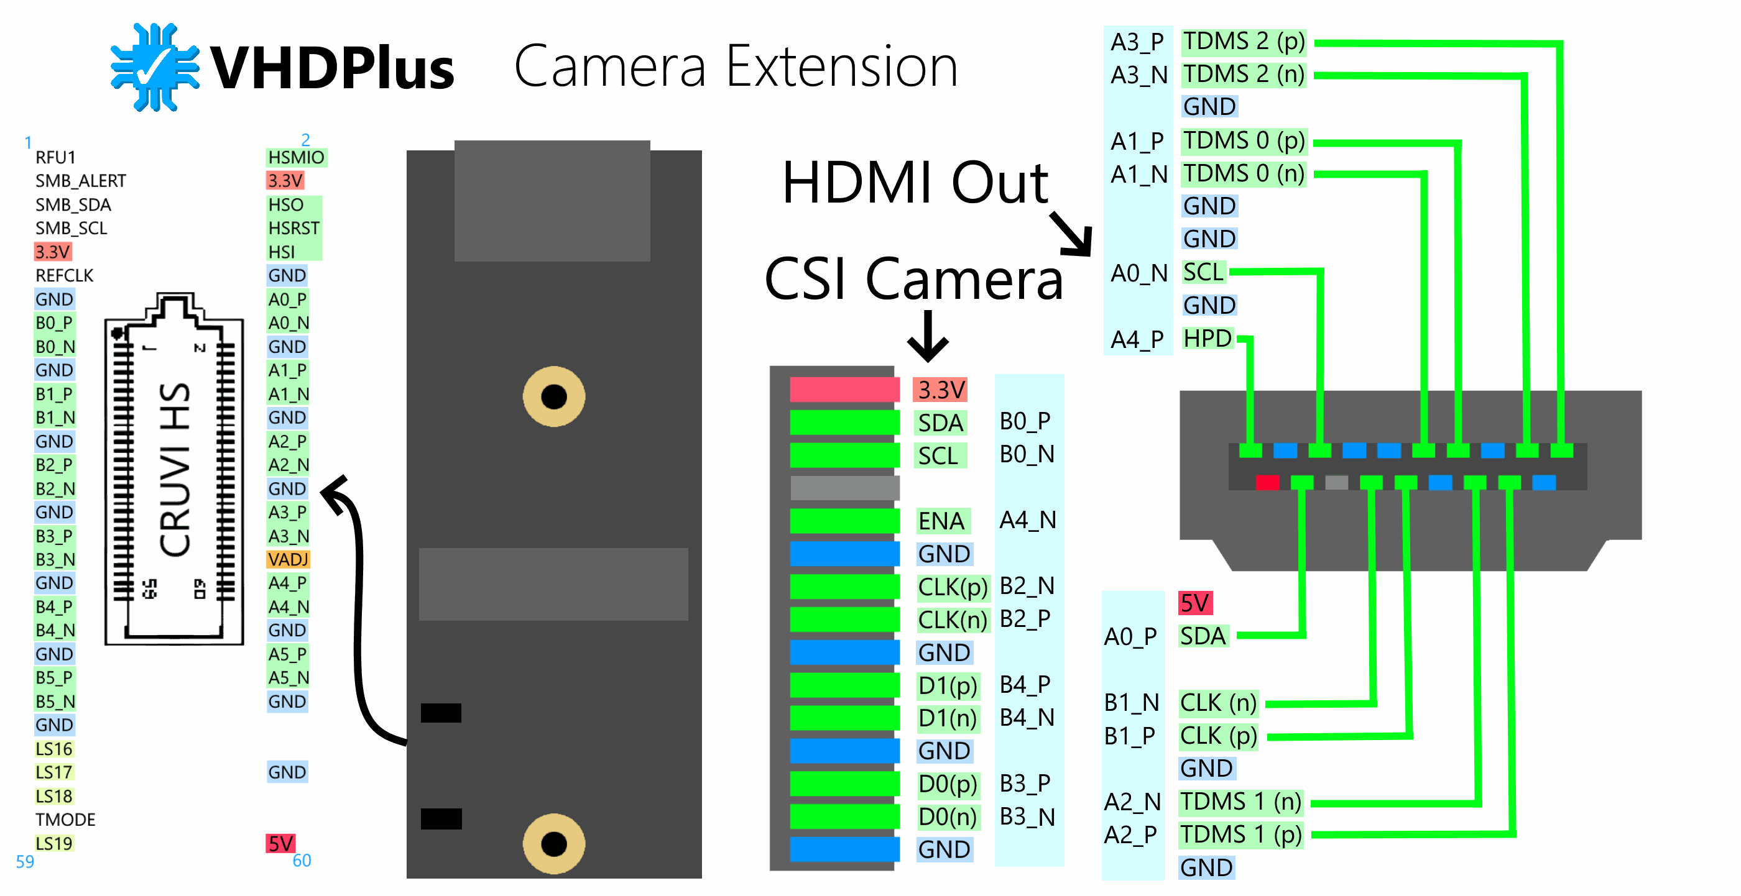
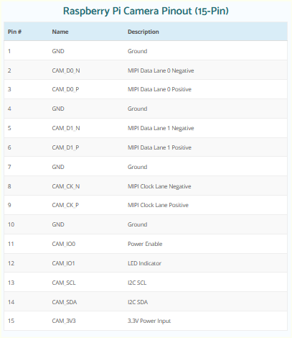
2-lane VHDPlus CRUVI plugs into J12 connector position on Trenz Carrier Card
 |  |  |  |  |  |  |  |  |  |  |  | https://www.arducam.com/raspberry-pi-camera-pinout/
VHDPlus |  |  |  |  | TEB0707 |  |  |  | TEB0711
From Camera 15pin/1.0mm FFC |  | J1 CRUVI connector |  |  | J12 CRUVI connector |  | JB1 connector |  | JM1 connector |  | FPGA Bank 15
pin | signal | pin | signal |  | pin | signal | pin |  | pin | signal | pin
3 | SCL | 17 | B0_N |  | 17 | CC_B0_N | 56 |  | 55 | B15_L8_N | A16
2 | SDA | 15 | B0_P |  | 15 | CC_B0_P | 58 |  | 57 | B15_L8_P | A15
5 | ENA | 40 | A4_N |  | 40 | CC_A4_N | 87 |  | 88 | B15_L1_N | C14
7 | CLK(p) | 29 | B2_N |  | 29 | CC_B2_N | 68 |  | 67 | B15_L14_P | F15 (SRCC)
8 | CLK(n) | 27 | B2_P |  | 27 | CC_B2_P | 66 |  | 65 | B15_L14_N | F16 (SRCC)
13 | D0(p) | 33 | B3_P |  | 33 | CC_B3_P | 81 |  | 82 | B15_L20_P | C16
14 | D0(n) | 35 | B3_N |  | 35 | CC_B3_N | 79 |  | 80 | B15_L20_N | C17
10 | D1(p) | 41 | B4_N |  | 41 | CC_B4_N | 75 |  | 76 | B15_L16_P | E17
11 | D1(n) | 39 | B4_P |  | 39 | CC_B4_P | 77 |  | 78 | B15_L16_N | D17

15 |  | 4, 9 | 3.3V |  | 4, 9 | 3.3V supply
multiple |  | multiple | GND |  | multiple | GND

 | VADJ (not used) | 36 |  |  | 36 | VCCIO_CC | 10 |  | 9 | VCCIO15
 | VADJ (not used) | 36 |  |  | 36 | VCCIO_CC | 12 |  | 11 | VCCIO15
 |  |  |  | <-> |  |  |  | <-> |  |  | VADJ or 3.3V
 |  |  |  |  |  |  | These 2 connectors are hermaphroditic. ODD pin numbers on the SOM are connected to EVEN pin. numbers on the Carrier, and vice versa. Also note P/N inversion on most of differential signals!

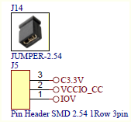

 | on-board 100ohm terminaton resistors (0402)

