Concepts
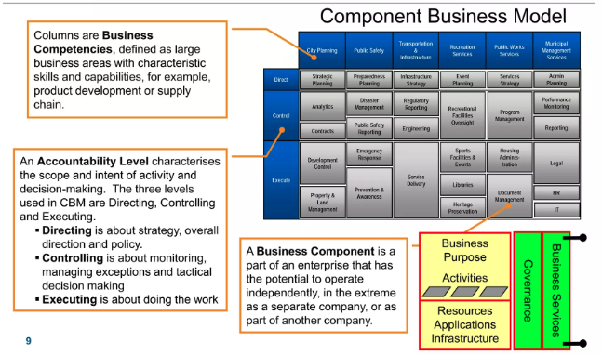
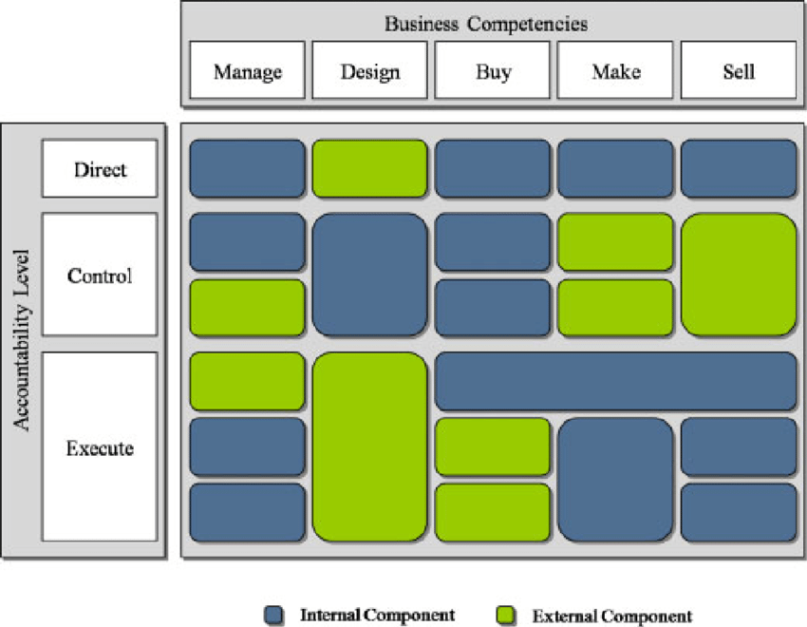
Component Business Model, IBM Approach, Accountability Level |  | Government Component Mapping, FreeBalance Approach |  |  | Component Business Mapping
Direct | Components at this level provide strategic direction and corporate policy to other components. They also facilitate collaboration with other components. | D-AP | Approvals | Process of approving financial management steps | Concept | Explanation
 |  | D-PS | Planning & Scenarios | Planning & scenario management | Business Purpose | Why does it exist?
 |  | D-RM | Reform & Modernization | Definitions of policy & procedures including legal reform, Chart of Accounts, support for progressive activation | Activities | What simple, cohesive actions are regularly performed?
Control | These mid-tier components serve as checks and balances between the “direct” and “execute” levels. They monitor performance, manage exceptions and act as gatekeepers of assets and information. | C- GC | Government Controls | Budget & commitment controls, approval workflow, segregation of duties | Resources | What tangible assets and human resources are required?
 |  | C-ME | Monitoring & Evaluation | Query, analysis, forecasting, visualization | Governance | How are activities and resources managed?
 |  | C-PM | Performance Management | Results-based budgeting, value-for-money, merit-based pay, Chart of Goals | Business Services | What is taken from and offered to other components?
 |  | C-OA | Oversight & Audit | Oversight agency & audit functionality
Execute | These “boots on the ground” components provide the business actions that drive value creation in the enterprise. They process assets and information for use by other components or the end customer. | E-CM | E-Commerce | Supports online commerce and payments, covering revenue and expenses
 |  | E-FT | Fiscal Transparency | Transparency portals, statutory reporting
 |  | E-PY | Payments | Supports payments and receipts, including EFT, cheques, cash & other methods not associated with e-commerce.
 |  | E-PE | Process Execution | Primarily implements or executes a government financial process

Component business model (CBM) is a technique to model and analyze an enterprise. It is a logical representation or map of business components or "building blocks" and can be depicted on a single page. It can be used to analyze the alignment of enterprise strategy with the organization's capabilities and investments, identify redundant or overlapping business capabilities, analyze sourcing options for the different components (buy or build), prioritizing transformation options and can be used to create a unified roadmap after mergers or acquisitions.

FMIS
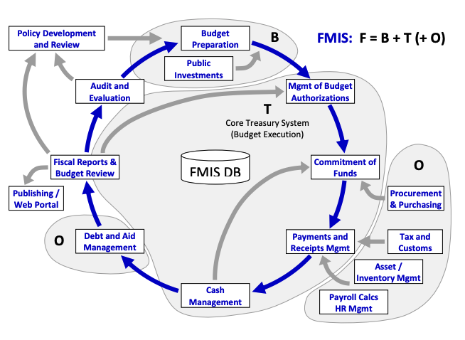
World Bank FMIS Core/Non Core
F: FMIS Core | T: Treasury Systems | General Ledger
 |  | Accounts Payable
 |  | Accounts Receivable
 |  | Commitment Management
 |  | Cash Management
 |  | Financial Reporting
 |  |  | • management of budget authorizations/releases
 |  |  | • commitment of funds
 |  |  | • payment/revenue management (mostly based on treasury single account)
 |  |  | • cash forecasting and management
 |  |  | • accounting and reporting
 | B: Budget Systems | Budget Formulation
 |  | Public Investment Management
 |  |  | • medium term frameworks (e.g. MTFF, MTBF, MTEF)
 |  |  | • program based budgeting
 |  |  | • performance informed budgeting
O: Other |  | Personnel management
 |  | Payroll
 |  | Revenue Administrations (Tax and Customs)
 |  | Public procurement
 |  | Inventory Management
 |  | Debt Management
 |  | Property Management
 |  | Performance Monitoring
 |  |  | • revenue collection (mainly interfaces with tax and customs systems)
 |  |  | • debt management (covering both domestic and external debt)
 |  |  | • procurement/purchasing (tracking all payments after contract signature)
 |  |  | • asset and inventory management
 |  |  | • Human Resources Management Information System (HRMIS)
P: Prepatory Work | For T or F |  | • accounting/financial reporting reforms, including compliance with International Public Sector Accounting Standards (IPSAS)
 |  |  | • budgeting and macro-economic forecasting in the Ministry of Finance/Economy
 |  |  | • establishment of Treasury Single Account (TSA)
 |  |  | • improvement of budget classification (BC) and unified chart of accounts (CoA)
B: Beyond FMIS | typically outside FMIS | Policy Development and Review
 |  | Publishing/Web Portal
 |  | Audit and Evaluation

CIPFA Whole Systems Approach
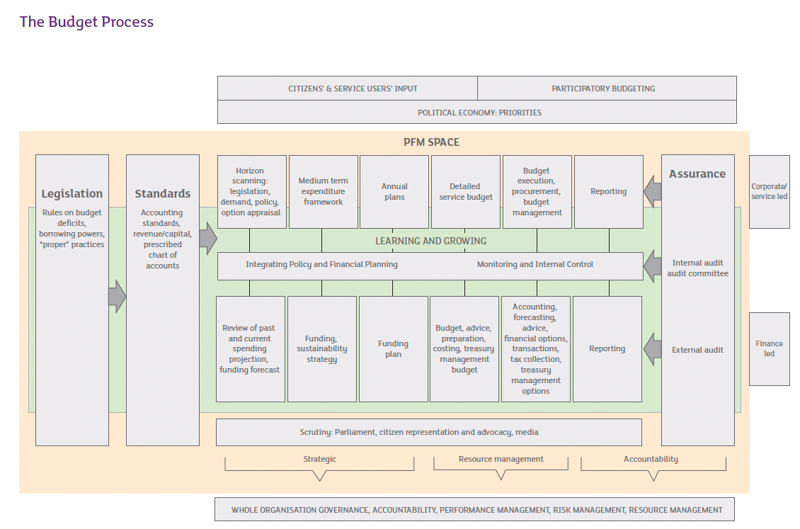
CIPFA: Public Financial Management: A Whole Systems Approach
Legislation | the regulatory framework for PFM, determining the powers and mandatory requirements within which public sector bodies raise and spend money and receive income. Legislation should be transparent and its application predictable, so that it can be consistently administered and can be navigated by civil society.
 | L1: Taxation raising powers | the national government’s definition of the powers to raise taxation to fund public expenditure. The taxes available to each level of administration may differ, for example between national, regional or local government. There may also be a variety of taxation sources available, e.g. assigned or hypothecated taxation revenues, or a mixture, such as property taxes, sales taxes, tourism taxes, vehicle registration charges. The powers to levy local taxes may also be limited by national or regional government.
 | L2: PFM Legislation | the powers and limits of operation granted by statute, including over budgets, charging and spending. This may also include requirements to adopt practices that are to be set out in standards.
 | L3: Funding conditions | the terms on which funds may be received and applied, whether external aid or, within a country, specific subsidy. These are binding in that spending that falls outside these terms is liable to be repaid
 | L4: Accounts and audit requirements | the government’s prescription of essential elements of accounting and auditing in the public sector – for example, the duty to maintain a system of internal control and internal audit, to maintain accounting records, and the content, approval and publication of the accounts, the rights of the public in relation to the accounts and the external auditor’s report. Regulations may also prescribe the individual duties of statutory posts and the professional standards to be adhered to.
 | L5: Public access to information | requirements that define public rights to access information held by public sector organisations. Such rights and protocols support openness, accountability and equity. Information about high level budgets, outturn, financial statements and major contracts lay the foundation for civil scrutiny. Other areas of administrative law may also have a particular bearing on PFM.
Standards | the established principles or rules common to a group of like organisations or professionals that is intended to govern their actions and behaviour to achieve compliance with a common set of non-statutory requirements. Observation of standards is likely to be on a ‘comply or explain’ basis, and unjustified breaches can attract investigation and discipline, which may result in sanctions. Standards may be developed internationally by bodies such as the International Federation of Accountants (IFAC) and CIPFA, by national governments and professional bodies or on a sectoral basis within a jurisdiction.
 | S1: Principles of public administration | principles that set out the standards expected of public officials help to underpin the effectiveness of organisations and will also bear on their financial management. Principles may relate to behaviour (e.g. integrity, objectivity, openness, honesty, leadership by example), to management practice and accountability, or to the professionalism and pay of the civil service itself. In some countries such principles are set out through legislation
 | S2: Governance Standards | good governance in the public service requires a focus on the organisation’s purposes and its intended social outcomes. It also carries an obligation to be accountable to citizens, taxpayers and service users and to make best use of resources and ensure value for money. Financial management is therefore a core corporate discipline, that should be reflected in an overall corporate governance framework that covers all the entity’s activities (financial and non-financial). Aspects specifically relevant to PFM are the duty of public service leaders to determine the allocation of resources, to manage resource use and performance objectives, to maintain a system of controls, to assess and manage risk, to uphold high standards of behaviour, to take informed and transparent decisions which are subject to scrutiny, to develop capacity and capability across the organisation and to engage with stakeholders to ensure public accountability
 | S3: Codes of conduct | within the general principles of public life there are likely to be specific codes governing the conduct of elected office holders, public sector employees and qualified professionals.
 | S4: Accounting Standards | accounting standards help to ensure consistency and comparability, and improve the reliability of financial information for its national and international users. The International Public Sector Accounting Standards Board (IPSASB) promulgates accounting standards for the public sector. Its goals are “to serve the public interest by developing high quality accounting standards for use by the public sector entities around the world in the preparation of general purpose financial statements. This will enhance the quality and transparency of public sector financial reporting and strengthen public confidence in public sector financial management.”2 Standards may be set at the national level. They can sometimes be geared towards the private sector and may need to be translated for the public service context. It is widely recognised that implementing sophisticated standards, such as the International Financial Reporting Standard, can be very difficult for many developing countries and the appropriate path is much debated.
 | S5: Auditing standards | Audit bodies such as INTOSAI issue specific topic standards. Standards for auditors are likely to cover the following general issues: • Auditors’ competence and training, professionalism, including exercising due care, understanding the business of the entity that they audit, being objective and independent. • Field work: planning and managing audits, use of risk assessment techniques, evidence gathering, documentation and quality assurance. • Reporting: content required to report on, (e.g. external audit must report on financial statements and legal compliance); to whom they report, whether there are special circumstances, such as a report in the public interest
 | S6: Budget classification and/or standard chart of accounts | standardisation of the principal headings under which expenditure and income is grouped helps to aggregate, analyse and exchange financial information in a meaningful way. A chart of accounts will typically show allocations to spending unit, function, economic activity and programme and may also allow some locally defined detail. Classifying budgets and expenditure is a foundation for collecting and publishing information about the public sector and for enabling accountability and public discourse. Use of a uniform structure at sub-national level will be necessary to produce consolidated government accounts.
 | S7: Role of the Chief Financial Officer | the CFO is the term used for the organisation’s most senior executive role charged with leading and directing financial strategy and operations. This role and its responsibilities should be set out through employment terms. There are common insights into how that role can be made most effective. Codification can help to enable a shared understanding of the role and create the conditions for organisational effectiveness and accountability. The CFO should have a relevant qualification, exercise a professional duty of care and adhere to a code of ethics. The CFO’s activities are likely to include formulating a financial strategy that underpins the organisation’s goals and enables its financial health in the short, medium and long term, acting as financial advisor and technical expert for the organisation and responsibility for financial administration.
Execution: Strategy & Planning | the processes that set the direction for the activities which require financial management, in the short, medium and longer term, and the frameworks within which overall financial performance is managed.
 | SP1: Funding Coherence | the credibility of the budget is underpinned by secure flows of funds from the organisation controlling the source of funds. This applies where governments are allocating resources and for countries receiving donor aid. Funding transfers ought to be predictable as to amount and timing, and the calculation of allocations should be rational and explicable. Vertical allocation, e.g. to sub-national agencies, is likely to be policy led, and horizontal allocation, for example, amongst local government bodies, should be principles based, following objective criteria or formulae. The amount that is ring fenced to specific purposes, or provided off-budget should be limited, in order not to distort the spending body’s own priorities, although different tolerances may apply to major infrastructure projects. Where funding comes from a combination of sources there should be co-ordination between the different funders.
 | SP2: Option appraisal and prioritisation | the relative merits of spending on recurrent or investment options should be appraised in a structured way, comparing their benefits, costs and rates of return over the whole life of the project, using appropriate techniques.4 Comparative rates of return are relevant to decisions about public versus private investment generally, not only for comparison between individual projects. Prioritisation, based on a sound analysis of costs and benefits, is essential for securing value for money, for allocating resources efficiently and for establishing a realistic project budget that can be managed effectively.
 | SP3: Funding sustainability strategy | medium and long term resource planning should be informed by a forward projection of liabilities and the capacity to meet them from projected revenue sources. The aim should be to develop a sustainable funding strategy that supports future expenditure and liabilities, including those that may be outside the balance sheet, such as private finance initiative commitments or pensions liabilities. The strategy will need to consider issues such as solvency, variation in the tax base, inter-generational equity, and stability of taxation levels5. The projections should also take account of risk assessment and sensitivity testing, e.g. risks to future grant levels, or to taxation dependent on levels of economic activity.
 | SP4: Integrated policy & financial strategy: Medium Term Expenditure Framework | brings together fiscal targets and strategic policy priorities in a transparent and accountable planning process for three or more years ahead. Its core purpose is to create a coherent expenditure framework that links forward and recurrent expenditures into an agreed financial aggregate6 and enables policy plans to be reconciled with available resources and affordability. A highly developed process will also be based on horizon scanning, so that it takes account of external forces that will shape future plans, such as new legislation, demographic change affecting service demand, and social or technology change. It would integrate policy planning and performance with financial planning, and recurrent budgets with project budgets. Policy plans should be grounded in a review of past and existing expenditure and income patterns, with projections of future spending, and be supported by realistic funding forecasts and strategies. Where relevant, it should include external donor aid so that these objectives are integrated into budgets and are monitored consistently with other plans. Risk analysis and scenario testing can help to deal with the unavoidable uncertainty of forward projections and risk management techniques are likely to be required for economic and fiscal risks that can destabilise the MTEF realisation. The MTEF’s value as a planning and accountability document is enhanced if future funding is predictable, but it can be hard to sustain at times of economic or other turbulence in the planning environment. The MTEF is a strategic tool for governments, but lower tier public service organisations should also develop a proportionate medium term financial strategy that integrates and trades off service priorities and affordability within a corporate planning process
 | SP5: Integrating policy & shorter term financial planning | the processes that apply to medium term strategy also apply to shorter tem planning, resolving the allocation of resources in the light of competing policy priorities, spending pressures, savings opportunities, risk assessment and funding proposals. Medium term commitments implied by annual plans should form part of forward projections.
 | SP6: Budget preparation (revenue and capital) | budget documents are the financial expression of service plans and they set the limits of expenditure authorisations for managers. Externally, annual plans should explain transparently the economic assumptions, e.g. inflation, and how the organisation is allocating resources between different services and programmes. Presentation should include summary budgets compared with the previous year’s actual expenditure, current year and the next year’s plans and explain major changes. Budgets should show functional expenditure gross with income detailed separately and should also identify the funding plan, detailing the source of funds. Budgets should be legal, realistic and based on robust assumptions and calculations, so that they are realistic targets for spending managers, and to minimise disruptive in-year adjustments. They should be comprehensive, with minimal off-budget expenditure, so that they form part of the overall fiscal policy framework and are subject to the same disciplines of monitoring and reporting. Funders are aware that budget predictability benefits service planning. Detailed service budgets should explain allocations to individual services and be the basis for managers to operate throughout the year, with managers clear about the budget rules and the scope of their authority to spend. Individual spending units should have an opportunity to input to budget preparation, to strengthen credibility, and should be notified of their budget allocations before the year begins, so that they can plan their commitments and fulfil their policy goals.
 | SP7: Finance for service decision makers | financial information needs to support the needs of policy makers, planners and service managers, not just the financial experts. Managers need information based on calculating and interpreting cost drivers and trends, extrapolating forecasts, unit costs, variances and sensitivities. They need the skills to understand the financial implications of potential decisions so that they can manage risks, deliver value for money, make use of opportunities and take action to stay on budget. Management accounting helps managers to prioritise investment and is especially relevant in devolved environments.
 | SP8: Costing & pricing/ charginig/subsidising | understanding the unit costs of activities and projects enables organisations to allocate resources more efficiently and to forecast the impact of demand variation. Finance professionals need to be competent to select and use appropriate costing techniques and to analyse and interpret costs, so that they can advise managers. Organisations should also consider when services will be free or subsidised and when charges will recover service costs or will even generate a profit that can cross subsidise other activities or client groups. The design of charges and income collection processes should be efficient, and arrears actively pursued.
 | SP9: Balance sheet management | information on assets, cash, debt, contingent liabilities and planned capital expenditure is necessary to ensure long term fiscal sustainability. A structured approach to managing balance sheet asset and liabilities helps to ensure that resources are being used effectively, both financially and operationally, that the future impact of changes in assets and liabilities is considered, and that appropriate governance arrangements are in place to demonstrate stewardship in the use of public sector assets. The balance sheet also shows the quality of financial standing and the capacity for investment.
 | SP10: Managing assets productively | public sector bodies are often extremely large property owners, so they have a responsibility for ensuring that assets are fit for their public purpose and are adequately maintained. Holding assets, whether property, IT or equipment, ties up cash and incurs running costs. So assets need to be managed, examining how they drive future costs, their importance for business continuity, their maintenance and replacement planning, their utilisation and opportunities for greater productivity, rationalisation and disposal.
Execution: Operations | the principal financial operations needed to maintain financial discipline and resilience, deliver services and enable desired outcomes. Monitoring of the Paris Declaration’s commitment to using country systems focuses on national budgeting and accounting systems in this area. In practice, while central governments may set the framework for spending, it will often be departmental ministries and local administrations who carry it out. It is important to consider the whole range of operations and the level at which they are undertaken in order to plan and create capacity building initiatives.
 | O1: Budget execution | delivering the budget as planned, against service analysis as well as aggregate totals, supports realisation of policy goals, while resource control underpins credibility. This relies on processes to track commitments and manage resources without overspending, which can destabilise other spending plans. The quality of expenditure is also important, and managers should try to achieve value for money, avoiding unnecessary spending, ensuring they buy at good prices, and manage staffing budgets carefully
 | O2: Procurement | the process of acquiring goods, construction works and services. It is concerned with obtaining the best services, supplies and works to meet the needs of the purchasing organisation at a price it is prepared to pay. It therefore involves understanding service needs, understanding the market and applying sound processes and complying with relevant legislation. Procurement spans the whole cycle from identification of needs, commissioning, specifying, tendering, letting and then managing a contract through to contract end or the end of an asset’s useful life and its disposal. Although it is a full topic on its own, ensuring strong procurement arrangements is also integral to PFM: • Appraising and selecting appropriate procurement strategies, considering their resource implications (e.g. whether to do something in-house or to buy in goods, whether to lease or purchase, whether to use Public Private Partnerships). • Ensuring probity and propriety in spending money on goods and services through establishing and monitoring transparent authorisation and contract procedures, and maintaining records, guarding against loss, fraud and corruption. • Ensuring value for money, for example, through competition and contestability, accessing wide markets, supply chain management, supplier relationships and market management/development. • Ensuring value for money during the life of a contract through effective contract management and performance monitoring, and through opportunities for improved methods during long life contracts. • Ensuring efficiency through contracting arrangements, e.g. using framework and consortium contracts and exploiting economies of scale by aggregating purchasing power and market influence. Off contract purchasing should be minimised. • Ensuring efficient and low cost financial administration and transactions for example by automated purchase to pay processes, or electronic tendering, where feasible. • Ensuring that the public sector captures the value of
 | O3: Financial transactions revenues, payments, payroll, pensions administration | revenues, payments, payroll and pensions administration are specialised key financial processes each requiring management through performance indicators that measure unit costs, trends, accuracy and timeliness. Because of the volumes of transactions and the sums involved internal controls should be tight and are likely to be audited annually.
 | O4: Revenue collection | spending plans can depend on effective revenue collection. The assessment basis for taxation and other sources of revenue should be based on clear general rules, and the amount, time and manner of payments should be clearly set out. The registration, assessment, and payment processes should be efficient, so that high collection rates can be achieved and the cost of collection is proportionate to the yield. This will be backed by public information programmes, processes to pursue arrears promptly and controls that incentivise compliance, such as penalties and investigations.
 | O5: Treasury management | debt and long term capital financing, investments, cash management: the sums involved, and the long term financial implications, mean that risk management, internal controls and regulatory arrangements need to be strong, and agreed at very senior executive level. Information on long term debt commitments (or their equivalent e.g. private finance liabilities) is necessary for prudential planning, to ensure that policies remain affordable. Complex or innovative funding arrangements will require specialist advice that may well not exist inside individual organisations. Specialist treasury management policies and practices must focus on securing a return compatible with the security of the capital sum. Reliable cash flow forecasts will help to plan debt and treasury activity and to ensure that budgets are not unexpectedly adjusted during the year. Debt and investment activity will be supervised by national government bodies, and they will also play a part in the provision of capital and cash management facilities in the public sector
 | O6: Accounting | records expenditure and income (or receipts and payments in countries not yet using accrual systems) by type of expenditure and by activity, comparing actual records against budgeted allocations. It also includes measuring and recording the value of assets and liabilities. Accurate, timely and reliable financial information is required to understand and calculate costs, analyse trends and support decision making and financial control. Accounting information is also necessary to plan realistically how resources are allocated to policies, programmes and services, to assess relative value for money and to give an account of expenditure and income to citizens and other stakeholders
 | O7: Financial management information systems | usually refers to computerized budgeting, accounting and payment operations, though the hallmarks of a good system apply equally to non IT applications. Systems output should be accurate, reliable and timely, and present information that is relevant and meets the straightforward needs of users, with little additional manipulation. IT systems need to be documented, well maintained, and users need to be trained.
 | O8: Reporting | reporting and publishing budget and accounts information clearly and objectively, in a variety of forms suitable for different audiences (whether citizens, government or donors) is a primary accountability function. Accountability generally should be a lever to make better use of resources. In relation to annual financial accounts it can be reinforced by public rights to inspect items of account, to lodge objections with auditors, and by publication of external audit reports. As well as reporting annual financial results in the statement of accounts and annual report, organisations will also compile in-year summary information as part of their accountability to government and other funders, enabling aggregate fiscal risks to be monitored. Informative reporting that can be used by citizen groups and the media as a lever to reform can be especially significant in the developing world where public information may be hard to access and interpret.
Execution: Monitoring & Internal Control | a cluster of processes, complementary to operations, designed to measure progress and achievement of milestones and to keep organisations on track to realise their objectives. They constitute a framework for activity, that manages risk and prompts corrective action if forecast results deviate from plans. Internal controls aim to ensure that resources are directed towards planned purposes with as little leakage as possible. Internal controls need to be designed into organisational processes – and are therefore distinct from internal audit, which aims to provide assurance that processes are effective, efficient and economical and to check that control and feedback mechanisms add value. Regular in-year monitoring of performance and related financial transactions by finance and service delivery teams, working together, allows organisations to understand their financial position and their progress towards service goals, and enables management to make proactive adjustments if they believe variations will prejudice results or financial sustainability. Sound internal control is a platform for delegation and management accountability
 | MC1: Financial performance management | budget management is directed to financial flows but also to monitoring that the expected performance from using resources is being measured and achieved.
 | MC2: Budget monitoring & management | spending units should receive reliable in-year budget reports in a timely way. Monitoring should aim for ‘no surprises’. It should be forward looking, focussed on large or important items and track lead operational indicators as well as time lagged financial records. Budget reports should be timely and should explain clearly to decision makers the financial position and consequent options, so that corrective action can be taken in good time if necessary. Budget management during the year should enable outturn expenditure to match original budgets, in order to reflect original policy plans. Lessons learned from monitoring (as well as audit) should be absorbed and disseminated for future use in subsequent budget cycles.
 | MC3: Financial risk management | applies general risk management processes in the PFM context both to strategic financial planning and to operational activity. This implies a logical and systematic method of establishing the context, identifying, analysing, evaluating, treating and monitoring the financial risks associated with any activity, function or process in a way that will enable an organisation to minimise losses and maximise opportunities. Where supported by analysis and an understanding of the likelihood of consequences, trading off impact and probability, it helps to determine the acceptable level of risk (risk appetite) and how it can be economically managed. Risk can be accepted or mitigated but is unlikely to be eliminated. In the aid context fiduciary risk assessment, trading off risk and reward, is an important discipline. For countries it is also necessary to monitor the fiscal risk that can result from the actions of sub- or supranational organisations.
 | MC4: Internal financial control safeguards | internal financial control safeguards are control systems established by management to help ensure that an organisation achieves its objectives in a manner that promotes economical, efficient and effective use of resources and safeguards its assets and interests. These controls should be risk proportionate. They include ensuring legal compliance, physical security of assets, and procedures such as accounting and bank reconciliations, clearance of suspense accounts, separation of duties, audit trails and regular checks that help to prevent problems, identify if things go wrong and prompt early action.
 | MC5: Fraud and corruption: prevention detection and investigation | prevention, investigation and detection are important aspects of the stewardship of public resources, whether fraud and/or corruption are suspected within an organisation or are being practised upon an organisation. Investigation requires somewhat different skills and techniques from an audit investigation, for example in understanding the legal and ethical framework, securing evidence, interviewing and preparing prosecution. National and international (for example EU) institutions can play a significant role in addressing money laundering, and in coordinating anti-fraud data matching, together with its legal frameworks and protocols.
 | MC6: Internal financial regulations | the framework, internal to an organisation, for managing its financial arrangements. Regulations set out the delegations, authorisations, responsibilities, freedoms and disciplines applicable to all those who take action on the organisation’s behalf. That includes line managers who take decisions with financial implications, not just finance staff, so they should be well understood and promoted throughout the organisation. Breaches of regulations may result in disciplinary action. Regulations should cover principal financial activities, such as budgeting and committing expenditure, in-year monitoring, the duty to consider financial implications and take appropriate advice, year end carry forward and virement tolerances, accounting, treasury management, payroll, payments and income controls, bad debt and write off authorisations, treatment of grants and external funding, safeguarding of assets, work for outside bodies, authority to enter into financial partnerships and audit’s access to records, information and staff
 | MC7: Operating manuals | internal systems and processes should be documented to record and guide proper operations, to help establish internal control safeguards and as a reference for staff and auditors in their day to day work. Well documented procedures help to stop drifts that can jeopardise internal controls, and are an important part of business continuity when staff change.
 | MC8: Internal procurement regulations | in parallel with financial regulations these set out for each organisation the required processes for purchasing goods and services and letting contracts, and for disposing of inventories and assets including authorisations and financial limits, to ensure legal compliance, openness and competition, propriety and probity
 | MC9: Partnership frameworks | organisations often need to establish formal relationships with others in order to achieve their goals. While this will often be through formal contractual arrangements, partnership agreements can offer an alternative way of binding bodies in shared objectives. Partnership agreements will usefully cover the shared aims and objectives, powers, success criteria, strategic risks, decision making, performance management, review and accountability arrangements, funding arrangements and means of controlling finances, and arrangements in the event of dissolution.
Assurance | formal processes to give assurance to stakeholders about the organisation’s standards and effectiveness, carried out at arm’s length from the operations they examine. The rigour, professionalism and independence of these processes, and of the bodies that carry them out, contribute to public trust and the resilience of the taxpayer relationship.
 | A1: Internal audit | is an assurance function that provides an independent and objective opinion to the organisation on risk management, control and governance, by evaluating their effectiveness in achieving the organisation’s objectives. It objectively examines, evaluates and reports on the adequacy of the control environment as a contribution to the proper, economic, efficient and effective use of resources, focussing on areas of relatively greater risk. It provides assurance to management and other stakeholders, to prompt cost effective improvements that reduce risk. Auditors can advise management but, as an independent assurance function, internal audit should not be involved in developing or maintaining policies that it later reviews. Thus pre-audit activity can impact on audit independence. In some instances (namely post-Soviet environments) the distinction between inspection and internal audit is blurred: the EU view is that this is determined by the internal auditor, avoiding the assumption of any managerial accountability8, but this sits uneasily with the Anglo-Saxon perspective that internal audit is a tool of top management.
 | A2: External audit | a review carried out by an independent qualified person of the reliability and regularity of an organisation’s financial arrangements, by analytical review, systems evaluation, compliance and substantive testing. In particular the external auditor gives an opinion on an organisation’s financial statements. An unqualified opinion gives assurance that they are prepared in accordance with legal requirements and a recognised reporting framework and ‘present fairly’ the financial position. This is therefore an important buttress to accountability and can help to build confidence in the organisation’s financial management, while recommendations should lead to improvements in how business is conducted and create pressure for stronger PFM. External auditors can also carry out thematic reviews, examining efficiency, economy and effectiveness or performance reviews, for example on major change or infrastructure programmes
 | A3: Audit committee | an audit committee is a key component of corporate governance particularly in developed countries. It is a source of assurance about the organisation’s arrangements for managing risk, maintaining an effective control environment, and reporting on financial and non-financial performance. Its purpose, as defined by CIPFA9, is: ‘to provide independent assurance of the adequacy of the risk management framework and the associated control environment, independent scrutiny of the authority’s financial and non-financial performance to the extent that it affects the authority’s exposure to risk and weakens the control environment, and to oversee the financial reporting process.’ Its functions include oversight of internal audit’s activity and effectiveness, of risk management arrangements and the control environment , review of the financial accounts and any external reporting on them. It should promote the significance of audit, seeking assurance that issues arising from internal or external audit reports are being addressed. To be fully effective it should be able to challenge the executive, with a membership that is balanced, objective, independent of mind, and knowledgeable.
 | A4: Quality accreditation | an independent assurance of the quality of processes or services which results in the award of a formal rating or accreditation. Such reviews may be carried out by service inspectorates, organisations awarding beacon status, or recognised quality assurance standards such as those of the European Quality Foundation. Such assurance mechanisms require a formalised methodology for assessing and validating the activity under review, and an oversight body that underwrites the quality of accreditation.
Scrutiny | scrutiny of PFM processes, outside executive responsibility, can oversee, influence and challenge the allocation of resources and the administration of public sector finances. Scrutiny processes create a demand for transparency and improve accountability. Their influence can help to build pressure for a more open, honest and effective public sector. Scrutiny processes can be formal, such as a Parliamentary Public Accounts Committee, or informal, including civil society groups and the media. Viewed as a whole system, scrutiny processes and bodies are an important part of overall checks and balances and a way of enabling the citizen voice to be heard by executive authority. Citizen and media scrutiny may be extremely important in generating pressure for PFM reform.
 | SC1: Scrutiny committees | committees that scrutinise aspects of PFM can exist at parliamentary level, such as the legislative scrutiny of the budget law, or Public Accounts Committee scrutiny of external audit reports. Scrutiny committees can also exist at local level. They are a formal way of overseeing budget execution, reviewing performance and pushing for both allocative and operational efficiency. They may also include anti corruption agencies. Scrutiny bodies examine evidence, seek ideas and make recommendations to executive management across financial or service activities. They are part of the wider checks and balances in the PFM system, and help to create a demand for accountability: “A decade of research has concluded that, unless there is strong demand for accountability, most PFM reforms are unlikely to be sustained in the long run”
 | SC2: Citizen representation and influence | civil society organisations can be influential in generating pressure for reform and in holding executive authority to account, as being a stimulus to improvements in financial management and decision making. Examples in relation to budgets include advocacy and influence on the allocation of resources, creating a demand for budget information and tracking the quality of implementation. Parliament as a whole is intended to represent citizens but other bodies can help to give a voice to a variety of interests
 | SC3: Media | together with legislatures and citizens, the media help to create an environment of accountability and a demand for information that scrutinises whether policies are being achieved, and can act as a stimulus to improvements. Their role, as well as that of civil society more generally, extends well beyond PFM.
 | SC4: Whistleblowing | processes that enable individuals or groups to draw formal attention to unacceptable or high risk practices may be particularly significant where the executive performs poorly and other controls and balances in the system are weak.
 | SC5: Ombudsman | an official, usually appointed by the government or by parliament, who is charged with representing the interests of members of the public. The ombudsman considers and independently investigates complaints by citizens who believe they have received unfair, improper, or unreasonable treatment from government departments or agencies. He or she gives an impartial judgement and can make recommendations for a mediated settlement. The ombudsman may also publish lessons learned or investigate service issues that affect large numbers of people. Making a complaint to an ombudsman is usually free of charge.
Learning & Growth | processes that enable public service organisations, individually and collectively, to reflect and learn from best practice, from partners, mentors and peers and from their own experiences, in order to develop their knowledge and capabilities. Public service organisations can be supported by capacity building initiatives, but they also need to draw inspiration through their roots by involving citizens and service users. Processes for learning and growing enable organisations to become more effective and to achieve better results more efficiently, but also enable them to sustain improvements and take responsibility for their future development. Growing in this context refers to internal growth and not to organisational expansion
 | LG1: Competency needs analysis | analysis of the skills and knowledge required to meet an organisation’s needs lays the foundation for designing training programmes. The analysis should cover the finance skills of non-financial and devolved managers as well as finance staff, and the leadership, communication and influencing skills of finance experts as well as their technical competence.
 | LG2: Developing financial literacy | many spending decisions are taken by managers who do not have a financial qualification. Senior managers in leadership positions need to understand, and give weight to, the financial consequences of policy decisions and to direct the financial health of their organisations. Service managers also. need the capabilities to influence the realism of budgets, manage resources within organisational freedoms and disciplines, and know when to seek advice
 | LG3: Developing institutional capacity in PFM | developing PFM capacity goes beyond individual skills. PFM recognition, routines and expected behaviours may take time to become fully established and embedded within organisations. Understanding and applying concepts, and confidence in dealing with financial issues are relevant for organisations, including Parliament and its officials, as well as for those specifically charged with PFM oversight and scrutiny.
 | LG4: Developing basic financial competencies | organisations need staff who are competent to carry out basic financial processes and transactions, such as making and recording receipts and payments. Staff need to understand how, and why, to carry out such tasks to the required quality. At a more advanced level, staff with technician competencies can be key to maintaining reliable budgeting, accounting and reporting procedures. Technician level competency can be accredited through examination and also well established relevant experience, and once acquired should be regularly updated. Professional skills can be acquired at different levels, depending on the match to a competency needs analysis, and organisations will need a mix of skills.
 | LG5: Developing professional competencies | individuals qualified to full professional status should have the skills and motivation to analyse, interpret and advise on financial data. Their skills are relevant to the design of financial management systems and to leadership in their implementation. Professionally qualified staff can apply appropriate techniques across the public sector, but can also take local responsibility for strengthening PFM where they are based, enabling good practice to become embedded and self sustaining. Professional accountancy qualifications can be seen as having two stages: • Initial professional development and qualification: the initial development of skills, knowledge and expertise that has been tested by examination and must be continuously developed in a structured and monitored context. Qualified individuals should adhere to professional values of accuracy, honesty, integrity, objectivity, transparency and reliability. They will be subject to oversight by a professional body that exercises disciplinary powers. • Continuous professional development (CPD): CPD refers to a structured process to broaden skills and keep up to date with professional developments and emerging themes, maintaining and enhancing competencies over time, and meeting the needs of a modern organisation in a changing world. CPD therefore benefits both the individual and their employer. It embraces technical expertise, as well as the leadership, change management, communication and influencing skills that finance staff need to be effective.
 | LG6: Knowledge sharing and transfer | informal systems for sharing knowledge and experience can increase relevance and practicality, reduce the time taken to learn, avoid repeating lessons learned the hard way through mistakes and avoid repeated buying in of expertise: • Peer improvement networks: the principle of mutuality underlies networking where peers can share success stories, experience and learning, as an accelerated and self directed route to improvement. Peers understand the environment and challenges they each face and can bring a practical appreciation of issues that is directly relevant, recognising that ‘a successful reform program must consider the country’s current circumstances and capacities’. • Communities of practice: allow practitioners to exchange information and experience, and contribute to a collective knowledge base in a loosely structured fashion, often through the internet. • Resources and support: there are many practical ways in which capacity development is supported, such as writing or sharing materials and manuals, study visits, critical friend observation and feedback, coaching and mentoring. • Planned transfer of expertise: where expertise or specialised knowledge needs to be bought in contracts can make specific provision for knowledge transfer, for example by using local systems, local co-workers and ensuring that intellectual property is created and retained by the public sector organisation or published.
 | LG7: Self assessment (best practice models) | structured models are a tool for improvement, that use a recognised assessment process to enable the organisation to test itself against best practice, to identify areas of strength and opportunities for improvement, and, over time, to measure progress. By demonstrating a commitment to continuous improvement the adoption of such processes also hopes to gain a reputational advantage with stakeholders or funders. Models may address a particular area of business, such as the PEFA assessment, or CIPFA’s Financial Management Model, or take a more holistic view, such as the European Quality Foundation.
 | LG8: Efficiency and value for money (VFM) processes | • Evaluation: an objective evaluation process using planned criteria, or post implementation review, can support pilot initiatives, can test the effectiveness of implementation, and can provide a platform for dialogue about what works well and what doesn’t, to guide future policy. Its lessons can be fed into future capacity building plans or can inform future activity. • Benchmarking: comparison of costs and activities with other organisations, both the peer group and the best in field, helps to identify scope for improvement. Learning from the practices used by sector leaders accelerates improvement and cost reduction. Organisations need to avoid being defensive about their performance: in the private sector watching the competition is seen as mission critical. • Process review: an approach that maps the stages in an activity from beginning to end, to analyse the value added by each stage in the process. The aim is to redesign the process to remove redundant or low value steps, focussing on meeting the needs of the customer, to improve user satisfaction and to look for opportunities to reduce transaction costs, for example, by reducing duplication, manual handling and automation.
 | LG9: Research | systematic investigation and evaluation of evidence in order to extend the intellectual capital available and to enhance the effectiveness of current and future practice
 | LG10: End user/taxpayer/ citizen involvement | the involvement of citizens and service users in public sector financial matters can take a variety of forms, from information (e.g. what services has the budget been spent on), to consultation (what are the citizen’s preferences between services or on the trade-off between taxation and charging), to active engagement, for example, through participatory budgeting. Active involvement can improve the quality of decision making so that resources are targeted more effectively and with better chances of lasting support and impact. It also has wider relevance. A joint CIPFA/DFID technical briefing notes: “As well as giving disadvantaged populations a voice and promoting the interests of marginalised sections of society, participatory budgeting promotes a more democratic and transparent administration of resources and can assist in avoiding corruption and the mishandling of public funds. It encourages public investment towards society’s most pressing needs for the benefit of the greatest number of people.” A strong aim of the multi-country Civil Society Budget Initiative, that supports community based budget monitoring, is budgeting that is ‘pro poor’.

NZ-BCM
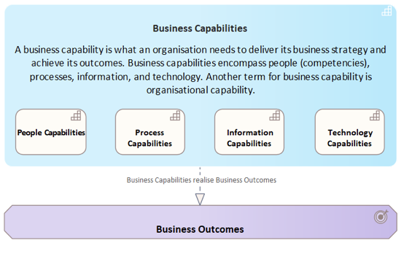
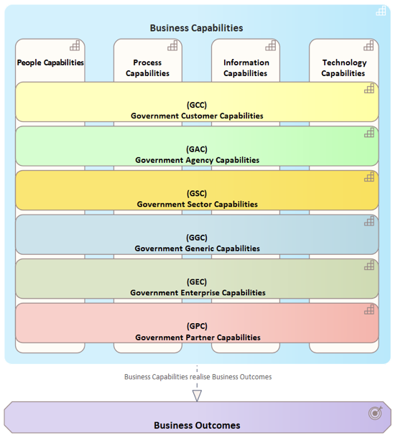
New Zealand Government Business Capabilities Model
GEC Government Enterprise Capabilities | Government Enterprise Capabilities are not unique to Government. They are needed for any organisation whether it is a corporation, government, non-government, or not-for-profit corporations. They are also known as corporate capabilities, or even back-office capabilities. Most organisations like a food franchise or an internet content provider are implementing the same enabling business capabilities like Human Resources, and Finance. Enterprise capabilities are ideal candidates for shared capabilities, from people and process capabilities realised by community of practice groups, through a shared digital capabilities and potentially through a single implementation of the capability being used by all that brings people, process, information, and technology capabilities together. Caution is needed as while a single implementation of an enterprise capability may appear to be most efficient, it may also be less agile. The various factors have to be appropriately considered in each case while any candidate shared capability options are explored. The processes to support enterprise capabilities are well understood and are largely standardised and the people skills are readily available. As a result, when organisations merge, it is usually enterprise capabilities that are consolidated first. The intention is to refine the government enterprise capabilities and identify those capabilities where there is maximum system benefit to develop system capability. For example, there are common process models for several areas within this capability domain.
 | GEC01 Strategy and Planning | There are two basic questions to ask of management: are we doing things right, and are we doing the right things? Operational management focuses on doing things right, and many tools have been developed to improve this (e.g. TQM, Six Sigma, business process reengineering etc.), including many maturity models. Strategic Portfolio management answers the second question are we doing the right things. In any organisation, it is the strategy, driven from the vision of the leadership that defines what the right things are. Process improvements alone cannot guarantee that an organisation will be successful, or that an agency will achieve its mission. These two aspects of management – strategic and operational – complement each other, so both must be assessed to determine the organisation's total management capabilities and are bridged with the Programme and Project Management capability. An organisation’s strategy should be: - Valuable: An organisation’s strategy needs to effectively allocate resources to the best investment opportunities, drive performance and raise expectations internally and externally, improve the organisation’s outcomes and add value. - Enduring: In developing a strategy, organisations should consider short-term and long-term cycles and macro-trends while ensuring their plan is resilient and adaptive. - Forward-looking: A solid strategy appropriately anticipates risk, uncertainty and optionality. - Actionable: A high performing organisation ensures their strategy is both intuitive and realistic. It should be easy to communicate the strategy internally and externally and provide an approach that can be acted on by all business units at all levels
 |  | GEC01.01 Business Strategy Development | The Business Strategy Development capability focusses on the development of goals, objectives, strategies and tactics based on factual data. The first step in the development of any business strategy is the determination of the goals. For government entities these will be All-of-Government, sector and agency goals. This will set the stage for developing measures and specific actions that the organisation will need to take to achieve these goals. For instance, the goal might be to "Be more customer-centric" and to "Improve customer experience". Once a goal has been established and the actions needed are clear, information is gathered so that the decisions are based on solid facts and data. The situation analysis involves a review of information internal as well as external to the agency. A SWOT analysis needs to be executed to identify the agency's strengths and weaknesses, which are internal; and opportunities and threats, which are external. Based on that information and by prioritising these items, the organisation gets a better sense of the most important areas to focus on. Objectives are the measurable element of the strategy. Objectives indicate, specifically, what outcomes are desired. While goals set a broad direction ("Improve customer experience"), objectives will provide the detail that ensures the team knows when it achieves success. Strategies and tactics will indicate how and what the organisation will need to do to achieve its goals and objectives. Strategies provide general guidance, such as "engage in social media activities," while tactics outline specific tasks that will be done, such as "set up a LinkedIn discussion group".
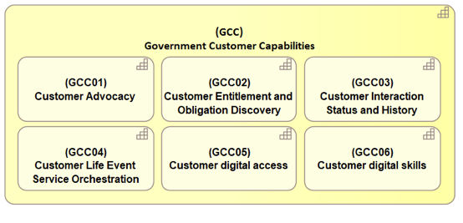
 |  | GEC01.02 Strategic Roadmap Development | Strategic Roadmaps are planning tools that identify strategic goals and pathways for improving the overall business and to achieve the strategic goals of the agency. The emphasis of the roadmap development capability is on activities and decisions, as opposed to business planning. The outcome of the development process will be roadmaps that will identify: - Actionable steps necessary to achieve the desired outcomes. - Interdependencies among steps. - Alternative routes that will optimise opportunities or minimise risks. When completed, the roadmaps will be used: - As a communication tool to inform key stakeholders on the potential for the agency, sector, and Government and their customers. - To identify the key issues that currently affects the organisation and its ability to improve. - To identify what actionable steps are required to achieve the desired goals and objectives, and within this, which actions and steps have the highest priority and which will give the greatest benefit relative to their cost. - To identify the intermediate steps and interdependencies within the organisation and their business partners.
 |  | GEC01.03 Corporate Governance | Corporate governance refers to the mechanisms, processes and relations by which the agency is controlled and directed. Governance structures and principles identify the distribution of rights and responsibilities among different participants in the agency (such as the board of directors, managers, shareholders, creditors, auditors, regulators, and other stakeholders) and include the rules and procedures for making decisions in corporate affairs. Corporate governance includes the processes through which the agency's objectives are set and pursued in the context of the social, regulatory and economic environments. Governance mechanisms include monitoring the actions, policies, practices, and decisions of the leaders.
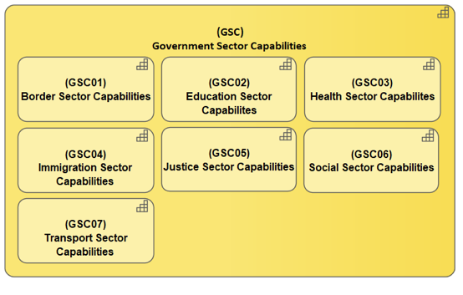
 |  | GEC01.04 Outcome Management | Outcome Management is the strategic approach to ensure that initiatives are designed around departmental and government outcomes and that the intended outcomes are achieved. Just as project management deals with the processes necessary to deliver a capability and/or product within a pre-established time frame and budget, Outcome Management adds value to the organisation increasing value is achieved through effective benefits realisation.
 |  | GEC01.05 Business Performance Management | Business Performance Management is a set of management and analytic processes that enables management of performance to achieve one or more pre-selected goals. Business Performance Management has three main activities: - Selection of the goals. - Consolidation of measurement information relevant to the agency’s progress against these goals. - Interventions made by managers in light of this information with a view to improve future performance against these goals.
 | GEC02 Change Management | Change Management affects the activities involved in managing changes to how the government conducts its business in providing government services to individuals, businesses and other organisations including managing the resulting changes to business requirements, as well as their impacts on stakeholders of the government business solutions.
 |  | GEC02.01 Transformation Strategy Development | Developing a transformation strategy includes a comprehensive assessment of current and new processes, technologies, people, and resources. Most transformation strategies are about responding to changes that new technologies cause in our daily lives, individual businesses and organisations, industries and various segments of society. These changes are not brought upon us by the technologies themselves but by people. The ways people use and experience new technologies can have very unexpected consequences. It is important for the success of transformation strategy to put people and processes above technology.
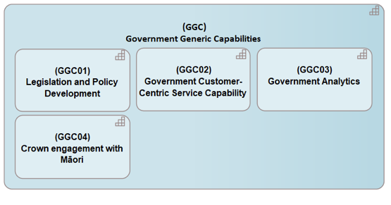
 |  | GEC02.02 Change Sponsorship | Change management requires sponsorship by senior leaders in the organisation. Sponsorship involves active and visible participation by senior business leaders throughout the change management process. Plans and roadmaps for sponsorship activities are needed.
 |  | GEC02.03 Transformation Planning | Transformation Planning starts at the top of the organisation with strategic goals, objectives, and planning. All strategic decisions have an impact on the organisation and the organisation will have to adapt to achieve those strategic goals and objectives. Transformation Planning is the capability to plan the different changes within the organisation and to make sure they are all aligns with each other so the predicted outcomes are achieved with as less destructive impact to the whole organisation.
 |  | GEC02.04 Transformation Governance | Transformation Governance is the capability to ensure that the organisational and transformation principles are well applied to design and implementation of the transformation. It also ensures that the organisation meet business and technology objectives and standards. Transformation Governance enables effective alignment of business and technology, manages risk by reducing probability of failures in transformation and incorporates elements of cost effectiveness and value.
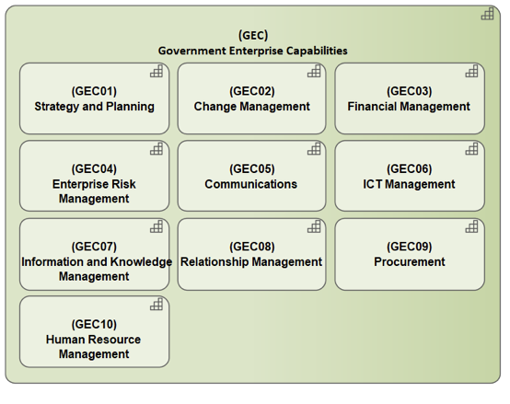
 |  | GEC02.05 Change Resistance Management | Change Resistance management is the capability to manage employee resistance to change. A transformation programme needs to identify, understand, and manage resistance to change.
 |  | GEC02.06 Benefit Management | Benefits management is the capability to increase the successful delivery of quantifiable and meaningful business benefits to an organisation during change. It focuses on how business areas will benefit from change and provides a framework for identifying, planning, measuring and actively managing these benefits.
 |  | GEC02.07 Change Readiness Assessment | Change Readiness assessments cover a wide range of areas across the organisation from sponsors to organisational culture in order to determine how ready the organisation is for change, and help identify area and factors that can affect the success of the change.
 |  | GEC02.08 Programme and Project Management | Programme management is the capability to manage several related projects and oversee the implementation of each of those projects into one overall group of outcomes to achieve the organisation's goals and objectives. Project management is the capability to manage people and other resources to deliver the project outcome.
 |  | GEC02.09 Requirements Management | Requirement management is the capability to document, analyse, trace, prioritise, and agree on requirements for an initiative and communicate with the relevant stakeholders. Requirement management covers functional and non-function requirements, high level through to more detailed requirements.
 |  | GEC02.10 Change Communication | Change communication is the capability to build awareness of the need for change and to create the desire for change. At each step of the change process the right messages need to be delivered at the right time - this requires careful analysis of the audience and the messages, and a communication plan.
 |  | GEC02.11 Change Coaching and Training | Change coaching and Training is the capability to gain support from the direct supervisors and managers of employees and provide training in order for employees to be able to implement the change.
 | GEC03 Financial Management | Financial Management means planning, organising, directing and controlling the financial activities such as procurement and utilisation of funds of the organisation. It means applying general management principles to financial resources. The scope of Financial Management includes: - Investment decisions - Includes investment in fixed assets and current assets. - Financial decisions - Relates to the raising of finance from various resources which will depend upon decision on type of source, period of financing, cost of financing and the returns. - Dividend decision - Decision making with regards to the net profit distribution. Net profits are generally divided into two: dividend for shareholders and retained profits. The financial management is generally concerned with procurement, allocation and control of financial resources. The objectives include: - Ensuring regular and adequate supply of funds. - Ensuring adequate returns to the shareholders which will depend upon the earning capacity, market price of the share, expectations of the shareholders. - Ensuring optimum funds utilisation. Once the funds are procured, they should be utilised in maximum possible way at least cost. - Ensuring safety on investment, i.e., funds should be invested in safe ventures so that adequate rate of return can be achieved. - Planning a capital structure that is a fair composition of the capital so that a balance is maintained between debt and equity capital. The functions within Financial Management include: - Estimating capital requirements: A finance manager has to make estimation with regards to capital requirements of the company. This will depend upon expected costs, profits, future programmes, and policies estimating in an adequate manner which increases earning capacity of the enterprise. - Determination capital composition: Once the estimation has been made, the capital structure has to be decided. This involves short- term and long- term debt equity analysis
 |  | GEC03.01 Financial Strategy Development | Developing a financing strategy includes a comprehensive assessment of potential new financing options from concessional and non-concessional sources, as well as possible grant inflows, focusing on how to best mobilise the highest quality financing to support priorities and ensure debt sustainability for the organisation. The basis of resource need to be concessional, conditional, predictable, flexible, and focussed on organisational priorities and other policy and procedural criteria.
 |  | GEC03.02 Financial Forecasting and Planning | Financial Forecasting and Planning starts at the top of the organisation with strategic planning. Since strategic decisions have financial implications, the budgeting process is closely linked to the strategic planning process. Financial Planning is a continuous process of directing and allocating financial resources to meet strategic goals and objectives in order to add value to the organisation. The output from financial planning takes the form of budgets. In order to develop budgets, a forecast needs to be undertaken to see what drives much of the financial activity.
 |  | GEC03.03 Financial Governance | Financial Governance is the combination of institutions, rules, and norms that structure governance in these policy areas. Fiscal governance focusses on directing and approving how budgetary policy is planned, approved, carried out and monitored, generally involving more than the agency. The core of financial governance regulations is the requirement that all financial processes are managed according to a stringent set of rules and regulations, backed by accurate reporting capabilities. This management and recording of internal controls, to work toward compliance, can be set down in a concise and controlled manner and can save the organisation significant time and money. Financial governance is important for good overall governance because the consequences of failure can be so devastating for the organisation that no matter how good the rest of area's governance may be financial failure can bring it undone. There are three keys to effective financial governance: - Creating a policy that guides the CEO in developing the business plan including the budget or financial plan – this relates primarily to the operating revenue and costs of the business as well as the cash flow management of the organisation. - Creating a policy that establishes the basis for the organisation’s wellbeing – this relates to the management of the assets and liabilities of the business. - Monitoring processes that provide the organisation with sufficient financial information to be satisfied that the finances are being appropriately managed towards the achievement of both the short and long term goals. This includes establishing key performance indicators and benchmarks for performance evaluation and a framework that provides the board, management and staff with a reporting system in an accurate and timely manner.
 |  | GEC03.04 Financial Control | Financial Control is the capability to track performance and evaluate progress toward the financial goals of the organisation. Financial controls evaluate how well the organisation is following the strategic plans and how valid the strategic decisions were in the first place. Financial controls include tracking progress and evaluating results. During strategic planning, management defines measurable objectives for operations. Financial controls report on these objectives and to what extent they have been met. During the reporting period, managers can impose corrective action if necessary and at the end of the reporting period, the results form part of the overall evaluation of the success of the strategic plan.
 |  | GEC03.05 Financial Auditing | Financial Auditing is the capability to conduct an audit to provide an opinion whether financial statements are stated in accordance with specified criteria. Normally, the criteria are international accounting standards, although auditors may conduct audits of financial statements prepared using the cash basis or some other basis of accounting appropriate for the organisation. In providing an opinion whether financial statements are fairly stated in accordance with accounting standards, the auditor gathers evidence to determine whether the statements contain material errors or other misstatements. The audit opinion is intended to provide reasonable assurance that the financial statements are presented fairly, in all material respects, and/or give a true and fair view in accordance with the financial reporting framework. The purpose of an audit is to provide an objective independent examination of the financial statements, which increases the value and credibility of the financial statements produced by management, thus increase user confidence in the financial statement, reduce stakeholder risk and consequently reduce the cost of capital of the preparer of the financial statements.
 |  | GEC03.06 Financial Operations | Financial Operations is the capability of the day-to day operations of accounting services, financial reporting, payroll, loan collections, taxes, and other financial services.
 | GEC04 Enterprise Risk Management | Enterprise Risk Management (ERM) is the capability of agencies to manage their risks through their different business units and functions that identify and manage particular risks. Each risk function varies in capability and how it coordinates with other risk functions. A central goal and challenge of ERM is to improve this capability and coordination, while integrating the output to provide a unified picture of risk for stakeholders and improving the organisation's ability to manage the risks effectively. The primary risk functions that should participate in an ERM program are: - Strategic planning - identifies external threats along with strategic initiatives to address them. - Marketing - understands the customer to ensure product/service alignment with customer requirements. - Compliance and Ethics - monitors compliance with code of conduct and directs fraud investigations. - Accounting and Financial compliance - identifies financial reporting risks. - Policy - manages legislation and analyses emerging legal trends that may impact the agency. - Insurance - ensures the proper insurance coverage for the organisation. - Treasury - ensures cash is sufficient to meet business needs, while managing risk related to commodity pricing or foreign exchange. - Operational Quality Assurance - verifies operational output is within tolerances. - Operations management - ensures the business runs day-to-day and that related barriers are surfaced for resolution. - Customer service - ensures customer complaints are handled promptly and root causes are reported to operations for resolution. - Internal audit - evaluates the effectiveness of each of the above risk functions and recommends improvements. Common challenges in ERM implementation - Identify executive sponsorship for ERM. - Establish a common risk language or taxonomy. - Describe business unit’s risk appetite - risks they are willing to take and risk they are not willing to take. - Identify and descri
 |  | GEC04.01 Strategic Risk Assessment | Strategic Risk Assessment is the capability to systematically and continually assessing significant risks facing the organisation. Conducting an initial assessment is a valuable activity for senior management and the board of directors. Current thought leadership on corporate governance and board responsibilities is virtually unanimous that a key board responsibility is to understand the organisation’s strategies and associated risks and to ensure that management’s risk management practices are appropriate.
 |  | GEC04.02 Risk Portfolio Management | Risk Portfolio Management is the capability of making decisions about risks, investments and policy, matching investments to risk objectives, asset allocation for individuals and institutions, and balancing risk against performance. Risk Portfolio management is all about strengths, weaknesses, opportunities and threats for the organisation.
 |  | GEC04.03 Business Impact Analysis | Business Impact Analysis is the capability to determine the relative importance or criticality of business functions, operations, supplies, systems, relationships etc. that are required to achieve the organisation's operational objectives. It drives the priorities, planning, preparations and other business continuity management activities.
 |  | GEC04.04 Risk Improve Effectiveness Planning | Risk Improve Effectiveness Planning is the capability of planning a systematic way of finding how effective an organisation’s current approach to managing risk is. It considers the intentions of the organisation, how they are expressed and communicated and also what happens in practice. This leads to a realistic improvement program plan for the organisation’s risk management framework and each application of the risk management process. The plan has five major steps: Prepare, Elicit and verify, analyse gaps and evaluate, gain ownership and plan, and report to the oversight committee.
 |  | GEC04.05 Risk Mitigation Planning | Risk Mitigation Planning is the process of developing options and actions to enhance opportunities and reduce threats to the organisation's objectives.
 |  | GEC04.06 Business Continuity Planning | Business Continuity Planning is the capability that encompasses a loosely defined set of planning, preparatory and related activities which are intended to ensure that the organisation’s critical functions will either continue to operate despite serious incidents or disasters that might otherwise have interrupted them, or will be recovered to an operational state within a reasonably short period. Business continuity includes three key elements: - Resilience: critical business functions and the supporting infrastructure are designed and engineered in such a way that they are materially unaffected by most disruptions, for example through the use of redundancy and spare capacity. - Recovery: arrangements are made to recover or restore critical and less critical functions that fail for some reason. - Contingency: the organisation establishes a generalised capability and readiness to cope effectively with whatever major incidents and disasters occur, including those that were not, and perhaps could not have been, foreseen. Contingency preparations constitute a last-resort response if resilience and recovery arrangements should prove inadequate in practice. Some examples of risks: - Single points of failure with the Telco link between NZ and Australia. How will Treasury maintain balance of payments account if it cannot access the Internet via this link or a broken down ICT infrastructure as with Christchurch disaster. - How does petrol and oil get distributed to power the generators if there are poor or broken roads as a result of earthquakes? - How do people access the Government resources that are on their websites if they cannot access it?
 |  | GEC04.07 Risk Management Governance | Risk Management Governance refers to the institutions, rules conventions, processes and mechanisms by which decisions about risks are taken and implemented. It can be both normative and positive, because it analyses and formulates risk management strategies. Risk Management Governance goes beyond traditional risk analysis to include the involvement and participation of various stakeholders as well as considerations of the broader legal, political, economic and social contexts in which a risk is evaluated and managed. The scope of Risk Management Governance encompasses public health and safety, the environment, old and new technologies, security, finance, and many others.
 |  | GEC04.08 Risk Intervention Monitoring | Risk Intervention Monitoring is the capability to monitor the process and targeted intervention to: - Identify the organisation's risks and develop a risk library. - Identify and prioritise “risks that matter” to the organisation. - Develop mitigation plans for ”risks that matter”. - Develop a risk monitoring process.
 |  | GEC04.09 Security Control | Security Control is the capability to significantly reduce security vulnerabilities. Today’s connected environment introduces various ethical, financial and regulatory pressures to protect the privacy of individuals and the information assets of organisations from internal and external threats and unauthorised access. Successful attacks, whether deliberate or inadvertent, are an increasingly more costly and damaging, both to the organisation and its customers. To meet these challenges, Security Control is a fundamental strategic driver of the business. Security Control defines a conceptual, physical and procedural model of best practices for end-to-end enterprise security. This includes: - The approach for determining and setting the baseline or threshold of acceptable risk to the business. - Standard methods for ascertaining appropriate classification of information assets. - A base set of policies, processes, standards, and procedures for achieving and maintaining an integrated defence of the organisation's information resources and assets. - The security functions, roles and responsibilities appropriate for each member of the organisation. - The essential skills and knowledge needed to perform information security effectively.
 |  | GEC04.10 Mitigation Improvement Management | Mitigation Improvement Management is the capability to continuously improve the anticipation of risks, threats, and disasters. Developmental considerations play a key role in contributing to the mitigation and preparation of an organisation to effectively confront those threats and disasters. As a security breach or disaster occurs, risk management, become involved in the immediate response and long-term recovery phases. The four risk management phases illustrated here do not occur in isolation or in this precise order. The phases overlap and the length of each phase greatly depends on the severity of the breach or disaster. - Mitigation - Minimizing the effects of breach or disaster. - Preparedness - Planning how to respond. - Response - Efforts to minimise the hazards created by a breach or disaster. - Recovery - Returning to normal.
 |  | GEC04.11 Risk Mitigation Development | Risk Mitigation Development is the capability to develop the processes of executing risk mitigation actions. Risk mitigation progress monitoring includes tracking identified risks, identifying new risks, and evaluating risk process effectiveness throughout the project.
 |  | GEC04.12 Risk Intervention Development | Risk Intervention Development is the capability to create a strong risk culture based on the empowerment of the business. It creates a dedicated risk-culture function within the risk organisation by: - Creating awareness and a common language and identifying improvement levers and implement them, for example, by rolling out a semi-annual or quarterly risk-culture self-assessment. - Launching a program to assess and transform current risk capabilities with the support of a dedicated change team. - Defining specific actions, owners, and milestones, and establishing an ongoing method of monitoring the risk-culture transformation.
 |  | GEC04.13 Risk Management Operations | Risk Management Operations is the capability of the day-to day operations of risk management data protection, risk event operations, implement risk communication channels, etc.
 | GEC05 Communications | The Communications capability provides strategic communications consultation, media relations efforts, strategic digital communication and planning services on behalf of the organisation.
 |  | GEC05.01 Internal Communication Strategy Development | Internal Communications serves as a channel or network that links parts of the organisation together. Much of the communication that occurs in an organisation is informal and uncontrollable, other communications are structured and intentional and carefully planned. An internal customer insight mechanism needs to be in place for internal strategy development. The development of the internal communications strategy is to identify: - What are the goals, ambitions and it strategic aspirations for the future? - What do the people in the organisation need to think, feel and do in order to make those goals a reality? - Where are employees now? What needs to change in their current perceptions, attitudes, or access to basic information? - What’s the role of the internal communication function in helping close the gap of what we want for the future, and what we’ve got today? - What are the roles and responsibilities of leaders, managers, employees and communication professionals? - What are the communication activities we’re going to need – and who will be responsible for what? - What resource levels do we need?
 |  | GEC05.02 External Communication Strategy Development | External Communications Strategy Development refers to policy-making and guidance for consistent information activity between organisations. It includes the organisation’s efforts to understand and engage with key audiences to create, strengthen, or preserve conditions favourable for the advancement of organisation’s interests, policies, and objectives through the use of coordinated programmes, plans, themes, messages, and products.
 |  | GEC05.03 Brand Strategy Development | Brand Strategy Development is the capability to determine what its brand promises and what its brand values and attributes are. The brand strategy must take into account internal and external audiences, how the organisation will implement the brand promises with both, and how adherence to the strategy and the value of the brand will be measured.
 |  | GEC05.04 Internal Communication Planning | Internal Communication Planning is the capability to design plans and roadmaps to achieve the internal communication strategic goals and objectives.
 |  | GEC05.05 External Communication Planning | External Communication Planning is the capability to plan and realise information flow, communication, media development and image care in a long-term. It conveys deliberate messages through the most suitable media to the designated audiences at the appropriate time to contribute to and achieve the desired long-term effect. External Communication Planning has to bring three factors into balance: the messages, the media channels and the audiences.
 |  | GEC05.06 Communication Governance | Communication Governance capability is a set of regulation that structure the development of communication systems. It covers policy, regulatory, legal and economic aspects of media and communication services.
 |  | GEC05.07 Communication KPI Management | The Communication KPI Management capability sets out the KPIs for internal and external communications. It focusses on the intended outcome and the shared responsibility. For example, increased inter-departmental communication is a way to gain internal efficiencies. External Communications can be broken down into external communications/marketing functions, you have corporate branding, identity, an effect on stakeholders' relations, media relations, issues management and crisis communications, all with different desired outcomes and therefor KPIs.
 |  | GEC05.08 Public Relations Development | Public Relations Development capability involves: - Establishing a news release calendar. - Reaching out to the media in the form of pitching reporters and placing articles. - Contributing articles. - Publishing case studies. - Speaking at conferences and forums. - Writing blogs and participating in social media discussions. - Crisis planning is also an essential part of PR development. This should include all possible negative scenarios and the appropriate responses to them.
 |  | GEC05.09 Event Development | Event Development involves the following steps: - Developing event goal and objectives - Organising an event team - Scheduling dates - Branding the event - Creating a master plan for the event - Determining administrative processes - Identifying and establishing partnerships and sponsors - Creating a publicity plan - Determining an evaluation process
 |  | GEC05.10 Communication Design | Communication Design is the capability to design and develop communication with people with media such as prints, crafts, electronic media or presentations. A communication design approach is not only concerned with developing the message aside from the aesthetics in media, but also with creating new media channels to ensure the message reaches the target audience. Some designers use graphic design and communication design interchangeably due to overlapping skills.
 |  | GEC05.11 Communication Operations | Communication Operations is the capability of the day-to day operations of communications such as sharing of information, event operations, implement communication channels, delivery of information (internal and external), communication training, broadcasting, scanning online news, etc.
 | GEC06 ICT Management | ICT Management is the capability to plan, organise, direct, control and coordinate, development, maintenance and use of information, technology and telecommunication systems within the organisation.
 |  | GEC06.01 ICT Strategy Development | ICT Strategy Development is the capability to create an ICT strategy for the organisation which aligns the priorities of ICT with the priorities of the business, ensures that ICT is capable of fulfilling its role in the business, and aligns the characteristics of ICT with those of the business.
 |  | GEC06.02 ICT Planning | ICT Planning is the capability to design plans and roadmaps for information and technology systems to be aligned with the overall strategic goals and objectives.
 |  | GEC06.03 ICT Change Management | ICT Change Management is an ICT service management discipline. The objective of ICT Change Management is to ensure that standardised methods and procedures are used for efficient and prompt handling of all changes to control ICT infrastructure, in order to minimise the number and impact of any related incidents upon service. Changes in the ICT infrastructure may arise reactively in response to problems or externally imposed requirements, e.g. legislative changes, or proactively from seeking improved efficiency and effectiveness or to enable or reflect business initiatives, or from programmes, projects or service improvement initiatives. ICT Change Management can ensure standardised methods, processes and procedures which are used for all changes, facilitate efficient and prompt handling of all changes, and maintain the proper balance between the need for change and the potential detrimental impact of changes. ICT Change Management is often associated with ITIL.
 |  | GEC06.04 ICT Governance | ICT governance is the system by which the current and future use of ICT is directed and controlled. It involves evaluating and directing the plans for the use of ICT to support the organisation and monitoring this use to achieve plans. It includes the strategy and policies for using ICT within an organisation.
 |  | GEC06.05 ICT Performance Management | ICT Performance Management is a capability to monitor and measure relevant performance metrics to assess the performance of ICT resources such as networks, applications, self-learning, and business transactions.
 |  | GEC06.06 Technology Benchmarking | Technology Benchmarking is the capability to compare the performance of an organisation with best practices and technology of others. Technology Benchmarking focuses on the understanding details of the organisation's processes, and then compare those with that of others analysed. Comparison may also involve best practice based on standards and specifications stemming from the systematic study of science literature, and business literature with the scope to identify relevant information and technologies. In many cases, dedicated journals provide indicators that compare characteristics of similar products / technologies that make a comparison easier.
 |  | GEC06.07 ICT Service Transition | ICT Service Transition is the roll-out of systems, services and project deliverables. They must occur in a controlled manner without compromising data security. This ensures that the roll-out of the deliverables does not jeopardise the business. ICT Service Transition needs to consider different phases of the roll-out for a service or process and the possibility for automation. In roll-outs it is necessary to prepare for unexpected situations by ensuring a roll-back to the previous state is possible should the need arise. ICT Service Transition builds the organisational capabilities for efficient service operation and for keeping the service promise.
 |  | GEC06.08 ICT Service Design and Development | ICT Service Design and Development is the analysis, design, and development of digital services. ICT Service Design and Development starts by examining how the customer value of an existing service or a new opportunity could be increased. Analysis of user needs and experience should result in a fitting service concept and an appropriate user interface design.
 |  | GEC06.09 ICT Service Delivery | ICT Service Delivery is the capability to operate, promote, deliver, fix, and charge the developed ICT services to the end user. The operational part is the roll-out of systems, services and project deliverables. ICT Service Delivery builds the organisational capabilities for efficient service operation and for keeping the service promise. It also makes sure that the business continuity and disaster and recovery environment are in place and continuously maintained.
 |  | GEC06.10 Continuous ICT Service Improvement | Continuous ICT Service Improvement is the capability to produces small and big improvements to ICT service quality, operative efficiency and to business continuity. Continuous ICT Service Improvement is possible through transparent measurement of services and service processes, analysis of measurement results and by means of further development in cooperation with the business. Assessment and implementation of ICT service improvement possibilities is a continual process. The Continuous ICT Service Improvement proposals accepted by the business are transferred to service production through service design and service transition. Continuous Service Improvement also includes preparing for changes in the ICT operating environment.
 | GEC07 Information and Knowledge Management | Information and Knowledge management is the capability to capture, develop, share, and effectively use organisational information for decision making to achieve organisational goals and objectives. Information and knowledge management typically focus on organisational objectives such as improved performance, competitive advantage, innovation, the sharing of lessons learned, integration and continuous improvement of the organisation. The information and knowledge management efforts overlap with organisational learning and may be distinguished from that by a greater focus on the management of knowledge as a strategic asset and a focus on encouraging the sharing of knowledge. It is an enabler of organisational learning.
 |  | GEC07.01 Information and Knowledge Strategy Development | The Information and Knowledge Strategy Development is the capability to develop a strategy that meets the knowledge and information requirements of the organisation and the general public.
 |  | GEC07.02 Information and Knowledge Planning | Information and Knowledge Planning is the capability to design plans and roadmaps to implement the Information and Knowledge strategy.
 |  | GEC07.03 Data and Information Governance | Data and Information Governance is the capability to manage the availability, usability, integrity, and security of the data and information employed in an organisation A sound data and information governance includes a governing body or council, a defined set of procedures, and a plan to execute those procedures. The GCIO team has developed a Data and Information Governance Framework and Maturity Assessment and artefacts which provide feedback on the maturity, and a recommended roadmap and tools to improve maturity.
 |  | GEC07.04 Knowledge Mapping | Knowledge mapping is the capability to identify and categorise knowledge assets within the organisation – people, processes, content, and technology.
 |  | GEC07.05 Expert Directory Management | The Expertise Directory Management is the capability to minimise the amount of time spent looking for critical information and knowledge. Creating an expertise directory is a key step in knowledge management. An expertise directory allows for those in the organisation to begin to identify who in the organisation has critical expertise - "know how" that is needed to ensure that the organisation achieve its strategic goals and objectives. Every organisation has a strong expertise base -- the challenge being in finding a way to identify and tap into experts.
 |  | GEC07.06 Lessons Learned | Lessons Learned is the capability to review or de-brief what happened, why it happened, and how it can be done better by the participants and those responsible for the project or event. Lessons learned are based around events that were not planned or anticipated in the course of doing a piece of work, but that had an impact on the outcome of that work – they can be positive as well as negative, so lessons learned can be about making sure you repeat what worked well, as well as avoiding pitfalls. Lessons Learned is the capability to review or de-brief what happened, why it happened, and how it can be done better by the participants and those responsible for the project or event. Lessons learned are based around events that were not planned or anticipated in the course of doing a piece of work, but that had an impact on the outcome of that work – they can be positive as well as negative, so lessons learned can be about making sure you repeat what worked well, as well as avoiding pitfalls. The capability cover more than just performing a review – it also embed the lessons identified in these reviews into practice, and monitor, report, and define accountability to ensure that lessons identified are followed up and embedded into future practice so that they are truly ‘learned’
 |  | GEC07.07 Best Practice Transfer | Best Practice Transfer is the capability to identify and learn from best practices and applying them in a new configuration or a new location. The key factor in the transfer of best practices is to make the ‘recipients of best practices’ understand the need for the implementation of best practices. Managers of the recipient organisation should focus on how to create this perception among their employees. Essentially, the transfer of best practices demands changes in performance, communication and behaviour. Therefore, the two parties involved in the exchange of best practices, ‘the source’ and ‘the recipient’ should work together on the teaching, learning and improvement process.
 |  | GEC07.08 Knowledge Protocol Development | Knowledge Protocol Development is the capability to develop a protocol to proof that the knowledge received is true, the source of the knowledge is reliable, and to ensure the reliability of knowledge sent and shared.
 |  | GEC07.09 Information and Knowledge Sharing / Exchange | Information and Knowledge Sharing or Exchange is the capability through which information and knowledge (namely, information, skills, or expertise) is exchanged among people, communities, and organisations. Information and Knowledge sharing is important for an organisation because it constitutes a valuable, intangible asset for creating, improving, and sustaining high performance and quality of product and services. Information and knowledge sharing activities are generally supported by information and knowledge management systems. However, technology constitutes only one of the many factors that affect the sharing of knowledge in organisations, such as organisational culture, trust, and incentives. The sharing of information and knowledge constitutes a major challenge in the field of information and knowledge management. There are several types of information and knowledge sharing: • Explicit information and knowledge sharing occurs when explicit information and knowledge is made available to be shared between entities. Explicit information and knowledge sharing can happen successfully when the following criteria are met: - Articulation: the information and knowledge provider can describe the information. - Awareness: the recipient must be aware that information and knowledge is available. - Access: the information and knowledge recipient can access the information and knowledge provider. - Guidance: the body of information and knowledge must be defined and differentiated into different topics or domains so as to avoid information overload, and to provide easy access to appropriate material. Information and knowledge managers are often considered key figures in the creation of an effective information and knowledge sharing system. - Completeness: the holistic approach to information and knowledge sharing in the form of both centrally managed and self-published information and knowledge. • Tacit information and knowledge sharing occurs through different ty
 |  | GEC07.10 Information and Knowledge Utilisation | Information and Knowledge Utilisation is the overarching term that includes research utilisation and evidence-based practice, pertains to the use of knowledge generated through research for policy and practice decisions. It includes research, scholarly practice, and programmatic interventions aimed at increasing the use of knowledge to solve organisational, social, and economic problems.
 |  | GEC07.11 Information Discovery | Information Discovery is the capability to distil the organisation’s data and information down to the most pertinent evidence pertaining to a court-related matter or compliance directive. The major information discovery steps include: - Work with subject matter expert to look at all the scenarios, processes, and projects and gather all the information assets used, produced and/or changed during those scenarios, processes, and projects. The Government Enterprise Architect team has designed a Information Discovery process that causes the GEA-NZ v3+ Data and Information Reference Model to efficiently discover information. - Managing the entire data and information asset catalogue in a manner to identify all evidence associated with specific matters to make evidence based decisions. Note: The Information Assets Catalogue template is available through the Government Enterprise Architecture team.
 | GEC08 Relationship Management | Relationship Management is the capability to influence and strategically engage with different stakeholders at different levels of the organisation, and external stakeholders, to ensure the success of agreed strategies and initiatives. Relationship management can be between the organisation and: - Customers - customer relationship management - Business partners - business relationship management - Vendors - vendor management - Agencies – Specifically for government entities, the engaging with senior ICT and business leaders across government.
 |  | GEC08.01 Stakeholder Engagement Strategy Development | Stakeholder Engagement Strategy Development is the capability to design a strategy and process used to engage with relevant stakeholders for a purpose to achieve strategic goals and objectives. There are five different kinds of stakeholder engagement approaches: Partnership, Participation, Consultation, Push communications, and Pull communications (see diagram). Each approach is a valid method of stakeholder engagement, but more suited to particular stakeholder types. Pull communications are one-way and depend on stakeholders deciding to access the information. At the other end of the pyramid partnership engagement approaches give shared accountability, decision making, joint learning and actions. Stakeholder Engagement approaches: - Partnership - Shared accountability and responsibility. Two-way engagement joint learning, decision making and actions. - Participation - Part of the team, engaged in delivering tasks or with responsibility for a particular area/activity. Two-way engagement within limits of responsibility. - Consultation - Involved, but not responsible and not necessarily able to influence outside of consultation boundaries. Limited two-way engagement: organisation asks questions, stakeholders answer. - Push communications - One-way engagement. Organisation may broadcast information to all stakeholders or target particular stakeholder groups using various channels e.g. email, letter, webcasts, podcasts, videos, leaflets. - Pull communications - One-way engagement. Information is made available. Stakeholders choose whether to engage with it or not.
 |  | GEC08.02 Stakeholder Engagement Planning | Stakeholder Engagement Planning is the capability to design plans and to implement the stakeholder engagement strategy and approaches.
 |  | GEC08.03 Stakeholder Engagement Governance | Stakeholder Governance is the capability to bring stakeholders together to participate in the dialogue, decision making, and implementation of solutions to common problems or goals. It involves the full involvement of all stakeholders, consensus-based decision-making and operating in an open, transparent and accountable manner. Possible characteristics are: (see table on next page).
 |  | GEC08.04 Customer Experience Management | Customer Experience Management is the capability to track, oversee and organise every interaction between a customer and the organisation throughout the customer's lifecycle. The goal of is to optimise interactions from the customer's perspective and, as a result, foster customer loyalty.
 |  | GEC08.05 Stakeholder Satisfaction Management | Stakeholder Satisfaction Management is a critical component to the successful delivery of any project, programme or activity. Effective Stakeholder Satisfaction Management creates positive relationships with stakeholders through the appropriate management of their expectations and agreed objectives. It identifies the stakeholder, determine their influence and interest, and prioritises the engagement approach (see quadrant).
 |  | GEC08.06 Service Level Agreement Management | Service Level Agreement (SLA) Management is the capability to manage, monitor, and report on the negotiated agreements with providers, venders, 3rd parties.
 |  | GEC08.07 Stakeholder Engagement Development | Stakeholder Engagement Development is the capability to develop an engagement approach for each stakeholder.
 |  | GEC08.08 Continuous Stakeholder Engagement | Continuous Stakeholder Engagement is the capability to continuously engage with stakeholders according to the strategy and approach set out by the organisation.
 | GEC09 Procurement | Procurement is the capability to: - Contribute to the continuity of the organisation’s primary business activities - Control and reduce all procurement related costs - Reduce the organisation’s risk exposures in relation to its supply markets, and - Contribute to innovation that improves service delivery. The 2015 BASS Procurement Capability Maturity Model (CMM) is focussed around elven areas: Strategy and Agency Outcomes, Commercial Leadership, Stakeholder Engagement, Governance, Policy and Practice, Suppliers and Providers, People, and Technology. This framework has been developed by MBIE to improve the difference capabilities of procurement within Government.
 |  | GEC09.01 Procurement Strategy Development | Procurement Strategy Development is the capability to establish, maintain, and effectively operate the organisation’s total procurement function. The capacity for complex analysis of the organisation’s requirements and its major supply markets as well as how best to organise and resource procurement are required, along with the ability to guide the development of supply solutions that support the organisation’s business.
 |  | GEC09.02 Procurement Forecasting and Planning | Procurement Forecasting and Planning is the capability to budget, plan and forecast the organisation's long- and short-term procurement goals. - Planning - outlines the organisation's procurement direction and expectations for the next four years. - Budgeting - documents how the overall plan will be executed month to month, specifying expenditures and funding. - Forecasting - uses accumulated historical data to predict procurement outcomes for future months or years.
 |  | GEC09.03 Procurement Governance | Procurement Governance is the capability to drive behaviour towards achieving the procurement goals and objectives of the organisation. Procurement Governance defines and allocates accountabilities, communications, standards and major practices, and institutional responsibilities for procurement.
 |  | GEC09.04 Procurement KPI Management | Procurement KPI Management is the capability to manage procurement KPIs and set the KPI metrics. Procurement KPIs can be divided into various categories e.g. general procurement measurements, delivery performance, cost measurements, quality, inventory, and people.
 |  | GEC09.05 Sourcing and Collaboration Development | Sourcing and Collaboration Development is the capability to collaborate and negotiate with different organisations which have similar business processes. To save costs, the organisations with the best function can insource the business process of the other organisation. Since all of the negotiating parties can be outsources or insources the main challenge in this collaboration is to find a stable coalition and the organisation with the best function.
 |  | GEC09.06 Operational Procurement | Operational Procurement is the day to day procurement operations, promotions, delivery, fix, and charges.
 | GEC10 Human Resource Management | Human Resource (HR) Management is the capability to maximise employee performance in service of the organisation's strategic goals and objectives. HR is primarily concerned with the management of people within the organisations, focusing on policies and on systems.
 |  | GEC10.01 Recruitment and Skill Strategy Development | Recruitment and Skill Strategy Development is the capability to create a strategy that sets out the guidelines for HR around what skills are needed to achieve the overall organisation's goals and objectives by finding and hiring the right people, and then training and managing them in the right way and ensuring the consistency of the process.
 |  | GEC10.02 Resource Forecasting and Planning | Resource Forecasting and Planning is the capability to budget, plan and forecast the organisation's long- and short-term recruitment and skill needs.
 |  | GEC10.03 Human Resource Governance | HR Governance is the capability to lead the HR function and manage related investments to: - Optimise performance of the organisation's human capital assets. - Define stakeholders and their expectations. - Fulfil fiduciary and financial responsibilities. - Mitigate enterprise HR risk. - Align the function's priorities with those of the business. - Assist HR executive decision making.
 |  | GEC10.04 Human Resource KPI Management | HR KPI Management is the capability to manage HR KPIs and set the KPI metrics. HR KPIs can be divided into various categories e.g. hiring, training, skills development, loyalty and rewards, finance, and productivity.
 |  | GEC10.05 Selection Criteria Management | Selection Criteria Management is the capability to develop selection criteria. These are the standards against which the organisation will measure all candidates to determine whether they have the qualifications to perform a specific job. Selection criteria are developed from the knowledge, skills, and abilities identified in job analysis and stated in the job description.
 |  | GEC10.06 Staff Training Criteria Management | Staff Training Criteria Management us the capability to set out the criteria the train staff in specific skills needed to achieve the organisation’s goals and objectives. It also will help save staff hours, create more efficient production methods, and improve technical systems and other benefits.
 |  | GEC10.07 Workforce Capability Development | Workforce Capability Development is the capability to develop the skills and knowledge of the workforce. This includes attributes such as flexibility, service focus, innovation skills, etc.
 |  | GEC10.08 Human Resource Operations | HR operations are the capability to provide HR services, include administrative services, recruitment, job analysis, and employee relationship management. These HR practices are in place to support management and staff in their day-to-day business activities, and are important to meet the organisation's goals and objectives.
 | GEC11 Payroll | Proposed capability covering the payroll capability needed by New Zealand government organisations.
GGC Government Generic Capabilities | Government Generic Capabilities are key business capabilities needed and often implemented by many government organisations. Some of the capabilities are considered unique to government organisations. They are often needed by more than one sector of government. Government Generic Capabilities can be potential capability candidates for shared capabilities, shared services, and shared technology. A range of shared capabilities are needed to deliver strategic goals and outcomes when delivering customer-centric government services. These will affect life-event based service delivery and the related federated service delivery of services aligned to life events. The processes to support generic government capabilities are often similar to those found in other industries, but may have specific legislation, goals and outcomes. The processes may therefore be more specialised and special knowledge and skill sets may be required. For example, the Public Records Act 2005 places obligations on government organisations that are not placed on private organisations. The intention is to refine these and identify those where there is maximum system benefit to develop system capability.
 | GGC01 Legislation and Policy Development | Legislation and Policy Development is the capability to set the scope, defining the problem, consultation, using evidence, to develop and improve policy. This includes project management of the development. Acts and Legislative Instruments are administered by government agencies which are identified in the Act or Legislative Instrument. All Acts and Legislations can be found on www.legislation.govt.nz and involve all elements described in the Business Reference Taxonomy.
 |  | GGC01.01 Legislation and Policy Strategic Direction | Legislation and Policy Strategic Direction is the capability to ensure that the agency has a comprehensive policy regime in place at both a governance and organisational policy level.
 |  | GGC01.02 Legislation and Policy Development Planning | Legislation and Policy Development Planning is the capability to plan the development of legislation and policies. The Cabinet Manual summarises the basic process for developing government legislation as follows: - Decision to pursue a policy proposal requiring legislation. - Policy development, including regulatory impact analysis. - Consultation (see the CabGuide section on consultation and paragraphs 7.24-7.45). - Allocation of legislative priority. - Approval of policy proposals by Cabinet. - Preparing drafting instructions and further consultation (see paragraphs 7.48-7.49 of the Cabinet Manual). - Drafting (see paragraphs 7.46-7.47 of the Cabinet Manual). - Approval by the Cabinet Legislation Committee and Cabinet of the draft bill for introduction (see paragraphs 7.50-7.52 of the Cabinet Manual). - Reference to government caucuses and non-government parliamentary parties, as appropriate (see paragraphs 7.53-7.59 of the Cabinet Manual). - Introduction, first reading, and referral to select committee. - Consideration and report by select committee. - Remaining parliamentary stages.
 |  | GGC01.03 Legislation and Policy Governance | Legislation and Policy Governance is the capability to protect the investment Government makes on behalf of New Zealand.
 |  | GGC01.04 Legislation and Policy Development KPI Management | Policy KPI Management is the capability to manage policy KPIs and set the KPI metrics. Policy KPIs can be divided into various categories e.g. economic, legal, supporting, and voluntary incentives.
 |  | GGC01.05 Policy Research | Policy Research is the capability to use analytics and advanced statistics to inform policy development and advice.
 |  | GGC01.06 Semantic Analysis | Semantic Analysis is the capability to analyse of the Acts and Legislative instruments to determine applicable business rules, what if analysis, looking for inconsistencies etc.
 |  | GGC01.07 Policy Advice | Policy Advice is the capability to provide policy advice to government (usually ministers) and other agencies, and within agencies on how to improve the related services delivered to New Zealanders.
 |  | GGC01.08 Legislation Dissemination | Legislation Dissemination is the capability to dissemination Acts and legislative instruments to agencies and within agencies.
 |  | GGC01.09 Legislation and Regulation Enforcement | Legislation and Policy Enforcement is the capability to enforce the applicable laws and regulations.
 | GGC02 Government Customer-Centric Service | The future for government ICT is envisaged as information-centric rather than the technology-centric model of today, transcending agency boundaries to deliver smarter customer-centred services and being characterised by: - Citizen and business accounts offering personalisation and customisation. - Government information and services being joined up and easy to access through common customer-centric digital channels. - Processes being defined by end-to-end boundaries from the customers’ perspectives (for example starting a new business). - Business processes being presented as services that can be consumed and aggregated for customers by other processes and parties, including partners. - Security and privacy measures being integrated into the design and adoption of all new services and technologies introduced. - Analytics providing a holistic view that better supports service planning, service delivery and evidence-based policy. - Information being open by default, sharing being widespread, encouraging knowledge creation and innovation. - ICT-enabled business systems deliver the expected benefits. - Agencies focusing on their unique business systems and buying-in more common capabilities. - Non-core/commodity ICT assets being eliminated from agency balance sheets and procured as operational ‘as-a-service’ expenses focussed on reducing unit costs over time. - Stronger central direction supported by collaborative leadership. - Highly standardised cloud computing platforms providing the majority of government’s computing resource. - Assembling and integrating being standard – there will be fewer bespoke developments.
 |  | GGC02.01 Customer-Centric Strategy Development | Customer-Centric Strategy Development is the capability to create a strategy that sets out the guidelines to create new and improve existing services that will be aligned with the overall customer-centric strategy of the NZ Government.
 |  | GGC02.02 Product and Service Strategy Development | Product and Service Strategy Development is the capability to design a strategy that will meet customer and stakeholder’s' needs now and in the future. There are two main subsets of product and service strategies: - Product and Service Diversification Strategy - This strategy is employed when an organisation's existing customers are saturated, and revenues and profits are stagnant or falling. There is little or no opportunity for growth. A product and service diversification strategy takes the organisation outside its existing business and new product and services are developed for new customers. - Product and Service Modification Strategy - This strategy is generally aimed at modernising existing product and services.
 |  | GGC02.03 Product and Services Lifecycle Management | Product and Service Life Cycle management is the capability to reduce time to market, improve product and service quality, reduce prototyping costs, identify potential opportunities and contributions, and reduce environmental impacts at end-of-life. To create successful new product and services the organisation must understand its customers. Product and Service Lifecycle Management integrates people, data, processes and business systems. It provides product and service information for organisations and their extended supply chain enterprise. The concept of product and service life cycle concerns the life of a product and/or a service in the market with respect to business costs and benefits. The product and service life cycle proceeds through multiple phases, involves many professional disciplines, and requires many skills, tools and processes. Product and Service Life Cycle management makes the following three assumptions: - Products and services have a limited life and thus every product and every service has a life cycle. - Product and service sales pass through distinct stages, each posing different challenges, opportunities, and problems to the seller. - Products and services require different marketing, financing, manufacturing, purchasing, and human resource strategies in each life cycle stage. The four main stages of a product and service life cycle and the accompanying characteristics are: - Market introduction stage - Growth stage - Maturity stage - Saturation and decline stage
 |  | GGC02.04 Customer-Centric Service Planning | Customer-Centric Service Planning is the capability to budget, plan and forecast the organisation's long- and short-term effort to adapt their existing product and services and to create new collaborative and customer-centric product and services.
...

US LoB
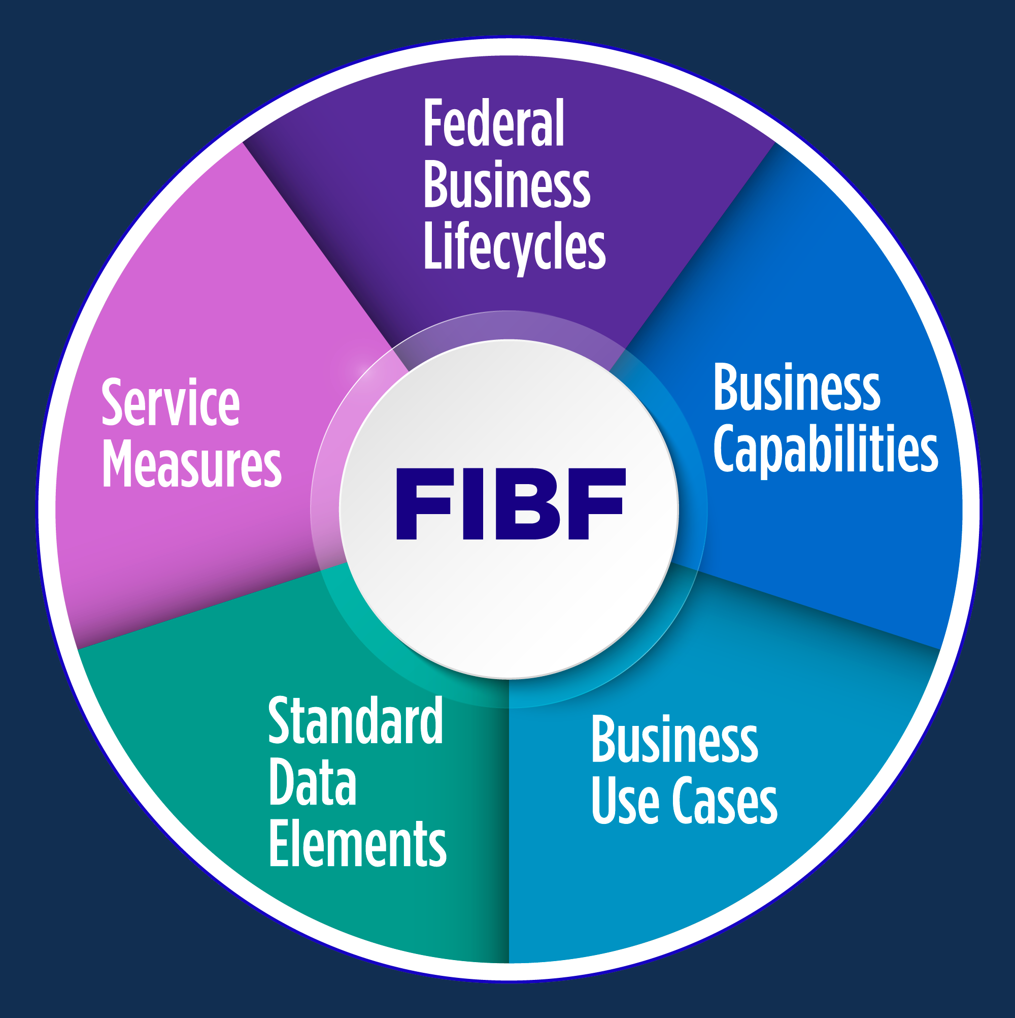
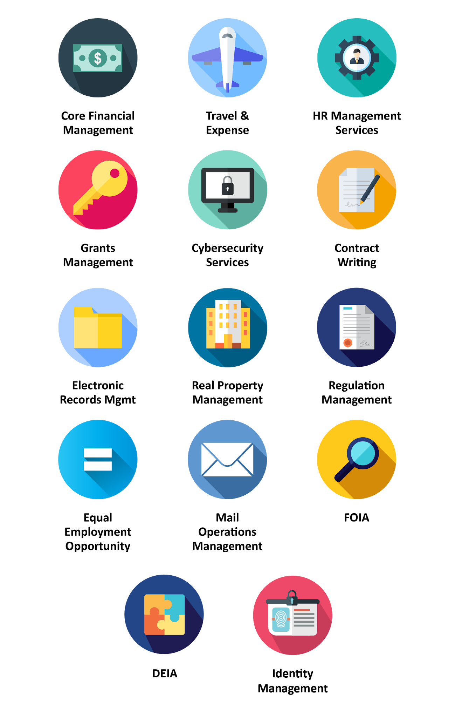
United States Line of Business (LoB) Standards
Public Finance Lines of Business
Financial Management LoB | https://ussm.gsa.gov/fibf-fm/
Grants Management LoB | https://ussm.gsa.gov/fibf-gm/
Human Resources Management LoB
Talent Acquisition | https://ussm.gsa.gov/fibf-hr-ac/
Talent Development | https://ussm.gsa.gov/fibf-hr-td/
Employee Performance Management | https://ussm.gsa.gov/fibf-hr-epm/
Compensation and Benefits | https://ussm.gsa.gov/fibf-hr-cb/
Separation and Retirement | https://ussm.gsa.gov/fibf-hr-sep-ret/
Real Property Management | https://ussm.gsa.gov/fibf-RPM/
Travel and Expense Management | https://ussm.gsa.gov/fibf-travel/
Contract Writing | https://ussm.gsa.gov/fibf-cw/
Other Standards
Cybersecurity
Coordinated Vulnerability Disclosure | https://ussm.gsa.gov/fibf-cyb-cvd/
Security Operations Center | https://ussm.gsa.gov/fibf-cyb-soc/
Electronic Records Management | https://ussm.gsa.gov/fibf-ERM/
Federal Sector Equal Employment Opportunity Services | https://ussm.gsa.gov/fibf-eeo/
Freedom of Information Act (FOIA) Services | https://ussm.gsa.gov/fibf-foia/
Information Technology Services | https://ussm.gsa.gov/fibf-its/
Mail Operations Management | https://ussm.gsa.gov/fibf-mom/
Regulation Management | https://ussm.gsa.gov/fibf-rm/
Federal Integrated Business Framework (FIBF) Components
Federal Business Lifecycles, functional areas, functions, and activities serve as the basis for a common understanding of what services agencies need and solutions that should be offered.
Business Capabilities are the outcome-based business needs mapped to Federal government authoritative references, forms, inputs, outputs, and data standards.
Business Use Cases are a set of agency “stories” that document the key activities, inputs, outputs, and other line of business intersections to describe how the Federal government operates.
Standard Data Elements identify the minimum data fields required to support the inputs and outputs noted in the use cases and capabilities.
Service Measures define how the government measures successful delivery of outcomes based on timeliness, efficiency, and accuracy targets.

GC-BCM
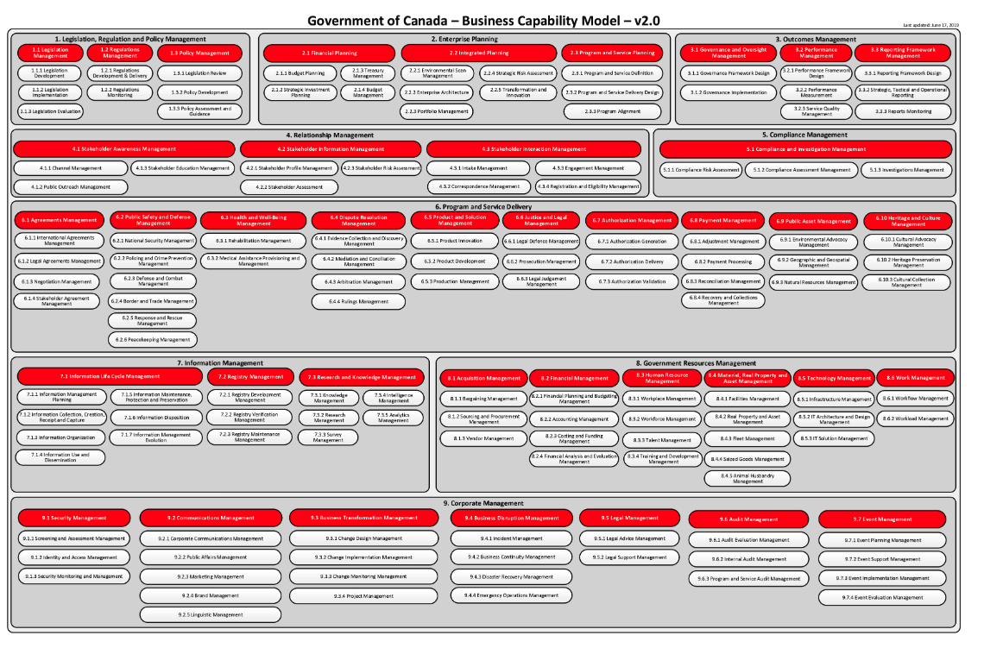
Government of Canada Business Capabilities Model (GC-BCM)

Background
https://wiki.gccollab.ca/GC_Enterprise_Architecture/Business_Capability_Model
Here are some benefits of business capabilities:
• provide a way to communicate between IT and business in a common language;
• enable laser-like business investment focus;
• serve as a baseline for strategic planning, change management, and impact analysis;
• lead directly to business service specification and design; and
• clarify/organize/structure modernization and transformation approaches for IT architectures.
Since the GC BCM is of higher level (Level 0 & Level 1), departments is expected to use the GC BCM as a baseline to build their departmental BCM by building deeper into Level 2, 3, and so on.
The tables below reflect the GC BCM 2.0 Model with proposed updates for the future version (that are flagged and considered under construction). A request to GC EARB will be made to endorse the formal adoption of updates to the model.

BCM Categories
BCM | Category
1 to 3 | Direction Setting, what we do for our business
4 to 6 | Core, what we do for our clients
7 to 9 | Supporting, what we do for our clients and our business

BCM # | Business Domain/Capability |  | Description
1. Legislation, Regulation and Policy Management |  |  | The ability to manage legislation, regulations and policies used to establish the direction and framework of the organization and provide the high-level foundations for its sub-organizations in support of where the organization is looking to move towards.
1. Legislation, Regulation and Policy Management | 1.1 Legislation Management |  | The ability to formulate, develop, evaluate and manage legislation through a legislative processes or other governing bodies. Normally, legislation is used to regulate, authorize, outlaw, sanction, grant, allocate, declare or restrict some aspects or elements in order to achieve some results.
1. Legislation, Regulation and Policy Management | 1.1 Legislation Management | 1.1.1 Legislation Development | The ability to formulate and develop legislation, that is, to write, to review, to recommend, to author and to advance legislation through a process for approval.
1. Legislation, Regulation and Policy Management | 1.1 Legislation Management | 1.1.2 Legislation Implementation | The ability to plan, coordinate and put into effect one or more legislation.
1. Legislation, Regulation and Policy Management | 1.1 Legislation Management | 1.1.3 Legislation Evaluation | The ability to observe, analyse, assess and report on proposed or implemented legislation and evaluate whether the revisions maybe required.
1. Legislation, Regulation and Policy Management | 1.2 Regulations Management |  | The ability to develop, evaluate, manage, review and establish regulations for one or more nation, territory and/or group.
1. Legislation, Regulation and Policy Management | 1.2 Regulations Management | 1.2.1 Regulations Development and Delivery | The ability to formulate, develop, plan, coordinate, implement and deliver regulations that individuals or entities will need to comply with.
1. Legislation, Regulation and Policy Management | 1.2 Regulations Management | 1.2.2 Regulations Monitoring | The ability to observe, analyse, assess and report on the effectiveness of laws and regulations and evaluate whether revisions are required. Refer to 5.1 Compliance Management for the ability to enforce and ensure adherence to laws and regulations.
1. Legislation, Regulation and Policy Management | 1.3 Policy Management |  | The ability to develop, evaluate, manage, and review policies which operationalize legislation or formalize basic principles and associated guidelines. Policies are normally formulated and enforced by the governing body of an organization, to direct and limit its actions in pursuit of long-term goals.
1. Legislation, Regulation and Policy Management | 1.3 Policy Management | 1.3.1 Legislation Review | The ability to review, examine and assess legislation with the intent of possibly changing it or to determine how it could be implemented.
1. Legislation, Regulation and Policy Management | 1.3 Policy Management | 1.3.2 Policy Development | The ability to draft, review, revise, develop, finalize, implement, monitor and advance policies and instruments to ensure they get implemented effectively and to provide guidance and understanding of the policy.
1. Legislation, Regulation and Policy Management | 1.3 Policy Management | 1.3.3 Policy Assessment and Guidance | The ability to assess and interpret the policies, their effectiveness and how they should be implemented via programs.
...

