Sheet1
Spare Parts List of SC-8700
Plastic Parts
SERIAL NO. | FIGURE NO. | IMAGE | PRODUCT NAME | UNIT PRICE (USD) | NOTE
101005 | SCA05 | 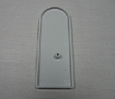 |  |  | for front door
101060 | SCA07B | 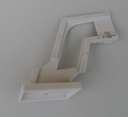 |  |  | optional
101061 | SCA08B | 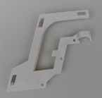 |  |  | optional
101009 | SCA09 | 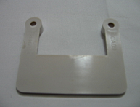 |  |  | for the machines with coin
101010 | SCA10 | 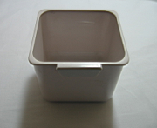 |  |  | for the machines with coin
101075 | SCA11B | 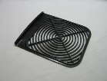 |  |  | for SC-8700
101012 | SCA12 | 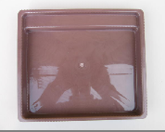 |  |  | for SC-8600 and SC-8700
101013 | SCA13 | 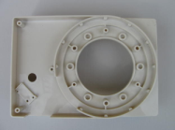 |  |  | for cup dispenser
101014 | SCA14 | 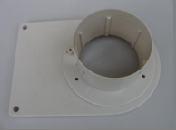 |  |  | for cup dispenser
101015 | SCA15 | 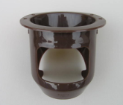 |  |  | for cup dispenser
101016 | SCA16 | 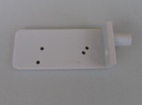 |  |  | for cup dispenser
101017 | SCA17 | 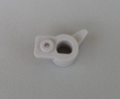 |  |  | for cup dispenser
101018 | SCA18 | 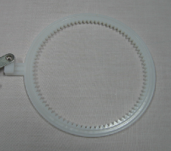 |  |  | for cup dispenser
101019 | SCA19 | 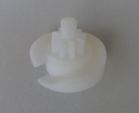 |  |  | for cup dispenser
101043 | SCA47 |  |  |  | for cup dispenser
101020 | SCA20 | 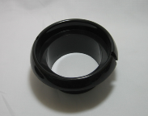 |  |  | optional
101021 | SCA21 | 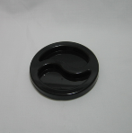 |  |  | optional
101031 | SCA63 | 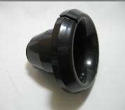 |  |  | for the machine with water bottle on top
201006 | SCA90 | 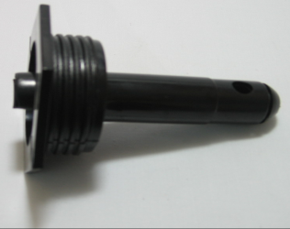 |  |  | for the machine with water bottle on top
101022 | SCA22 | 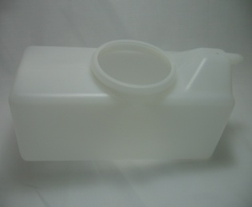 |  |  | empty bucket,without any spare parts in it
101024 |  | 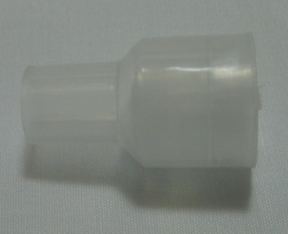 |  |  | common
101068 | SCA23B | 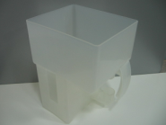 |  |  | empty canister,without any spare parts in it
101069 | SCA24B | 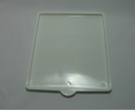 |  |  | for material canisters
101070 | SCA29B | 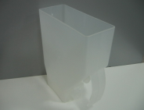 |  |  | empty canister,without any spare parts in it
101071 | SCA30B | 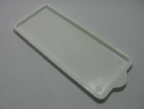 |  |  | for material canisters
101025 | SCA25 | 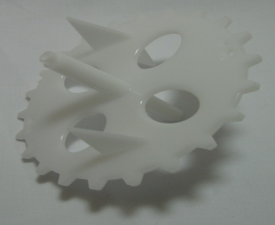 |  | 1.07 | for material canisters
101026 | SCA26 | 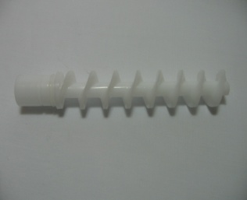 |  | 1.34 | for material canisters
101093 | ECAO27C | 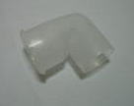 |  |  | for material canisters
101035 | SCA35 | 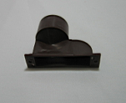 |  |  | for mixer
101064 | SCA36B | 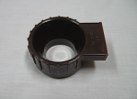 |  |  | for mixer
101063 | SCA38B | 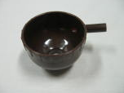 |  |  | for mixer
101038 | SCA39 | 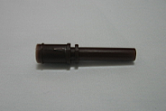 |  |  | for mixer
101065 | SCA40B | 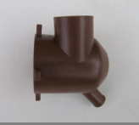 |  |  | for mixer
101066 | SCA41B | 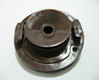 |  |  | for mixer
101067 | SCA42B | 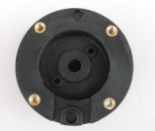 |  |  | for mixer
101040 | SCA44 | 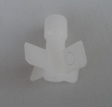 |  |  | for mixer
101041 | SCA45 | 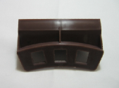 |  |  | for 8700/C4H4/C5H5
101042 | SCA46 | 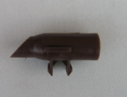 |  |  | for 8600/8700/C4H4/C5H5
101044 | SCA48 | 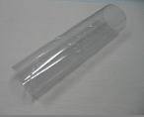 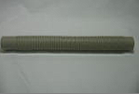 |  |  | common
101045 | SCA49 |  |  |  | for 8600/8700
101046 | SCA50 |  |  |  | for 8600/8701
101049 | SCA53 |  |  |  | for input material motor
101050 | SCA54 | 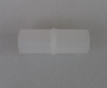 |  |  | to prevent the water recoil
101051 | SCA01B | 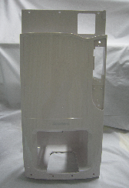 |  |  | for front door
101052 | SCA02B | 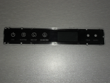 |  |  | for front door
101053 | SCA03B | 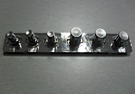 |  |  | for front door
101055 | SCA34B | 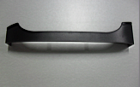 |  |  | for front door
101056 | SCA31B | 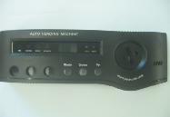 |  |  | for front door
101057 | SCA56B | 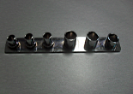 |  |  | for front door
101058 | SCA61B | 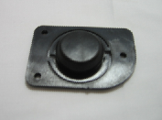 |  |  | for front door
101059 | SCA62B | 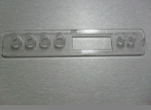 |  |  | for front door
101077 | SCA43B |  |  |  | for front door
101078 | SCA71B | 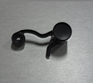 |  |  | for front door
101079 | SCA72 | 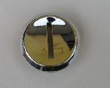 |  |  | for front door
101111 | ECA051C |  |  |  | for fan
101116 |  |  |  |  | for SC-8700
101076 |  |  |  |  | valvula parcial
101029 |  |  |  |  | valvula parcial
Electricty Parts
SERIAL NO. | FIGURE NO. | IMAGE | PRODUCT NAME | UNIT PRICE (USD) | NOTE
102002 | SCC02 |  |  |  | PASSA FIO
102003 | SCC03 |  |  |  | PORT FUSE
102004 | SCC04 |  |  |  | FUSE 8 A
102005 | SCC05 |  |  |  | LIGA/DESL
102006 | SCC06 |  |  |  | to prevent the humidity
102007 | SCC07 |  |  |  | for the basic setting
102008 | SCC08 |  |  |  | for cleaning the pipe and paper cup test
102009 | SCC09 |  |  |  | for SC-8703BC3H3
102011 | SCC11 |  |  |  | common
102013 | SCC13 |  |  |  | for cup dispenser
102014 | SCC14 |  |  |  | termostat
102015 | SCC15 |  |  |  | water sensor
102017 | SCC17 |  |  |  | switch 1
102018 | SCC18 |  |  |  | switch 2
102021 | SCC25 |  |  |  | common
102022 | SCC23 |  |  |  | heater
102024 | SCC25 |  |  |  | fan
102025 | SCC26 |  |  |  | common
102026 | SCC27 |  |  |  | common
102034 | SCC10 |  |  |  | mix motor
102035 | SCC16 |  |  |  | water temp sens
102037 |  |  |  |  | MOEDEIR
102023 | SCC24 |  |  |  | optional
102041 | SCC21B3 |  |  |  | wired
102044 | SCC22 |  |  |  | wired
102046 | SCC29 |  |  |  | cable sens
102047 | SCC27 |  |  |  | wired
102048 | SCC30 |  |  |  | wired fan
102049 | SCC31 |  |  |  | wired
102050 | SCC28 |  |  |  | wired
102059 | SCC54 |  |  |  | power cord
102063 | SCC20 |  |  |  | pcb control
102064 | SCC19 |  |  |  | pcb painel
102069 |  |  |  |  | valv import
102012 | SCC12 |  |  |  | val
Metal Parts
SERIAL NO. | FIGURE NO. | IMAGE | PRODUCT NAME | UNIT PRICE (USD) | NOTE
103001 | SCB01 |  |  |  | door 1
103002 | SCB02 |  |  |  | door 2
103007 | SCB07 |  |  |  | base gab
103008 | SCB08 |  |  |  | water conect
103010 | SCB10 |  |  |  | cup 1
103011 | SCB12 |  |  |  | trava valv
103014 | SCB15 |  |  |  | agit prod
103015 | SCB16 |  |  |  | for front door
103018 | SCB04 |  |  |  | gabin
103021 | SCB021 |  |  | 0.30 | for front door
103024 | SCB05B3 |  |  | 5.60
103025 | SCB06B3 |  |  |  | gabin
103034 | ECB003C |  |  |  | fechad
103038 |  |  |  |  | key
103126 |  |  |  |  | fechad
103035 | SCB22 |  |  |  | junp for canister
103039 | SCB09 |  |  |  | wat heater 800 w
103066 | SCB23 |  |  |  | door
Selicon & Rubber Parts
SERIAL NO. | FIGURE NO. | IMAGE | PRODUCT NAME | UNIT PRICE (USD) | NOTE
104001 | SCD01 |  |  |  | for water bucket
104003 | SCD03 |  |  |  | for water bucket
104005 | SCD07 |  |  |  | stopper water
104007 | SCD10 |  |  |  | oring
104008 | SCD11 |  |  |  | oring mixer
104009 | SCD13 |  |  |  | pe borracha
104010 | SCD14 |  |  |  | small s pipe
104011 | SCD15 |  |  |  | big s pipe
104012 | SCD16 |  |  |  | temp sensor circle
104013 | SCD17 |  |  |  | oring raw material
104014 | SCD18 |  |  |  | for material canisters
104015 | SCD20 |  |  |  | for front door
104016 | SCD21 |  |  |  | for front door
104017 | SCD22 |  |  |  | oring for mix
104020 | SCD27 |  |  |  | oring seal
104021 | SCD28 |  |  |  | oring seal
104023 | SCD29 |  |  |  | water pipe 1
104047 | SCD45 |  |  |  | water pipe 2
104036 | SCD34 |  |  |  | one way valve
102011 | SCC11 |  |  |  | redutor

