Visa Residences
House | Passenger | Passenger +10% | Time [min] | Passenger /h | Passenger+ /h | Size | Passenger / h / tile
Cottage | 1 | 2 | 1 | 60 | 120 | 1 | 60
Side Wing | 2 | 3 | 2 | 60 | 90 | 1 | 60
Townhouse | 8 | 9 | 10 | 48 | 54 | 1 | 48
Futuristic House | 8 | 9 | 20 | 24 | 27 | 1 | 24
Brazilian Cottage | 6 | 7 | 60 | 6 | 7 | 1 | 6
Brickhouse | 5 | 6 | 2 | 150 | 180 | 1 | 150
Mansion | 12 | 14 | 20 | 36 | 42 | 4 | 9
Stone Castle | 36 | 40 | 60 | 36 | 40 | 4 | 9
Manor | 9 | 10 | 15 | 36 | 40 | 4 | 9
House with Pool | 18 | 20 | 60 | 18 | 20 | 4 | 4.5
Villa | 48 | 53 | 240 | 12 | 13.25 | 4 | 3
Country House | 24 | 27 | 240 | 6 | 6.75 | 4 | 1.5
Studio | 36 | 40 | 480 | 4.5 | 5 | 4 | 1.125
Bearing Wall House | 48 | 53 | 1080 | 2.67 | 2.94 | 4 | 0.67
Round House | 57 | 63 | 1440 | 2.375 | 2.625 | 4 | 0.59375
Tower Buidling | 63 | 70 | 2880 | 1.3125 | 1.4583 | 4 | 0.328125
Loft | 72 | 80 | 1440 | 3 | 3.33 | 4 | 0.75
Square House | 52 | 58 | 480 | 6.5 | 7.25 | 4 | 1.625
Mirror House | 96 | 106 | 720 | 8 | 8.833 | 4 | 2
Emerald House | 99 | 109 | 720 | 8.25 | 9.0833 | 4 | 2.0625
Modular House | 67 | 74 | 360 | 11.167 | 12.33 | 4 | 2.79167
Acute House | 102 | 113 | 720 | 8.5 | 9.4167 | 4 | 2.125
Apartment Hotel | 300 | 330 | 2880 | 6.25 | 6.875 | 4 | 1.5625
Apartment House | 60 | 66 | 240 | 15 | 16.5 | 4 | 3.75
House of Disturbance | 85 | 94 | 1200 | 4.25 | 4.7 | 4 | 1.0625
Fall Mansion | 9 | 10 | 5 | 108 | 120 | 4 | 27
Rural Life Restaurant | 10 | 11 | 10 | 60 | 66 | 4 | 15
Turf House | 3 | 4 | 5 | 36 | 48 | 4 | 9
Multy Story Building | 56 | 62 | 240 | 14 | 15.5 | 9 | 1.556
Loft Condominium | 96 | 106 | 480 | 12 | 13.25 | 9 | 1.333
Condominium | 190 | 209 | 1440 | 7.9167 | 8.7083 | 9 | 0.87962962963
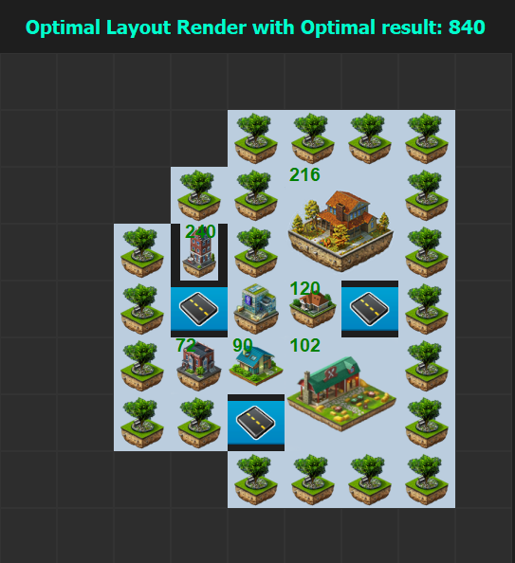
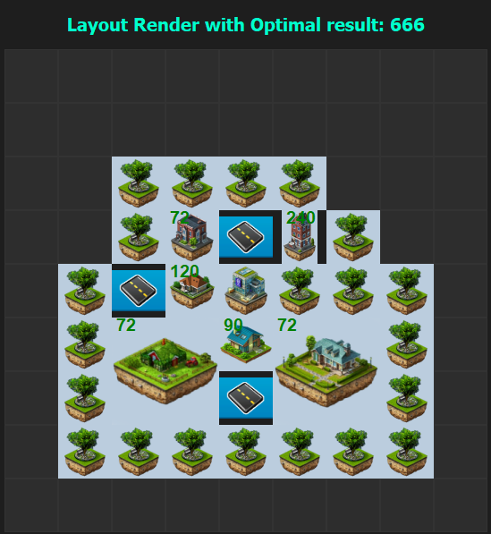
 |  |  |  |  |  |  |  | Time | 490 | 802 | 6 * 490 | 6 * 802
 |  |  |  |  |  |  |  | 1 | 490 | 802 | 2,940 | 4,812 | 10 | 2
 |  |  |  |  |  |  |  | 3 | 1,470 | 2,406 | 8,820 | 14,436 | 40 | 5
 |  |  |  |  |  |  |  | 9 | 4,410 | 7,218 | 26,460 | 43,308 | 125 | 14
 |  |  |  |  |  |  |  | 16 | 7,840 | 12,832 | 47,040 | 76,992 | 250 | 24
 |  |  |  |  |  |  |  | 24 | 11,760 | 19,248 | 70,560 | 115,488 | 450 | 35
 |  |  |  |  |  |  |  | 48 | 23,520 | 38,496 | 141,120 | 230,976 | 1,000 | 70

