RFE_11.11.2024
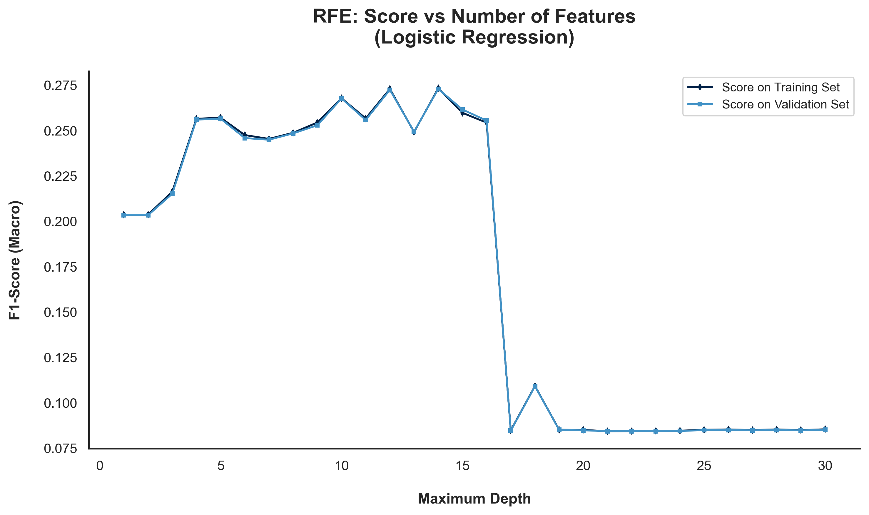
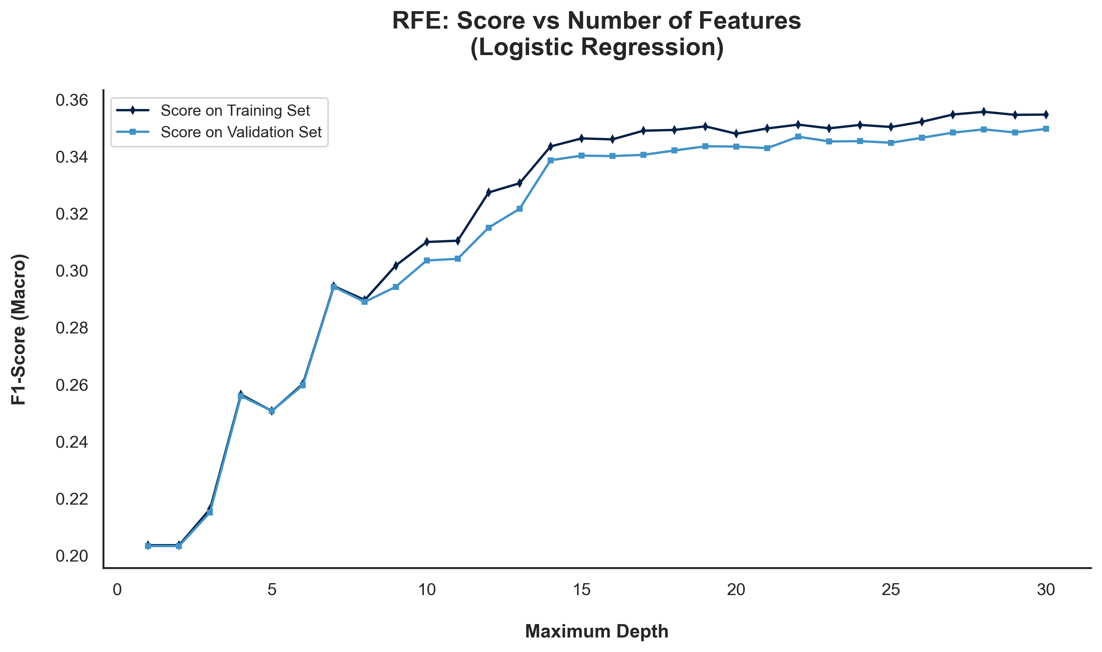
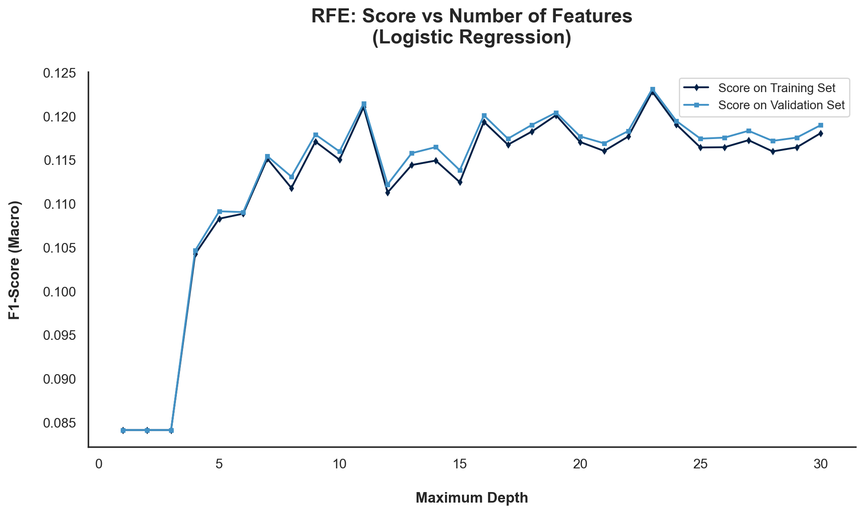
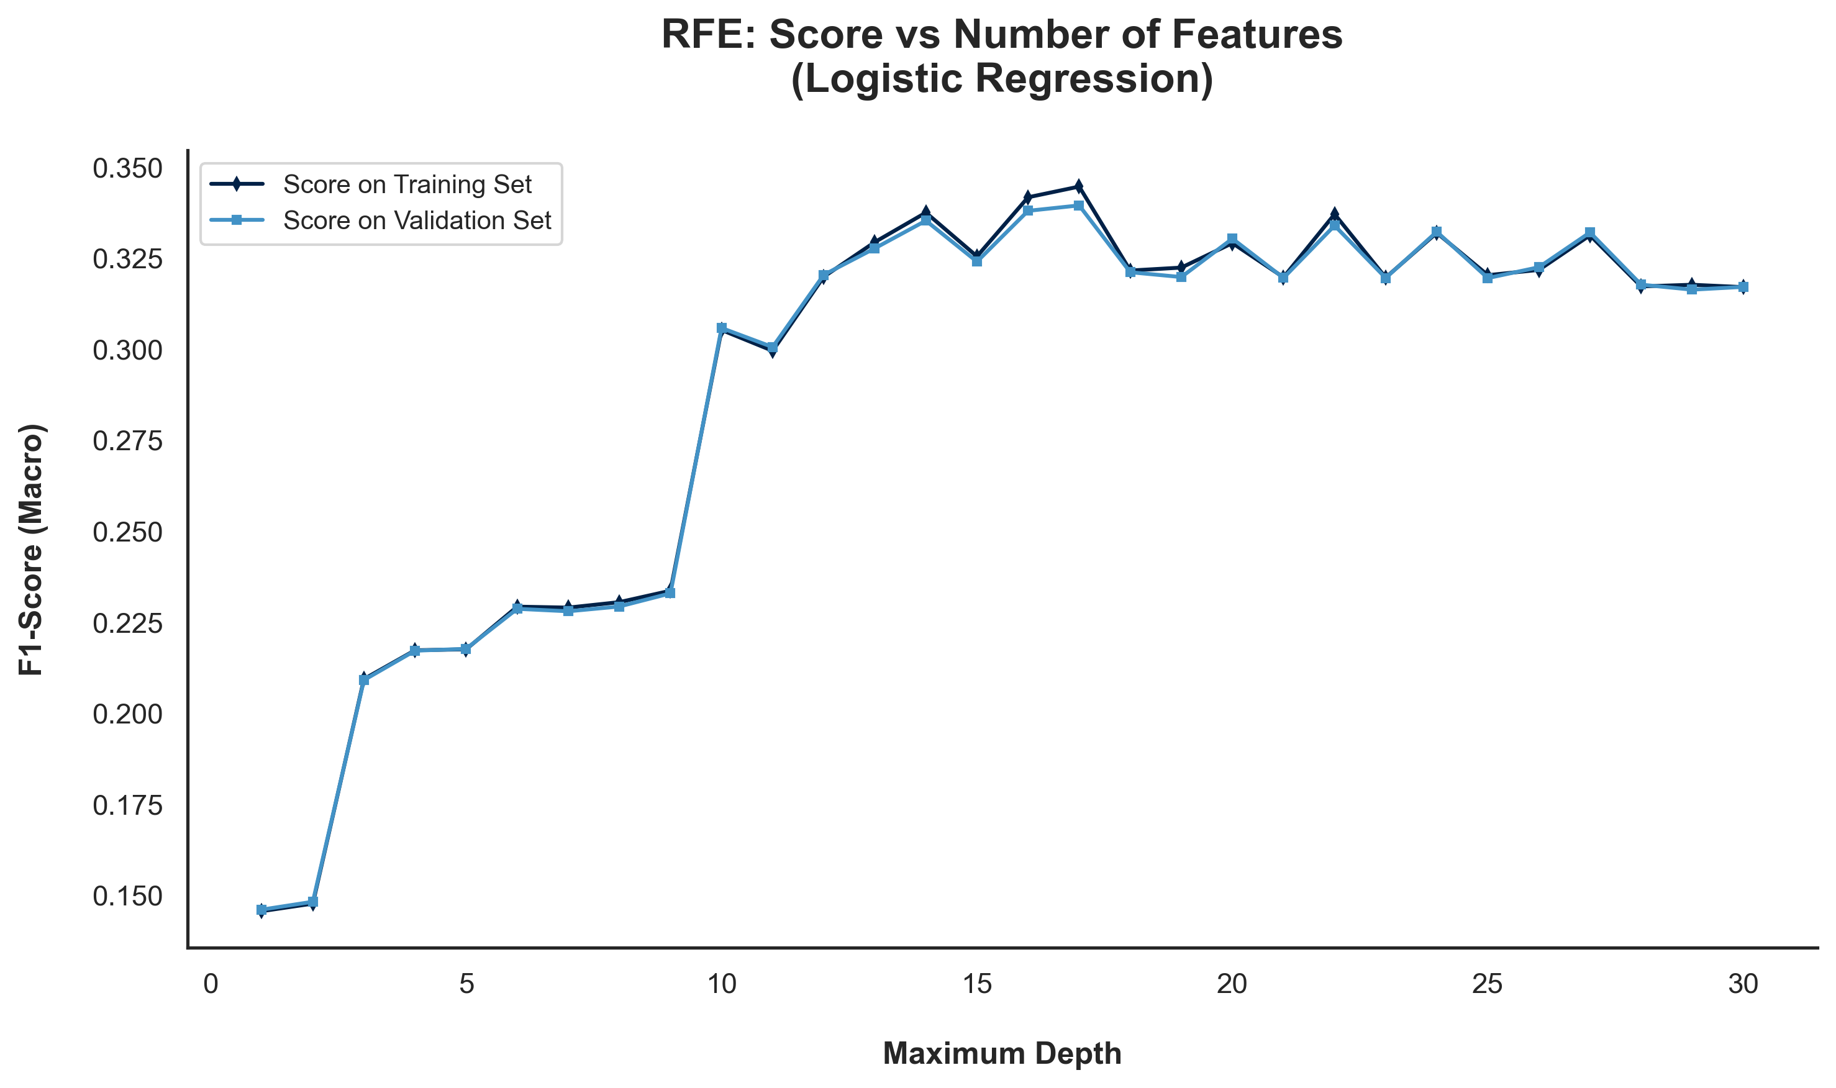
Wrapper Methods | RFE | RFE was applied using logistic regression as the classifier, with four different scaling/preprocessing techniques evaluated to understand how each impacts the selected features and model performance.

Wrapper Methods | RFE

 | Selected | Logistic Regression
Features | Original Data | MinMaxScaler | StandardScaler | Log
Accident Date Day | FALSE | FALSE | TRUE | TRUE
Accident Date Month | TRUE | FALSE | TRUE | TRUE
Accident Date Weekday | FALSE | FALSE | TRUE | TRUE
Accident Date Year | FALSE | TRUE | TRUE | TRUE
Age at Injury Clean | TRUE | TRUE | TRUE | TRUE
Alternative Dispute Resolution | FALSE | TRUE | TRUE | TRUE
Assembly Date Day | FALSE | FALSE | TRUE | TRUE
Assembly Date Month | TRUE | FALSE | TRUE | TRUE
Assembly Date Weekday | FALSE | FALSE | TRUE | TRUE
Assembly Date Year | FALSE | TRUE | TRUE | TRUE
Attorney/Representative | TRUE | TRUE | TRUE | FALSE
C-2 Date Day | FALSE | FALSE | TRUE | TRUE
C-2 Date Month | TRUE | FALSE | TRUE | TRUE
C-2 Date Weekday | FALSE | FALSE | TRUE | TRUE
C-2 Date Year | FALSE | TRUE | TRUE | TRUE
C-3 Date Binary | TRUE | TRUE | TRUE | FALSE
Carrier Type Bucket | FALSE | TRUE | TRUE | FALSE
County of Injury | FALSE | FALSE | TRUE | TRUE
COVID-19 Indicator | TRUE | FALSE | TRUE | TRUE
District Name | FALSE | FALSE | TRUE | TRUE
First Hearing Date Binary | TRUE | TRUE | TRUE | FALSE
Gender | FALSE | TRUE | TRUE | TRUE
IME-4 Reported | TRUE | TRUE | TRUE | FALSE
Industry Code | TRUE | TRUE | TRUE | TRUE
Medical Fee Region | TRUE | TRUE | TRUE | TRUE
Number of Dependents | FALSE | FALSE | TRUE | FALSE
WCIO Cause of Injury Bucket | TRUE | TRUE | TRUE | TRUE
WCIO Nature of Injury Bucket | FALSE | TRUE | TRUE | TRUE
WCIO Part of Body Bucket | TRUE | TRUE | TRUE | TRUE
Weekly Wage Reported | TRUE | TRUE | TRUE | FALSE

 | 100 iterations | 100 iterations | 100 iterations | 100 iterations

RFE_Final
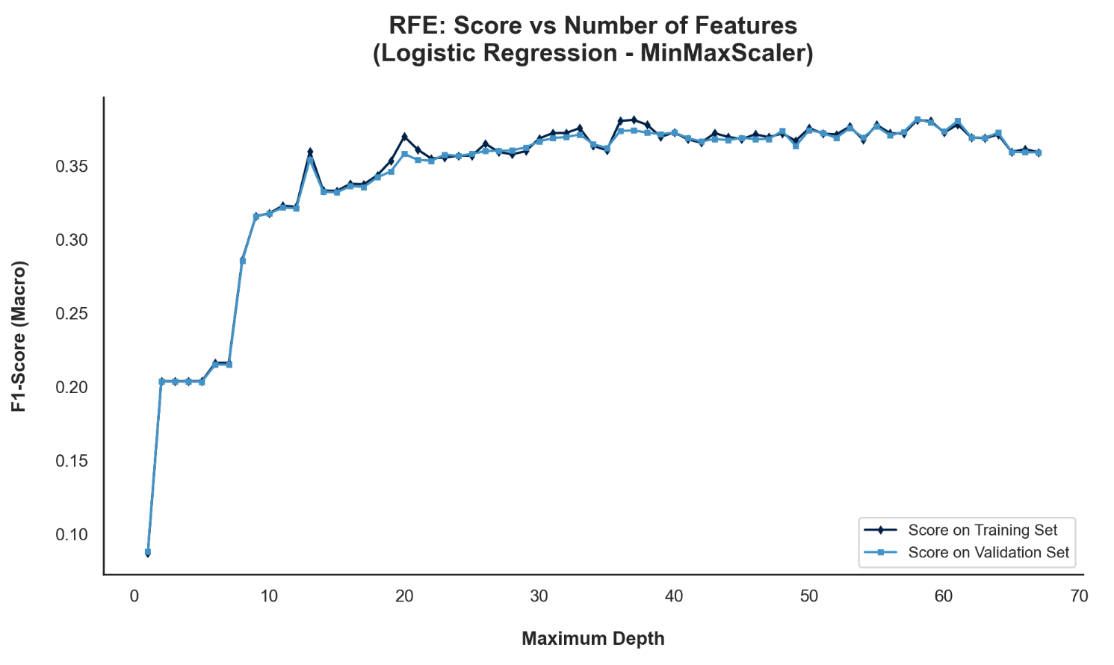
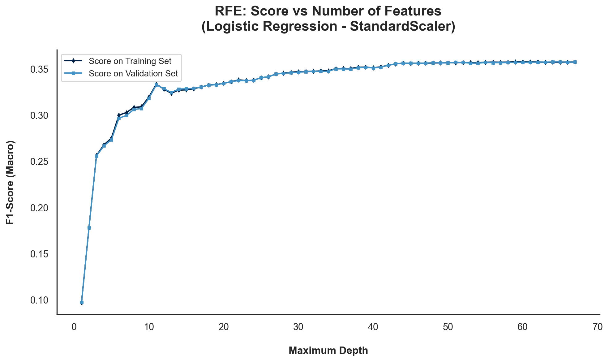
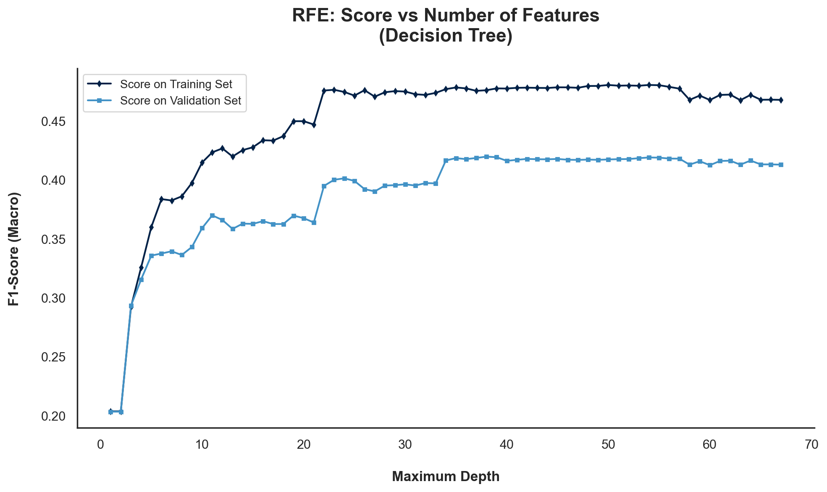
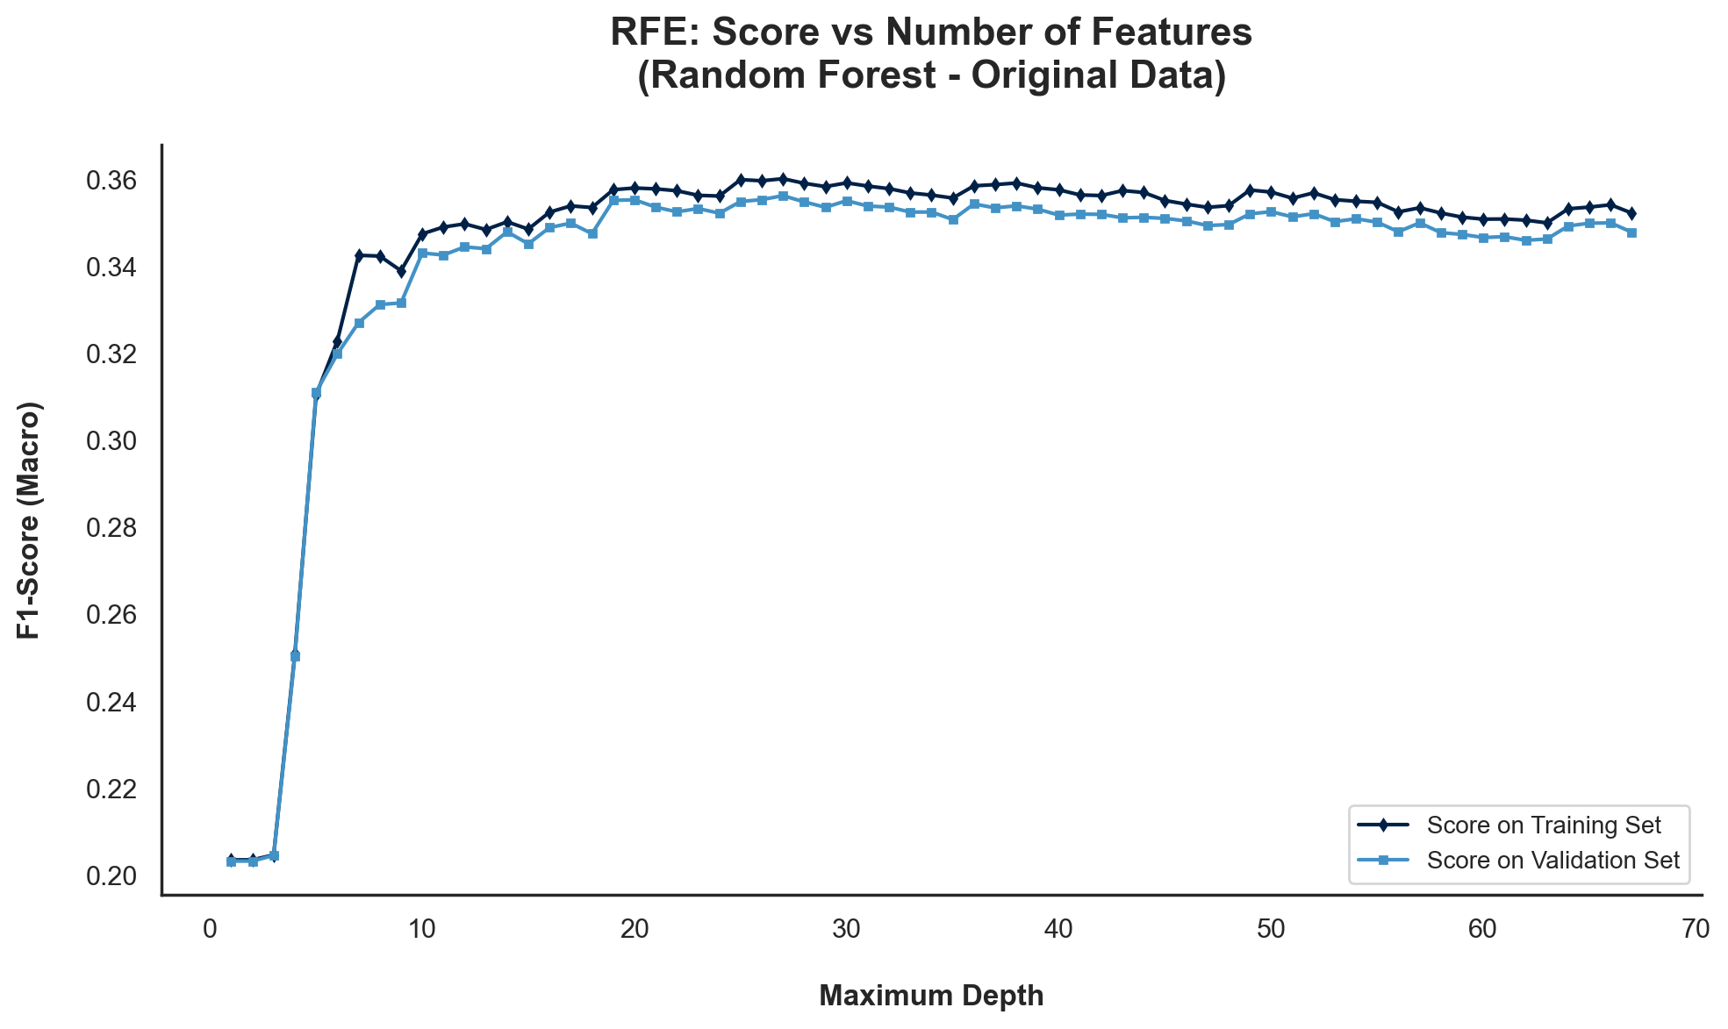
 | Wrapper Methods | RFE | RFE was applied using logistic regression as the classifier, with four different scaling/preprocessing techniques evaluated to understand how each impacts the selected features and model performance.

 | Wrapper Methods | RFE [Final]

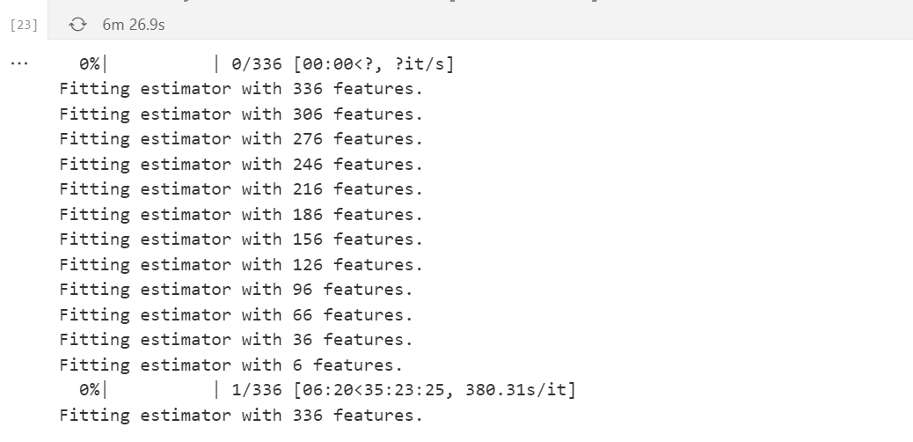
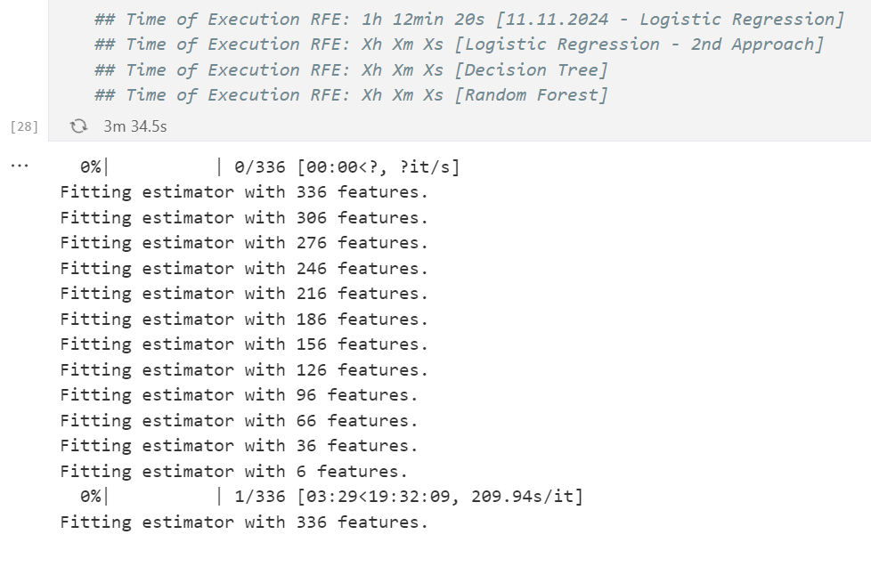
 |  | Selected | Logistic Regression |  |  | Selected | Decision Tree | Selected | Random Forest | LOGISTIC REGRESSION (100 iter) | LOGISTIC REGRESSION (50 iter)
 | Features | MinMaxScaler | StandardScaler | RobustScaler | Original Data | Original Data
0 | Accident Date Binary | TRUE | TRUE |  | FALSE | FALSE
1 | Accident Date Day | TRUE | TRUE |  | TRUE | FALSE
2 | Accident Date Month | TRUE | TRUE |  | TRUE | FALSE
3 | Accident Date Weekday | FALSE | TRUE |  | TRUE | FALSE
4 | Accident Date Year | TRUE | TRUE |  | TRUE | TRUE
5 | Age at Injury Clean | TRUE | TRUE |  | TRUE | TRUE
6 | Age at Injury Group | TRUE | TRUE |  | FALSE | FALSE
7 | Alternative Dispute Resolution_U | FALSE | FALSE |  | FALSE | FALSE
8 | Alternative Dispute Resolution_Y | TRUE | TRUE |  | TRUE | TRUE
9 | Assembly Date Day | FALSE | TRUE |  | TRUE | FALSE
10 | Assembly Date Month | TRUE | TRUE |  | TRUE | FALSE
11 | Assembly Date Weekday | FALSE | TRUE |  | TRUE | FALSE
12 | Assembly Date Year | TRUE | TRUE |  | TRUE | TRUE
13 | Attorney/Representative_Y | TRUE | TRUE |  | TRUE | TRUE
14 | C-2 Date Binary | TRUE | TRUE |  | FALSE | TRUE
15 | C-2 Date Day | TRUE | TRUE |  | TRUE | FALSE
16 | C-2 Date Month | FALSE | TRUE |  | TRUE | FALSE
17 | C-2 Date Weekday | FALSE | TRUE |  | TRUE | FALSE
18 | C-2 Date Year | TRUE | TRUE |  | TRUE | TRUE
19 | C-3 Date Binary | TRUE | TRUE |  | TRUE | TRUE
20 | COVID-19 Indicator_Y | TRUE | TRUE |  | TRUE | TRUE
21 | Carrier Type Bucket_1A. PRIVATE | TRUE | TRUE |  | TRUE | TRUE
22 | Carrier Type Bucket_2A. SIF | TRUE | TRUE |  | TRUE | TRUE
23 | Carrier Type Bucket_3A. SELF PUBLIC | TRUE | TRUE |  | TRUE | TRUE
24 | Carrier Type Bucket_4A. SELF PRIVATE | TRUE | TRUE |  | TRUE | TRUE
25 | Carrier Type Bucket_5A-5C. SPECIAL FUND | TRUE | TRUE |  | FALSE | FALSE
26 | District Name_BINGHAMTON | TRUE | TRUE |  | FALSE | FALSE | DECISION TREE | RANDOM FOREST
27 | District Name_BUFFALO | TRUE | TRUE |  | FALSE | FALSE
28 | District Name_HAUPPAUGE | TRUE | TRUE |  | TRUE | FALSE
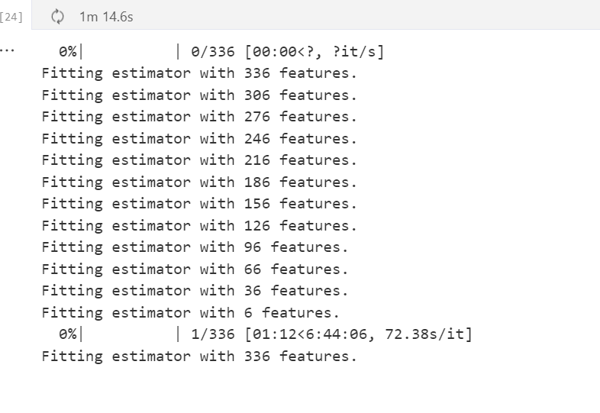
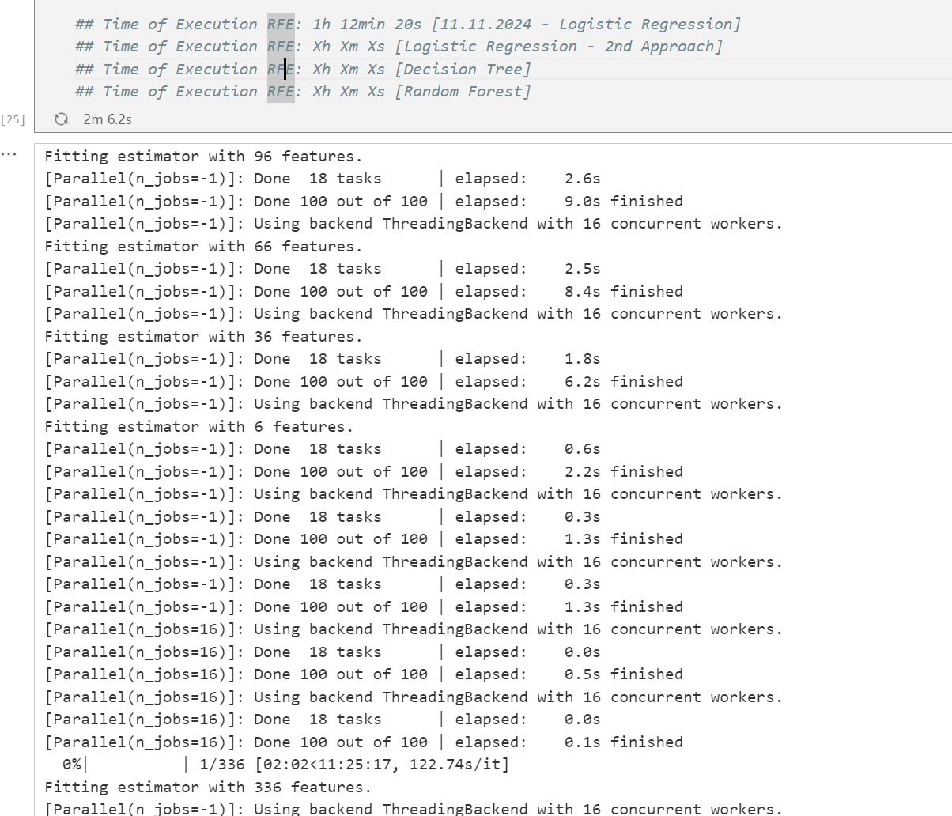
29 | District Name_NYC | TRUE | TRUE |  | TRUE | TRUE
30 | District Name_ROCHESTER | TRUE | TRUE |  | TRUE | FALSE
31 | District Name_STATEWIDE | TRUE | TRUE |  | FALSE | FALSE
32 | District Name_SYRACUSE | TRUE | TRUE |  | FALSE | FALSE
33 | First Hearing Date Binary | TRUE | TRUE |  | TRUE | TRUE
34 | Gender_M | TRUE | TRUE |  | TRUE | FALSE
35 | Gender_U | TRUE | TRUE |  | FALSE | FALSE
36 | Gender_X | FALSE | TRUE |  | FALSE | FALSE
37 | IME-4 Reported | TRUE | TRUE |  | TRUE | TRUE
38 | Industry Code | TRUE | TRUE |  | TRUE | TRUE
39 | Medical Fee Region_II | TRUE | TRUE |  | FALSE | FALSE
40 | Medical Fee Region_III | TRUE | TRUE |  | FALSE | FALSE
41 | Medical Fee Region_IV | TRUE | TRUE |  | TRUE | FALSE
42 | Medical Fee Region_UK | TRUE | TRUE |  | FALSE | FALSE
43 | Number of Dependents | FALSE | FALSE |  | TRUE | FALSE
44 | WCIO Cause of Injury Bucket_1 - Temp | TRUE | TRUE |  | FALSE | FALSE
45 | WCIO Cause of Injury Bucket_10 - Miscellaneous | TRUE | TRUE |  | FALSE | TRUE
46 | WCIO Cause of Injury Bucket_2 - Caught | TRUE | TRUE |  | FALSE | FALSE
47 | WCIO Cause of Injury Bucket_3 - Cut | TRUE | TRUE |  | FALSE | FALSE
48 | WCIO Cause of Injury Bucket_4 - Fall | TRUE | TRUE |  | FALSE | FALSE
49 | WCIO Cause of Injury Bucket_5 - Motor Vehicle | TRUE | TRUE |  | FALSE | FALSE
50 | WCIO Cause of Injury Bucket_6 - Strain_data | TRUE | TRUE |  | TRUE | TRUE
51 | WCIO Cause of Injury Bucket_7 - Striking | TRUE | TRUE |  | FALSE | FALSE
52 | WCIO Cause of Injury Bucket_8 - Struck | TRUE | TRUE |  | FALSE | FALSE
53 | WCIO Cause of Injury Bucket_9 - Rubbed | FALSE | TRUE |  | FALSE | FALSE
54 | WCIO Cause of Injury Code | TRUE | TRUE |  | TRUE | TRUE
55 | WCIO Nature of Injury Bucket_1 - Specific | TRUE | TRUE |  | FALSE | TRUE
56 | WCIO Nature of Injury Bucket_2 - Occupational/Cumulative | TRUE | TRUE |  | FALSE | FALSE
57 | WCIO Nature of Injury Bucket_3 - Multiple | TRUE | TRUE |  | FALSE | FALSE
58 | WCIO Nature of Injury Code | TRUE | TRUE |  | TRUE | TRUE
59 | WCIO Part Of Body Code | TRUE | TRUE |  | TRUE | TRUE
60 | WCIO Part of Body Bucket_I - Head | TRUE | TRUE |  | FALSE | FALSE
61 | WCIO Part of Body Bucket_II - Neck | TRUE | TRUE |  | TRUE | FALSE
62 | WCIO Part of Body Bucket_III - Upper Extremities | TRUE | TRUE |  | FALSE | TRUE
63 | WCIO Part of Body Bucket_IV - Trunk | TRUE | TRUE |  | TRUE | TRUE
64 | WCIO Part of Body Bucket_V - Lower Extremities | TRUE | TRUE |  | FALSE | TRUE
65 | WCIO Part of Body Bucket_VI - Multiple Body Parts | TRUE | TRUE |  | TRUE | FALSE
66 | Weekly Wage Reported | TRUE | TRUE |  | TRUE | TRUE

 | TOTAL | 58 | 65 | 0 | 38 | 27

