RFE
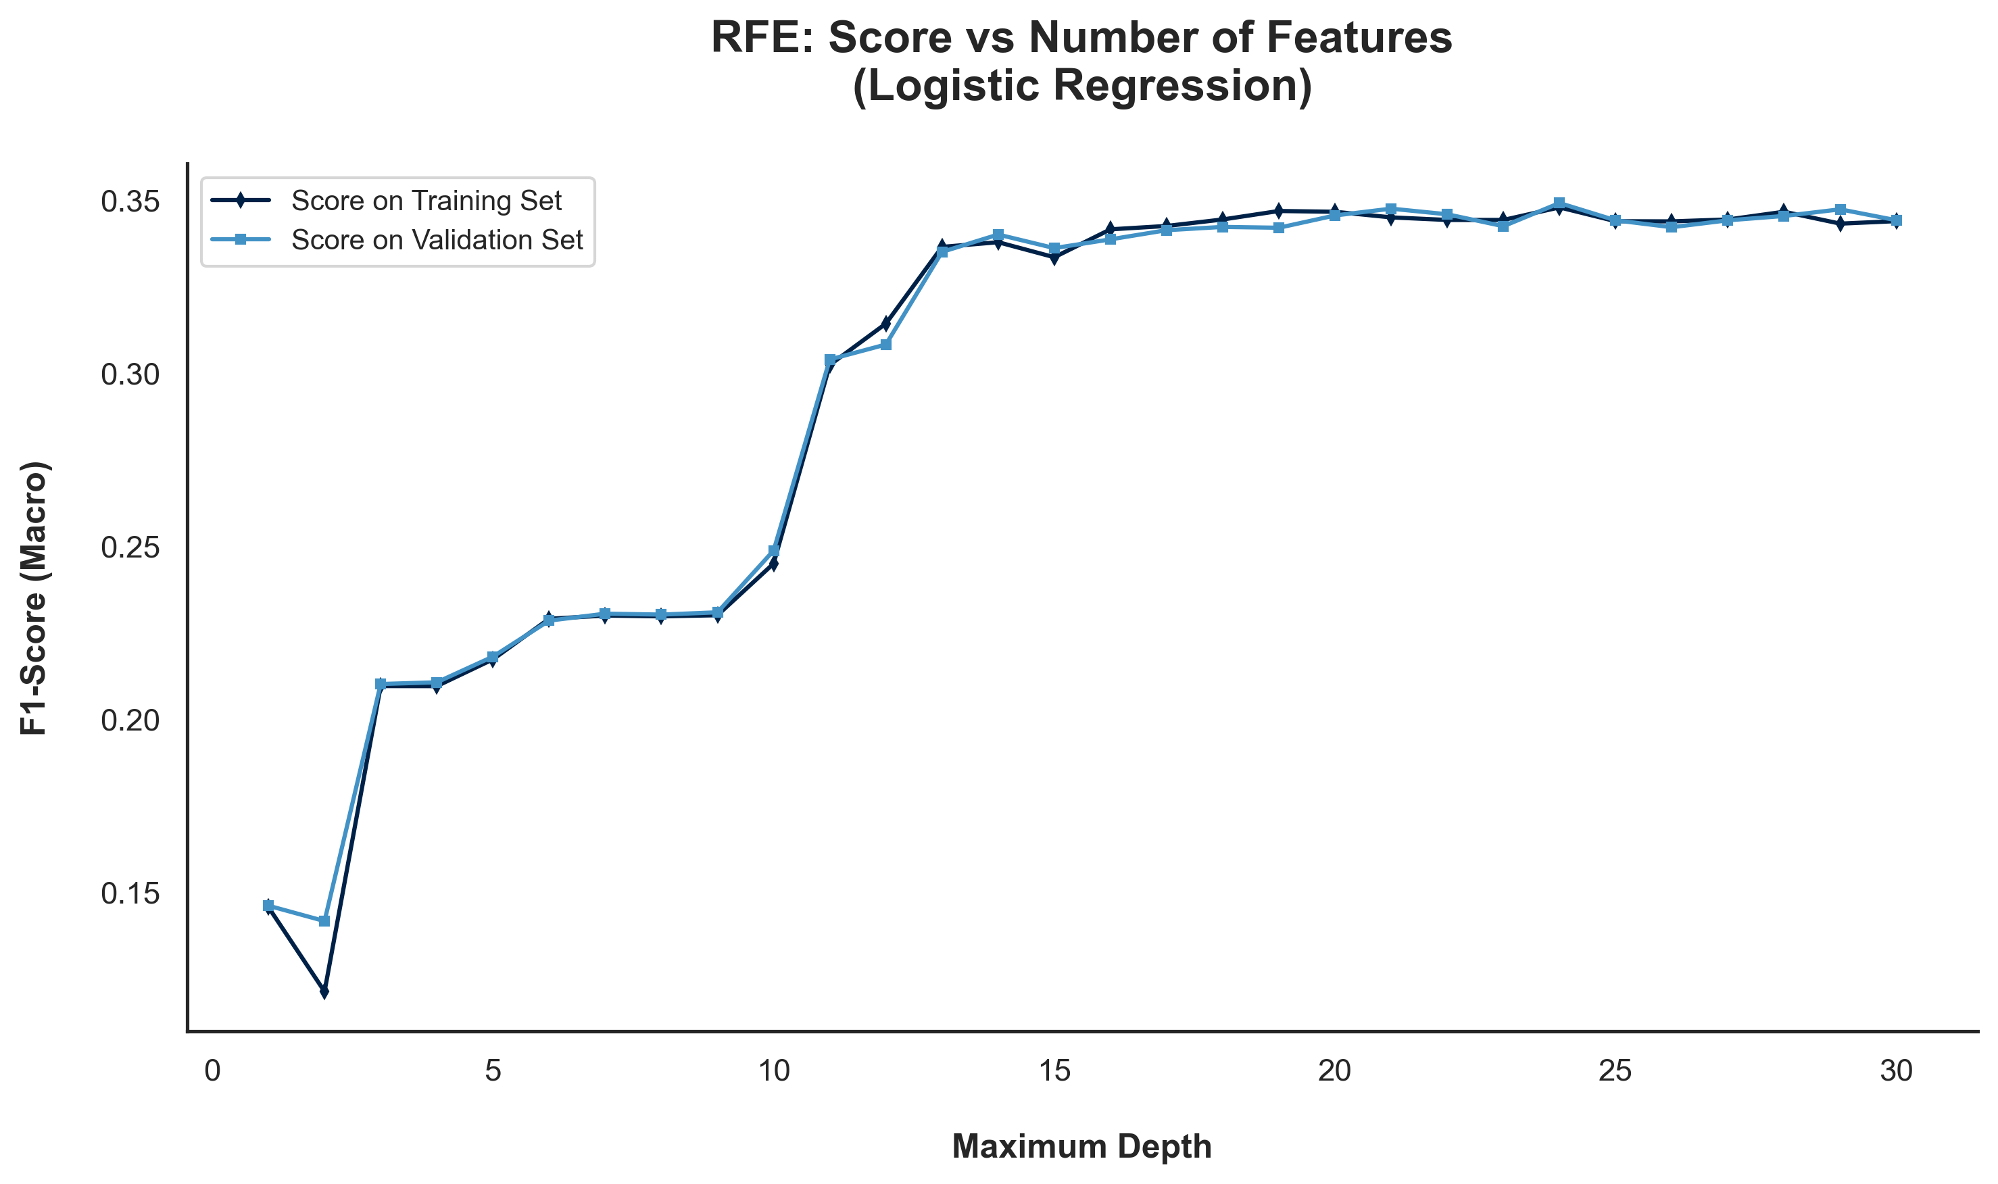
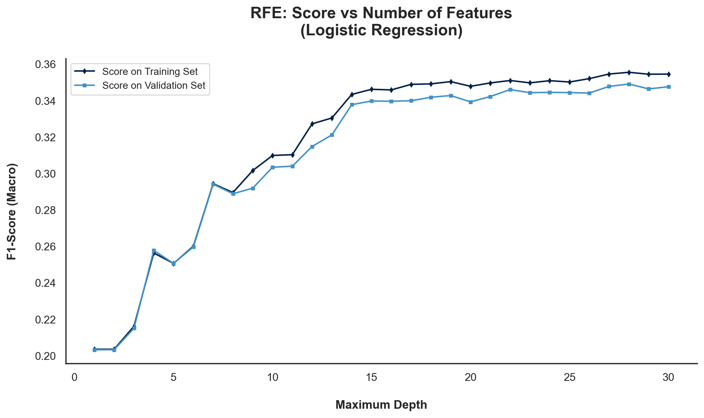
Wrapper Methods | RFE

 | Selected
Features | Original Data | MinMaxScaler | StandardScaler | Log
Accident Date Day |  | TRUE | TRUE
Accident Date Month |  | FALSE | TRUE
Accident Date Weekday |  | TRUE | TRUE
Accident Date Year |  | TRUE | TRUE
Age at Injury Clean |  | TRUE | TRUE
Alternative Dispute Resolution |  | TRUE | TRUE
Assembly Date Day |  | FALSE | TRUE
Assembly Date Month |  | TRUE | TRUE
Assembly Date Weekday |  | FALSE | FALSE
Assembly Date Year |  | TRUE | TRUE
Attorney/Representative |  | TRUE | TRUE
C-2 Date Day |  | FALSE | TRUE
C-2 Date Month |  | FALSE | TRUE
C-2 Date Weekday |  | FALSE | FALSE
C-2 Date Year |  | TRUE | TRUE
C-3 Date Binary |  | TRUE | TRUE
Carrier Type Bucket |  | TRUE | TRUE
County of Injury |  | TRUE | TRUE
COVID-19 Indicator |  | TRUE | TRUE
District Name |  | TRUE | TRUE
First Hearing Date Binary |  | TRUE | TRUE
Gender |  | TRUE | TRUE
IME-4 Reported |  | TRUE | TRUE
Industry Code |  | TRUE | TRUE
Medical Fee Region |  | TRUE | TRUE
Number of Dependents |  | TRUE | TRUE
WCIO Cause of Injury Bucket |  | TRUE | TRUE
WCIO Nature of Injury Bucket |  | TRUE | TRUE
WCIO Part of Body Bucket |  | TRUE | TRUE
Weekly Wage Reported |  | TRUE | TRUE

